Results
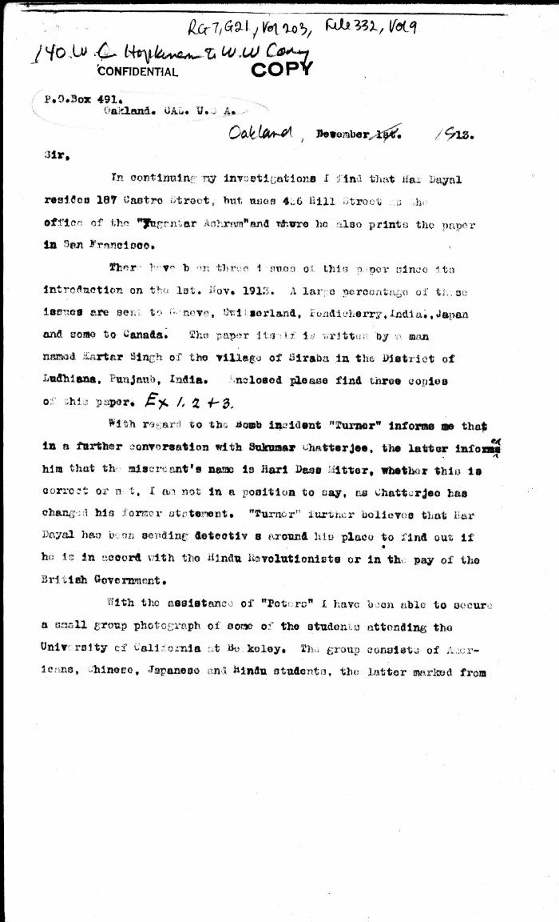
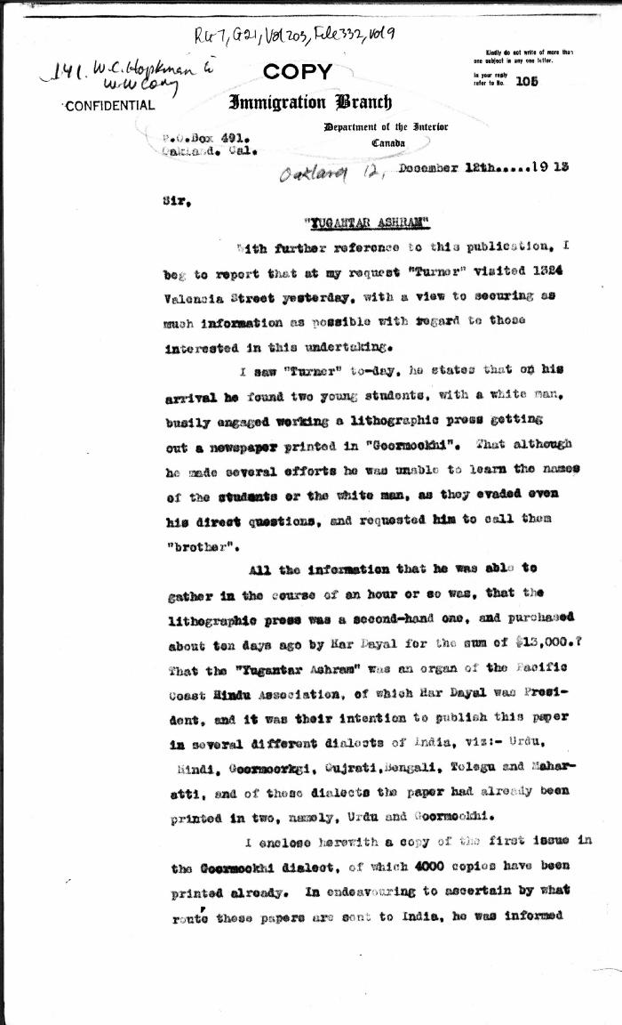
Image | Object | Description | Date
 | [Extract from William C. Hopkinson, Immigration Inspector, to William W. Cory, Deputy Minister of the Interior. Copy] (2021_07_4542) | Library and Archives Canada. RG7-G-21, Vol. 203, File 332, vol. 9
 | [William C. Hopkinson, Immigration Inspector, to William W. Cory, Deputy Minister of the Interior. Copy] (2021_07_4548) | Library and Archives Canada. RG7-G-21, Vol. 203, File 332, vol. 9

