Results
Image | Object | Description | Date
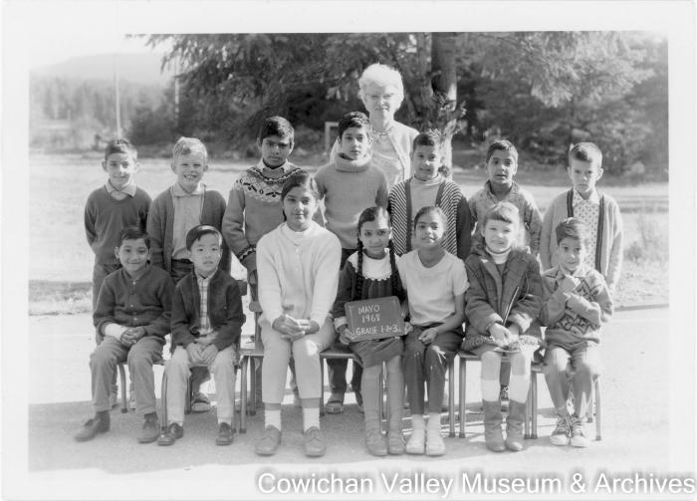 | [Class photo of Mrs. Coulter and her students] (2020_06_09_017) | Image of students and their teacher, Mrs. Coulter, posing for a class photo. Back row, left to right: Robin Mayo, Craig Tsjensvold, Hardev Manhas, Gary Manhas, Mark Saroya, Sukhi Manhas, Todd Martin. Seated: Hardeep Parmar, David Kitagawa, Inderjit Manhas, Kuljit Manhas, Ronnie Manhas, Kim Leary, Dale Mayo.

