Results
Image | Object | Description | Date
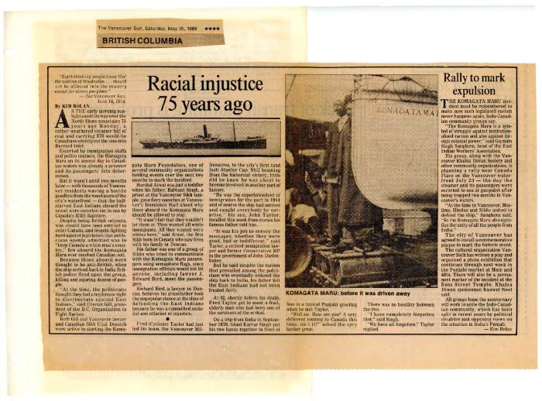 | [Newspaper clippings] (2020_04_004_037) | Compilation of Canadian newspaper clippings surrounding the topic of the 75th anniversary of the Komagata Maru. Articles included are printed in English and Punjabi.
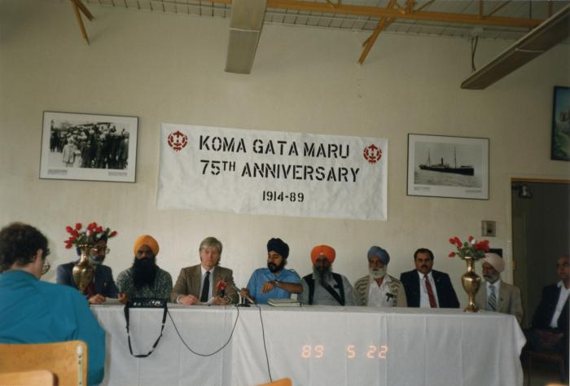 | Press conference (2020_04_004_042) | A colour image of nine men seated behind a table, indoors. Behind them on the wall is a banner that reads in English, "Komagata Maru 75th Anniversary 1914-1989" and two framed black and white photographs of the Komagata Maru and its passengers. On the table there are microphones placed in front of Hugh Johnston and Kanwal Singh Neel. There are vases with flowers placed at both ends of the table.
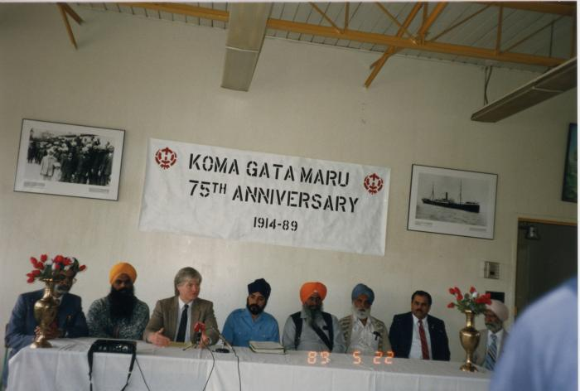 | Press conference (2020_04_004_043) | A colour image of eight men seated behind a table, indoors. Behind them on the wall is a banner that reads in English, "Komagata Maru 75th Anniversary 1914-1989" and two framed black and white photographs of the Komagata Maru and its passengers. On the table there are microphones placed in front of Hugh Johnston and Kanwal Singh Neel. Hugh Johnston appears to be speaking. There are vases with flowers placed at both ends of the table.
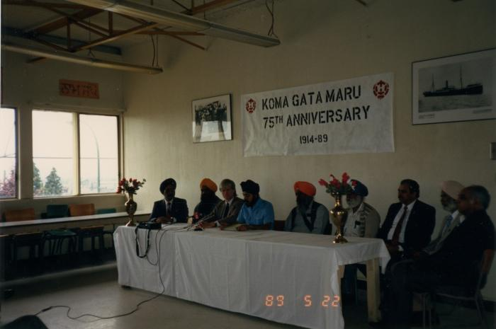 | Press conference (2020_04_004_044) | A colour image of nine men seated behind a table, indoors. Behind them on the wall is a banner that reads in English, "Komagata Maru 75th Anniversary 1914-1989" and two framed black and white photographs of the Komagata Maru and its passengers. On the table there are microphones placed in front of Hugh Johnston and Kanwal Singh Neel. There are vases with flowers placed at both ends of the table. On the left, there are windows.
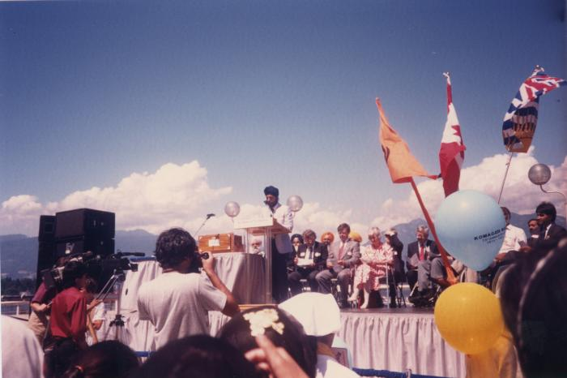 | Canada Place gathering (2020_04_004_052) | A colour image taken at the historical gathering commemorating the 75th anniversary of the Komagata Maru tragedy. There is an outdoor stage with various people seated. On the left of the image, there are speakers visible. There is a table on the stage with instruments placed on top. There is a podium that reads, "Komagata Maru." Dr. Kanwal Singh Neel is seen giving a speech at the podium. There are three flags on the stage: the Canadian flag, the British Columbian flag, and the Nishan Sahib, a flag symbolizing the Sikh religion. In the foreground there is a film crew and a photographer seen. There are also balloons and people visible.
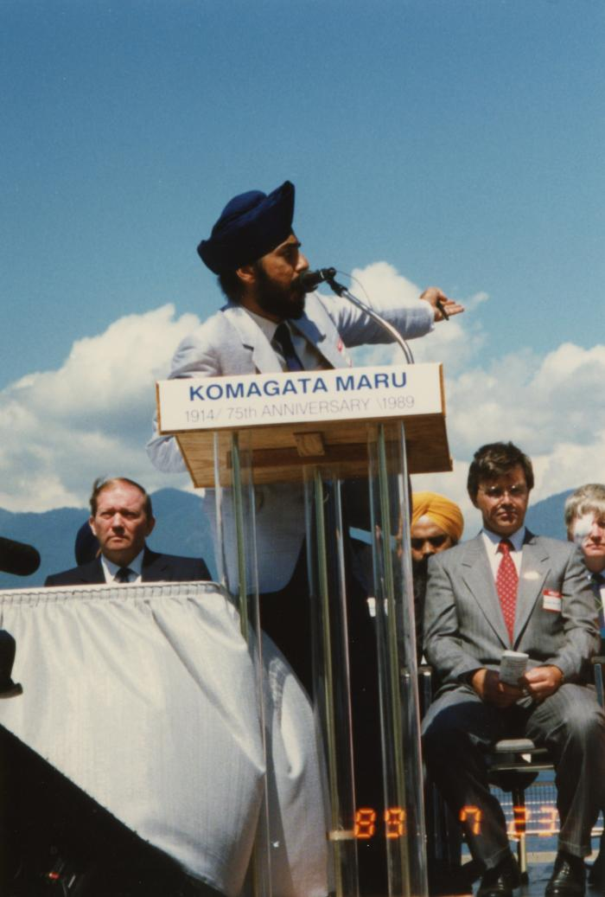
 | Opening by master of ceremony (2020_04_004_059) | A colour image taken at the historical gathering commemorating the 75th anniversary of the Komagata Maru tragedy. There is a podium that reads, "Komagata Maru." Dr. Kanwal Singh Neel is seen giving a speech at the podium.
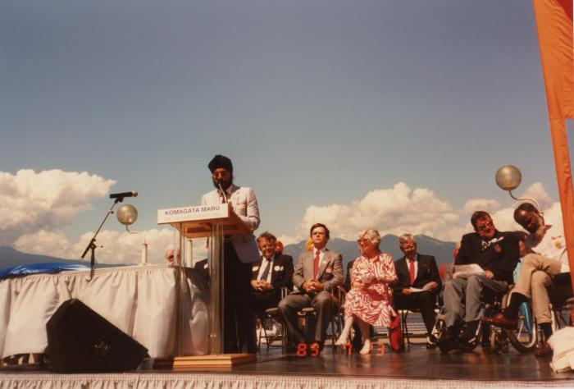 | Opening by master of ceremony (2020_04_004_060) | A colour image taken at the historical gathering commemorating the 75th anniversary of the Komagata Maru tragedy. There is a podium that reads, "Komagata Maru." Dr. Kanwal Singh Neel is seen giving a speech at the podium.
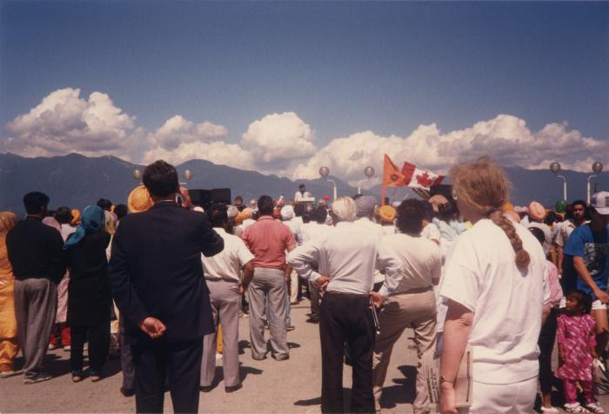 | Canada Place gathering (2020_04_004_061) | A colour image taken at the historical gathering commemorating the 75th anniversary of the Komagata Maru tragedy. In the foreground is a crowd of people gathering. In the distance Kanwal Singh Neel is seen at a podium.
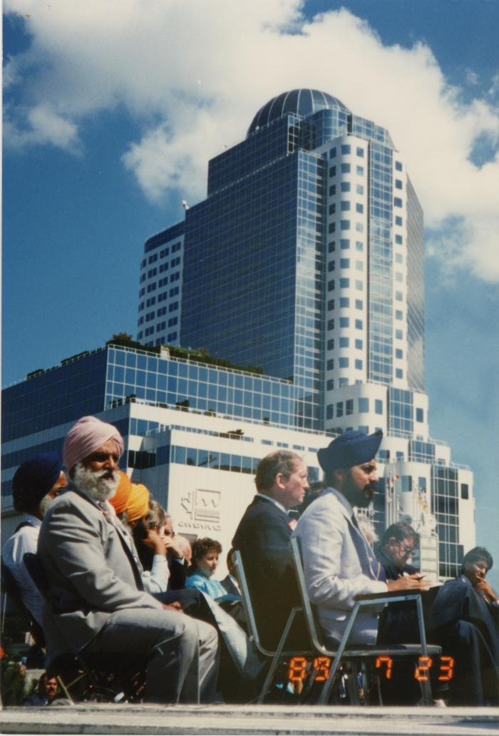
 | On stage at the Canada Place gathering (2020_04_004_067) | A colour image taken at the historical gathering commemorating the 75th anniversary of the Komagata Maru tragedy. A group of people are seen seated on top of a stage. In the foreground, Kanwal Singh Neel and Bikar Singh Dhillon are seen seated. Behind him, John Fraser is also visible. In the background, Canada Place is seen.
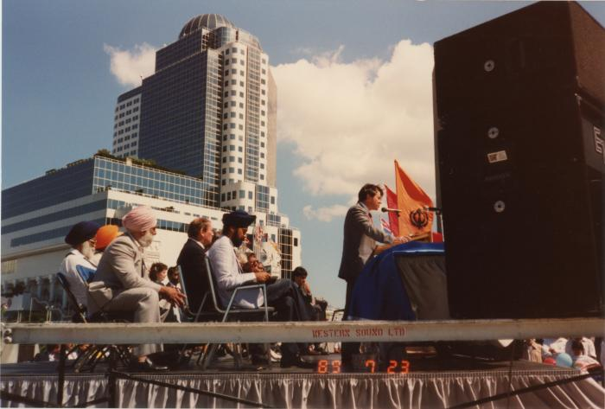 | Mr. Gordon Wilson : Liberal Party (2020_04_004_068) | A colour image taken at the historical gathering commemorating the 75th anniversary of the Komagata Maru tragedy. A group of people are seen seated on top of a stage. In the foreground, Kanwal Singh Neel is seen seated. Behind him, John Fraser is also visible. In the background, Canada Place is visible. Gordon Wilson, leader of the Liberal Party of B.C. is seen giving a speech into a microphone. The Nishan Sahib, a flag symbolizing the Sikh religion, is visible. On the right of the image, speakers are seen.
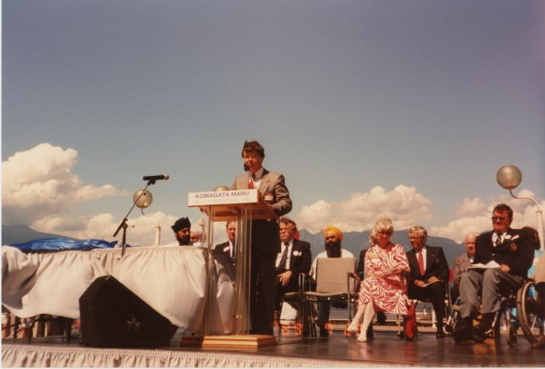 | Mr. Gordon Wilson : Liberal Party (2020_04_004_069) | A colour image taken at the historical gathering commemorating the 75th anniversary of the Komagata Maru tragedy. A group of people are seen seated on top of a stage. On the left there is a table. Kanwal Singh Neel, John Fraser, Noël Kinsella, Margaret Mitchell and Doug Mowat are seen on stage. There is a podium that reads "Komagata Maru 75th Anniversary 1914-1989." Gordon Wilson, leader of the Liberal Party of B.C. is seen giving a speech into a microphone.
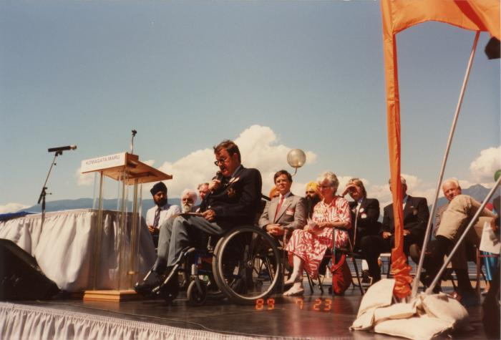 | Mr. Doug Mowat M.L.A (2020_04_004_074) | A colour image taken at the historical gathering commemorating the 75th anniversary of the Komagata Maru tragedy. A group of people are seen seated on top of a stage. On the left there is a table. Kanwal Singh Neel, John Fraser, Noël Kinsella, Margaret Mitchell and Gordon Wilson are seen on stage. There is a podium that reads "Komagata Maru 75th Anniversary 1914-1989." Doug Mowat, a Member of the Legislative Assembly of British Columbia, is seen giving a speech into a microphone.
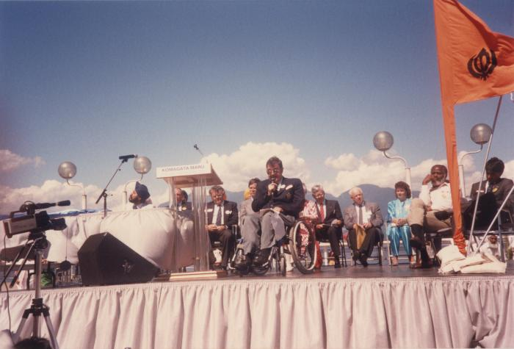 | Mr. Doug Mowat M.L.A (2020_04_004_075) | A colour image taken at the historical gathering commemorating the 75th anniversary of the Komagata Maru tragedy. A group of people are seen seated on top of a stage. On the left there is a table. Kanwal Singh Neel, John Fraser, Noël Kinsella, Margaret Mitchell, Gordon Wilson, Emery Barnes, Moe Sihota, Rosaline Stoddard, and Jim Young are seen on stage. There is a podium that reads "Komagata Maru 75th Anniversary 1914-1989." Doug Mowat, a Member of the Legislative Assembly of British Columbia, is seen giving a speech into a microphone.
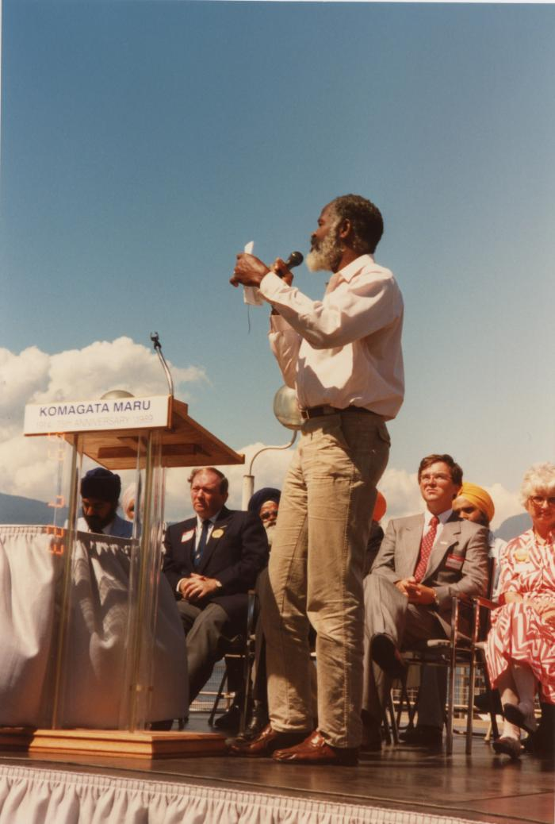
 | Mr. Emery Barnes M.L.A. (2020_04_004_076) | A colour image taken at the historical gathering commemorating the 75th anniversary of the Komagata Maru tragedy. A group of people are seen seated on top of a stage. On the left there is a table. Kanwal Singh Neel, John Fraser, Margaret Mitchell, and Gordon Wilson are seen on stage. There is a podium that "Komagata Maru 75th Anniversary 1914-1989." Emery Barnes is seen giving a speech into a microphone.
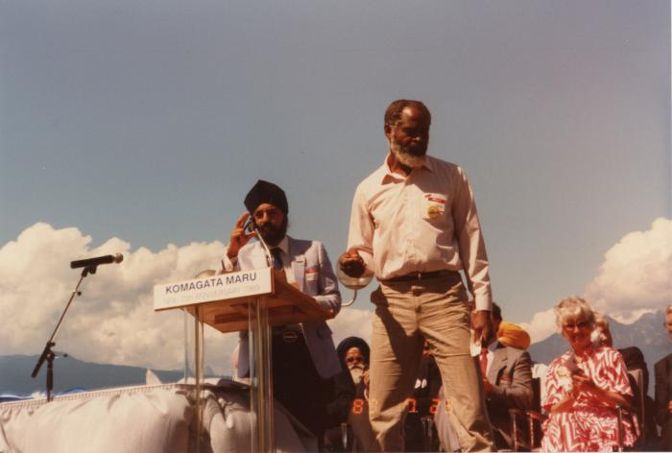 | Mr. Emery Barnes M.L.A. (2020_04_004_078) | A colour image taken at the historical gathering commemorating the 75th anniversary of the Komagata Maru tragedy. A group of people are seen seated on top of a stage. On the left there is a table. There is a podium that reads, "Komagata Maru 75th Anniversary 1914-1989." Kanwal Singh Neel is moving the microphone at the podium towards him and Emery Barnes is seen turning away from the podium, to the right of the image. Margaret Mitchell is seen seated in the background, clapping.
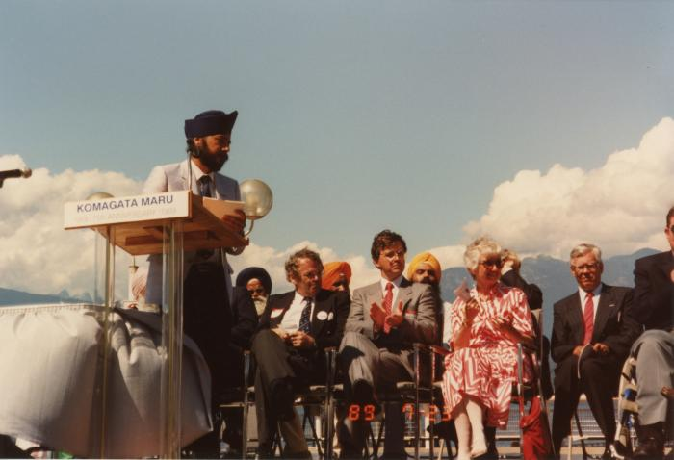 | Canada Place gathering (2020_04_004_079) | A colour image taken at the historical gathering commemorating the 75th anniversary of the Komagata Maru tragedy. A group of people are seen seated on top of a stage. On the left there is a table. There is a podium that reads, "Komagata Maru 75th Anniversary 1914-1989." Kanwal Singh Neel is seen standing behind the podium. Noël Kinsella, Margaret Mitchell, and Gordon Wilson are seen seated on stage.
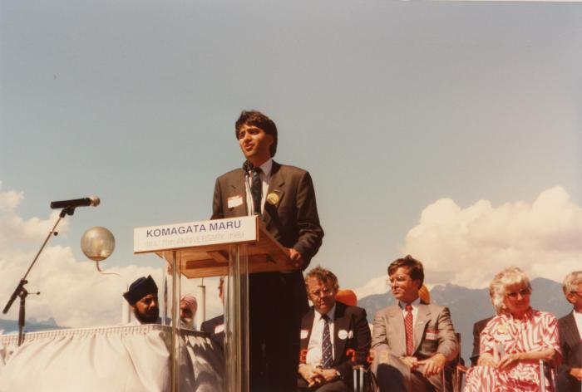 | Mr. Moe Sihota M.L.A (2020_04_004_080) | A colour image taken at the historical gathering commemorating the 75th anniversary of the Komagata Maru tragedy. A group of people are seen seated on top of a stage. On the left there is a table. There is a podium that reads, "Komagata Maru 75th Anniversary 1914-1989." Moe Sihota is seen giving a speech into the microphone. Kanwal Singh Neel, Noël Kinsella, Margaret Mitchell, and Gordon Wilson are seen seated on stage.
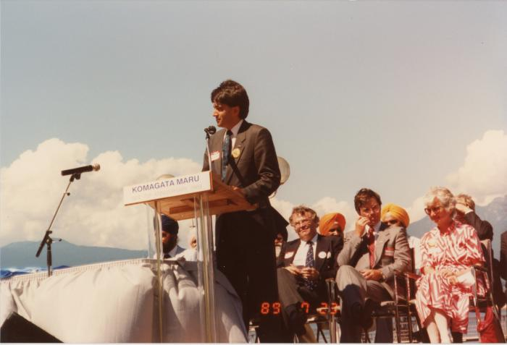 | Mr. Moe Sihota M.L.A (2020_04_004_081) | A colour image taken at the historical gathering commemorating the 75th anniversary of the Komagata Maru tragedy. A group of people are seen seated on top of a stage. On the left there is a table. There is a podium that reads, "Komagata Maru 75th Anniversary 1914-1989." Moe Sihota is seen giving a speech into the microphone. Kanwal Singh Neel, Noël Kinsella, Margaret Mitchell, and Gordon Wilson are seen seated on stage behind Moe Sihota.
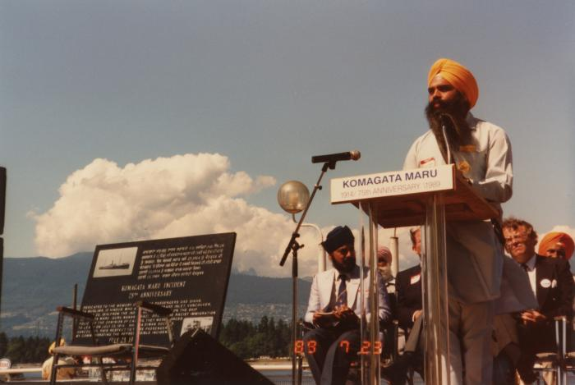 | [Mr. Jagtar Singh Sandhu : Surrey] (2020_04_004_082) | A colour image taken at the historical gathering commemorating the 75th anniversary of the Komagata Maru tragedy. A group of people are seen seated on top of a stage. On the left there is chair holding a plaque. There is a podium that reads, "Komagata Maru 75th Anniversary 1914-1989." Jagtar Singh Sandhu is seen giving a speech into the microphone. Kanwal Singh Neel and Noël Kinsella are seen seated on stage.
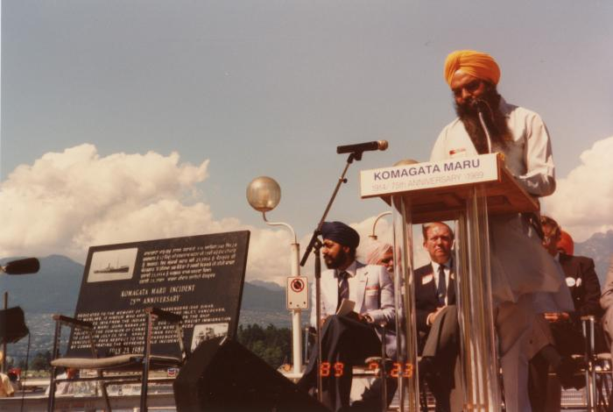 | [Mr. Jagtar Singh Sandhu : Surrey] (2020_04_004_083) | A colour image taken at the historical gathering commemorating the 75th anniversary of the Komagata Maru tragedy. A group of people are seen seated on top of a stage. On the left there is chair holding a plaque. There is a podium that reads, "Komagata Maru 75th Anniversary 1914-1989." Jagtar Singh Sandhu is seen giving a speech into the microphone. Kanwal Singh Neel and John Fraser are seen seated on stage.
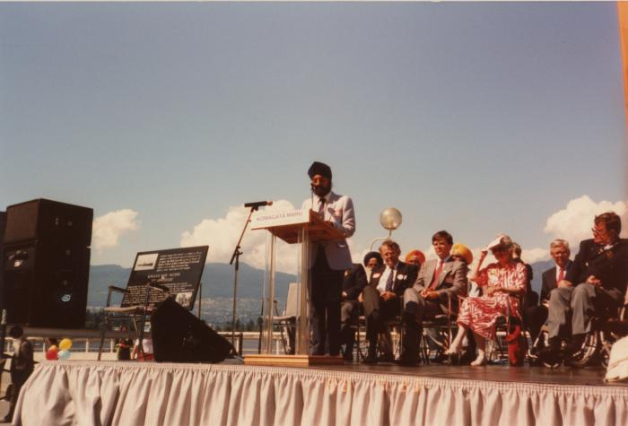 | Canada Place gathering (2020_04_004_085) | A colour image taken at the historical gathering commemorating the 75th anniversary of the Komagata Maru tragedy. A group of people are seen seated on top of a stage. On the left there is a chair holding a plaque and speakers. At the centre, there is a podium that reads, "Komagata Maru 75th Anniversary 1914-1989." Kanwal Singh Neel is seen standing behind the podium, speaking into a microphone. Noël Kinsella, Margaret Mitchell, Gordon Wilson, and Doug Mowat are seen seated on stage.
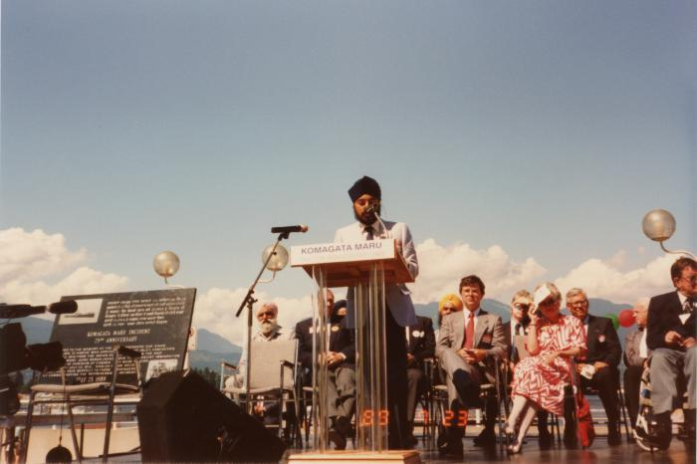 | Canada Place gathering (2020_04_004_086) | A colour image taken at the historical gathering commemorating the 75th anniversary of the Komagata Maru tragedy. A group of people are seen seated on top of a stage. On the left there is a chair holding a plaque and speakers. At the centre, there is a podium that reads, "Komagata Maru 75th Anniversary 1914-1989." Kanwal Singh Neel is seen standing behind the podium, speaking into a microphone. Bikar Singh Dhillon, Margaret Mitchell, Gordon Wilson, and Doug Mowat are seen seated on stage.
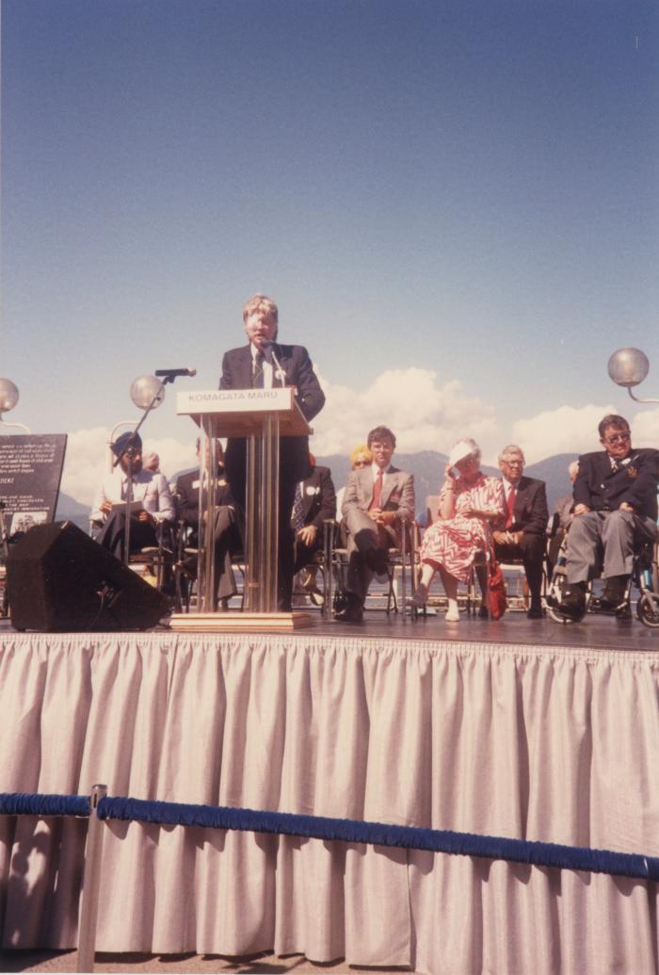
 | [Dr. Hugh Johnston] (2020_04_004_087) | A colour image taken at the historical gathering commemorating the 75th anniversary of the Komagata Maru tragedy. A group of people are seen seated on top of a stage. On the left, slightly out of view, is a chair holding a plaque and speakers. At the centre, there is a podium that reads, "Komagata Maru 75th Anniversary 1914-1989." Dr. Hugh Johnston, history professor at Simon Fraser University, is seen standing behind the podium speaking into the microphone. Kanwal Singh Neel, Gordon Wilson, Margaret Mitchell, and Doug Mowat are visible in the background.
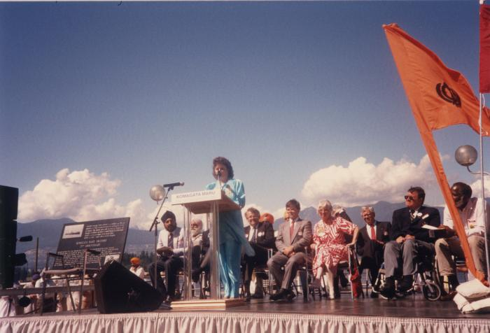 | Ms. Rosaline Stoddard (2020_04_004_088) | A colour image taken at the historical gathering commemorating the 75th anniversary of the Komagata Maru tragedy. A group of people are seen seated on top of a stage. On the left there is a chair holding a plaque and speakers. At the centre, there is a podium that reads, "Komagata Maru 75th Anniversary 1914-1989." Rosaline Stoddard is seen standing behind the podium speaking into the microphone. Kanwal Singh Neel, Noël Kinsella, Gordon Wilson, Margaret Mitchell, Doug Mowat, and Emery Barnes are visible in the background.
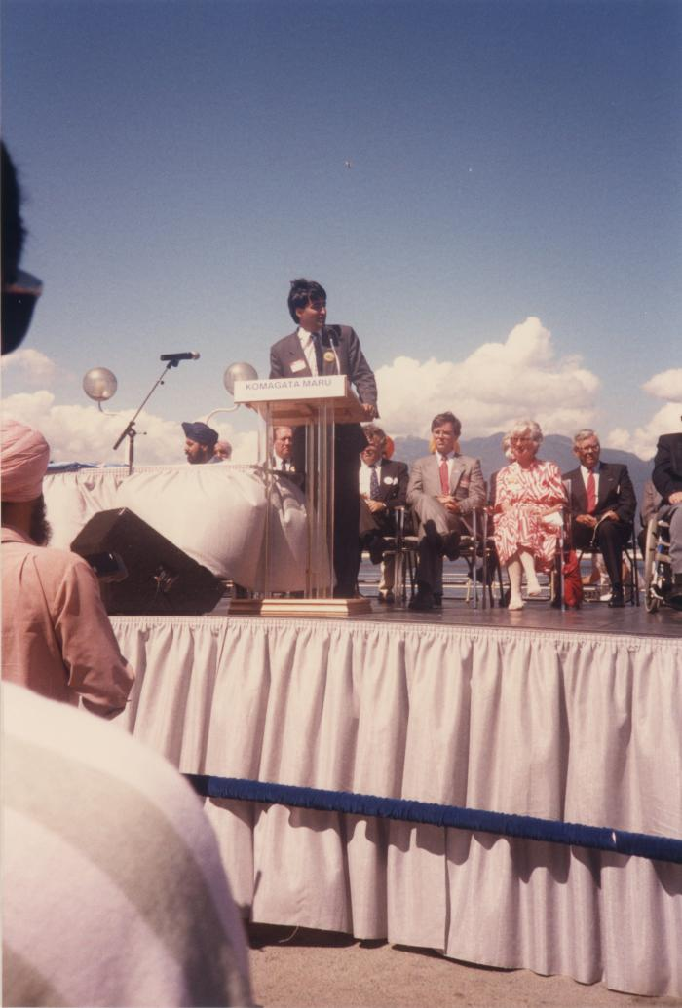
 | Mr. Moe Sihota M.L.A (2020_04_004_090) | A colour image taken at the historical gathering commemorating the 75th anniversary of the Komagata Maru tragedy. A group of people are seen seated on top of a stage. On the left there is a table. There is a podium that reads, "Komagata Maru 75th Anniversary 1914-1989." Moe Sihota is seen giving a speech into the microphone. Kanwal Singh Neel, Noël Kinsella, Margaret Mitchell, and Gordon Wilson are seen seated on stage behind Moe Sihota.
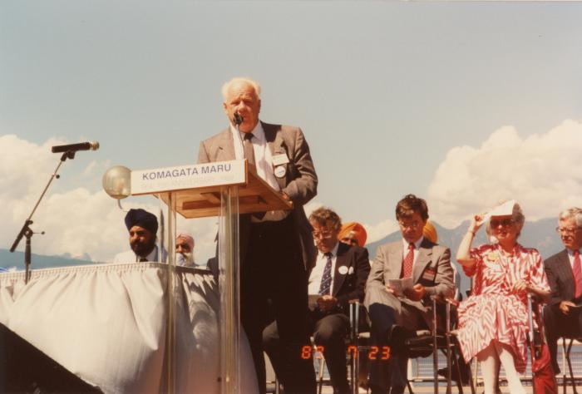 | Mr. Jim Young : Burnaby (2020_04_004_091) | A colour image taken at the historical gathering commemorating the 75th anniversary of the Komagata Maru tragedy. A group of people are seen seated on top of a stage. On the left there is a table. There is a podium that reads, "Komagata Maru 75th Anniversary 1914-1989." Jim Young, alderman of Burnaby, is seen giving a speech into the microphone. Kanwal Singh Neel, Bikar Singh Dhillon, Noël Kinsella, Margaret Mitchell, and Gordon Wilson are seen seated on stage behind Jim Young.
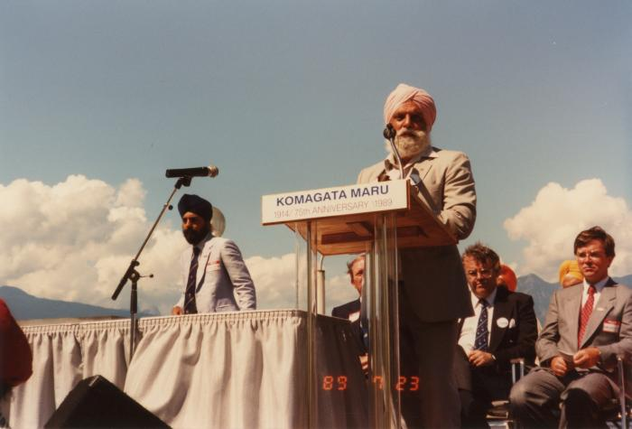 | [Mr. Bikar Singh Dhillon] (2020_04_004_092) | A colour image taken at the historical gathering commemorating the 75th anniversary of the Komagata Maru tragedy. A group of people are seen seated on top of a stage. On the left there is a table. There is a podium that reads, "Komagata Maru 75th Anniversary 1914-1989." Bikar Singh Dhillon, president of Khalsa Diwan Society Vancouver, is seen giving a speech into the microphone. Kanwal Singh Neel is seen standing in the background. Noël Kinsella and Gordon Wilson are seen seated on stage behind Bikar Singh Dhillon.
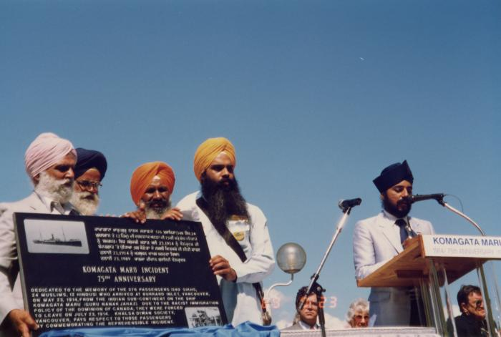 | Unveiling plaque (2020_04_004_095) | A colour image taken at the historical gathering commemorating the 75th anniversary of the Komagata Maru tragedy. There are four men standing on stage behind a table, holding up and unveiling a plaque. The men holding the plaque are Bikar Singh Dhillon, Gurnek Singh Brar, Hari Singh Seehra and Jagtar Singh Sandhu. The plaque reads, "Komagata Maru Incident 75th Anniversary." In both English and Punjabi, there is writing on the plaque explaining the history of the Komagata Maru tragedy. Kanwal Singh Neel is seen standing at a podium speaking into a microphone. The podium reads, "Komagata Maru 75th Anniversary 1914-1989."
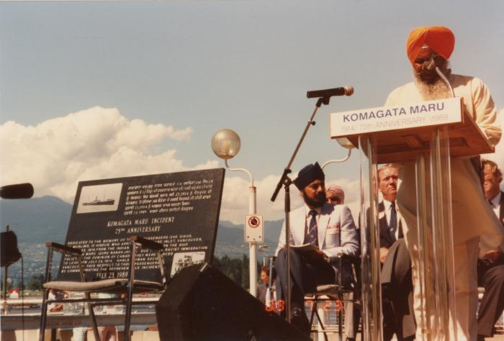 | [Mr. Hari Singh Seehra : New Westminster] (2020_04_004_096) | A colour image taken at the historical gathering commemorating the 75th anniversary of the Komagata Maru tragedy. A group of people are seen seated on top of a stage. On the left there is chair holding a plaque that reads, "Komagata Maru Incident 75th Anniversary." In both English and Punjabi, there is writing on the plaque explaining the history of the Komagata Maru tragedy. There is a podium that reads, "Komagata Maru 75th Anniversary 1914-1989." Hari Singh Seehra, president of Khalsa Diwan Society New Westminster, is seen giving a speech into the microphone. Kanwal Singh Neel and John Fraser are seen seated behind Hari Singh Seehra.
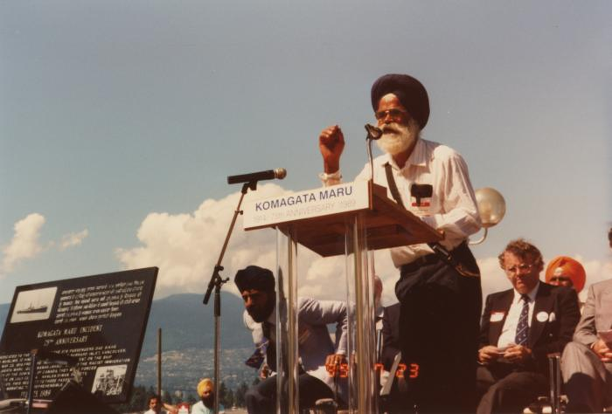 | [Mr. Gurnek Singh Brar : Abbotsford] (2020_04_004_097) | A colour image taken at the historical gathering commemorating the 75th anniversary of the Komagata Maru tragedy. A group of people are seen seated on top of a stage. On the left there is chair holding a plaque that reads, "Komagata Maru Incident 75th Anniversary." In both English and Punjabi, there is writing on the plaque explaining the history of the Komagata Maru tragedy. There is a podium that reads, "Komagata Maru 75th Anniversary 1914-1989." Gurnek Singh Brar, president of Khalsa Diwan Society Abbotsford, is seen giving a speech into the microphone. Kanwal Singh Neel and Noël Kinsella are seen seated behind Hari Singh Seehra.
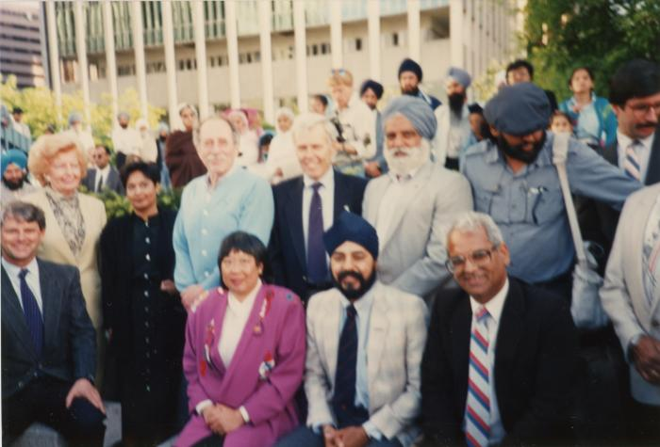 | L->R Mayor Campbell, Grace McCarthy, Fed, Ald. Walking, K. Neel, H. Rankin, Park, Charn Gill, B. Dhillon, H. Sharma (2020_04_004_114) | A colour image taken at the plaque unveiling event at Portal Park, Vancouver, commemorating the Komagata Maru 75th anniversary. A group of people are seen grouped together, looking forward. In the background there is a crowd of people.
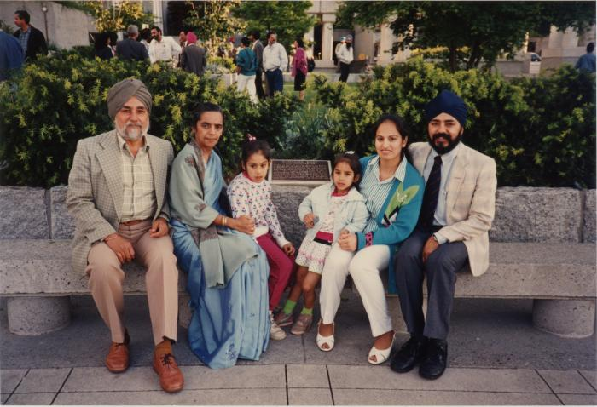 | Neels at the plaque (2020_04_004_115) | A colour image taken at the plaque unveiling event at Portal Park, Vancouver, commemorating the Komagata Maru 75th anniversary. Kanwal Singh Neel is seen seated on a stone bench in front of the plaque with his family, including his wife Nancy and their two daughters. On the left of the photo are Gurdial Singh and Swarnjit Kaur Neel. In the background there is greenery and some people standing.
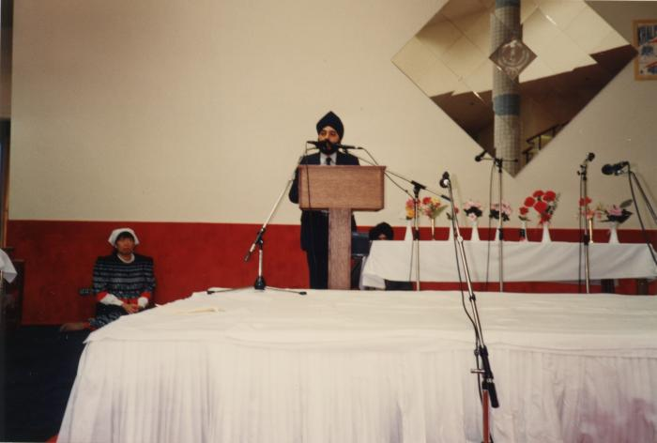 | [Honouring Alderman May Wilking at Ross Street Temple, Vancouver] (2020_04_004_116) | A colour image taken at the Ross Street Temple, showing Kanwal Singh Neel speaking at a wooden podium. In front of him, there is a low stage covered in white, with microphone stands on top. Behind him, on the left, Alderman Sandra Wilking is seated. On the right in the background is a table with floral arrangements. On the wall in the background, is a mirror decoration and and khanda, the symbol of Sikh faith.

