Results
Image | Object | Description | Date
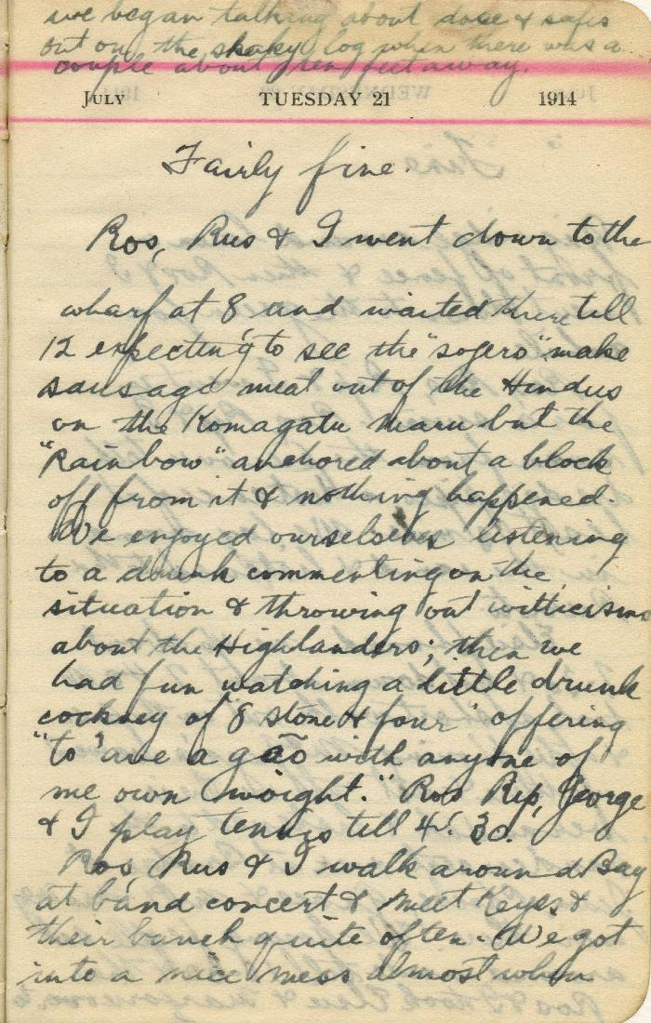
 | [Neil Gilchrist] Diary - 1914: [entry for July 21, 1914] (2021_07_10917) | Item is a page from Neil Gilchrist's 1914 diary containing the entry for July 21, 1914. It describes the scene at the Vancouver harbour after the H.M.C.S. Rainbow's arrival, from the viewpoint of a spectator amongst the crowd watching from shore.

 | Khalsa Diwan Society [Diary], Vancouver, B.C. [: Volume 1 - English translation] (2021_07_10918) | The diary, volume one of two volumes, contains information on the activities of the Vancouver Khalsa Diwan Society between 1906 and 1924, as recorded by Secretary Arjan Singh Brar (Chand).

 | The Voyage of the Komagata Maru: The Sikh Challenge to Canada's Colour Bar (2021_07_10930) | Hugh Johnston provided the first thoroughly researched study of the Komagata Maru event, basing his analysis on official accounts from both Canadian and Indian sources, as well as on the reminiscences of the only passenger still alive at the time the book was written. This book is still the landmark text on the Komagata Maru and diligently outlines the life for Indians at the turn of the 20th century, the reasons for chartering the Komagata Maru, revolutionary movements in North America, the riot at Budge Budge and the lives of many of the key players after the events of the Komagata Maru.

