Results
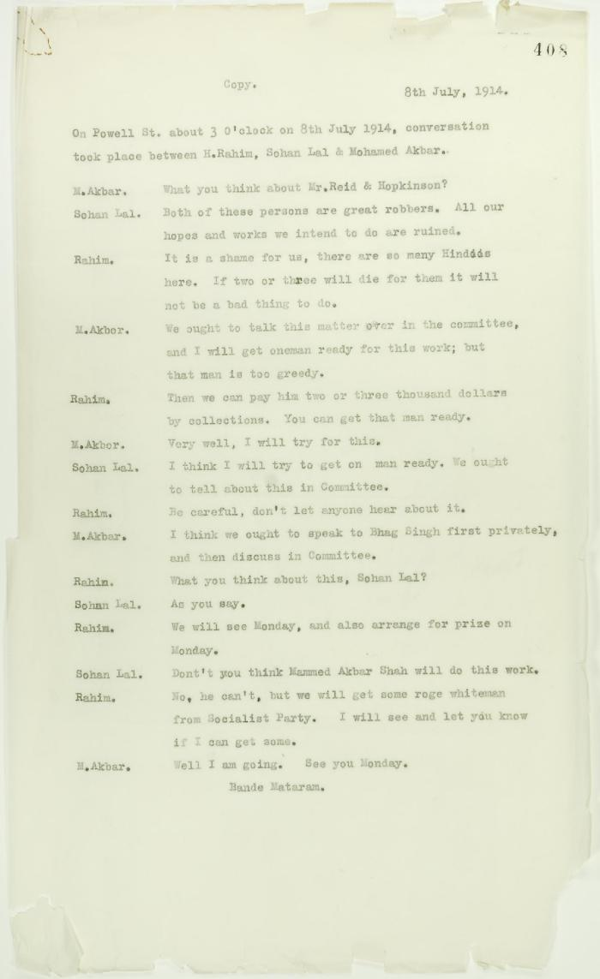
Image | Object | Description | Date
 | Copy of conversation between Hindus re Reid and Hopkinson (2021_07_10717) | Page 408

