Results
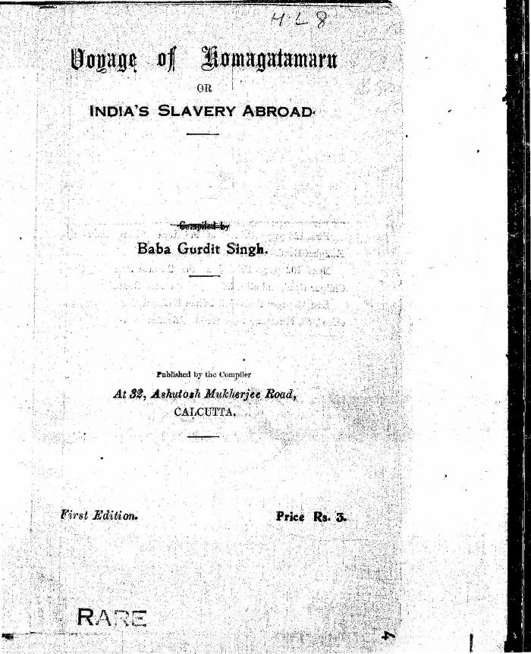

Image | Object | Description | Date
 | Voyage of Komagatamaru or India's Slavery Abroad (2021_07_8343)
 | Statement to J. E. Bird waiving Boards of Inquiry signed by Gurdit Singh and Passengers Committee (2021_07_10929)
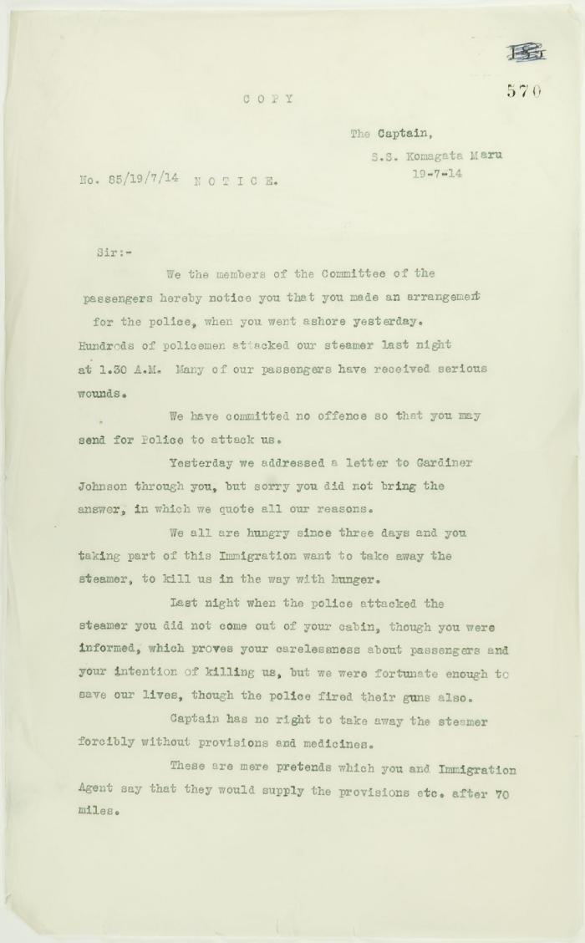
 | See pp. 546-547. Page 1-2 [Copy of letter from committee of passengers to Capt. Yamamota re his arrangement with Vancouver police] (2021_07_1369) | Page 570-571
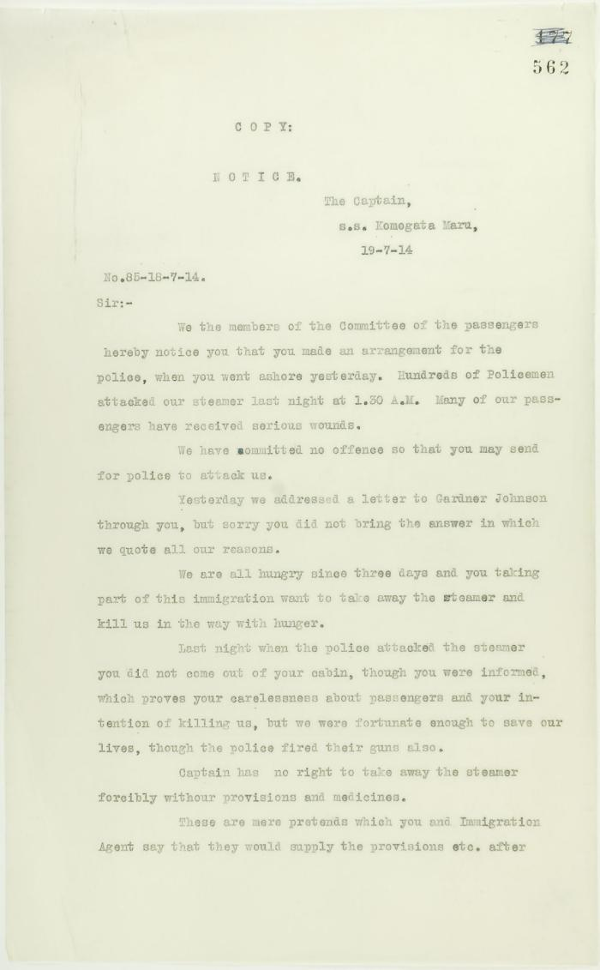
 | See pp. 546-547. Page 1-2 [Copy of letter from committee of passengers to Capt. Yamamota re his arrangement with Vancouver police] (2021_07_1282) | Page 562-563
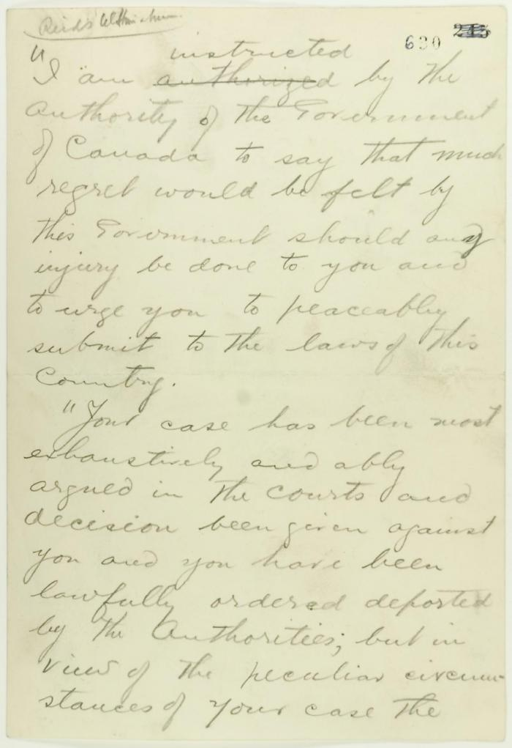
 | Pencil draft of statement by Reid to passengers of the Komagata Maru (see p. 602). Page 1-3 (2021_07_2073) | Page 630-632
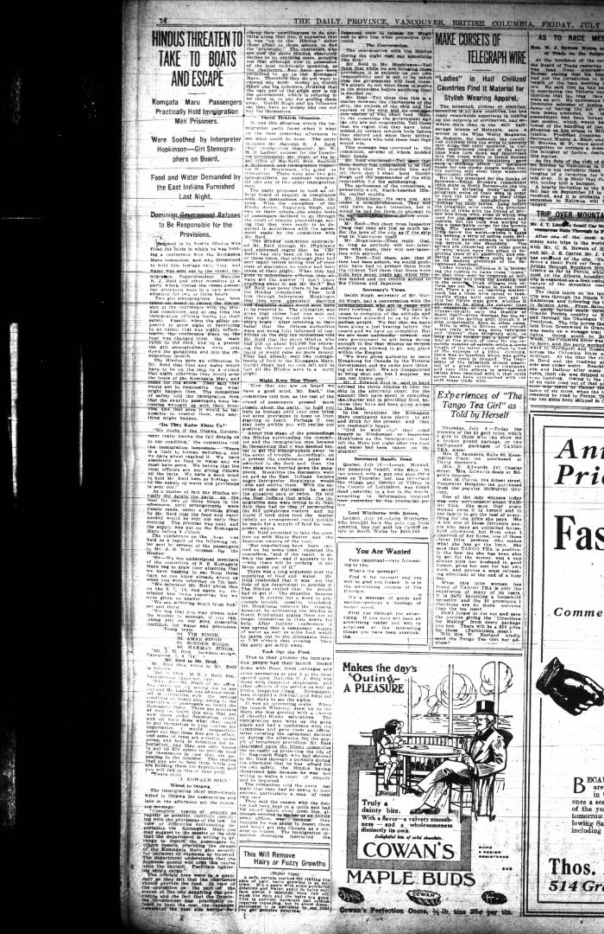
 | Newsclipping - Vancouver Daily Province: Hindus threaten to take to boats and escape (2021_07_10497)

 | [Malcolm R. J. Reid, Dominion Immigration Agent, to William D. Scott, Superintendent of Immigration. Original] (2021_07_4714) | Library and Archives Canada. RG76, Vol. 601, File 879545, pt. 4
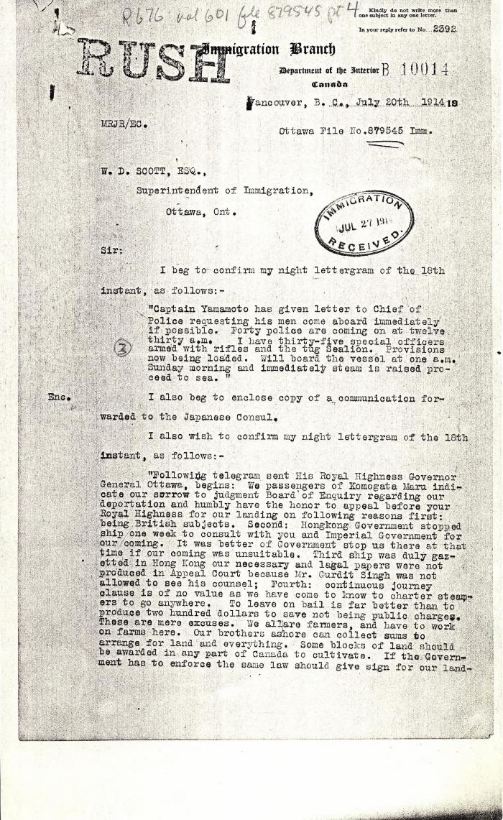
 | [Malcolm R. J. Reid, Dominion Immigration Agent, to William D. Scott, Superintendent of Immigration. Original] (2021_07_4701) | Library and Archives Canada. RG76, Vol. 601, File 879545, pt. 4

 | Letter from Passengers Committee to Reid re provisions (2021_07_10927) | Page 426

 | Letter from Passengers Committee to Reid re placement in Alberta (2021_07_10925) | Page 424

 | Letter from H. W. Gwyther, Interpreter, to Malcolm R. J. Reid re Gwyther's visit to the Komagata Maru (2021_07_10924) | Page 423

 | Letter from Daljit Singh to Reid re provisions (2021_07_10926) | Page 425
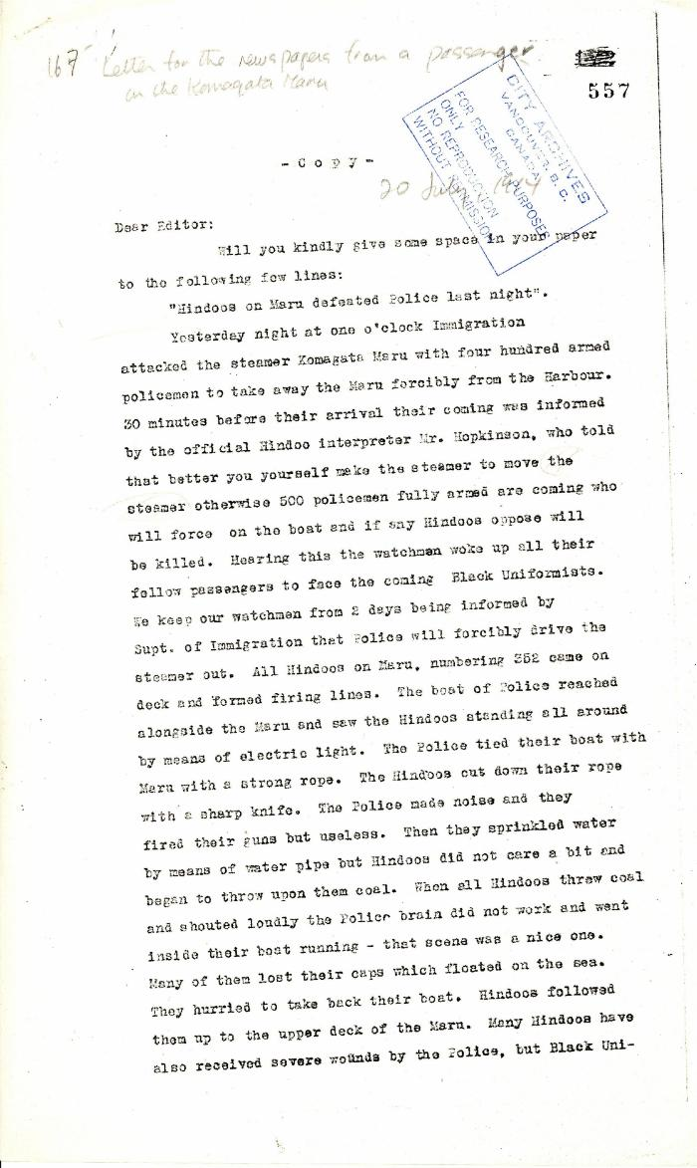
 | Letter for the newspapers from a passenger on the Komagata Maru (2021_07_5202) | Pages 557-558
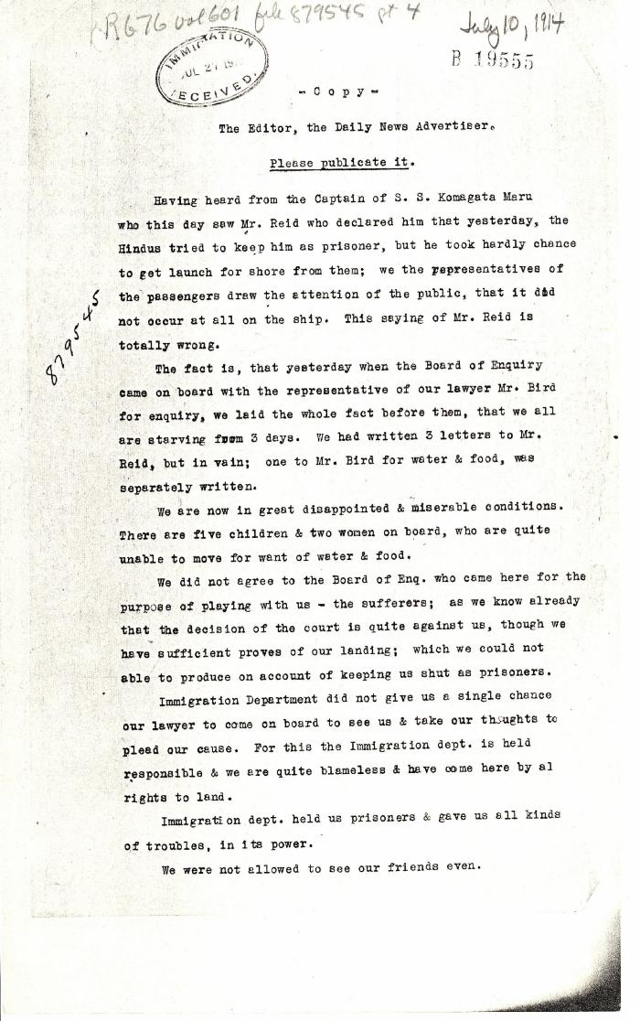
 | [Komagata Maru passengers committee to the Editor, the Daily News Advertiser, Vancouver] (2021_07_4682) | Library and Archives Canada. RG76, Vol. 601, File 879545, pt. 4
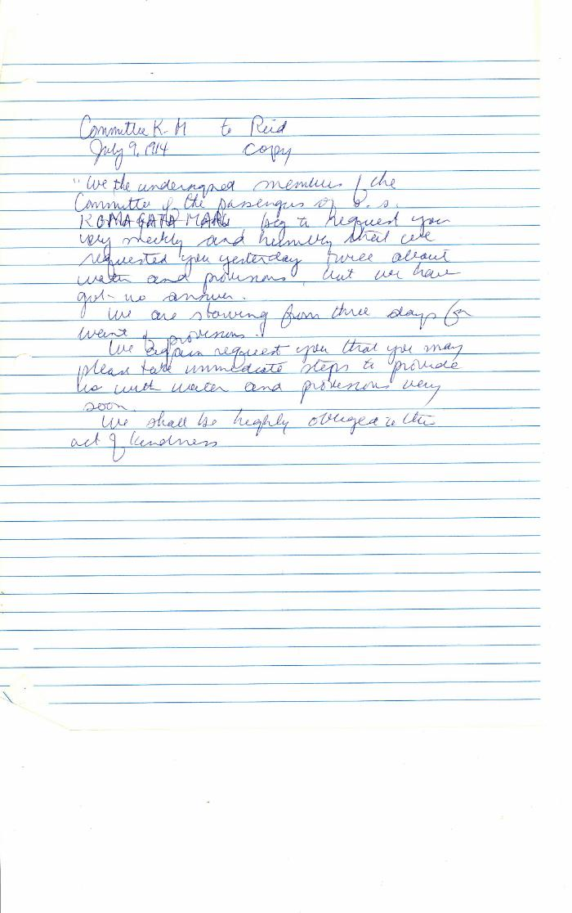
 | [Komagata Maru passengers committee to Malcolm R. J. Reid, Dominion Immigration Agent, re need for provisions] (2021_07_10336) | Library and Archives Canada. RG76, Vol. 261, File 875456, pt. 3
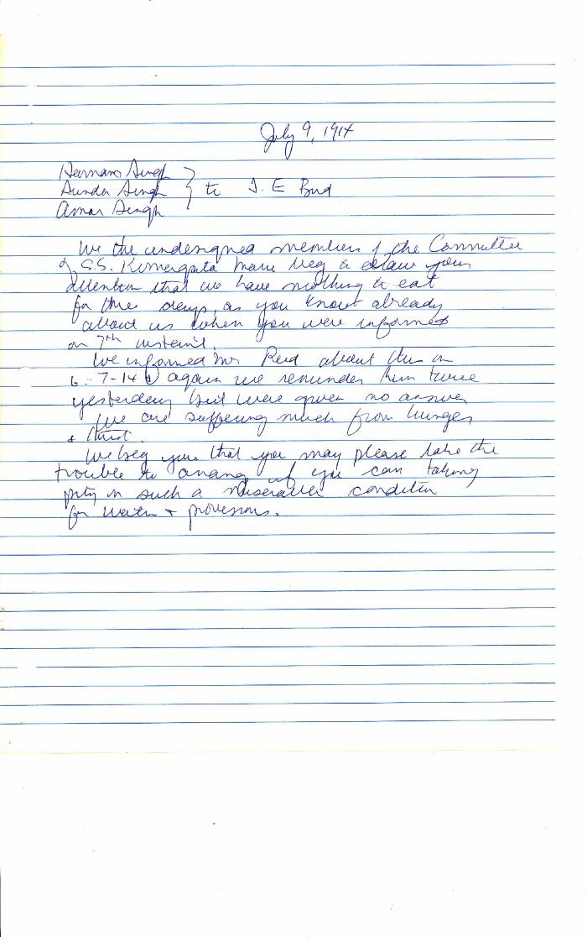
 | [Harnam Singh, Sundar Singh, Amar Singh to J. Edward Bird, lawyer, MacNeill, Bird, Macdonald & Darling, re lack of provisions] (2021_07_10337) | Library and Archives Canada. RG76, Vol. 261, File 875456, pt. 3
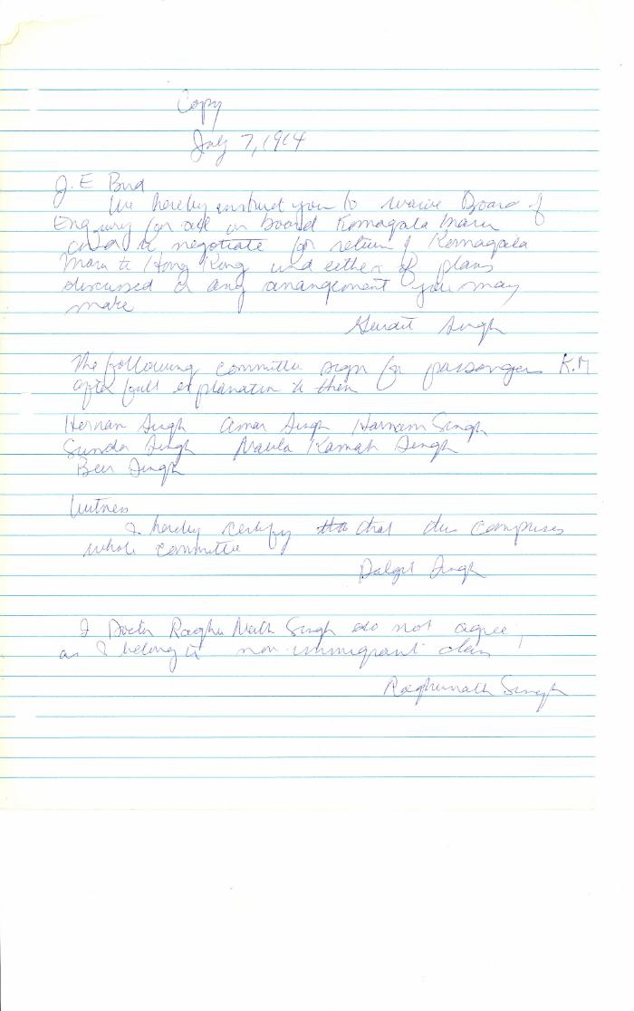
 | [Gurdit Singh, Charterer, Komagata Maru, to J. Edward Bird, lawyer, MacNeill, Bird, Macdonald & Darling, re refusal of passengers to participate in Boards of Enquiry] (2021_07_10335) | Library and Archives Canada. RG76, Vol. 261, File 875456, pt. 3
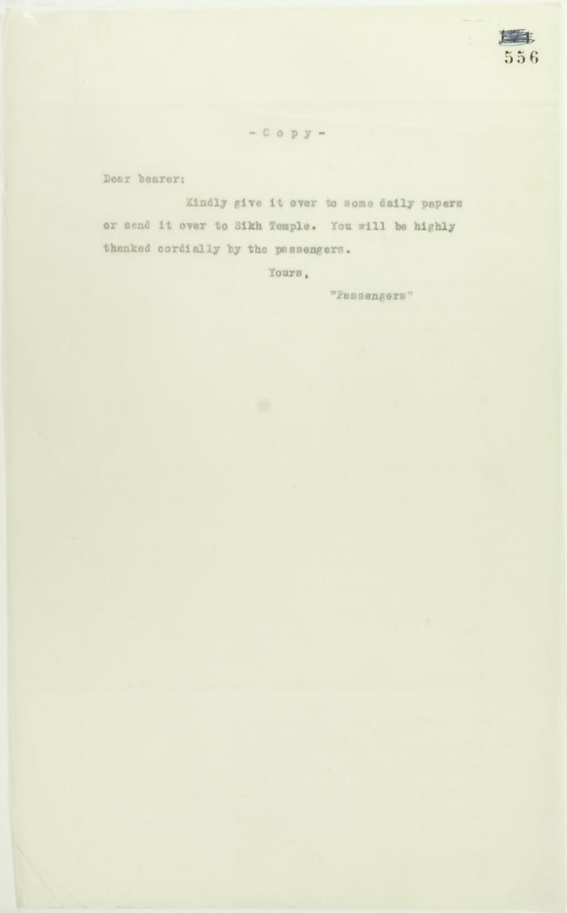
 | Covering letter re following account to be submitted to newspapers (2021_07_10780) | Page 556
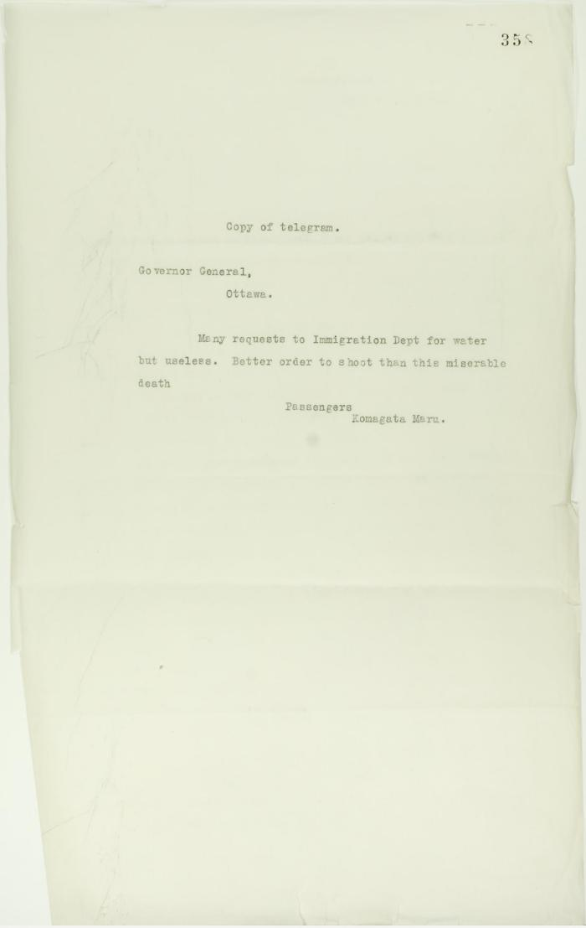
 | Copy of telegram, signed Passengers, sent to Governor General re shortage of water (2021_07_10703) | Page 358
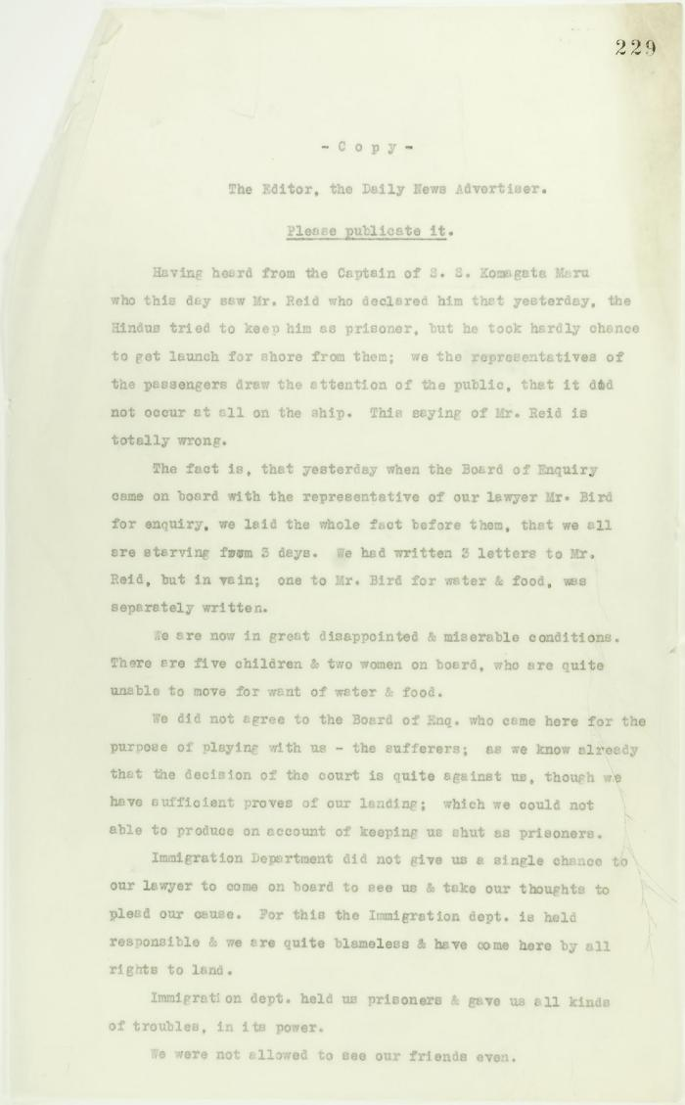
 | Copy of letter sent to Editor, The Daily News Advertiser, by passengers on board the Komagata Maru. Page 1-3 (2021_07_9475) | Page 229-231
 | [Copy of letters enclosed with pp. 409-411 - letter from Reid to W. D. Scott re activities of J. E. Bird] (2021_07_604) | Page 412-413

 | Copy of letter from Reid to W. D. Scott re wires received and sent regarding final arrangements. Page 1-8 (2021_07_1540) | Page 573-580
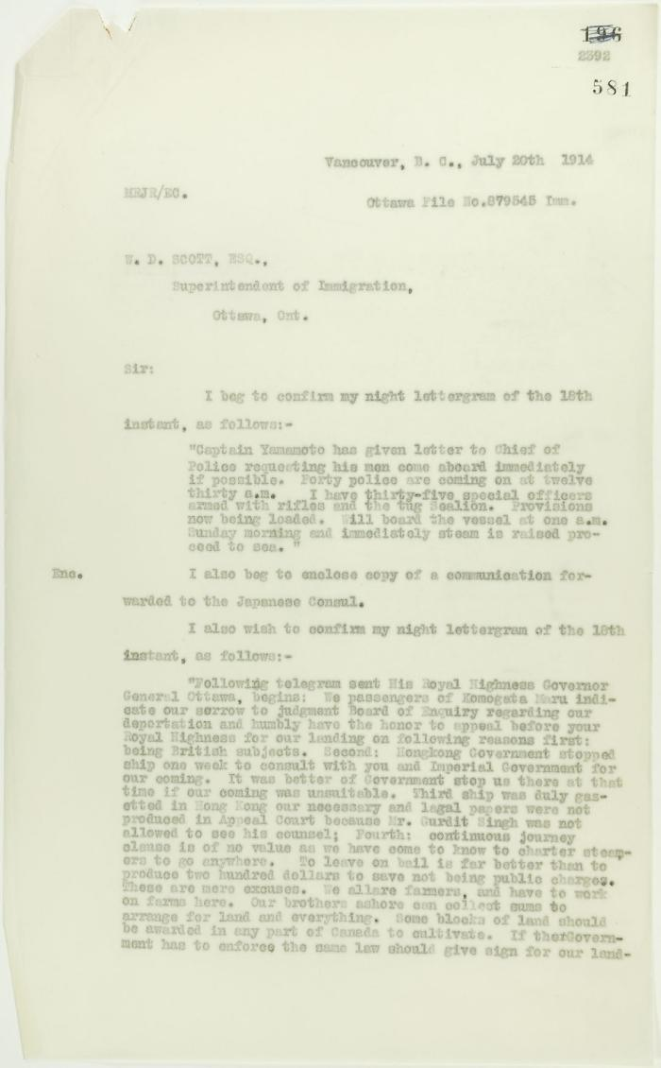
 | Copy of letter from Reid to W. D. Scott, re wires received and sent. Page 1-5 (2021_07_1567) | Page 581-585

 | Copy of letter from Reid to W. D. Scott re last details preceding departure. Page 1-5 (2021_07_1949) | Page 615-619
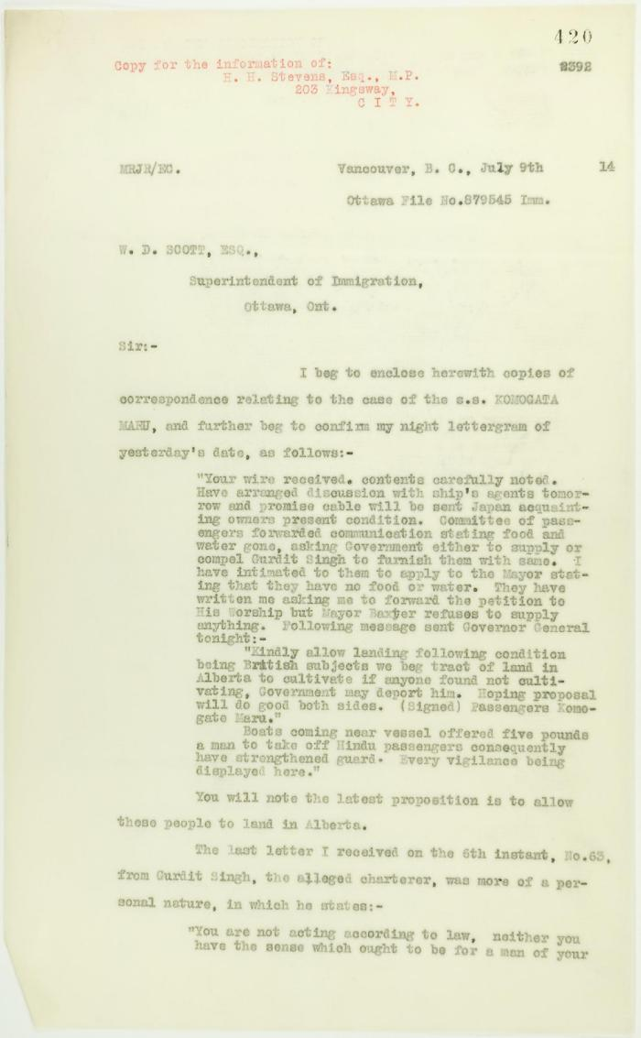
 | Copy of letter from Reid to W. D. Scott enclosing recent correspondence. Page 1-2 (2021_07_681) | Page 420-421

 | Copy of letter from Reid to W. D. Scott confirming wires received and sent. Page 1-11 (2021_07_1900) | Page 603-613
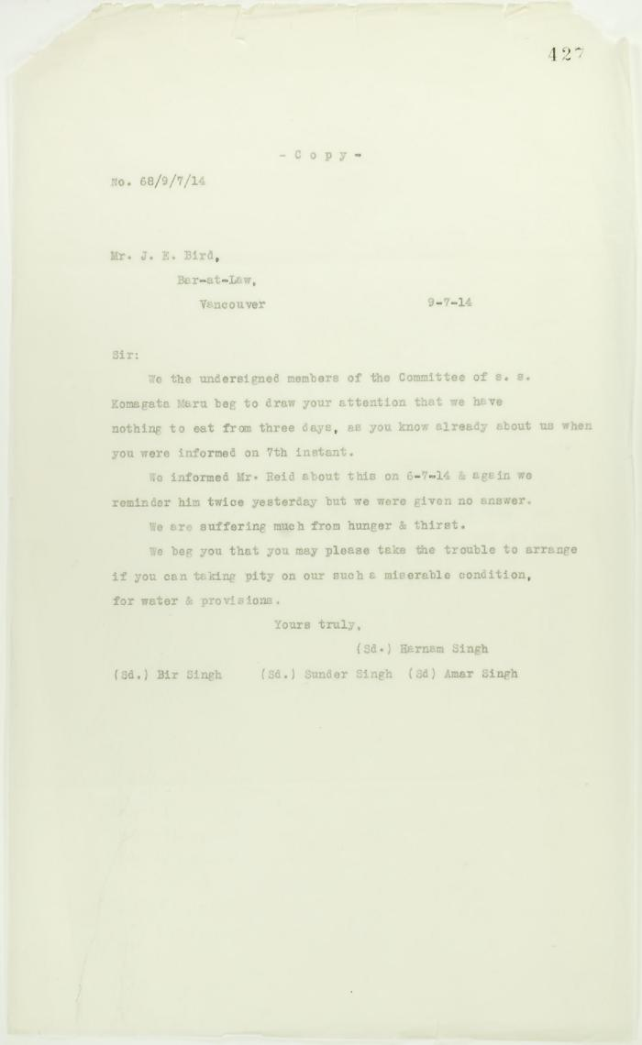
 | Copy of letter from passengers to J. E. Bird re hunger and thirst (2021_07_10720) | Page 427
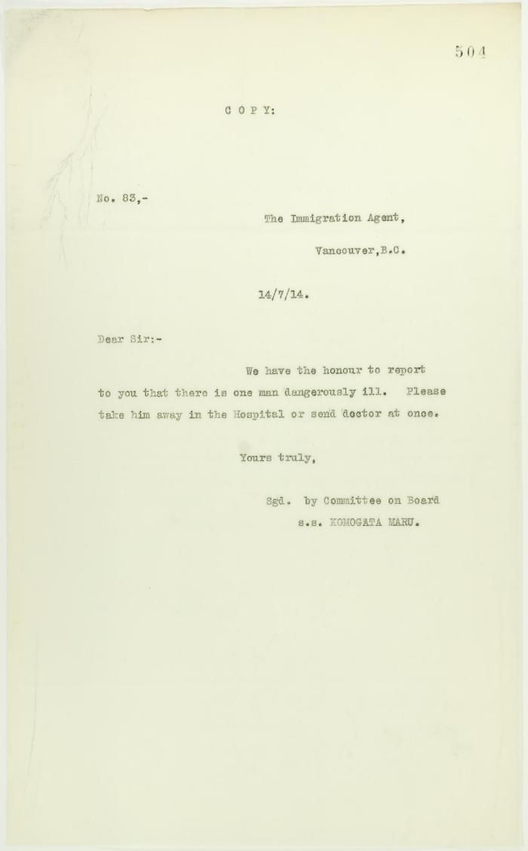
 | Copy of letter from Committee on ship to Reid re sickness (2021_07_10738) | Page 504
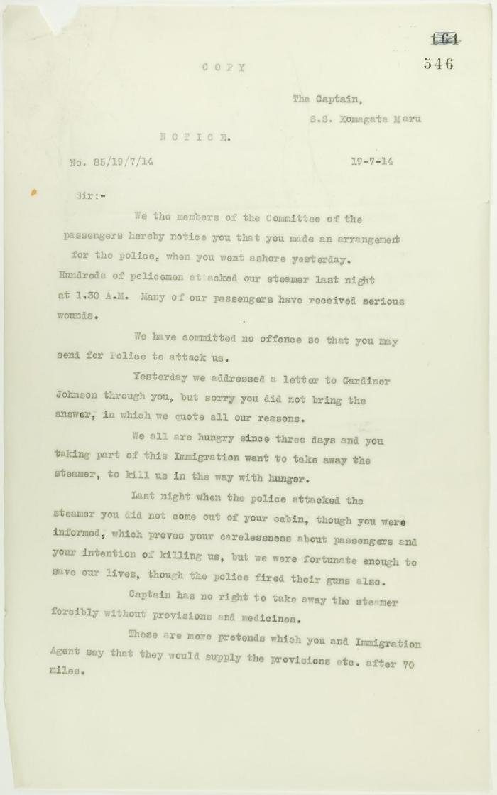
 | Copy of letter from committee of passengers to Capt. Yamamota re his arrangement with Vancouver police. Page 1-2 (2021_07_1048) | Page 546-549
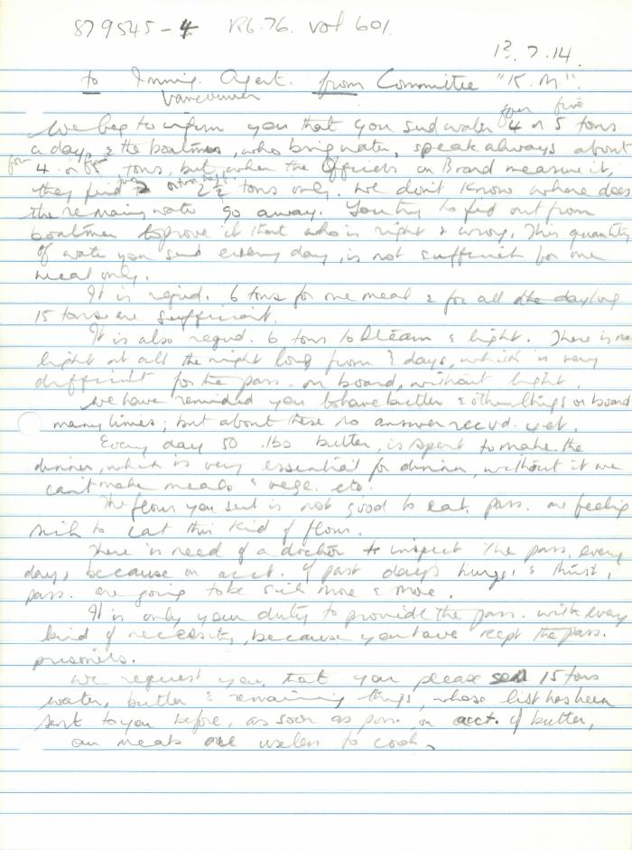
 | [Committee K. M. to Immigration Agent, Vancouver] (2021_07_10386) | Library and Archives Canada. RG76, Vol. 601, File 879545, pt. 4

