Results
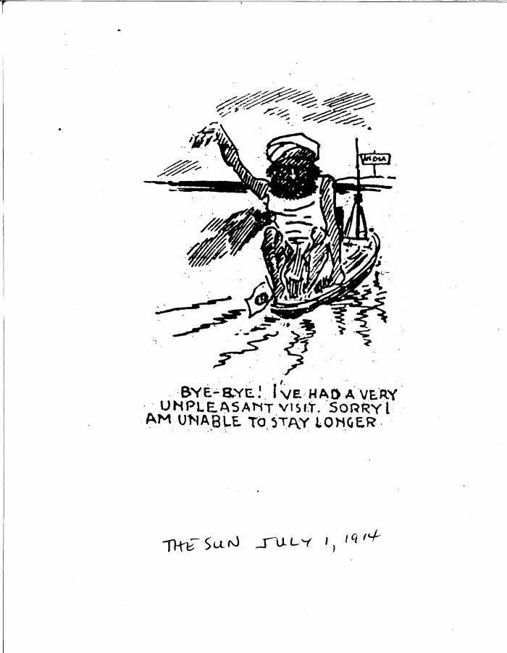
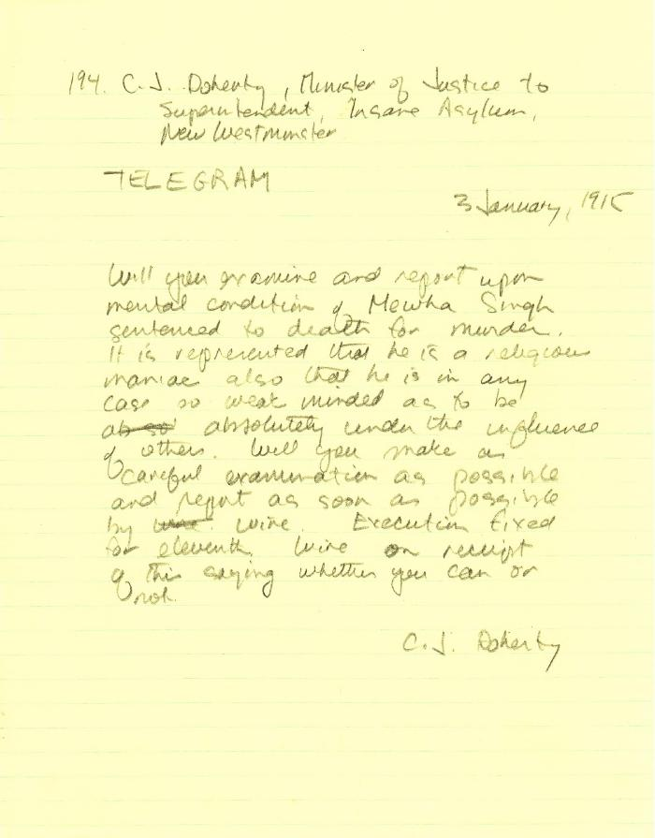
Image | Object | Description | Date
 | Bye-bye! I've had a very unpleasant visit. Sorry I am unable to stay longer. (2021_07_10822)
 | [Charles J. Doherty, Minister of Justice, to Superintendent, Insane Asylum, New Westminster, re mental condition of Mewa Singh] (2021_07_10353) | Library and Archives Canada. RG13, Vol. 1467
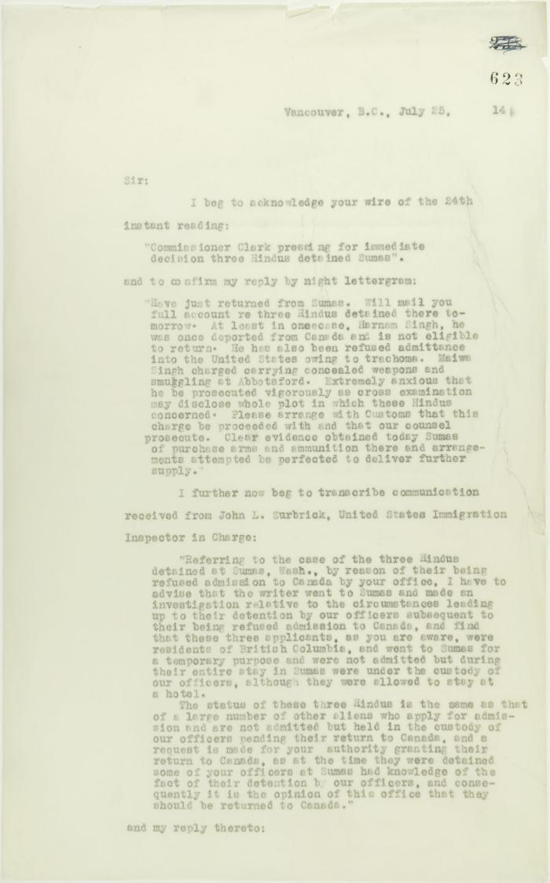
 | Copy of letter from Reid to W. D. Scott acknowledging wires sent and received, and re his visit to Sumas. Page 1-5 (2021_07_2053) | Page 623-627
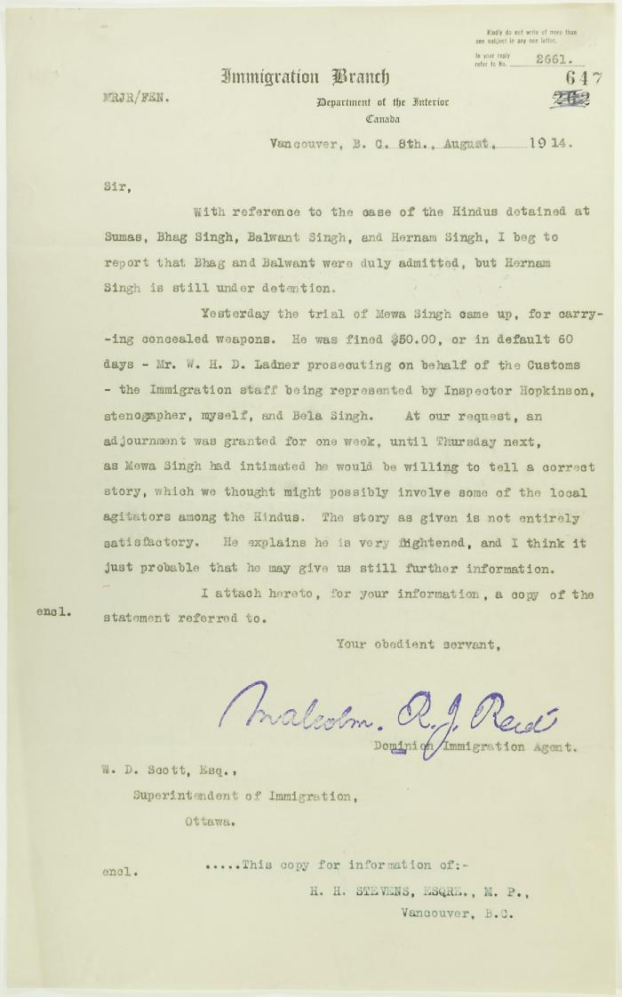
 | Copy of letter from Reid to W. D. Scott re Hindus detained at Sumas, and enclosing a statement by Mewa Singh (2021_07_10771) | Page 647
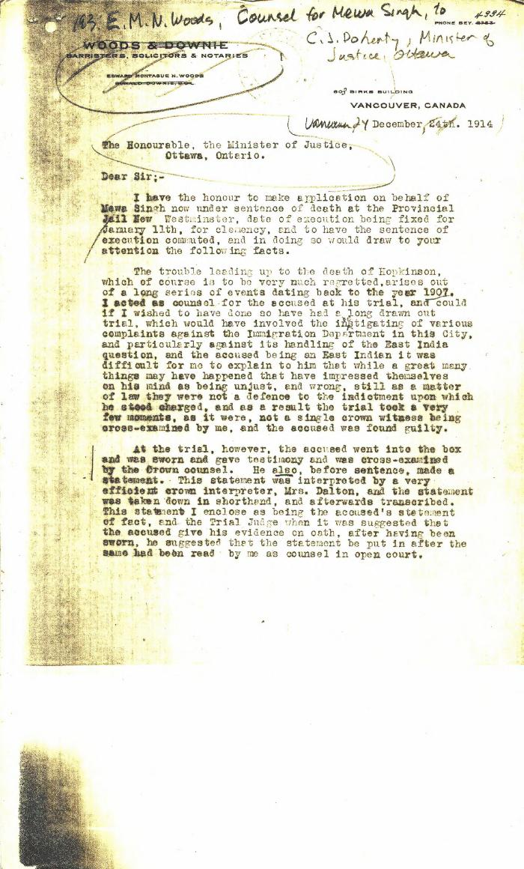
 | [E. M. N. Woods, lawyer, Woods & Downie, counsel for Mewa Singh, to Charles J. Doherty, Minister of Justice] (2021_07_4807) | Library and Archives Canada. RG13, Vol. 1467
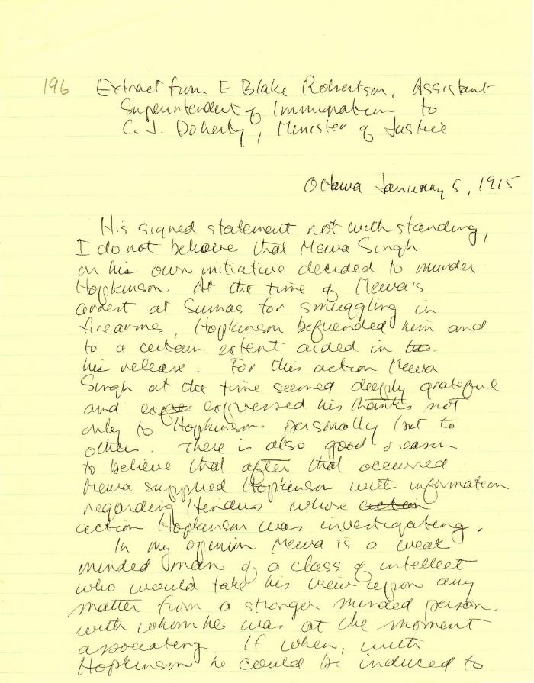
 | [Extract from E. Blake Robertson, Assitant Superintendent of Immigration, to Charles J. Doherty, Minister of Justice, Ottawa] (2021_07_4815) | Library and Archives Canada. RG13, Capital Case File: Murder of Hopkinson. Handwritten transcript
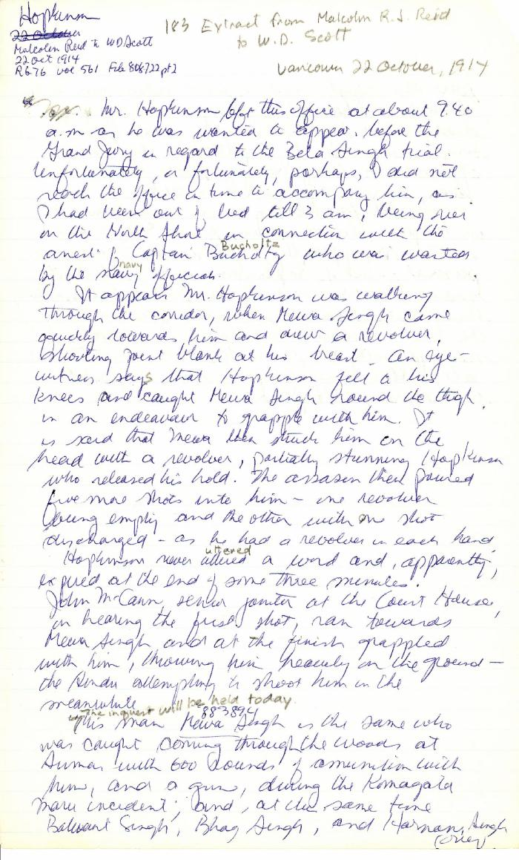
 | [Extract from Malcolm R. J. Reid, Dominion Immigration Agent, to William D. Scott, Superintendent of Immigration] (2021_07_4791) | Library and Archives Canada. RG76, Vol. 561, File 808722, pt. 2. Handwritten transcript
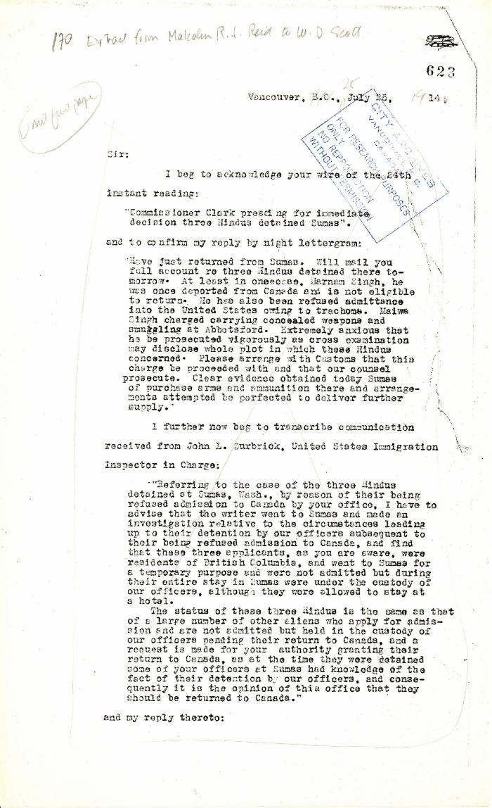
 | Extract from Malcolm R. J. Reid to W. D. Scott (2021_07_5208) | Pages 623-627

 | [Extract from statement given to Immigration Department by Bela Singh, Babu Singh, Ganga Ram and others. Copy] (2021_07_4812) | Library and Archives Canada. RG7-G-21, File 332, vol. 13 (a)
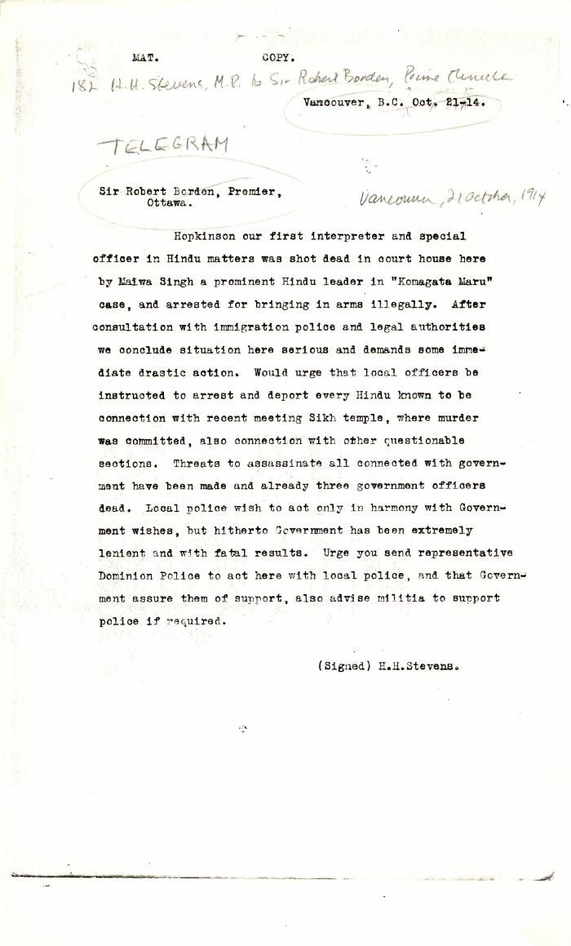
 | [H. H. Stevens, MP, Vancouver, to Robert Borden, Prime Minister, re murder of W. C. Hopkinson. Copy] (2021_07_10344) | Library and Archives Canada. RG76, Vol. 388, File 536999, pt. 1
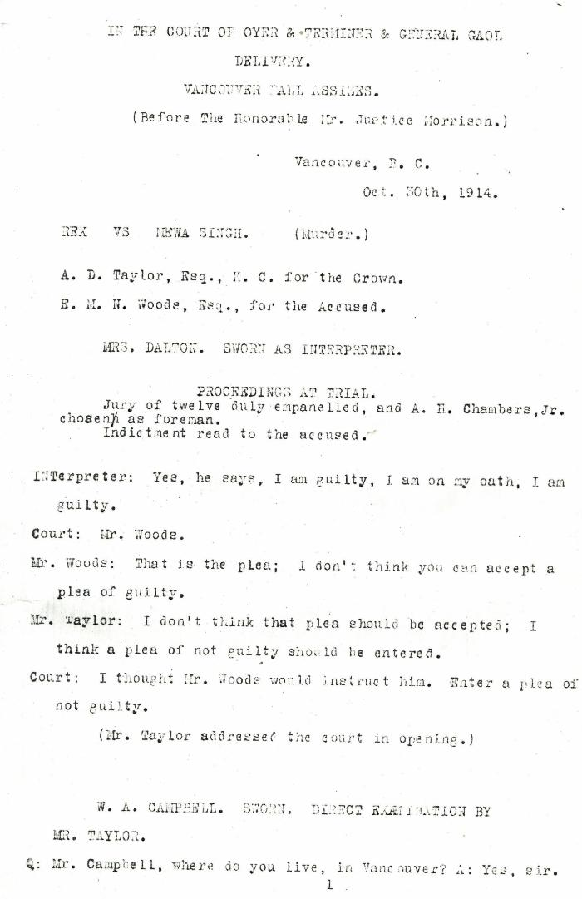
 | In the court of Oyer & Terminer & General Gaol Delivery. Vancouver Fall Assizes. (Before The Honorable Mr. Justice Morrison.) Vancouver, B.C. Oct. 30th, 1914. Rex vs. Mewa Singh. (Murder.) A. D. Taylor, Esq., K. C. for the Crown. E. M. N. Woods, Esq., for the Accused. [Proceedings at trial] (2021_07_5027)
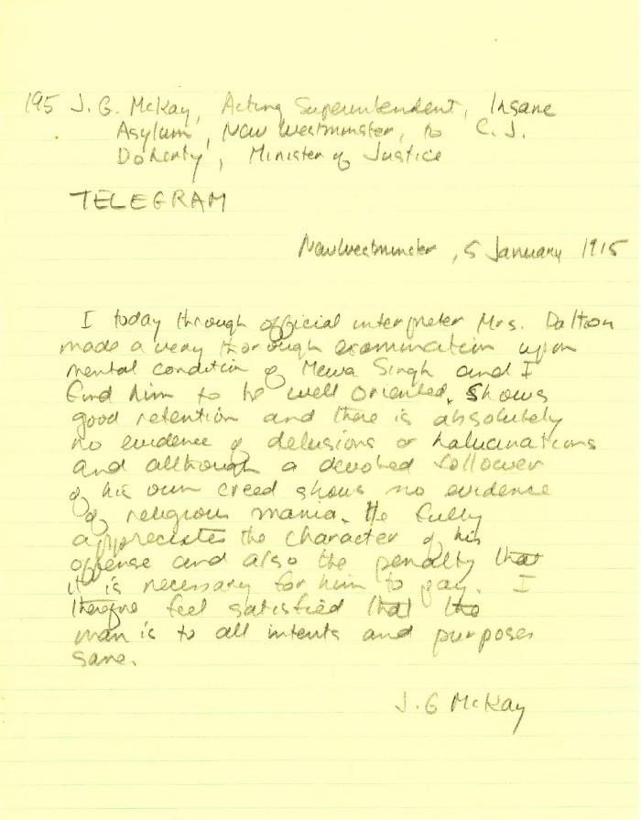
 | [J. G. Mackay, Acting Superintendent, Insane Asylum, New Westminster, to Charles J. Doherty, Minister of Justice, re mental condition of Mewa Singh] (2021_07_10354) | Library and Archives Canada. RG13, Vol. 1467
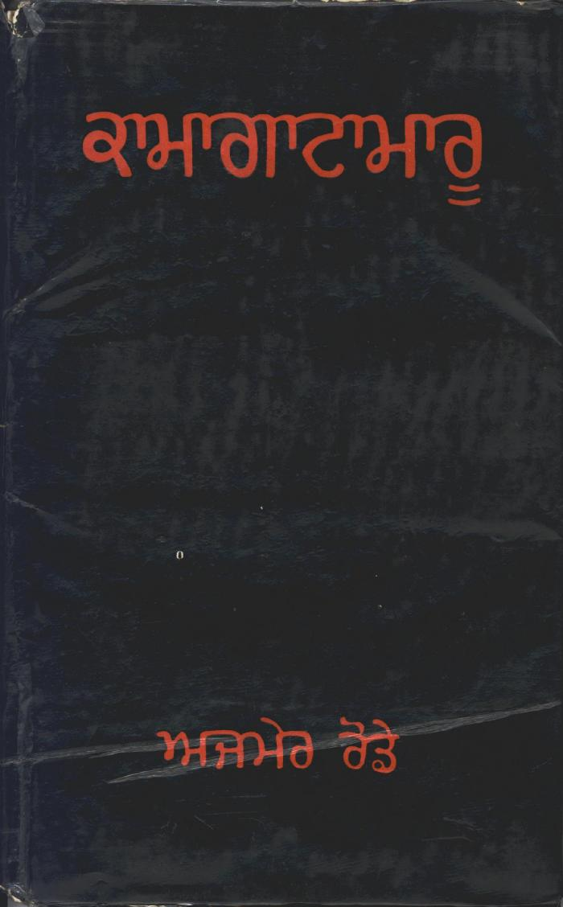
 | Kamagata Maru (full play) (2021_07_1495)
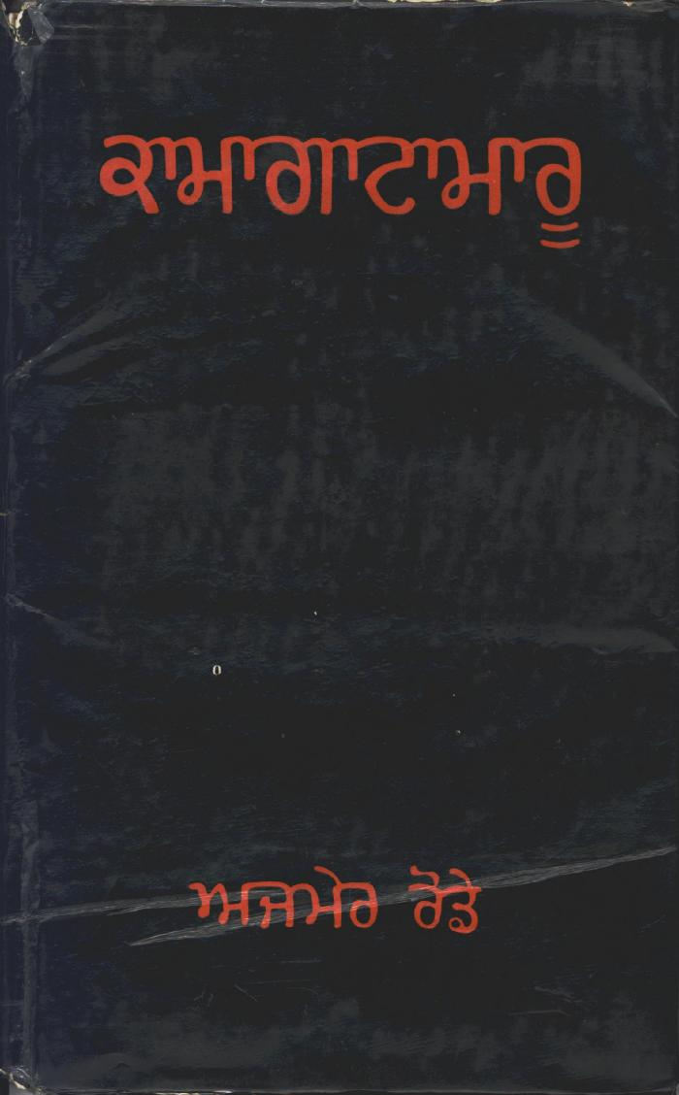
 | Kamagata Maru (full play) (2021_07_1878)
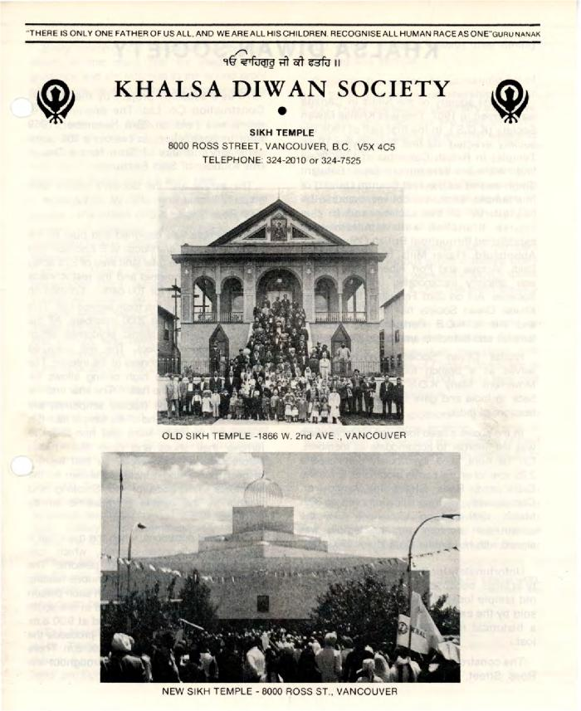
 | Khalsa Diwan Society (2020_04_004_036) | Pamplet detailing the history of the Khalsa Diwan Society in Vancouver. The piece was written by Sarbjit Singh Neel. On the cover there are two photographs: one of the old gurdwara in Vancouver, the second, a photograph of the gurdwara located on Ross Street in Vancouver. On the last page, there are photographs of Bhai Mewa Singh and Bhai Balwant Singh.

 | Khalsa Diwan Society [Diary], Vancouver, B.C. [: Volume 1 - English translation] (2021_07_10918) | The diary, volume one of two volumes, contains information on the activities of the Vancouver Khalsa Diwan Society between 1906 and 1924, as recorded by Secretary Arjan Singh Brar (Chand).
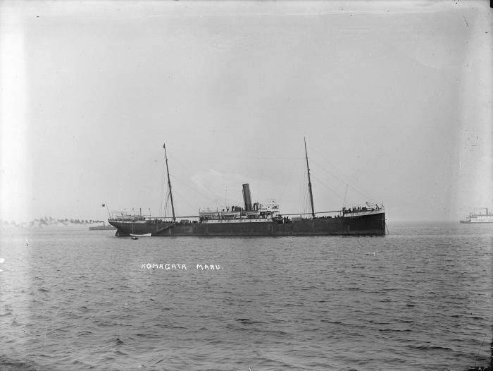 | ['Komagata Maru' in Vancouver harbour] (2021_07_10624) | City of Vancouver Archives. Item number LGN 1034
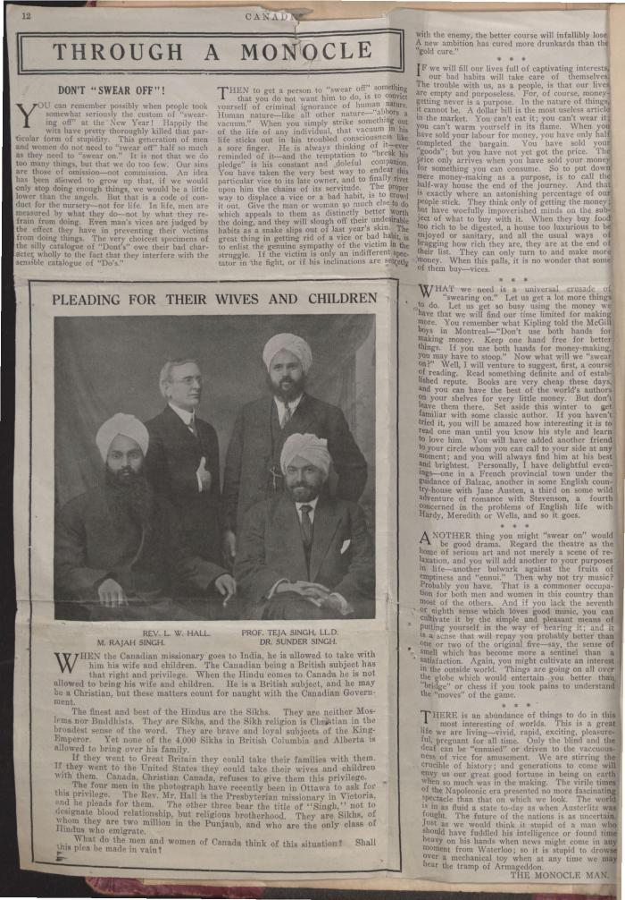
 | [Komagata Maru scrapbook] (2021_07_2181) | This scrapbook contains newspaper clippings related to the Komagata Maru incident, collected by Arjan Singh Chand.
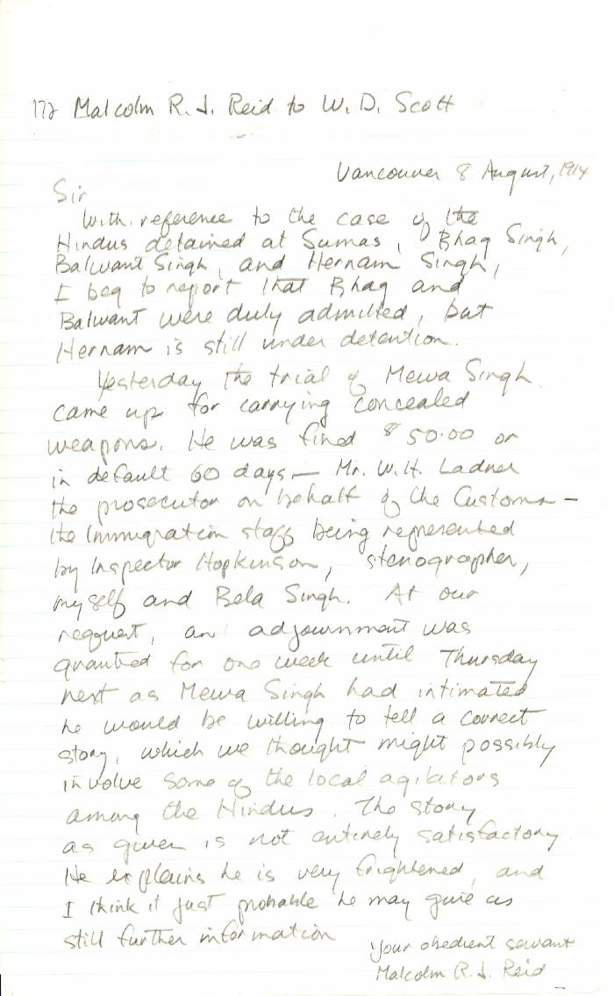
 | [Malcolm R. J. Reid, Dominion Immigration Agent, to William D. Scott, Superintendent of Immigration. Original] (2021_07_10342) | Library and Archives Canada. RG76, Vol. 387, File 536999, PEI RO
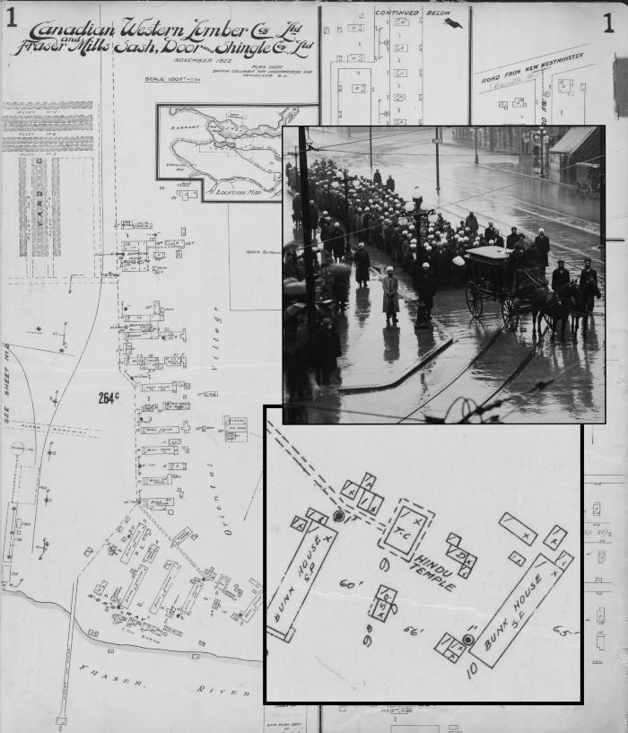
 | [Mewa Singh's funeral procession with maps in the background] (2021_08_01_024) | Map of Canadian Western Lumber Co. Ltd. and Fraser Mills Sash, Door and Shingle Co. Ltd. and a photograph of Mewa Singh's funeral procession in 1915.
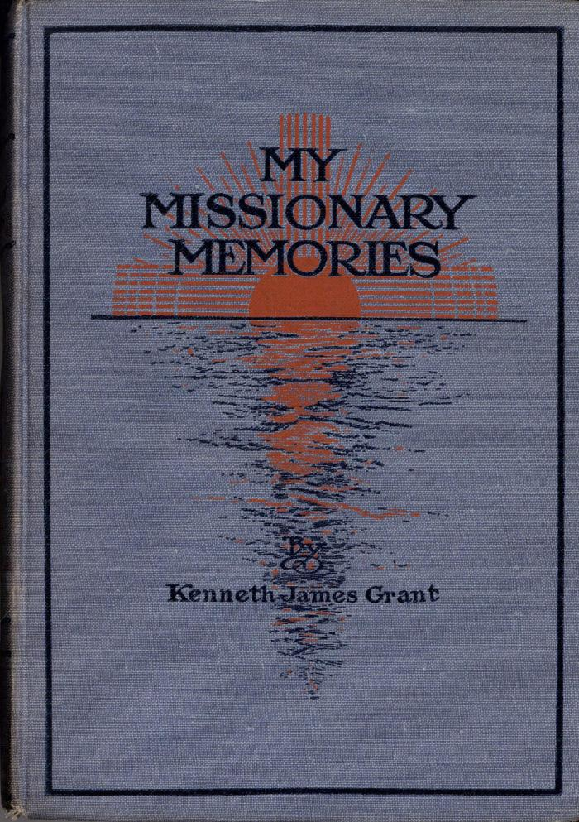
 | My Missionary Memories (Excerpts) (2021_07_6027)
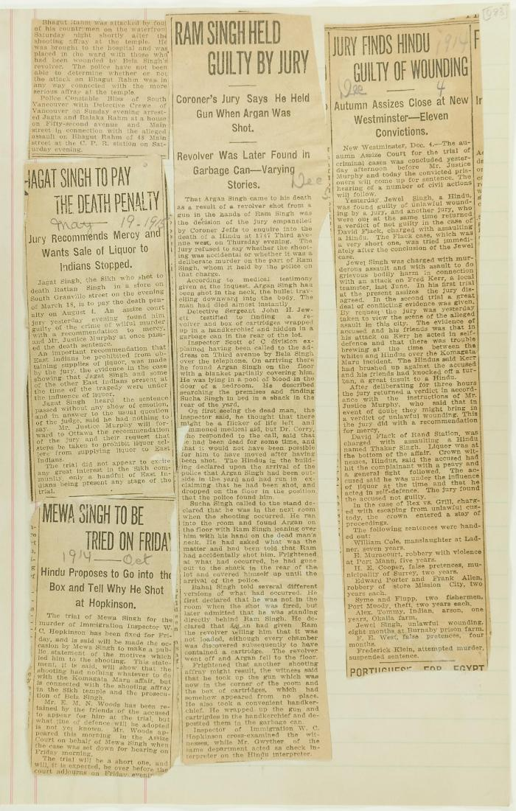
 | Newsclippings - Jagat Singh to pay the death penalty; Mewa Singh to be tried on Friday; Ram Singh held guilty by jury; Jury finds Hindu guilty of wounding (2021_07_10809)

 | Newsclippings - Lawyer warned he is to be killed; Jury charges Hopkinson's death to Mewa (2021_07_10797)

 | Newsclippings - Serious charge against Hindus; Charge of murder laid against Hindu; Hindu sues bank, queer story told; Three more Hindus (2021_07_10803)
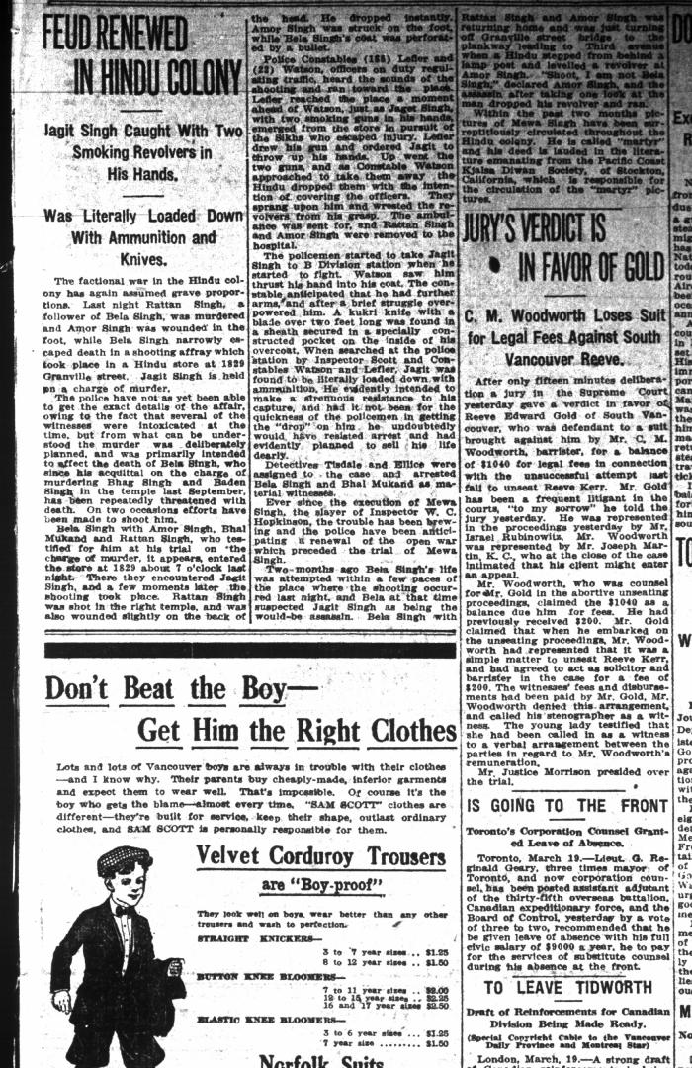
 | Newsclipping - Vancouver Daily Province: Feud renewed in Hindu colony. Page 3 (2021_07_10467)
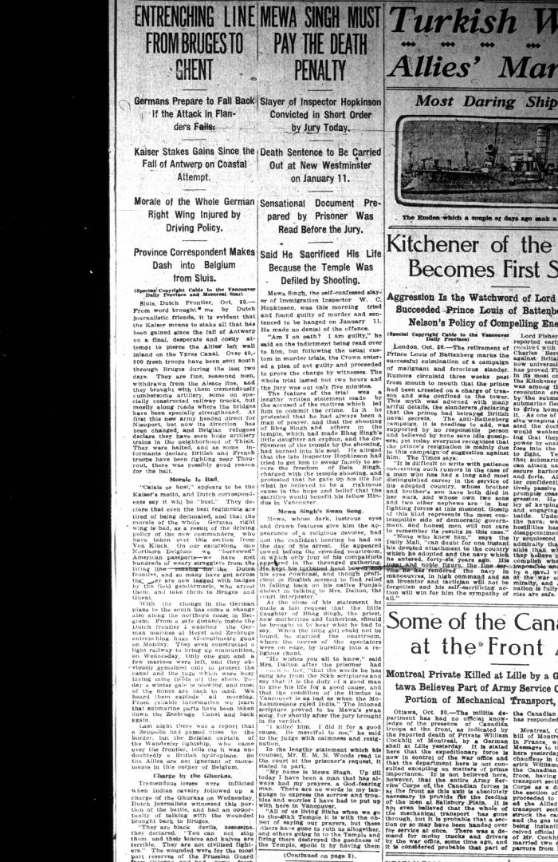
 | Newsclipping - Vancouver Daily Province: Mewa Singh must pay the death penalty (2021_07_5119)
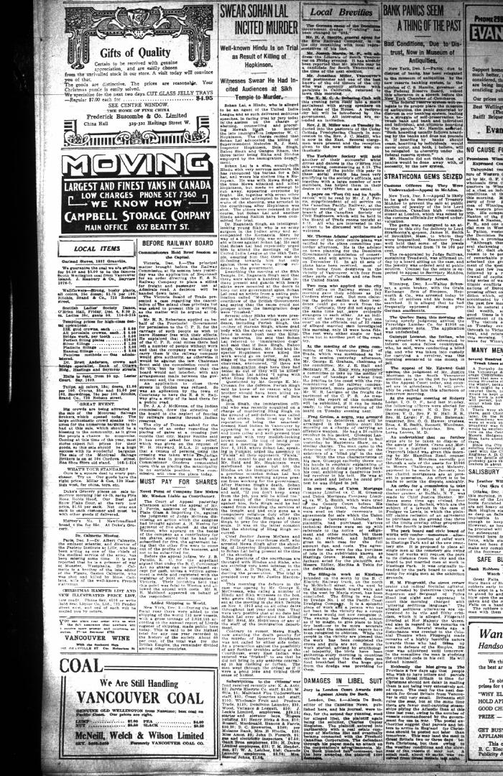
 | Newsclipping - Vancouver Daily Province: Swear Sohan Lal incited murder (2021_07_10464)
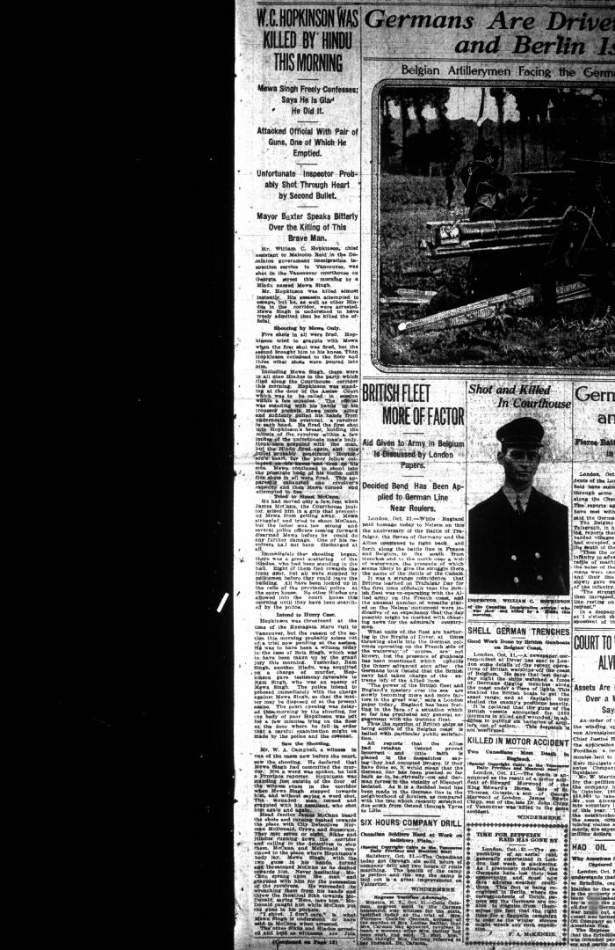
 | Newsclipping - Vancouver Daily Province: W. C. Hopkinson was killed by Hindu this morning (2021_07_5107)
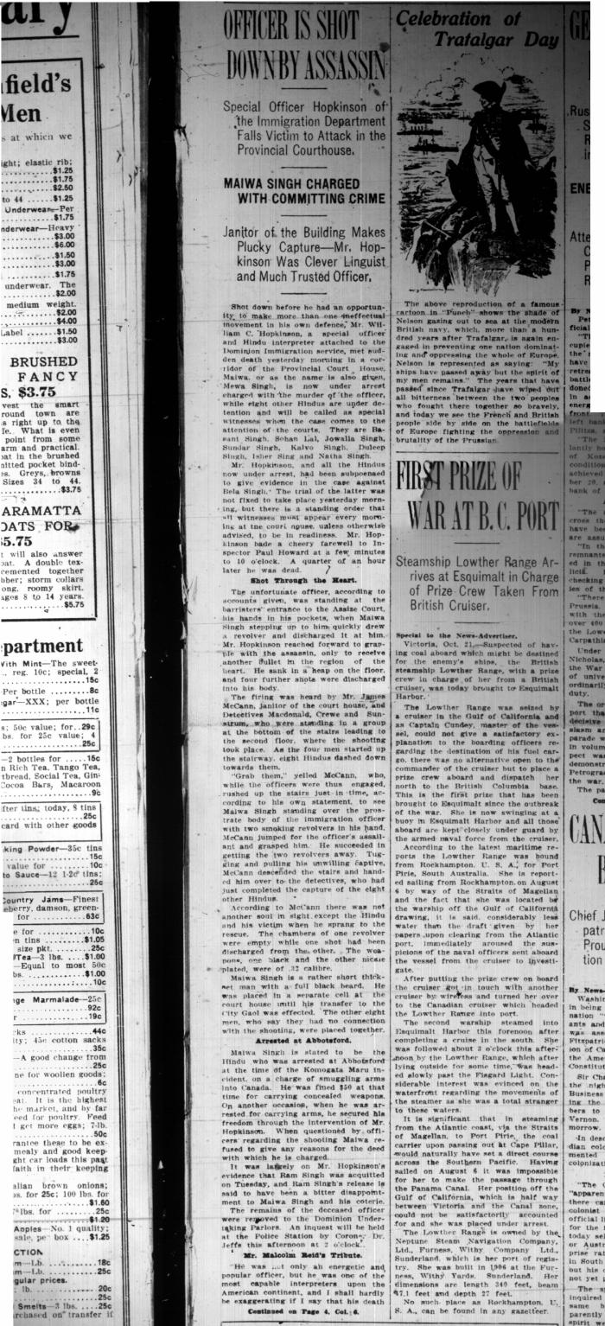
 | Newsclipping - Vancouver News-Advertiser: Officer is shot down by assassin (2021_07_5113)
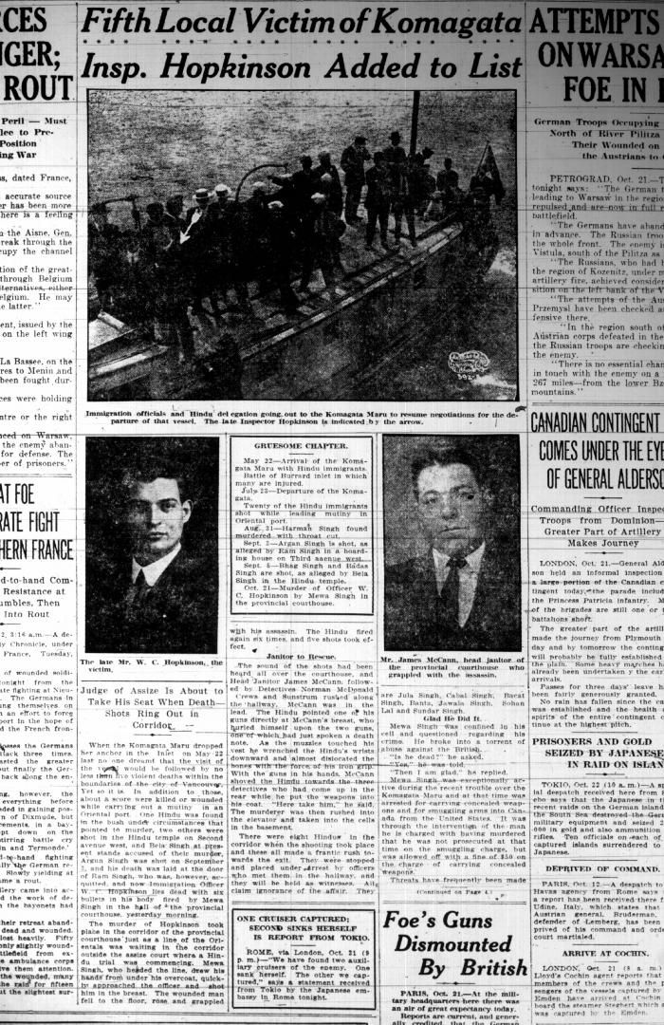
 | Newsclipping - Vancouver Sun: Fifth local victim of Komagata: Insp. Hopkinson added to list (2021_07_5110)
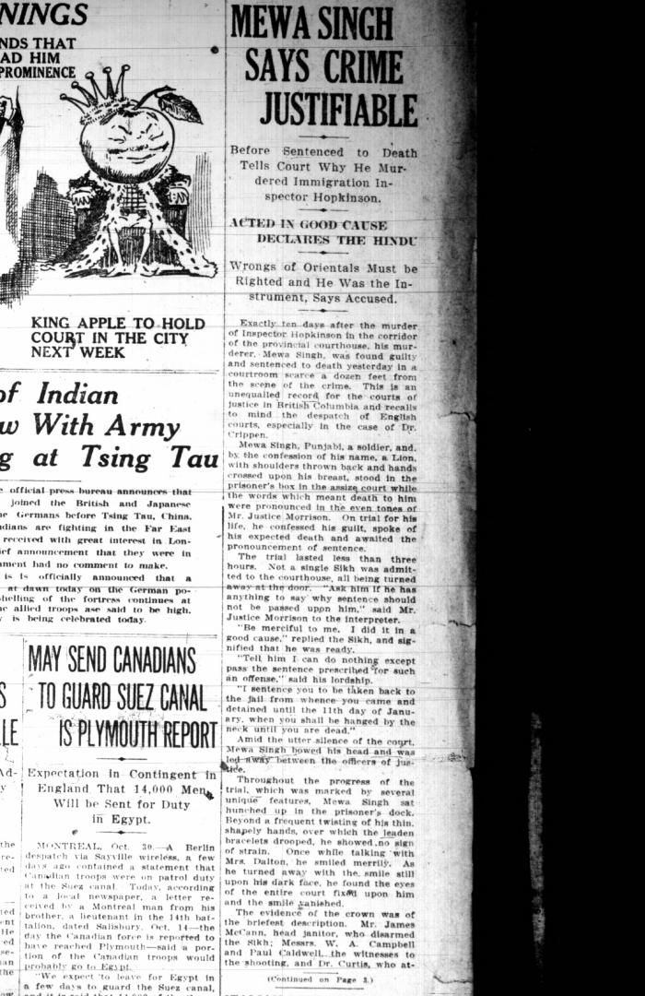
 | Newsclipping - Vancouver Sun: Mewa Singh says crime justifiable (2021_07_5122)
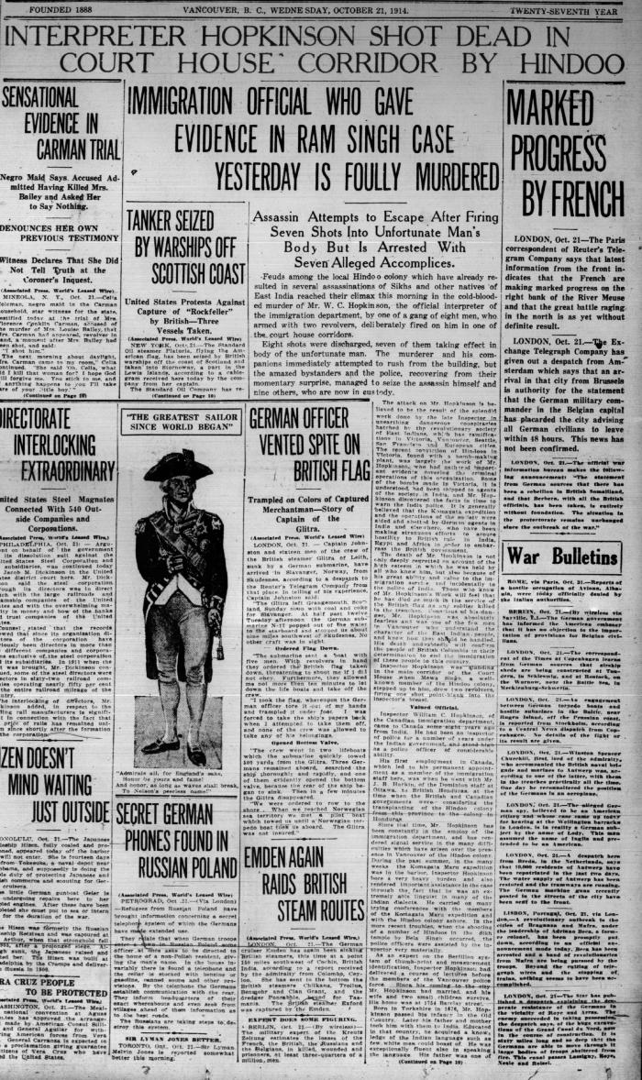
 | Newsclipping - Vancouver World: Inspector Hopkinson shot dead in court house corridor by Hindoo (2021_07_5383)
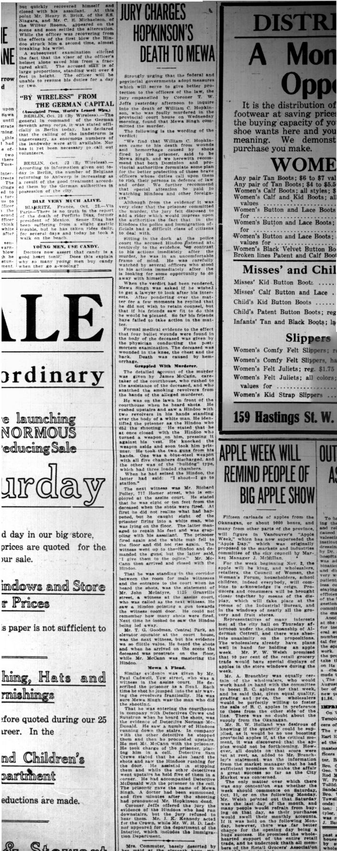
 | Newsclipping - Vancouver World: Jury charges Hopkinson's death to Mewa (2021_07_10453)
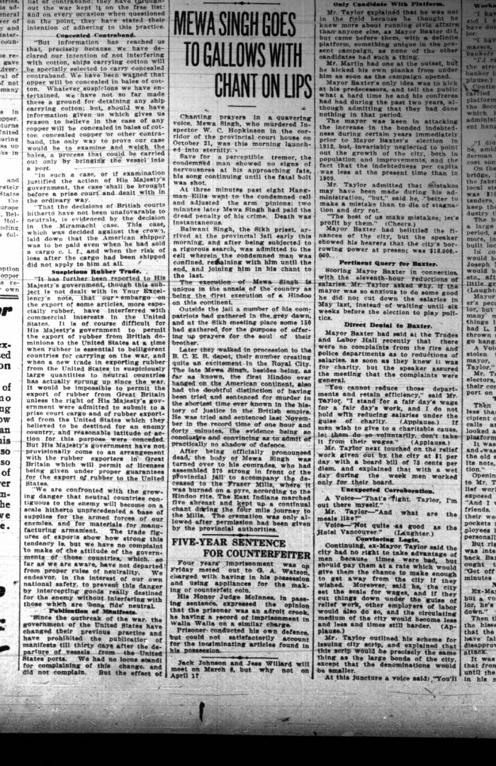
 | Newsclipping - Vancouver World: Mewa Singh goes to gallows with chant on lips. Page 2 (2021_07_10466)
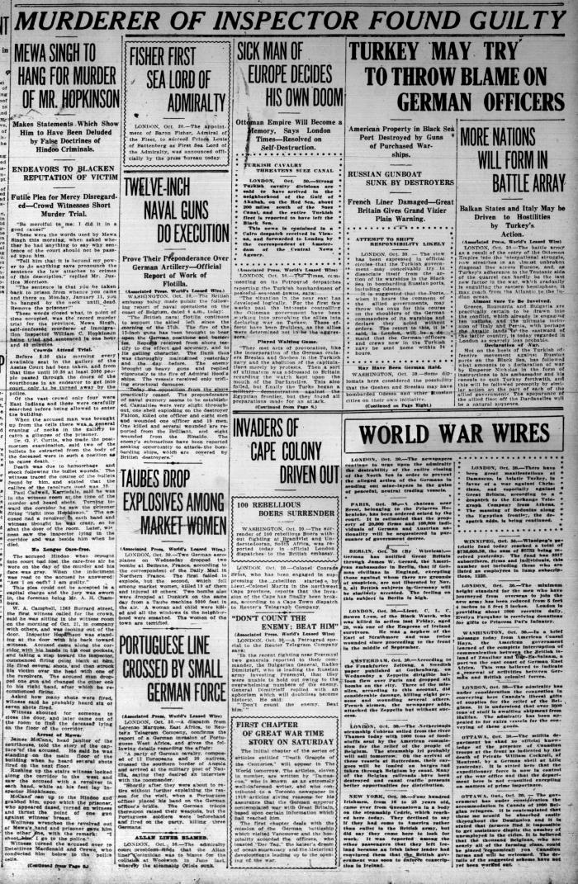
 | Newsclipping - Vancouver World: Muder of Inspector found guilty (2021_07_5116)
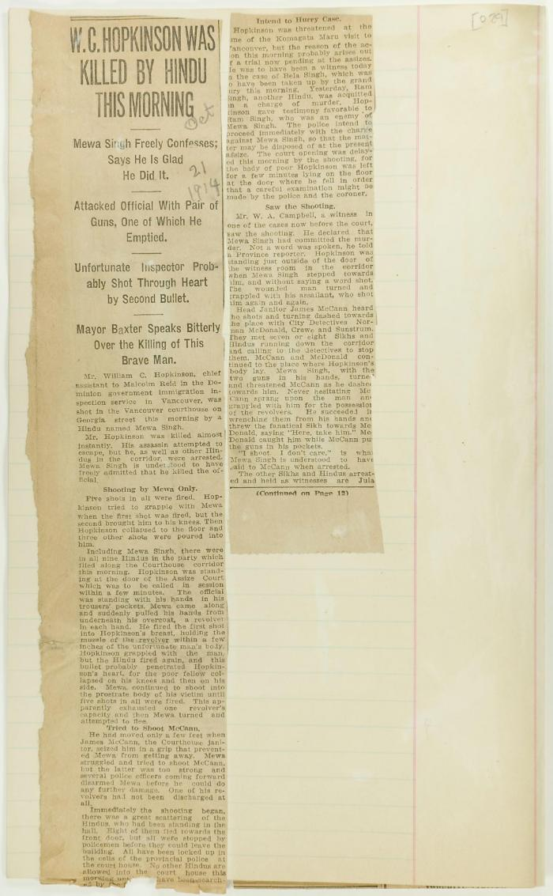
 | Newsclipping - W. C. Hopkinson was killed by Hindu this morning (2021_07_3309) | Page 029-031
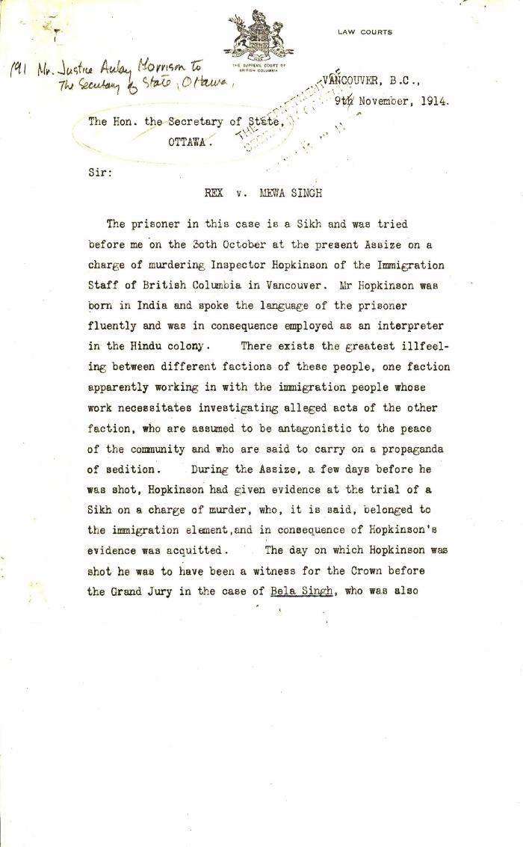
 | Rex v. Mewa Singh [Aulay Morrison, judge, to Louis Coderre, Secretary of State for Canada] (2021_07_4797) | Library and Archives Canada. RG13, Vol. 1467
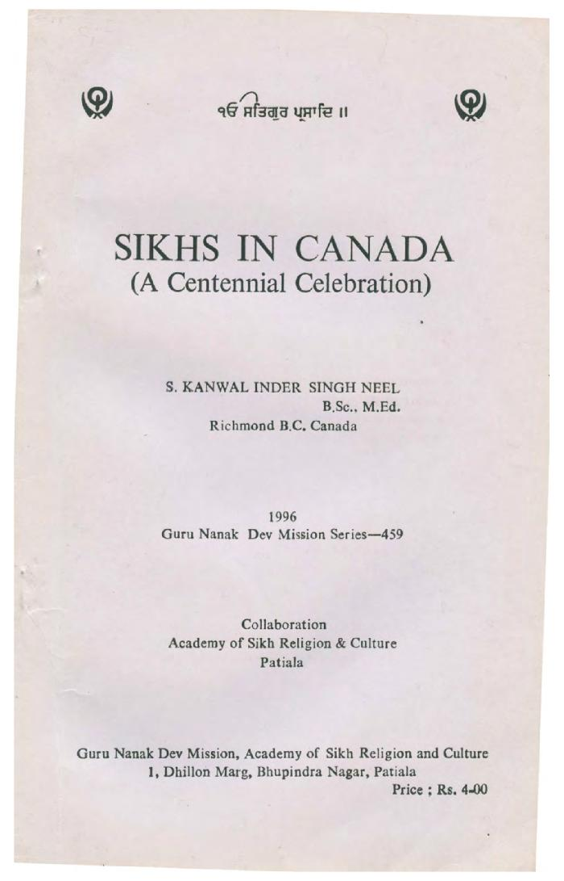
 | Sikhs in Canada (a centennial celebration) (2020_04_006_001) | Booklet written by Kanwal Singh Neel about the history of Sikhs in Canada. The book contains information on ten events important to Canadian Sikhs and includes a timeline of Sikh Canadian history.

 | Statement by Mewa Singh (see p. 647). Page 1-2 (2021_07_2294) | Page 648-649
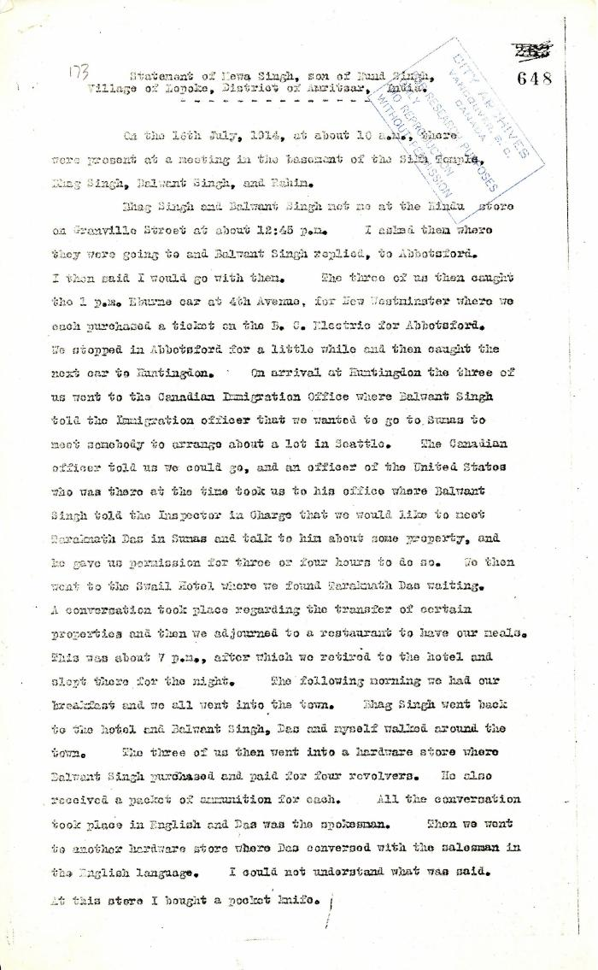
 | Statement of Mewa Singh, son of Nand Singh, Village of Lopoke, District of Amritsar, India (2021_07_5211) | Pages 648-649
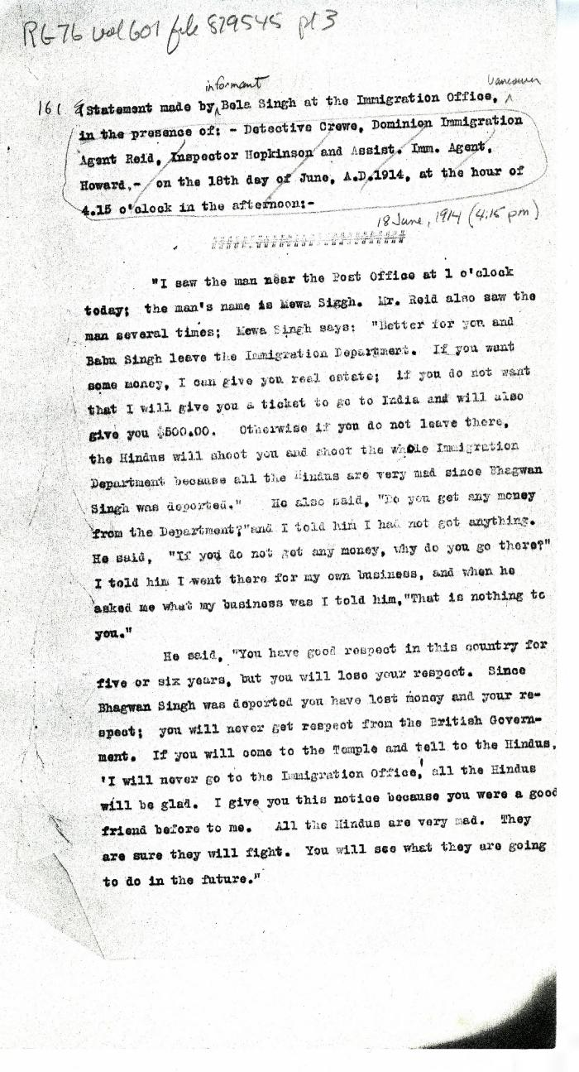
 | Statement[s] made by Bela Singh [and Babu Singh] at the Immigration Office, in the presence of: Detective Crewe, Dominion Immigration Agent Reid, Inspector Hopkinson and Asst. Imm. Agent Howard, on the 18th day of June, A.D. 1914, at the hour of 4.15 o'clock in the afternoon (2021_07_4964) | Library and Archives Canada. RG76, Vol. 601, File 879545, pt. 3

