Results
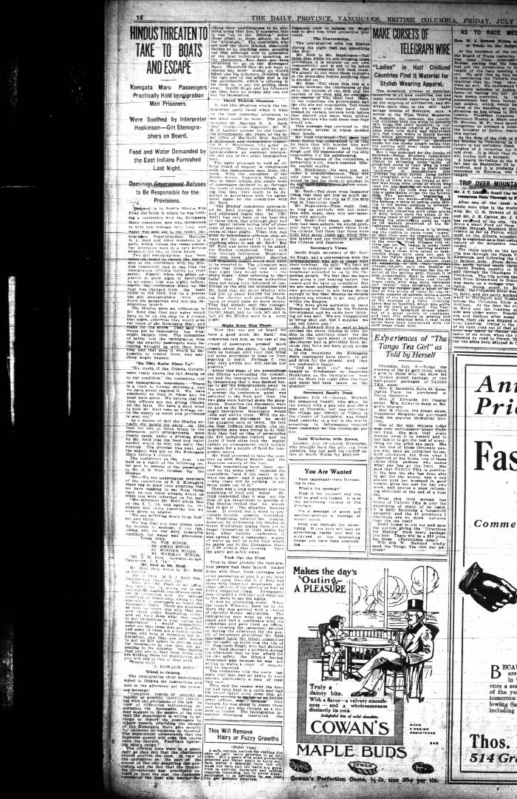
Image | Object | Description | Date
 | Newsclipping - Vancouver Daily Province: Hindus threaten to take to boats and escape (2021_07_10497)

