Results
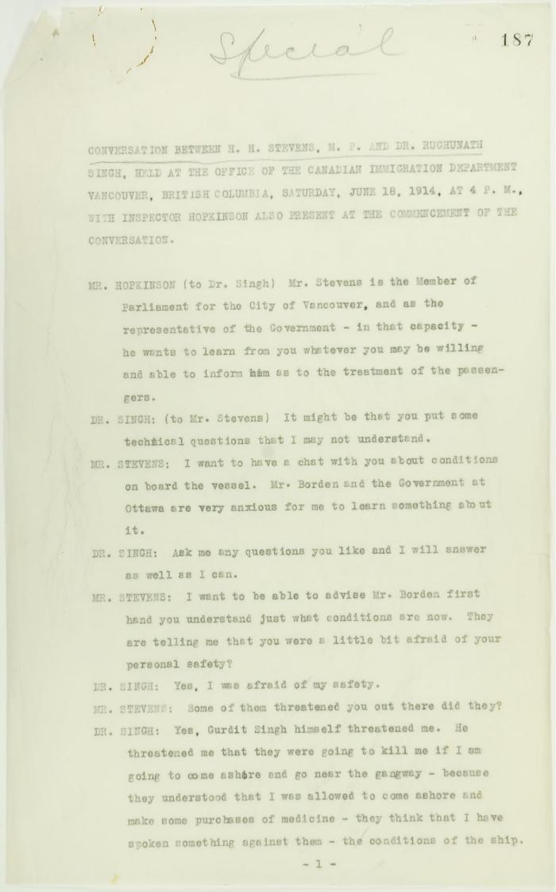
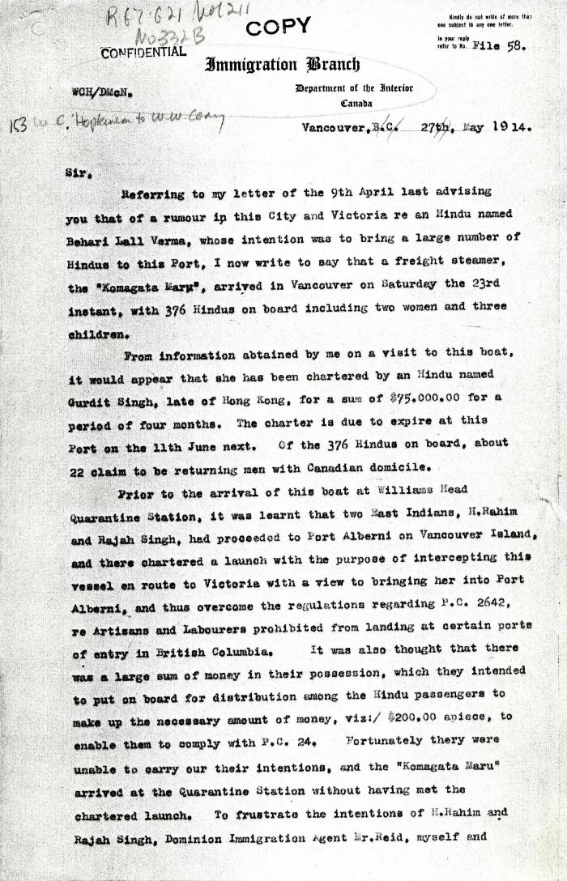
Image | Object | Description | Date
 | Conversation between H. H. Stevens, M.P., and Dr. Rughunath Singh, held at the Office of the Canadian Immigration Department, Vancouver, with Inspector Hopkinson also present at the commencement of the conversation. Page 1-11 (2021_07_9462) | Page 187-219
 | [Extract from William C. Hopkinson, Immigration Inspector, to William W. Cory, Deputy Minister of the Interior. Copy] (2021_07_4611) | Library and Archives Canada. RG7-G021, Vol. 211, File 332 B
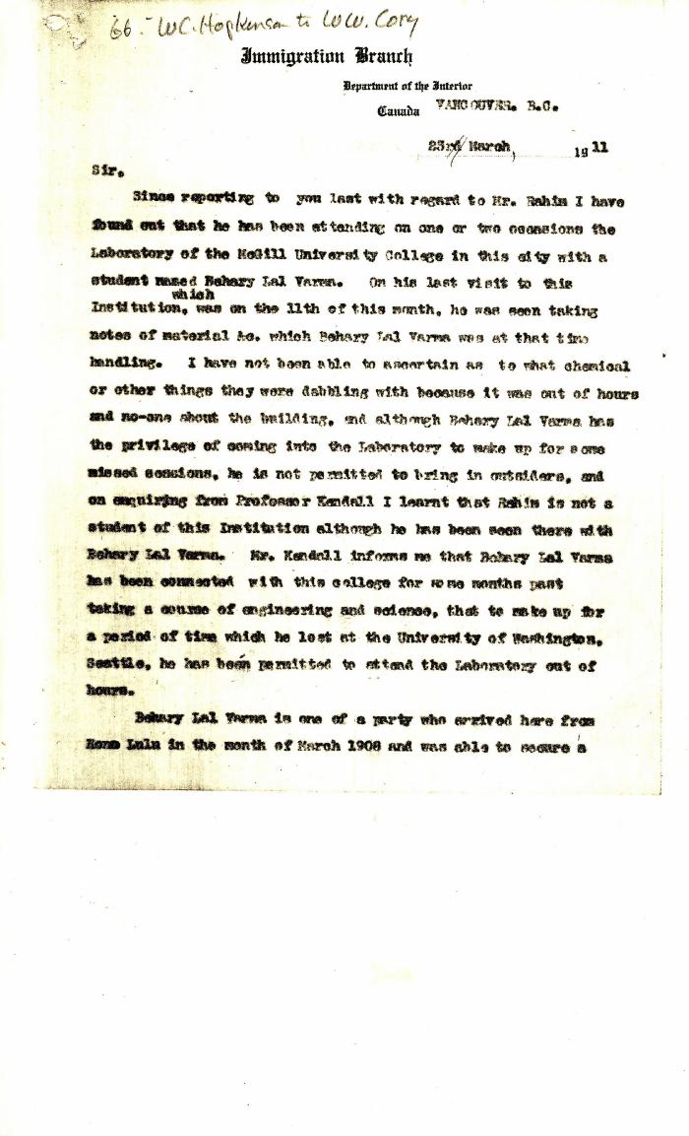
 | [Extract from William C. Hopkinson to William W. Cory. Copy] (2021_07_4372) | Library and Archives Canada. RG7-G-21, Vol. 201, File 332, vol. 4
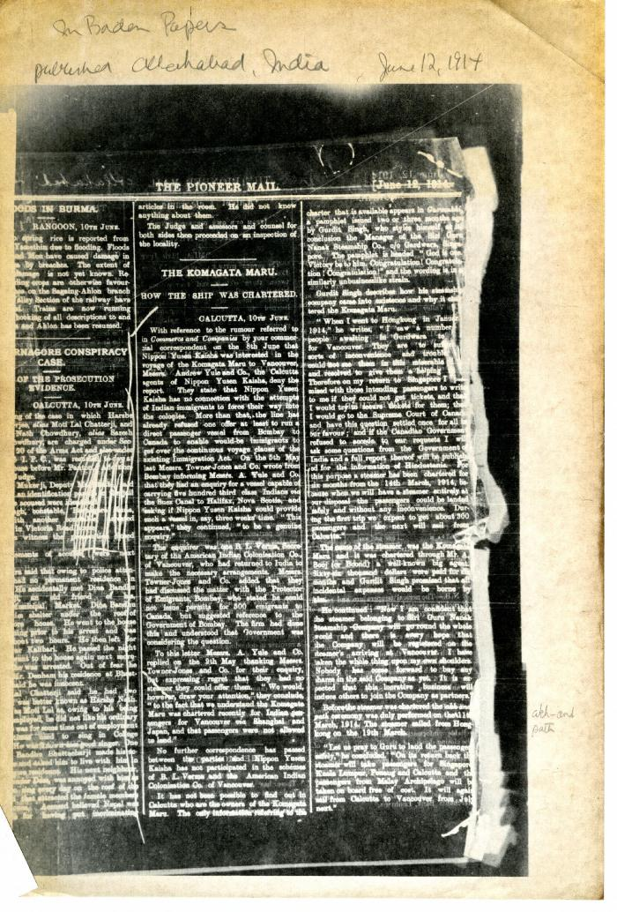
 | Newsclipping - Pioneer Mail: The Komagata Maru: how the ship was chartered (2021_07_10437) | Library and Archives Canada. Borden Papers
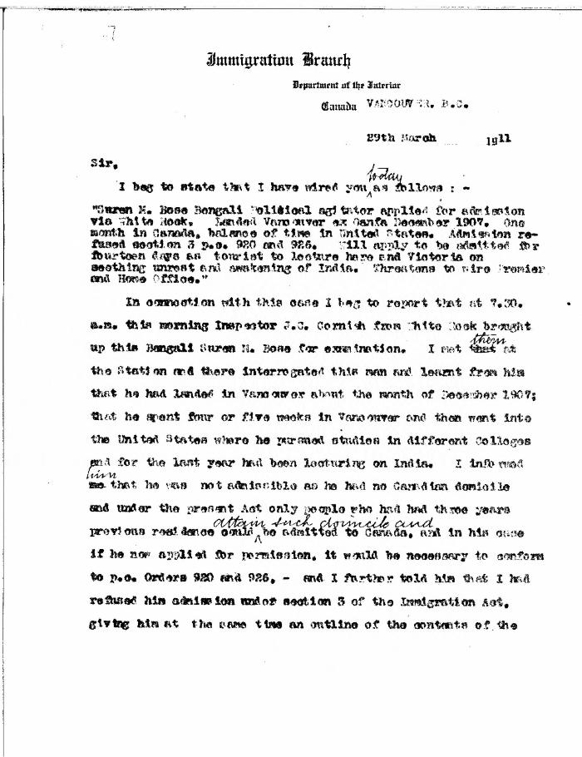
 | [William C. Hopkinson, Immigration Inspector, to William W. Cory, Deputy Minister of the Interior] (2021_07_4376) | Library and Archives Canada. RG7-G-21, Vol. 201, File 332, vol. 4

