Results
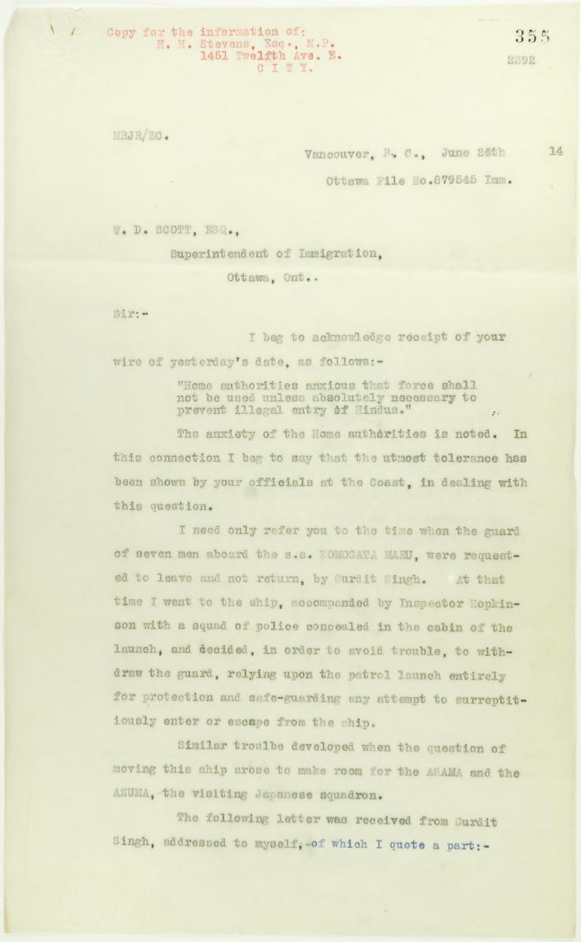
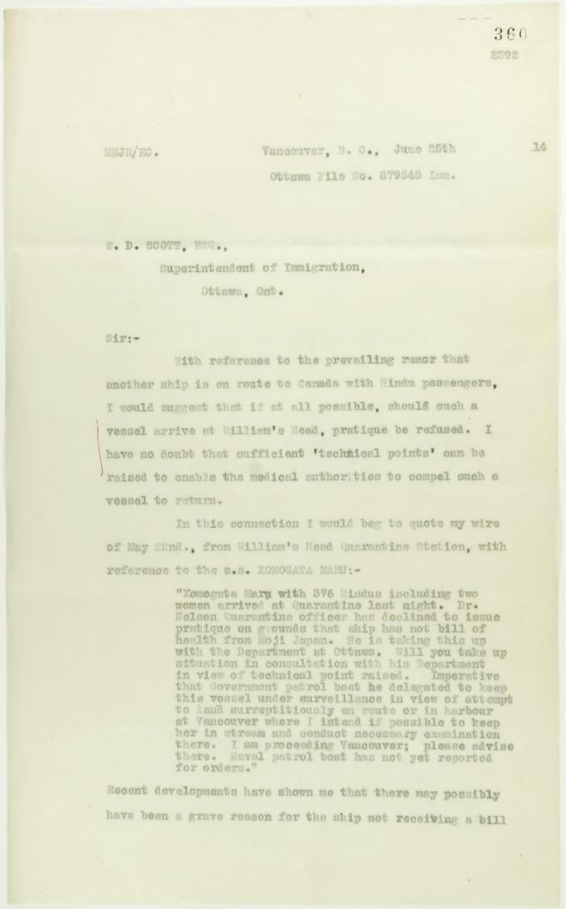
Image | Object | Description | Date
 | Copy of letter from Reid to W. D. Scott re inadvisability of use of force. Page 1-2 (2021_07_3) | Page 355-356
 | Copy of letter from Reid to W. D. Scott re rumoured arrival of a letter from Daljit Singh to the Immigration Agent. Page 1-2 (2021_07_6) | Page 360-361
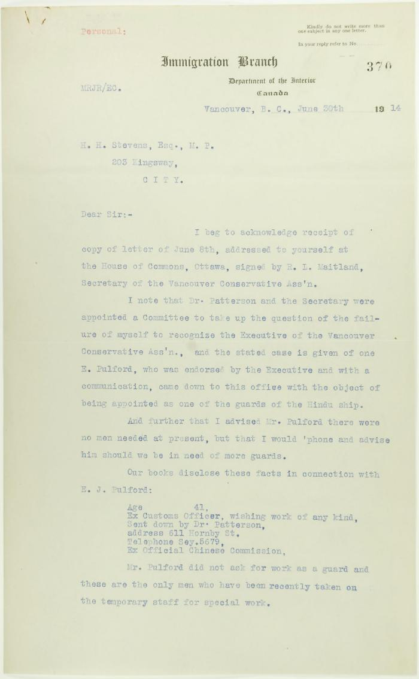
 | Letter from Reid to Stevens, answering complaints of the Vancouver Conservative Association. Page 1-5 (2021_07_15) | Page 370-374

 | Copy of letter from Reid to W. D. Scott re Japanese insistence that they had no connection with the enterprise, and enclosing correspondence re recent incidents. Page 1-5 (2021_07_298) | Page 381-385

 | [Correspondence re recent incidents (see pp. 381-385)] Page 1-3 (2021_07_320) | Page 386-406

 | Copy of letter from Reid to W. D. Scott re activities of J. E. Bird. Page 1-3 (2021_07_324) | Page 409-411

 | [Copy of letters enclosed with pp. 409-411 - letter from Reid to W. D. Scott re activities of J. E. Bird] (2021_07_604) | Page 412-413
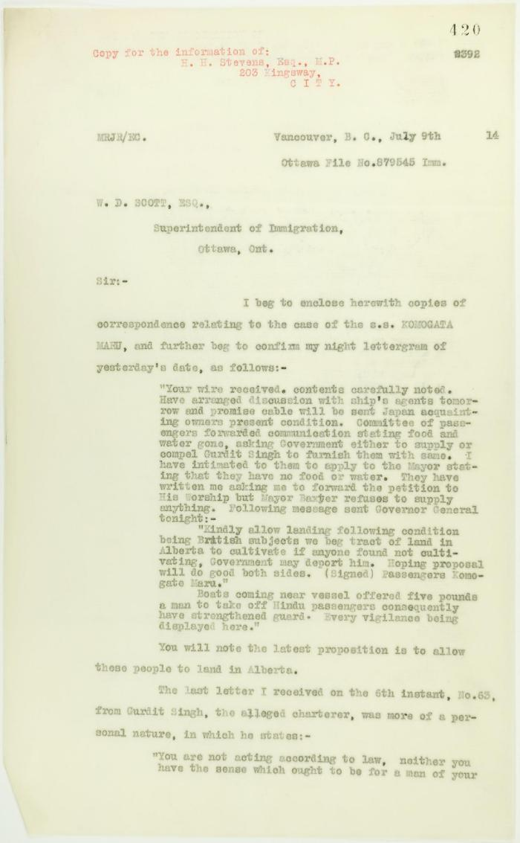
 | Copy of letter from Reid to W. D. Scott enclosing recent correspondence. Page 1-2 (2021_07_681) | Page 420-421

 | Copy of letter from Reid to W. D. Scott re final arrangements for ship's departure. Page 1-2 (2021_07_1016) | Page 530-531
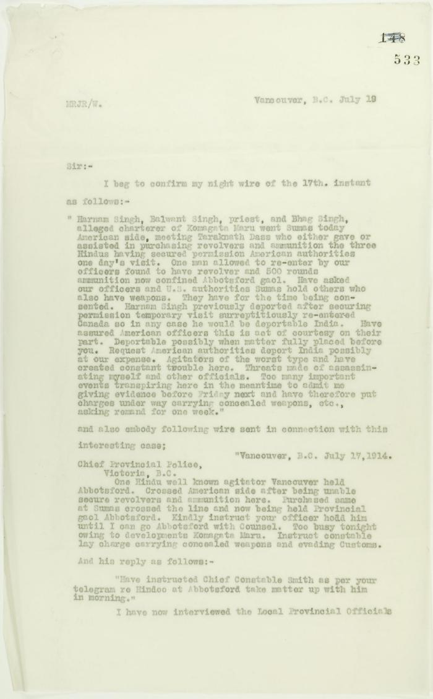
 | Copy of letter from Reid to W. D. Scott confirming telegrams re purchase of revolvers by Hindus. Page 1-2 (2021_07_1040) | Page 533-534
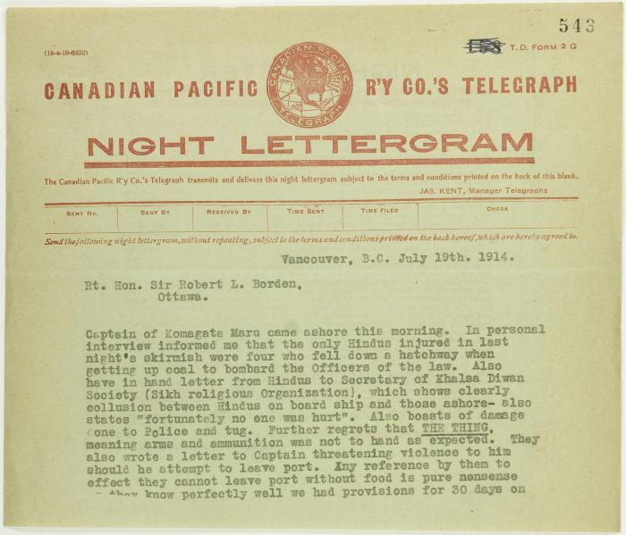
 | Copy of telegram from Stevens to R. L. Borden re skirmishes (2021_07_1043) | Page 543-544
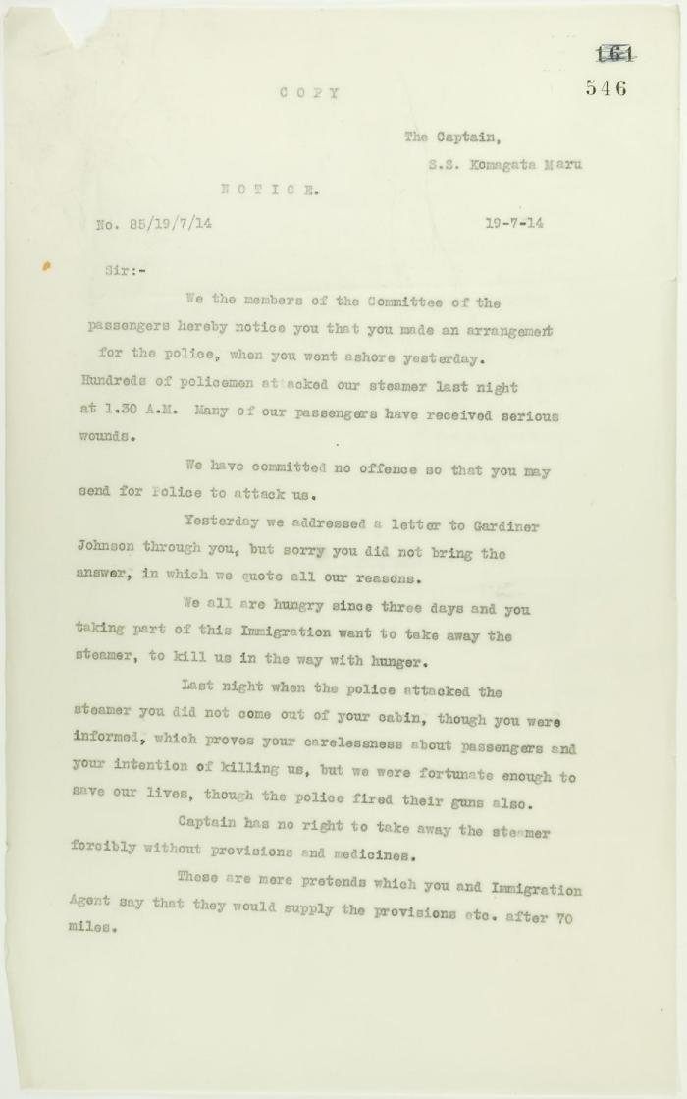
 | Copy of letter from committee of passengers to Capt. Yamamota re his arrangement with Vancouver police. Page 1-2 (2021_07_1048) | Page 546-549

 | Copy of address to the Secretary of the Sikh Temple, Vancouver, unsigned. Page 1-6 (2021_07_1216) | Page 550-555
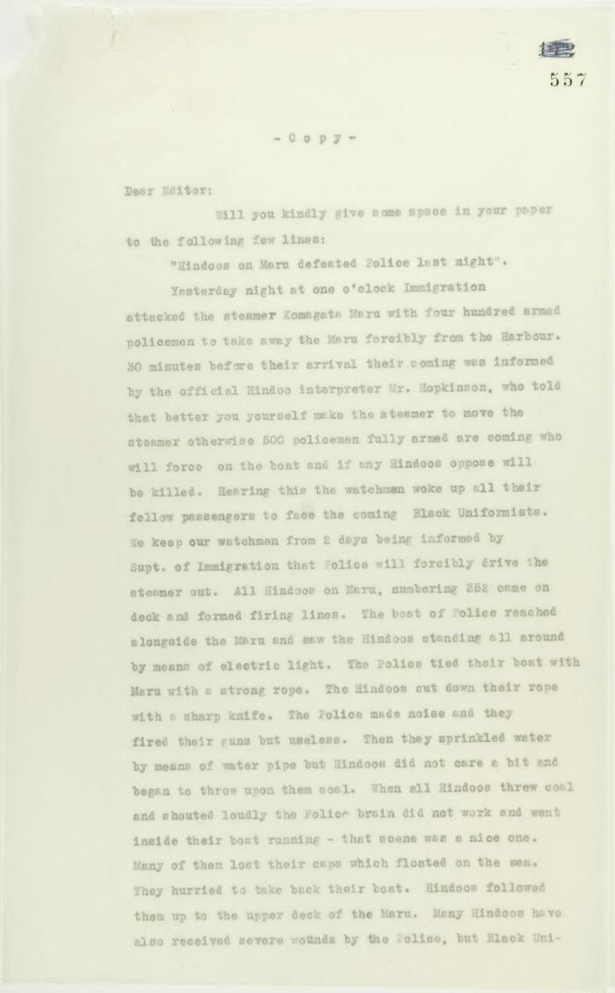
 | For submission to newspapers, ""Hindoos on Maru defeated police last night,"" signed ""A Passenger."" Page 1-2 (2021_07_1219) | Page 557-558
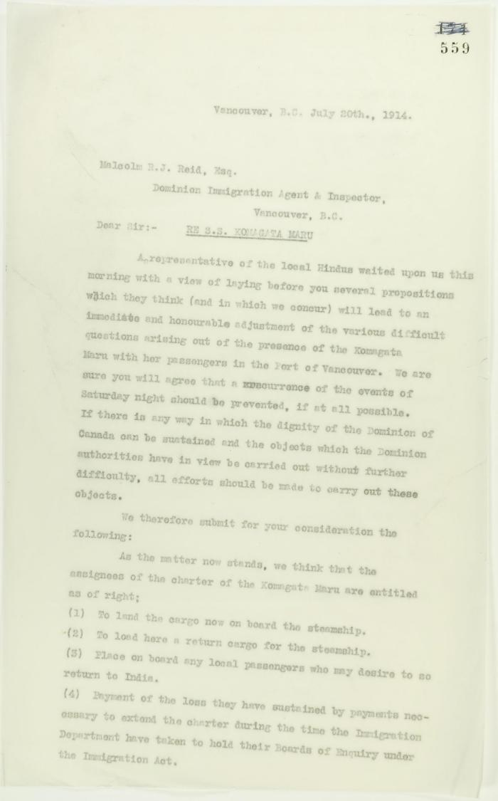
 | Copy of letter from A. H. McNeill, acting for several local Hindus re avoidance of further skirmishes, address to Reid. Page 1-3 (2021_07_1279) | Page 559-561
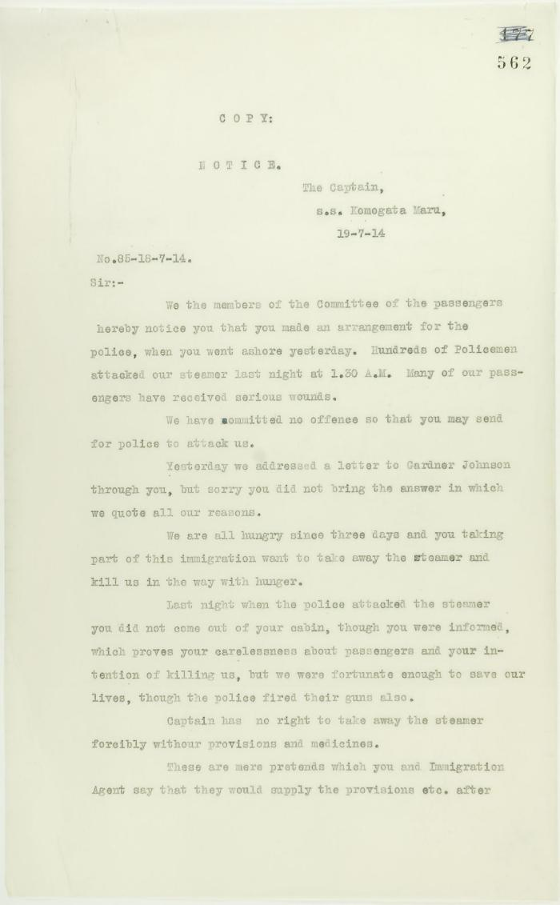
 | See pp. 546-547. Page 1-2 [Copy of letter from committee of passengers to Capt. Yamamota re his arrangement with Vancouver police] (2021_07_1282) | Page 562-563
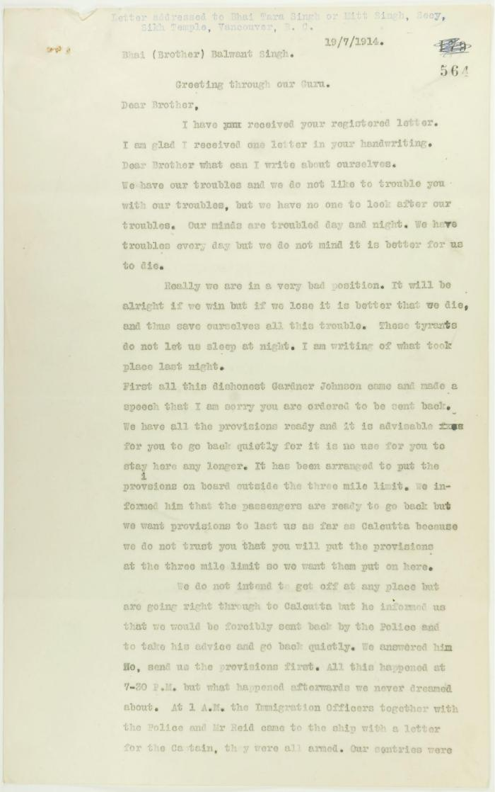
 | Copy of letter, unsigned, to Balwant Singh, Secretary, Sikh Temple, describing conditions on board the Maru. Page 1-6 (2021_07_1366) | Page 564-569
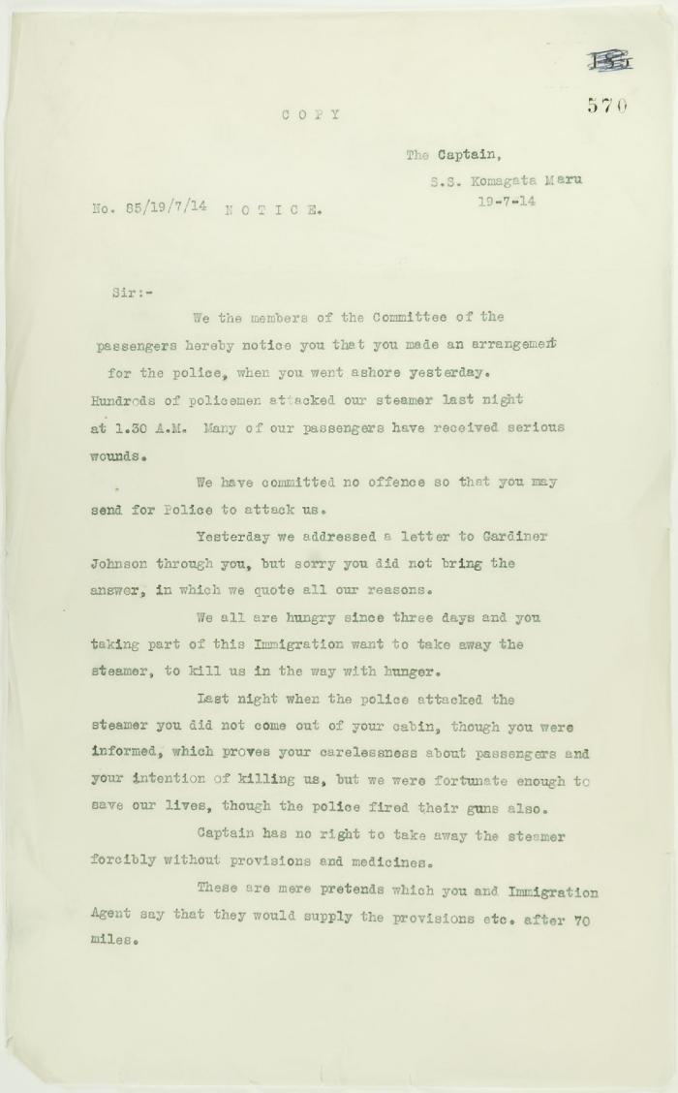
 | See pp. 546-547. Page 1-2 [Copy of letter from committee of passengers to Capt. Yamamota re his arrangement with Vancouver police] (2021_07_1369) | Page 570-571

 | Copy of letter from Reid to W. D. Scott re wires received and sent regarding final arrangements. Page 1-8 (2021_07_1540) | Page 573-580
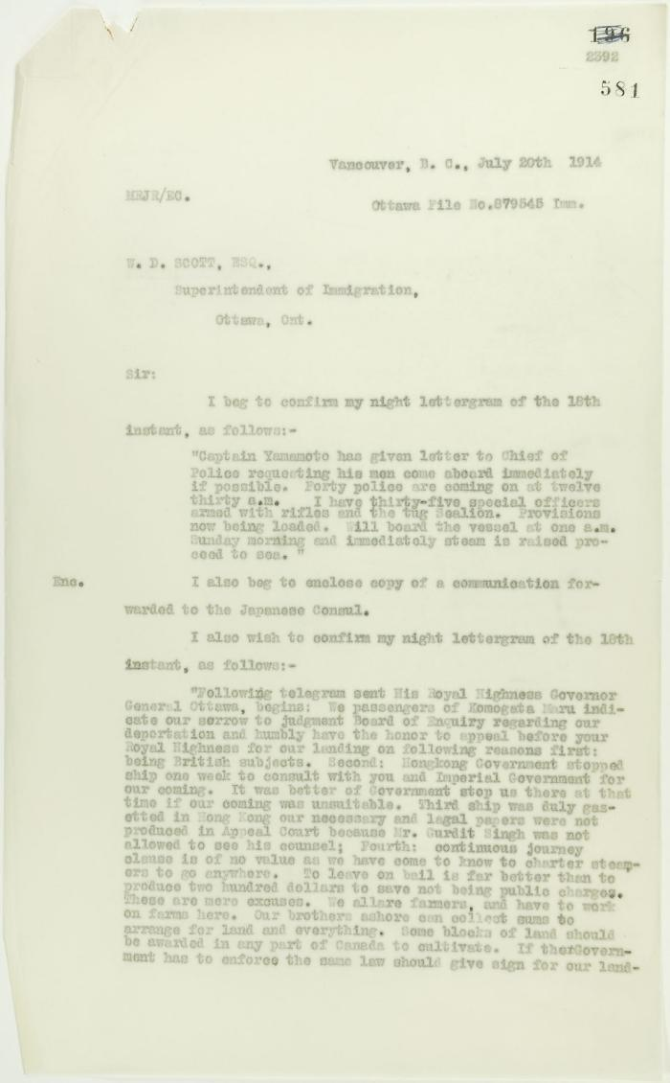
 | Copy of letter from Reid to W. D. Scott, re wires received and sent. Page 1-5 (2021_07_1567) | Page 581-585

 | Copy of letter from Mr. Hopkinson to Reid re his visit on board the Maru. Page 1-3 (2021_07_1571) | Page 588-590
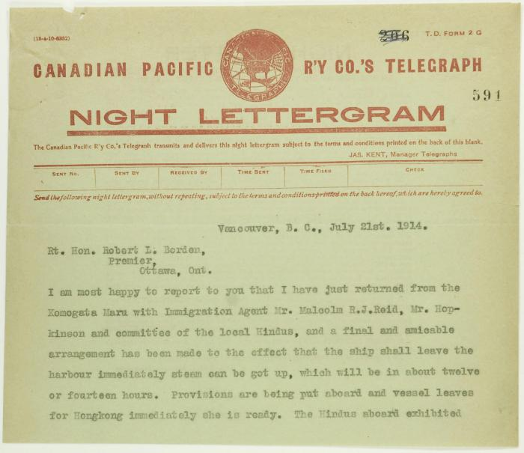
 | Copy of telegram from Stevens to R. L. Borden re final arrangements for Maru. Page 1-3 (2021_07_1682) | Page 591-593
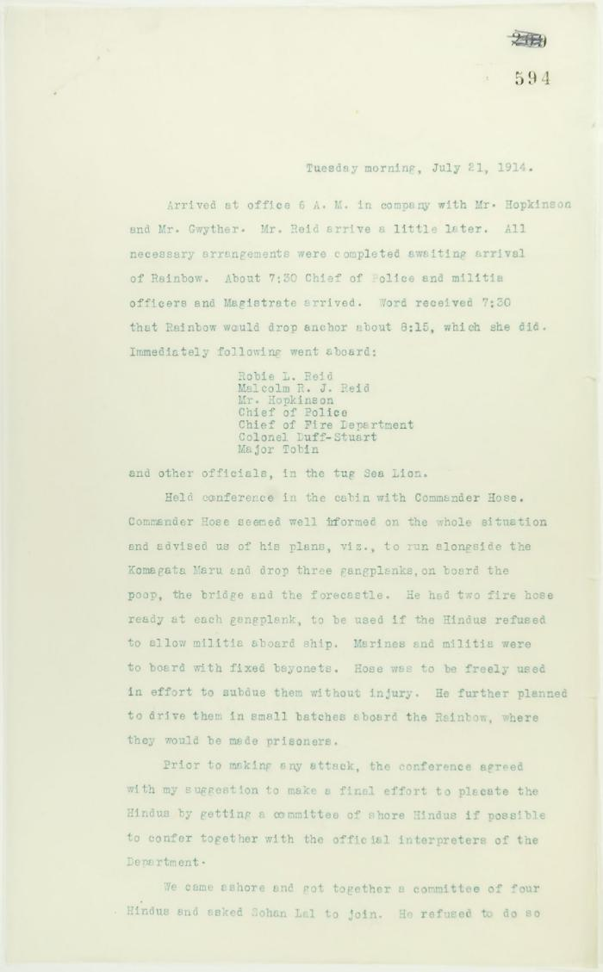
 | Unsigned, account of conference on board the Rainbow. Page 1-2 (2021_07_1752) | Page 594-601

 | Copy of letter from Reid to W. D. Scott confirming wires received and sent. Page 1-11 (2021_07_1900) | Page 603-613

 | Copy of letter from Reid to W. D. Scott re last details preceding departure. Page 1-5 (2021_07_1949) | Page 615-619
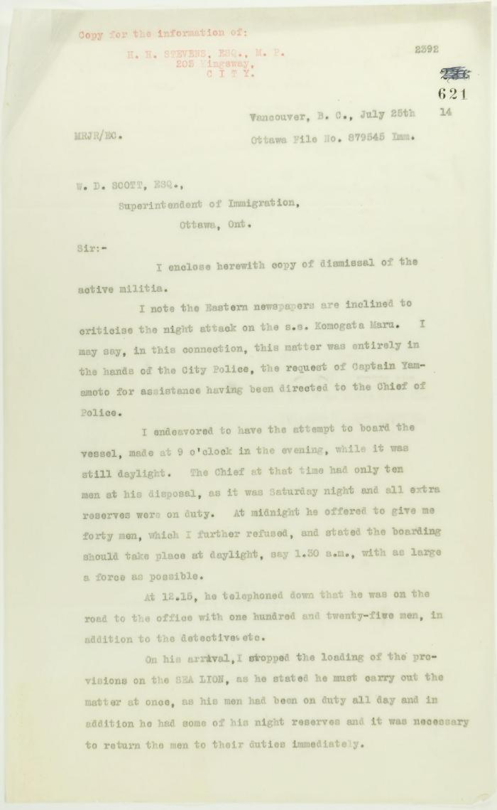
 | Copy of letter from Reid to W. D. Scott re dismissal of militia and re last provisioning of the Maru. Page 1-2 (2021_07_1990) | Page 621-622
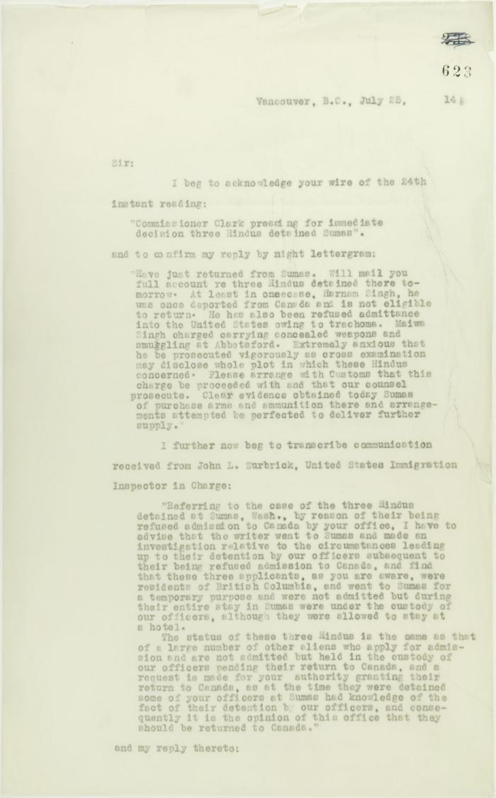
 | Copy of letter from Reid to W. D. Scott acknowledging wires sent and received, and re his visit to Sumas. Page 1-5 (2021_07_2053) | Page 623-627
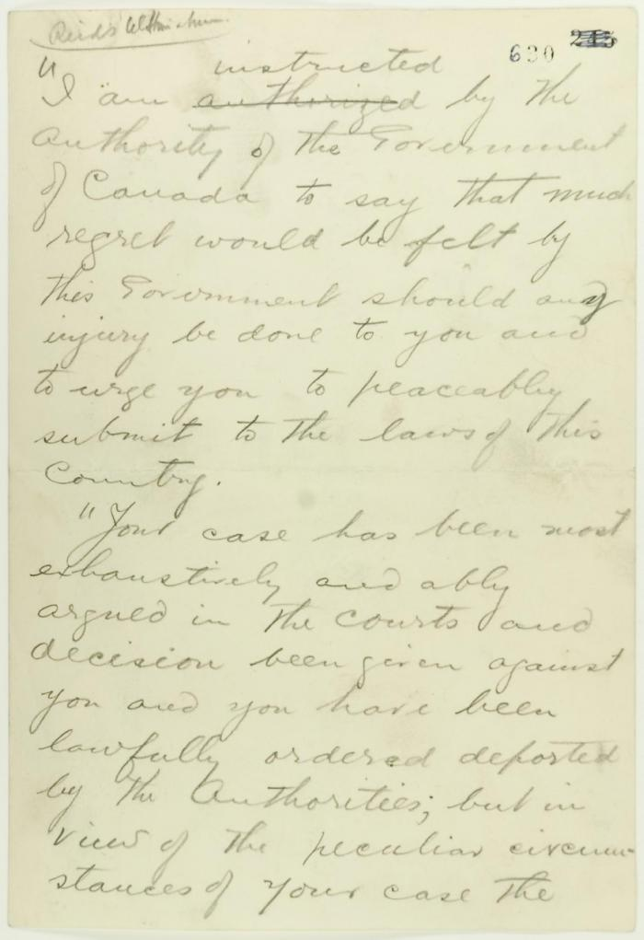
 | Pencil draft of statement by Reid to passengers of the Komagata Maru (see p. 602). Page 1-3 (2021_07_2073) | Page 630-632
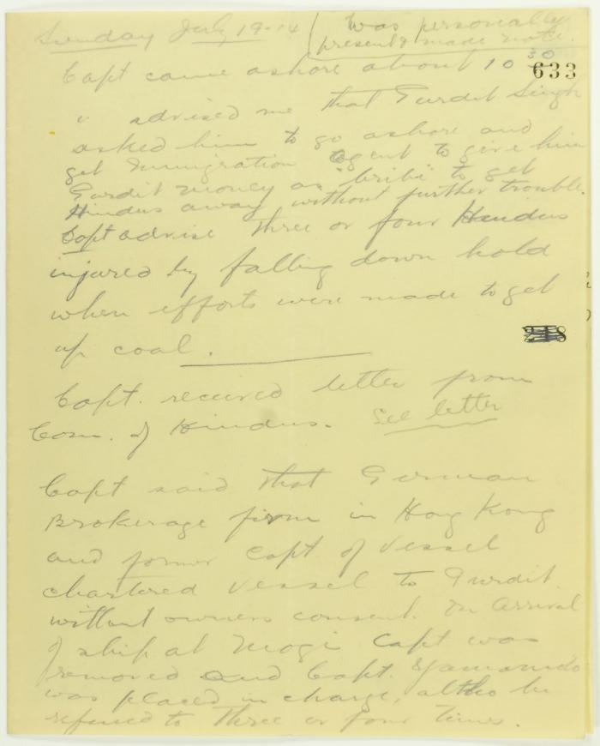
 | Rough notes of incidents re visit to the Maru, an incident at the Sikh Temple and damage to the Sea Lion. Page 1-4 (2021_07_2078) | Page 633-636
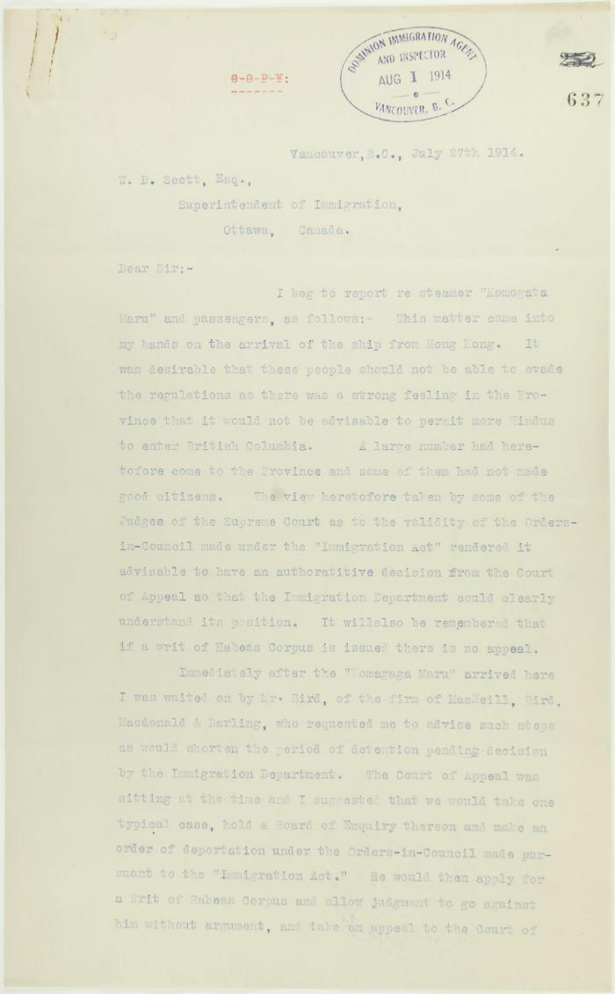
 | Copy of letter from R. L. Reid, Agent for the Minister of Justice, to W. D. Scott re procedure of the Boards of Enquiry, and the conduct of the officers of the Immigration Department. Page 1-6 (2021_07_2234) | Page 637-642
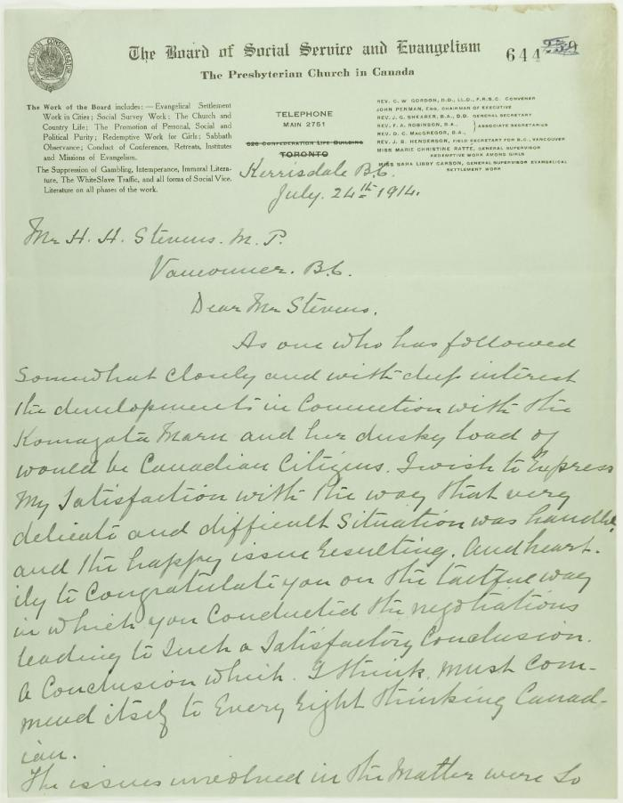
 | Letter of congratulation from the Rev. J. S. Henderson, Presbyterian Church, to Stevens. Page 1-2 (2021_07_2249) | Page 644-645

 | Statement by Mewa Singh (see p. 647). Page 1-2 (2021_07_2294) | Page 648-649
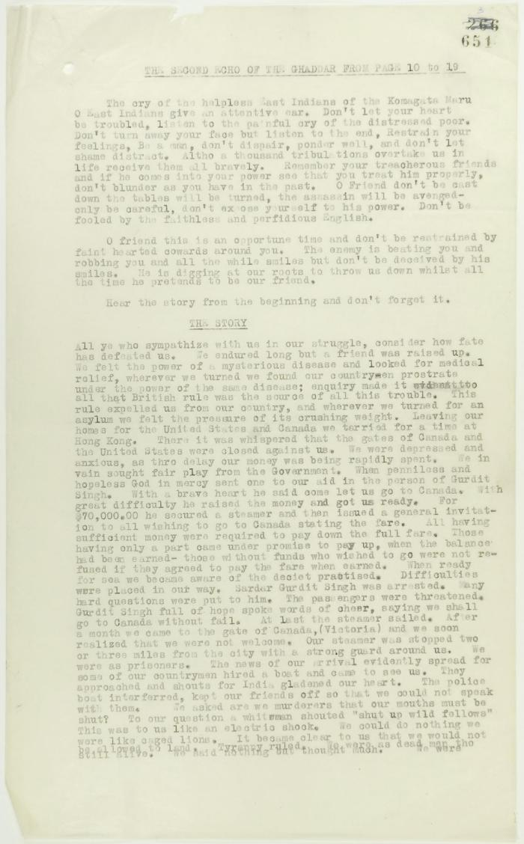
 | From the Second Echo of the Ghaddar (see p. 650). Page 1-3. Includes the message of the passengers of the Komagata Maru to their countrymen (2021_07_2300) | Page 651-655
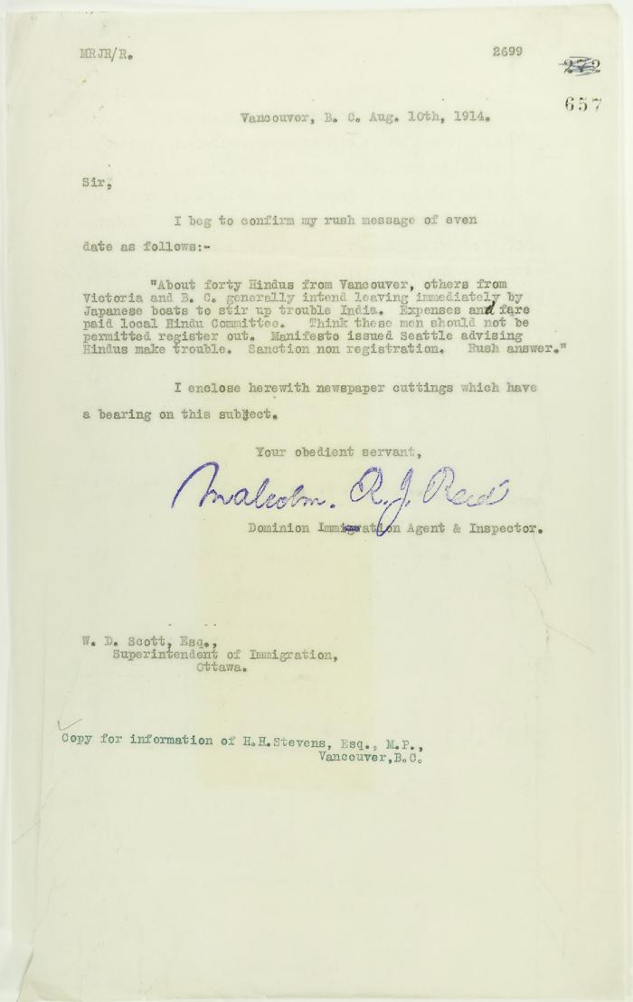
 | Copy of letter from Reid to W. D. Scott, with newspaper clipping re Vancouver Daily Province: ""Veiled Threat is Made by Hindus"" (2021_07_2303) | Page 657-658
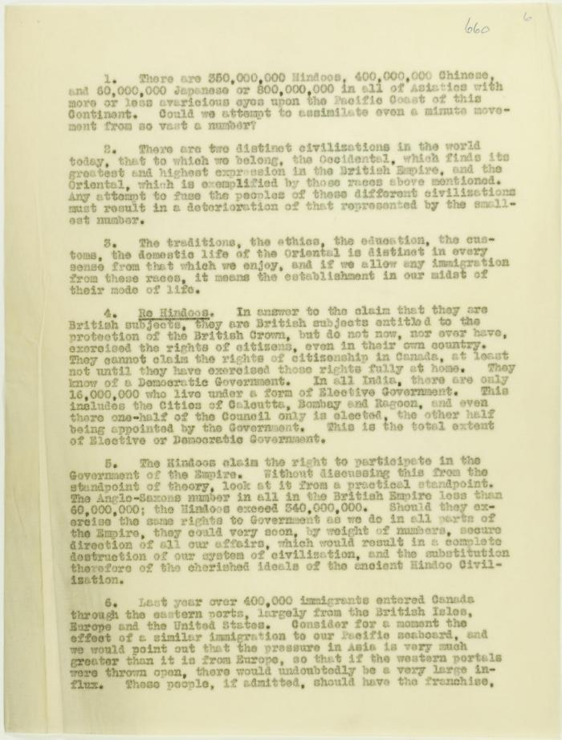
 | Arguments re immigration, unsigned. Page 1-2 (2021_07_2419) | Page 660-661
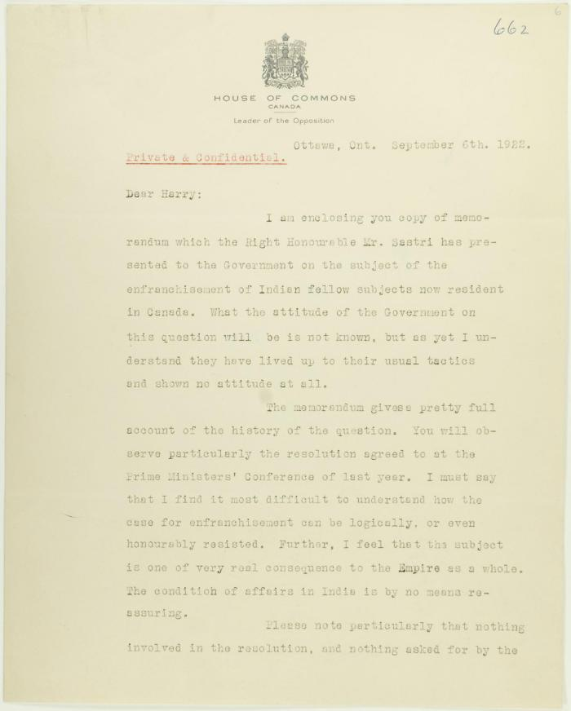
 | Letter from Arthur Meighen to Stevens re enfranchisement of Indian subjects. Page 1-2 (2021_07_2422) | Page 662-663
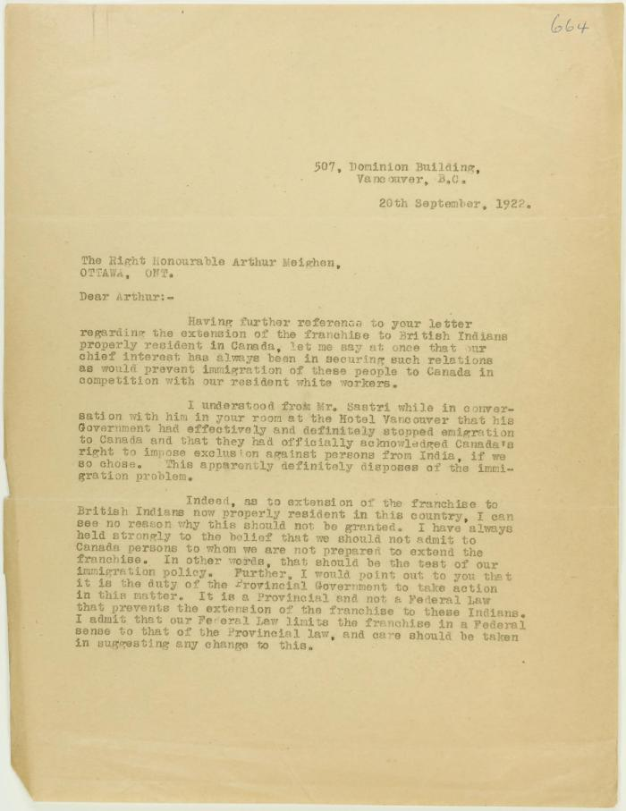
 | Copy of letter from Stevens to Meighen re immigration and enfranchisement, and Liberal responsibility in the matter. Page 1-2 (2021_07_2425) | Page 664-665
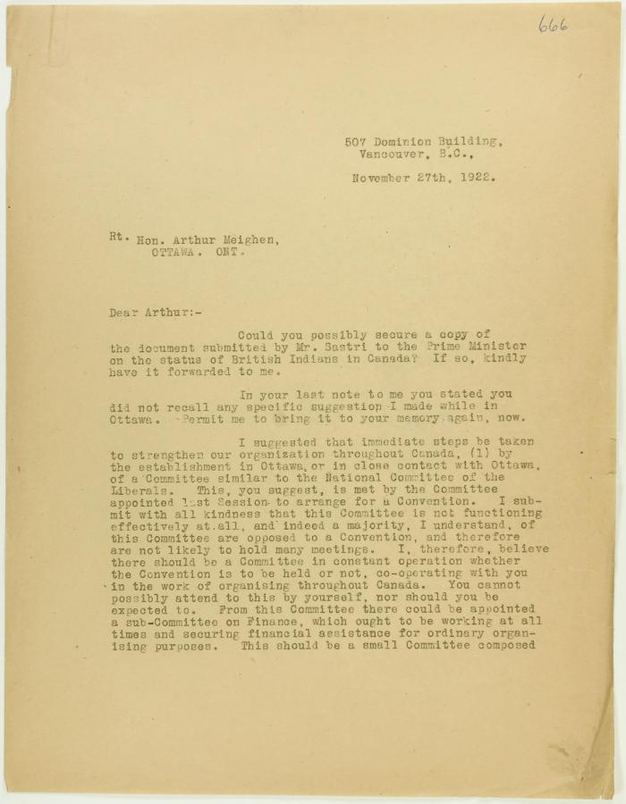
 | Copy of letter from Stevens to Meighen re Conservative organization, and Mr. Shastri's submission (2021_07_2428) | Page 666-667
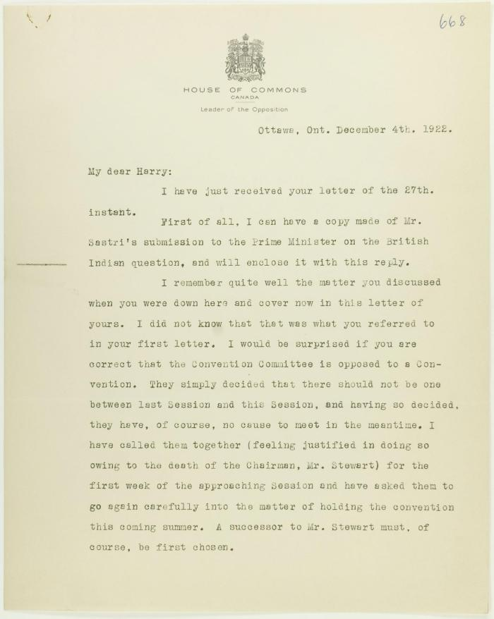
 | Letter from Meighen to Stevens re conventions to be held in the West, and enclosing Mr. Shastri's submission. Page 1-3 (2021_07_2432) | Page 668-670
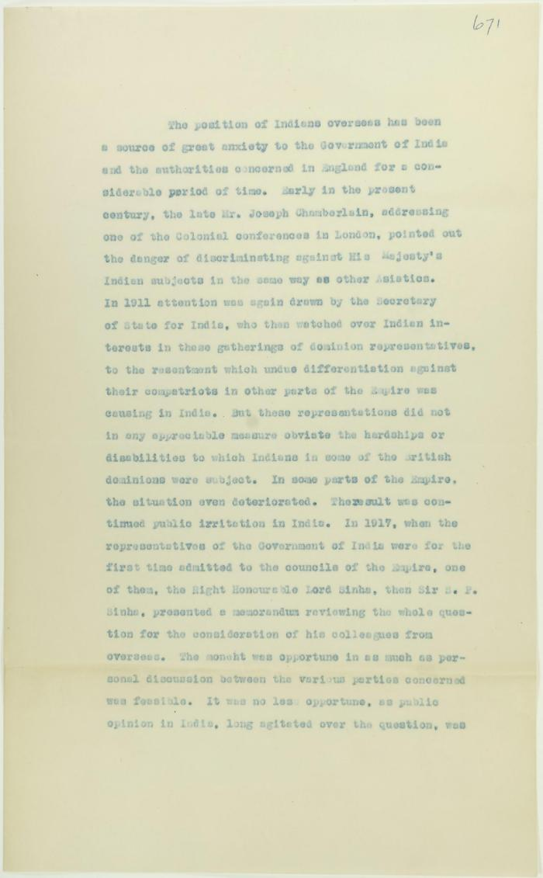
 | Document submitted by Mr. Shastri to the Prime Minister re status of British Indians in Canada. Page 1-9 (2021_07_2442) | Page 671-679
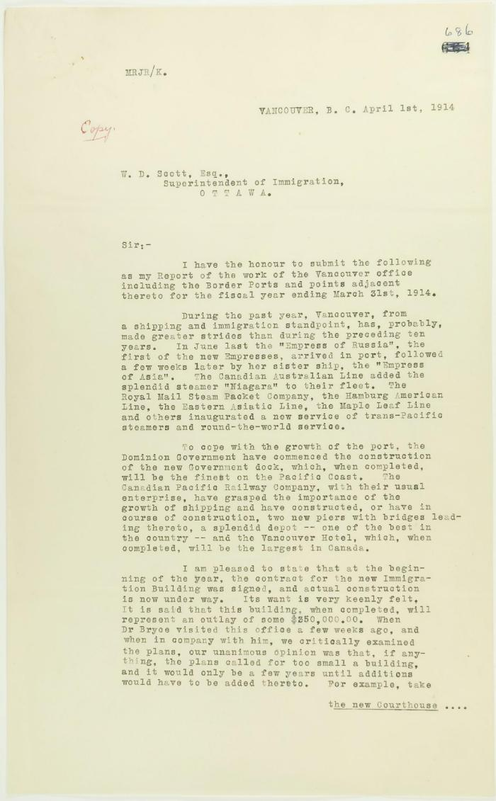
 | Copy of report of Malcolm Reid (see p. 685). Page 1-5 (2021_07_2448) | Page 686-690
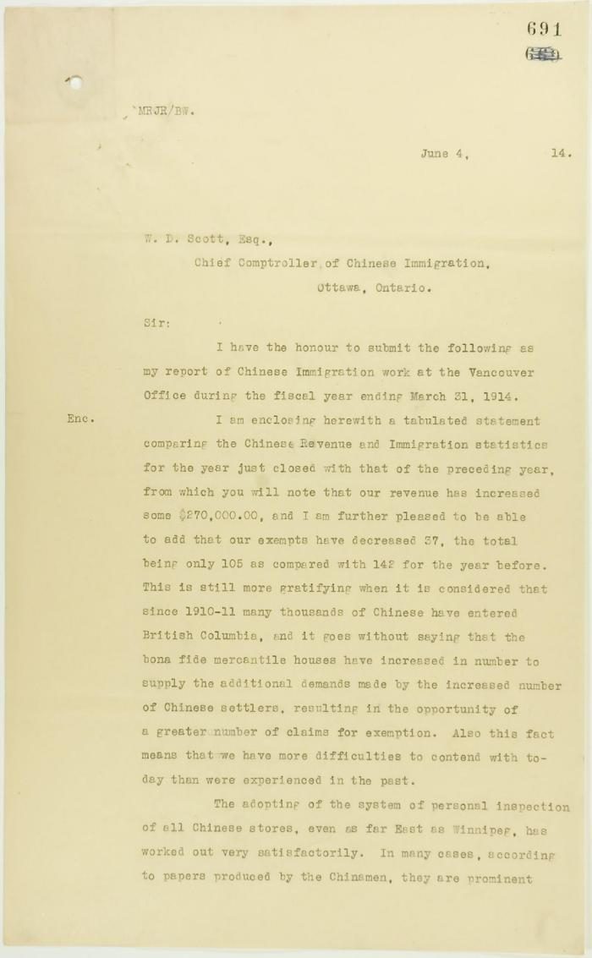
 | Copy of letter from Reid to W. D. Scott, being his report of Chinese Immigration work at the Vancouver Office. Page 1-4 (2021_07_2453) | Page 691-694
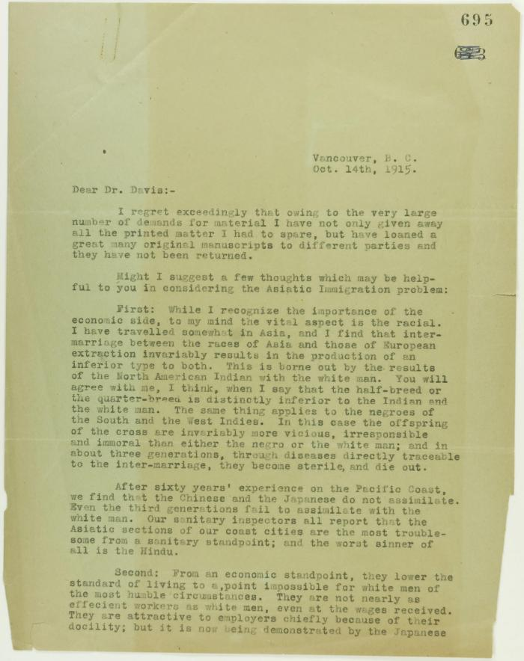
 | Copy of letter from Stevens to Dr. Davis re the Asiatic Immigration problem. Page 1-3 (2021_07_2815) | Page 695-697
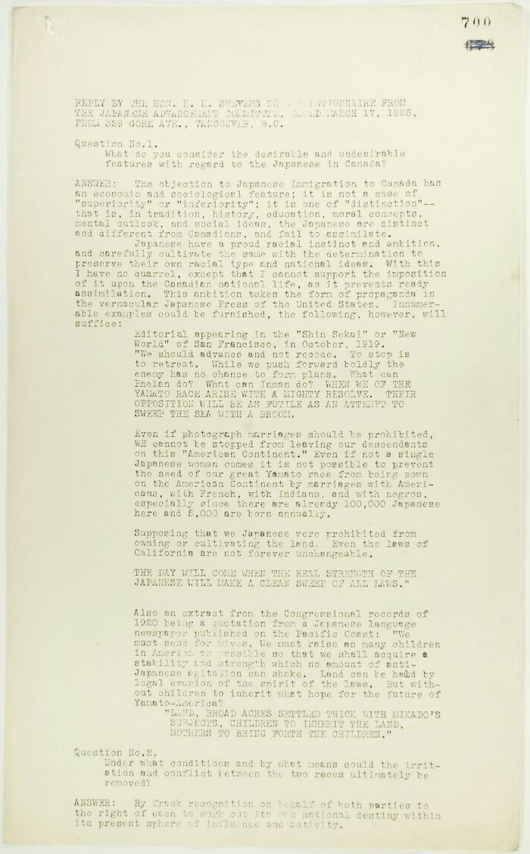
 | Reply by Stevens to a Questionnaire from the Japanese Advancement Committee. Page 1-2 (2021_07_2820) | Page 700-703
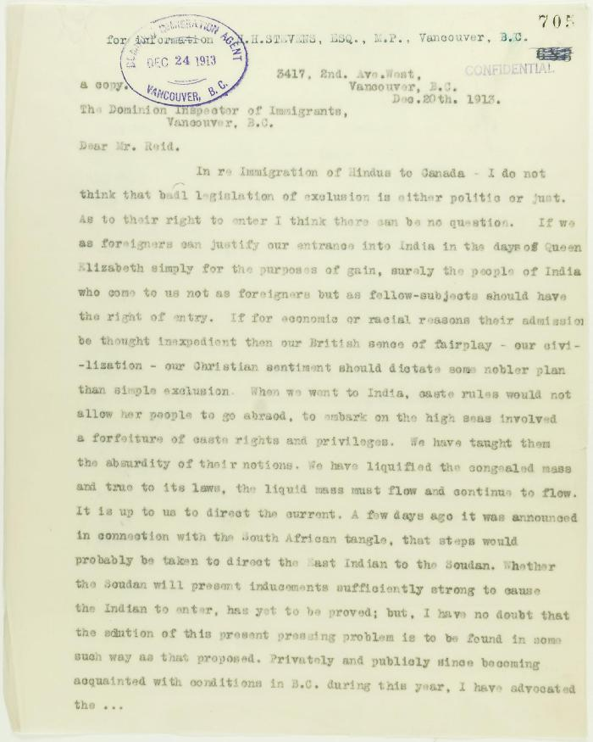
 | Copy of letter from K. J. Grant to Reid re advisability of settlement of immigrants here. Page 1-4 (2021_07_2939) | Page 705-708
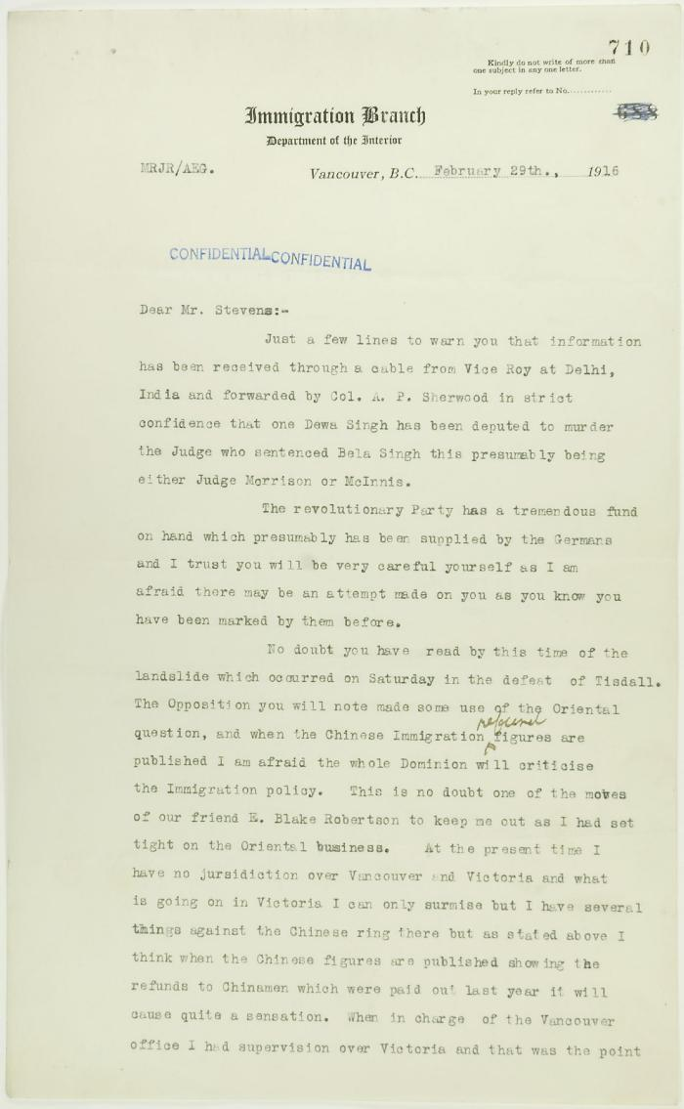
 | Letter from Reid to Stevens re information of assassination plots. Page 1-2 (2021_07_2942) | Page 710-711
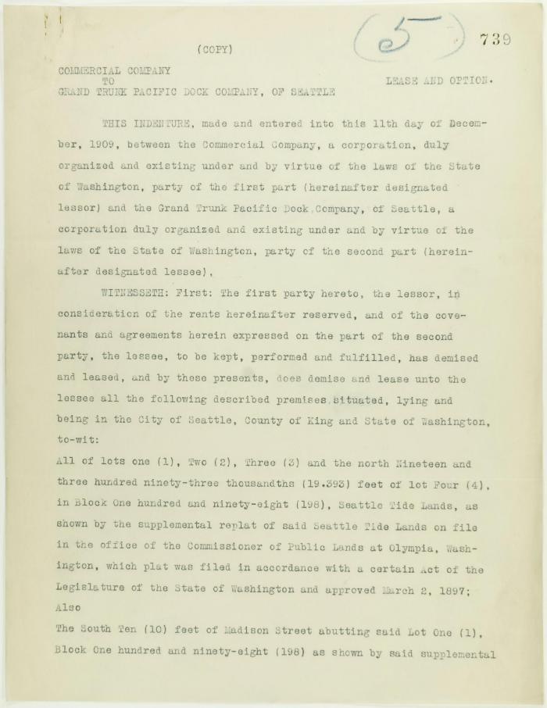
 | Copies of leases granted to Grand Trunk Pacific Railway Co. Page 1-9. With additional lease information (2021_07_3113)
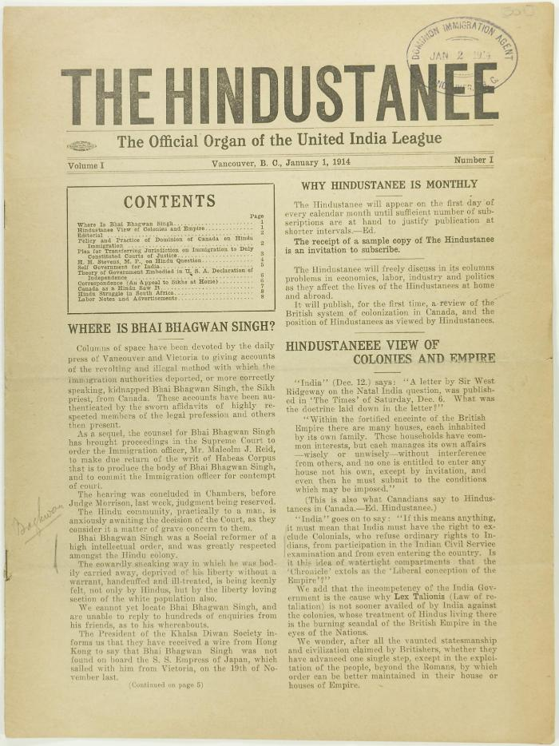
 | The Hindustanee Volume 1 No. 1 Page 1-8 (2021_07_3122) | Page 001-008
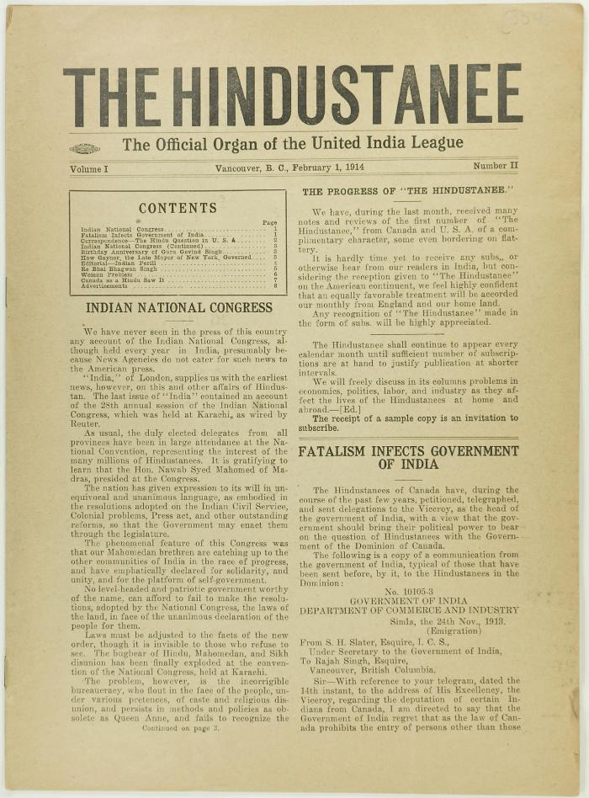
 | The Hindustanee Volume 1 No. 2 Page 1-8 (2021_07_3131) | Page 009-016
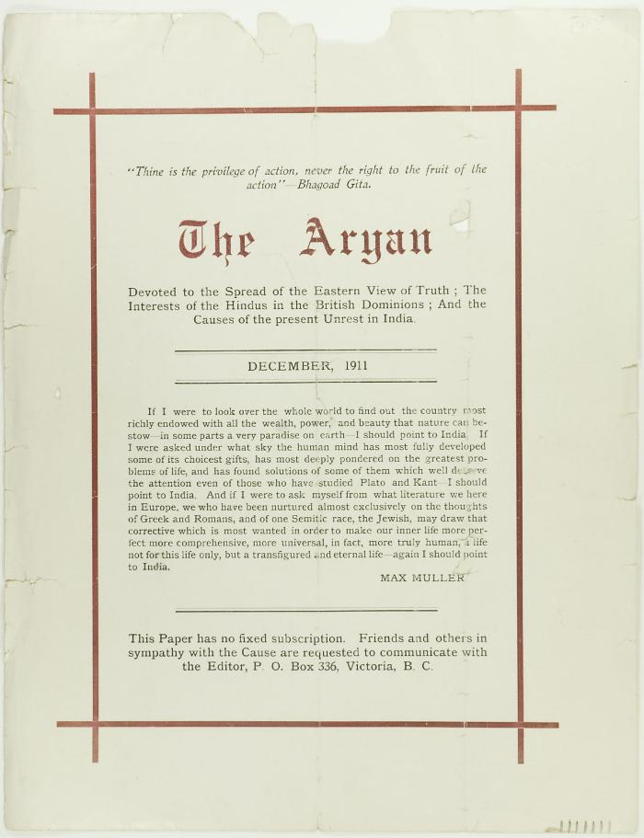
 | The Aryan (2021_07_3181) | Page 017-018
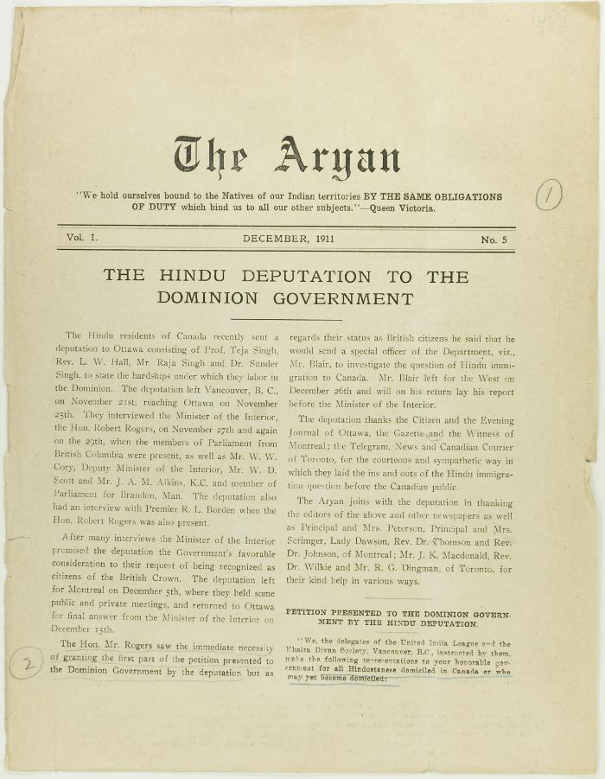
 | The Aryan Vol. 1 No. 5 Page 1-8 (2021_07_3263) | Page 019-026
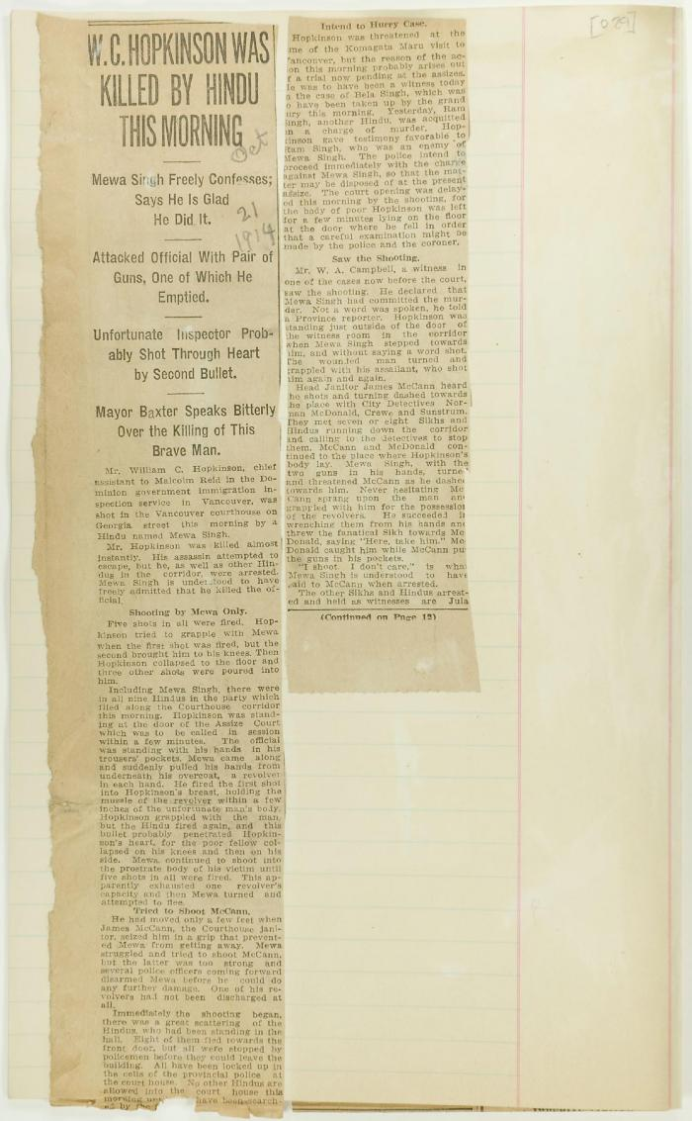
 | Newsclipping - W. C. Hopkinson was killed by Hindu this morning (2021_07_3309) | Page 029-031
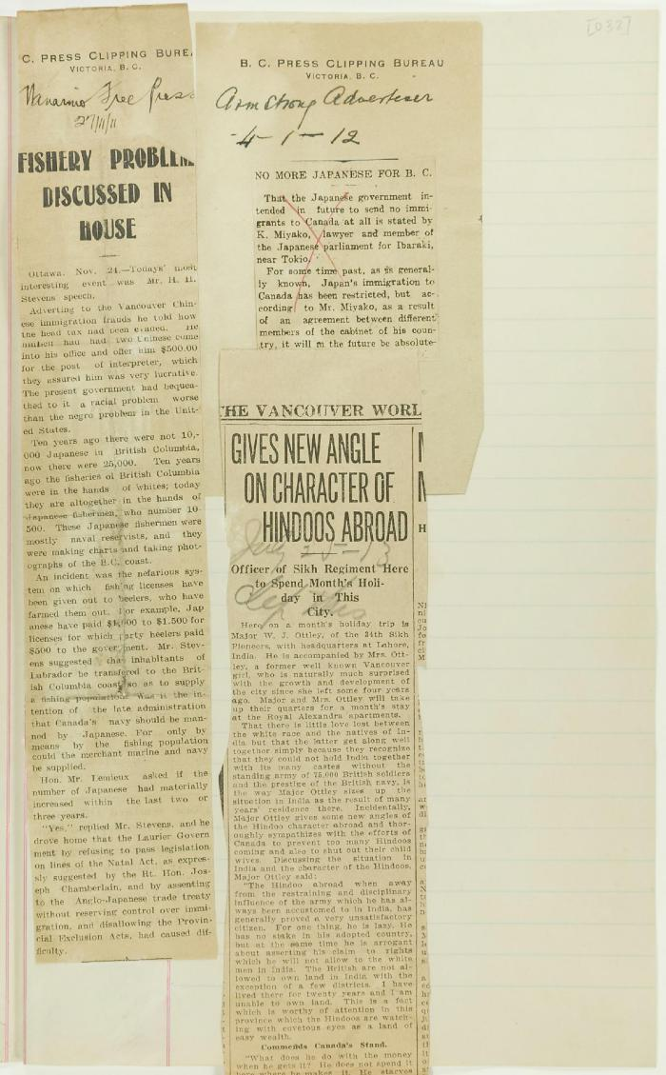
 | Newsclippings - Vancouver World: Fishery problem discussed House; No more Japanese for B.C.; Gives new angle on character of Hindoos abroad (2021_07_3354) | Page 032
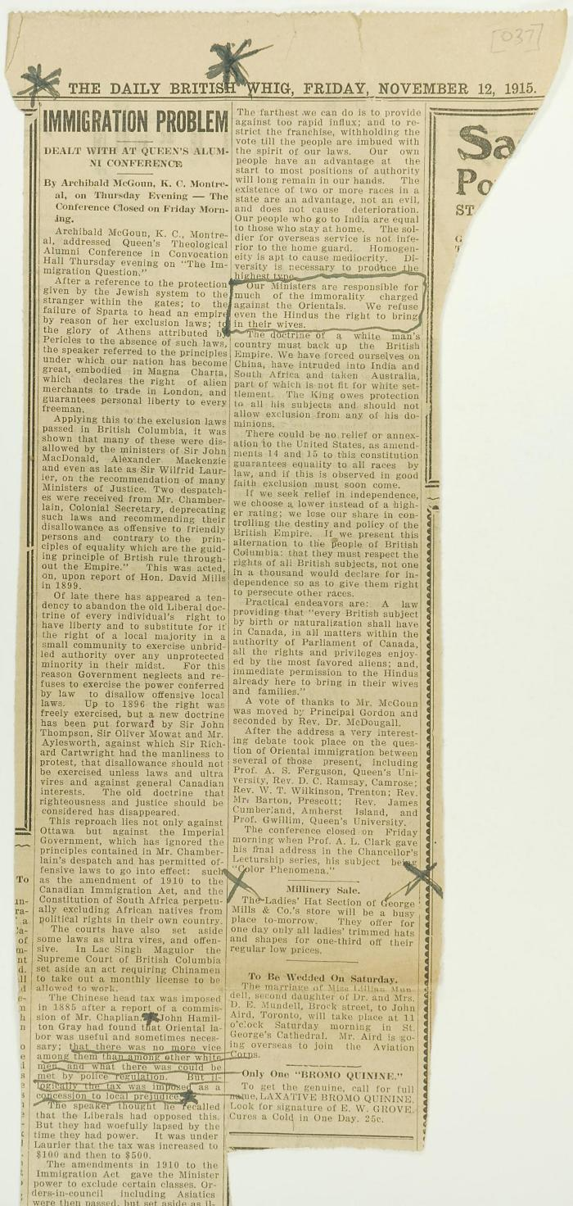
 | Newsclipping - Immigration problem (2021_07_3475) | Page 037
 | Newsclipping - Vancouver Sun: Sorry bungling (2021_07_3520) | Page 038
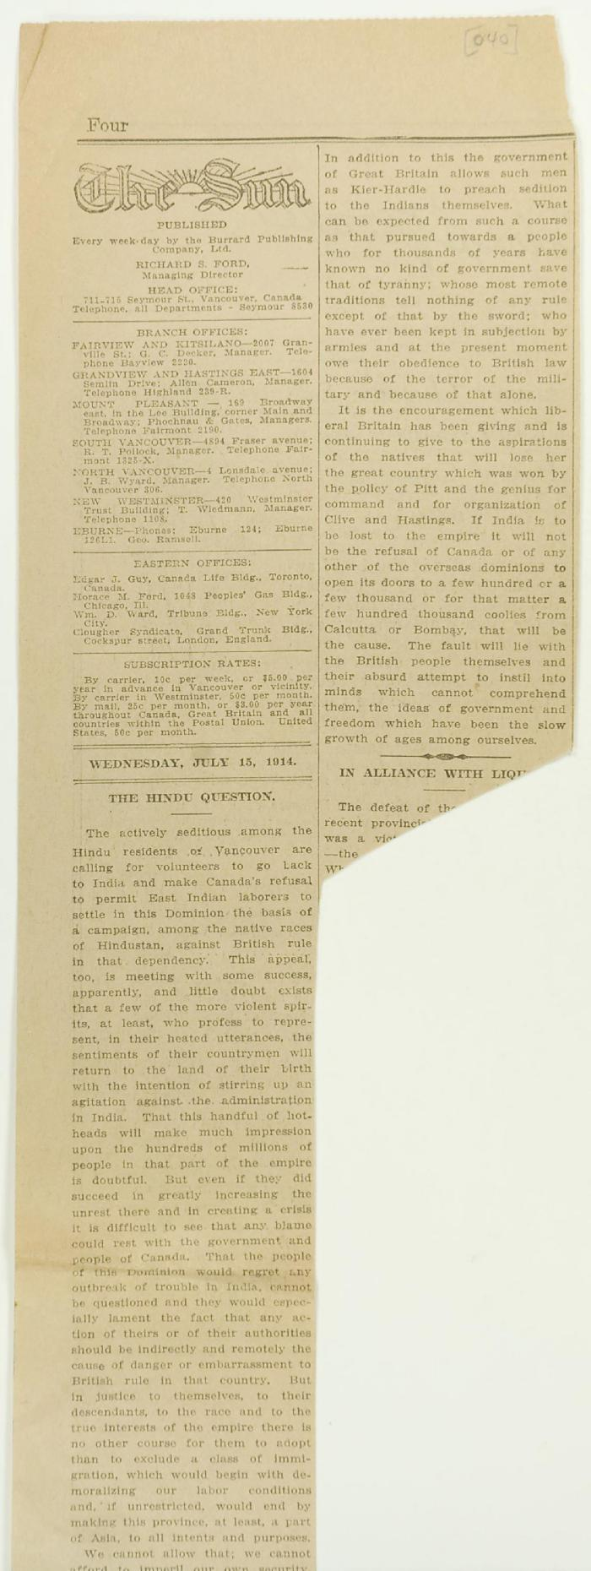
 | Newsclipping - The Hindu question (2021_07_3589) | Page 040
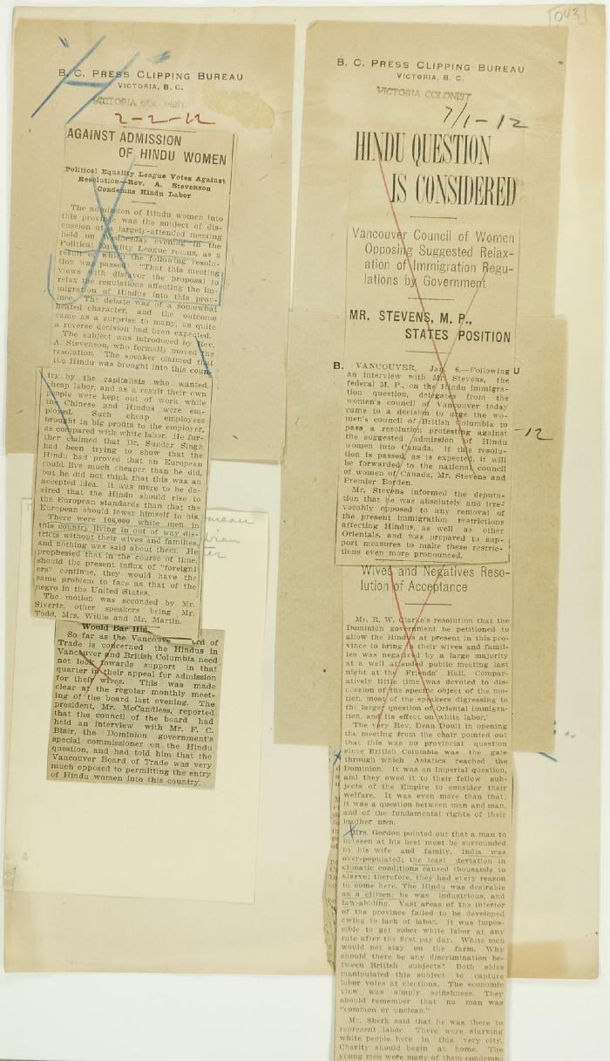
 | Newsclippings - Victoria Daily Colonist: Against admission of Hindu women; Hindu question is considered; Unfavorable to Hindu women (2021_07_3732) | Page 043
 | Newsclipping - Hindu emigrants at Vancouver (2021_07_3923) | Page 054

 | Newsclipping - Smoke is rising from the Maru, to leave at 5 a.m. tomorrow (2021_07_3951) | Page 058
 | Newsclipping - Vancouver News-Advertiser: Order deporting Hindus is issued (2021_07_3991) | Page 059

 | Newsclipping - Vancouver News-Advertiser: No revolt upon Komagata Maru (2021_07_3994) | Page 060
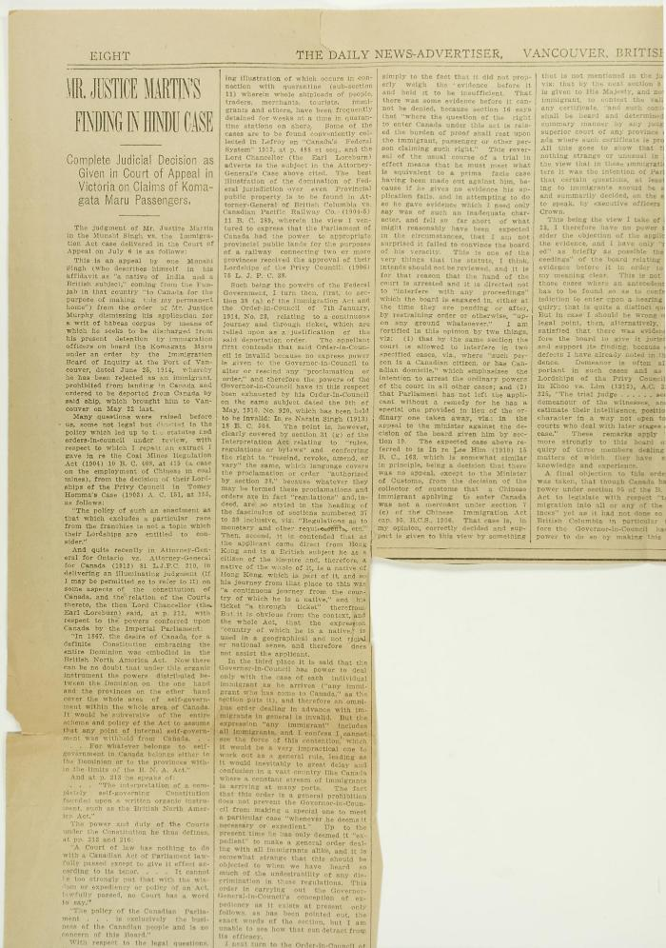
 | Newsclippings - Vancouver News-Advertiser: Mr. Justice Martin's finding in Hindu case; Freedom is price of India's loyalty (2021_07_4042) | Page 063
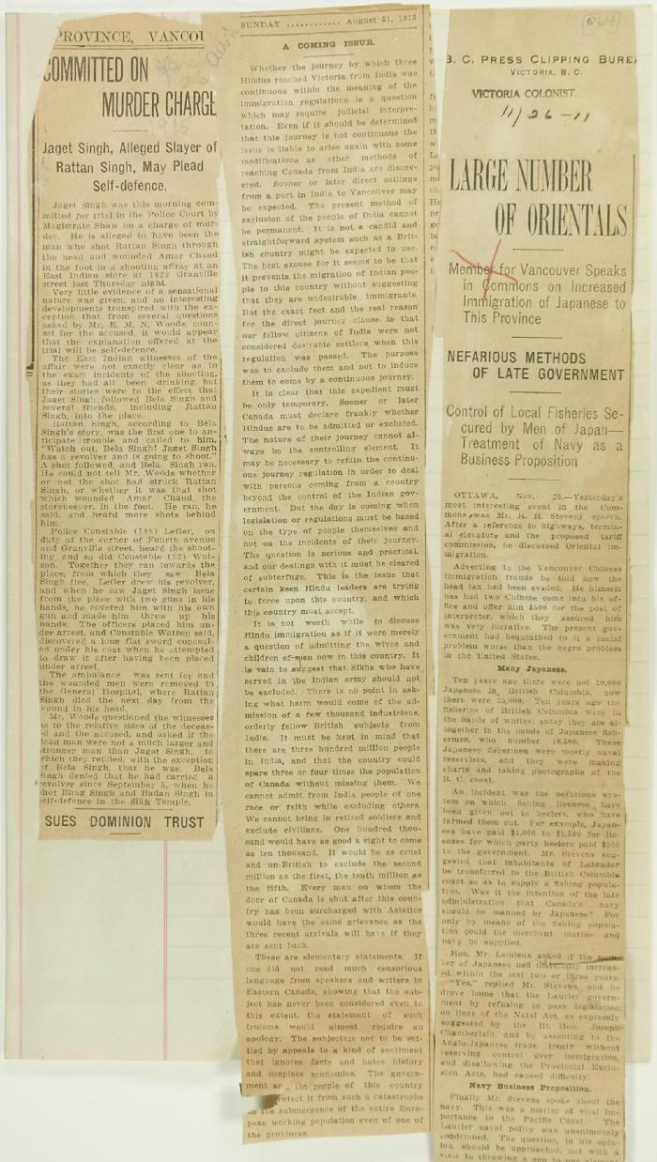
 | Newsclippings - Vancouver Daily Province: Committed on murder charge; A coming issue; Victoria Daily Colonist: Large number of Orientals (2021_07_4090) | Page 069
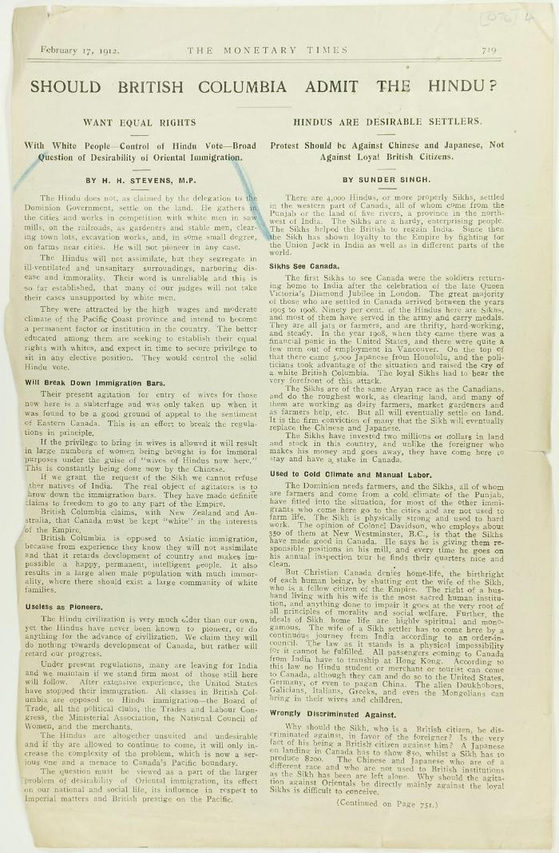
 | Newsclipping - Should British Columbia admit the Hindu? (2021_07_4131) | Page 076-078
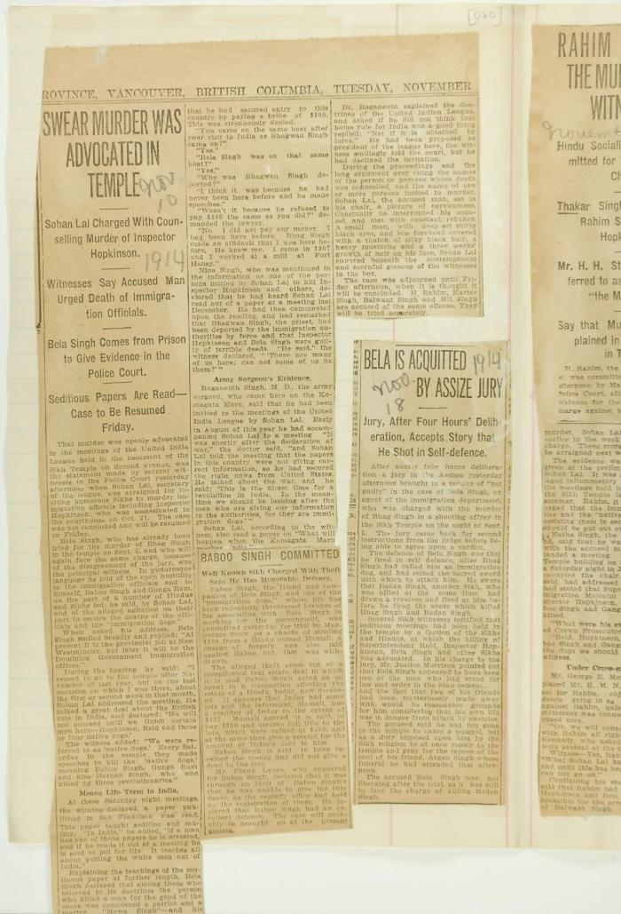
 | Newsclippings - Swear murder was advocated in temple; Baboo Singh committed; Bela is acquitted by assize jury (2021_07_4219) | Page 080
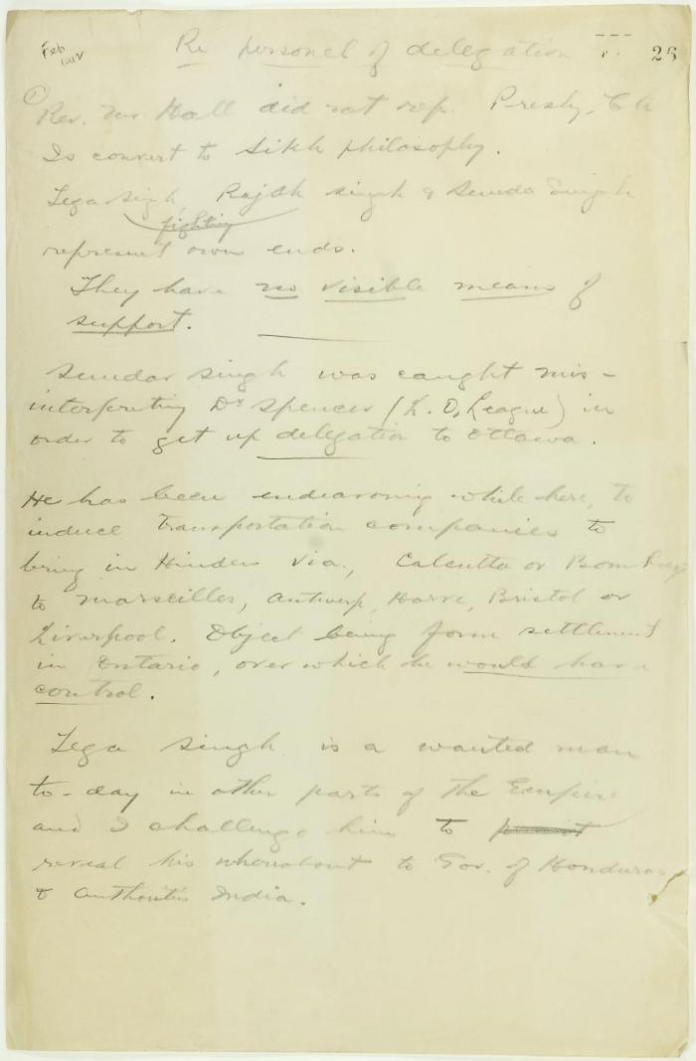
 | Draft of report re delegation personnel (2021_07_9292) | Page 26-27

 | Copy of letter from J. Edward Bird to Reid, criticising his handling of the matter and the delay tactics of the Board of Enquiry. Page 1-2 (2021_07_9406) | Page 178-179

 | Copy of letter from Daljit Singh to the Immigration Agent, complaining about provisioning and the Board of Enquiry's methods. Page 1-2 (2021_07_9409) | Page 180-181

 | Copy of letter from Reid to Daljit Singh (see pp. 180-181). Page 1-3 (2021_07_9413) | Page 183-185

 | Translations of extracts from 'The Mutiny' (Guddre) [Nos. 9, 10, 11, 12, and 13], printed and published in San Francisco (2021_07_9428) | Page 105-118

 | Conversation between H. H. Stevens, M.P., and Dr. Rughunath Singh, held at the Office of the Canadian Immigration Department, Vancouver, with Inspector Hopkinson also present at the commencement of the conversation. Page 1-11 (2021_07_9462) | Page 187-219

 | Copy of letter from Reid to W. D. Scott re Japanese Government's disclaiming of any connection with the Komagata Maru enterprise, also re possible attempt to set fire to the ship. Page 1-2 (2021_07_9465) | Page 220-221

 | Copy of letter from Bowser, Reid and Wallbridge to Mr. J. E. Bird re complaint (see p. 182). Page 1-2 (2021_07_9468) | Page 222-223

 | Copy of letter from Reid to W. D. Scott confirming wires. Page 1-2 (2021_07_9471) | Page 226-227

 | Copy of letter sent to Editor, The Daily News Advertiser, by passengers on board the Komagata Maru. Page 1-3 (2021_07_9475) | Page 229-231

 | Copy of letter from Reid to W. D. Scott enclosing a communication from the Managing Secretary of the Vancouver General Hospital re non-payment of bills by Hindus in Vancouver. Page 1-2 (2021_07_9478) | Page 232-233

 | Copy of letter from Reid to W. D. Scott confirming wires and night-letters. Page 1-4 (2021_07_9483) | Page 234-237

 | Minutes of a Hindu mass meeting held in Dominion Hall. Page 1-21 (2021_07_9506) | Page 238-259

 | Minutes of a public meeting held in Dominion Hall. Page 1-23 (2021_07_10251) | Page 260-348

 | Copy of letter from Reid to W. D. Scott, a report of Dominion Hall resolution (see p. 350). Page 1-2 (2021_07_10254) | Page 351-352
 | [Sikhs on board the "Komagatamaru", Vancouver, BC] (2021_07_10585) | Library and Archives Canada. C-075261
 | Crowds gathered to watch Sikhs on board the "Komatagamaru"[sic], Vancouver, BC (2021_07_10589) | Library and Archives Canada. C-075262
 | Indians aboard the Komagatamaru [sic], 1914 (2021_07_10590) | Library and Archives Canada. C-075259
 | [Sikhs on board the "Komagatamaru", Vancouver, BC] (2021_07_10591) | Library and Archives Canada. C-075260

 | Telegram from Gilbert to H. H. Stevens re Sikh threat, plus two newspaper cuttings (2021_07_10642) | Page 25

 | Letter, unsigned, to H. H. Stevens criticising his attitude towards Hindu Immigration (2021_07_10643) | Page 28

 | Letter from Malcolm Reid, Dominion Immigration Agent, to H. H. Stevens re newspaper publicity (2021_07_10644) | Page 31

 | Copy of letter from Stevens to E. Read (2021_07_10645) | Page 37

 | [Letter from H. H. Stevens to Malcolm Reid] (2021_07_10646) | Page 32

 | Letter from Malcolm Reid to Stevens, enclosing communication from the Minister of the Interior re family of Hakam Singh (2021_07_10647) | Page 39

 | Letter from Minister of the Interior (see p. 39) (2021_07_10648) | Page 40

 | Copy of letter from H. H. Stevens to E. Read (2021_07_10649) | Page 41

 | Copy of letter from Stevens to Malcolm Reid, enclosing correspondence to be forwarded to W. D. Scott (2021_07_10650) | Page 42

 | Copy of letter from E. S. Busby, Dept. of Customs, to Malcolm Reid, commending his work (see p. 42) (2021_07_10651) | Page 43

 | Letter from Malcolm Reid to Stevens re his advancement in immigration work (2021_07_10652) | Page 44

 | Copy of letter, unsigned, to Dr. Roche, Minister of the Interior re threatened influx of Hindus to Pacific Coast (2021_07_10653) | Page 45

 | Letter from Dr. Roche to Stevens re amendments to Immigration Act (2021_07_10654) | Page 48

 | Letter from Malcolm Reid to Stevens enclosing translations of the Hindu paper 'Mutiny' (2021_07_10655) | Page 62

 | Copy of letter from Malcolm Reid to W. D. Scott re Dr. Davichand's plan to bring in sixty Hindus (2021_07_10656) | Page 95

 | Copy of letter from W. J. Pascoe, Secretary, Ward 7 Ratepayers' Ass'n to Malcolm Reid, endorsing deportation of undesirables (2021_07_10657) | Page 96

 | Letter from Malcolm Reid to Stevens re letter received (see p. 96) (2021_07_10658) | Page 97

 | Copy of letter from The B.C. Federationist per R. P. Pettipiece re control of immigration (2021_07_10659) | Page 33

 | Letter from Malcolm Reid to Stevens, enclosing telegrams (2021_07_10660) | Page 98

 | Telegram from W. D. Scott to Malcolm Reid (see p. 98) (2021_07_10661) | Page 99

 | Telegram from Malcolm Reid to W. D. Scott (see p. 98) (2021_07_10662) | Page 100

 | Telegram from Malcolm Reid to W. D. Scott (see p. 98) (2021_07_10663) | Page 101

 | Letter from H. H. Davies, Western Club, to Stevens endorsing discrimination against the Hindu (2021_07_10664) | Page 102

 | Letter from Malcolm Reid to Stevens re entry of family of Hakam Singh, as an act of grace (2021_07_10665) | Page 34

 | Copy of letter from Malcolm Reid to W. D. Scott, Superintendent of Immigration, listing licensed employment agents in Vancouver (2021_07_10666) | Page 35

 | Telegram from Minister of Agriculture to Stevens re avoidance of renewed Hindu agitation (2021_07_10667) | Page 135

 | Letter from [Wm Ide] (2021_07_10668) | Page 136

 | new document - [Index] N.B. pp 137-141 removed to photo collection. March 17, 1977 (2021_07_10669)

 | Copy of letter from Daljit Singh to the Immigration Agent re receipts for telegrams (2021_07_10670) | Page 144

 | Copy of letter from Malcolm Reid to W. D. Scott re authorization of guards for patrol (2021_07_10671) | Page 145

 | Copy of letter from Daljit Singh, signed Secretary S. S. Komagatu Maru, to the Immigration Agent requesting removal of a dying man from ship (2021_07_10672) | Page 146

 | Copy of letter from Malcolm Reid to the deputy Minister of the Interior re publication of the 'Hindustani,' and its connection with the International Congress of India (2021_07_10673) | Page 119

 | Copy of letter from Malcolm Reid to C. Gardner Johnston re possibility of Hindus being permitted to land (2021_07_10674) | Page 147

 | Copy of letter from Malcolm Reid to Daljit Singh (see p. 144) (2021_07_10675) | Page 148

 | Copy of letter from Reid to W. D. Scott re allegations made by Daljit Singh (2021_07_10676) | Page 149

 | Copy of letter from Reid to the Japanese Consul, to thank him for reprimanding Japanese boatman who conveyed Hindus to the Komagata Maru (2021_07_10677) | Page 150

 | Copy of letter from Reid to J. E. Bird, council for the Hindus, re need for Board of Inquiry (2021_07_10678) | Page 151

 | Copy of letter from Reid to Daljit Singh (see p. 146) (2021_07_10679) | Page 152

 | Copy of letter from Reid to Raghunath Singh, Ship's doctor, S. S. Komagatu Maru, re supplying of food and medicine (2021_07_10680) | Page 153

 | Copy of letter from Rughunath Singh to Reid re sickness on board, and re his own family's landing (2021_07_10681) | Page 154

 | Copy of letter from Reid to Daljit Singh re responsibility for supplying food (2021_07_10682) | Page 155

 | Copy of letter from Daljit Singh to Mr. Hopkinson, Immigration Interpreter, re shortage of food (2021_07_10683) | Page 156

 | Copy of letter from Reid to W. D. Scott (see p. 149) (2021_07_10684) | Page 157

 | Letter from Malcolm Reid to Stevens enclosing newspaper clippings re Bhagwan Singh (2021_07_10685) | Page 120

 | Copy of letter from Reid to W. D. Scott re landing of prior residents (2021_07_10686) | Page 162

 | Copy of letter from Daljit Singh to the Immigration Agent complaining about difficulty in getting provisions on board (2021_07_10687) | Page 163

 | Letter from Malcolm Reid to Stevens enclosing declarations of Sikhs re tyranny, and including immigration statistics (2021_07_10688) | Page 121

 | Copy of letter from Reid to W. D. Scott re transfer of charter from Gurdit Singh to two local Hindus (2021_07_10689) | Page 171

 | Copy of letter from Reid to Gurdit Singh re provisioning (2021_07_10690) | Page 172

 | Copy of letter from Reid to Raghunath Singh (see p. 167) (2021_07_10691) | Page 173

 | Copy of letter from J. E. Bird to Reid, criticising conduct of Board of Enquiry (2021_07_10692) | Page 182

 | Copy of letter from Reid to W. D. Scott re money deposited with Gurdit Singh, and preparations to escort Komagatu Maru out of the port (2021_07_10693) | Page 186

 | Copy of letter from Reid to W. D. Scott re wires sent (2021_07_10694) | Page 224

 | Copy of letter from Reid to W. D. Scott re work of Boards of Enquiry and re responsibility to provision the ship (2021_07_10695) | Page 166

 | Copy of Communications received by Reid from Gurdit Singh, sent to W. D. Scott (2021_07_10696) | Page 225

 | Copy of letter from Reid to W. D. Scott confirming night-letter (2021_07_10697) | Page 228

 | Copy of letter from Y. A. Hori, Japanese Consul, to Reid, expressing appreciation of courtesy shown the Japanese Training Squadron (2021_07_10698) | Page 349

 | Copy of Resolution proposed at Dominion Hall (see pp. 260-282) (2021_07_10699) | Page 350

 | Copy of letter from Daljit Singh to the Immigration Agent re supply of fresh water (2021_07_10700) | Page 353

 | Copy of letter from Gurdit Singh to the Immigration Agent re calling before the Board of Enquiry (2021_07_10701) | Page 354

 | Copy of letter from Reid to W. D. Scott, sent with p. 353 and p. 354 (2021_07_10702) | Page 357

 | Copy of telegram, signed Passengers, sent to Governor General re shortage of water (2021_07_10703) | Page 358

 | Copy of letter from Reid to Daljit Singh re supply of fresh water and re telegram (see p. 358) (2021_07_10704) | Page 359

 | Copy of letter from Daljit Singh to the Immigration Agent (2021_07_10705) | Page 362

 | Copy of letter from R. L. Reid (Bowser, Reid and Wallbridge) to Malcolm Reid requesting that certain passengers be brought before the Board of Enquiry (2021_07_10706) | Page 363

 | Copy of letter from Raghunath Singh requesting to be taken off the Komagatu Maru (2021_07_10707) | Page 167

 | Copy of letter from the passengers on S. S. Komagatu Maru to the Immigration Agent re lack of water (2021_07_10708) | Page 364

 | Copy of letter from Reid to W. D. Scott re provision of water (2021_07_10709) | Page 367

 | Copy of resolution passed by Council of City of North Vancouver, supporting resolution (see p. 350) (2021_07_10710) | Page 368

 | Copy of letter from Reid to Col. J. Duff Stuart re entertainment of the Japanese Training Squadron (see pp. 136b-136c) (2021_07_10711) | Page 170

 | Copy of letter from W. D. Scott to Reid (see p. 375) (2021_07_10712) | Page 378

 | Letter from City Clerk, North Vancouver, to Stevens, enclosing p. 368 (2021_07_10713) | Page 369

 | Letter from South Vancouver Board of Trade to Stevens re endorsement of stand towards Komagatu Maru (2021_07_10714) | Page 379

 | Letter from Reid to Stevens re news leakage (2021_07_10715) | Page 380

 | Letter from Executive of the South Vancouver Conservative Association to Stevens commending the stand taken (2021_07_10716) | Page 407

 | Copy of conversation between Hindus re Reid and Hopkinson (2021_07_10717) | Page 408

 | Copy of letter from Bowser Reid and Wallbridge to Reid, to enclose letter from J. E. Bird (2021_07_10718) | Page 418

 | Copy of letter from J. E. Bird to Reid re provisions (2021_07_10719) | Page 419

 | Copy of letter from passengers to J. E. Bird re hunger and thirst (2021_07_10720) | Page 427

 | Copy of reply from J. E. Bird to passengers (see p. 427) (2021_07_10721) | Page 428

 | Copy of letter from J. E. Bird to R. L. Reid re p. 427 (2021_07_10722) | Page 429

 | Copy of telegram from J. M. Bowell to the Deputy Minister of Naval Service re clearance of the Komagatu Maru (2021_07_10723) | Page 430

 | Copy of letter from Reid to Captain Yamamota re responsibility for provisions (2021_07_10724) | Page 433

 | Copy of letter from Reid to Dr. Rughunath Singh re appearing before Board of Enquiry (2021_07_10725) | Page 437

 | Copy of letter from Reid to Y. Hori, acknowledging words of appreciation (2021_07_10726) | Page 375

 | Copy of letter from Dr. Singh to Reid (see p. 437) (2021_07_10727) | Page 438

 | Copy of letter from passengers to the Immigration Agent re provisions (2021_07_10728) | Page 439

 | Copy of letter from Gurdit Singh to the Immigration Agent re special favours allegedly granted certain passengers (2021_07_10729) | Page 440

 | Copy of letter from passengers to the Immigration Agent requesting provisions (2021_07_10730) | Page 441

 | Copy of letter from Daljit Singh to the Immigration Agent, complaining about actions of Department Officer (2021_07_10731) | Page 442

 | Copy of letter, unsigned, to the Immigration Agent (2021_07_10732) | Page 443

 | Copy of letter from W. D. Scott to Reid re press leakage (2021_07_10733) | Page 376

 | Letter from the Office of the Minister of the Interior to Stevens acknowledging Resolution re Asiatic exclusion passed by Vancouver Conservative Association (2021_07_10734) | Page 377

 | Letter from R. L. Borden to Stevens, acknowledging communication (2021_07_10735) | Page 496

 | Copy of letter from Reid to W. D. Scott re provisions (2021_07_10736) | Page 500

 | Copy of letter from S. Garnham to Reid re night watch (2021_07_10737) | Page 501

 | Copy of letter from Committee on ship to Reid re sickness (2021_07_10738) | Page 504

 | Copy of letter from C. Gardner Johnson to J. E. Bird re provisioning (2021_07_10739) | Page 505

 | Copy of letter from C. Gardner Johnson to Reid (see p. 505) (2021_07_10740) | Page 506

 | Copy of letter from J. E. Bird to C. Gardner Johnson re preparation for departure of ship (2021_07_10741) | Page 507

 | Copy of telegram from Stevens to R. L. Borden re departure of ship and antagonism of the Japanese consul (2021_07_10742) | Page 508

 | Draft of notes re Y. A. Hori and police on standby (2021_07_10743) | Page 509

 | Copy of letter from Reid to W. D. Scott re police intervention to get ship under steam (2021_07_10744) | Page 522

 | Copy of letter from Captain Yamamoto to Vancouver Chief of Police, requesting assistance (2021_07_10745) | Page 523

 | Copy of letter from passengers to the Immigration Agent re provisions (2021_07_10746) | Page 497

 | Copy of letter from Lt. Col. R. G. E. Leckie to Reid re loan of Ross Rifles (2021_07_10747) | Page 524

 | Copy of letter from Reid to Capt. G. Godson acknowledging receipt of rifles (2021_07_10748) | Page 525

 | Copy of letter from Reid to Col. R. G. E. Leckie re rifles (2021_07_10749) | Page 526

 | Copy of letter from Reid to Captain Yamamoto that the law must be enforced (2021_07_10750) | Page 532
 | Pencilled notes re Y. A. Hori (2021_07_10751) | Page 535

 | Copy of letter from W. D. Scott to Reid re Rainbow and police if needed during ship's departure (2021_07_10752) | Page 536

 | Copy of letter from Reid to Capt. Yamamoto re enforcement of Canadian law (2021_07_10753) | Page 537

 | Copy of letter, unsigned, to Mr. Griffin, House of Commons, requesting references to deportation of rioters from South Africa (2021_07_10754) | Page 538

 | Copy of letter from Mr. Reid (lawyer) to Mr. Reid (Immigration Inspector) enclosing requisition for calling out the militia (2021_07_10755) | Page 539

 | Requisition (see p. 539) (2021_07_10756) | Page 540

 | Copy of letter from passengers to the Immigration Agent re provisions (2021_07_10757) | Page 498

 | Copy of letter from Dr. Rughunath Singh to the Immigration Agent (2021_07_10758) | Page 499
 | Copy of telegram from R. L. Borden, acknowledging receipt of telegrams from Stevens (2021_07_10759) | Page 572

 | Copy of telegram from Martin Burrell to Stevens (2021_07_10760) | Page 541

 | [Telegram from Borden to Stevens] See p. 572 (2021_07_10761) | Page 586

 | Pencilled notes re increase in Senate (2021_07_10762) | Page 587

 | Statement prepared by Stevens for passengers of the Maru re necessity to submit to the law (2021_07_10763) | Page 602

 | Telegram from R. L. Borden to Stevens re successful conclusion of Maru affair (2021_07_10764) | Page 614

 | Telegram from Stevens to W. D. Scott re payment of special guards (2021_07_10765) | Page 620

 | Telegram from E. Russell Purvis, Vancouver, to R. L. Borden commending action re Maru (2021_07_10766) | Page 628

 | Letter from Jas. C. Watson to Stevens, congratulating him on a peaceful settlement (2021_07_10767) | Page 629

 | Letter of congratulations from the Rev. S. D. Chown, Methodist Church, to Stevens (2021_07_10768) | Page 643

 | Letter of congratulation from the Rev. R. J. Wilson, St. Andrew's Church, to Stevens (2021_07_10769) | Page 646

 | Copy of telegram from Stevens to Burrell re all necessary arrangements being made (2021_07_10770) | Page 542

 | Copy of letter from Reid to W. D. Scott re Hindus detained at Sumas, and enclosing a statement by Mewa Singh (2021_07_10771) | Page 647

 | Letter from Reid to Stevens re an account of the Komagatu Maru (2021_07_10772) | Page 650

 | Letter from R. L. Borden to Stevens, in appreciation of his assistance in connection with the Hindu question (2021_07_10773) | Page 656

 | Copy of letter from Reid to W. D. Scott re emigration to India of Hindu agitators (2021_07_10774) | Page 659

 | Copy of letter from Stevens to Mr. J. Crowder, President, Retail Merchants' Association, re Oriental Immigration and Oriental landholding (2021_07_10775) | Page 680

 | Copy of resolutions passed by Retail Merchants' Association (see p. 680) (2021_07_10776) | Page 681

 | Copy of letter from Herbert G. Johnston to J. Bruce Walker, Commissioner of Immigration, Winnipeg, recommending the New Israel Colony from Russia (2021_07_10777) | Page 682

 | Letter from Reid to Stevens, to enclose annual report (2021_07_10778) | Page 685

 | [W. D. Scott to Malcolm R. J. Reid re Rainbow securing landing on Komagata Maru] See p. 536 (2021_07_10779) | Page 545

 | Covering letter re following account to be submitted to newspapers (2021_07_10780) | Page 556

 | Newsclippings - Hindus and Japanese; Do not want Jap fishermen; Sohan Lal says he is a victim; Number of Japanese in this province (2021_07_10781)

 | Newsclipping - Montreal Star: Letters to Editor: Asiatic immigration (2021_07_10782)

 | Letter from Reid to Stevens re censorship of Kumar's correspondence in the Province and the News Advertiser (2021_07_10783) | Page 704

 | Newsclippings - Vancouver Daily Province: Full instructions coming tomorrow; Against alien labor; Sang the doxology when license refused (2021_07_10784)

 | Newsclipping - Vancouver Daily Province: Bhagwan Singh can not return is declaration (2021_07_10785)

 | Newsclippings - American-made Hindu revolts; Warn women not to marry Hindus or the Moslems (2021_07_10786)

 | Newsclipping - Conspiracy trial in India (2021_07_10787)

 | Newsclipping - Vancouver Daily Province: Treatment of Hindus (2021_07_10788)

 | Newsclipping - Vancouver Sun: B.C. and the Hindus (2021_07_10789)

 | Newsclipping - Vancouver Daily Province: Re Hindoo immigration (2021_07_10790)

 | Copy of letter from M. L. Rustum to the British Consul in San Francisco, offering information for sale re Indian Revolutionary party (2021_07_10791) | Page 709

 | Newsclippings - Happily ended; Stevens speaks in defence of Dominion Gov't; Hindus' lawyer had suggestion of settlement (2021_07_10792)

 | Newsclipping - Vancouver Daily Province: Famine in India (2021_07_10793)
 | Newsclipping - Vancouver News-Advertiser: Mr. MacNeill's views (2021_07_10794)
 | Newsclipping - Two attempts to get the five marooned Hindus back on the Komagata Maru (2021_07_10795)

 | Newsclipping - [re Komagata Maru] (2021_07_10796)

 | Newsclippings - Lawyer warned he is to be killed; Jury charges Hopkinson's death to Mewa (2021_07_10797)

 | Newsclippings - Details of that Komagata riot; Hindoo strikes officer over the head with cane; Jury disagrees in Bela Singh case (2021_07_10798)

 | Newsclippings - Attempts to sow sedition vain; Bela Singh in box (2021_07_10799)

 | Newsclippings - Says Hindus are most patriotic; Echoes of Komagata; Singh denied [tale] of conspiracy (2021_07_10800)

 | Newsclipping - [quotes] (2021_07_10801)

 | Newsclipping - Pleading for their wives and children (2021_07_10802)

 | Newsclippings - Serious charge against Hindus; Charge of murder laid against Hindu; Hindu sues bank, queer story told; Three more Hindus (2021_07_10803)

 | Newsclipping - Desire removal of embargo on Hindus (2021_07_10804)

 | Newsclipping - Hindu immigration (2021_07_10805)

 | Newsclipping - Rahim suggested the murders say witnesses (2021_07_10806)

 | Newsclipping - Hindus blown up by dynamite in Kitsilano house (2021_07_10807)

 | Newsclipping - Nine Hindus shot, two fatally, in Sikh temple (2021_07_10808)

 | Newsclippings - Jagat Singh to pay the death penalty; Mewa Singh to be tried on Friday; Ram Singh held guilty by jury; Jury finds Hindu guilty of wounding (2021_07_10809)

 | Newsclipping - Hindu paper suppressed (2021_07_10810)

 | Newsclipping - Dynamited Hindus' home (2021_07_10811)

 | Newsclipping - Sat on Pertab till he was nearly dead (2021_07_10812)

 | Letter from Malcolm Reid to Stevens, enclosing a copy of the Sansar: Vol 2 No. 7 Page 1-8, 5 Jan. 1914 (2021_07_10922)

 | Letter from H. W. Gwyther, Interpreter, to Malcolm R. J. Reid re Gwyther's visit to the Komagata Maru (2021_07_10924) | Page 423

 | Letter from Passengers Committee to Reid re placement in Alberta (2021_07_10925) | Page 424

 | Letter from Daljit Singh to Reid re provisions (2021_07_10926) | Page 425

 | Letter from Passengers Committee to Reid re provisions (2021_07_10927) | Page 426

 | Letter from Reid to Stevens enclosing copy of judgment handed down by the Court of Appeal of British Columbia in the case of Munshi Singh (2021_07_10928) | Page 444-495
 | Statement to J. E. Bird waiving Boards of Inquiry signed by Gurdit Singh and Passengers Committee (2021_07_10929)

