Results
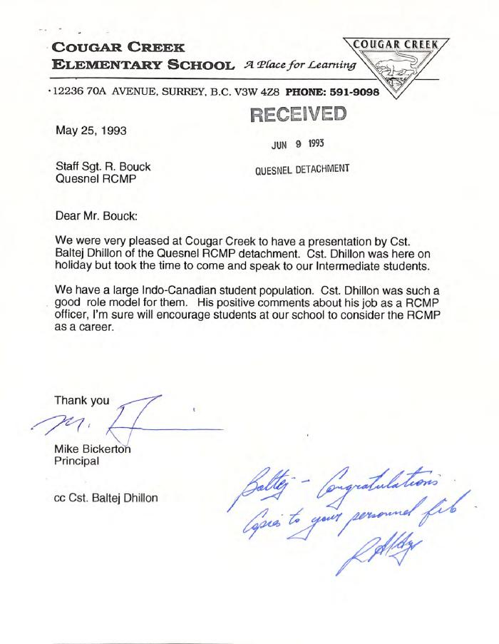
Image | Object | Description | Date
 | [Correspondence from Mike Bickerton] (2020_01_002_060) | Correspondence written by Principal Mike Bickerton to Bob Bouck, copied to Baltej Singh Dhillon's personnel file. Contents include Bickerton's appreciation for Dhillon speaking to the students during his holdiays in Surrey.

