Results
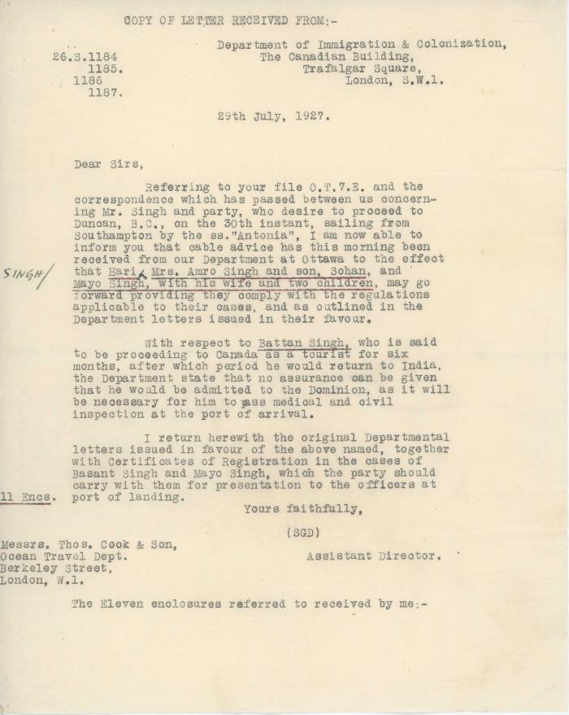
Image | Object | Description | Date
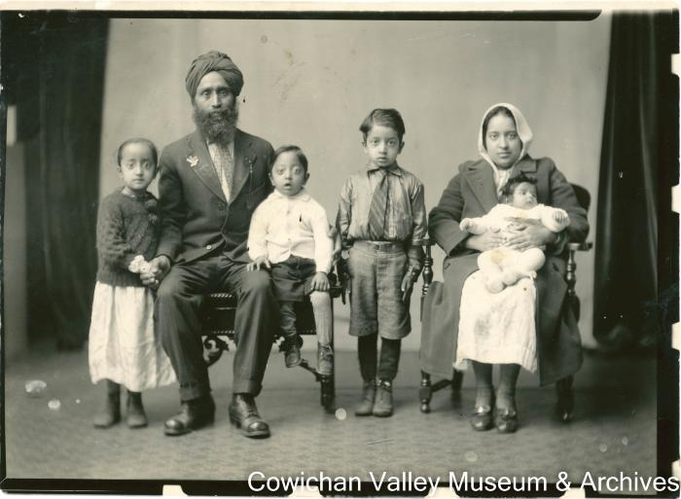 | Arjan S. Samrari with his wife and sons, Mohan Singh, Sohan Singh and Bhajan Singh (2020_06_11_070) | Image of Arjan S. Samrari with his wife, daughter and three sons Mohan, Sohan, and Bhajan.
 | [Letter from Assistant Director, Department of Immigration and Colonization, to Messrs. Thos. Cook & Son] (2020_05_01_07_013) | Letter from Assistant Director, Department of Immigration and Colonization, to Messrs. Thos. Cook & Son regarding the permission for Mr. Singh and party to sail from Southampton to Duncan, B. C. by the R. M. S. Antonia.
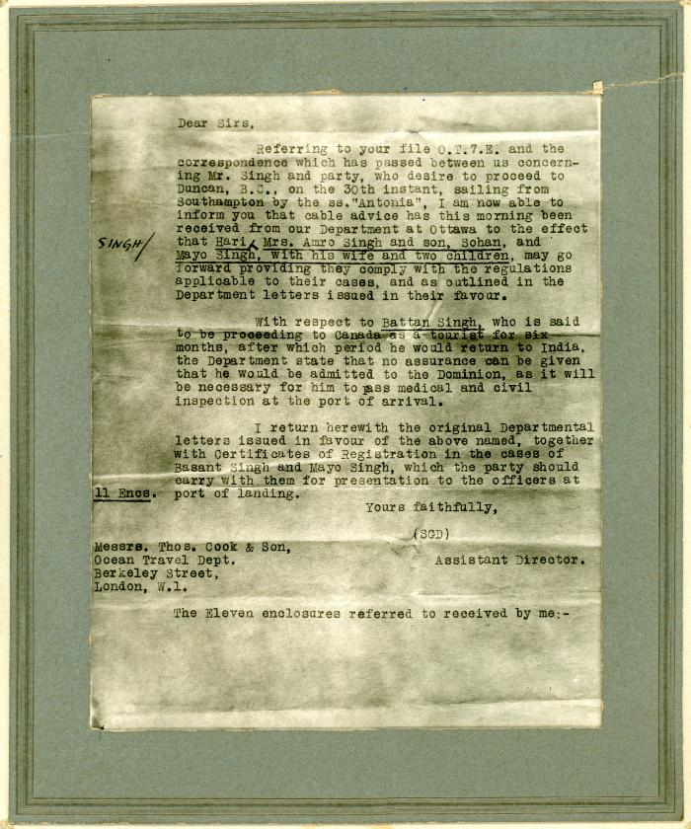
 | [Letter from Assistant Director, Department of Immigration and Colonization, to Messrs. Thos. Cook & Son] (2020_05_01_07_037) | Framed letter from Assistant Director, Department of Immigration and Colonization, to Messrs. Thos. Cook & Son regarding the permission for Mr. Singh and party to sail from Southampton to Duncan, B. C. by the R. M. S. Antonia.
 | [Portrait of Sohan Singh] (2020_03_F00323_001) | Image of Sohan Singh posing for a portait.
 | [Portrait of Sohan Singh] (2020_03_F00323_002) | Image of Sohan Singh posing for a portait.
 | [Portrait of Sohan Singh] (2020_03_F00323_003) | Image of Sohan Singh posing for a portait.
 | [Portrait of Sohan Singh] (2020_03_F00323_004) | Image of Sohan Singh posing for a portait.

