Results
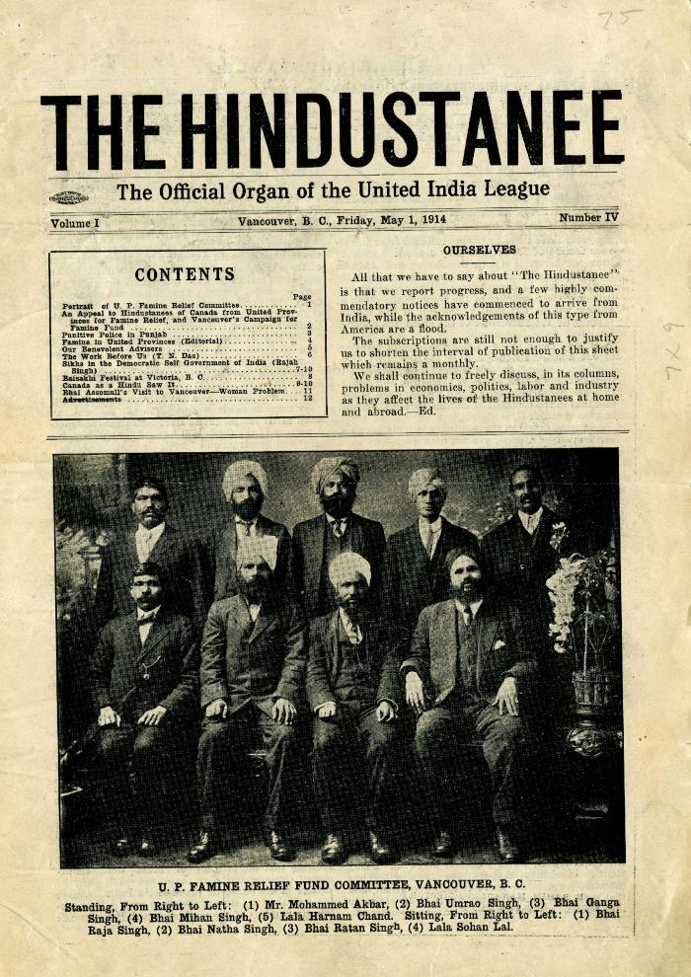
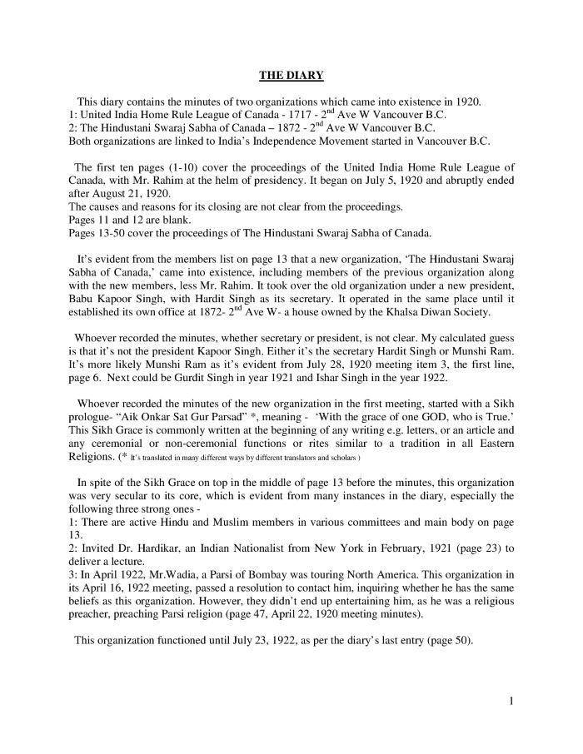
Image | Object | Description | Date
 | The Hindustanee: The Official Organ of the United India League. Volume 1, Number 3 (2021_07_10923) | Contains an article pertaining to the death of Haranam Koor, wife of Bhag Singh.
 | [Diary : United India Home Rule League of Canada and the Hindustani Swaraj Sabha - English translation] (2021_07_10919) | English translation of [Diary : United India Home Rule League of Canada and the Hindustani Swaraj Sabha], containing the minutes of two organizations which came into existence in 1920 in Vancouver: the United India Home Rule League of Canada and the Hindustani Swaraj Sabha of Canada. Both organizations are linked to India's Independence movement started in Vancouver, B.C.

 | Khalsa Diwan Society [Diary], Vancouver, B.C. [: Volume 1 - English translation] (2021_07_10918) | The diary, volume one of two volumes, contains information on the activities of the Vancouver Khalsa Diwan Society between 1906 and 1924, as recorded by Secretary Arjan Singh Brar (Chand).
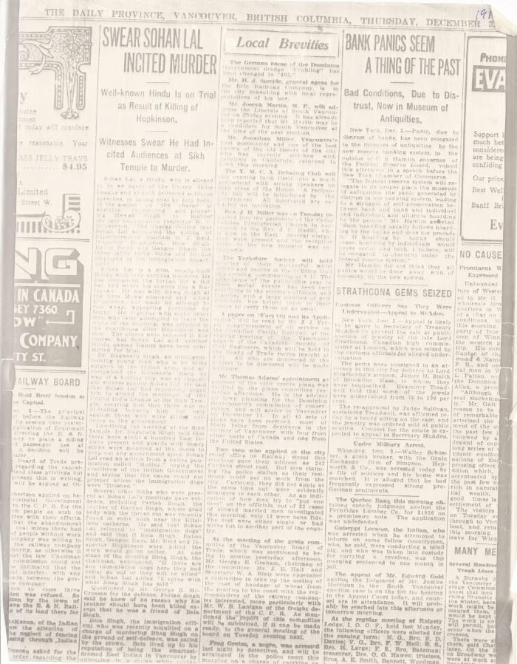
 | Newsclipping - Vancouver Daily Province: Swear Sohan Lal incited murder (2021_07_5503)

