Results
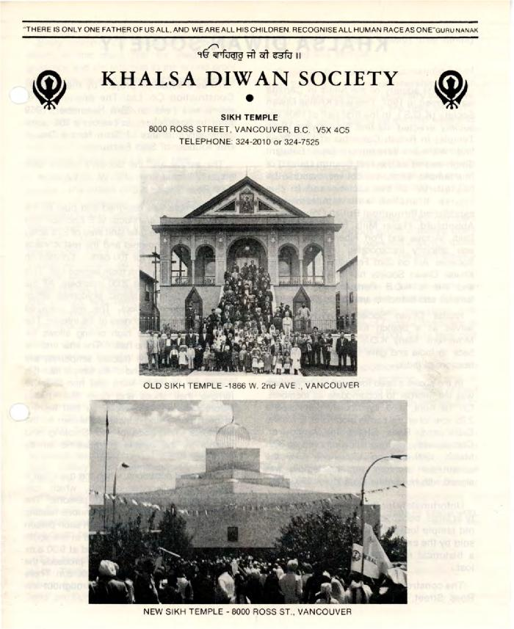
Image | Object | Description | Date
 | Khalsa Diwan Society (2020_04_004_036) | Pamplet detailing the history of the Khalsa Diwan Society in Vancouver. The piece was written by Sarbjit Singh Neel. On the cover there are two photographs: one of the old gurdwara in Vancouver, the second, a photograph of the gurdwara located on Ross Street in Vancouver. On the last page, there are photographs of Bhai Mewa Singh and Bhai Balwant Singh.
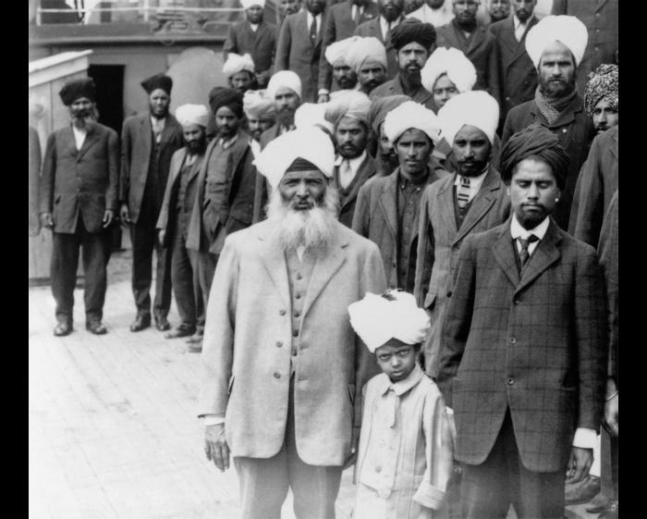 | Sikh men and boy onboard the Komagata Maru (2021_05_040) | Image of Gurdit Singh (front) and his son Balwant, and other unidentified men aboard the Komagata Maru. To their left are Daljit Singh Kauni, Puran Singh Janetpur, and Baba Garmukh Singh Lalton.
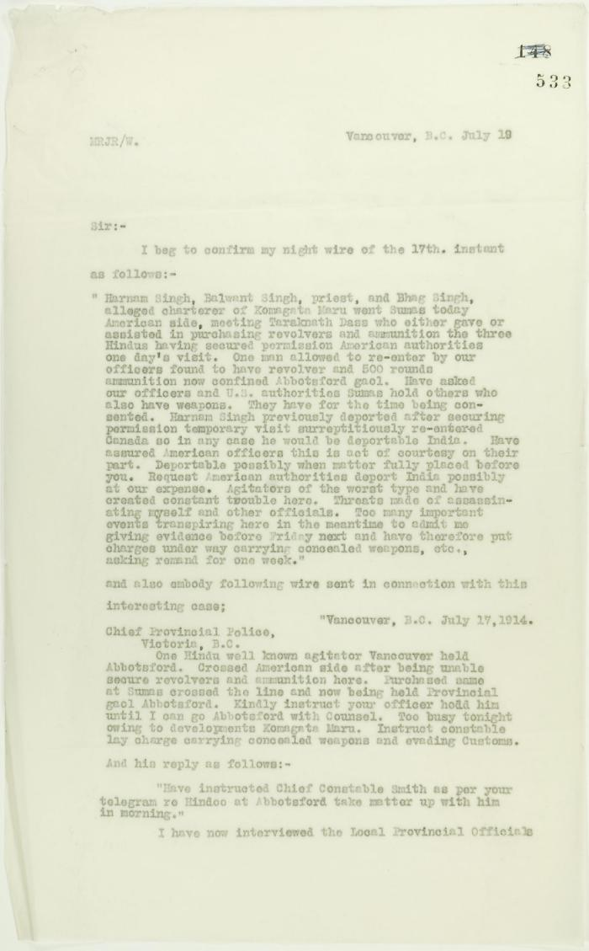
 | Copy of letter from Reid to W. D. Scott confirming telegrams re purchase of revolvers by Hindus. Page 1-2 (2021_07_1040) | Page 533-534
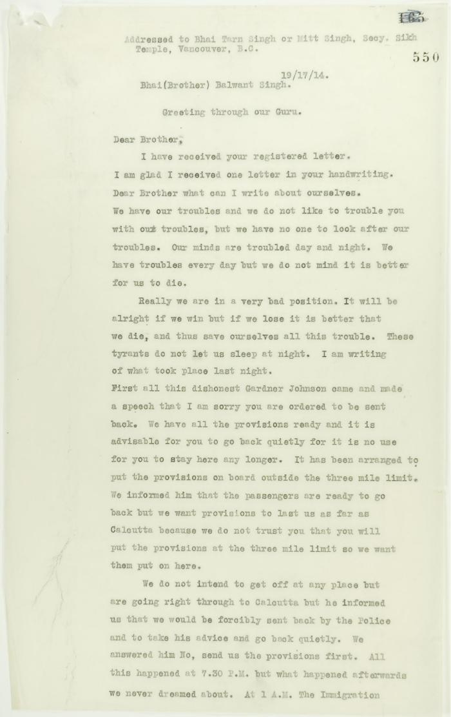
 | Copy of address to the Secretary of the Sikh Temple, Vancouver, unsigned. Page 1-6 (2021_07_1216) | Page 550-555
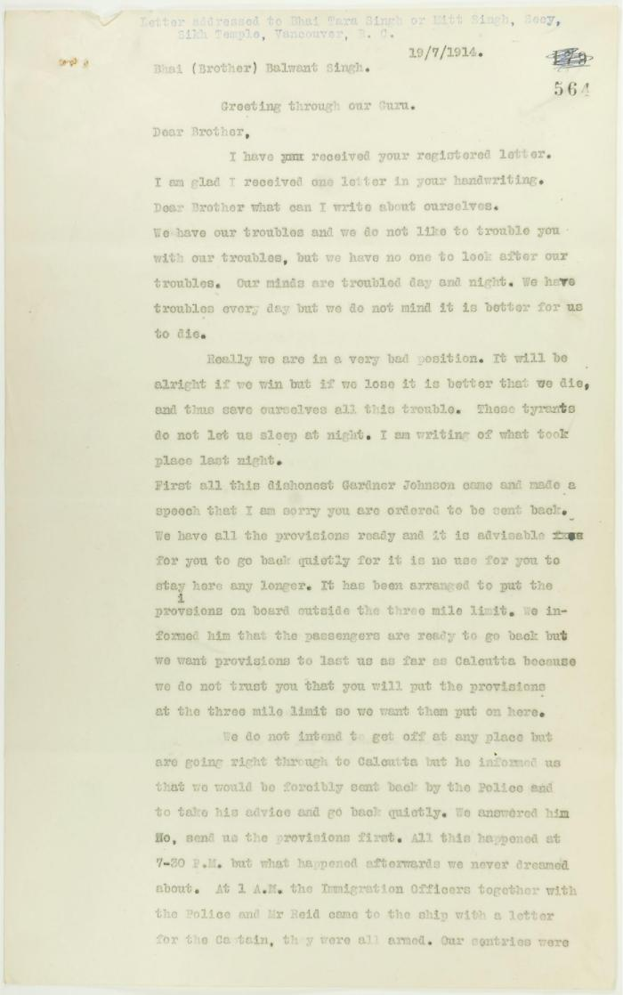
 | Copy of letter, unsigned, to Balwant Singh, Secretary, Sikh Temple, describing conditions on board the Maru. Page 1-6 (2021_07_1366) | Page 564-569
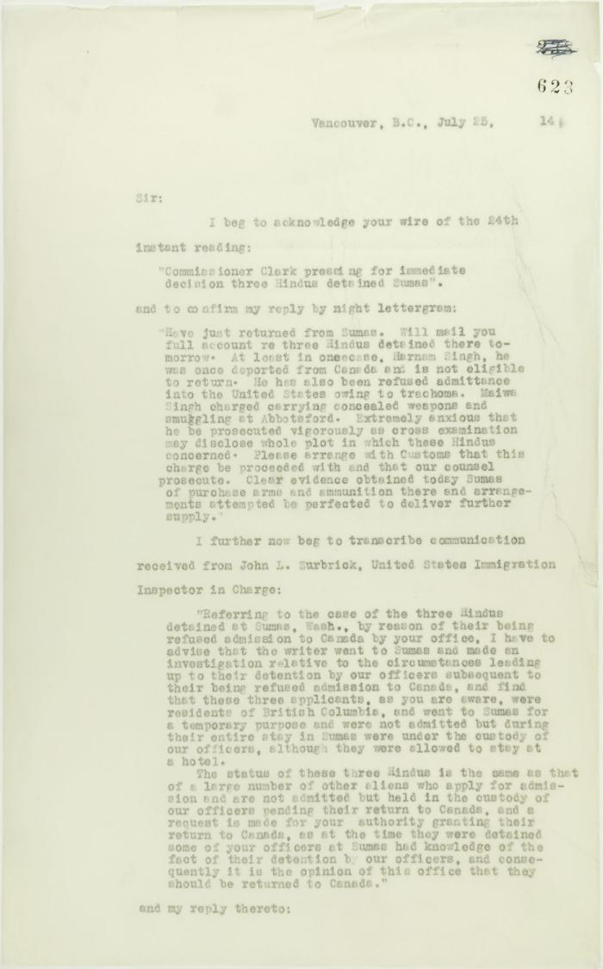
 | Copy of letter from Reid to W. D. Scott acknowledging wires sent and received, and re his visit to Sumas. Page 1-5 (2021_07_2053) | Page 623-627
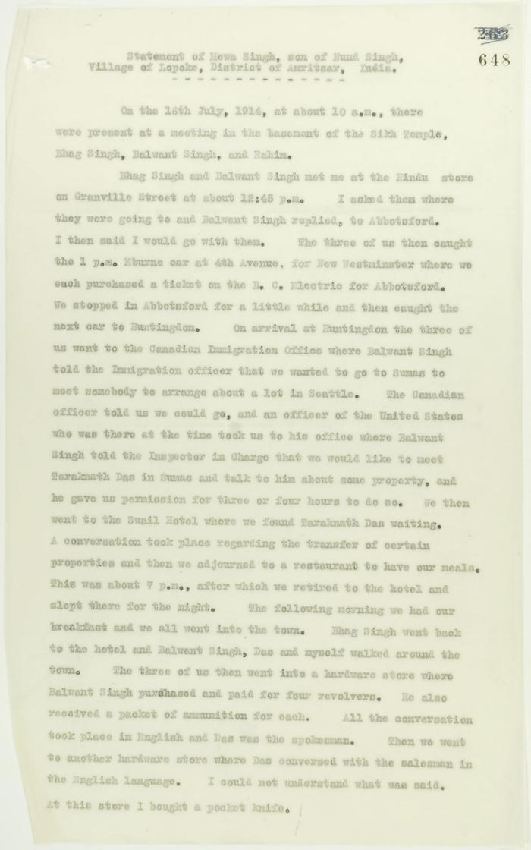
 | Statement by Mewa Singh (see p. 647). Page 1-2 (2021_07_2294) | Page 648-649
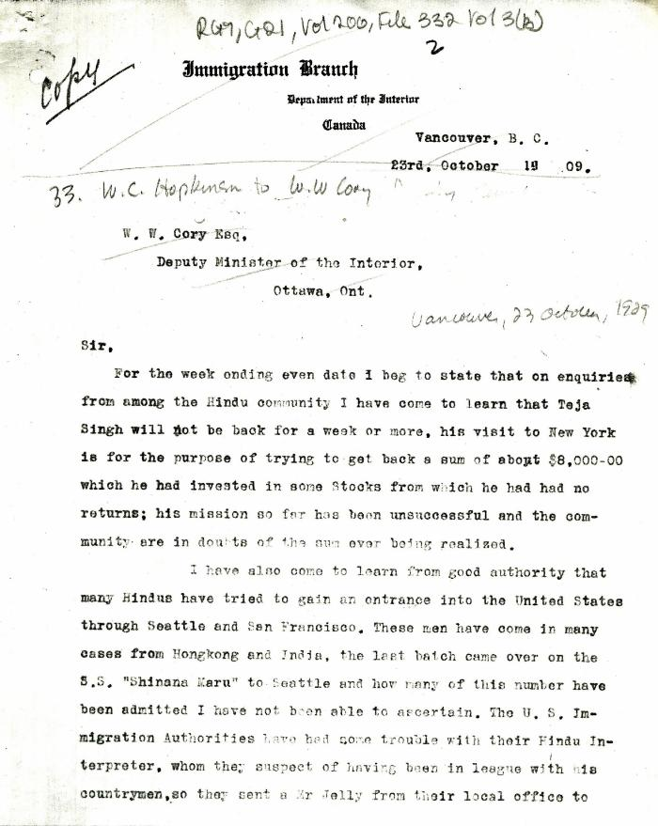
 | [William C. Hopkinson, Immigration Inspector, to William W. Cory, Deputy Minister of the Interior. Copy] (2021_07_4275) | Library and Archives Canada. RG7-G-21, Vol. 200, File 332, vol. 3 (3b)
 | [William C. Hopkinson, Immigration Inspector, to William W. Cory, Deputy Minister of the Interior. Copy] (2021_07_4282) | Library and Archives Canada. RG7-G-21, Vol. 200, File 332, vol. 2 (3b)
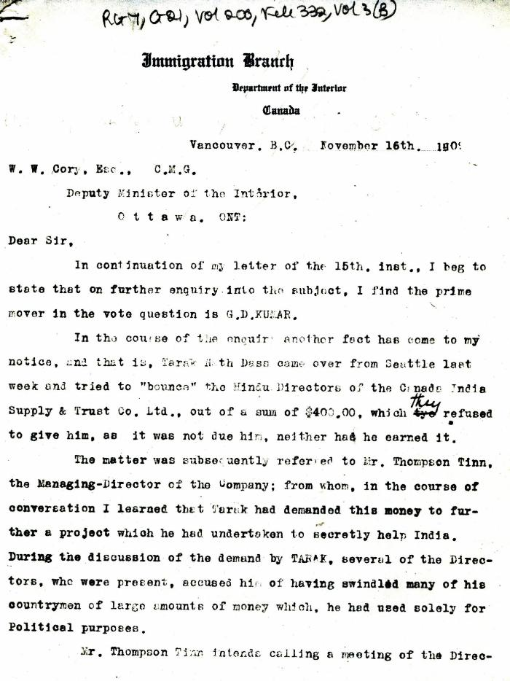
 | [William C. Hopkinson, Immigration Inspector, to William W. Cory, Deputy Minister of the Interior] (2021_07_4285) | Library and Archives Canada. RG7-G-21, Vol. 200, File 332, vol. 3 (b)
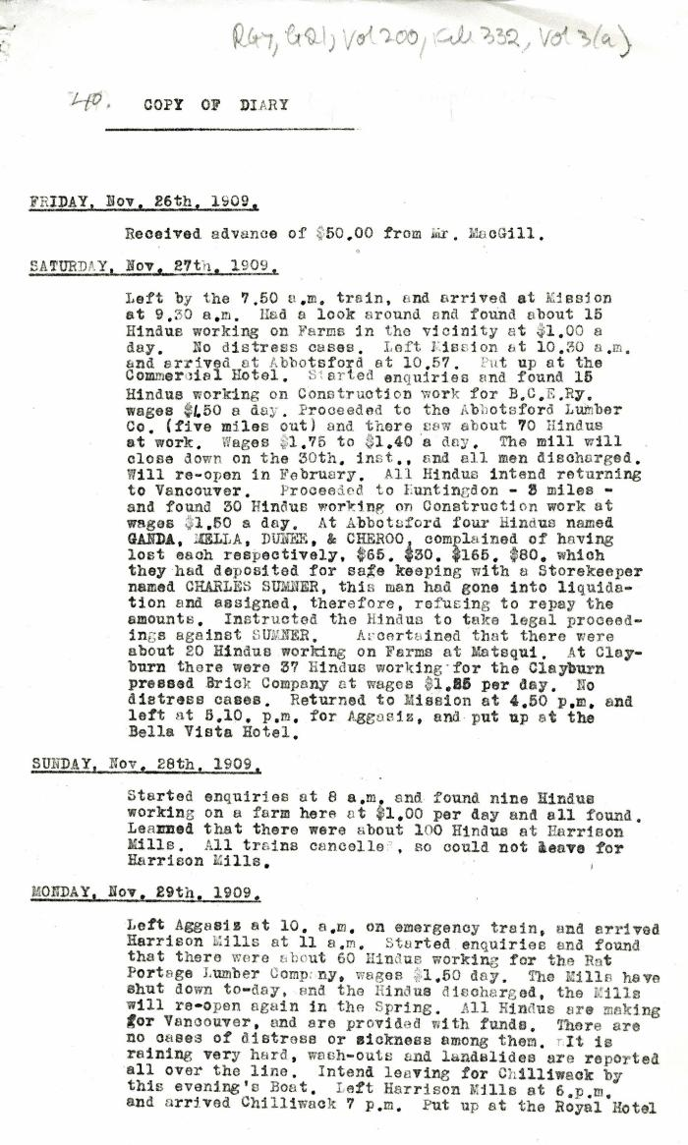
 | Copy of Diary [William C. Hopkinson, Immigration Inspector] (2021_07_4294) | Library and Archives Canada. RG7-G-21, Vol. 200, File 332, vol. 3 (b)
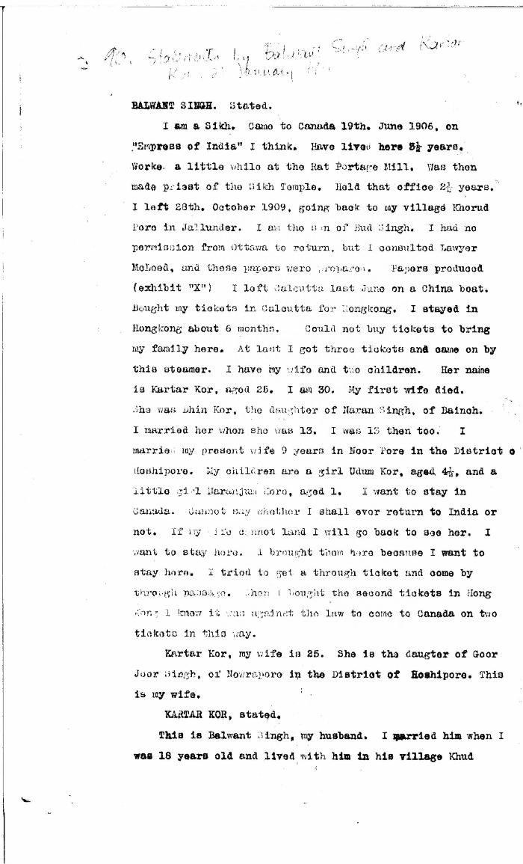
 | [Statements by Balwant Singh and Kartar Kor] (2021_07_4361)
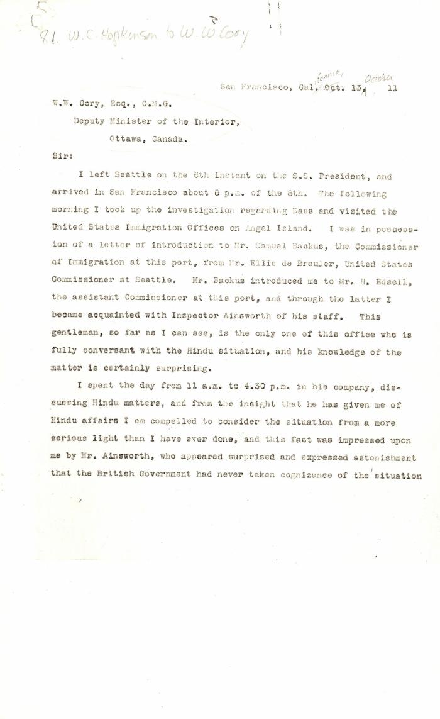
 | [William C. Hopkinson, Immigration Inspector, to William W. Cory, Deputy Minister of the Interior] (2021_07_4422) | Library and Archives Canada. RG7-G-21, Vol. 201, File 332, vol. 5 (a)
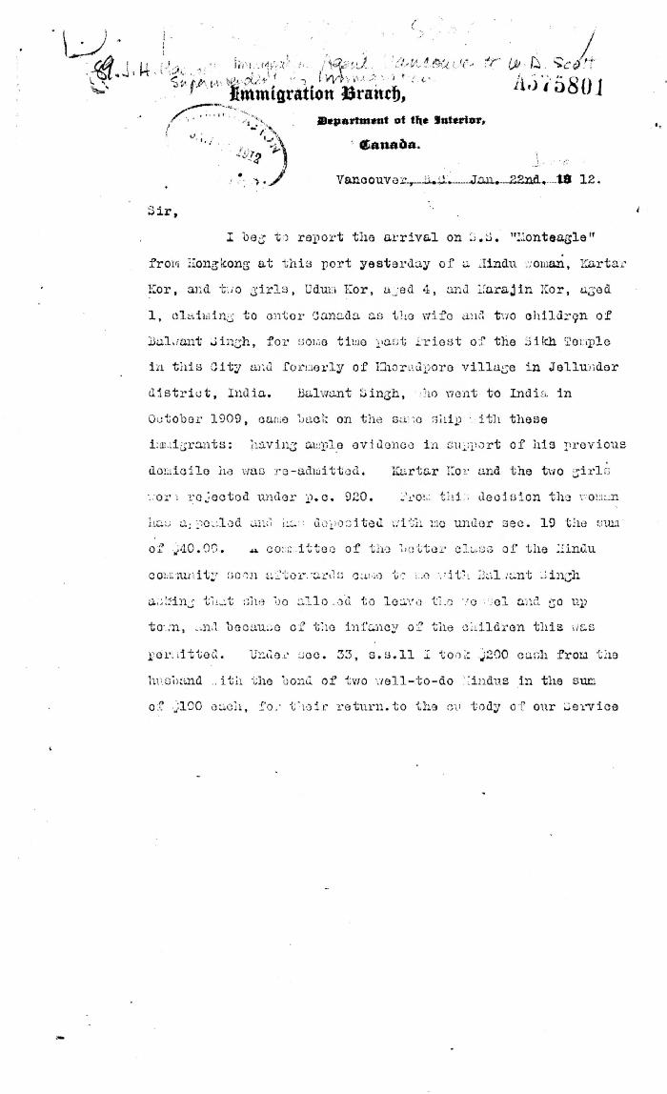
 | [J. H. MacGill, Immigration Agent, Vancouver, to William D. Scott, Superintendent of Immigration. Original] (2021_07_4446) | Library and Archives Canada. RG76, Vol. 384, File 536999, pt. 4
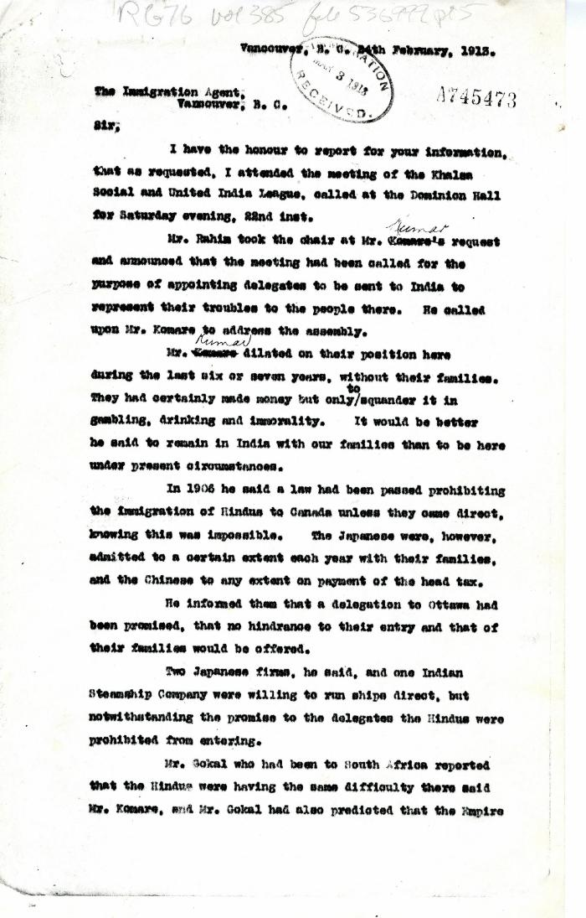
 | [Henry W. Gwyther, Hindu interpreter, to Malcolm R. J. Reid, Dominion Immigration Agent] (2021_07_4913) | Library and Archives Canada. RG76, Vol. 385, File 536999, pt. 5
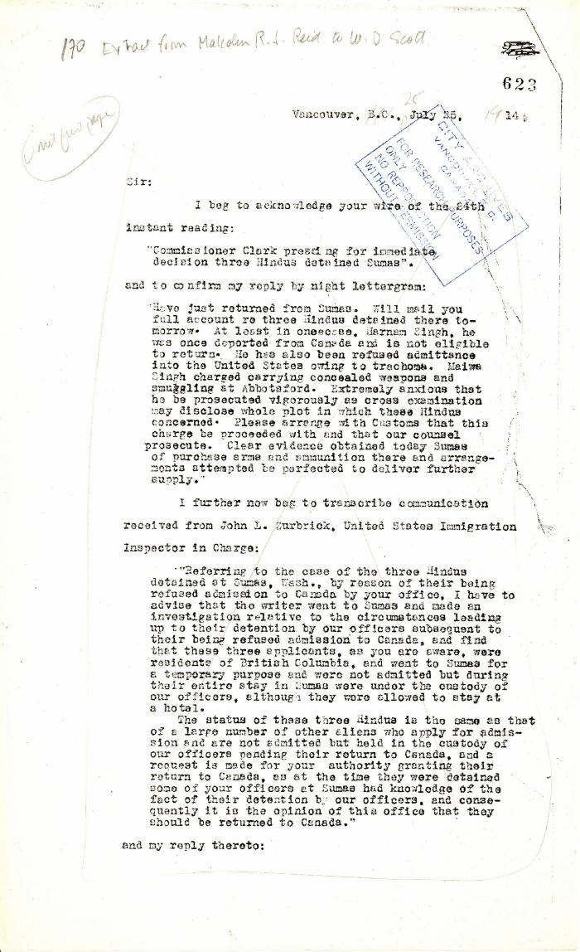
 | Extract from Malcolm R. J. Reid to W. D. Scott (2021_07_5208) | Pages 623-627
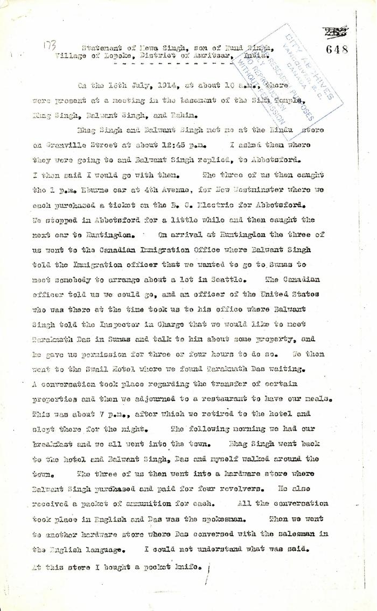
 | Statement of Mewa Singh, son of Nand Singh, Village of Lopoke, District of Amritsar, India (2021_07_5211) | Pages 648-649
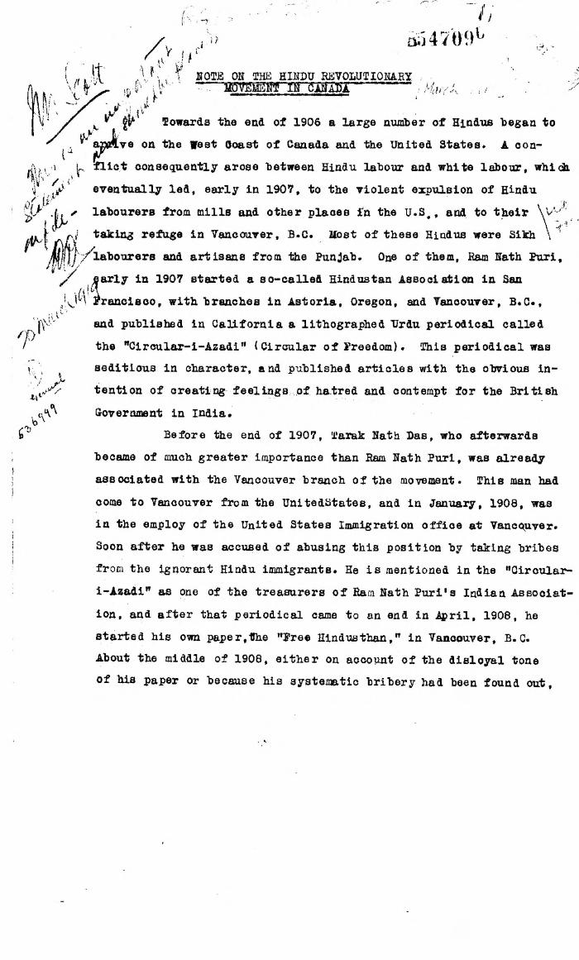
 | Note on the Hindu Revolutionary Movement in Canada (2021_07_5232) | Library and Archives Canada. RG76, Vol. 386, File 536999, pt. 11
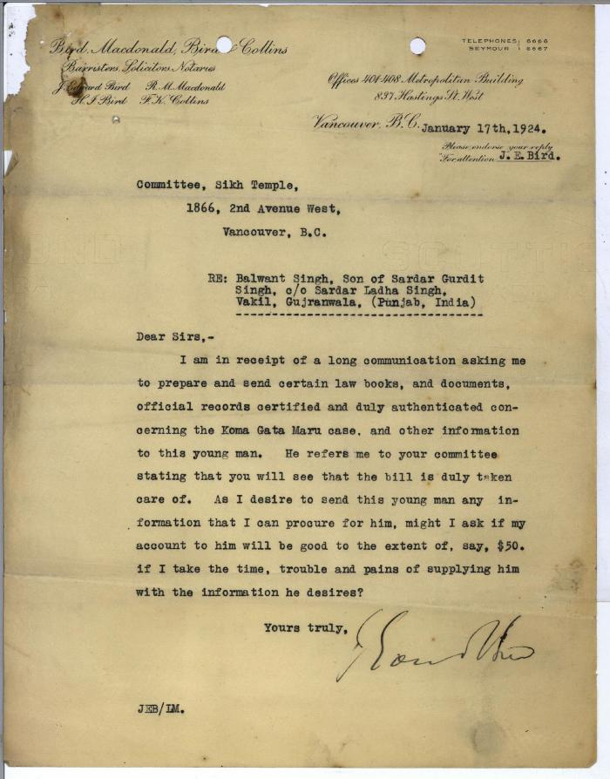
 | [Letters from J. Edward Bird of Bird, Macdonald, Bird & Collins to Committee, Sikh Temple and Khalsa Diwan Society, 1866 2nd Avenue West, Vancouver, B.C. re: request from Balwant Singh, son of Sardar Gurdit Singh, and monies owed from the Society] (2021_07_5966)
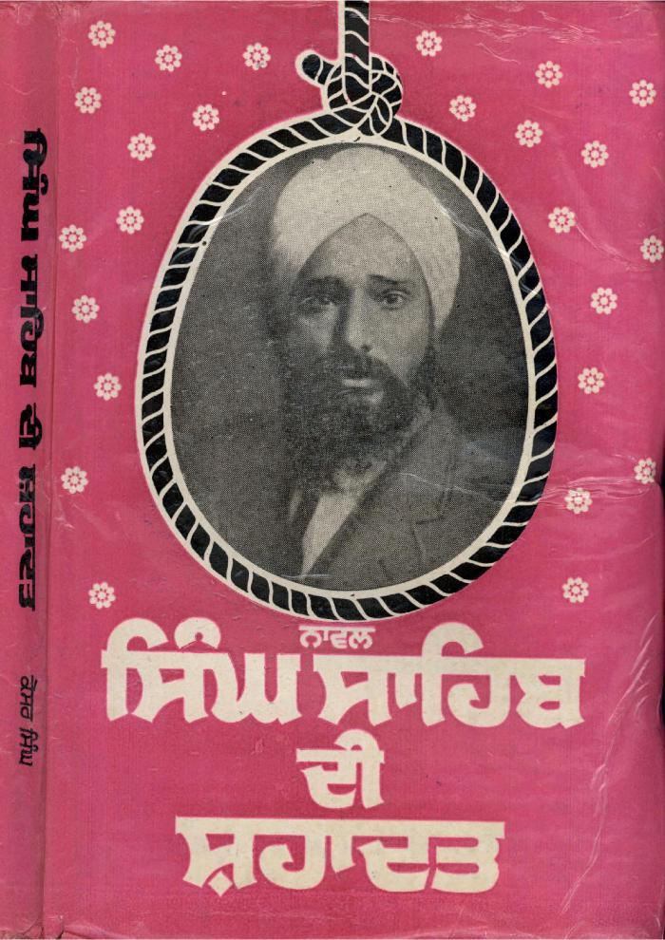
 | Singh Sahib Di Shahadit = Martyrdom of Singh Sahib (2021_07_7501)
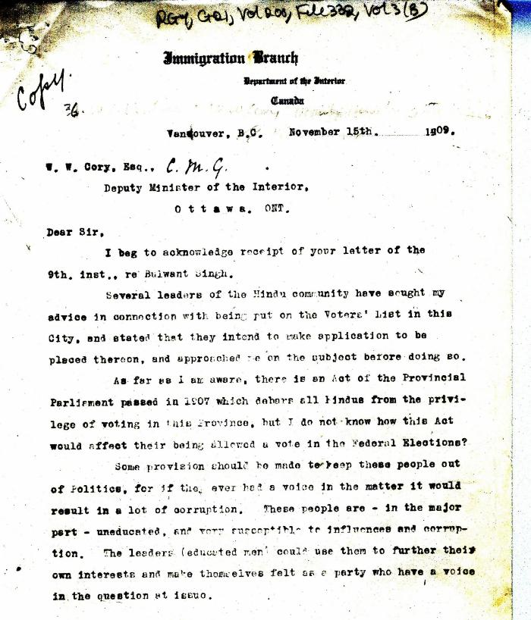 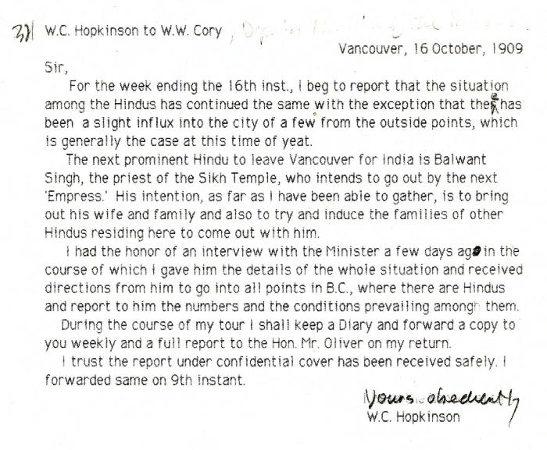 | [William C. Hopkinson, Immigration Inspector, to William W. Cory, Deputy Minister of the Interior, re departure and plans of Balwant Singh] (2021_07_10300) | Library and Archives Canada. RG7-G-21, Vol. 200, File 332, vol. 2
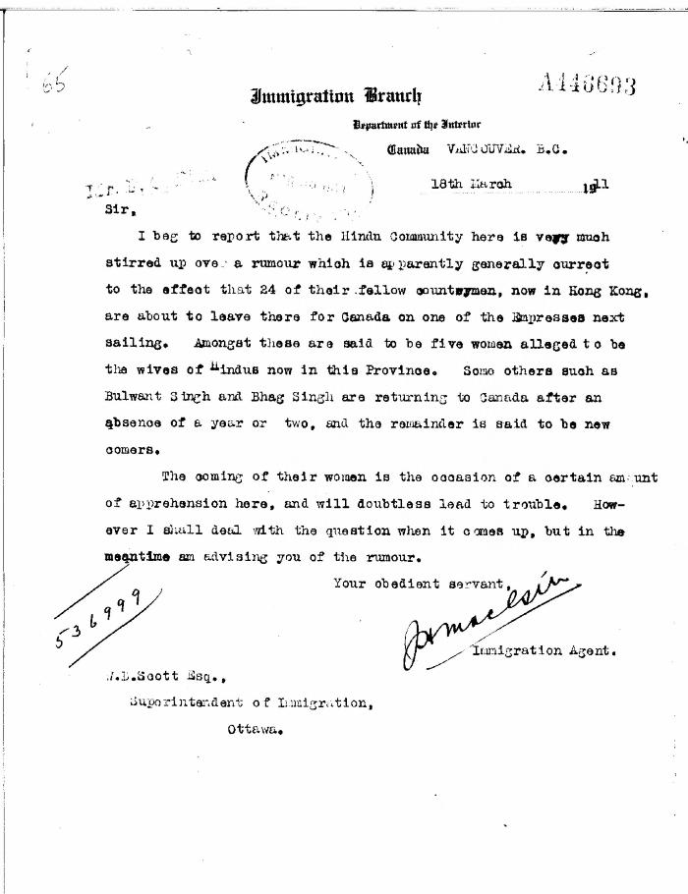
 | [J. H. MacGill, Immigration Agent, to William D. Scott, Superintendent of Immigration, re rumour in Hindu community of women emigrating soon. Original] (2021_07_10304) | Library and Archives Canada. RG76, Vol. 384, File 536999, pt. 3
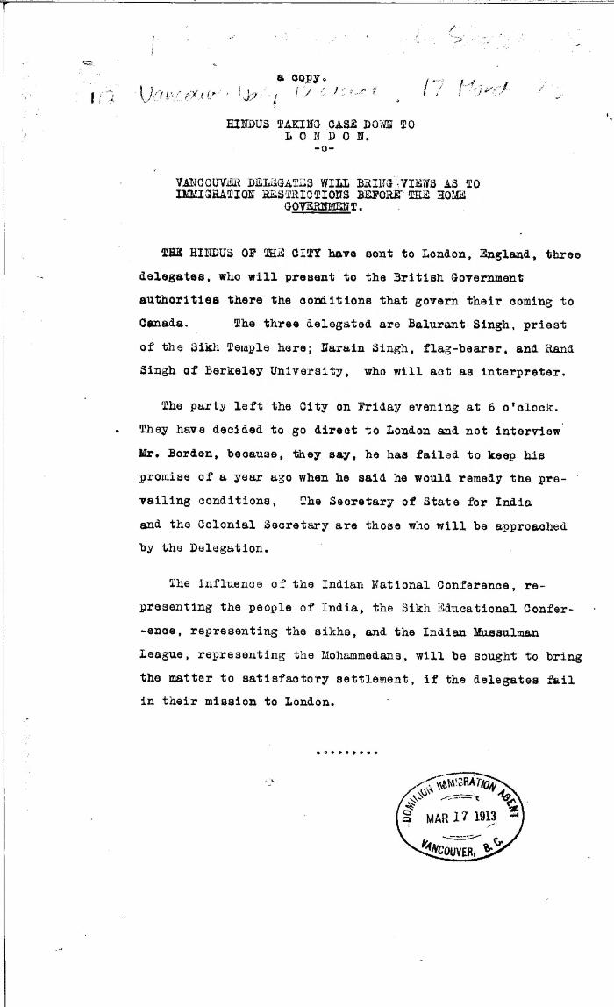
 | Newsclipping - Vancouver Daily Province: Hindus taking the case down to London: Vancouver delegates will bring views as to immigration restrictions before the home government (2021_07_10316) | Library and Archives Canada. RG7-G-21, Vol. 385, File 536999, pt. 5
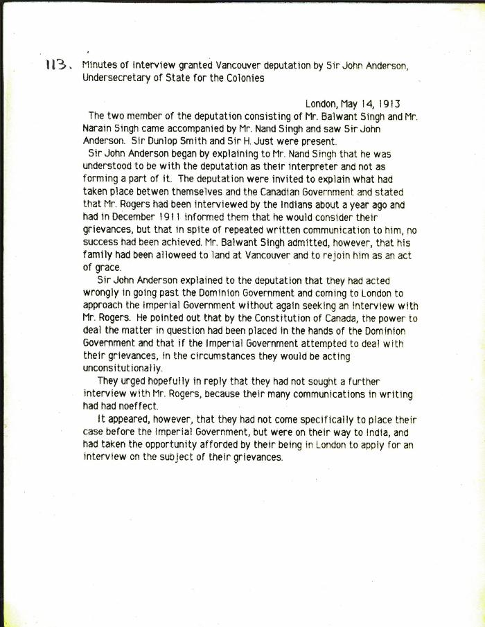
 | [Minutes of interview granted Vancouver deputation by Sir John Anderson, Under-Secretary of State for the Colonies, re Indians' complaints about Canada's immigration regulations] (2021_07_10317)
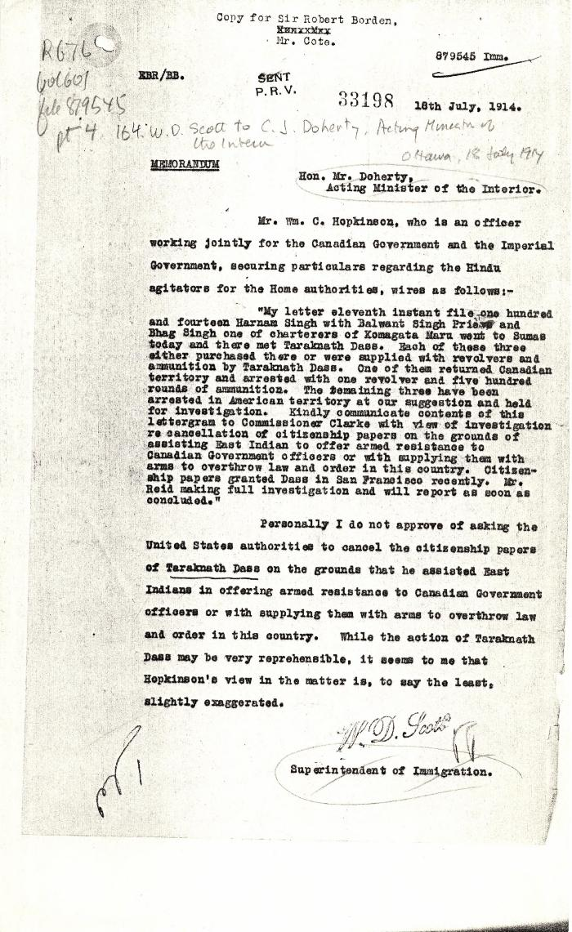
 | [William D. Scott, Superintendent of Immigration, to Charles J. Doherty, Minister of Justice, re Hopkinson's report on Balwant Singh and Bhag Singh. Copy] (2021_07_10338) | Library and Archives Canada. RG76, Vol. 601, File 879545, pt. 4
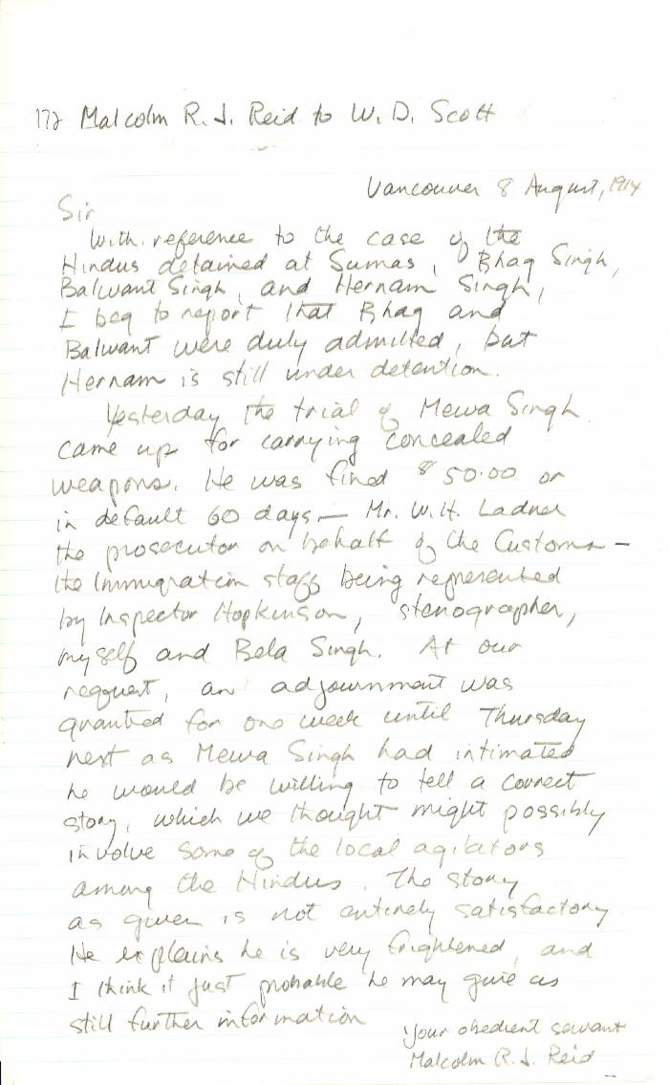
 | [Malcolm R. J. Reid, Dominion Immigration Agent, to William D. Scott, Superintendent of Immigration. Original] (2021_07_10342) | Library and Archives Canada. RG76, Vol. 387, File 536999, PEI RO
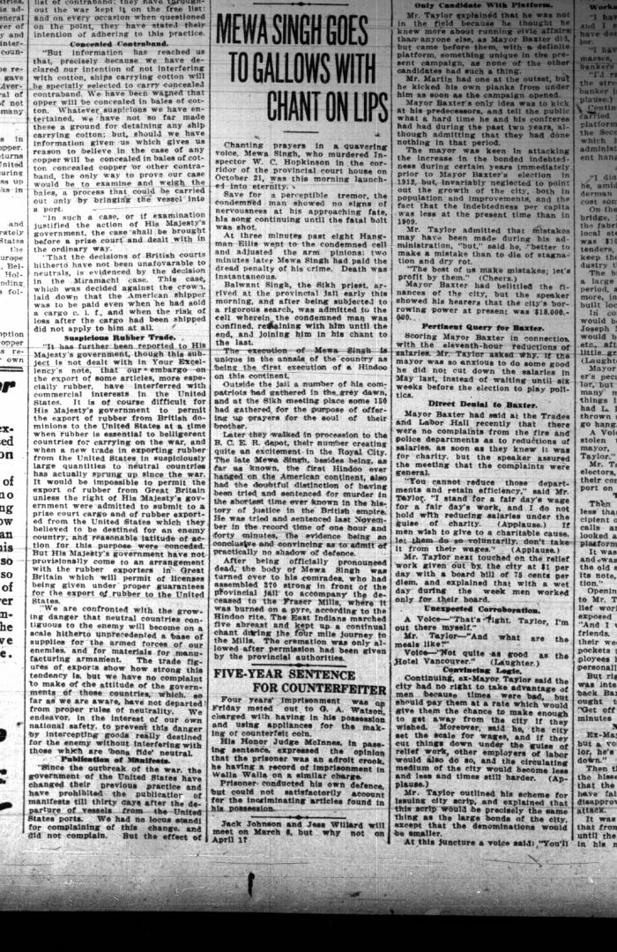
 | Newsclipping - Vancouver World: Mewa Singh goes to gallows with chant on lips. Page 2 (2021_07_10466)
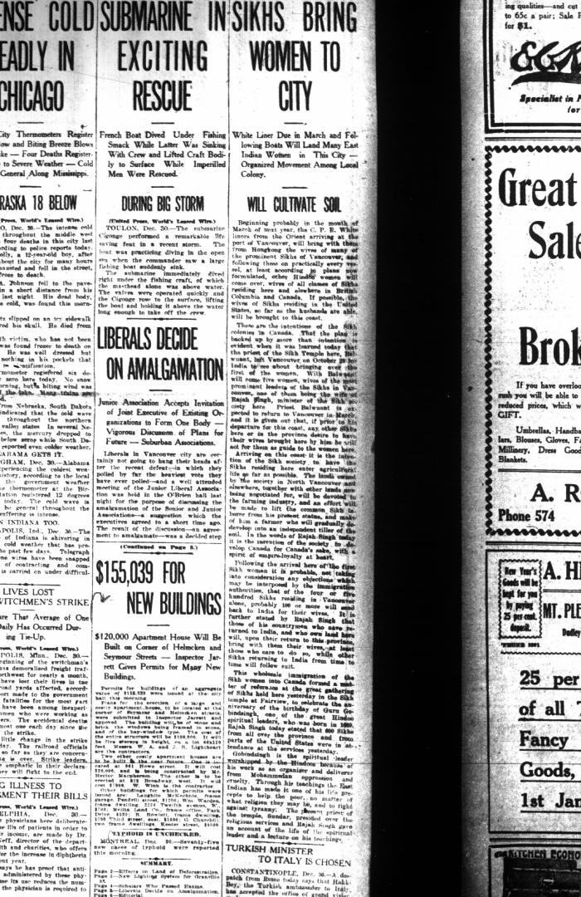
 | Newsclipping - Vancouver World: Sikhs bring women to city. Page 1 (2021_07_10509)
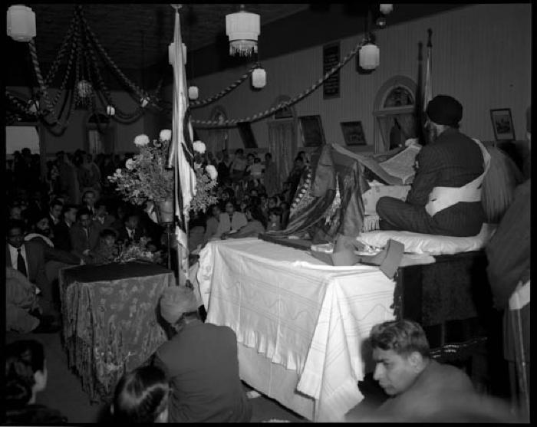 | Inside the Sikh Temple during a visit by Nehru (2021_07_10581) | 1866-72 West 2nd Avenue. Vancouver Public Library. Accession number 46229
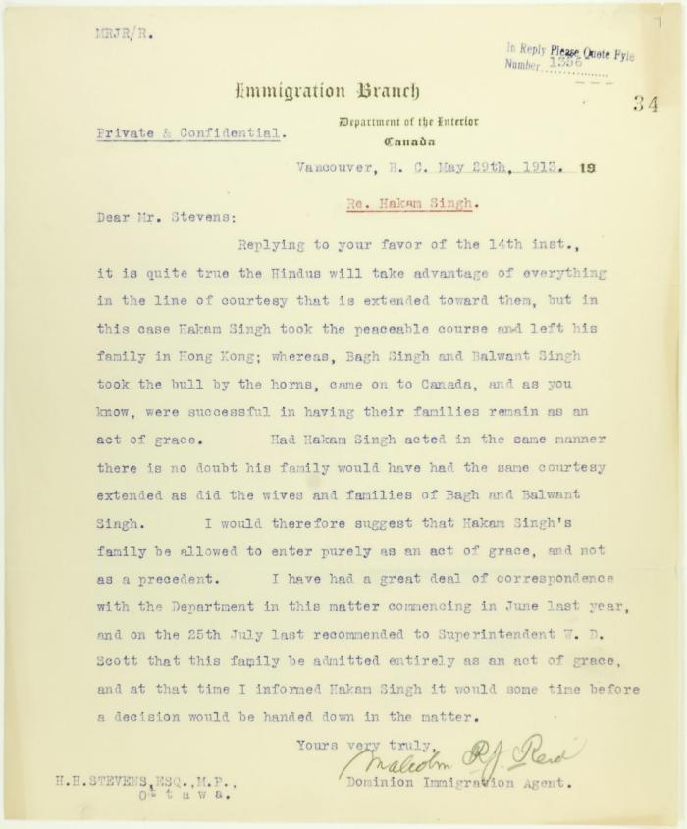
 | Letter from Malcolm Reid to Stevens re entry of family of Hakam Singh, as an act of grace (2021_07_10665) | Page 34
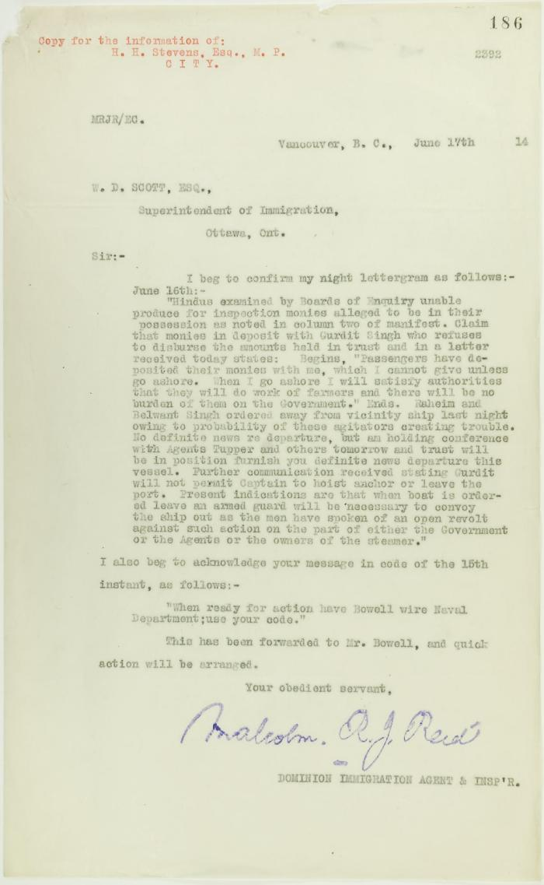
 | Copy of letter from Reid to W. D. Scott re money deposited with Gurdit Singh, and preparations to escort Komagatu Maru out of the port (2021_07_10693) | Page 186
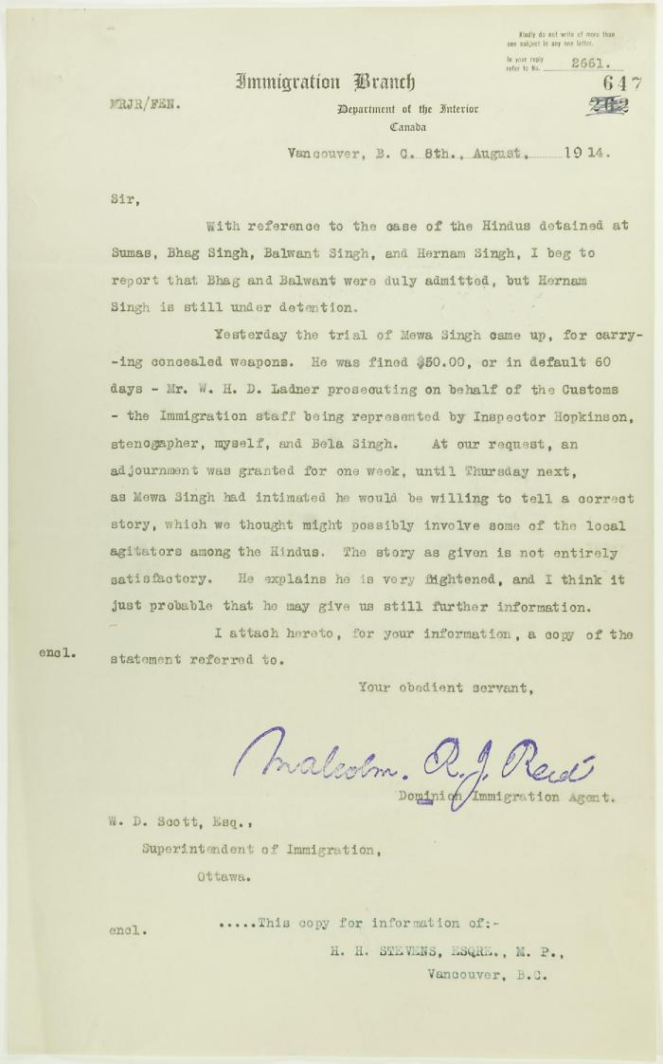
 | Copy of letter from Reid to W. D. Scott re Hindus detained at Sumas, and enclosing a statement by Mewa Singh (2021_07_10771) | Page 647
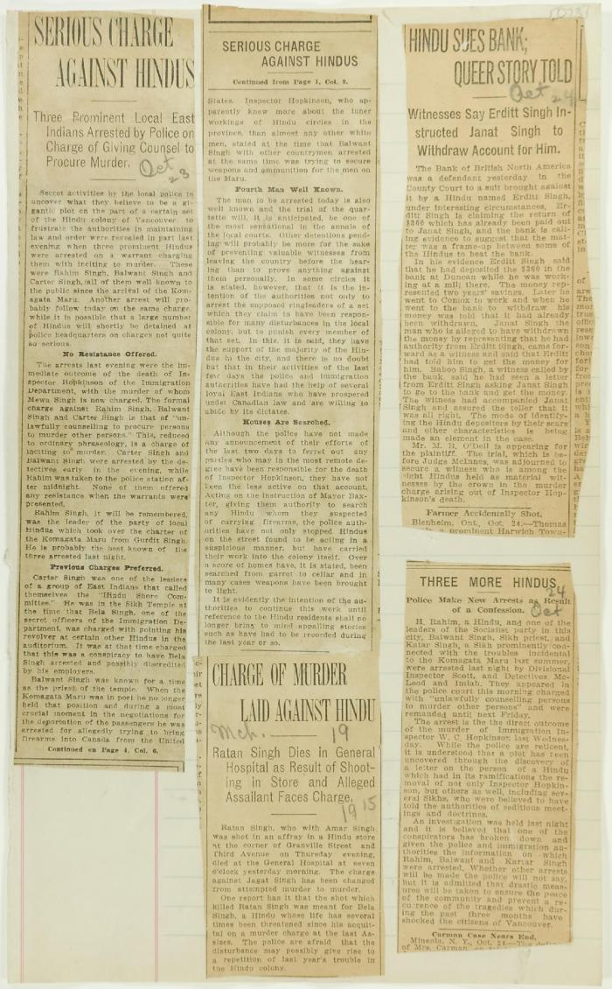
 | Newsclippings - Serious charge against Hindus; Charge of murder laid against Hindu; Hindu sues bank, queer story told; Three more Hindus (2021_07_10803)
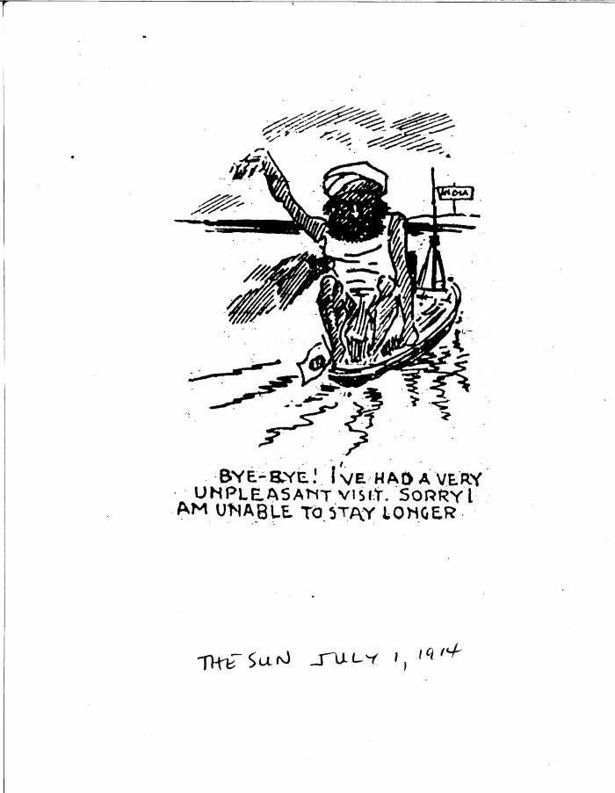
 | Bye-bye! I've had a very unpleasant visit. Sorry I am unable to stay longer. (2021_07_10822)
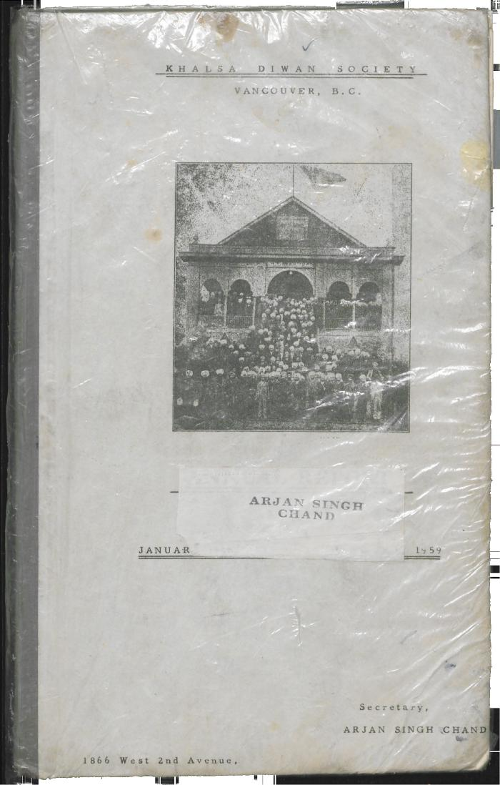
 | Khalsa Diwan Society [Diary], Vancouver, B.C. [: Volume 1 - English translation] (2021_07_10918) | The diary, volume one of two volumes, contains information on the activities of the Vancouver Khalsa Diwan Society between 1906 and 1924, as recorded by Secretary Arjan Singh Brar (Chand).

