Results
Image | Object | Description | Date
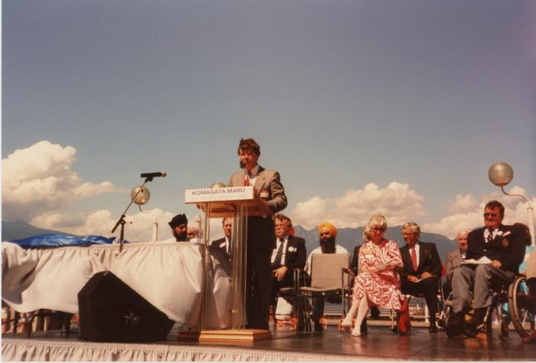 | Mr. Gordon Wilson : Liberal Party (2020_04_004_069) | A colour image taken at the historical gathering commemorating the 75th anniversary of the Komagata Maru tragedy. A group of people are seen seated on top of a stage. On the left there is a table. Kanwal Singh Neel, John Fraser, Noël Kinsella, Margaret Mitchell and Doug Mowat are seen on stage. There is a podium that reads "Komagata Maru 75th Anniversary 1914-1989." Gordon Wilson, leader of the Liberal Party of B.C. is seen giving a speech into a microphone.
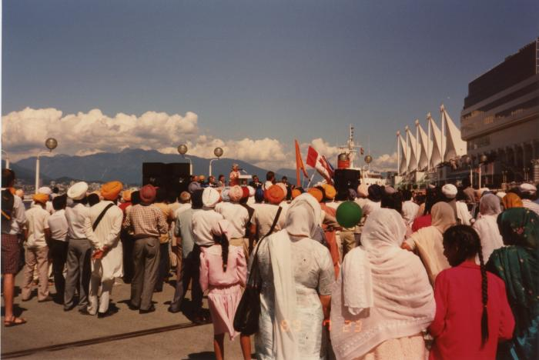 | Ms. Margaret Mitchell : N.D.P. (2020_04_004_073) | A colour image taken at the historical gathering commemorating the 75th anniversary of the Komagata Maru tragedy. In the foreground is a crowd of people gathering. In the distance Margaret Mitchell, M.P, is seen at a podium giving a speech. There are speakers on stage and three flags are visible: the B.C. flag, the Canadian flag, and the Nishan Sahib, a flag symbolizing the Sikh religion. On the right of the image, Canada Place is visible.
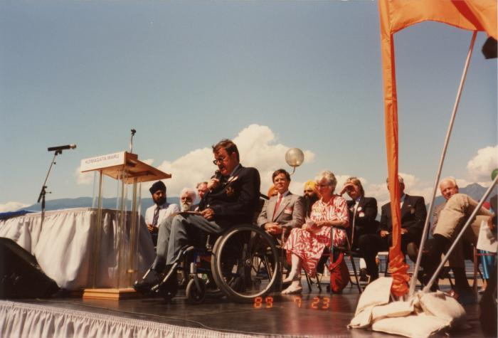 | Mr. Doug Mowat M.L.A (2020_04_004_074) | A colour image taken at the historical gathering commemorating the 75th anniversary of the Komagata Maru tragedy. A group of people are seen seated on top of a stage. On the left there is a table. Kanwal Singh Neel, John Fraser, Noël Kinsella, Margaret Mitchell and Gordon Wilson are seen on stage. There is a podium that reads "Komagata Maru 75th Anniversary 1914-1989." Doug Mowat, a Member of the Legislative Assembly of British Columbia, is seen giving a speech into a microphone.
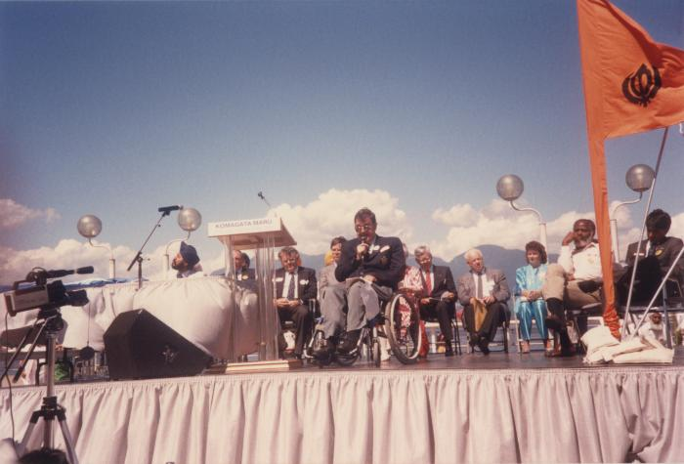 | Mr. Doug Mowat M.L.A (2020_04_004_075) | A colour image taken at the historical gathering commemorating the 75th anniversary of the Komagata Maru tragedy. A group of people are seen seated on top of a stage. On the left there is a table. Kanwal Singh Neel, John Fraser, Noël Kinsella, Margaret Mitchell, Gordon Wilson, Emery Barnes, Moe Sihota, Rosaline Stoddard, and Jim Young are seen on stage. There is a podium that reads "Komagata Maru 75th Anniversary 1914-1989." Doug Mowat, a Member of the Legislative Assembly of British Columbia, is seen giving a speech into a microphone.
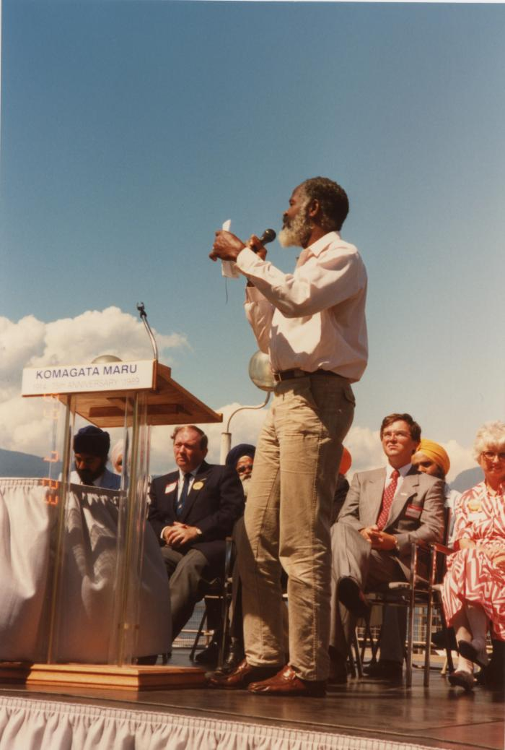
 | Mr. Emery Barnes M.L.A. (2020_04_004_076) | A colour image taken at the historical gathering commemorating the 75th anniversary of the Komagata Maru tragedy. A group of people are seen seated on top of a stage. On the left there is a table. Kanwal Singh Neel, John Fraser, Margaret Mitchell, and Gordon Wilson are seen on stage. There is a podium that "Komagata Maru 75th Anniversary 1914-1989." Emery Barnes is seen giving a speech into a microphone.
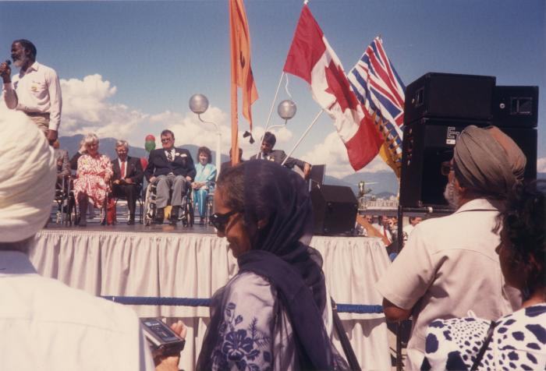 | Mr. Emery Barnes M.L.A. (2020_04_004_077) | A colour image taken at the historical gathering commemorating the 75th anniversary of the Komagata Maru tragedy. A group of people are seen seated on top of a stage. Margaret Mitchell, Doug Mowat, Rosaline Stoddard, and Moe Sihota are seen seated on stage. Emery Barnes is standing on the left of the image, giving a speech into a microphone. There are three flags visible on stage: the B.C. flag, the Canadian flag, and the Nishan Sahib, a flag symbolizing the Sikh religion. There is a crowd of people in the foreground, standing in front of the stage.
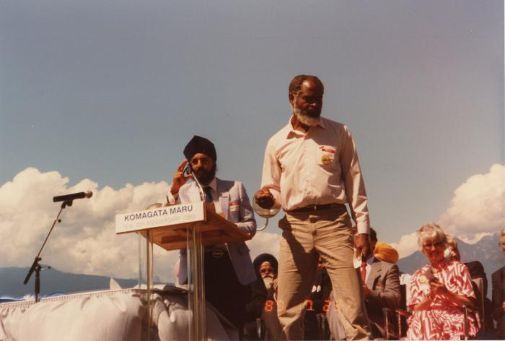 | Mr. Emery Barnes M.L.A. (2020_04_004_078) | A colour image taken at the historical gathering commemorating the 75th anniversary of the Komagata Maru tragedy. A group of people are seen seated on top of a stage. On the left there is a table. There is a podium that reads, "Komagata Maru 75th Anniversary 1914-1989." Kanwal Singh Neel is moving the microphone at the podium towards him and Emery Barnes is seen turning away from the podium, to the right of the image. Margaret Mitchell is seen seated in the background, clapping.
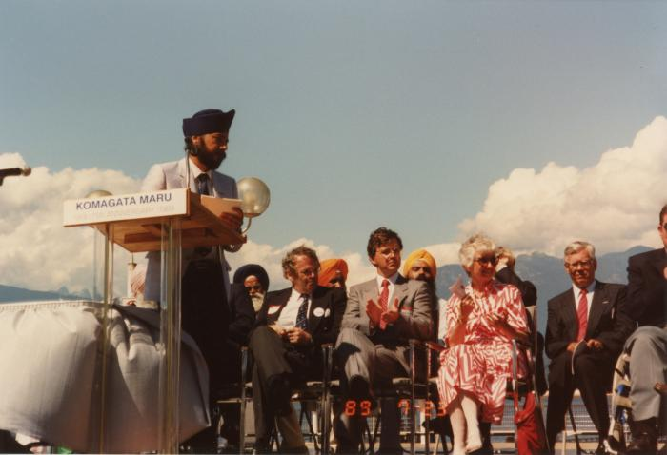 | Canada Place gathering (2020_04_004_079) | A colour image taken at the historical gathering commemorating the 75th anniversary of the Komagata Maru tragedy. A group of people are seen seated on top of a stage. On the left there is a table. There is a podium that reads, "Komagata Maru 75th Anniversary 1914-1989." Kanwal Singh Neel is seen standing behind the podium. Noël Kinsella, Margaret Mitchell, and Gordon Wilson are seen seated on stage.
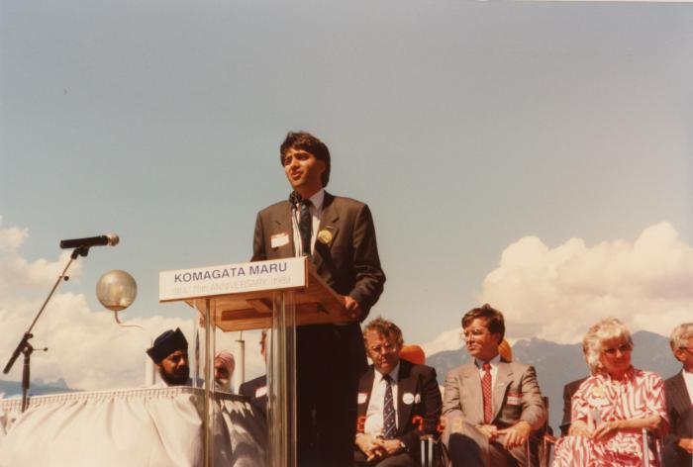 | Mr. Moe Sihota M.L.A (2020_04_004_080) | A colour image taken at the historical gathering commemorating the 75th anniversary of the Komagata Maru tragedy. A group of people are seen seated on top of a stage. On the left there is a table. There is a podium that reads, "Komagata Maru 75th Anniversary 1914-1989." Moe Sihota is seen giving a speech into the microphone. Kanwal Singh Neel, Noël Kinsella, Margaret Mitchell, and Gordon Wilson are seen seated on stage.
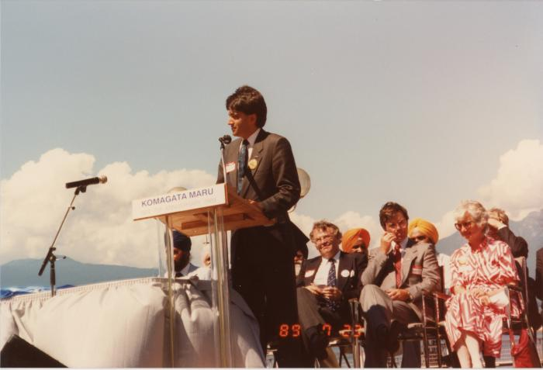 | Mr. Moe Sihota M.L.A (2020_04_004_081) | A colour image taken at the historical gathering commemorating the 75th anniversary of the Komagata Maru tragedy. A group of people are seen seated on top of a stage. On the left there is a table. There is a podium that reads, "Komagata Maru 75th Anniversary 1914-1989." Moe Sihota is seen giving a speech into the microphone. Kanwal Singh Neel, Noël Kinsella, Margaret Mitchell, and Gordon Wilson are seen seated on stage behind Moe Sihota.
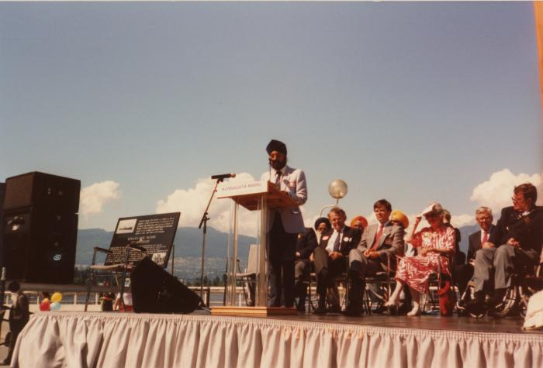 | Canada Place gathering (2020_04_004_085) | A colour image taken at the historical gathering commemorating the 75th anniversary of the Komagata Maru tragedy. A group of people are seen seated on top of a stage. On the left there is a chair holding a plaque and speakers. At the centre, there is a podium that reads, "Komagata Maru 75th Anniversary 1914-1989." Kanwal Singh Neel is seen standing behind the podium, speaking into a microphone. Noël Kinsella, Margaret Mitchell, Gordon Wilson, and Doug Mowat are seen seated on stage.
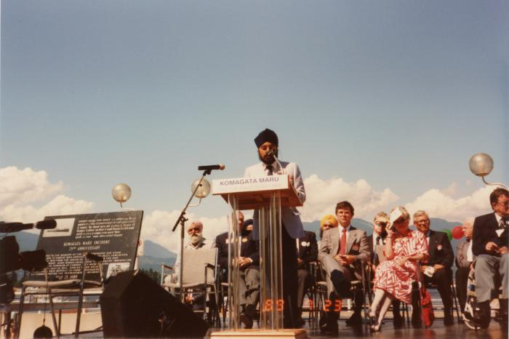 | Canada Place gathering (2020_04_004_086) | A colour image taken at the historical gathering commemorating the 75th anniversary of the Komagata Maru tragedy. A group of people are seen seated on top of a stage. On the left there is a chair holding a plaque and speakers. At the centre, there is a podium that reads, "Komagata Maru 75th Anniversary 1914-1989." Kanwal Singh Neel is seen standing behind the podium, speaking into a microphone. Bikar Singh Dhillon, Margaret Mitchell, Gordon Wilson, and Doug Mowat are seen seated on stage.
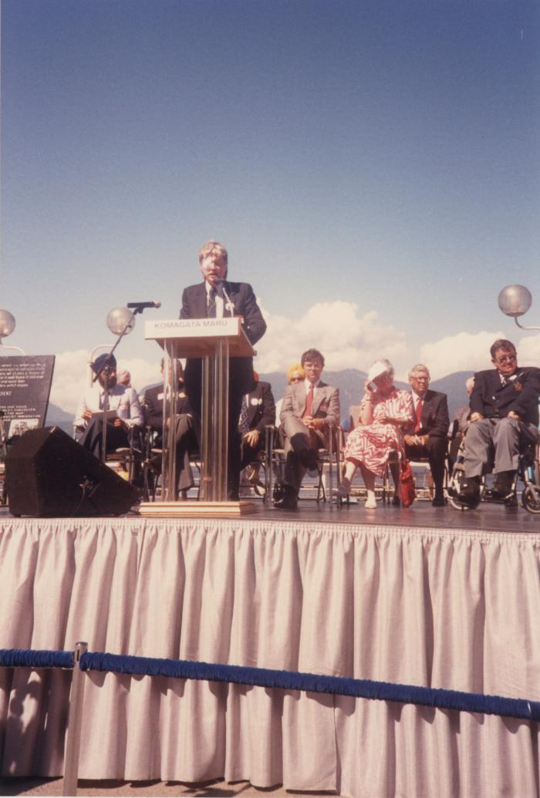
 | [Dr. Hugh Johnston] (2020_04_004_087) | A colour image taken at the historical gathering commemorating the 75th anniversary of the Komagata Maru tragedy. A group of people are seen seated on top of a stage. On the left, slightly out of view, is a chair holding a plaque and speakers. At the centre, there is a podium that reads, "Komagata Maru 75th Anniversary 1914-1989." Dr. Hugh Johnston, history professor at Simon Fraser University, is seen standing behind the podium speaking into the microphone. Kanwal Singh Neel, Gordon Wilson, Margaret Mitchell, and Doug Mowat are visible in the background.
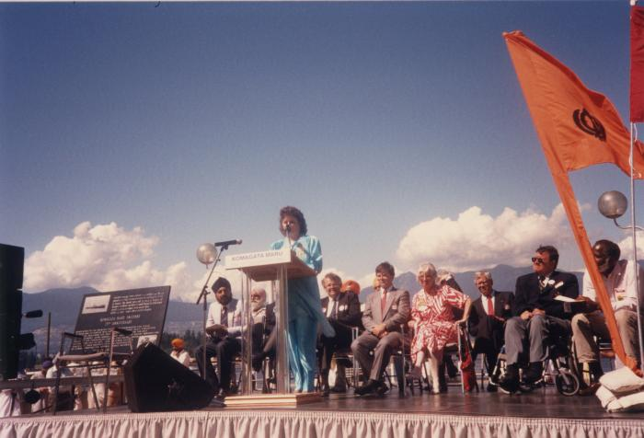 | Ms. Rosaline Stoddard (2020_04_004_088) | A colour image taken at the historical gathering commemorating the 75th anniversary of the Komagata Maru tragedy. A group of people are seen seated on top of a stage. On the left there is a chair holding a plaque and speakers. At the centre, there is a podium that reads, "Komagata Maru 75th Anniversary 1914-1989." Rosaline Stoddard is seen standing behind the podium speaking into the microphone. Kanwal Singh Neel, Noël Kinsella, Gordon Wilson, Margaret Mitchell, Doug Mowat, and Emery Barnes are visible in the background.
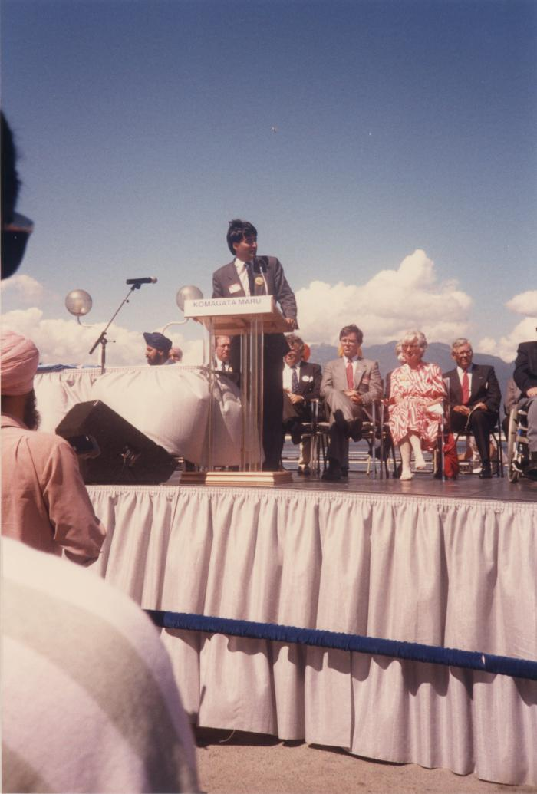
 | Mr. Moe Sihota M.L.A (2020_04_004_090) | A colour image taken at the historical gathering commemorating the 75th anniversary of the Komagata Maru tragedy. A group of people are seen seated on top of a stage. On the left there is a table. There is a podium that reads, "Komagata Maru 75th Anniversary 1914-1989." Moe Sihota is seen giving a speech into the microphone. Kanwal Singh Neel, Noël Kinsella, Margaret Mitchell, and Gordon Wilson are seen seated on stage behind Moe Sihota.
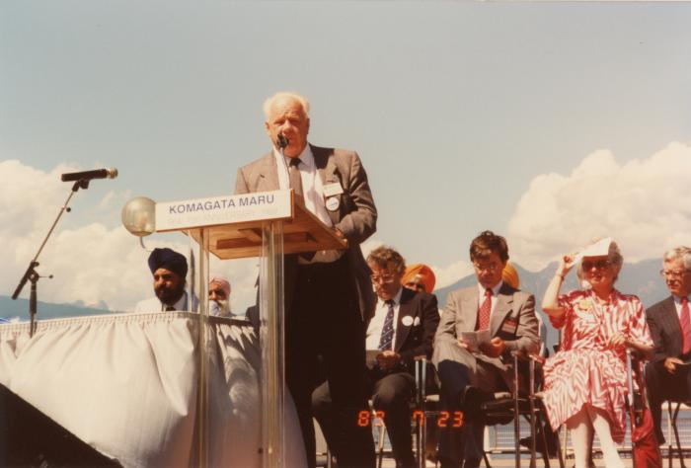 | Mr. Jim Young : Burnaby (2020_04_004_091) | A colour image taken at the historical gathering commemorating the 75th anniversary of the Komagata Maru tragedy. A group of people are seen seated on top of a stage. On the left there is a table. There is a podium that reads, "Komagata Maru 75th Anniversary 1914-1989." Jim Young, alderman of Burnaby, is seen giving a speech into the microphone. Kanwal Singh Neel, Bikar Singh Dhillon, Noël Kinsella, Margaret Mitchell, and Gordon Wilson are seen seated on stage behind Jim Young.

