Results
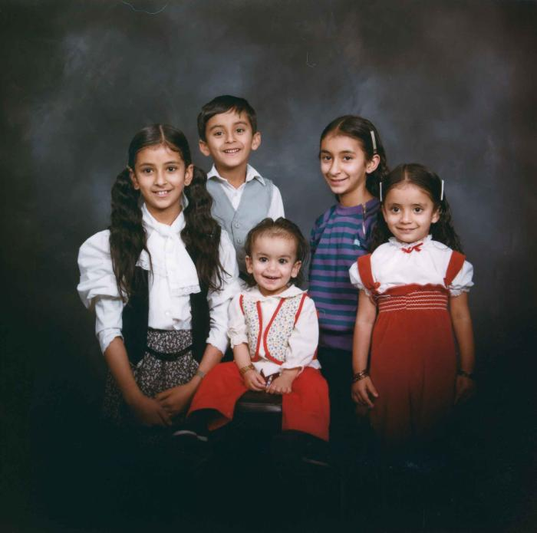
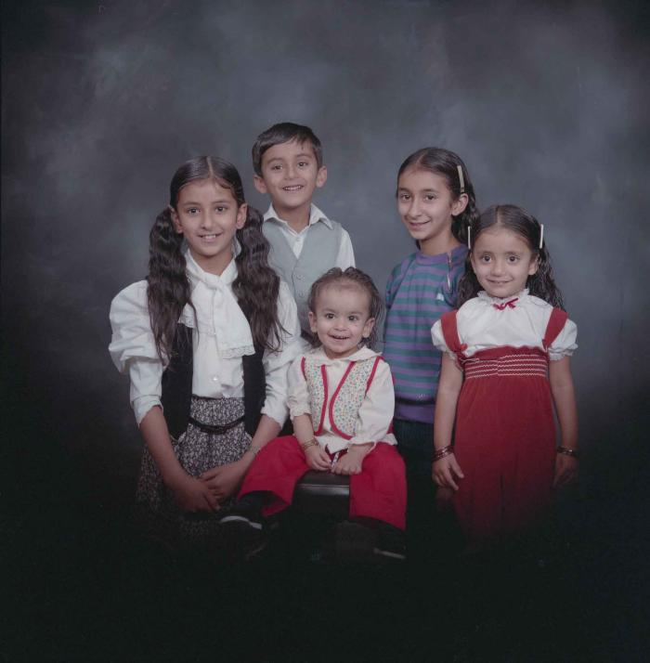
Image | Object | Description | Date
 | [Group portrait of five unidentified children] (2020_03_F00115_005) | Image of five unidentified children posing for a group portrait.
 | [Group portrait of five unidentified children] (2020_03_F00115_009) | Image of five unidentified children posing for a group portrait.
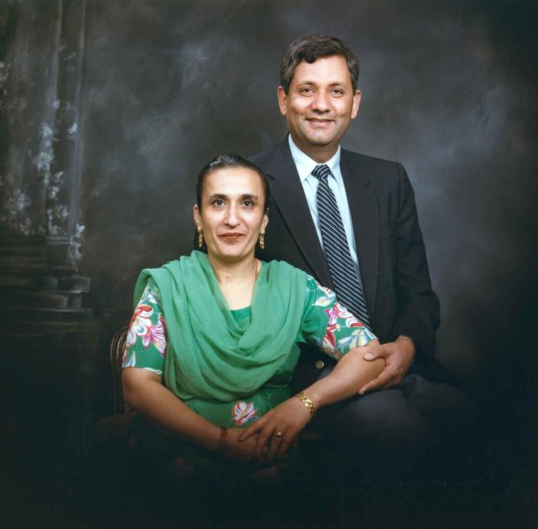
 | [Group portrait of Paul Gill and an unidentified woman] (2020_03_F00115_003) | Image of Paul Gill and an unidentified woman posing for a group portrait. Gill is wearing a black suit and the woman is wearing a green dulpatta and is seated in a chair.
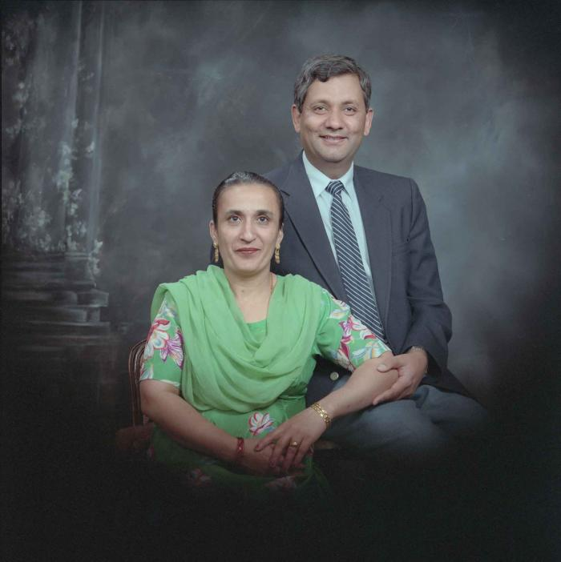
 | [Group portrait of Paul Gill and an unidentified woman] (2020_03_F00115_007) | Image of Paul Gill and an unidentified woman posing for a group portrait. Gill is wearing a black suit and the woman is wearing a green dulpatta and is seated in a chair.
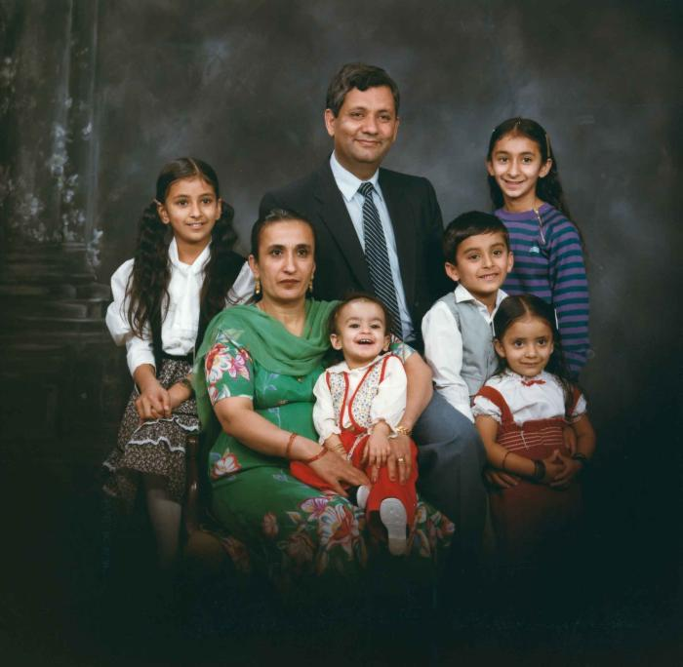
 | [Group portrait of Paul Gill, an unidentified woman and five unidentified children] (2020_03_F00115_001) | Image of Paul Gill, an unidentified woman and five unidentified children posing for a group portrait.
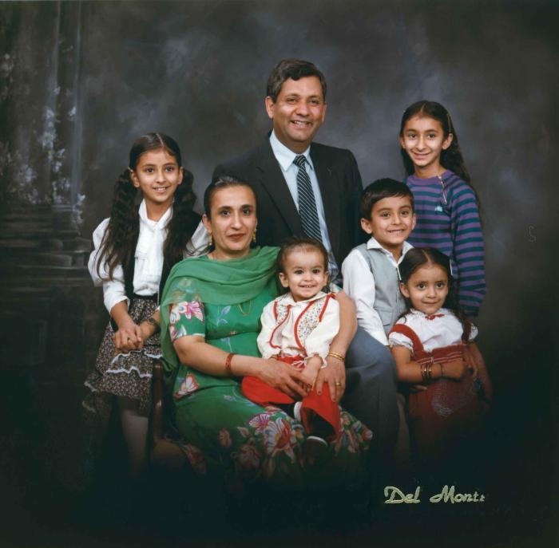
 | [Group portrait of Paul Gill, an unidentified woman and five unidentified children] (2020_03_F00115_002) | Image of Paul Gill, an unidentified woman and five unidentified children posing for a group portrait.
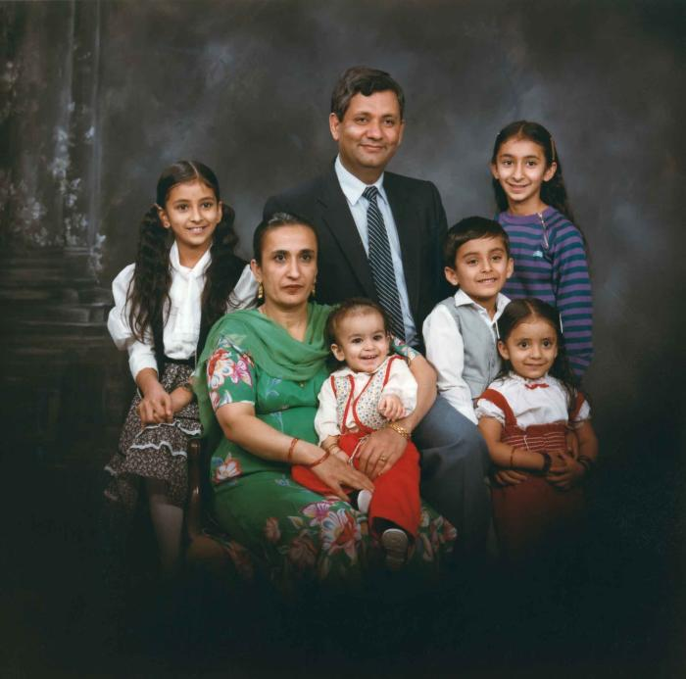
 | [Group portrait of Paul Gill, an unidentified woman and five unidentified children] (2020_03_F00115_004) | Image of Paul Gill, an unidentified woman and five unidentified children posing for a group portrait.
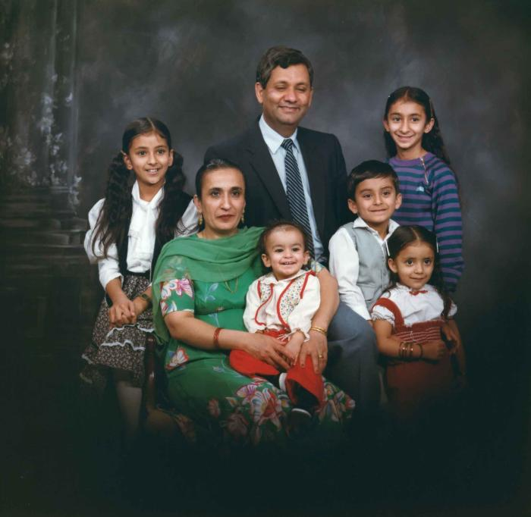
 | [Group portrait of Paul Gill, an unidentified woman and five unidentified children] (2020_03_F00115_006) | Image of Paul Gill, an unidentified woman and five unidentified children posing for a group portrait.
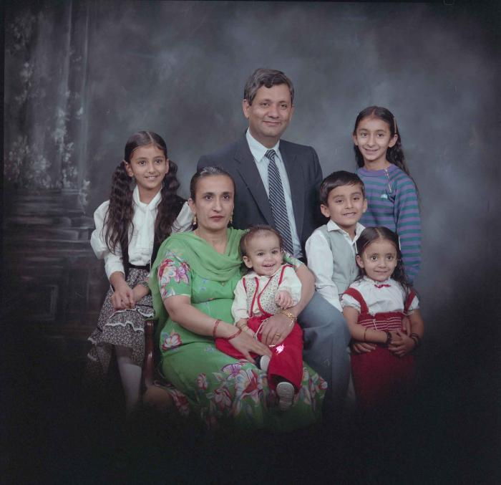
 | [Group portrait of Paul Gill, an unidentified woman and five unidentified children] (2020_03_F00115_008) | Image of Paul Gill, an unidentified woman and five unidentified children posing for a group portrait.
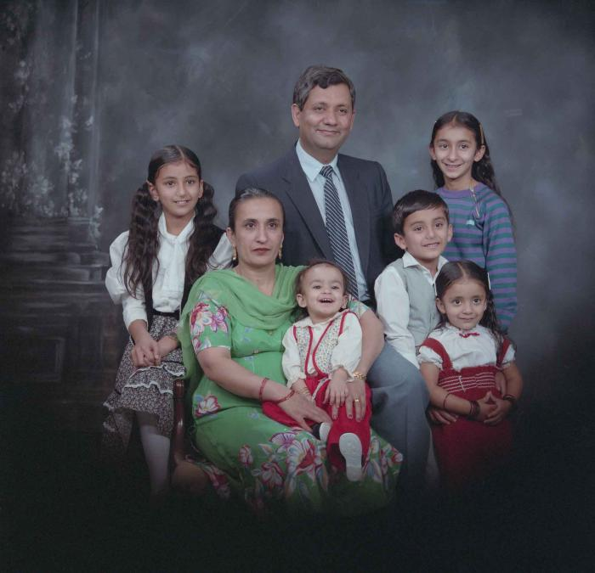
 | [Group portrait of Paul Gill, an unidentified woman and five unidentified children] (2020_03_F00115_010) | Image of Paul Gill, an unidentified woman and five unidentified children posing for a group portrait.
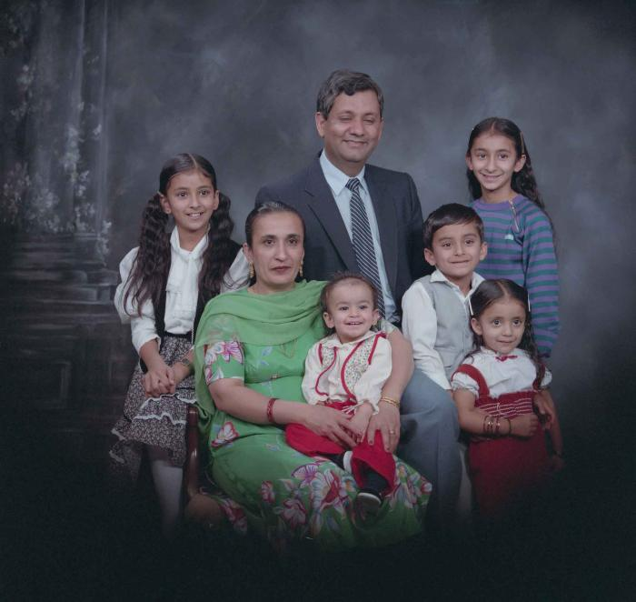
 | [Group portrait of Paul Gill, an unidentified woman and five unidentified children] (2020_03_F00115_011) | Image of Paul Gill, an unidentified woman and five unidentified children posing for a group portrait.
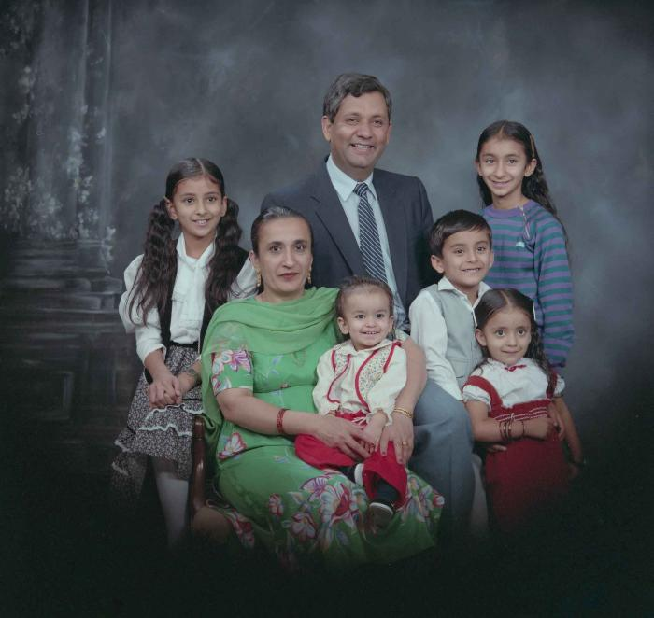
 | [Group portrait of Paul Gill, an unidentified woman and five unidentified children] (2020_03_F00115_012) | Image of Paul Gill, an unidentified woman and five unidentified children posing for a group portrait.

