Results
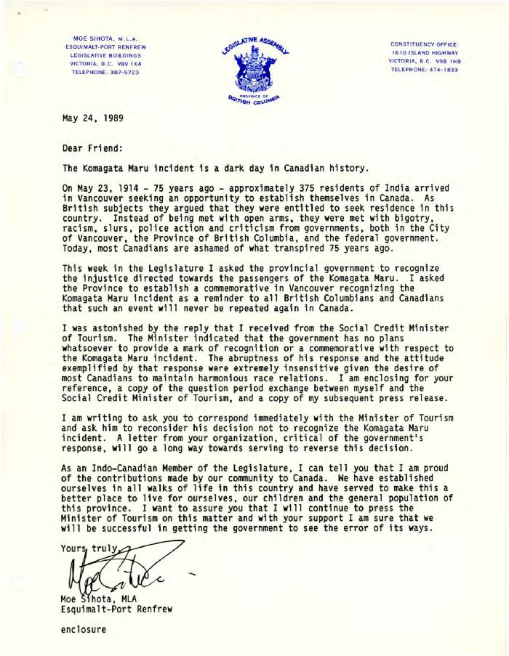
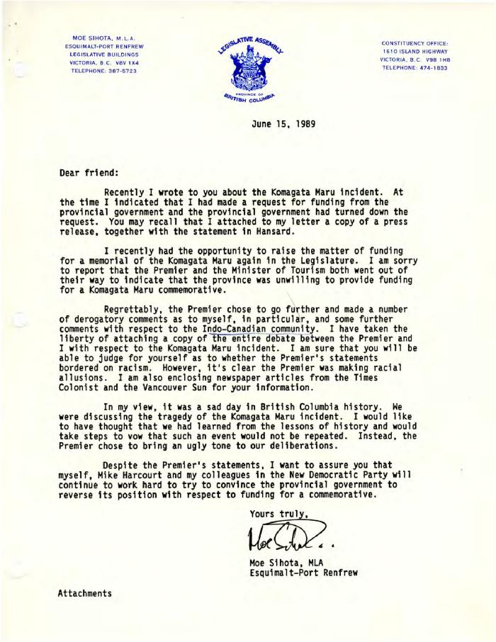
Image | Object | Description | Date
 | [Letter from Moe Sihota] (2020_04_004_023) | Letter written by Moe Sihota, M.L.A., describing a day in the Legislature when he attempted to get a response from the provincial government on whether there were plans to commemorate the Komagata Maru tragedy. The inquiry was met with denial. Included is a copy of the exchange between Sihota and Reid, the Minister of Tourism, as well a copy of the news release Moe Sihota released following the exchange.
 | [Letter from Moe Sihota] (2020_04_004_024) | Letter written by Moe Sihota, M.L.A., describing a day in the Legislature when he attempted to get a response from the provincial government on whether the provincial government would consider providing funding for the Komagata Maru memorial. He was met with denial, and a debate among the members ensued. During the exchange, racial allusions and comments were made against Mr. Sihota by the premier, Bill Vander Zalm. Included is a copy of the debate as well as copies of news articles covering the event.
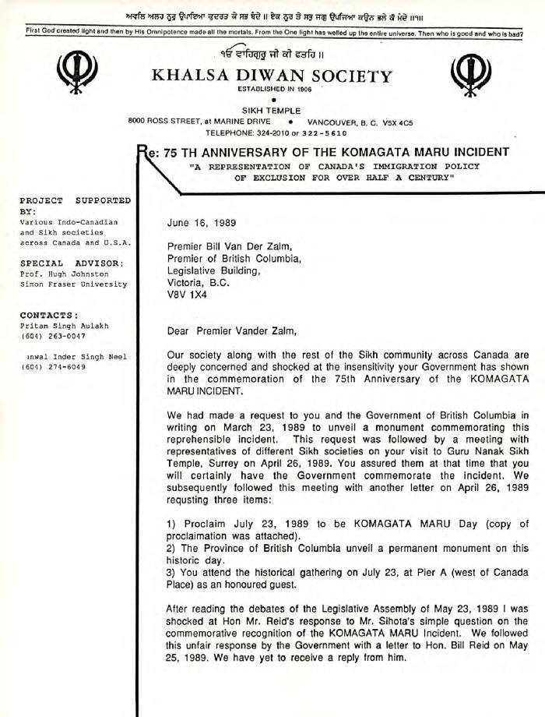
 | [Letter to Bill Vander Zalm from Bikar Singh Dhillon] (2020_04_004_027) | Letter written by Bikar Singh Dhillon, president of Khalsa Diwan Society Vancouver, to B.C. Premier Bill Vander Zalm. Dhillon expresses his shock at the premier's treatment of M.L.A. Moe Sihota, as well as his refusal to support the placement of a commemorative plaque honouring the passengers of the Komagata Maru. Dhillon reminds the premier of the past actions of the provincial government during the time of the Komagata Maru tragedy, and further reminds Vander Zalm of his previous promises to honour the Sikh community. The letter is printed on a white paper with the Khalsa Diwan Society Vancouver letterhead.
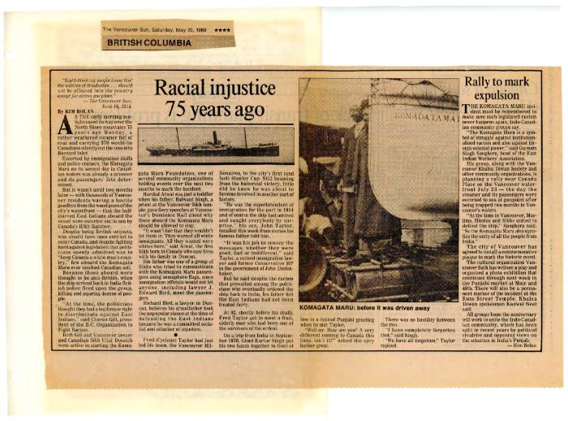 | [Newspaper clippings] (2020_04_004_037) | Compilation of Canadian newspaper clippings surrounding the topic of the 75th anniversary of the Komagata Maru. Articles included are printed in English and Punjabi.

