Results
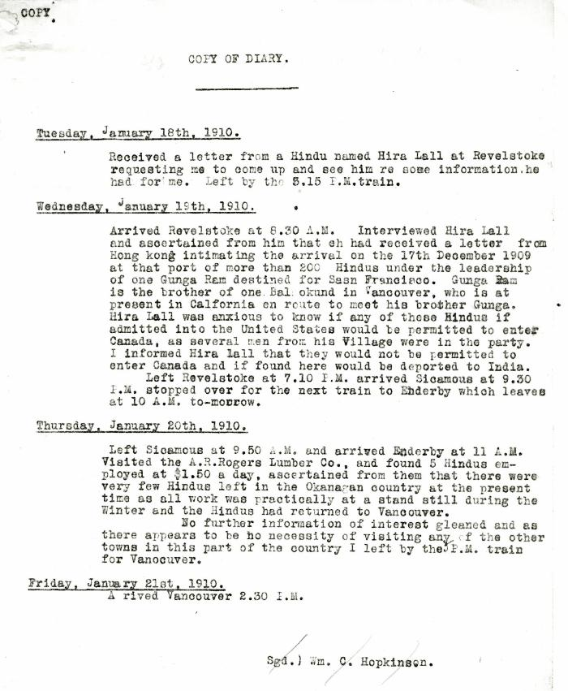
Image | Object | Description | Date
 | Copy of Diary [of William C. Hopkinson, Immigration Inspector, re trip to Revelstoke and Enderby to assess situation of Hindus in those areas] (2021_07_10301) | Library and Archives Canada. RG7-G-21, Vol. 200, File 332, vol. 3 (b)
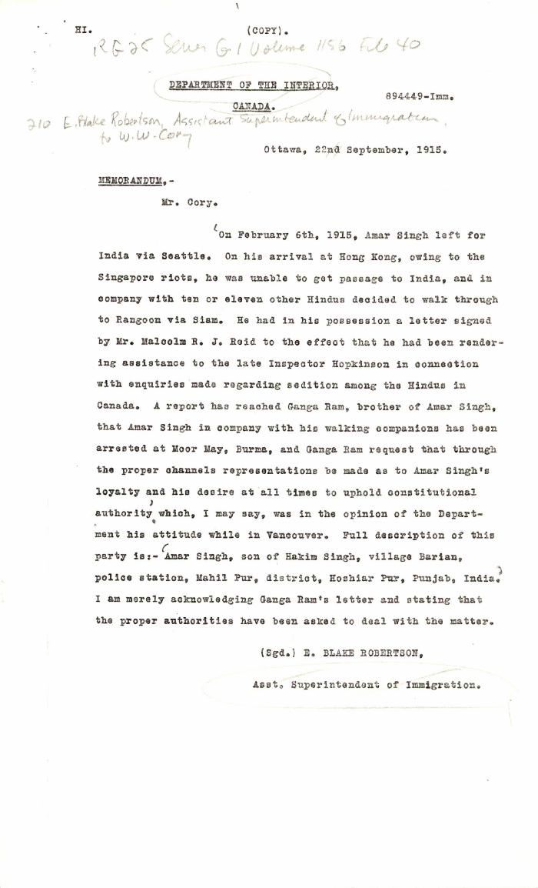
 | [E. Blake Robertson, Assistant Superintendent of Immigration, to William W. Cory, Deputy Minister of the Interior, re request for aid to Amar Singh. Copy] (2021_07_10363) | Library and Archives Canada. RG25-G-1, Vol. 1156, File 40

 | [Extract from statement given to Immigration Department by Bela Singh, Babu Singh, Ganga Ram and others. Copy] (2021_07_4812) | Library and Archives Canada. RG7-G-21, File 332, vol. 13 (a)

 | Newsclipping - Rahim suggested the murders say witnesses (2021_07_10806)
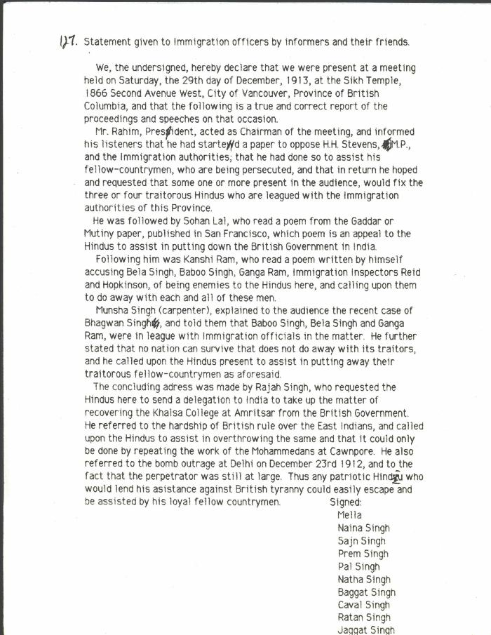
 | Statement given to Immigration officers by informers and their friends [re meeting by Husain Rahim and Sohan Lal] (2021_07_10323) | City of Vancouver Archives. Add. Mss. No. 69, Vol. 1
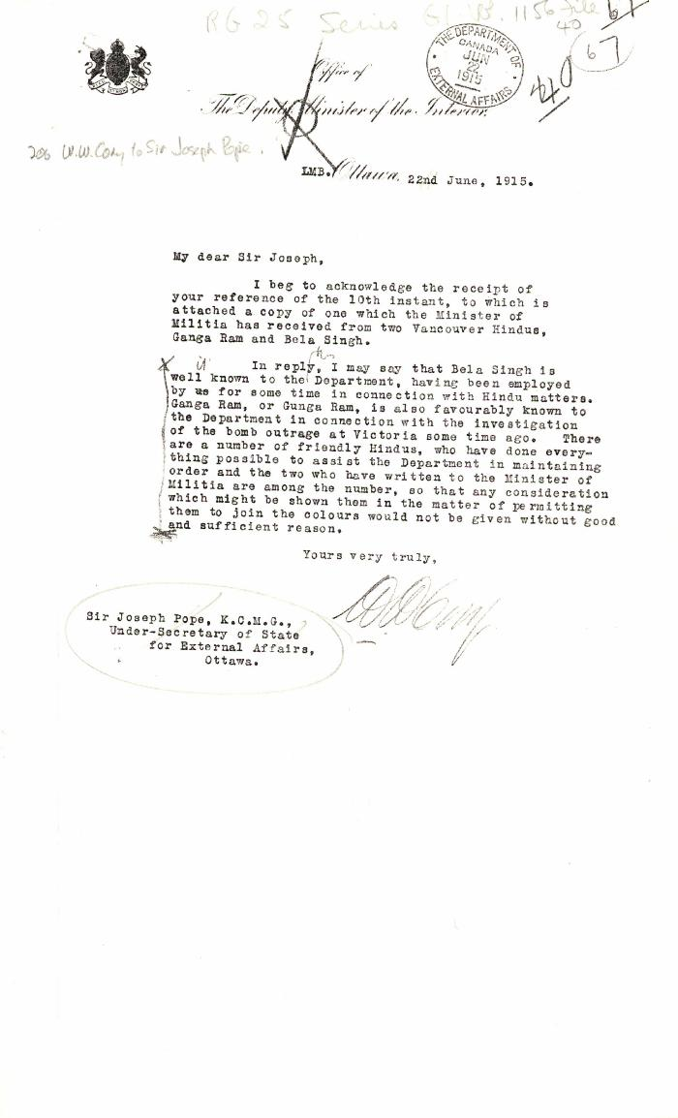
 | [William W. Cory, Deputy Minister of the Interior, to Joseph Pope, Under-Secretary of State for External Affairs, re Gunga Ram and Bela Singh] (2021_07_10361) | Library and Archives Canada. RG25-G-1, Vol. 1156, File 40

