Results
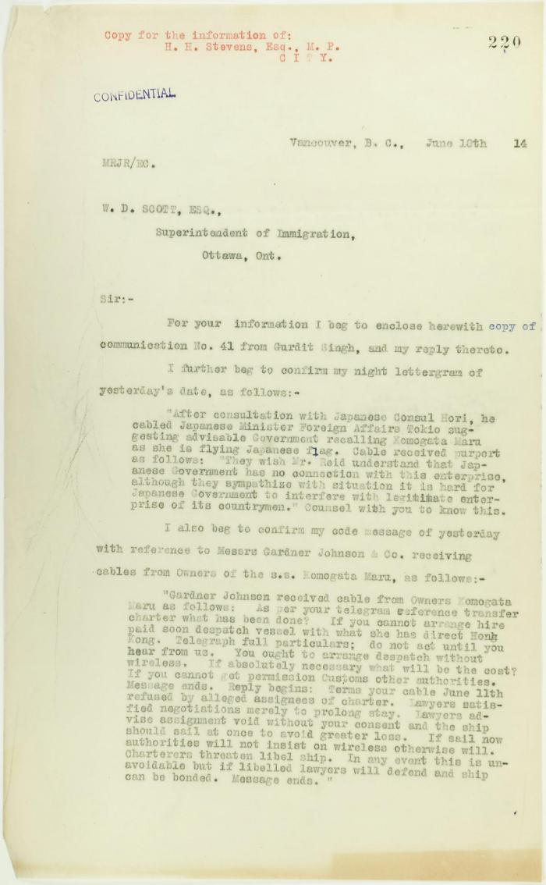

Image | Object | Description | Date
 | Copy of letter from Reid to W. D. Scott re Japanese Government's disclaiming of any connection with the Komagata Maru enterprise, also re possible attempt to set fire to the ship. Page 1-2 (2021_07_9465) | Page 220-221
 | Copy of letter from Reid to W. D. Scott re Japanese insistence that they had no connection with the enterprise, and enclosing correspondence re recent incidents. Page 1-5 (2021_07_298) | Page 381-385

 | [Correspondence re recent incidents (see pp. 381-385)] Page 1-3 (2021_07_320) | Page 386-406
 | Newsclipping - Two attempts to get the five marooned Hindus back on the Komagata Maru (2021_07_10795)

