Results

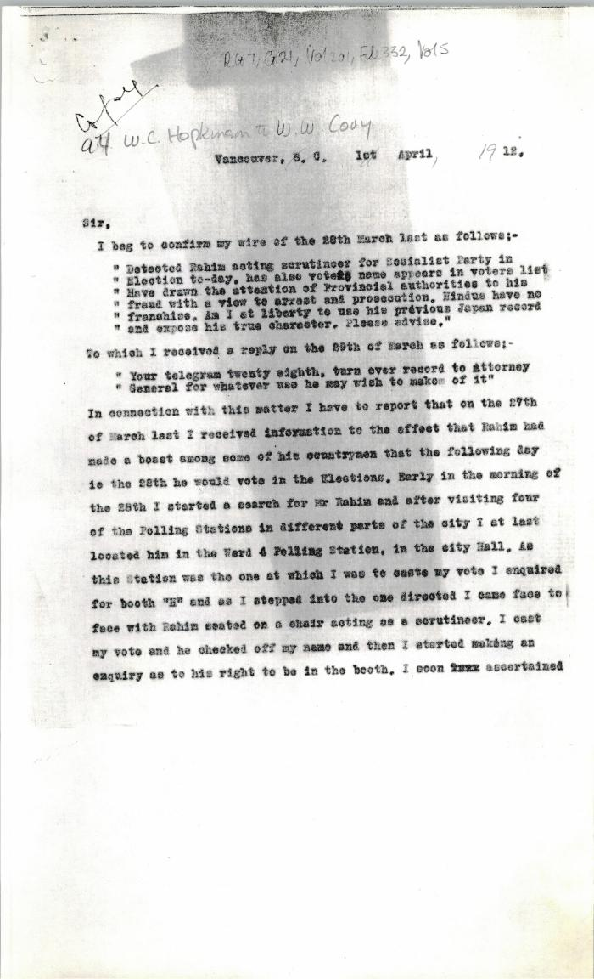
Image | Object | Description | Date
 | [Extract from William C. Hopkinson, Immigration Inspector, to William W. Cory, Deputy Minister of the Interior. Copy] (2021_07_4346) | Library and Archives Canada. RG7-G-21, Vol. 201, File 332, vol. 4
 | [Extract from William C. Hopkinson, Immigration Inspector, to William W. Cory, Deputy Minister of the Interior. Copy] (2021_07_4457) | Library and Archives Canada. RG7-G-21, Vol. 201, File 332, vol. 5
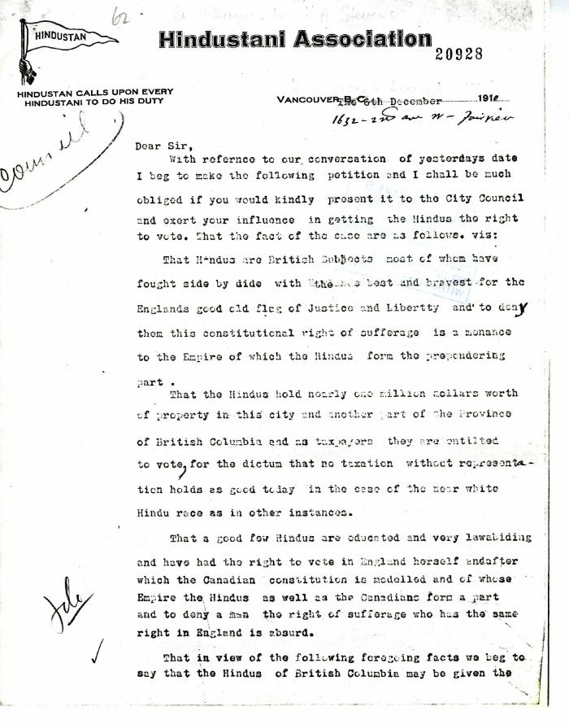
 | G. D. Kumar, Secretary of the Hindustanee, to H. H. Stevens, alderman, Vancouver (2021_07_5189) | Add. Mss. RG 2, A 1, Vol. 26
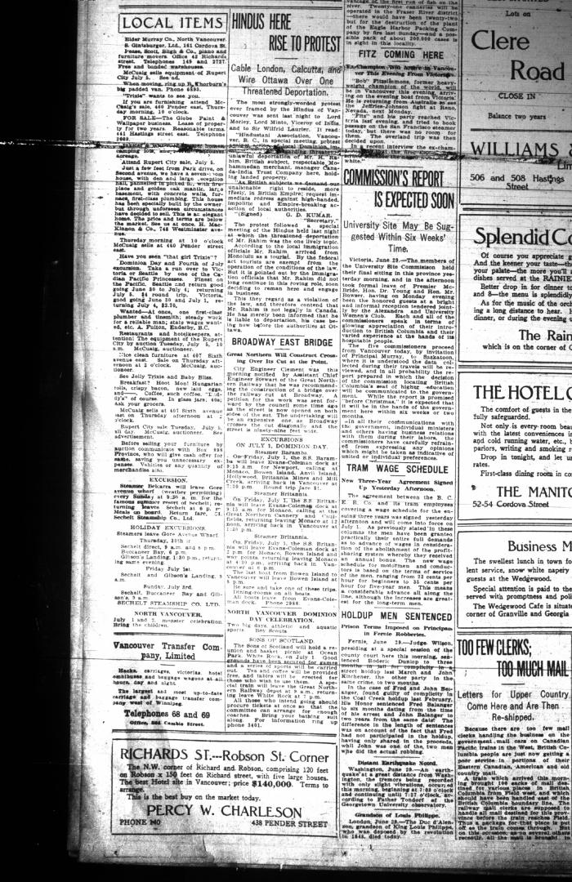
 | Newsclipping - Vancouver Daily Province: Hindus here rise to protest. Page 24 (2021_07_10511)

 | [William C. Hopkinson, Immigration Inspector, to William W. Cory, Deputy Minister of the Interior. Copy] (2021_07_4368) | Library and Archives Canada. RG7-G-21, Vol. 201

