Results
Image | Object | Description | Date
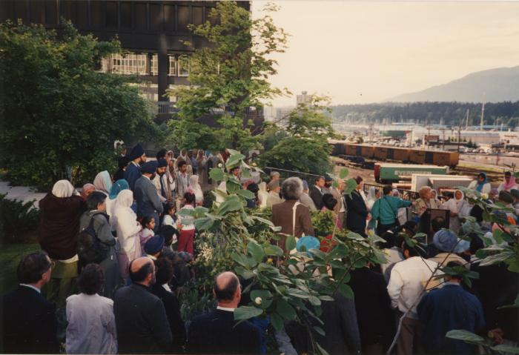 | Plaque unveiling at Portal Park (2020_04_004_110) | A colour image taken at the plaque unveiling event at Portal Park, Vancouver, commemorating the Komagata Maru 75th anniversary. There is a crowd of people standing close together, amongst some greenery. On the left, in the crowd, Grace McCarthy, Social Credit M.L.A., is seen speaking at a podium. In the background on the left of the image, there are trains, as well as boats in the water and mountains in the scenery. In the foreground, there is greenery.
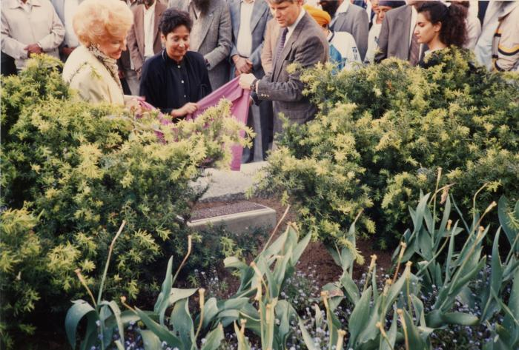 | Plaque unveiling at Portal Park (2020_04_004_112) | A colour image taken at the plaque unveiling event at Portal Park, Vancouver, commemorating the Komagata Maru 75th anniversary. The plaque is visible, placed in the ground among the greenery. Gordon Campbell, Grace McCarthy, and a third person, are seen helping to remove a sheet off the plaque. Behind them, in the background, there is a group of people watching.
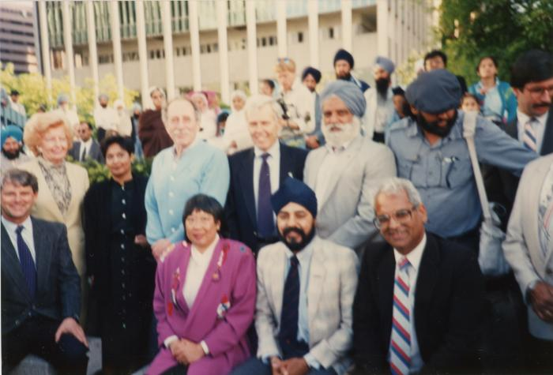 | L->R Mayor Campbell, Grace McCarthy, Fed, Ald. Walking, K. Neel, H. Rankin, Park, Charn Gill, B. Dhillon, H. Sharma (2020_04_004_114) | A colour image taken at the plaque unveiling event at Portal Park, Vancouver, commemorating the Komagata Maru 75th anniversary. A group of people are seen grouped together, looking forward. In the background there is a crowd of people.

