Results
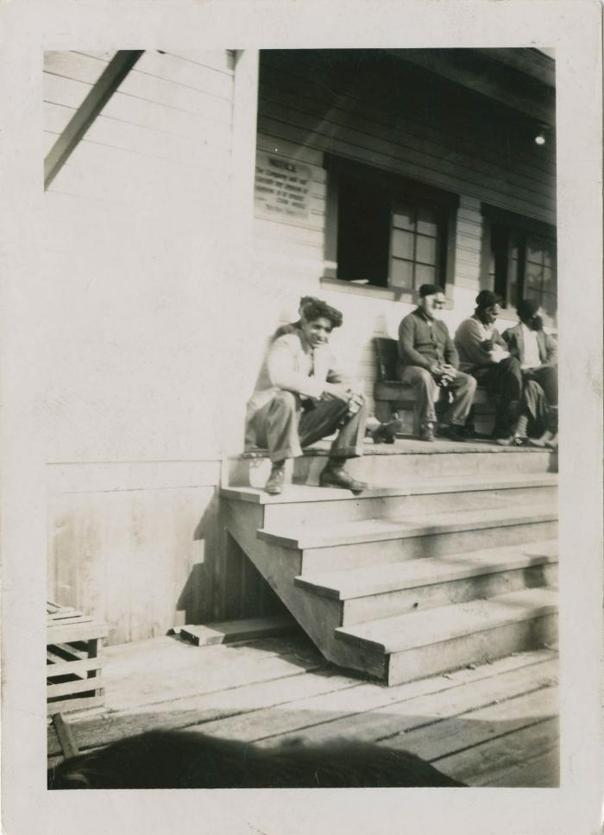
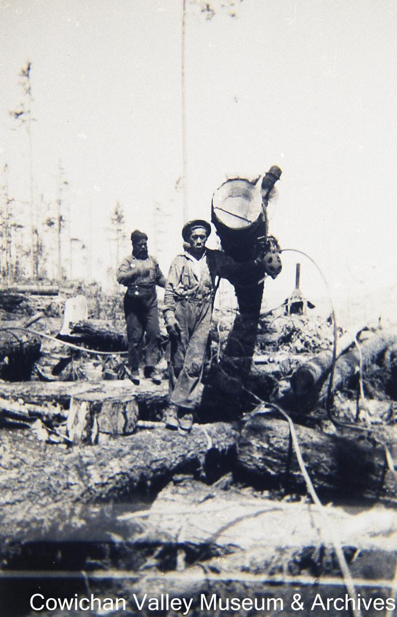
Image | Object | Description | Date
 | [Young man sitting on cookhouse steps] (2021_04_03_002) | Image of a young man sitting on the wooden steps to the Mayo Bros Lumber Co. cookhouse. A group of men can be seen sitting on a bench on the porch of the cookhouse.
 | Working for Mayo (2020_06_07_042) | Image of two unidentified loggers standing in cutover land.
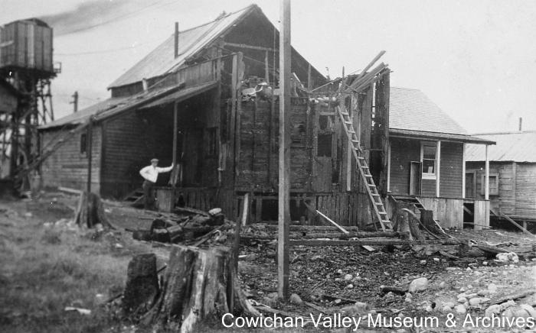 | [Unidentified man standing next to damaged building] (2020_06_07_242) | Image of an unidentified man leaning against the damaged Mayo Lumber Co. office during its reconstruction.
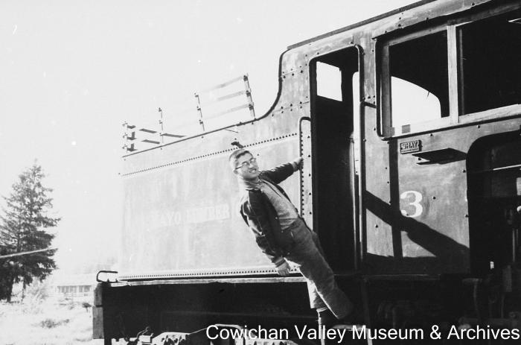 | [Unidentified man holding onto railway locomotive] (2020_06_07_073) | Image of unidentified man holding onto railway locomotive no. 3 from Mayo Lumber Co.
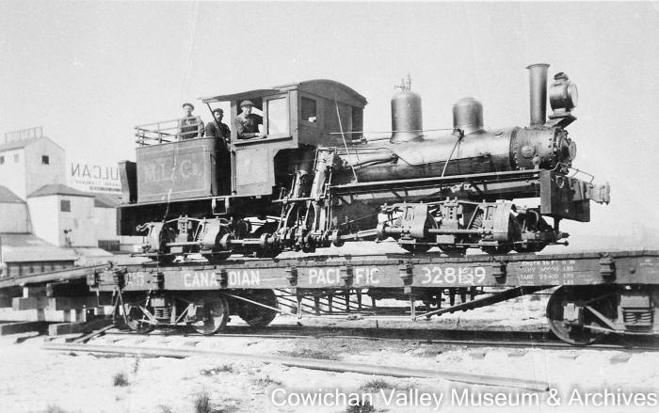 | [Three unidentified railroad workers standing on a locomotive loaded on a railcar] (2020_06_07_163) | Image of three unidentified men standing in a Mayo Lumber Co. locomotive, which is loaded onto a Canadian Pacific Railway railcar.
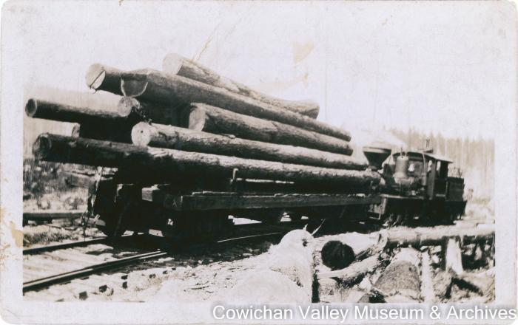 | The first logging train delivering a load to the mill in 1919 (2020_06_08_04_004) | Image of the Mayo Lumber Co. training delivering a load of felled logs to the mill.
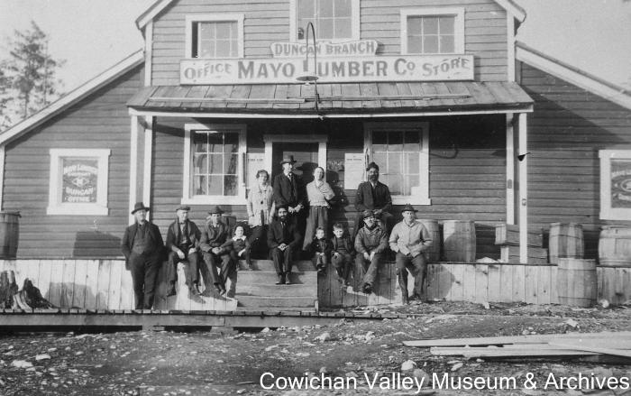 | [The Duncan branch of the Mayo Lumber Co. office and store with an unidentified group of people] (2020_06_07_249) | Image of an unidentified group of men, women and children on the front steps of the Duncan Branch of the Mayo Lumber Co. office and store.
 | [The Duncan branch of the Mayo Lumber Co. office and store with an unidentified group of people] (2020_06_07_259) | Image of the Duncan branch of the Mayo Lumber Co. office and store.
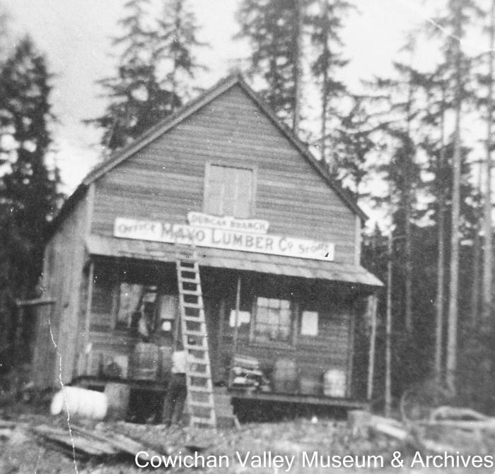 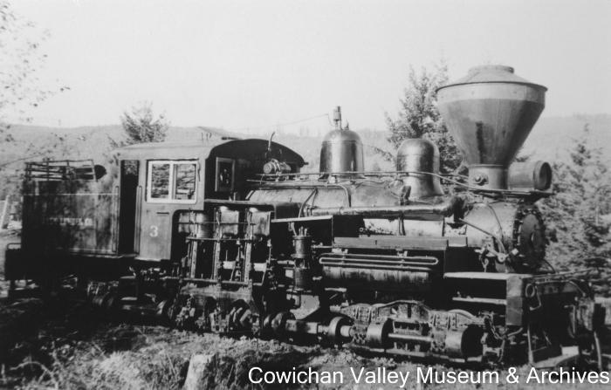 | The 3 spot at rest after a long day (2020_06_08_08_002) | Image of a Mayo Lumber Co. locomotive.
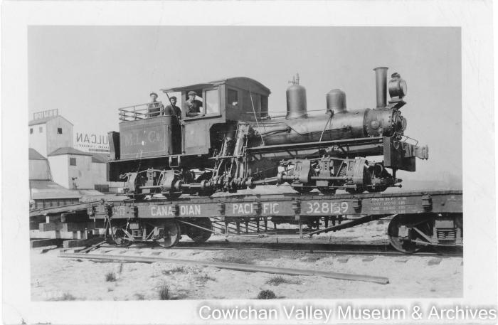 | Taking delivery of loci being delivered to Mayo Lmbr. (2020_06_08_06_007) | Image of a locomotive being transported by train with unidentified men inside.
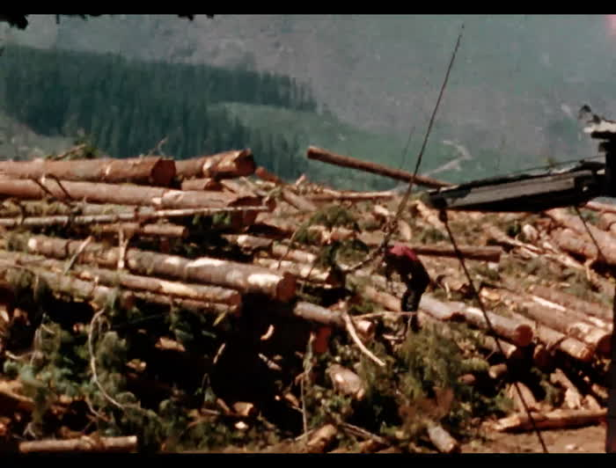 | Summit logging (2020_06_18_006) | Film of logging at the Mayo Lumber Co. summit site.
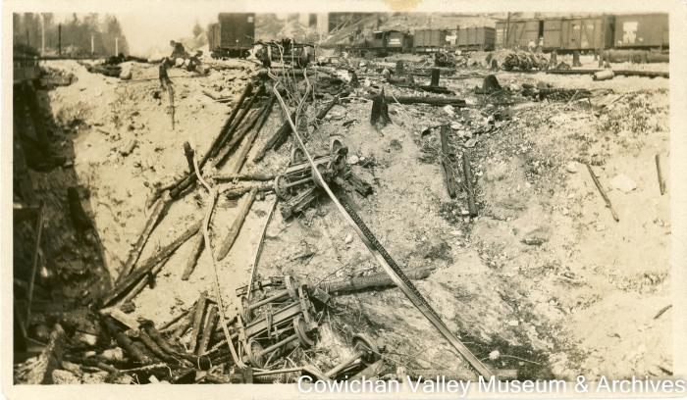 | Runaway cars passed Hillcrest = 7 or 8 cars of lumber ran away (2020_06_08_006) | Image of derailed Mayo Lumber Co. lumber carrying railroad cars that had gone off track at the Lake Cowichan Branch of the Esquimalt and Nanaimo Railway.
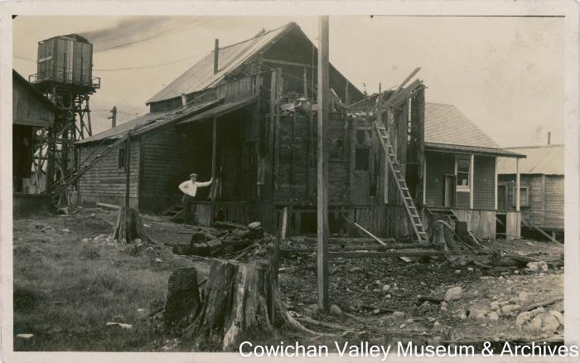 | Rebuilding the office following a fire (2020_06_12_010) | Image of an unidentified man standing outside of the Mayo Lumber Co. office, which was undergoing construction after a fire.
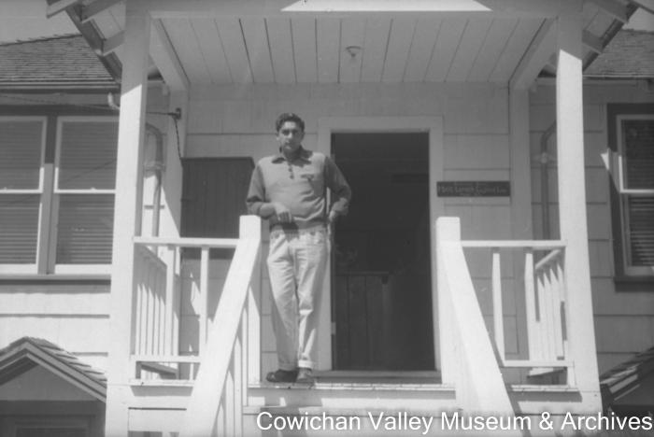 | [Rajindi Mayo on porch] (2020_06_18_016) | Image of Rajindi Mayo standing on the porch of the Mayo Lumber Co. office.
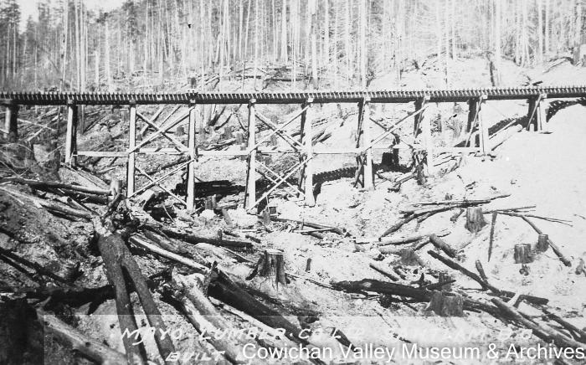 | Railway bridge (2020_06_07_160) | Image of a railway bridge that was built by Dan Chisholm.
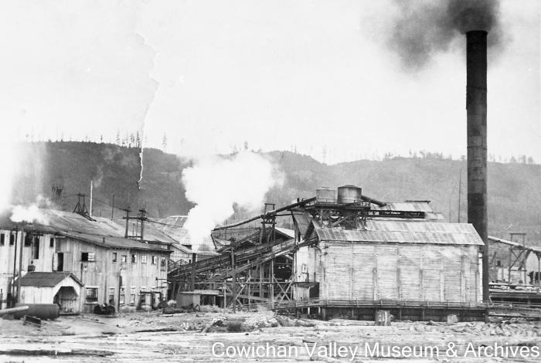 | Paldi mill with large smokestack (2020_06_07_085) | Image of the Mayo Lumber Co.'s Paldi mill, with wood buildings and large smokestack.
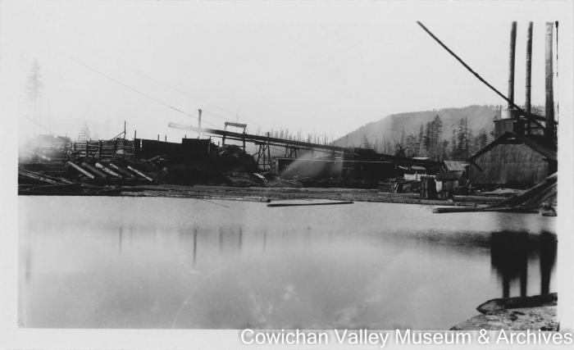 | Paldi (2020_06_12_009) | Image of a mill pond outside of the Mayo Lumber Co. sawmill in Paldi. A jack ladder can be seen in the background.
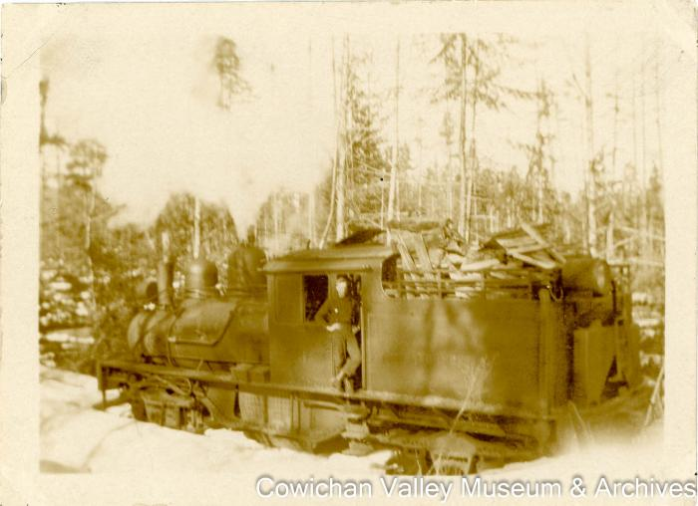 | One of the Mayo Company trains : a wood burner (2020_06_08_06_009) | Image of Phil LeMare riding a wood burning train at the Sooke Lake operation.
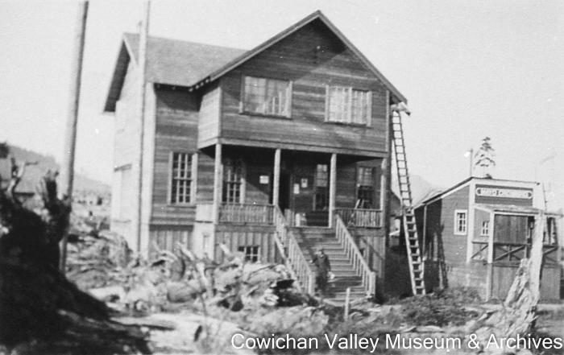 | [New store and post office with an unidentified man on the front steps] (2020_06_07_255) | Image of the post office with an unidentified man on the front steps. Next door is the new Mayo Lumber Co. store.
 | Nanaimo mill 1964-1992 (2020_06_12_066) | Image of a the Mayo Lumber co. sawmill in Nanaimo.
 | Nanaimo mill 1964-1991 (2020_06_12_065) | Image of the lumberyard at the Mayo Lumber Co. sawmill in Nanaimo.
 | Nanaimo mill 1964-1990 (2020_06_12_064) | Image of cars and stacks of lumber outside of the Mayo Lumber Co. sawmill in Nanaimo.
 | Nanaimo mill 1964-1989 (2020_06_12_063) | Image of cars, trucks, and stacks of lumber outside of the Mayo Lumber Co. sawmill in Nanaimo.
 | Nanaimo mill 1964-1988 (2020_06_12_062) | Image of the Mayo Lumber Co. sign at the Nanaimo sawmill.
 | Nanaimo mill 1964-1987 (2020_06_12_061) | Image of lumber stacks at the Mayo Lumber Co. sawmill in Nanaimo.
 | Nanaimo mill 1964-1986 (2020_06_12_060) | Image of an unidentified Mayo Lumber Co. employee operating a forklift to carry stacks of lumber. Another employee is stepping into the forklift.
 | Nanaimo mill 1964-1985 (2020_06_12_059) | Image of lumber stacks at the Mayo Lumber Co. sawmill in Nanaimo.
 | Nanaimo mill 1964-1984 (2020_06_12_042) | Image of delivery trucks at the docking bay of the Mayo Lumber Co. sawmill in Nanaimo.
 | Nanaimo mill 1964-1984 (2020_06_12_043) | Image of a tree in front of the Mayo Lumber Co. sawmill in Nanaimo.
 | Nanaimo mill 1964-1984 (2020_06_12_044) | Image of delivery trucks, cars, and stacks of lumber at the Mayo Lumber Co. sawmill in Nanaimo.
 | Nanaimo mill 1964-1984 (2020_06_12_045) | Image of stacks of lumber at the Mayo Lumber Co. sawmill in Nanaimo.
 | Nanaimo mill 1964-1984 (2020_06_12_046) | Image of a beehive burner and stacks of lumber at the Mayo Lumber Co. sawmill in Nanaimo.
 | Nanaimo mill 1964-1984 (2020_06_12_047) | Image of a worker constructing a structure out of lumber at the Mayo Lumber Co. sawmill in Nanaimo.
 | Nanaimo mill 1964-1984 (2020_06_12_048) | Image of stacks of lumber in front of a lumber carrier at the Mayo Lumber Co. sawmill in Nanaimo.
 | Nanaimo mill 1964-1984 (2020_06_12_049) | Image of the Mayo Lumber Co.'s powerstation at the Nanaimo sawmill.
 | Nanaimo mill 1964-1984 (2020_06_12_050) | Image of the road near the Mayo Lumber Co. sawmill in Nanaimo. Behind the road are lumber stacks and a beehive burner.
 | Nanaimo mill 1964-1984 (2020_06_12_051) | Image of the road near the Mayo Lumber Co. sawmill in Nanaimo. Behind the road are lumber stacks and a beehive burner.
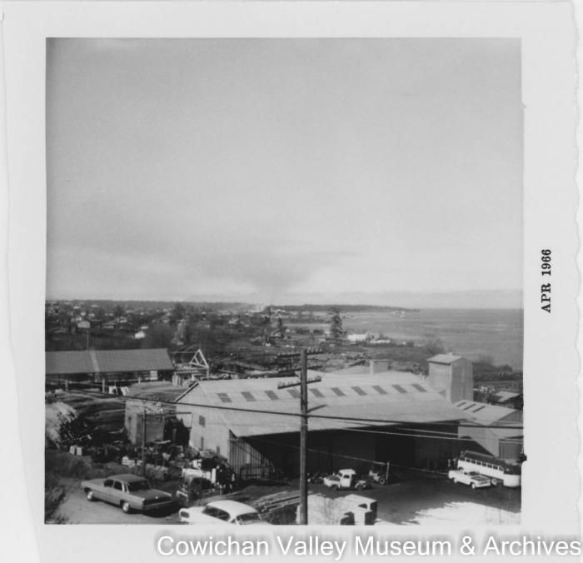 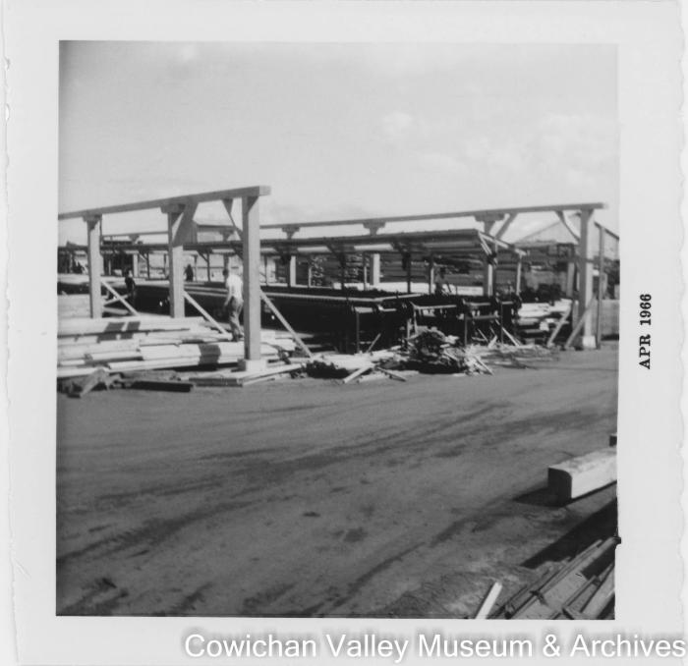 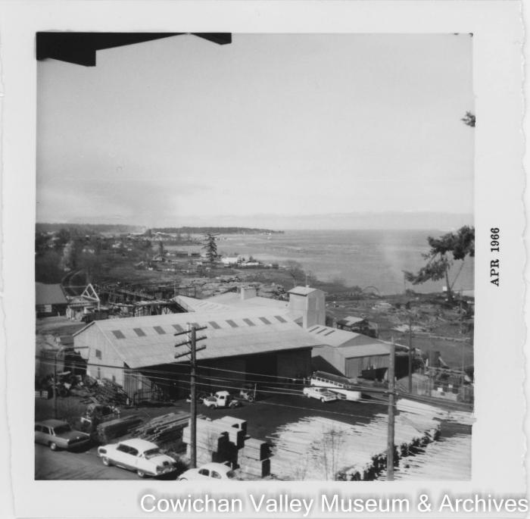 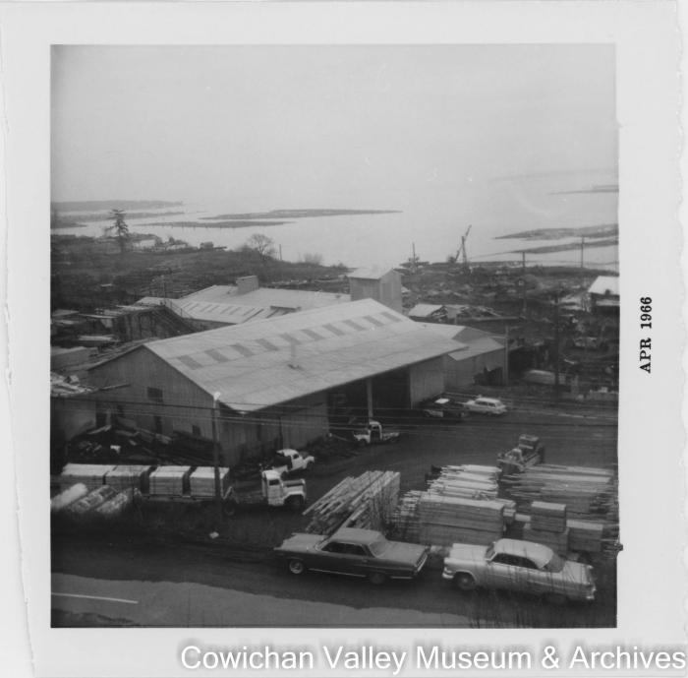 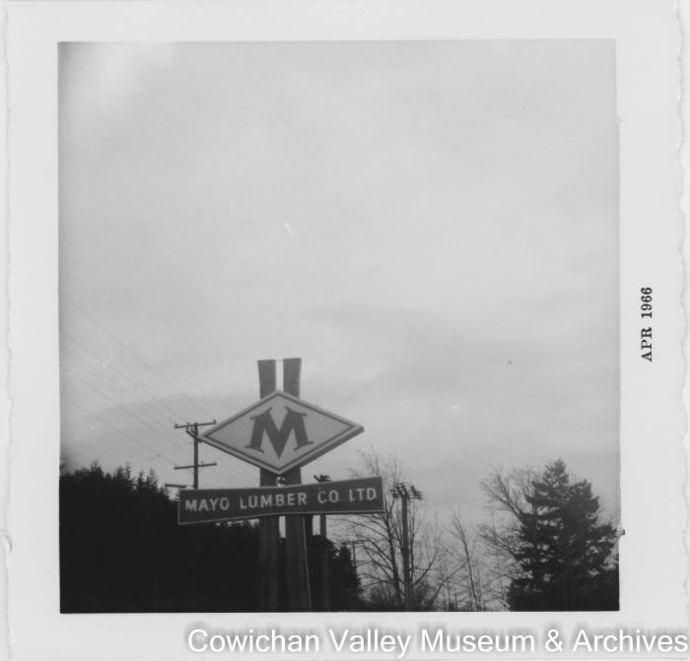 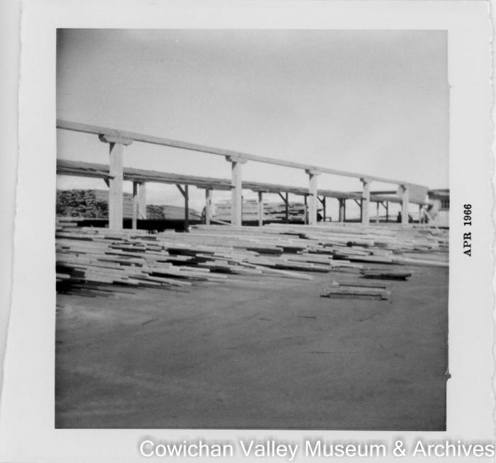 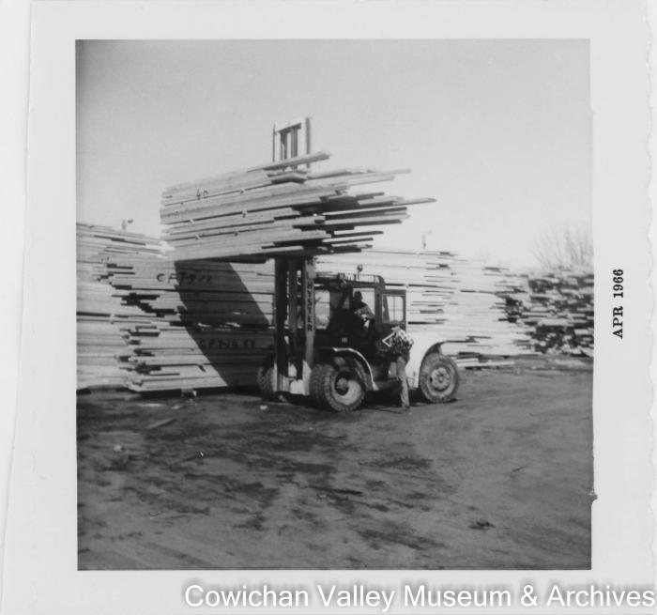 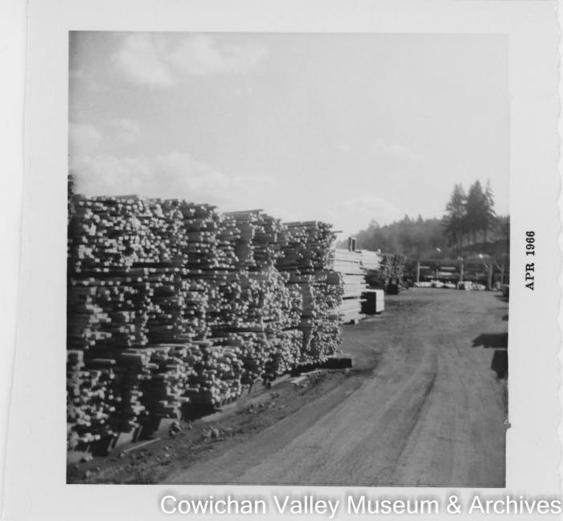 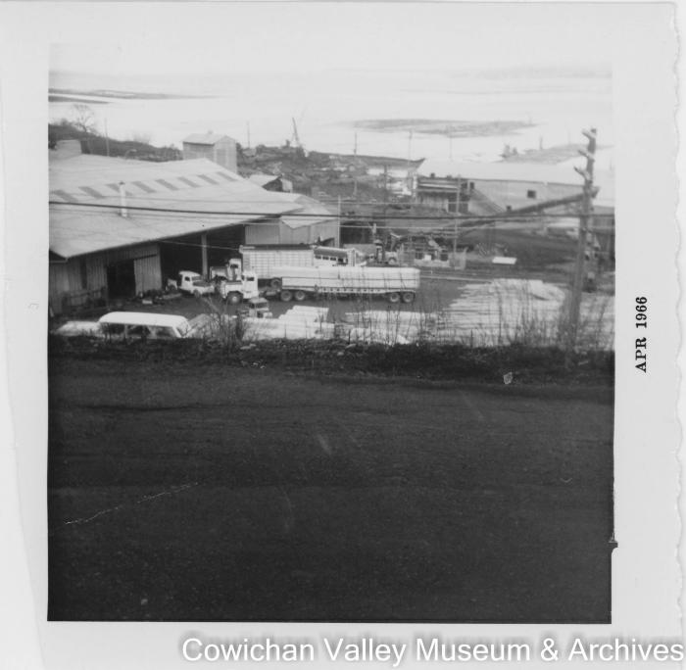 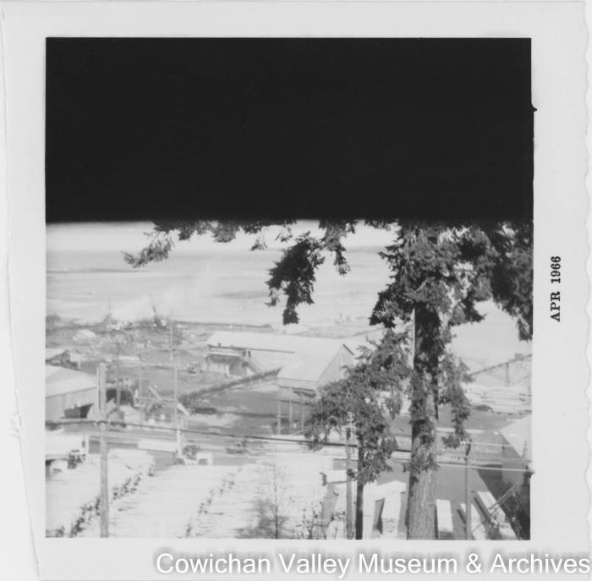 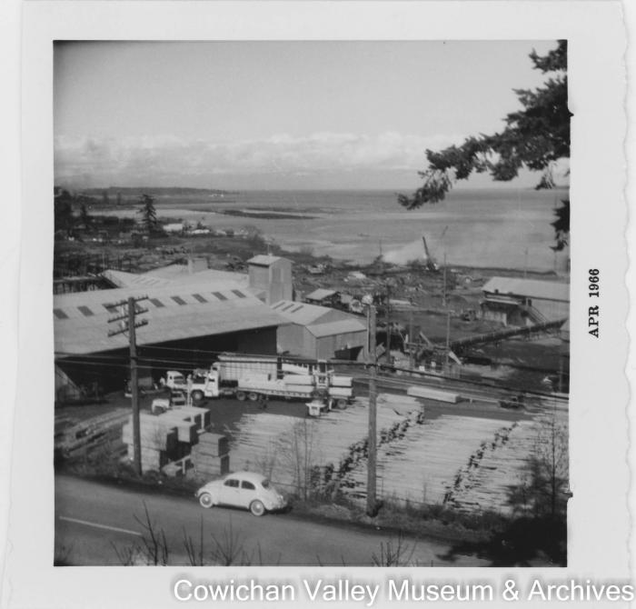 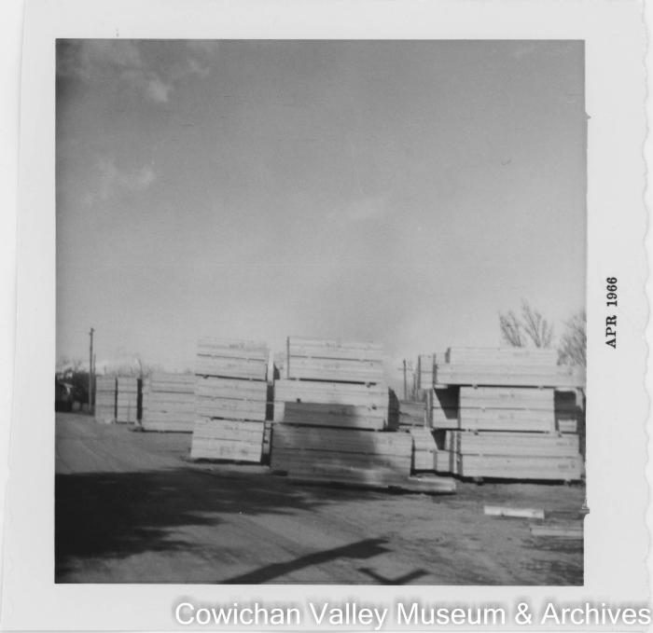 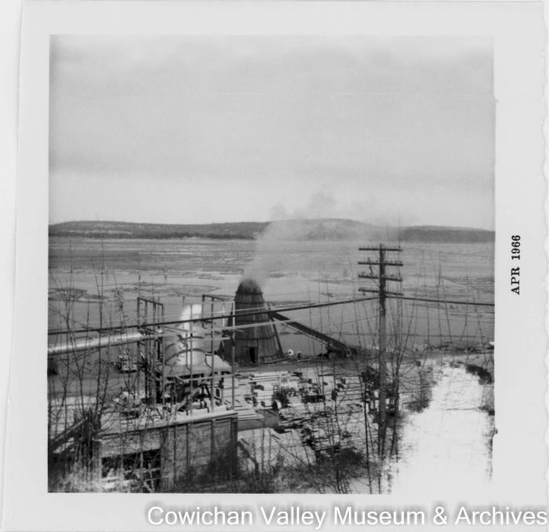 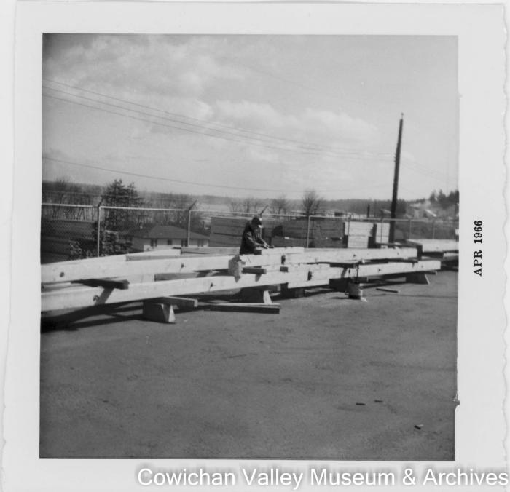 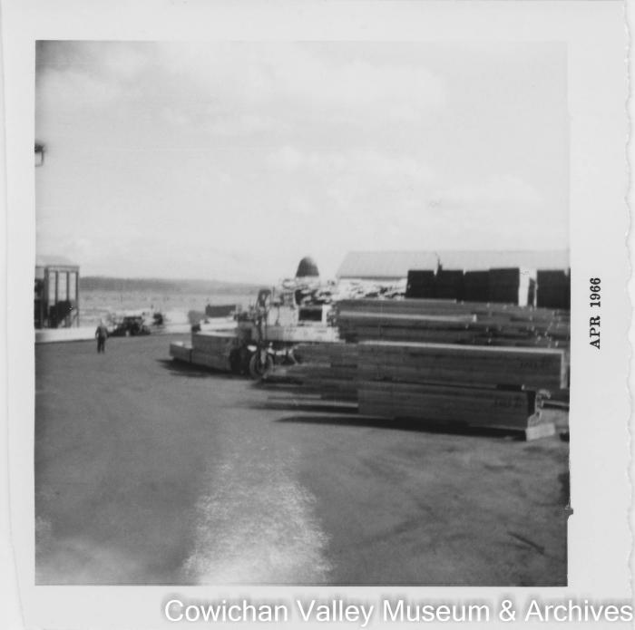 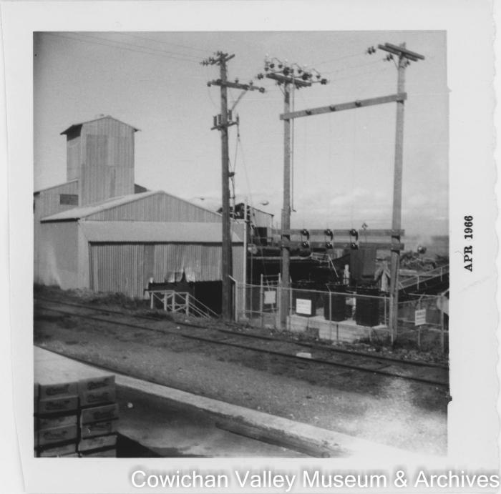 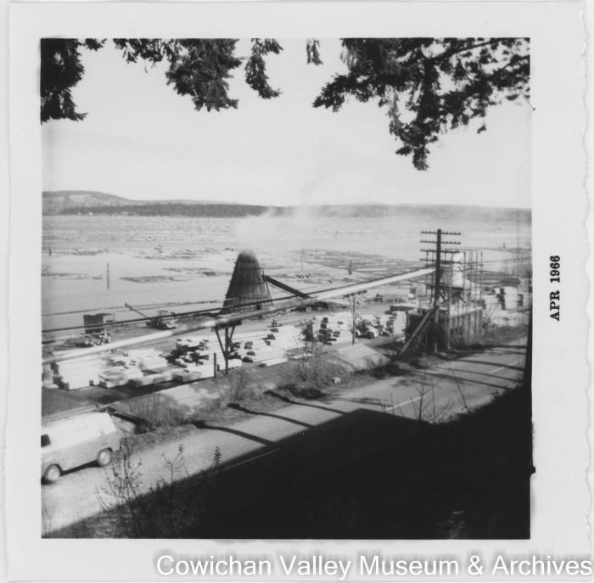 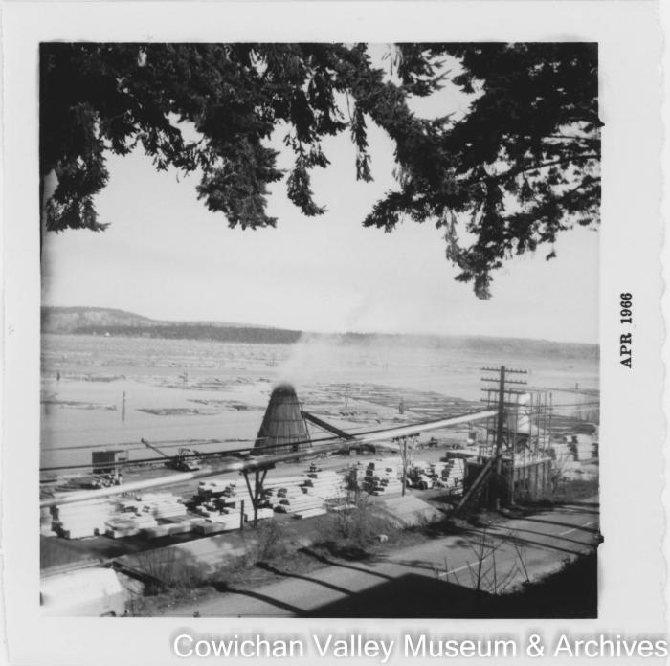 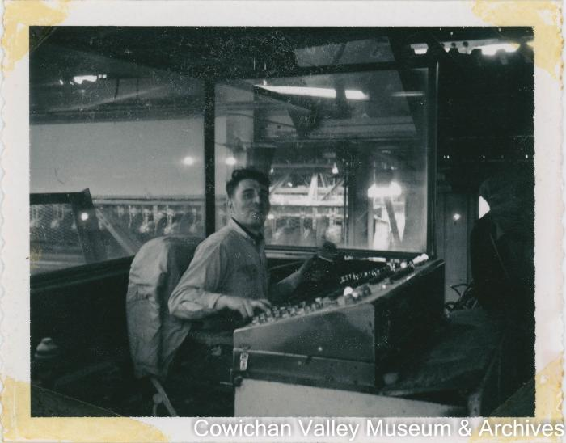 | Nanaimo mill 1964-1984 (2020_06_12_052) | Image of the Mayo Lumber Co. sawmill in Nanaimo.
 | Nanaimo mill 1964-1984 (2020_06_12_058) | Image of Henry McHemer (left) and an unidentified man standing in front of a small plane. McHemer was the company controller for the Mayo Lumber Co.
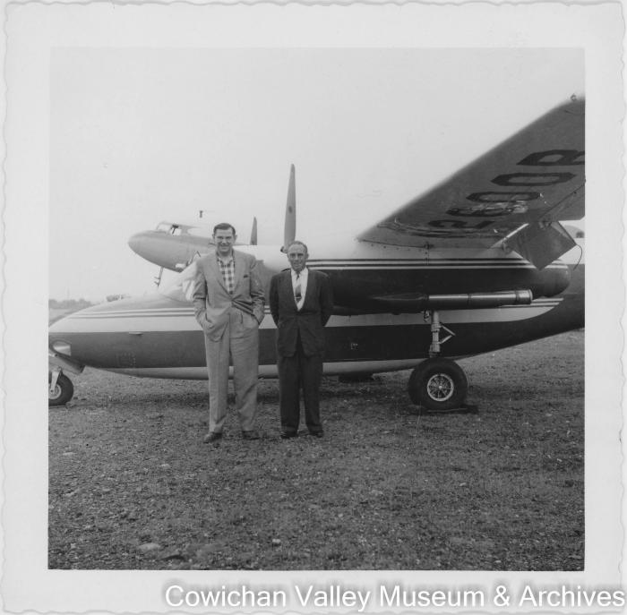 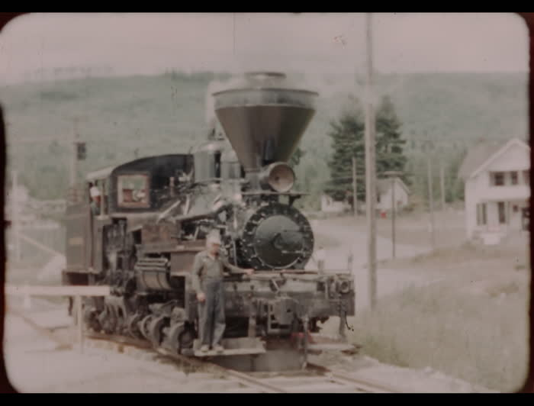 | Moving the 3 spot to in front of the office (2020_06_18_007) | Film of Clarence Martin moving the 3-spot Mayo Lumber co. train in front of the office. A group of Paldi residents ride in the train.
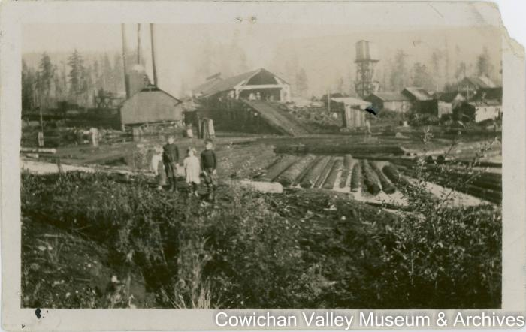 | Mill pond (2020_06_12_020) | Image of Bill, Ernie, and Pat Clendenning as well as a fourth unidentified child in front of the Mayo Lumber Co. sawmill.
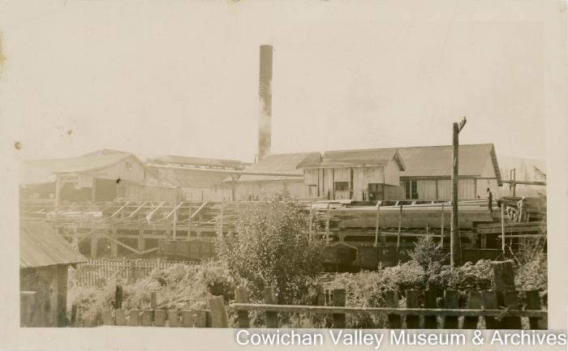 | Mayo lumber mill at Paldi, B.C. (2020_06_12_003) | Image of the Mayo Lumber Co. sawmill in Paldi.
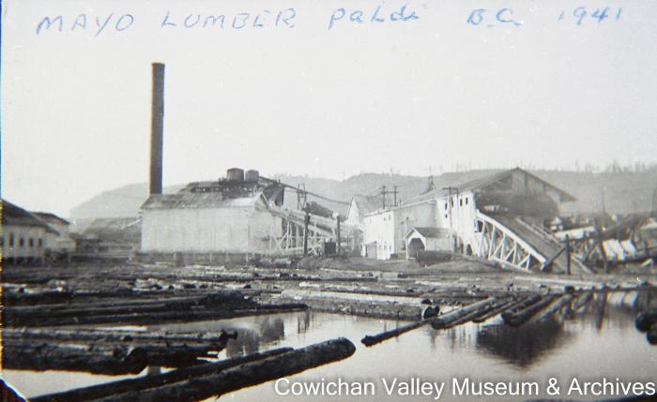 | [Mayo Lumber Mill] (2020_06_07_187) | Image of Mayo Lumber Mill and nearby wooding station.
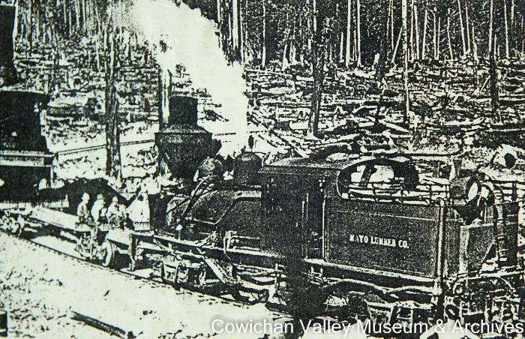 | [Mayo Lumber Co. railroad locomotive] (2020_06_07_232) | Image of a Mayo Lumber Co. railroad locomotive with three unidentified people sitting in front of it.
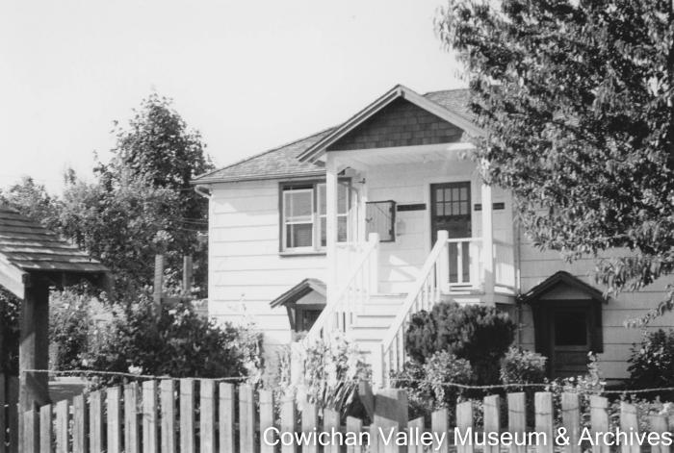 | Mayo Lumber Co. office Paldi B.C. (2020_06_10_008) | Image of the Paldi office of Mayo Lumber Co.
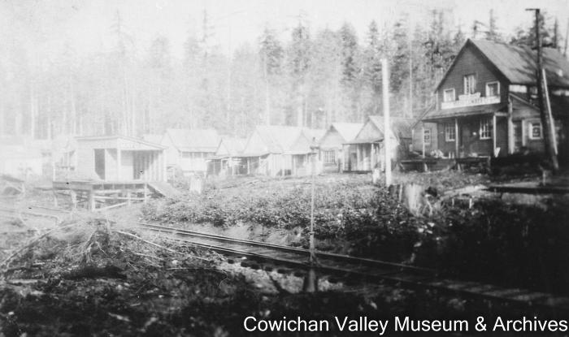 | [Mayo Lumber Co. office and store] (2020_06_01_015) | Image of a railroad track running along rows of wooden buildings.
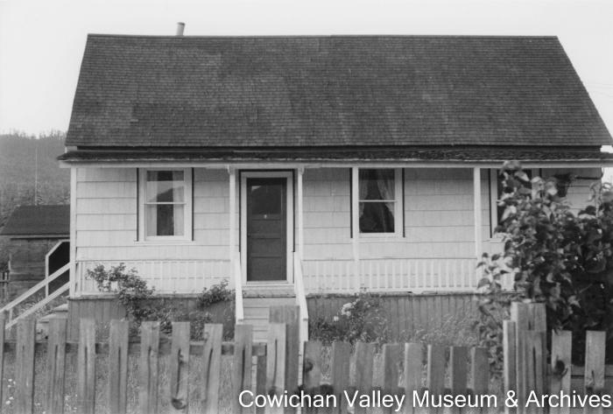 | [Mayo Lumber Co. office] (2020_06_11_022) | Image of the Mayo Lumber Co. office.
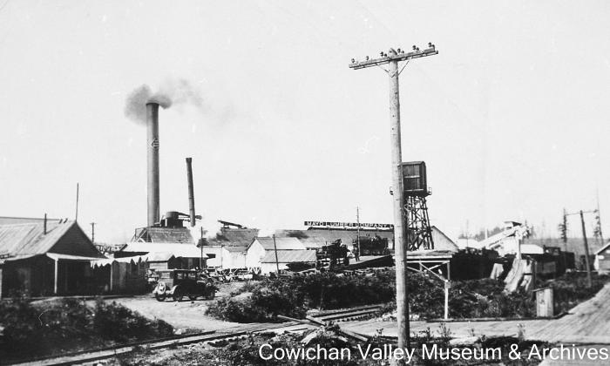 | [Mayo Lumber Company mill] (2020_06_07_216) | Image of Mayo Lumber Company Mill, near the railroad tracks and automobiles driving by.
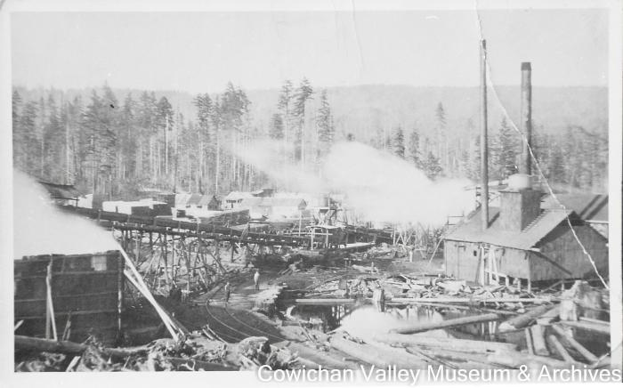 | [Mayo Lumber Co. mill after being rebuilt] (2020_06_07_025) | Image of the Mayo Lumber Co. mill after it was rebuilt. The original mill burnt down in 1919.
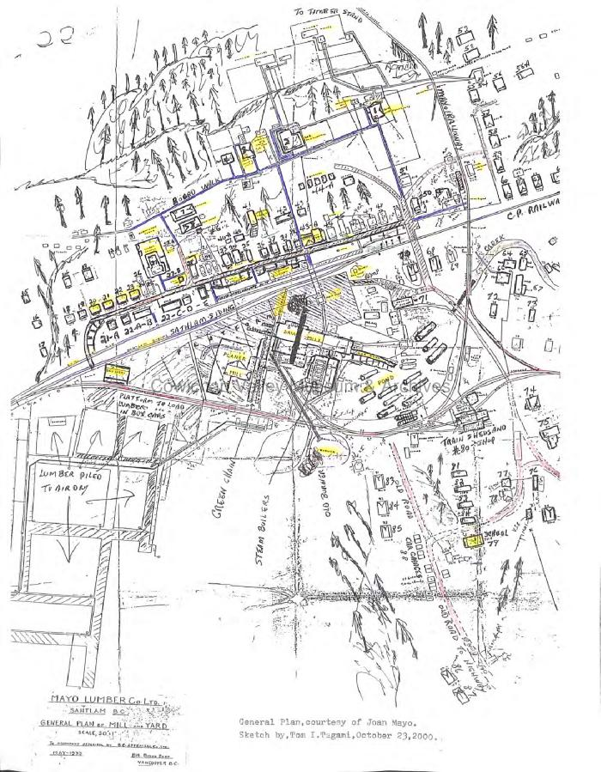
 | Mayo Lumber Co. Ltd. Sahtlam BC : general plan of mill and yard (2020_06_02_001) | Site plan for the Mayo Lumber Co.'s operation in Sahtlam.
 | Mayo Lumber Co. Ltd. Sahtlam BC : general plan of mill and yard (2020_06_02_003) | Site plans for the Mayo Lumber Co.'s operation in Sahtlam and an index identifying buildings and family homes.
 | Mayo Lumber Co. locomotive transporting a donkey engine (2020_06_08_06_005) | Image of a Mayo Lumber Co. locomotive transporting a donkey engine.
 | [Mayo Lumber Co. GMC pickup truck] (2020_06_07_071) | Image of a GMC pickup truck no. 12 from the Mayo Lumber Co.
 | Mayo lumber co. Duncan B.C. (2020_06_01_011) | Image of lumber camp with two buildings in front of a forest, near a wooding station. Photographed labelled 'Mayo Lumber Co. Duncan B.C.'
 | Mayo Lmbr Co sawmill (2020_06_12_053) | Image of an unidentified Mayo Lumber Co. employee operating a sawmill switchboard.
  | Mayo Lmbr Co sawmill (2020_06_12_054) | Image of machinery and a set of stairs inside the Mayo Lumber Co.'s sawmill in Nanaimo.
 | Mayo Lmbr Co sawmill (2020_06_12_055) | Image of machinery and conveyor belts inside the Mayo Lumber Co.'s sawmill in Nanaimo.
 | Mayo Lmbr Co sawmill (2020_06_12_056) | Image of lumber on a conveying system inside the Mayo Lumber Co.'s sawmill in Nanaimo.
 | Mayo Lmbr Co sawmill (2020_06_12_057) | Image of a set of stairs and machinery inside the Mayo Lumber Co.'s sawmill in Nanaimo.
 | Mayo Lmbr Co Paldi mill pond (2020_06_12_018) | Image of the Mayo Lumber Co. mill pond taken from the shore.
 | Lumber co. Duncan B.C. (2020_06_01_012) | Image of the first Mayo Lumber Co. sawmill, which opened on March 9, 1918.
 | Looking north towards Hill 60, and showing the mill with logs on the log deck, the boiler shack and the mill pond. (2020_06_07_028) | Image of the Mayo Lumber Co. mill
 | [Log dump] (2020_06_07_168) | Image of the Mayo Lumber Co.'s log dump and mill pond.
 | Locomotive with rear light and spark arrestor (2020_06_08_06_004) | Image of a Mayo Lumber Co. locomotive.
 | [Locomotive from Mayo lumber co. ltd.] (2020_06_07_033) | Image of locomotive from Mayo Lumber Co. Ltd. number 4 at lumber yard.
 | Leaving the sawmill (2020_06_07_024) | Image of locomotive from Mayo Lumber Co. number 3 at lumber yard. This train was later transferred to the BC Forest Discovery Centre.
 | Lake Cowichan (2020_06_12_031) | Image of two unidentified construction workers standing on wooden beams during the construction of the Mayo Lumber Co.'s Beaver Lake sawmill near Lake Cowichan.

 | [Kishen Singh Parhar holding his niece] (2020_06_07_171) | Image of Kishen Singh Parhar holding a child, believed to be the second daughter of his sister Bishan Kour, taken in front of Mayo Lumber Co.
  | Kids playing football = Mill yard = Cassidy Airport (2020_06_18_003) | Film of children playing football [00;00 to 01;09], the Mayo Lumber Co. millsite [01;14 to 01;26], Joan Mayo and her children [01;26 to 01;57], a small plane on a runway [01;57 to 02;28], and two of the Mayo children reading a book in bed.
 | [Henry McHemer posing with a car in front of a bridge and sign for May Lumber Co.] (2020_06_11_084) | Image of Henry McHemer posing with a car in front of a bridge and a sign for Mayo Lumber Co.
 | [Henry McHemer posing with a car in front of a bridge and sign for May Lumber Co.] (2020_06_11_086) | Image of Henry McHemer posing with a car in front of a bridge and a sign for Mayo Lumber Co.
 | Henry McHemer company controller in front of Mayo Lmbr Co. office (2020_06_11_019) | Image of Henry McHemer with an automobile in front of the Mayo Lumber Co. office.
 | [Henry McHemer company controller in front of Mayo Lumber Co. office] (2020_06_11_020) | Image of Henry McHemer in front of the Mayo Lumber Co. office.
 | [Henry McHemer company controller in front of Mayo Lumber Co. office] (2020_06_11_021) | Image of Henry McHemer in front of the Mayo Lumber Co. office.
 | Gindi Mayo (2020_06_08_08_008) | Image of Gindi Mayo in a suit posing with a locomotive.
 | [Four unidentified workers on bridge] (2020_06_12_029) | Image of four unidentified Mayo Lumber Co. workers standing on a bridge during the construction of the Beaver Lake sawmill.
   | [Floodgate construction] (2020_06_07_203) | Image of rows of houses near a body of water. A floodgate is being constructed in the foreground to create a mill pond for the Mayo Lumber Co. Kapoor Singh's house can be seen in the background.
 | Dean Channel #3 (2020_06_18_005) | Film of crane logging [00;00 to 01;52] and delivery of logs by truck and ship.
 | Dean Channel #2 (2020_06_18_002) | Film of what is believed to be the Mayo Lumber Co. buildings and logging around Paldi.
 | Dean Channel #1 : moose (2020_06_18_004) | Film of aerial shots of mountains and the Mayo Lumber Co. millsite taken from a plane [00;00 to 01;16], exterior shots of streams, forests, and trails [01;16 to 02;21] and shots of logging.
 | Clarence Martin on 3 spot (2020_06_08_08_005) | Image of Clarence Martin sitting on the front of a locomotive.
 | Clarence Martin on 3 spot (2020_06_08_08_007) | Image of Clarence Martin posing with a locomotive.
 | [Clarence Martin in Mayo Lumber Co. locomotive number three] (2020_06_07_208) | Image of Clarence Martin in a Mayo Lumber Co. 3-spot train.
 | Clarence Martin driving the 3 spot (2020_06_08_08_001) | Image of Clarence Martin driving a locomotive.
     | [Cars and men gathered outside of the Mayo Lumber Co. cookhouse] (2021_04_03_003) | Image of two cars and a group of men gathered outside of the Mayo Bros Lumber Co. cookhouse. The sign outside of the cookhouse reads: "NOTICE; The Company will not tolerate any smoking or drinking in or around cook house; Mayo Bros Lumber Co."
 | [Carl Friegon posing with a car in front of a bridge and sign for May Lumber Co.] (2020_06_11_085) | Image of Carl Friegon posing with a car in front of a bridge and a sign for Mayo Lumber Co.
 | [Carl Friegon] (2020_06_18_009) | Image of Carl Friegon sweeping the floor of the Mayo Lumber Co. office.
 | Bringing logs to Paldi mill (2020_06_07_147) | Image of a railroad locomotive carrying lumber across a wood bridge towards Paldi's mill pond.
 | [Beaver Lake mill construction] (2020_06_12_030) | Image of the Mayo Lumber Co.'s Beaver Lake sawmill being constructed.

 | Beaver Lake mill by Cowichan Lake (2020_06_12_033) | Image of a wooden structure stretching from the shore to the mill pond. This was built during the construction of the Mayo Lumber Co. sawmill at Beaver Lake.

 | Beaver Lake mill by Cowichan Lake (2020_06_12_034) | Image of a wooden structure stretching from the shore to the mill pond. This was built during the construction of the Mayo Lumber Co. sawmill at Beaver Lake.

 | Beaver Lake mill by Cowichan Lake (2020_06_12_035) | Image of three construction workers building the Mayo Lumber Co. sawmill at Beaver Lake.

 | Beaver Lake mill by Cowichan Lake (2020_06_12_036) | Image of a wooden structure stretching from the shore to the mill pond. This was built during the construction of the Mayo Lumber Co. sawmill at Beaver Lake.

 | Beaver Lake mill by Cowichan Lake (2020_06_12_037) | Image of four construction workers standing on the partially constructed Mayo Lumber Co. sawmill at Beaver Lake.
  | Beaver Lake mill by Cowichan Lake (2020_06_12_038) | Image of the partially constructed Mayo Lumber Co. sawmill at Beaver Lake.
 | Beaver Lake mill by Cowichan Lake (2020_06_12_039) | Image of the partially constructed Mayo Lumber Co. sawmill at Beaver Lake. Two construction workers walk along the dock.
 | Beaver Lake mill by Cowichan Lake (2020_06_12_040) | Image of an unidentified man standing on the shore with his arms spread in front of the partially constructed Mayo Lumber Co. sawmill at Beaver Lake.
 | Beaver Lake mill by Cowichan Lake (2020_06_12_041) | Image of construction workers and machinery on the partially constructed Mayo Lumber Co. sawmill at Beaver Lake.
 | [Atma SIngh Dodd and unidentified office employee standing on locomotive] (2020_06_07_175) | Image of Atma Singh Dodd (left) and an unidentified office employee of Mayo Lumber Co. standing on a locomotive in Paldi.
 | Atma Singh Dodd and an employee of Mayo Lmbr Co. office (2020_06_11_034) | Image of Atma Singh Dodd and an employee of May Lumber Co. office posing in front of a locomotive.
 | [A Mayo Lumber Co pickup truck] (2020_06_10_031) | Image of a Mayo Lumber Co. pick-up truck parked in front of a house.
 | [A Mayo Lumber Co locomotive] (2020_06_08_06_003) | Image of a Mayo Lumber Co. locomotive.

