Results
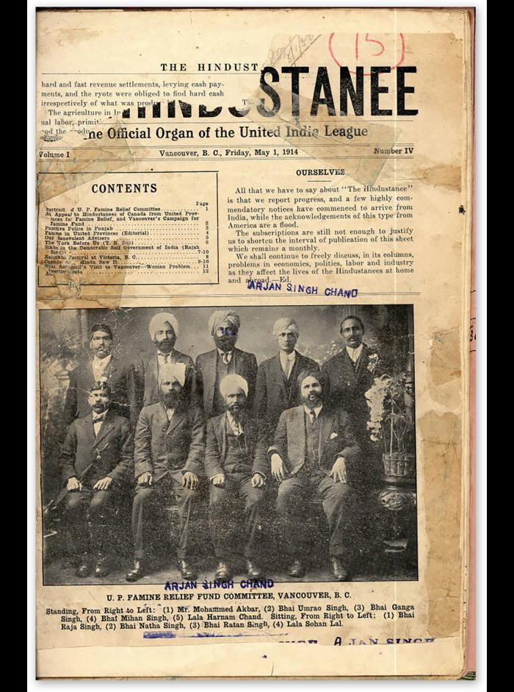
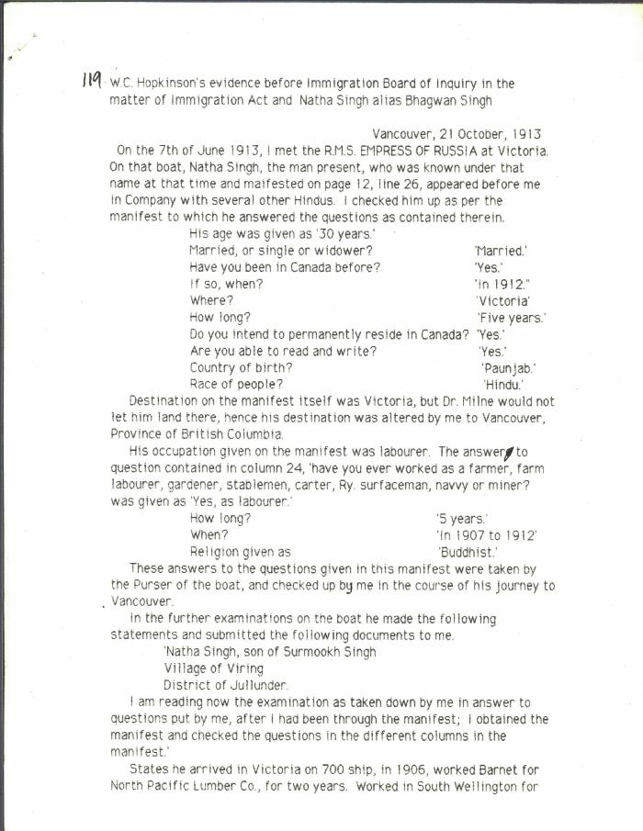
Image | Object | Description | Date
 | The Hindustanee : the official organ of the United India League (2021_05_029) | The front page of the May 1, 1914 issue of The Hindustanee newspaper. The headline reads "Ourselves". There is a picture of the Vancouver U. P. Famine Relief Fund Committee. The caption underneath reads: "Standing, From Right to Left: (1) Mr. Mohammed Akbar, (2) Bhai Umrao Singh, (3) Bhai Ganga Singh, (4) Bhai Mihan Singh, (5) Lala Harnam Chand. Sitting, From Right to Left: (1) Bhai Raja Singh, (2) Bhai Natha Singh, (3) Bhai Ratan Singh, (4) Lala Sohan Lal."
 | W. C. Hopkinson's evidence before Immigration Board of Inquiry in the matter of Immigration Act and Natha Singh alias Bhagwan Singh (2021_07_5195) | City of Vancouver Archives. Add. Mss. No. 69, Vol. 1
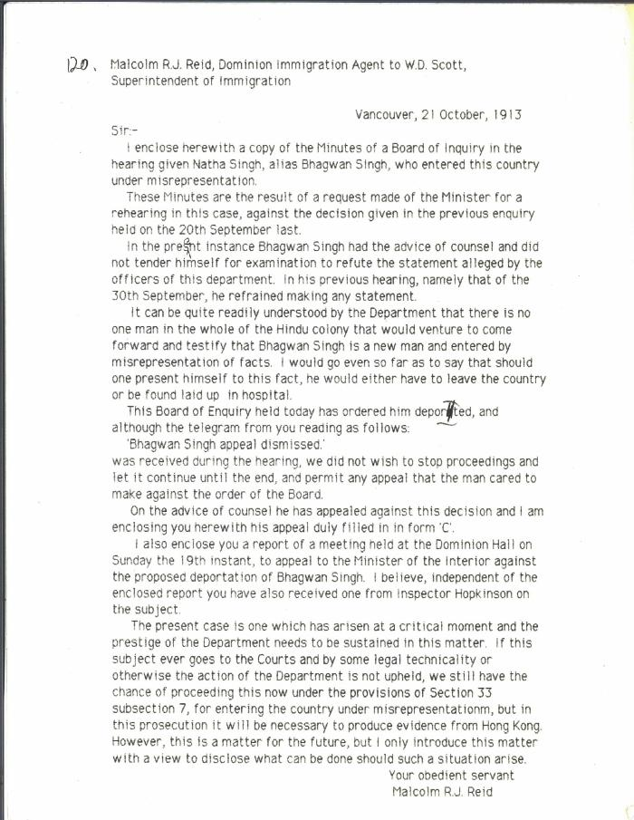
 | Malcolm R. J. Reid, Dominion Immigration Agent, to W. D. Scott, Superintendent of Immigration [re Board of Inquiry hearing for Natha Singh, alias Bhagwan Singh] (2021_07_10319) | City of Vancouver Archives. Add. Mss. No. 69, Vol. 1

