Results
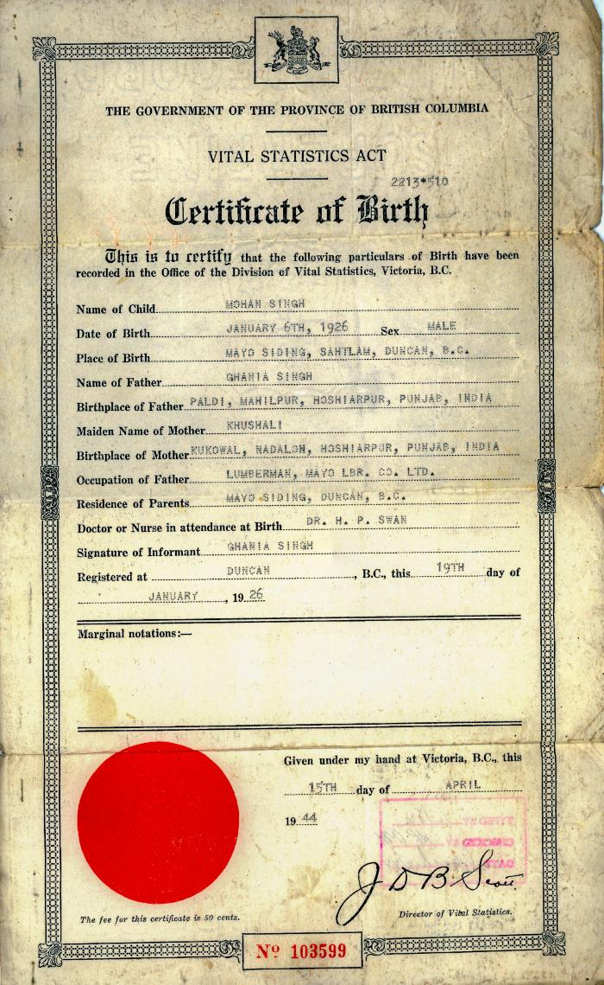
Image | Object | Description | Date
 | [Certificate of Birth of Mohan Singh] (2020_05_01_04_005) | Certificate of Birth of Mohan Singh, the son of Ghania Singh. Also includes a b&w photograph of an unidentified man and a receipt from Vital Statistics Act, B. C. search fee for 50 cents.
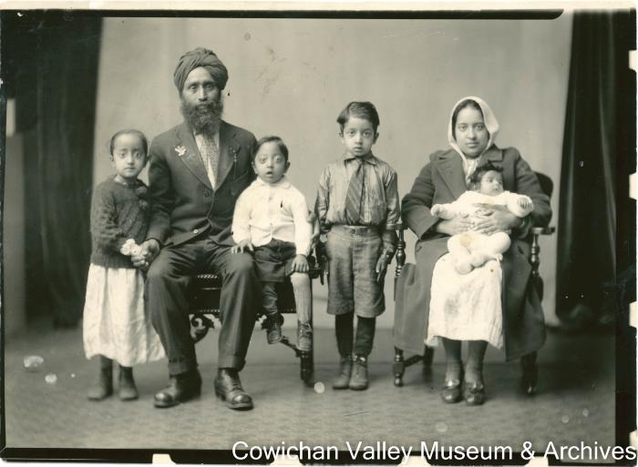 | Arjan S. Samrari with his wife and sons, Mohan Singh, Sohan Singh and Bhajan Singh (2020_06_11_070) | Image of Arjan S. Samrari with his wife, daughter and three sons Mohan, Sohan, and Bhajan.

