Results
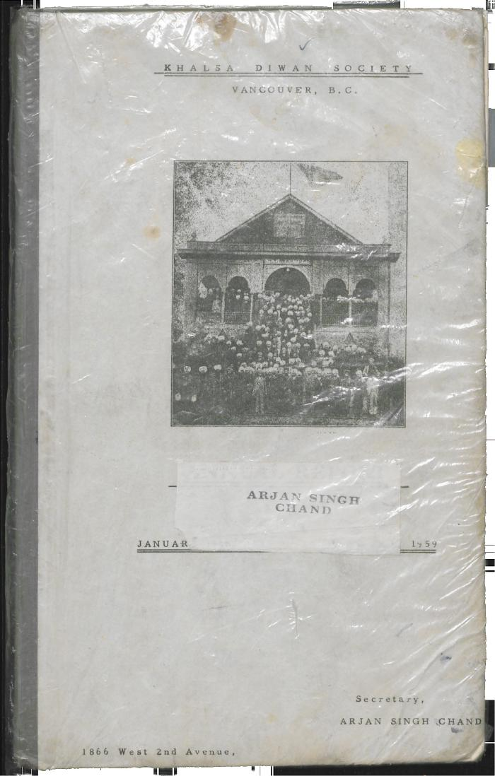
Image | Object | Description | Date
 | Khalsa Diwan Society [Diary], Vancouver, B.C. [: Volume 1 - English translation] (2021_07_10918) | The diary, volume one of two volumes, contains information on the activities of the Vancouver Khalsa Diwan Society between 1906 and 1924, as recorded by Secretary Arjan Singh Brar (Chand).

