Results
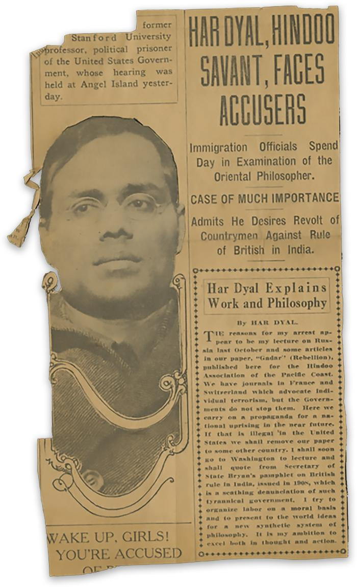
Image | Object | Description | Date
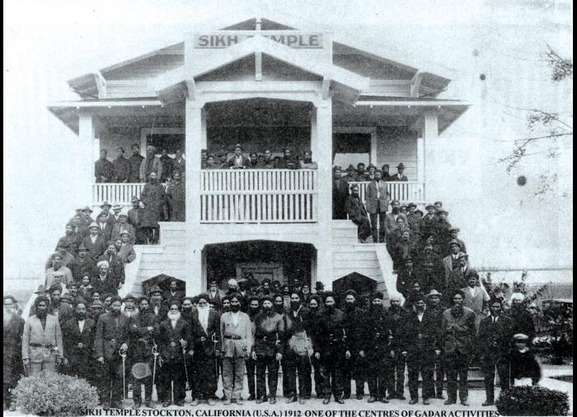 | Sikh Temple Stockton (U.S.A.) 1912 : one of the centres of Gadar activities (2021_05_070) | Image of a crowd of men gathered outside and on the steps and balcony of the Stockton Gurdwara.
 | Har Dyal, [South Asian] savant, faces accusers (2021_05_071) | News clipping from the San Francisco Chronicle on Ghadar Party member Har Dayal.
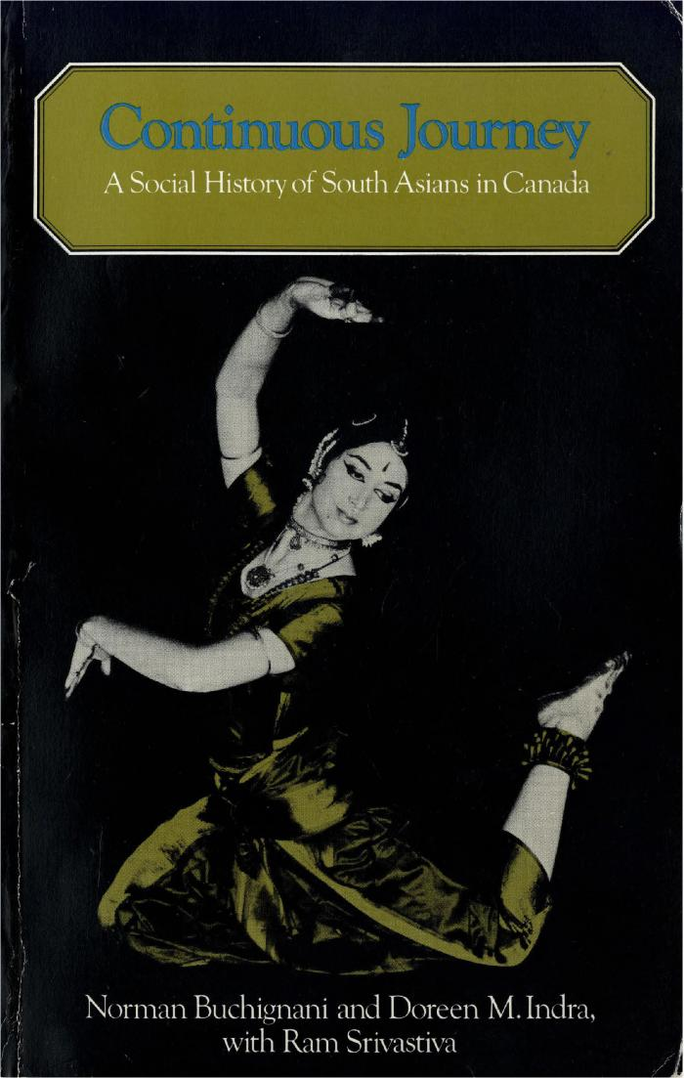
 | Continuous Journey: A Social History of South Asians in Canada (2021_07_292)
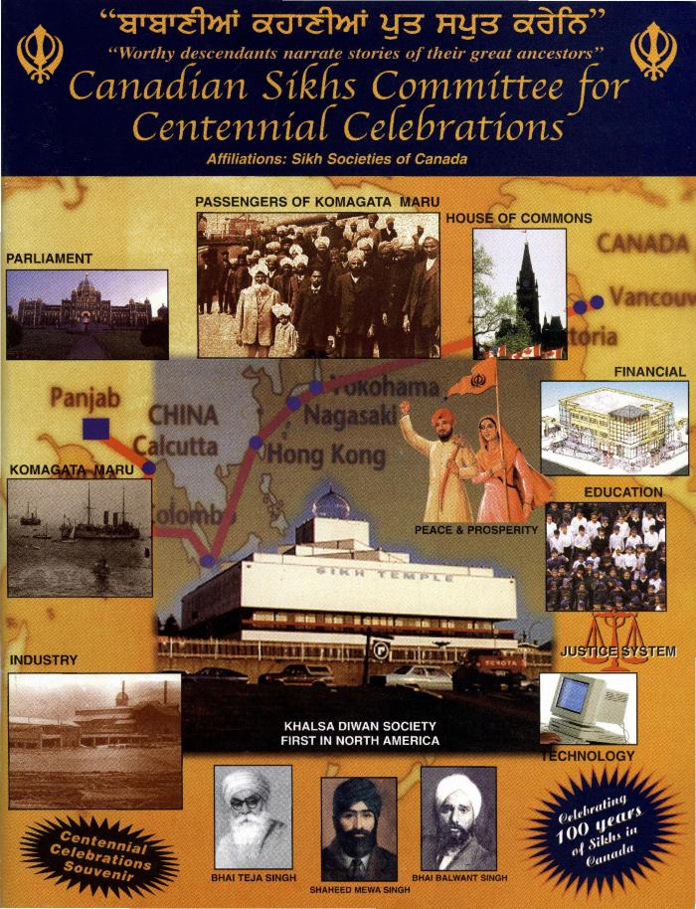
 | Canadian Sikhs Committee for Centennial Celebrations (2021_07_1656) | Provided by Dr. Kanwal Neel.,ਡਾ: ਕੰਵਲ ਨੀਲ ਵਲੋਂ ਮੁਹੱਈਆ ਕੀਤਾ ਗਿਆ।;ਡਾ: ਕੰਵਲ ਨੀਲ ਵਲੋਂ ਮੁਹੱਈਆ ਕੀਤਾ ਗਿਆ।
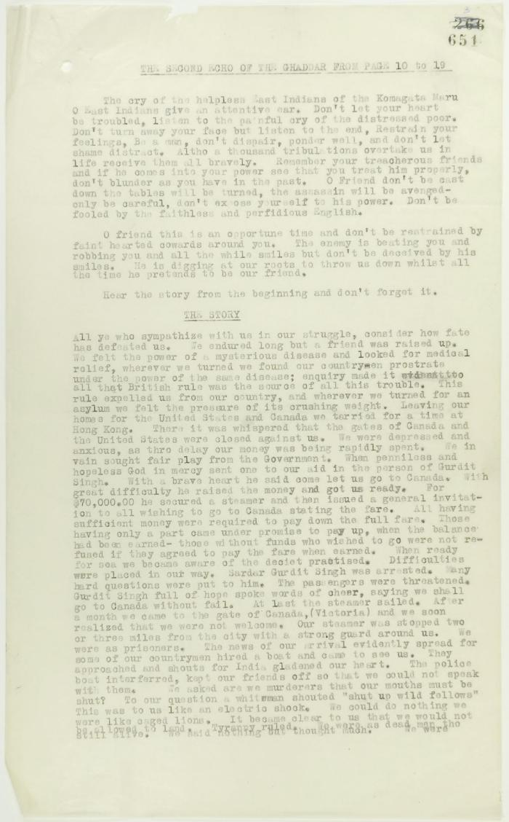
 | From the Second Echo of the Ghaddar (see p. 650). Page 1-3. Includes the message of the passengers of the Komagata Maru to their countrymen (2021_07_2300) | Page 651-655
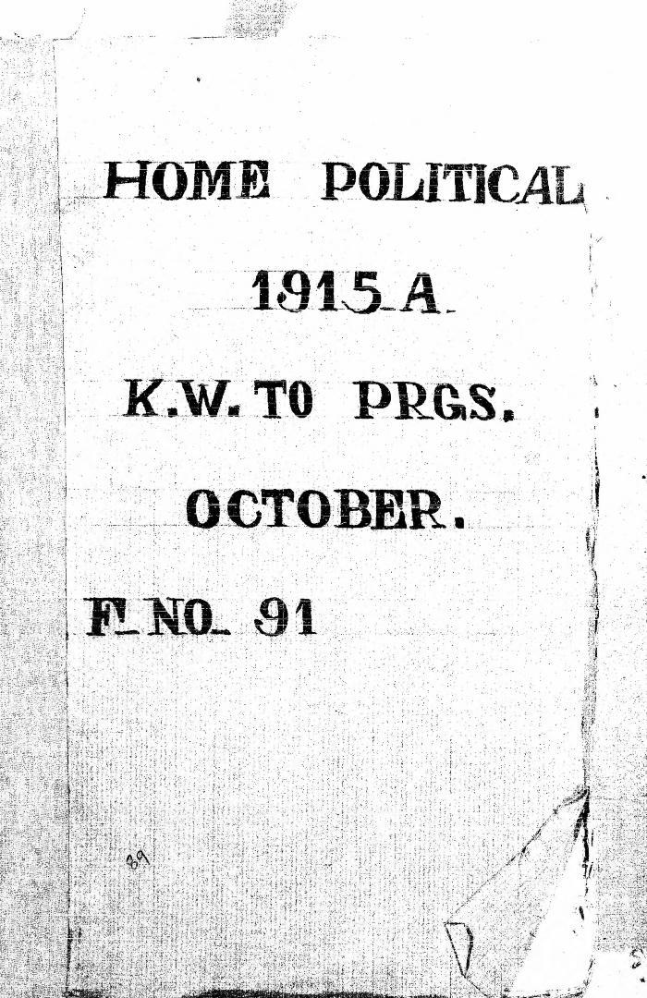
 | Lahore Conspiracy Case. Judgment. In re King Emperor versus Anand Kishore and Others (2021_07_2811)
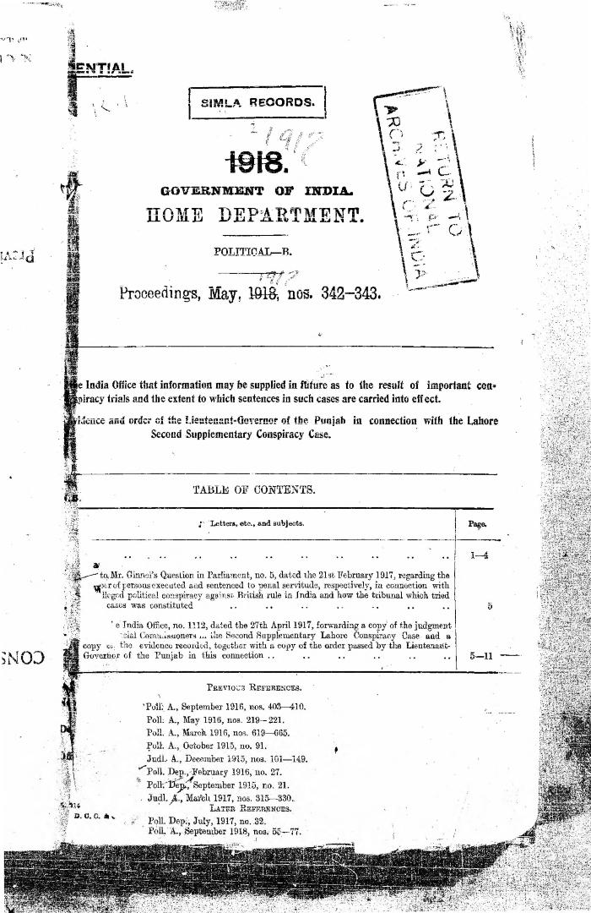
 | Second Supplementary Lahore Conspiracy Case (2021_07_2934)
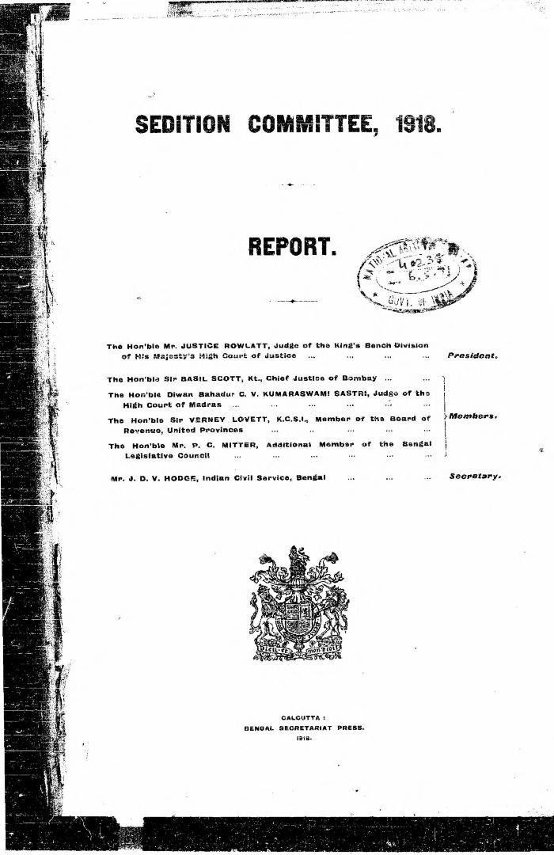
 | Sedition Committee, 1918. Report (2021_07_3094)
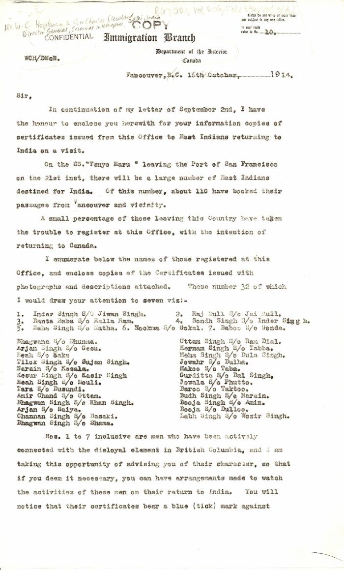
 | [William C. Hopkinson, Immigration Inspector, to Sir Charles Cleveland, Director General, Criminal Intelligence, Delhi, India. Copy] (2021_07_4788) | Library and Archives Canada. RG7-G-21, Vol. 206, File 332, vol. 13 (b)

 | Note on the Hindu Revolutionary Movement in Canada (2021_07_5232) | Library and Archives Canada. RG76, Vol. 386, File 536999, pt. 11
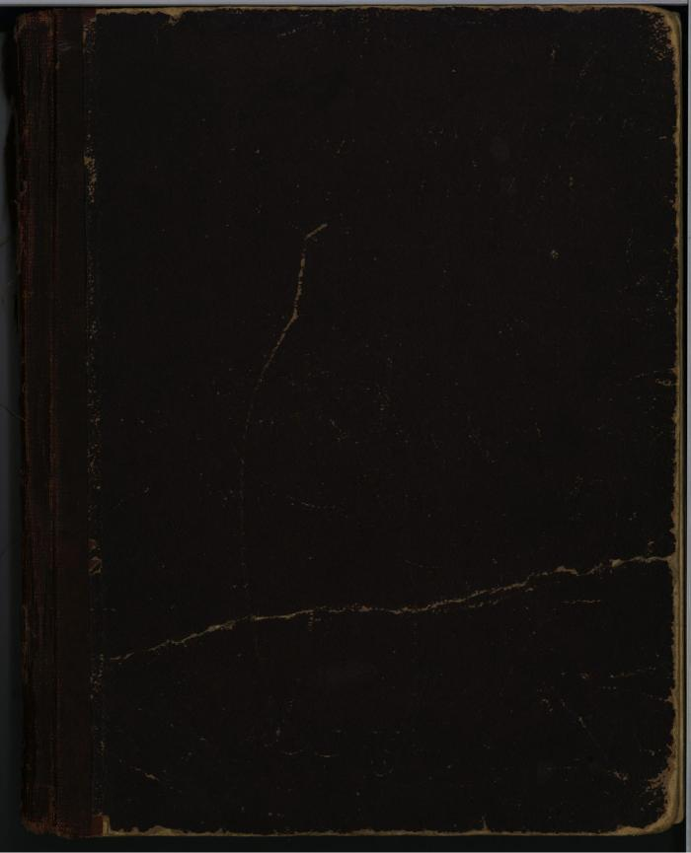
 | [Diary : United India Home Rule League of Canada and the Hindustani Swaraj Sabha] (2021_07_5956)
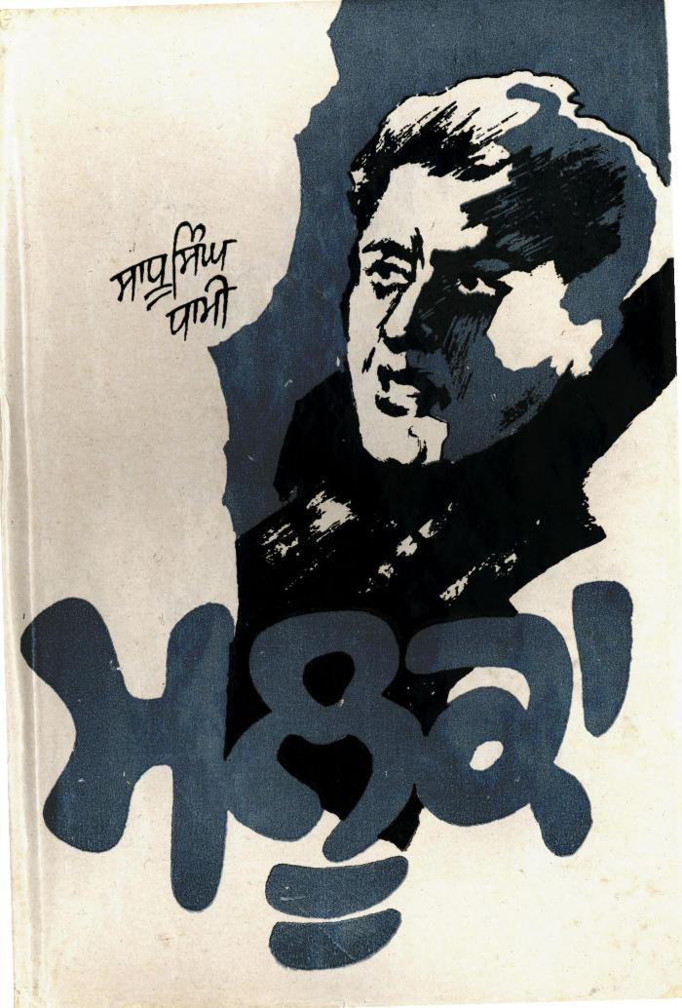
 | Mlooka (Novel) (2021_07_10158) | Maluka: A Novel was originally published in English in two parts. The first part was published in 1978, and the second part in 1989. This version was translated into Punjabi by Sadhu Singh Madahar.,ਮਲੂਕਾ: ਮੂਲ ਰੂਪ ਵਿੱਚ ਨਾਵਲ ਅੰਗ੍ਰੇਜ਼ੀ ਵਿੱਚ ਦੋ ਭਾਗਾਂ ਵਿੱਚ ਪ੍ਰਕਾਸਿਤ ਕੀਤਾ ਗਿਆ ਸੀ। ਪਹਿਲਾ ਭਾਗ 1978 ਵਿੱਚ ਅਤੇ ਦੂਜਾ ਭਾਗ 1989 ਵਿੱਚ ਪ੍ਰਕਾਸ਼ਿਤ ਕੀਤਾ ਗਿਆ ਸੀ। ਪੰਜਾਬੀ ਵਿੱਚ ਇਸ ਸੰਸਕਰਨ ਦਾ ਅਨੁਵਾਦ ਸਾਧੂ ਸਿੰਘ ਮਦਹਰ ਵਲੋਂ ਕੀਤਾ ਗਿਆ।;ਮਲੂਕਾ: ਮੂਲ ਰੂਪ ਵਿੱਚ ਨਾਵਲ ਅੰਗ੍ਰੇਜ਼ੀ ਵਿੱਚ ਦੋ ਭਾਗਾਂ ਵਿੱਚ ਪ੍ਰਕਾਸਿਤ ਕੀਤਾ ਗਿਆ ਸੀ। ਪਹਿਲਾ ਭਾਗ 1978 ਵਿੱਚ ਅਤੇ ਦੂਜਾ ਭਾਗ 1989 ਵਿੱਚ ਪ੍ਰਕਾਸ਼ਿਤ ਕੀਤਾ ਗਿਆ ਸੀ। ਪੰਜਾਬੀ ਵਿੱਚ ਇਸ ਸੰਸਕਰਨ ਦਾ ਅਨੁਵਾਦ ਸਾਧੂ ਸਿੰਘ ਮਦਹਰ ਵਲੋਂ ਕੀਤਾ ਗਿਆ।
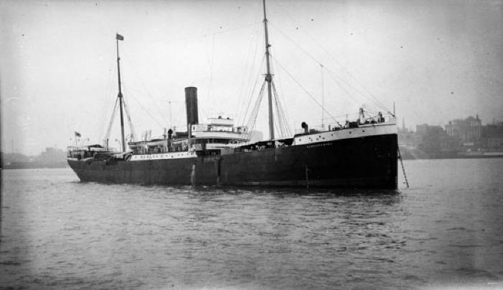 | Komagata Maru moored in unknown harbour (2021_07_10599) | Vancouver Public Library. Accession number 83583

 | The Voyage of the Komagata Maru: The Sikh Challenge to Canada's Colour Bar (2021_07_10930) | Hugh Johnston provided the first thoroughly researched study of the Komagata Maru event, basing his analysis on official accounts from both Canadian and Indian sources, as well as on the reminiscences of the only passenger still alive at the time the book was written. This book is still the landmark text on the Komagata Maru and diligently outlines the life for Indians at the turn of the 20th century, the reasons for chartering the Komagata Maru, revolutionary movements in North America, the riot at Budge Budge and the lives of many of the key players after the events of the Komagata Maru.

