Results
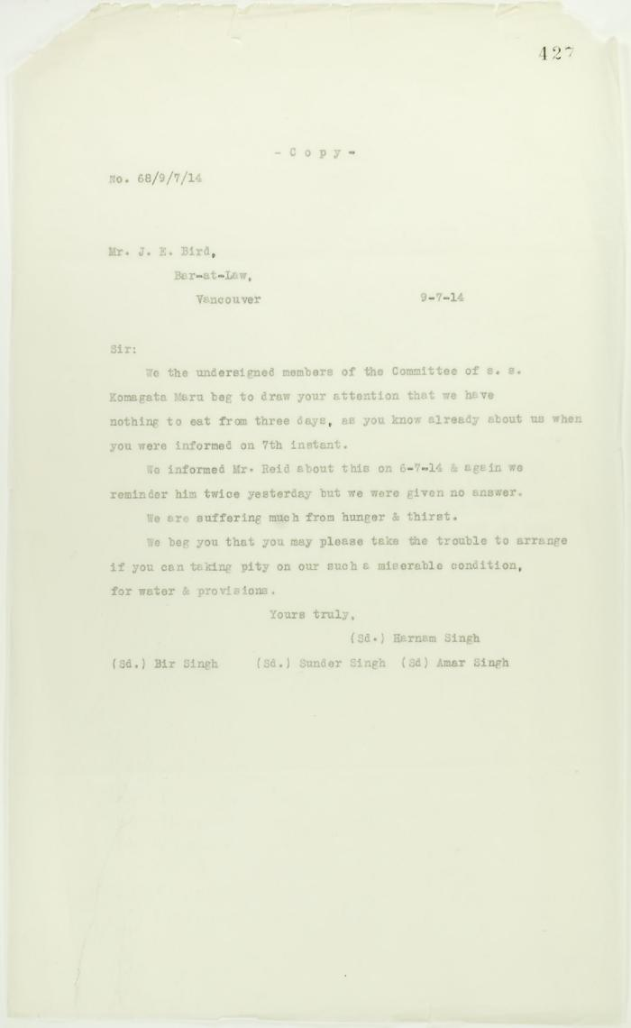
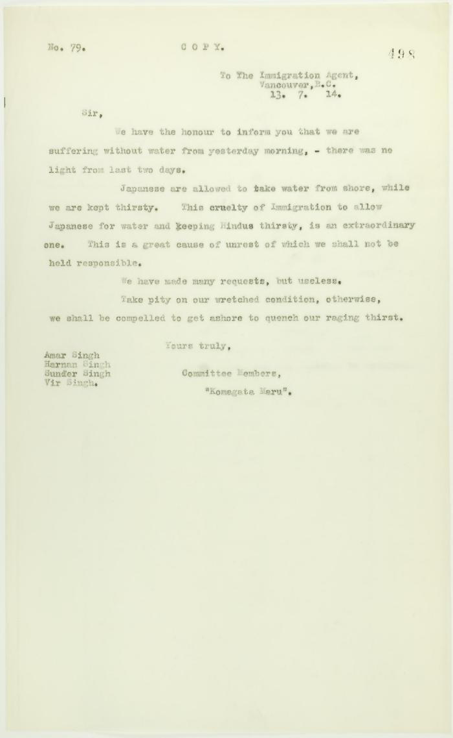
Image | Object | Description | Date
 | Copy of letter from passengers to J. E. Bird re hunger and thirst (2021_07_10720) | Page 427
 | Copy of letter from passengers to the Immigration Agent re provisions (2021_07_10757) | Page 498
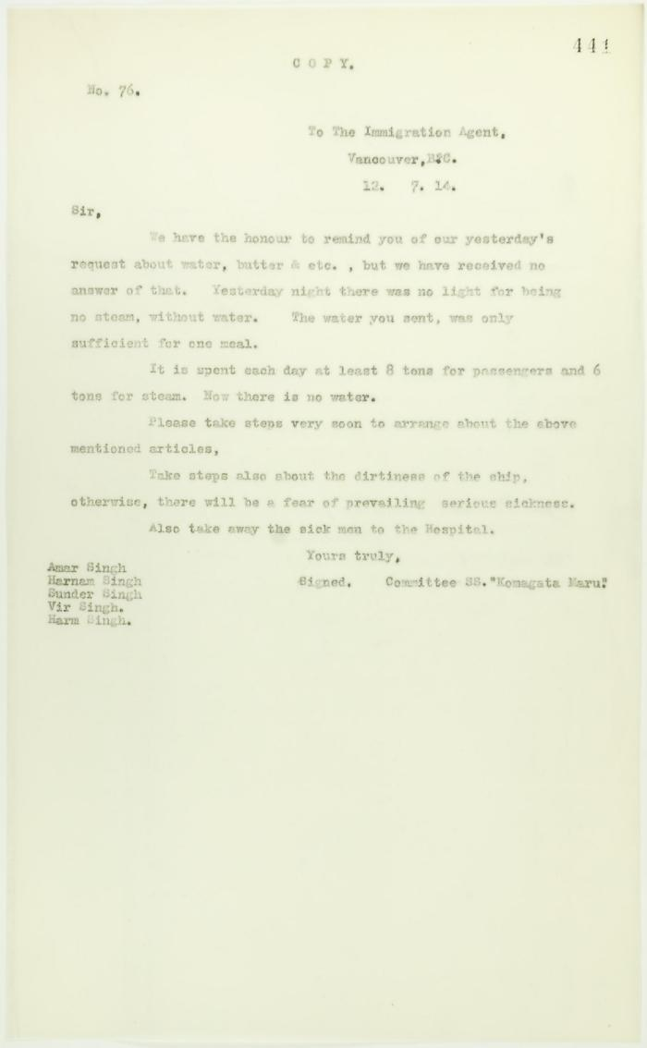
 | Copy of letter from passengers to the Immigration Agent requesting provisions (2021_07_10730) | Page 441
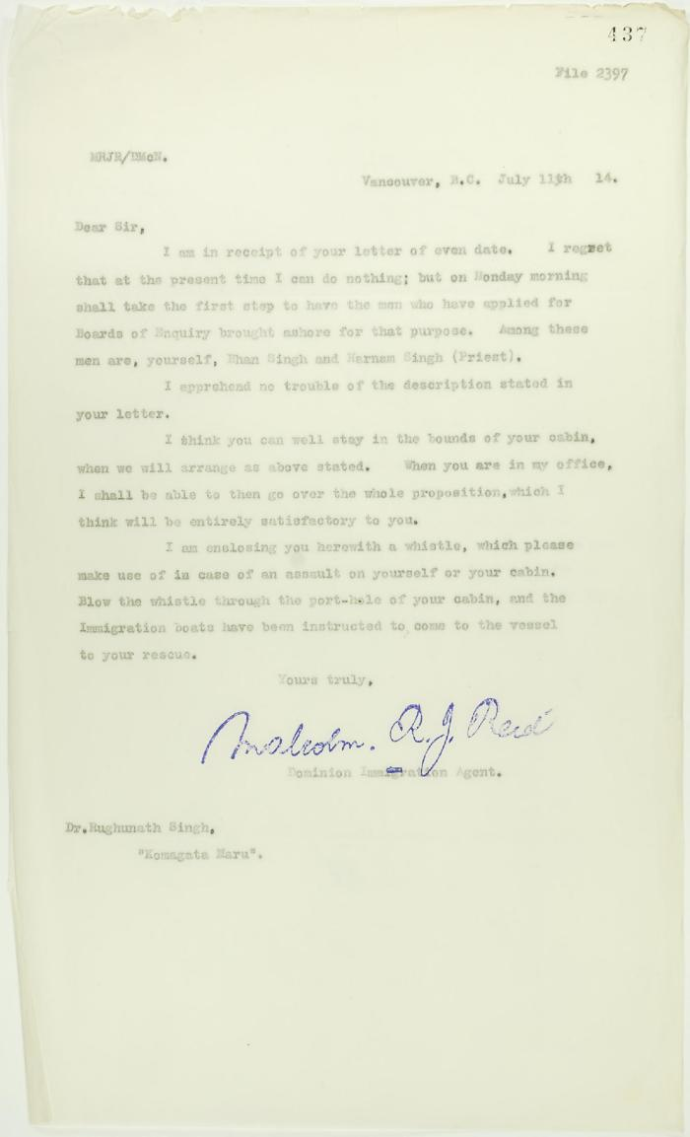
 | Copy of letter from Reid to Dr. Rughunath Singh re appearing before Board of Enquiry (2021_07_10725) | Page 437
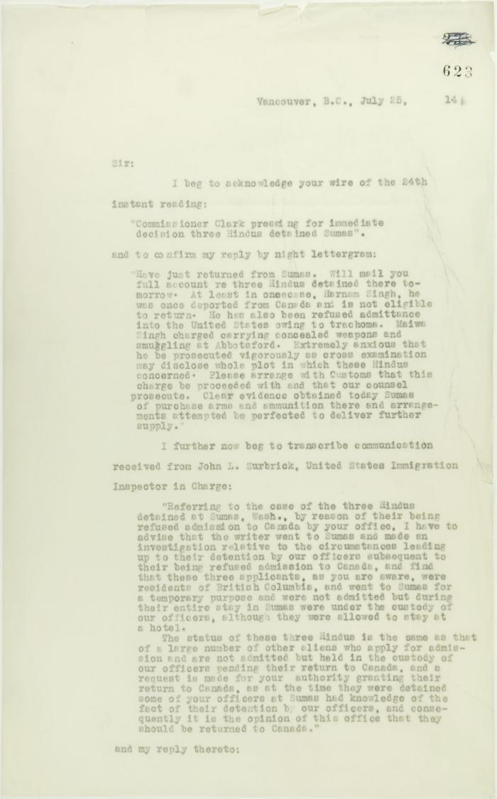
 | Copy of letter from Reid to W. D. Scott acknowledging wires sent and received, and re his visit to Sumas. Page 1-5 (2021_07_2053) | Page 623-627
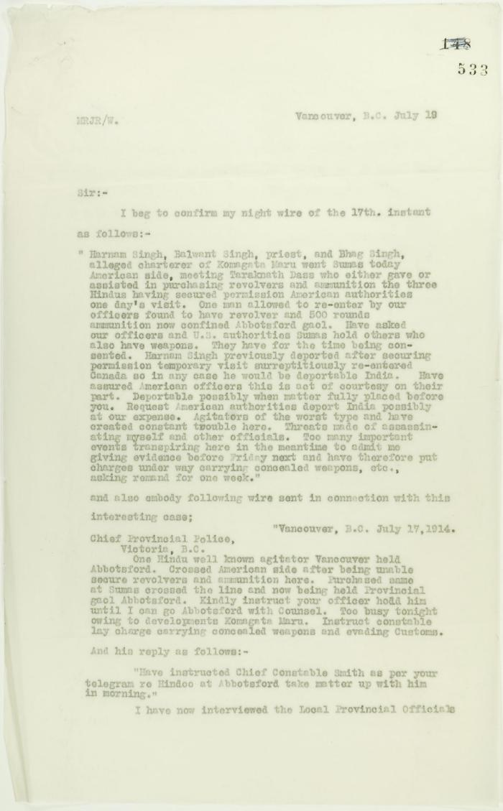
 | Copy of letter from Reid to W. D. Scott confirming telegrams re purchase of revolvers by Hindus. Page 1-2 (2021_07_1040) | Page 533-534
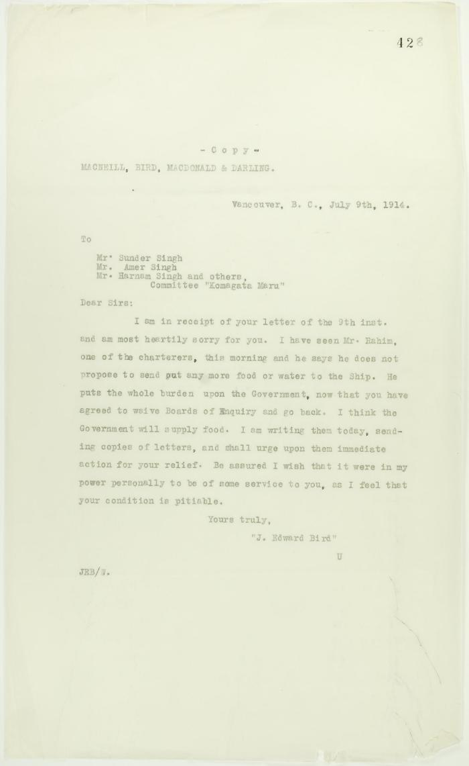
 | Copy of reply from J. E. Bird to passengers (see p. 427) (2021_07_10721) | Page 428
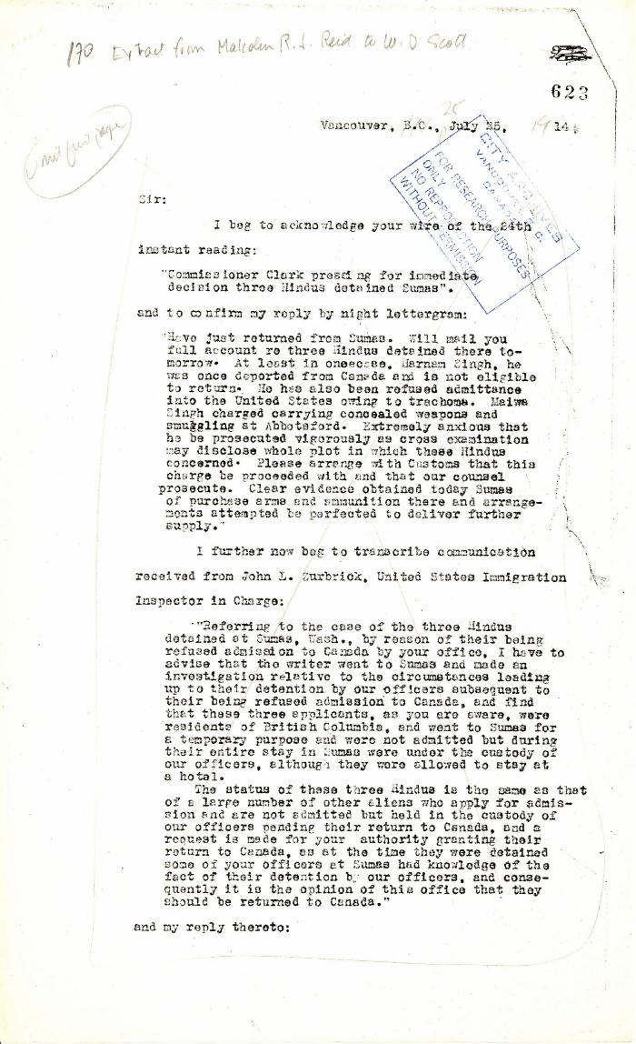
 | Extract from Malcolm R. J. Reid to W. D. Scott (2021_07_5208) | Pages 623-627
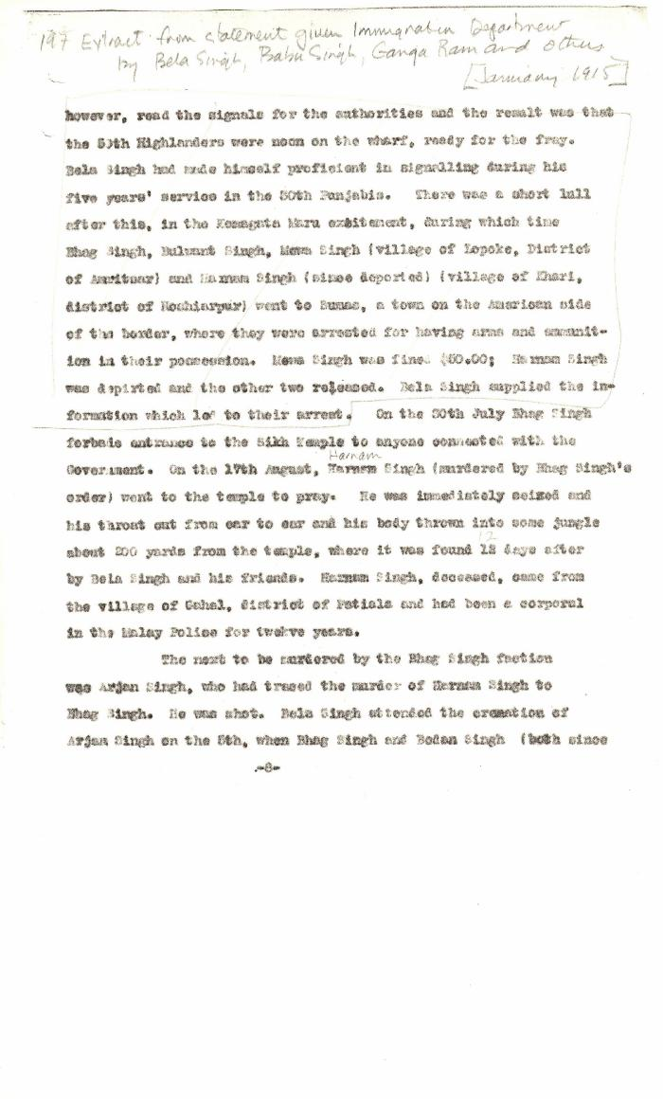
 | [Extract from statement given to Immigration Department by Bela Singh, Babu Singh, Ganga Ram and others. Copy] (2021_07_4812) | Library and Archives Canada. RG7-G-21, File 332, vol. 13 (a)
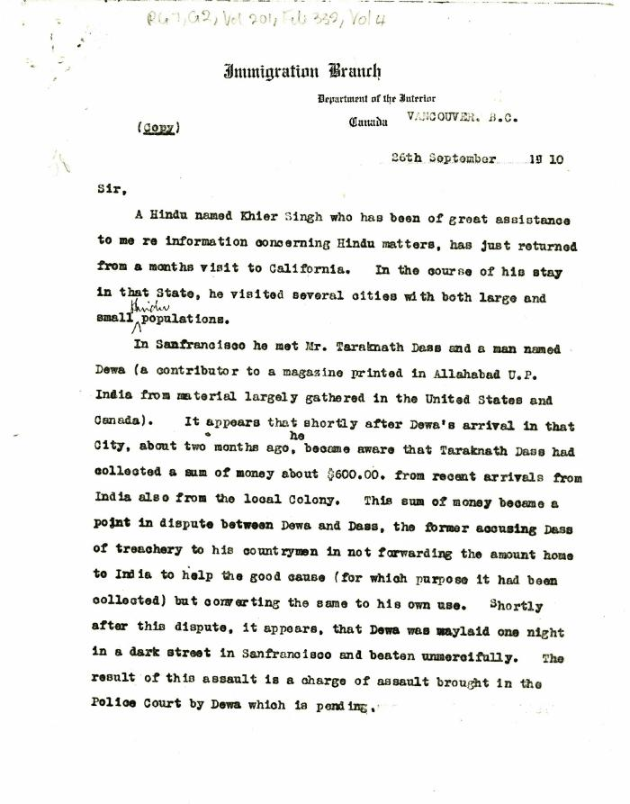
 | [Extract from William C. Hopkinson, Immigration Inspector, to William W. Cory, Deputy Minister of the Interior. Copy] (2021_07_4346) | Library and Archives Canada. RG7-G-21, Vol. 201, File 332, vol. 4
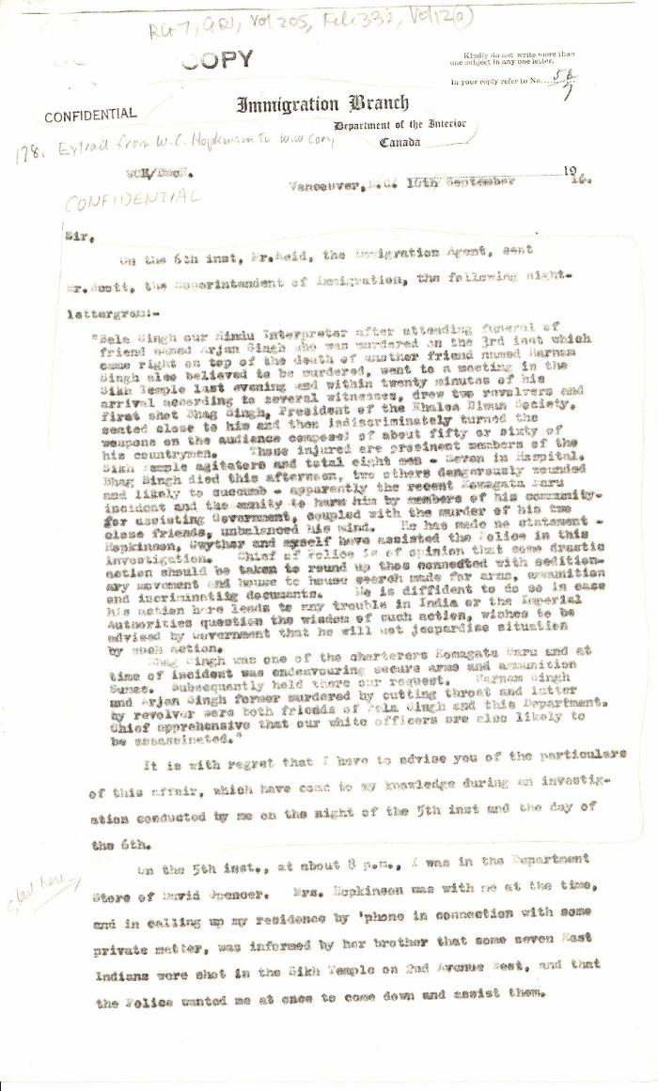
 | [Extract from William C. Hopkinson, Immigration Inspector, to William W. Cory, Deputy Minister of the Interior. Copy] (2021_07_4785) | Library and Archives Canada. RG7-G-21, Vol. 205, File 332, vol. 12 (a)
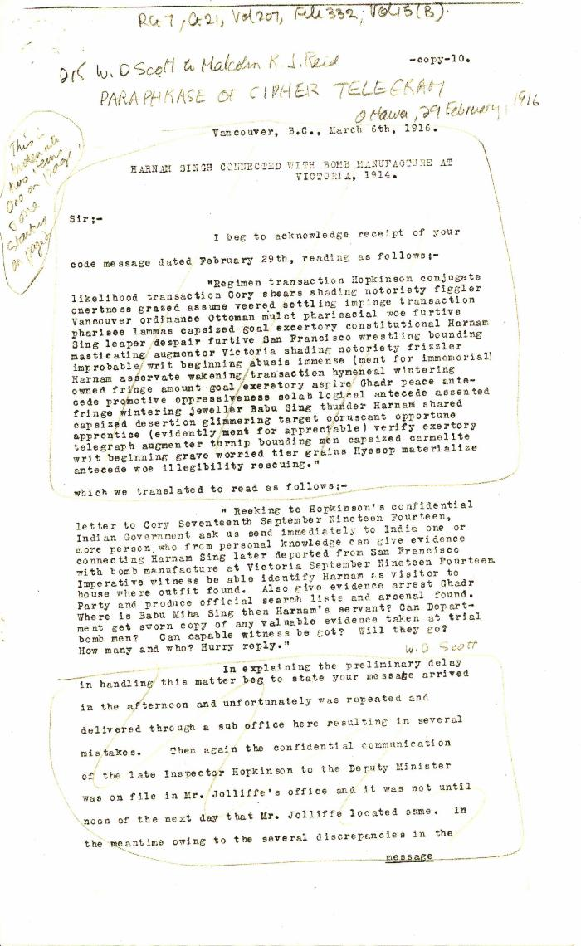
 | Harnam Singh connected with bomb manufacture at Victoria, 1914 [William D. Scott, Superintendent of Immigration, to Malcolm R. J. Reid, Dominion Immigration Agent, Ottawa] (2021_07_4848) | Library and Archives Canada. RG7-G-21, Vol. 207, File 332, vol. 15 (b)
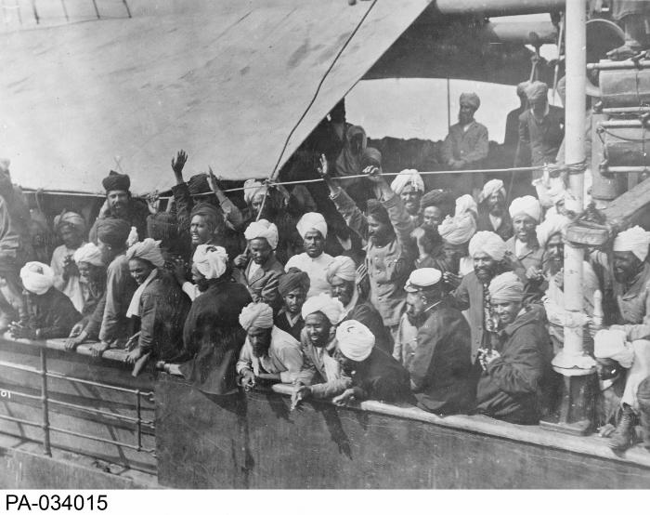 | Indian immigrants on board the KOMAGATA MARU in English Bay, Vancouver, British Columbia, 1914 (2021_07_10588) | Library and Archives Canada. PA-034015
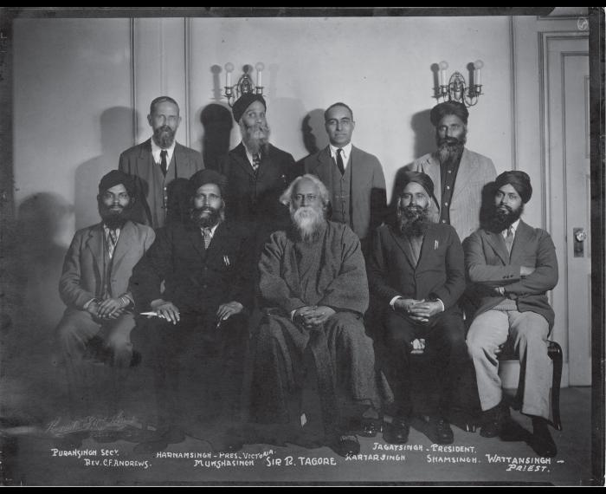 | [Khalsa Diwan organizers] (2021_05_048) | Photograph includes Puran Singh, Rev. C. F. Andrews, Harnam Singh, Munsha Singh, Sir R. Tagore, Kartar Singh, Jagat Singh, Sham Singh, and Wattan Singh.
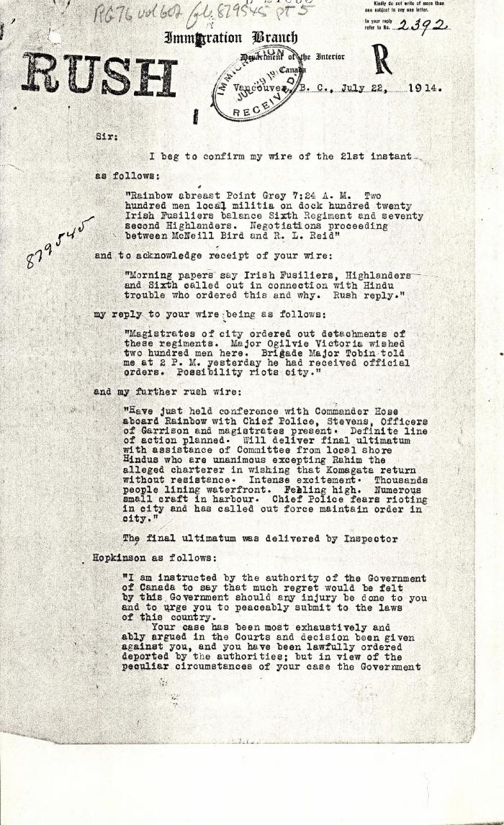
 | [Malcolm R. J. Reid, Dominion Immigration Agent, to William D. Scott, Superintendent of Immigration. Original] (2021_07_4734) | Library and Archives Canada. RG76, Vol. 601, File 879545, pt. 5
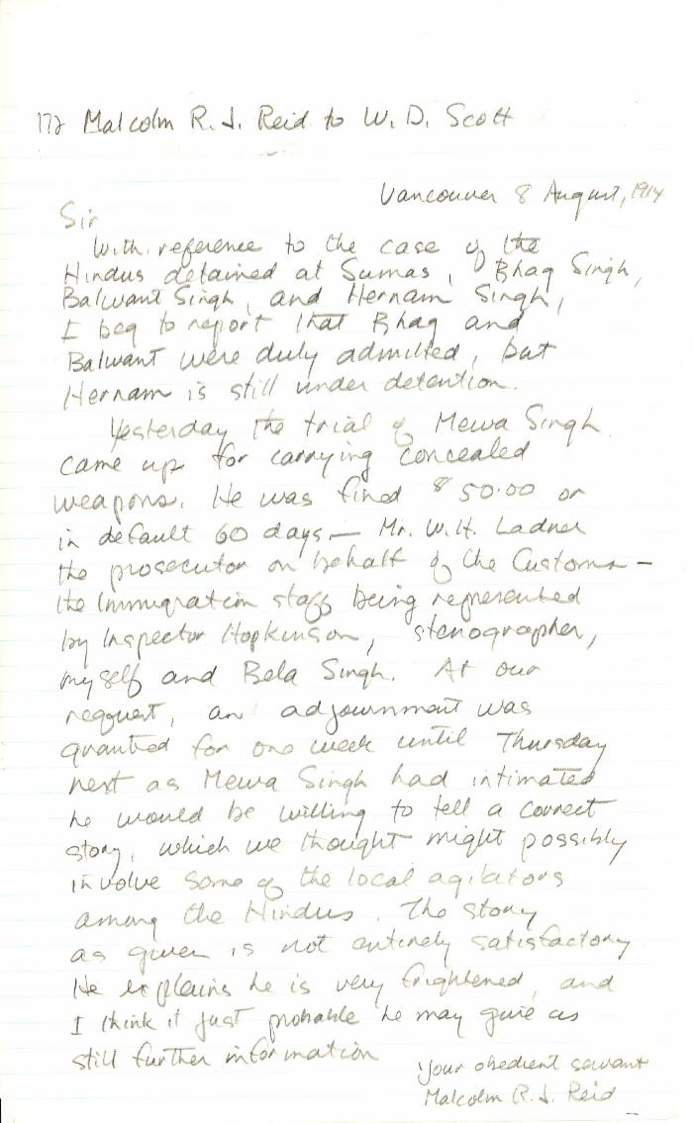
 | [Malcolm R. J. Reid, Dominion Immigration Agent, to William D. Scott, Superintendent of Immigration. Original] (2021_07_10342) | Library and Archives Canada. RG76, Vol. 387, File 536999, PEI RO
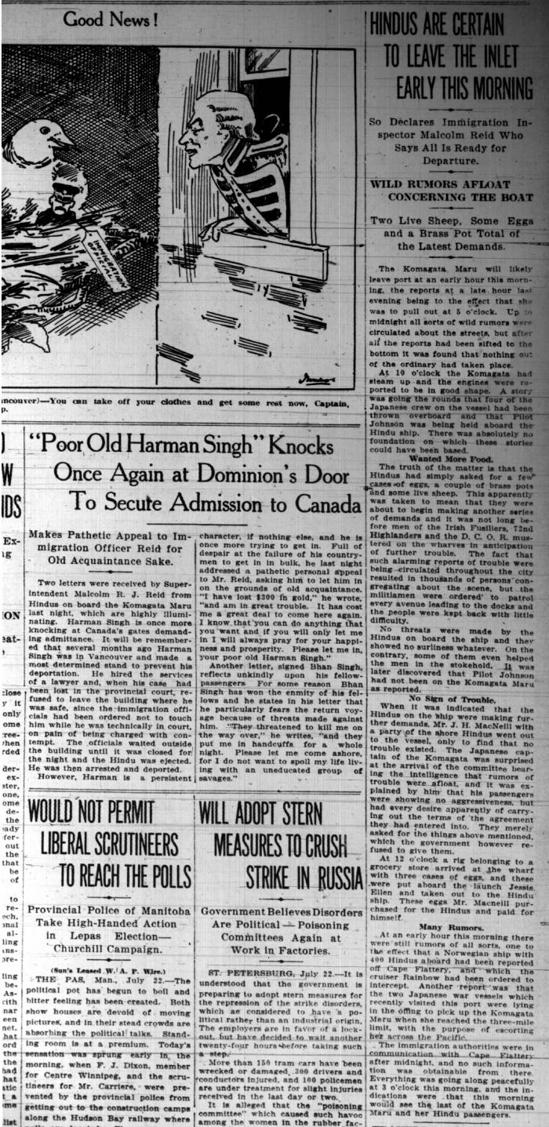
 | Newsclippings - Vancouver Sun: Hindus are certain to leave the inlet early this morning; 'Poor old Harnam Singh' knocks once again at Dominion's door to secure admission to Canada; Never too late to mend (2021_07_5380)
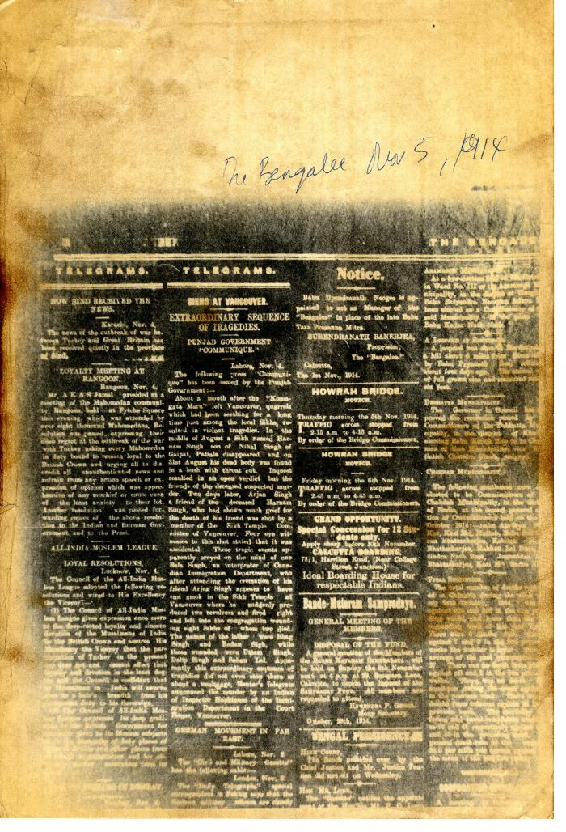
 | Newsclipping - The Bengalee: Sikhs at Vancouver: extraordinary sequence of tragedies (2021_07_10446)
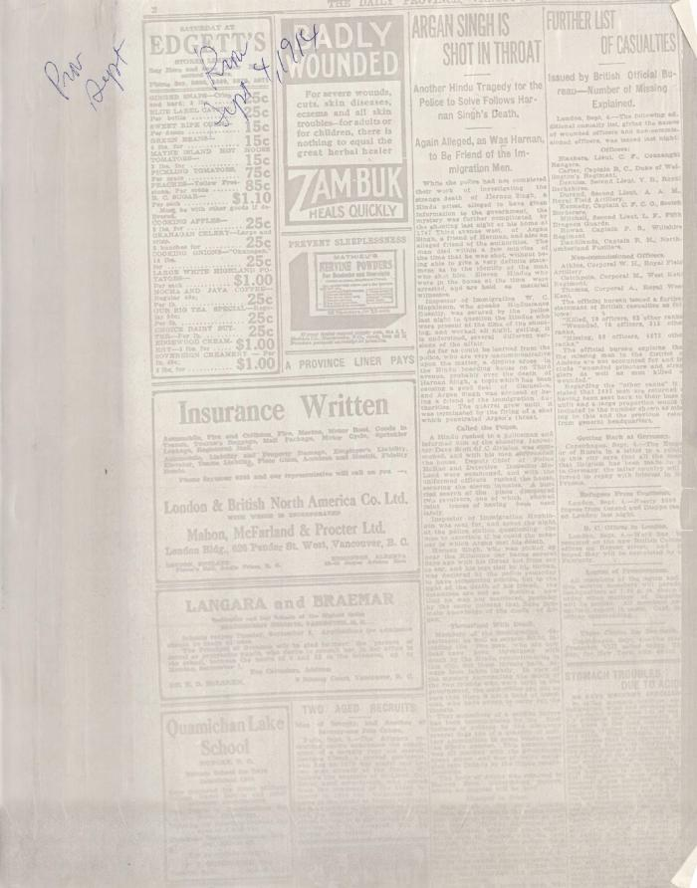
 | Newsclipping - Vancouver Daily Province: Argan Singh is shot in throat (2021_07_5500)
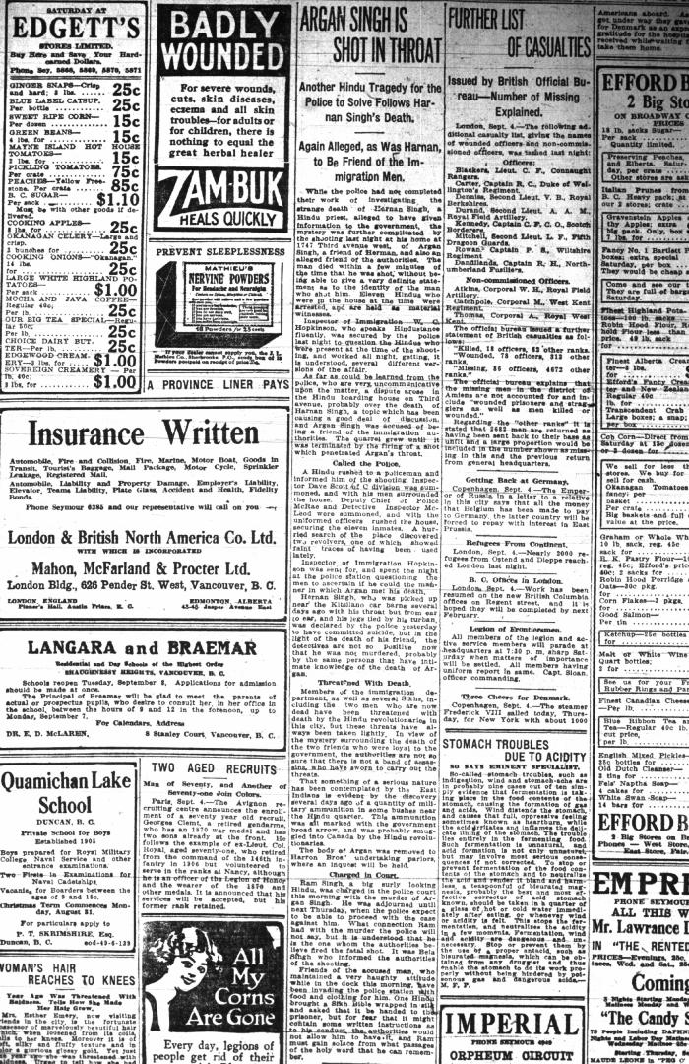
 | Newsclipping - Vancouver Daily Province: Argan Singh is shot in throat (2021_07_10448)
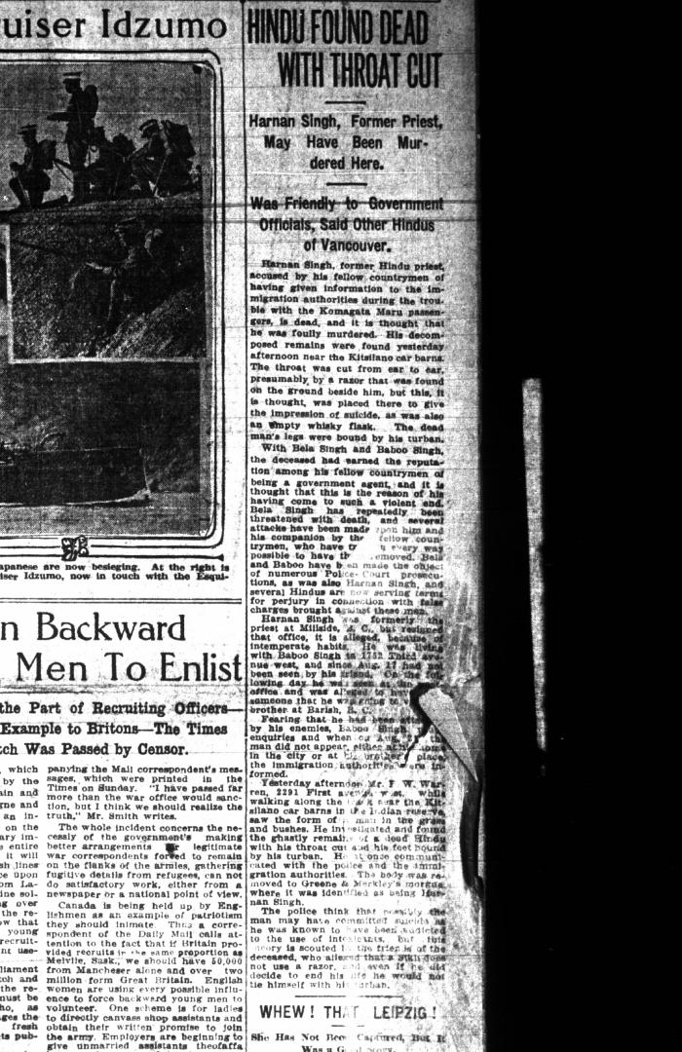
 | Newsclipping - Vancouver Daily Province: Hindu found dead with throat cut (2021_07_10517)
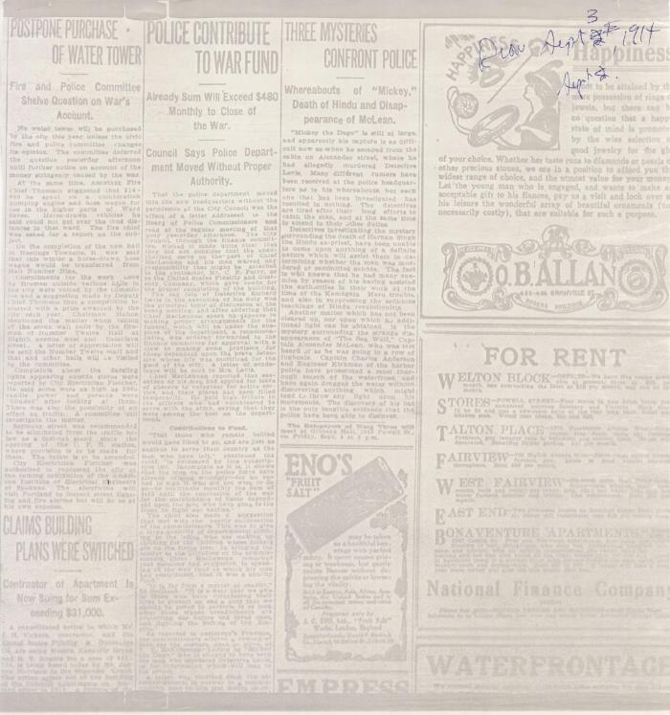
 | Newsclipping - Vancouver Daily Province: Three mysteries confront police. Page 2 (2021_07_10533)
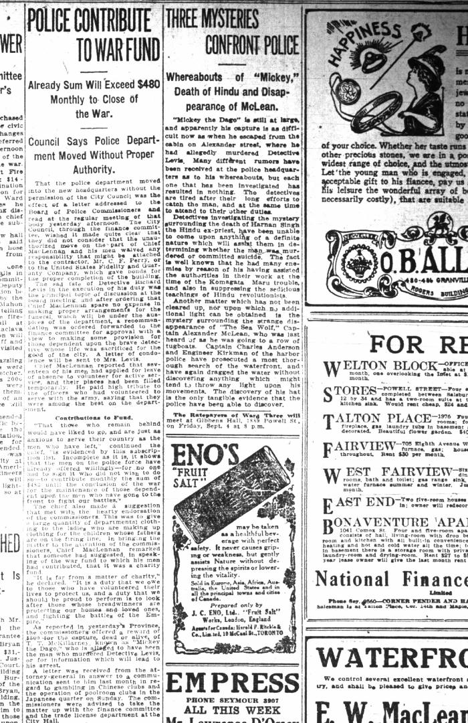
 | Newsclipping - Vancouver Daily Province: Three mysteries confront police. Page 2 (2021_07_10447)
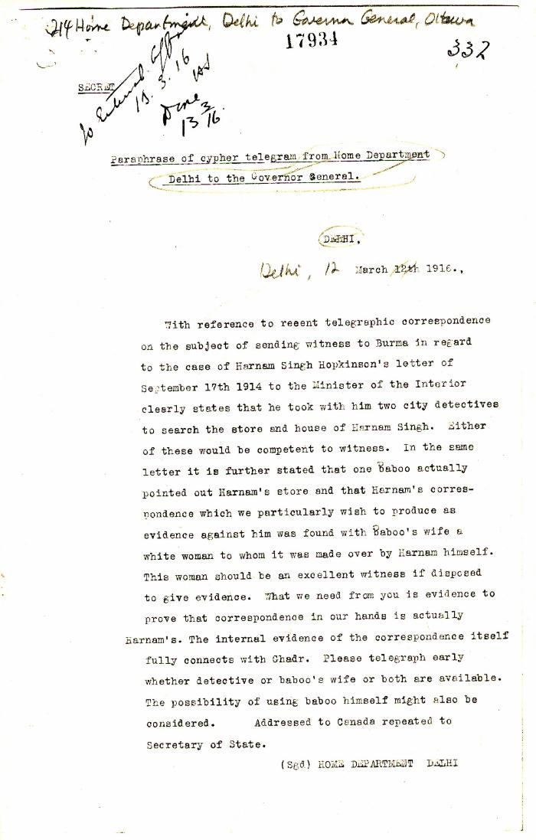
 | Paraphrase of cypher telegram from Home Department, Delhi, to the Governor General, re Harnam Singh (2021_07_10366) | Library and Archives Canada. RG7-G-21, Vol. 207, File 332, vol. 15 (a)
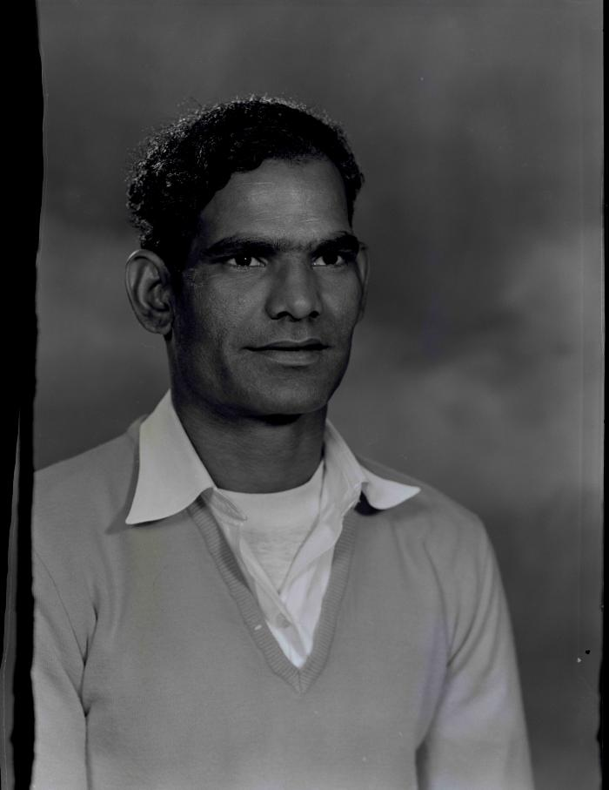
 | [Portrait of Harnam Singh] (2020_03_F00338_002) | Image of Harnam Singh posing for a portrait.
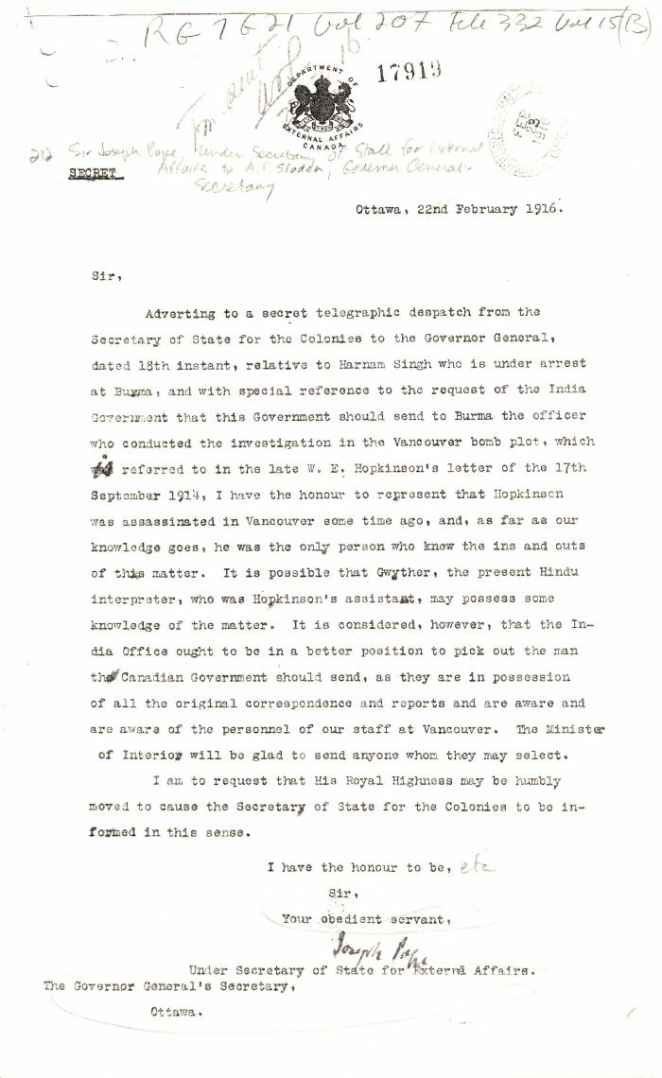
 | [Sir Joseph Pope, Under-Secretary of State for External Affairs, to Arthur F. Sladen, Private Secretary to the Governor General, Ottawa, re Harnam Singh] (2021_07_10365) | Library and Archives Canada. RG7-G-21, Vol. 207, File 332, vol. 15 (b)
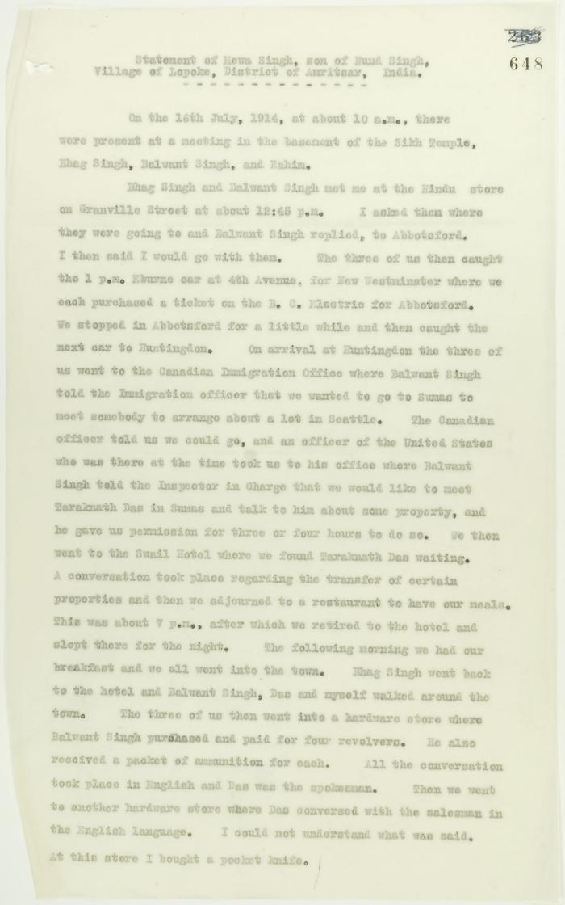
 | Statement by Mewa Singh (see p. 647). Page 1-2 (2021_07_2294) | Page 648-649
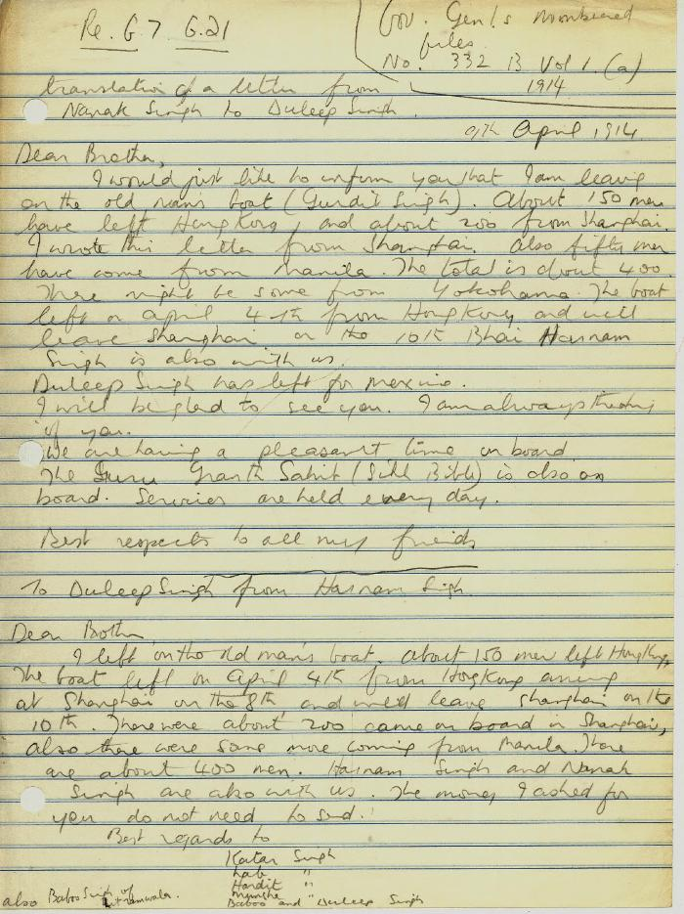
 | [Translation of a letter from Nanak Singh to Duleep Singh, and from Harnam Singh to Duleep Singh] (2021_07_10378) | Library and Archives Canada. RG7-G-21, No. 332 B, vol. 1 (a)
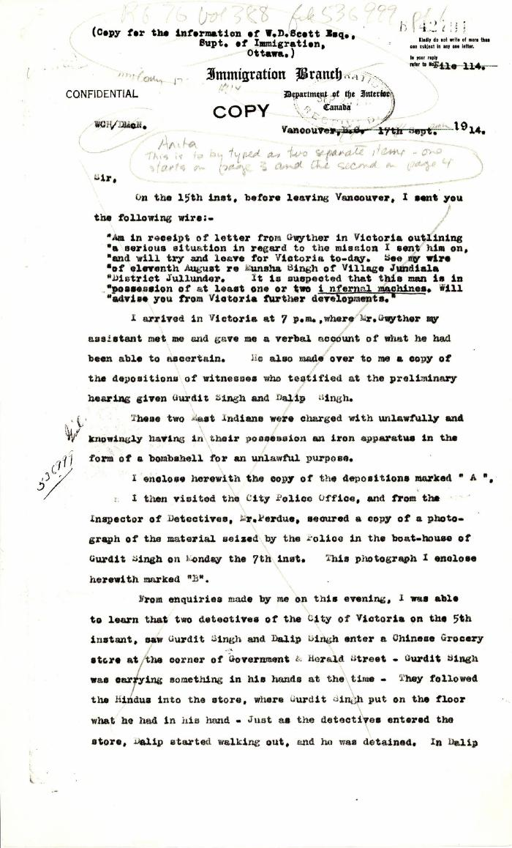
 | [William C. Hopkinson, Immigration Inspector, to William W. Cory, Deputy Minister of the Interior. Cited in Hopkinson to Cory, 17 Sep. 1914. Copy] (2021_07_4779) | Library and Archives Canada. RG76, File 536999, pt. 1
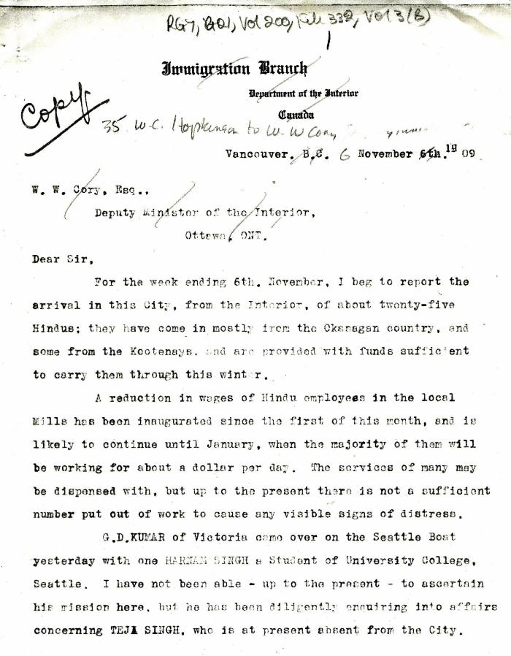
 | [William C. Hopkinson, Immigration Inspector, to William W. Cory, Deputy Minister of the Interior. Copy] (2021_07_5282) | Library and Archives Canada. RG7-G-21, Vol. 200, File 332, vol. 2 (3b)
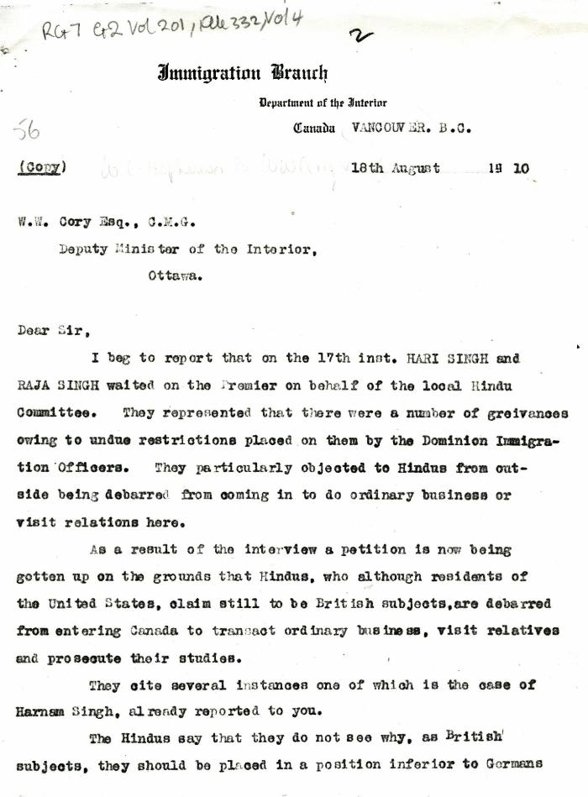
 | [William C. Hopkinson, Immigration Inspector, to William W. Cory, Deputy Minister of the Interior. Copy] (2021_07_4335) | Library and Archives Canada. RG7-G-21, Vol. 201, File 332, vol. 4
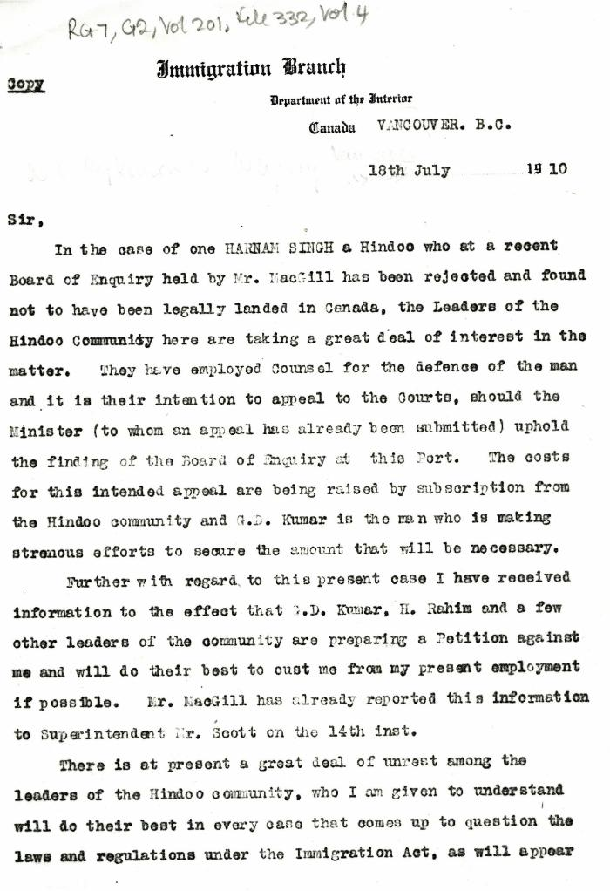
 | [William C. Hopkinson, Immigration Inspector, to William W. Cory, Deputy Minister of the Interior. Copy] (2021_07_4332) | Library and Archives Canada. RG7-G-21, Vol. 201, File 332, vol. 4
 | [William C. Hopkinson, Immigration Inspector, to William W. Cory, Deputy Minister of the Interior. Copy] (2021_07_4278) | Library and Archives Canada. RG7-G-21, Vol. 200, File 332, vol. 2 (3b)
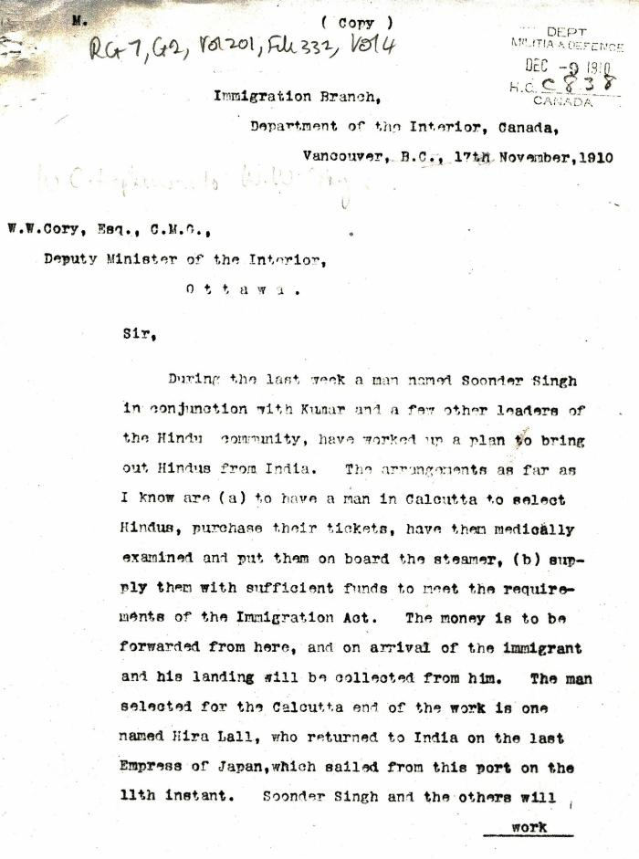
 | [William C. Hopkinson, Immigration Inspector, to William W. Cory, Deputy Minister of the Interior. Copy] (2021_07_4353) | Library and Archives Canada. RG7-G-21, Vol. 201, File 332, vol. 4
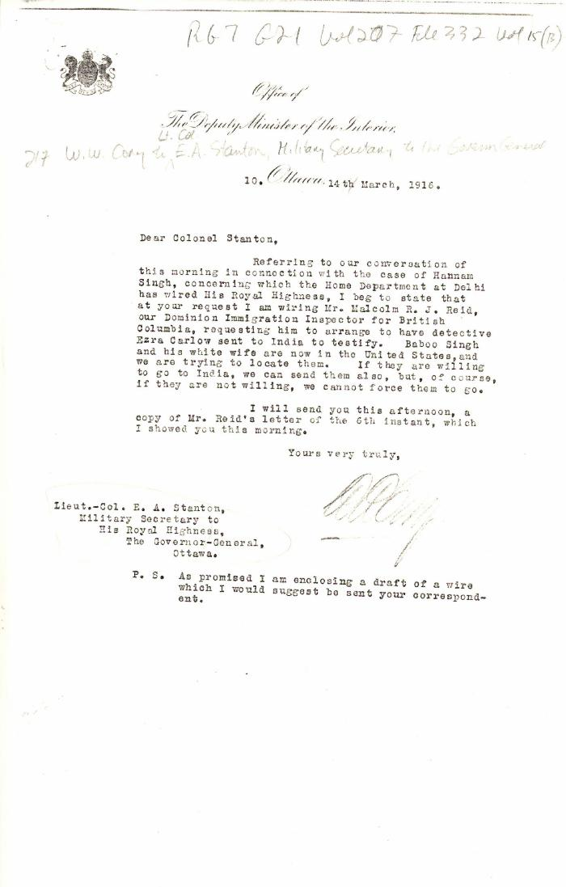
 | [William W. Cory, Deputy Minister of the Interior, to Lieut.-Col. E. A. Stanton, Military Secretary to the Governor General] (2021_07_4851) | Library and Archives Canada. RG7-G-21, Vol. 207, File 332, vol. 15 (b)

