Results
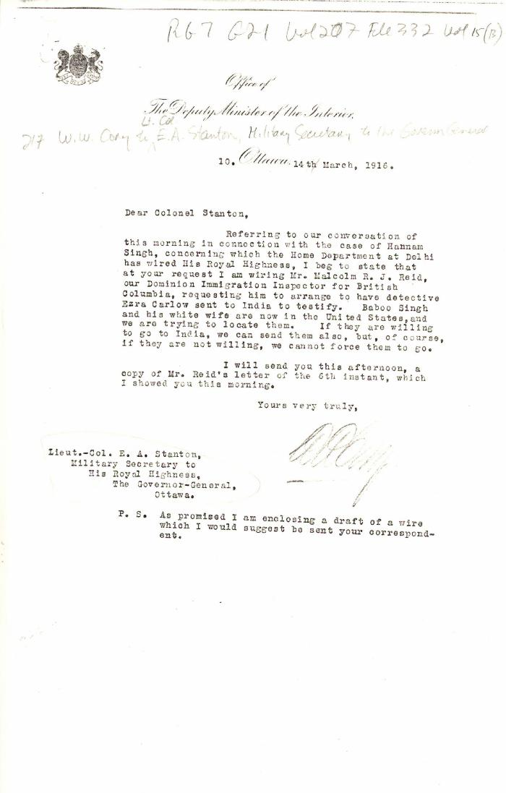
Image | Object | Description | Date
 | [William W. Cory, Deputy Minister of the Interior, to Lieut.-Col. E. A. Stanton, Military Secretary to the Governor General] (2021_07_4851) | Library and Archives Canada. RG7-G-21, Vol. 207, File 332, vol. 15 (b)

