Results
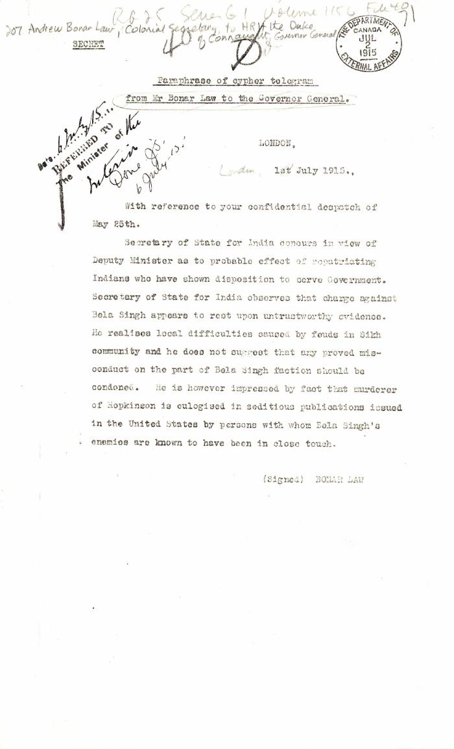
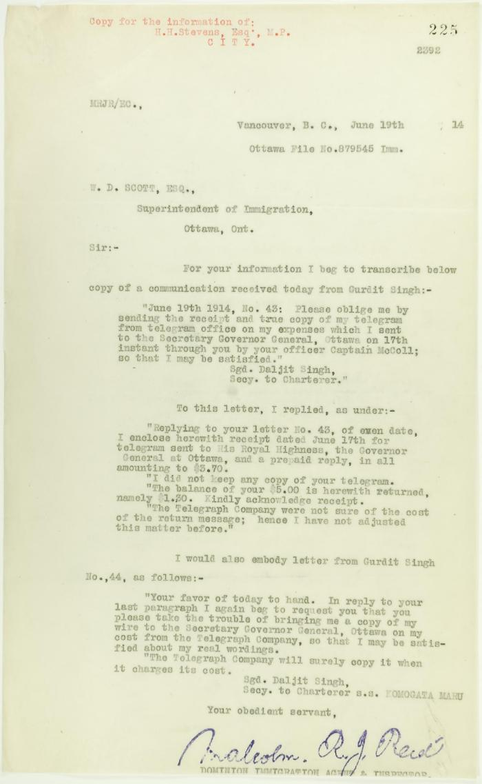
Image | Object | Description | Date
 | [Andrew Bonar Law, Colonial Secretary, to Governor General, Prince Arthur, Duke of Connaught, London, re how to deal with Bela Singh] (2021_07_10362) | Library and Archives Canada. RG25-G-1, Vol. 1156, File 40
 | Copy of Communications received by Reid from Gurdit Singh, sent to W. D. Scott (2021_07_10696) | Page 225
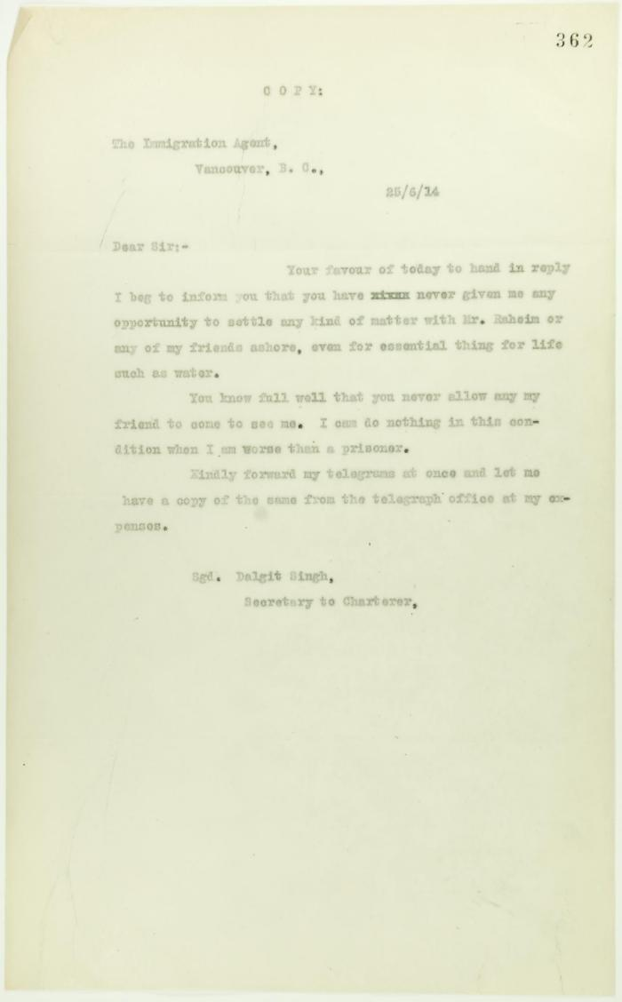
 | Copy of letter from Daljit Singh to the Immigration Agent (2021_07_10705) | Page 362

 | Copy of letter from Reid to Daljit Singh re supply of fresh water and re telegram (see p. 358) (2021_07_10704) | Page 359
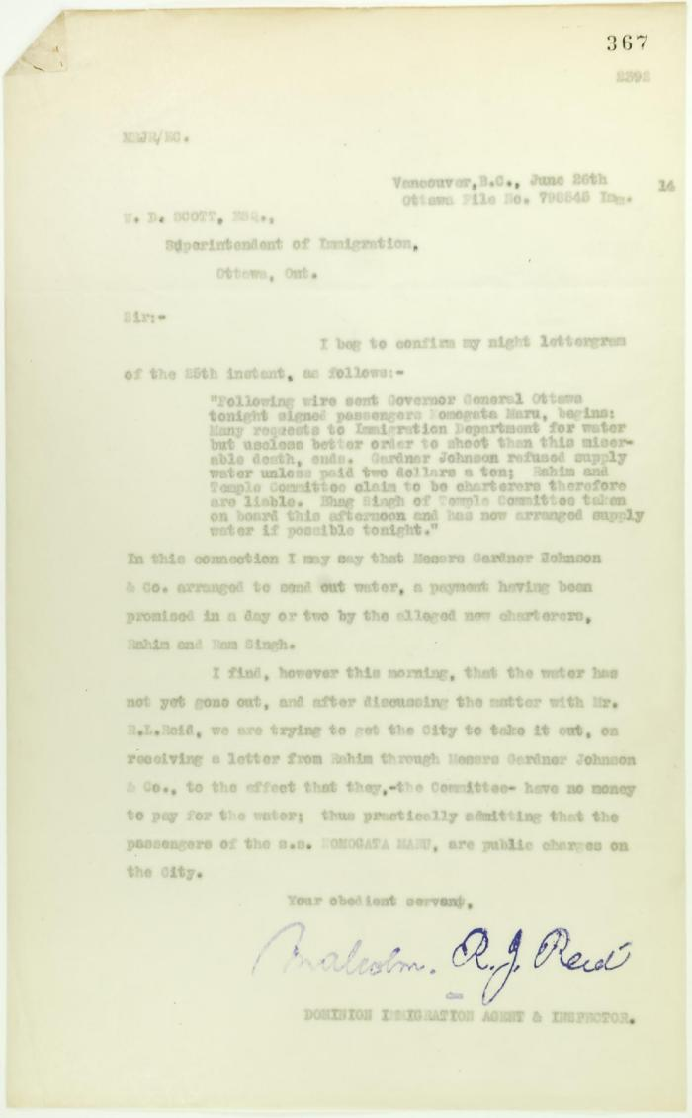
 | Copy of letter from Reid to W. D. Scott re provision of water (2021_07_10709) | Page 367
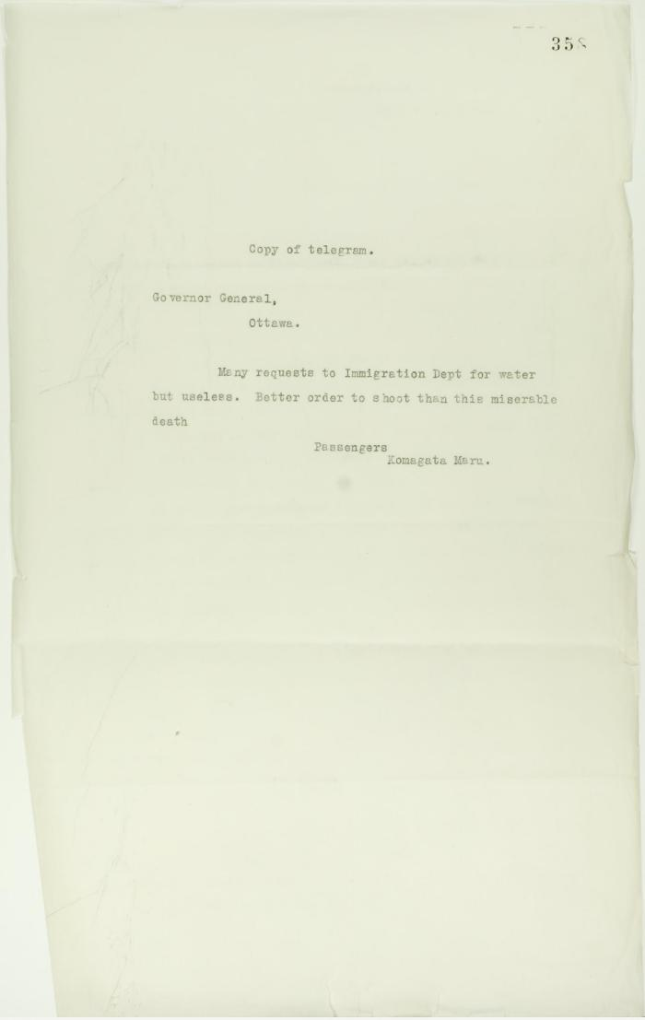
 | Copy of telegram, signed Passengers, sent to Governor General re shortage of water (2021_07_10703) | Page 358
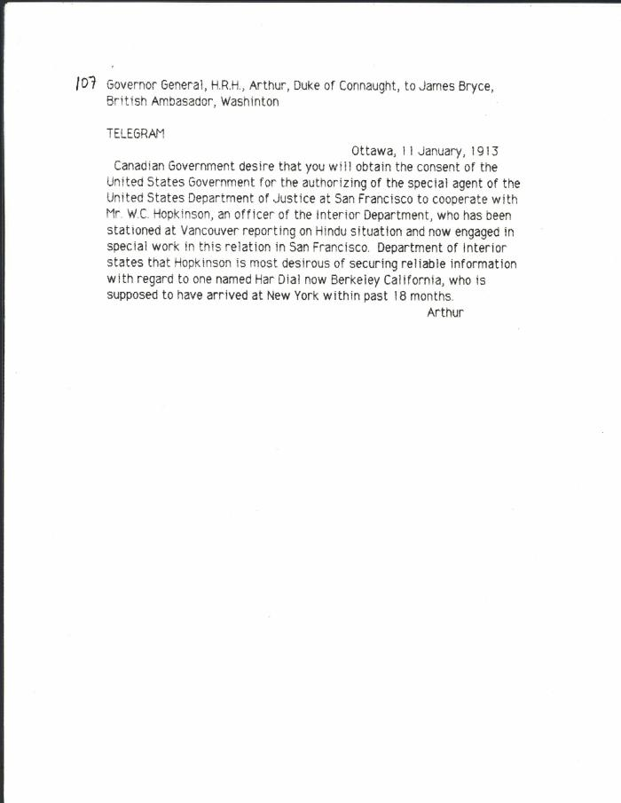
 | [Governor General, H. R. H. Prince Arthur, Duke of Connaught, to James Bryce, British Ambassador, Washington, re Hopkinson's work in California] (2021_07_10313) | Library and Archives Canada. RG7-G-21, Vol. 203, File 332, vol. 7 (b)
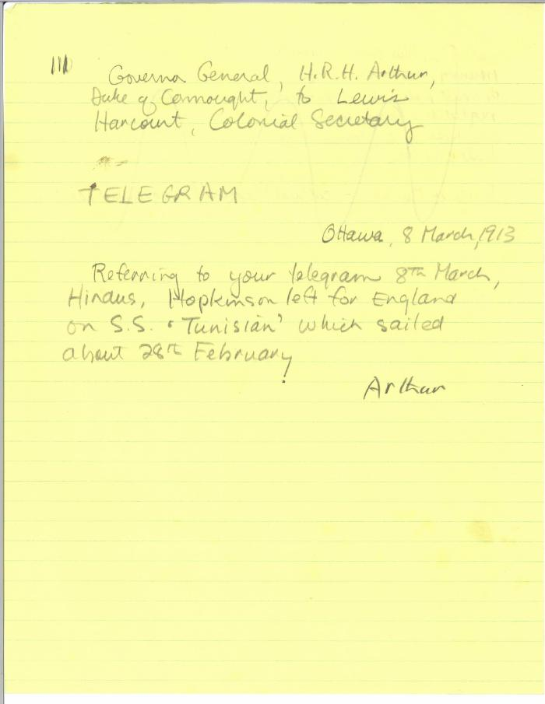
 | [Governor General, H. R. H. Prince Arthur, Duke of Connaught, to Lewis Harcourt, Secretary of State for the Colonies, re Hopkinson's travel plans. Copy] (2021_07_10315) | Library and Archives Canada. RG7-G-21, Vol. 203, File 332, vol. 7 (b)
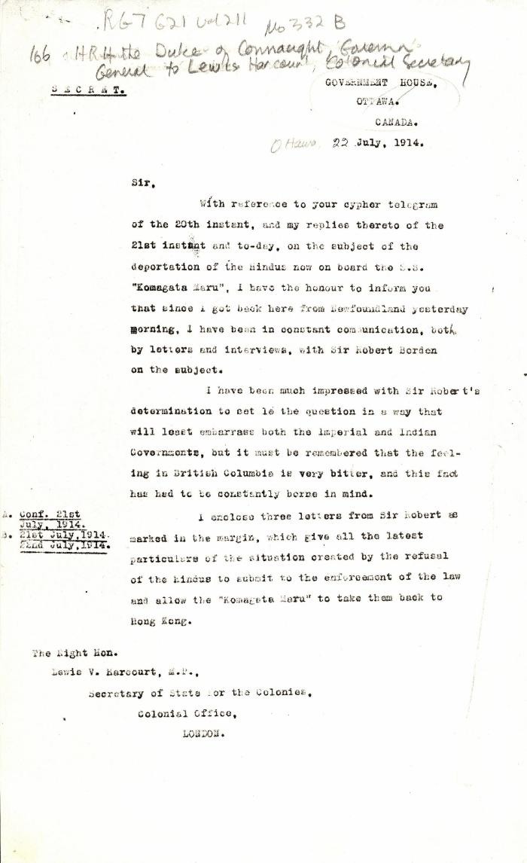
 | [Governor General, H. R. H. Prince Arthur, Duke of Connaught, to Lewis Harcourt, Secretary of State for the Colonies] (2021_07_4737) | Library and Archives Canada. RG7-G-21, File 332 B
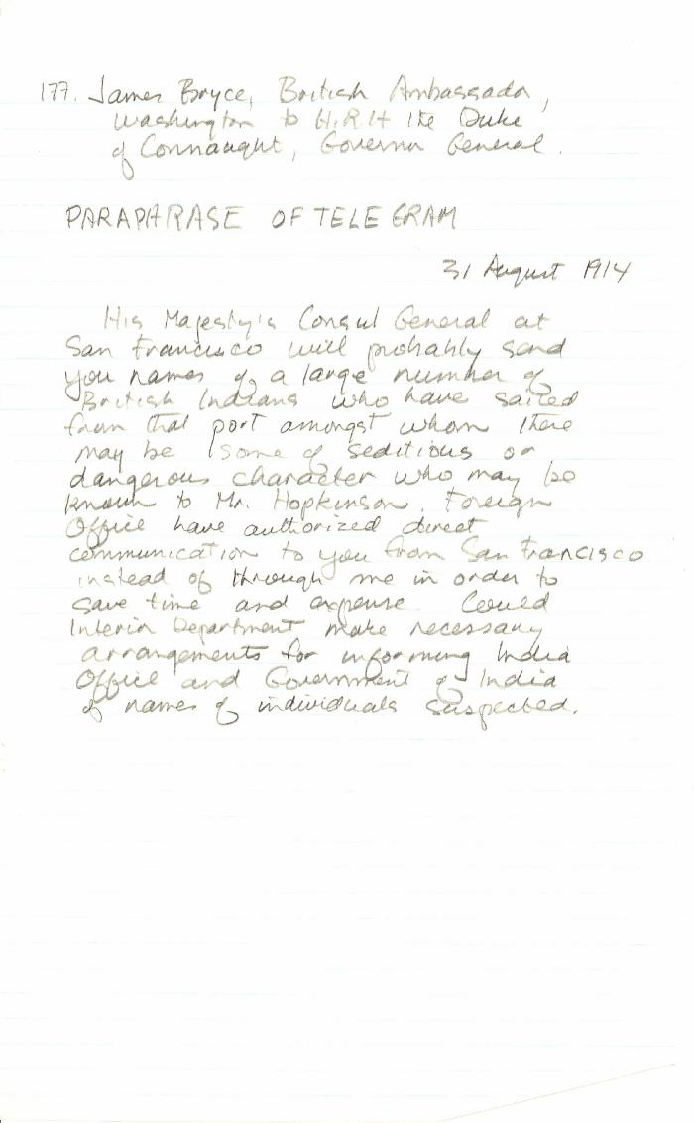
 | [James Bryce, British Ambassador, Washington, to Governor General, H. R. H. Prince Arthur, Duke of Connaught, Governor General, re may be seditious Indians leaving San Francisco. Paraphrase of original] (2021_07_10343)
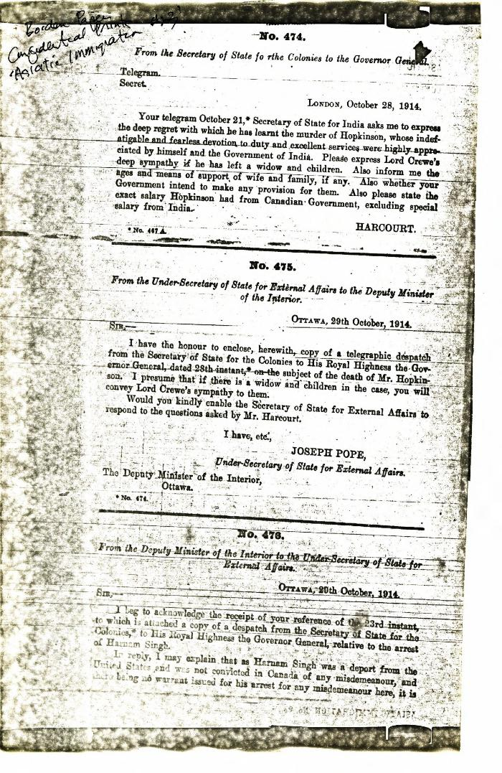
 | [Joseph Pope, Under-Secretary of State for External Affairs, to William W. Cory, Deputy Minister of the Interior, enclosing telegram from Lewis Harcourt, Secretary of State for the Colonies, to Governor General, Duke of Connaught, 28 October, 1914] (2021_07_10384) | Library and Archives Canada. Borden Papers, Confidential Prints, Asiatic Immigration #23
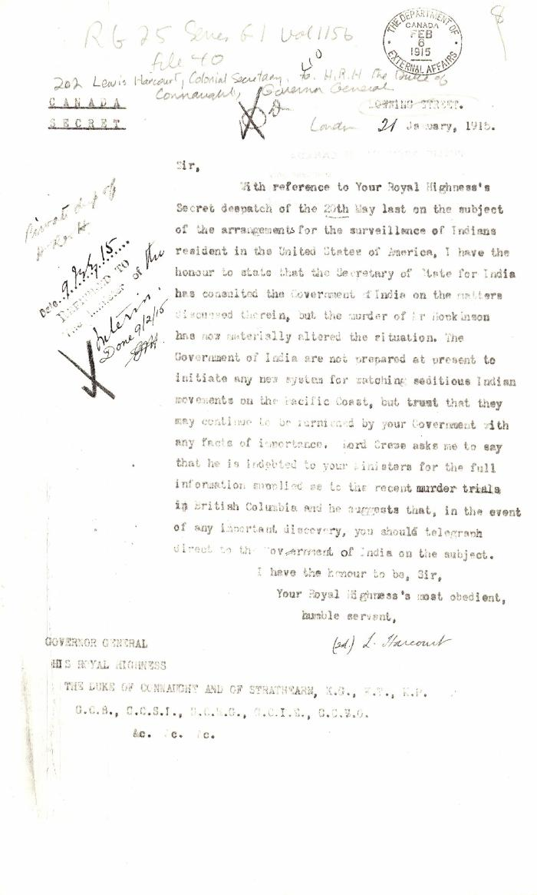
 | [Lewis Harcourt, Secretary of State for the Colonies, to Governor General, H. R. H. Prince Arthur, Duke of Connaught, London, re replacement of Hopkinson] (2021_07_10355) | Library and Archives Canada. RG25-G-1, Vol. 1156, File 40
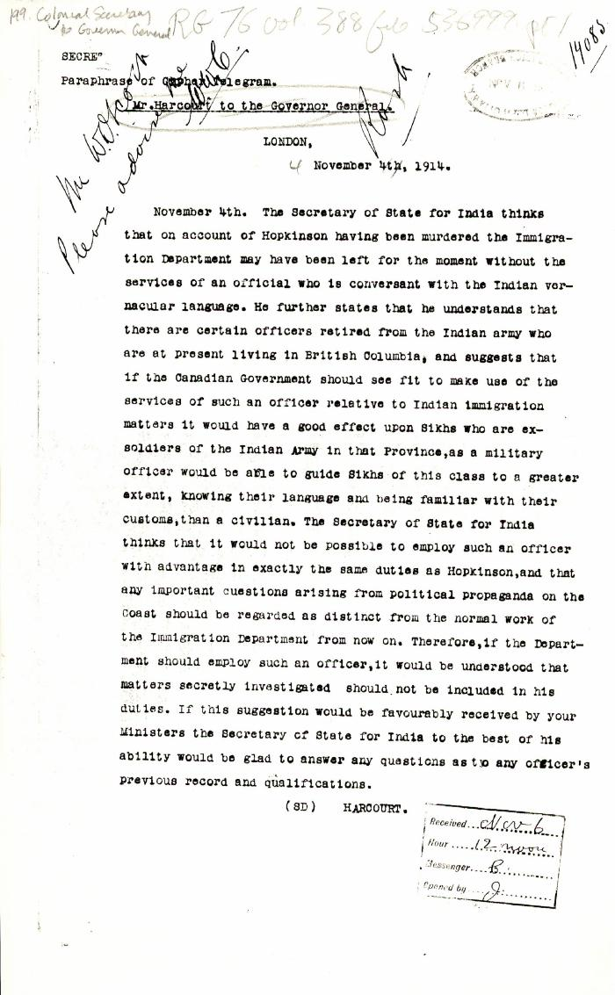
 | [Lewis Harcourt, Secretary of State for the Colonies, to Governor General, H. R. H. Prince Arthur, Duke of Connaught, re murder of W. C. Hopkinson and replacement of his position. Paraphrase of cypher telegram. Copy] (2021_07_10347) | Library and Archives Canada. RG76, Vol. 388, File 536999, pt. 1
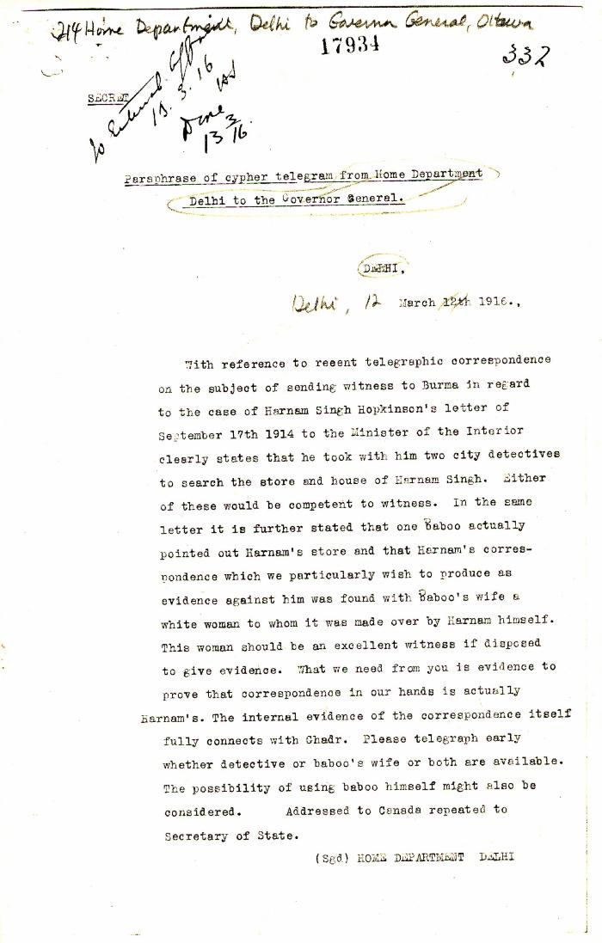
 | Paraphrase of cypher telegram from Home Department, Delhi, to the Governor General, re Harnam Singh (2021_07_10366) | Library and Archives Canada. RG7-G-21, Vol. 207, File 332, vol. 15 (a)
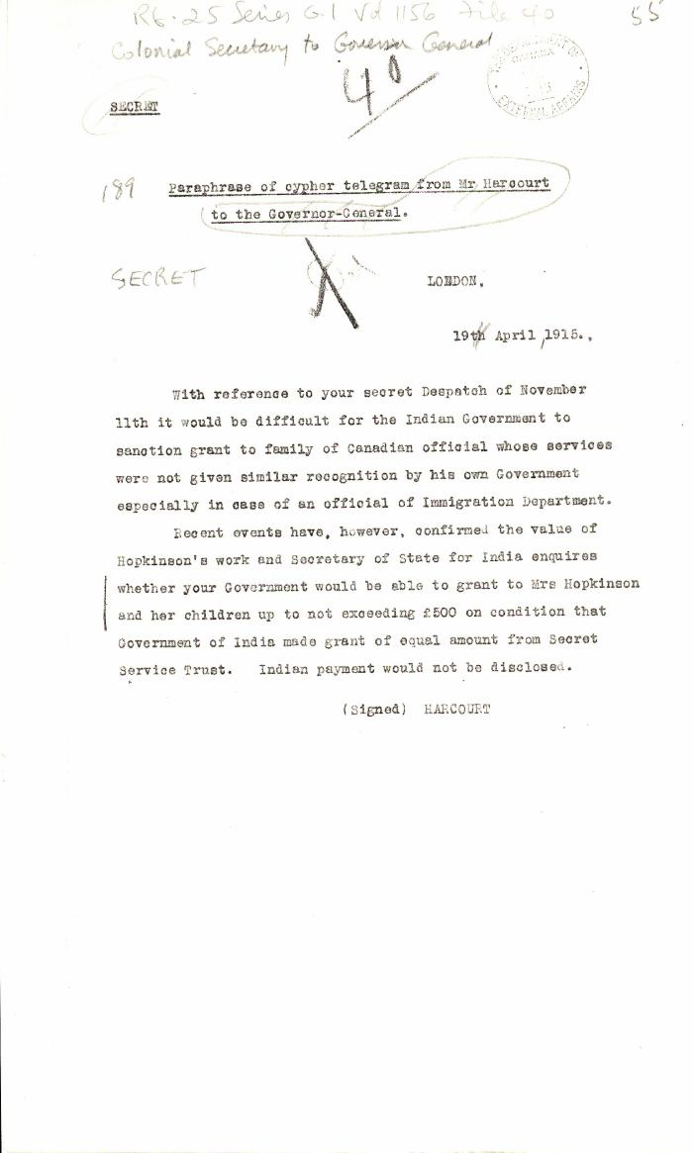
 | Paraphrase of cypher telegram from Mr. Harcourt to the Governor General [Lewis Harcourt, Secretary of State for the Colonies, to Governor General, Duke of Connaught, re compensation for Hopkinson's family. Copy] (2021_07_10358) | Library and Archives Canada. RG25-G-1, Vol. 1156, File 40

