Results
Image | Object | Description | Date
 | [Group portrait of Mindy Gill and two unidentified women] (2020_03_F00105_001) | Image of Mindy Gill and two unidentified women posing for a group portrait. Gill is wearing a yellow salwar, and the two unidentified women are wearing a pink salwar and a blue salwar.
 | [Portrait of Mindy Gill] (2020_03_F00105_002) | Image of Mindy Gill posing for a portrait. Gill is seated between two candelabras and is wearing a white blouse.
 | [Portrait of Mindy Gill] (2020_03_F00105_003) | Image of Mindy Gill posing for a portrait. Gill is standing next to a wooden chair with hand resting on the head of the chair. She is wearing a turquoise salwar.
 | [Portrait of Mindy Gill] (2020_03_F00105_004) | Image of Mindy Gill posing for a portrait. Gill is seated between two candelabras and is wearing a white blouse.
 | [Portrait of Mindy Gill] (2020_03_F00105_005) | Image of Mindy Gill posting for a portrait. Gill is wearing a white graduation gown and wearing a white mortarboard.
 | [Portrait of Mindy Gill] (2020_03_F00105_006) | Image of Mindy Gill posing for a portrait outdoors. Gill is wearing a white dress and is seated on a tree stump.
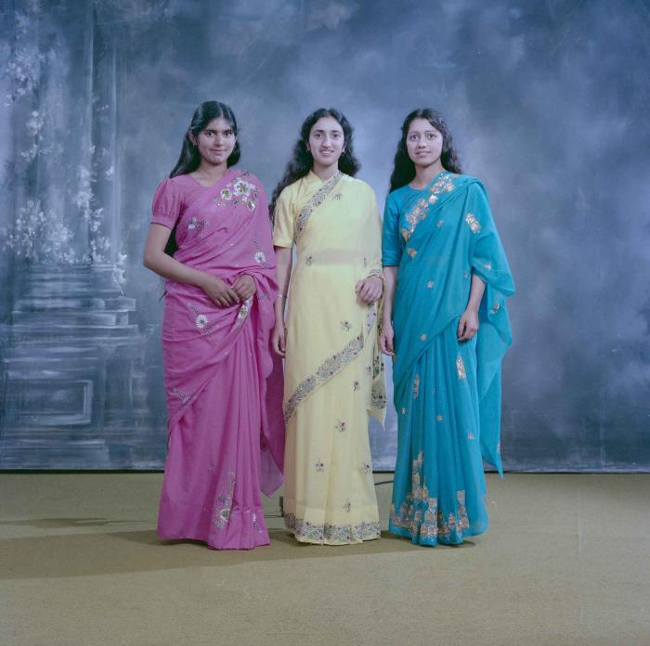 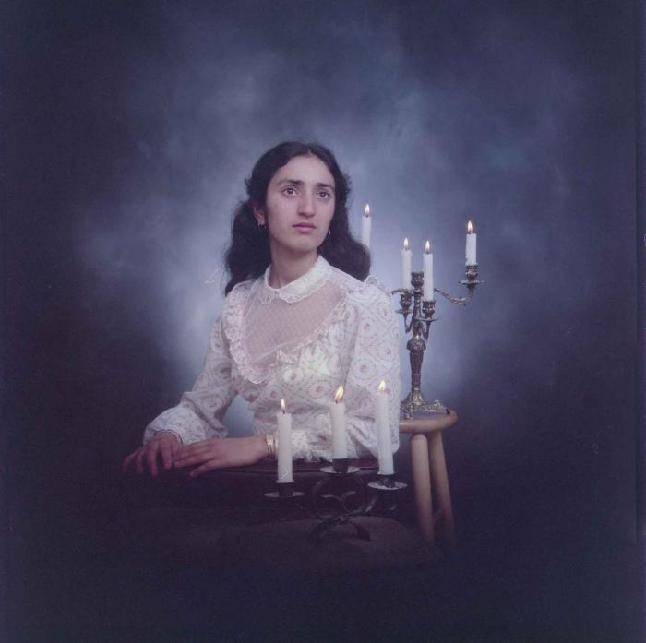 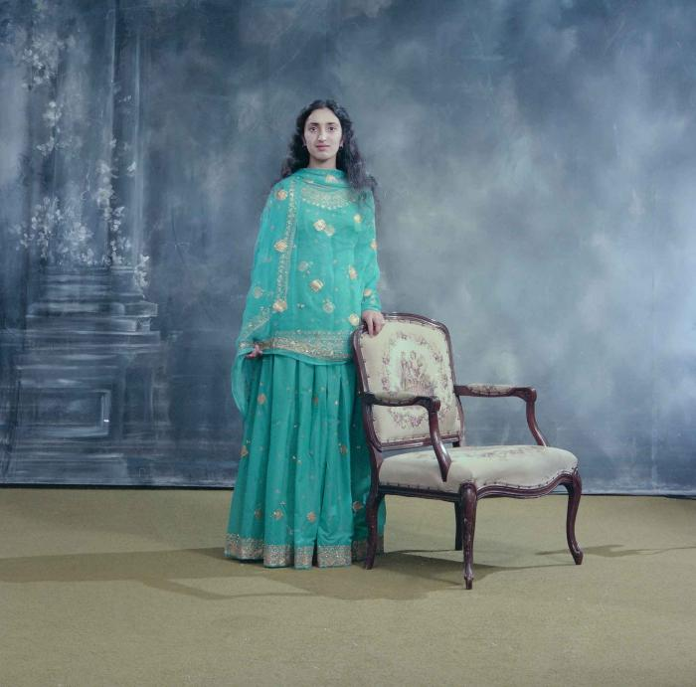 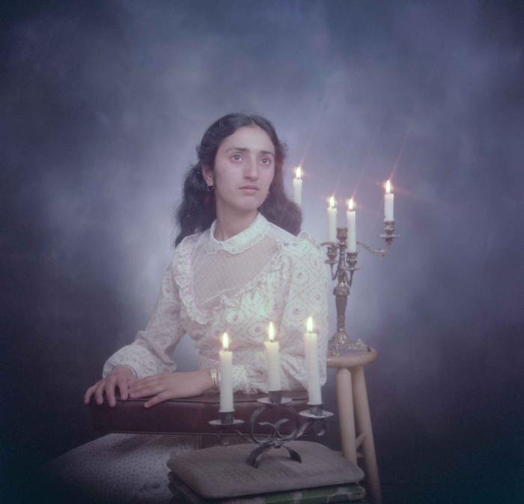 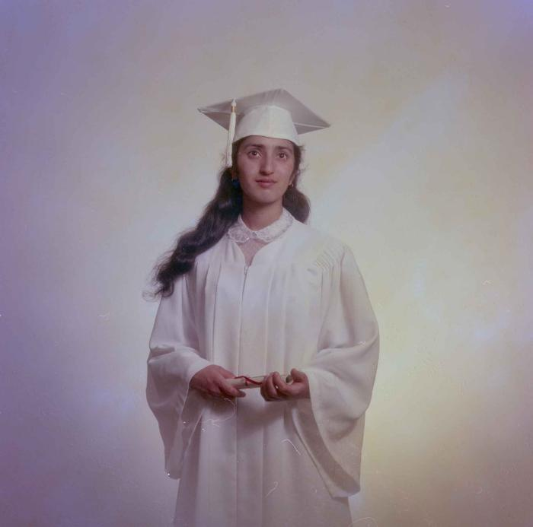 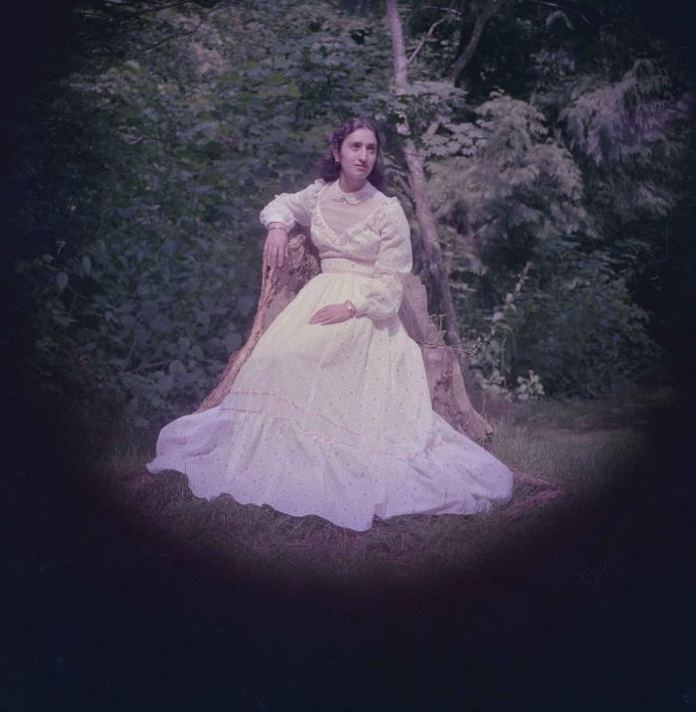 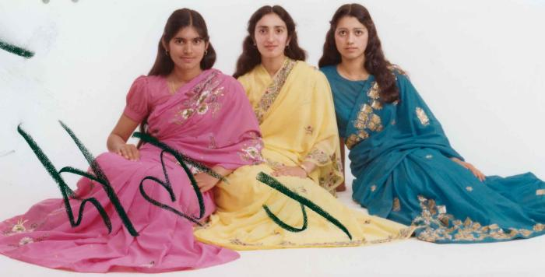 | [Group portrait of Mindy Gill and two unidentified women] (2020_03_F00105_007) | Image of Mindy Gill and two unidentified women seated, posing for a group portrait. Gill is wearing a yellow salwar, and the two unidentified women are wearing a pink salwar and a blue salwar.
 | [Portrait of Mindy Gill] (2020_03_F00105_008) | Image of Mindy Gill posing for a portrait. Gill is seated on a wood chair and is wearing a white blouse.
 | [Portrait of Mindy Gill] (2020_03_F00105_009) | Image of Mindy Gill posing for a portrait. Gill is standing next to a wooden chair with hand resting on the head of the chair. She is wearing a yellow salwar.
 | [Portrait of Mindy Gill] (2020_03_F00105_010) | Image of Mindy Gill posing for a portrait outdoors. Gill is wearing a white dress and is leaning against a tree.
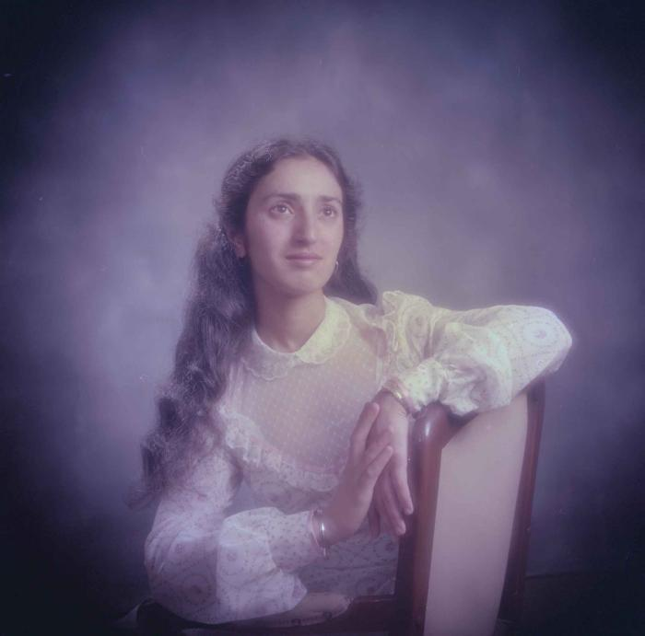 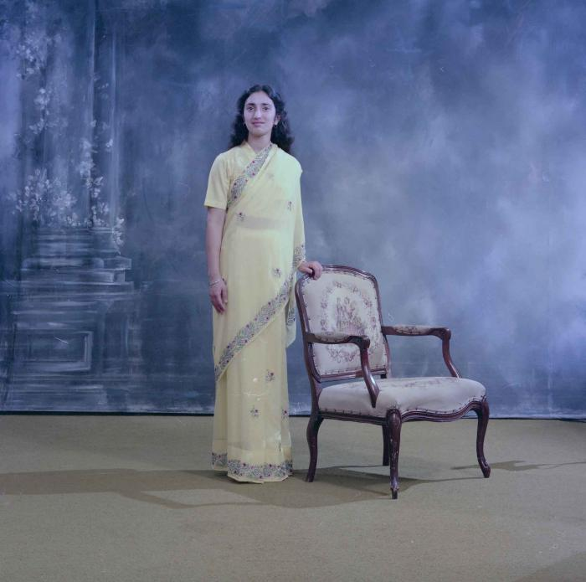 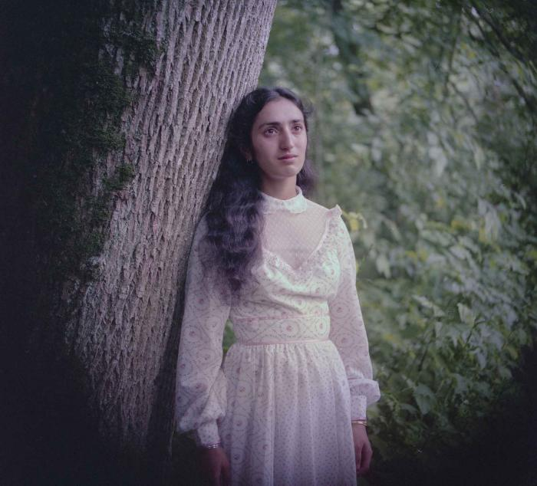  | [Portrait of Mindy Gill] (2020_03_F00105_011) | Image of Mindy Gill posing for a portrait outdoors. Gill is wearing a white dress and is leaning against a tree.
 | [Portrait of Mindy Gill] (2020_03_F00105_012) | Image of Mindy Gill posing for a portrait outdoors. Gill is wearing a white dress. holding a rose and posing on a house porch
 | [Portrait of Mindy Gill] (2020_03_F00105_013) | Image of Mindy Gill posing for a portrait outdoors. Gill is wearing a white dress and is standing next a tree.
 | [Portrait of Mindy Gill] (2020_03_F00105_014) | Image of Mindy Gill posing for a portrait. Gill is wearing a white dress, and the image is double exposed with another portrait of Gill in the background.
 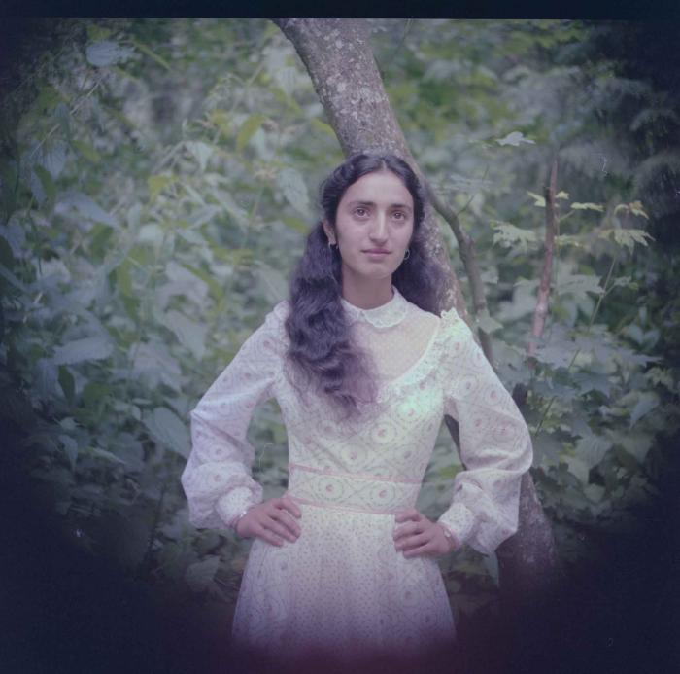 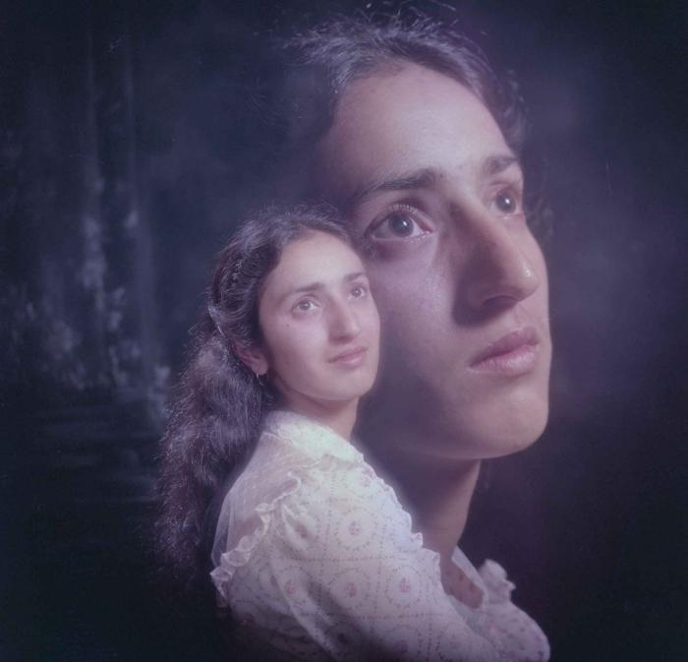 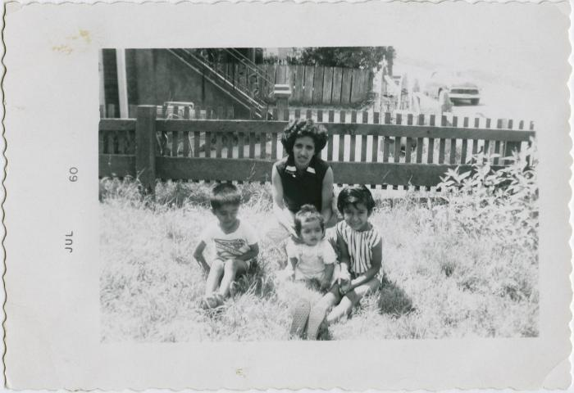 | Geary, Mindy Gill, Belinda Gill, Me (Tersame) (2021_04_04_005) | Image of Geary, Mindy Gill, Belinda Gill, and Tersame sitting in a fenced-in year on or near St. George St.

