Results


Image | Object | Description | Date
 | Copy of letter from Reid to W. D. Scott re Japanese insistence that they had no connection with the enterprise, and enclosing correspondence re recent incidents. Page 1-5 (2021_07_298) | Page 381-385
 | [Correspondence re recent incidents (see pp. 381-385)] Page 1-3 (2021_07_320) | Page 386-406
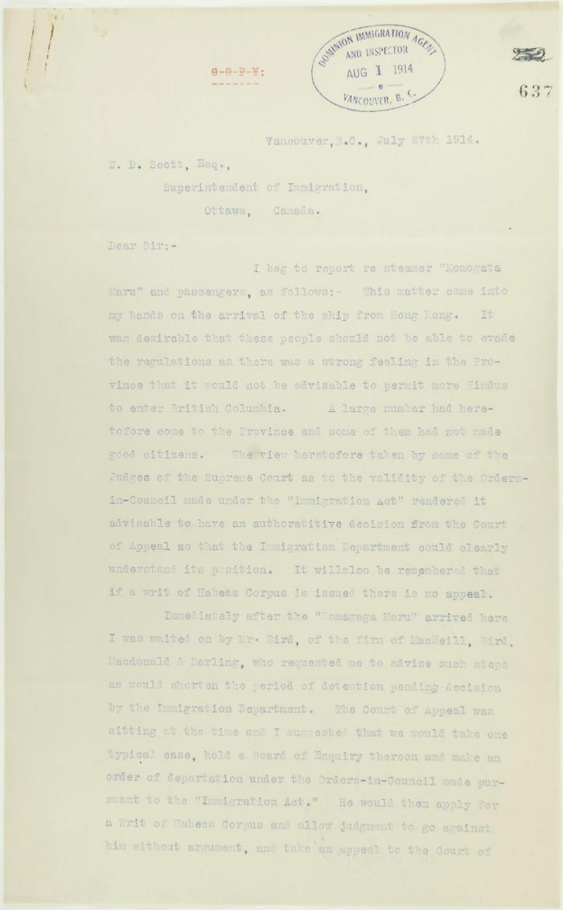
 | Copy of letter from R. L. Reid, Agent for the Minister of Justice, to W. D. Scott re procedure of the Boards of Enquiry, and the conduct of the officers of the Immigration Department. Page 1-6 (2021_07_2234) | Page 637-642
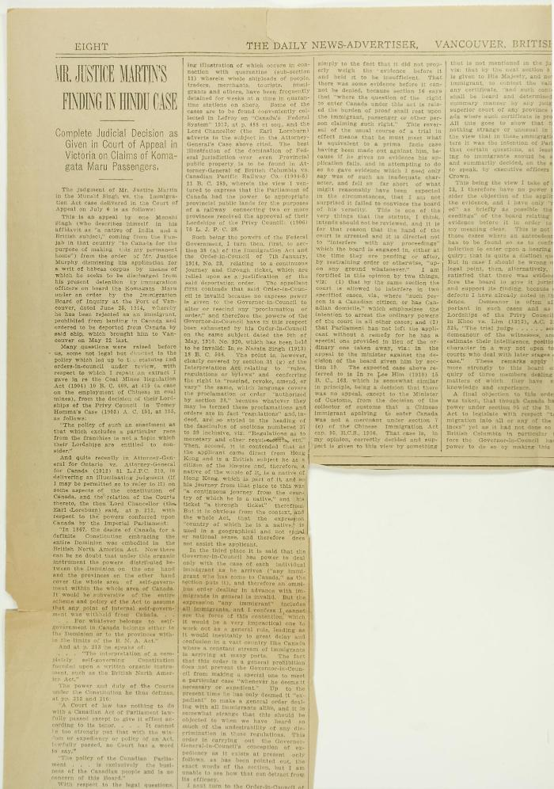
 | Newsclippings - Vancouver News-Advertiser: Mr. Justice Martin's finding in Hindu case; Freedom is price of India's loyalty (2021_07_4042) | Page 063
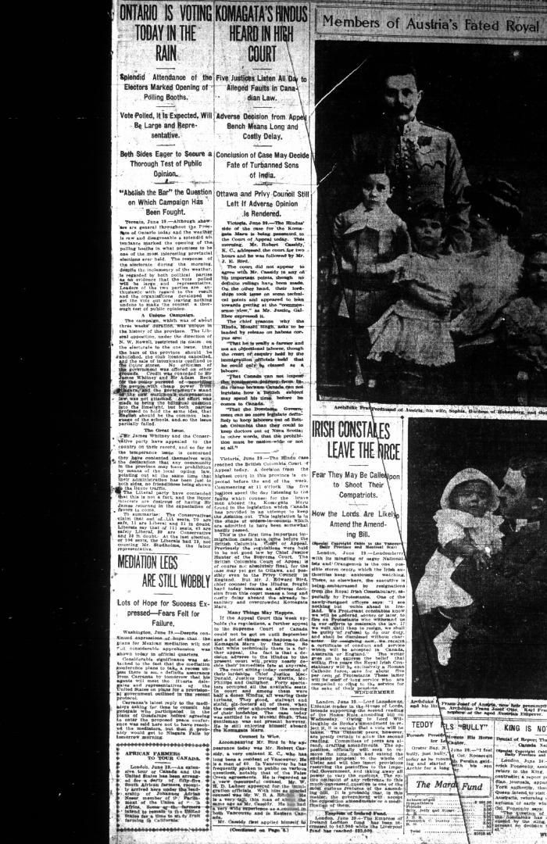
 | Newsclipping - Vancouver Daily Province: Komagata's Hindus heard in high court (2021_07_5147)
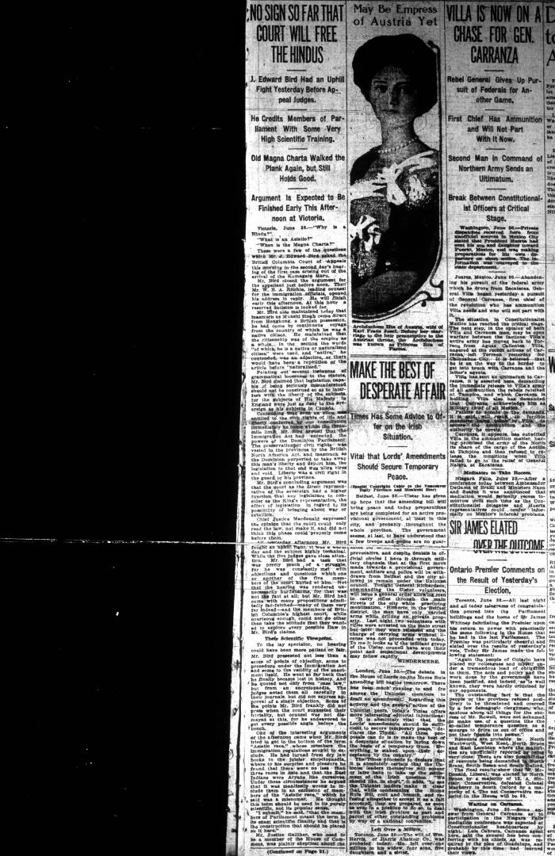
 | Newsclipping - Vancouver Daily Province: No sign so far that court will free the Hindus (2021_07_5150)
 | Newsclipping - Vancouver Daily Province: Hindus lost appeal case: validity of orders is upheld (2021_07_5156)
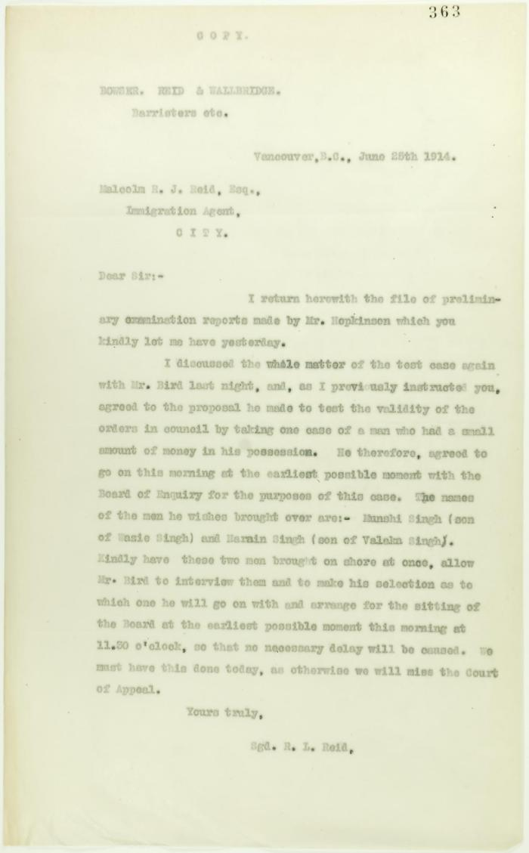
 | Copy of letter from R. L. Reid (Bowser, Reid and Wallbridge) to Malcolm Reid requesting that certain passengers be brought before the Board of Enquiry (2021_07_10706) | Page 363
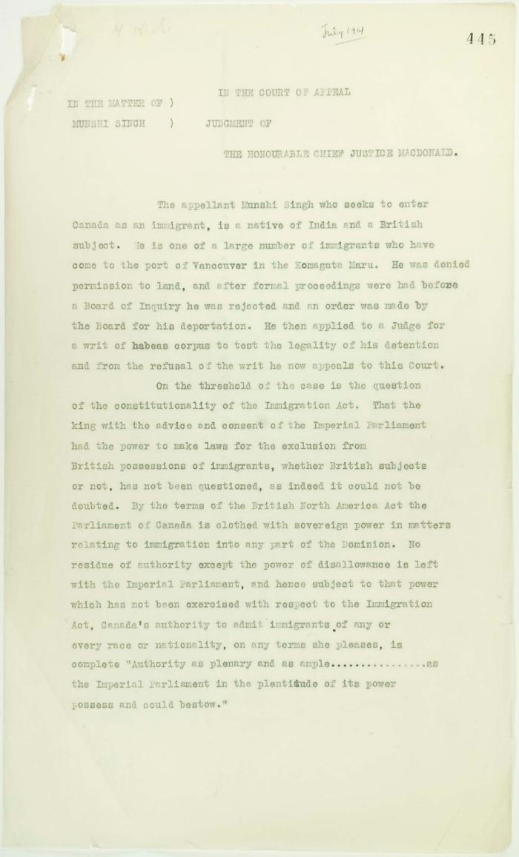
 | Letter from Reid to Stevens enclosing copy of judgment handed down by the Court of Appeal of British Columbia in the case of Munshi Singh (2021_07_10928) | Page 444-495

