Results
Image | Object | Description | Date
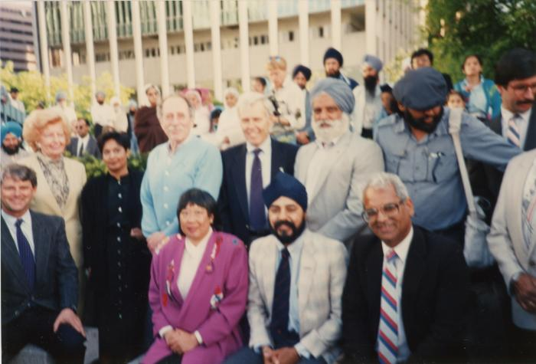 | L->R Mayor Campbell, Grace McCarthy, Fed, Ald. Walking, K. Neel, H. Rankin, Park, Charn Gill, B. Dhillon, H. Sharma (2020_04_004_114) | A colour image taken at the plaque unveiling event at Portal Park, Vancouver, commemorating the Komagata Maru 75th anniversary. A group of people are seen grouped together, looking forward. In the background there is a crowd of people.

