Results
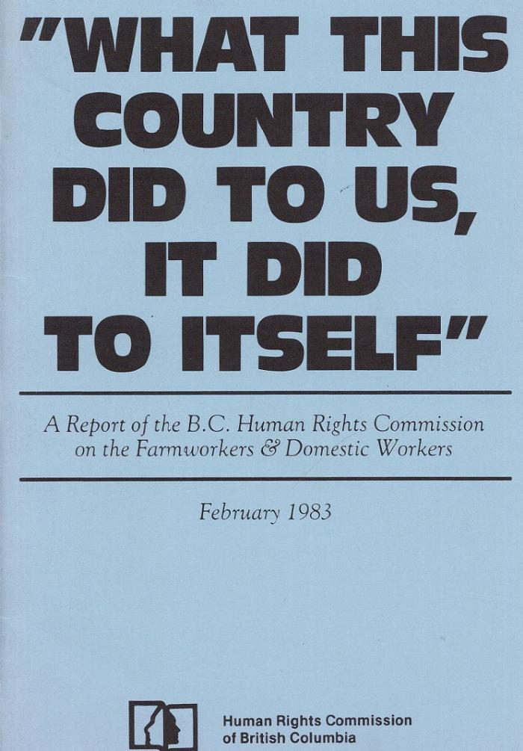
Image | Object | Description | Date
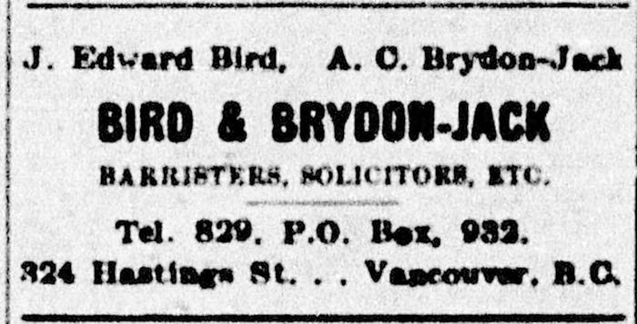 | [Advertisement of J. Edward Bird's legal firm] (2021_08_01_043) | Advertisement of J. Edward Bird's legal firm. J. Edward Bird, hired by the Khalsa Diwan Society to represent the passengers on board the Komagata Maru in Vancouver, 1914 was a regular advertiser in the Socialist Party newspaper. The Western Clarion, April 6, 1907, 4.
 | A report of the B. C. Human Rights Commission on the farmworkers & domestic workers (2021_08_01_111) | A report of the B. C. Human Rights Commission on the farmworkers & domestic workers by the Human Rights Commission of British Columbia.
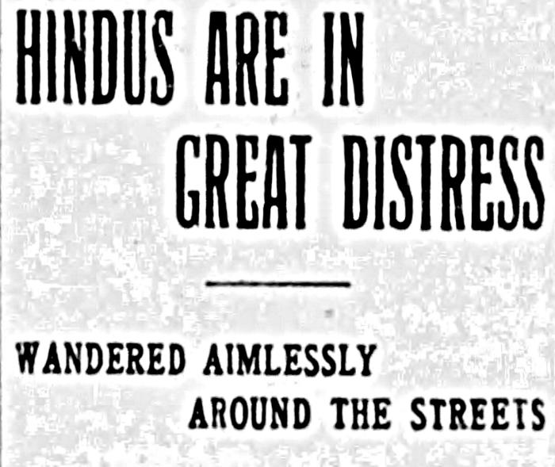 | [Article title, Victoria Daily Times regarding South Asians] (2021_08_01_019) | Article title, Victoria Daily Times regarding South Asians.
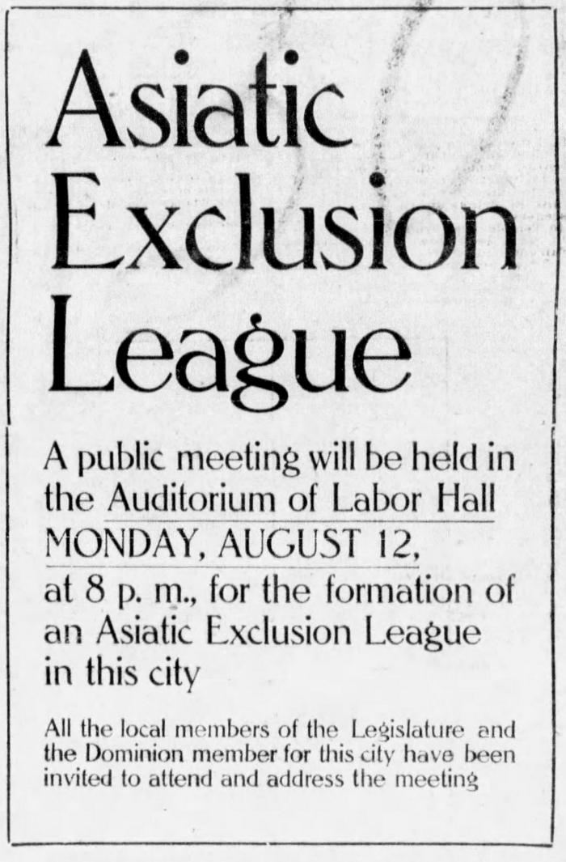
 | [Asiatic Exclusion League public meeting invitation] (2021_08_01_007) | Asiatic Exclusion League public meeting invitation published in The Province, August 10, 1907, 9.
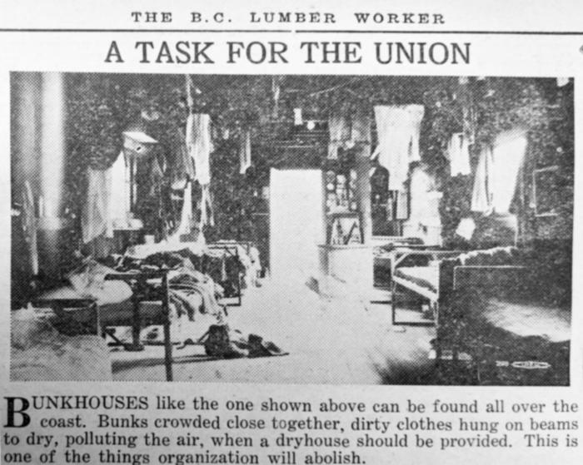 | A task for the union, The B. C. Lumber Worker (2021_08_01_025) | Newspaper clipping titled, A task for the union, published in The B. C. Lumber Worker.
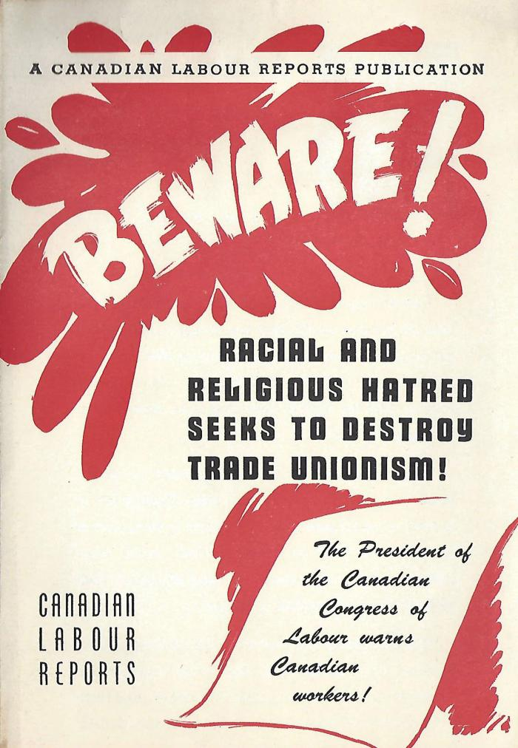
 | Beware: Racial and Religious Hatred Seeks to Destroy Trade Unionism (2021_08_01_062) | Pamphlet titled, "Beware: Racial and Religious Hatred Seeks to Destroy Trade Unionism," by the Canadian Congress of Labour.
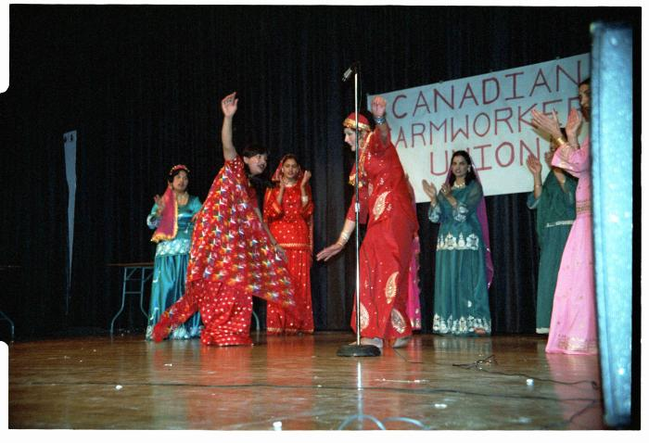 | [Bhangra Giddha dancers at CFU Anniversary Celebration] (2021_08_01_100) | Bhangra Giddha dancers at CFU Anniversary Celebration.
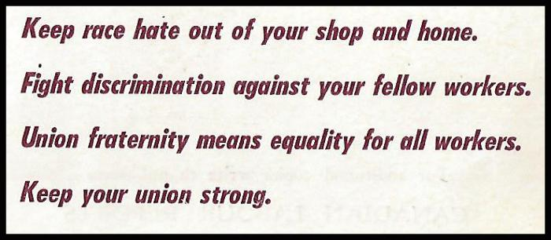 | [Canadian Congress of Labour pamphlet titled, You Belong to a Minority] (2021_08_01_064) | Canadian Congress of Labour pamphlet titled, You Belong to a Minority.
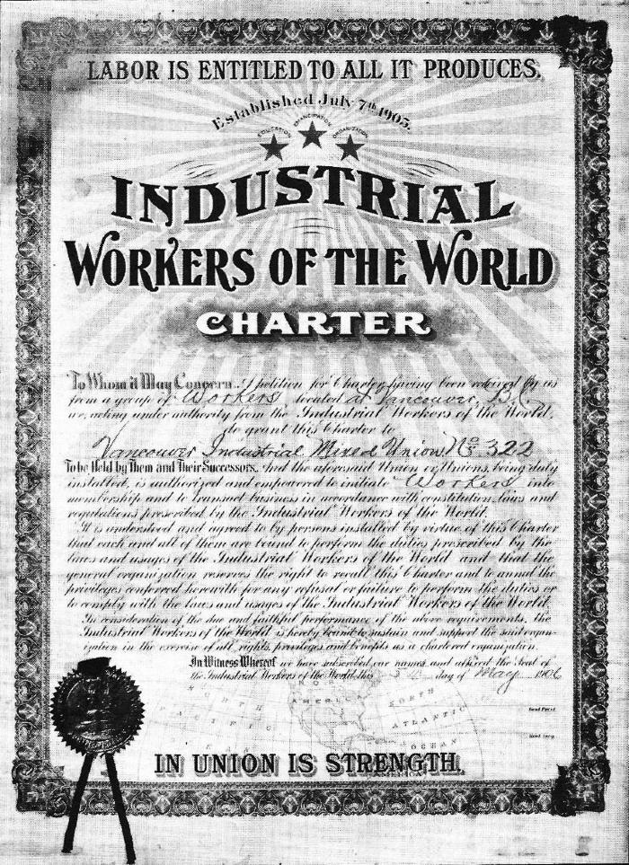
 | [Charter: Industrial Workers of the World, Vancouver Industrial Mixed Union No. 322] (2021_08_01_038) | Charter: Industrial Workers of the World, Vancouver Industrial Mixed Union No. 322.
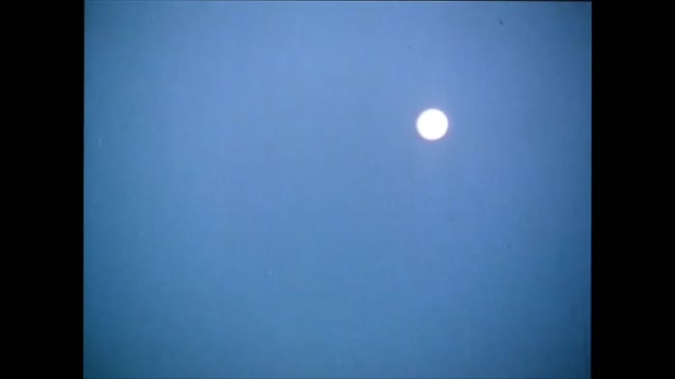 | [Clips from the film "A Time to Rise" (1981) produced and directed by Anand Patwardhan and Jim Monro] (2021_08_04_014) | Clips from "A Time to Rise" (1981). The full film produced and directed by Anand Patwardhan and Jim Monro and released by the National Film Board of Canada documents the struggle to form Canada's first farmworkers' union, filmed over the course of two years. Clips show workers and their children rising early in the morning to board buses which take them to farms in the Fraser Valley. Workers perform comedic skits during CFU conferences and meetings. Striking CFU workers march on a road alongside a farmer's field and use bullhorns to shout slogans of support; well-known CFU activist Pritam Kaur emerges from the fields, shouting victoriously. Used and shared with express permission of Anad Patwardhan and Jim Munro. Anand Patwardhan, “Excerpts from A Time to Rise”, 1981. (video). https://vimeo.com/99420077
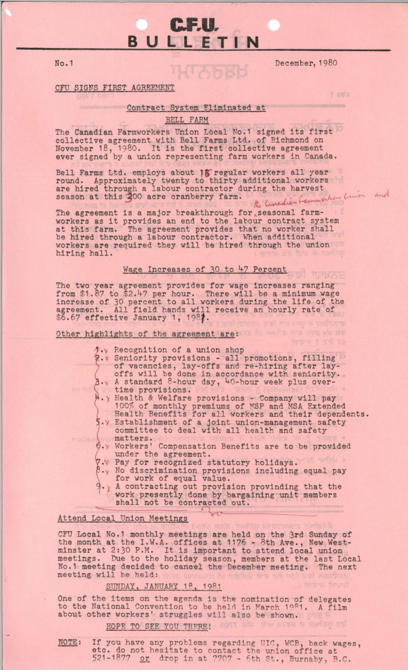
 | Contract system eliminated at Bell Farm, The Canadian Farmworkers Union bulletin in English (2021_08_01_095) | Contract system eliminated at Bell Farm, The Canadian Farmworkers Union bulletin. The agreement was a major breakthrough for seasonal farmworkers as it provides an end to the labour contract system at this farm.
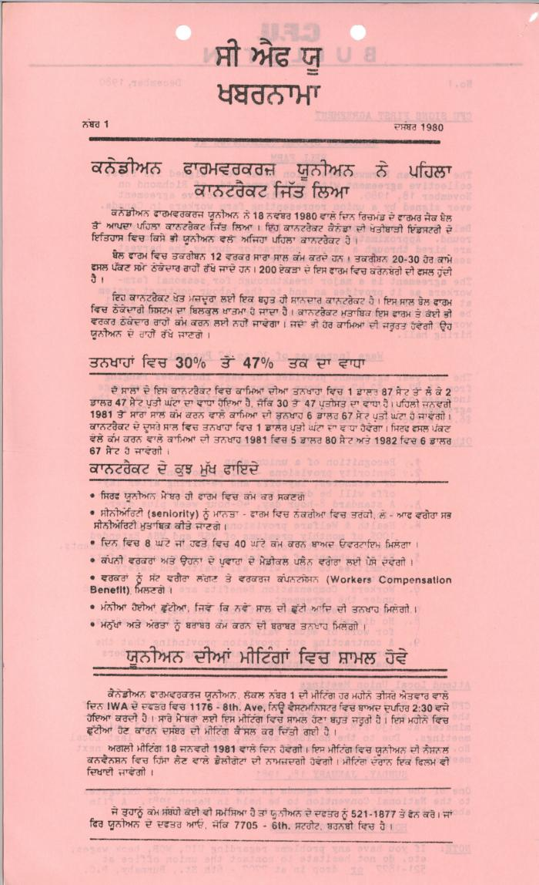
 | Contract system eliminated at Bell Farm, The Canadian Farmworkers Union bulletin in Punjabi (2021_08_01_096) | Contract system eliminated at Bell Farm, The Canadian Farmworkers Union bulletin. The agreement was a major breakthrough for seasonal farmworkers as it provides an end to the labour contract system at this farm.
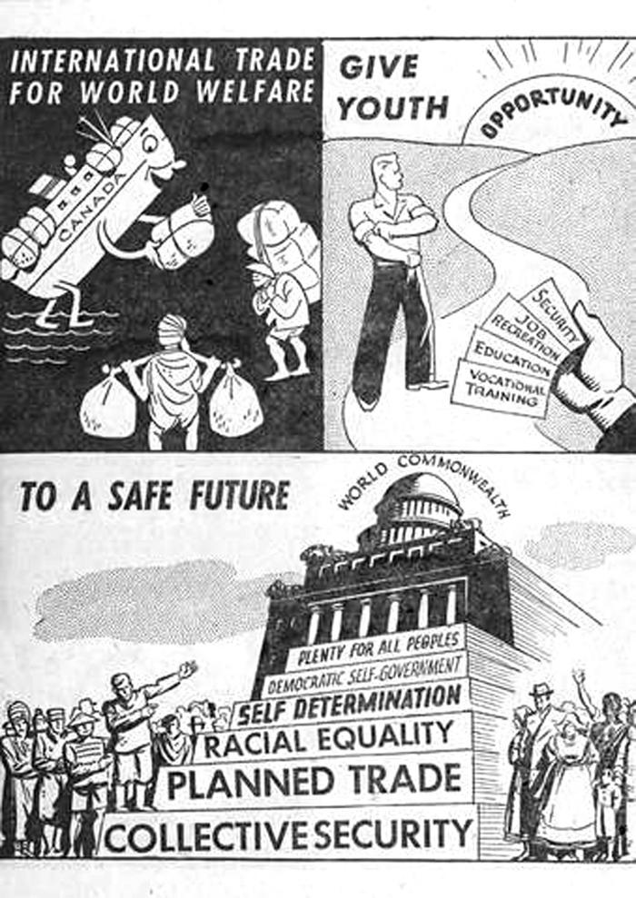
 | [Co-operative Commonwealth Federation Election illustrations] (2021_08_01_051) | Co-operative Commonwealth Federation Election illustrations.
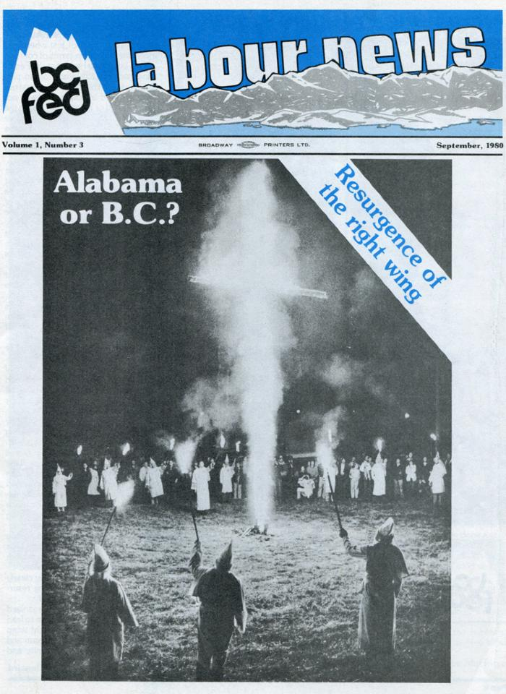
 | [Cover page of BC Federation of Labour news] (2021_08_01_109) | Cover page of BC Federation of Labour news, Vol 1, No. 3 dated September 1980. Includes a front-page image of a local Ku Klux Klan rally in 1980. This publication was distributed to every union in the province.
 | [Election results, The Barker] (2021_08_01_067) | Election results regarding the Yukon Lumber, published in The Barker.
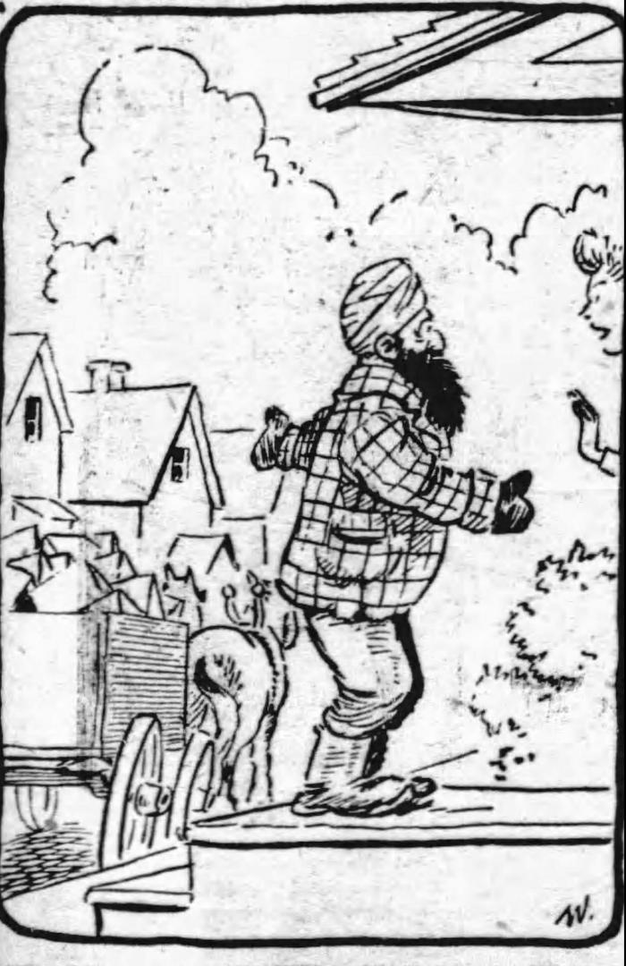
 | [Fraser Wilson illustration, Vancouver Sun, February 6, 1943, 35] (2021_08_01_029) | Fraser Wilson illustration, Vancouver Sun, February 6, 1943, 35.
 | [Graphic logo of Western Clarion] (2021_08_01_042) | Graphic logo of Western Clarion with a tagline, "Published in the interests of the working class alone."
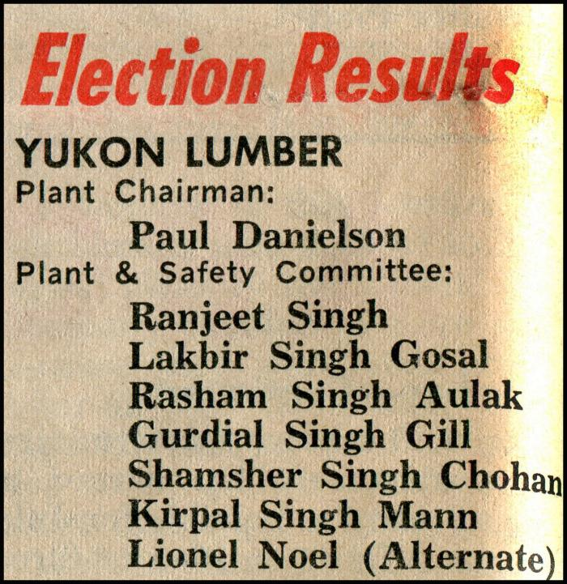 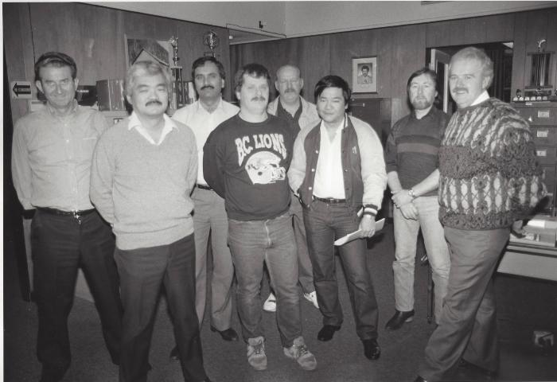 | [Group photo of Harry Bains and unidentified IWA executives] (2021_08_01_070) | Group photo of Harry Bains, 3rd Vice President (standing third from the left) and unidentified IWA executives.
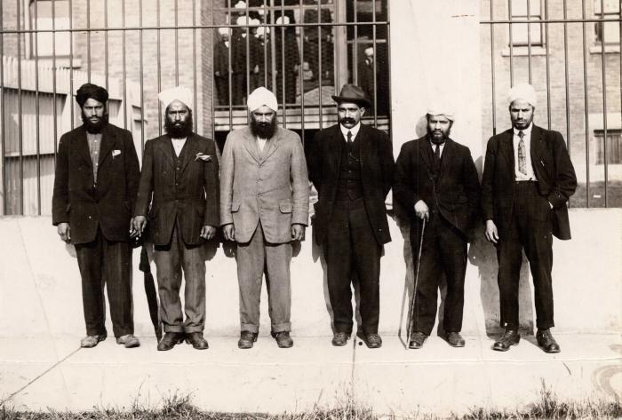 | [Group photo of Husain Rahim and five unidentified individuals in front of the Immigrational Hall in Victoria, BC] (2021_08_01_040) | Group photo of Husain Rahim and five unidentified individuals in front of the Immigrational Hall in Victoria, BC.
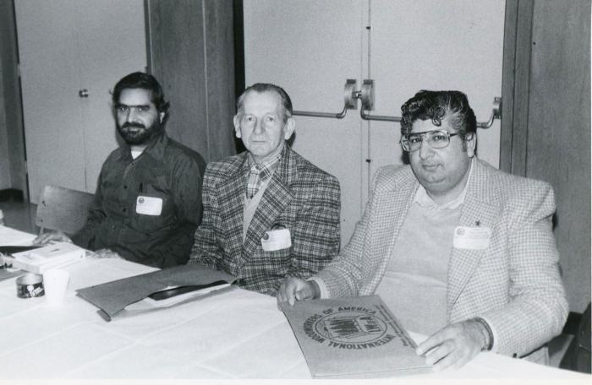 | [Group photo of IWA Shop Stewards at Richmond Lumber] (2021_08_01_071) | Group photo of IWA Shop Stewards at Richmond Lumber.
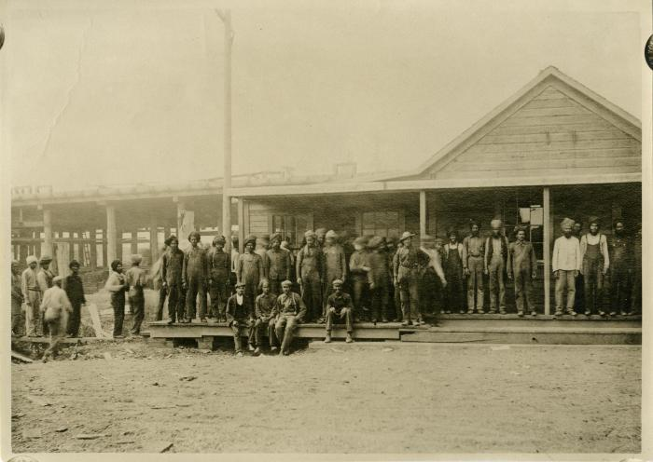 | [Group photo of lumber mills workers at the Fraser Mills] (2021_08_01_047) | Group photo of lumber mills workers at the Fraser Mills. Fraser Mills (Canadian Western Lumber Company) was a vast lumber plant on the north shore of the Fraser River, in what was then the Francophone community of Maillardville – now a suburb of Coquitlam.
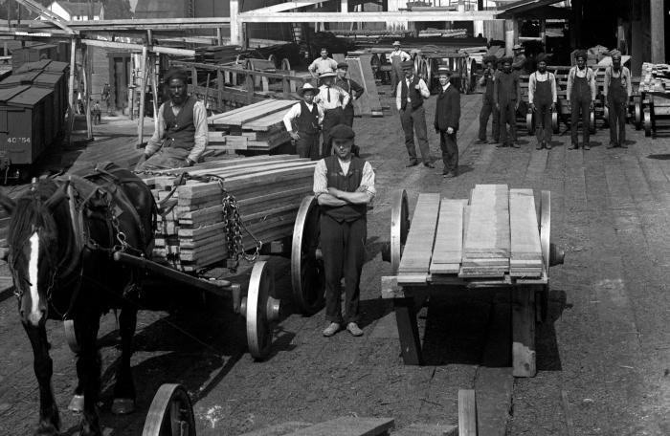 | [Group photo of lumber mill workers at the North Pacific Lumber Company] (2021_08_01_031) | Group photo of lumber mill workers at the North Pacific Lumber Company.
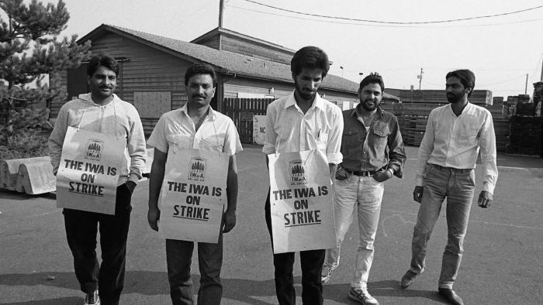 | [Group photo of members of IWA Local 1-357 walking the picket line at North Mitchell Lumber in Agassiz] (2021_08_01_068) | Group photo of members of IWA Local 1-357 walking the picket line at North Mitchell Lumber in Agassiz.
 | [Group photo of mill workers?] (2021_08_01_014) | Group photo of mill workers [?]
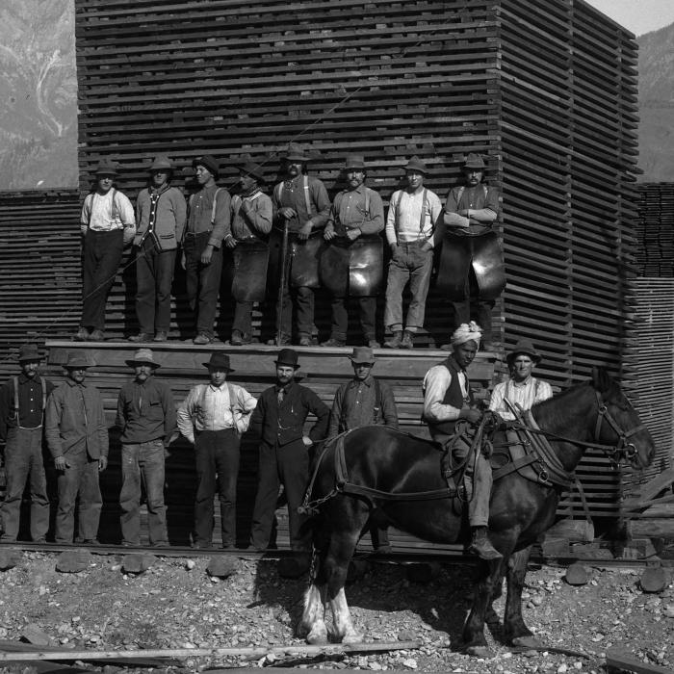 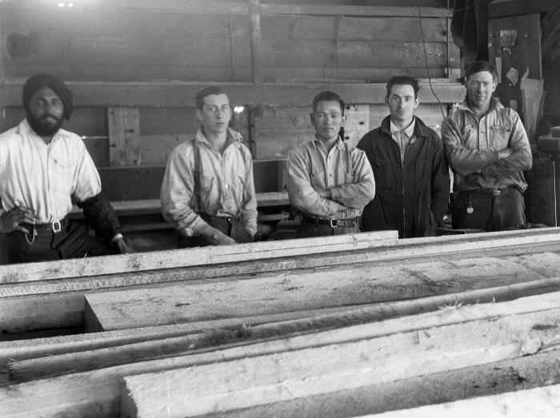 | [Group photo of sawmill workers in Youbou, BC] (2021_08_01_034) | Group photo of sawmill workers in Youbou, BC.
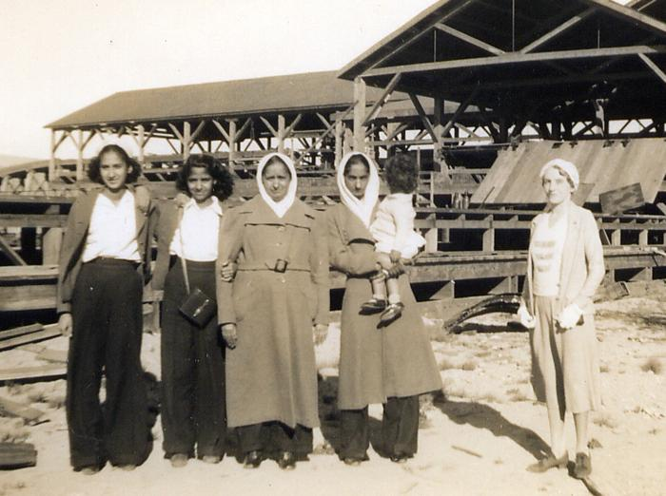 | [Group photo of Siddoo family and other women at the Kapoor Sawmill in Burnaby, BC] (2021_08_01_078) | Group photo of Siddoo family and other women at the Kapoor Sawmill in Burnaby, BC. Kartar K. Sangha (standing at right) is identified as the company cook.
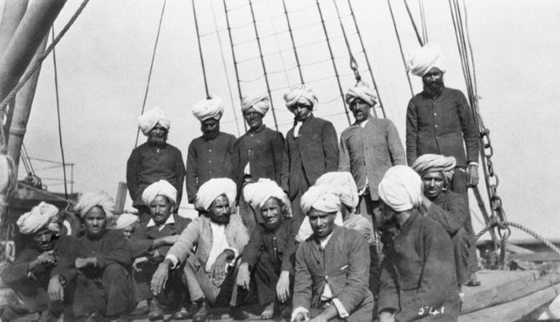 | [Group photo of Sikh emigrants on arrival in Vancouver, BC] (2021_08_01_122) | Group photo of Sikh emigrants on arrival in Vancouver, BC.
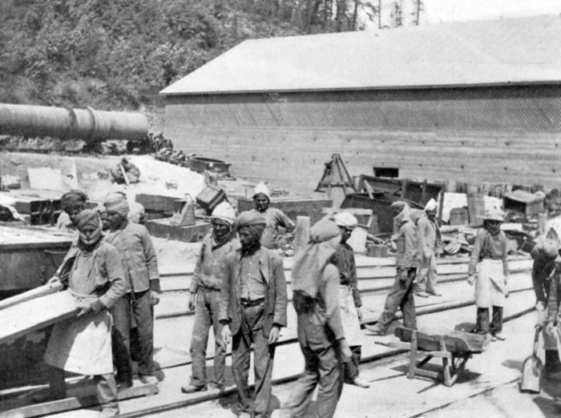 | [Group photo of Sikh labourers at Tod Inlet] (2021_08_01_017) | Group photo of Sikh labourers at a wharf, Tod Inlet.
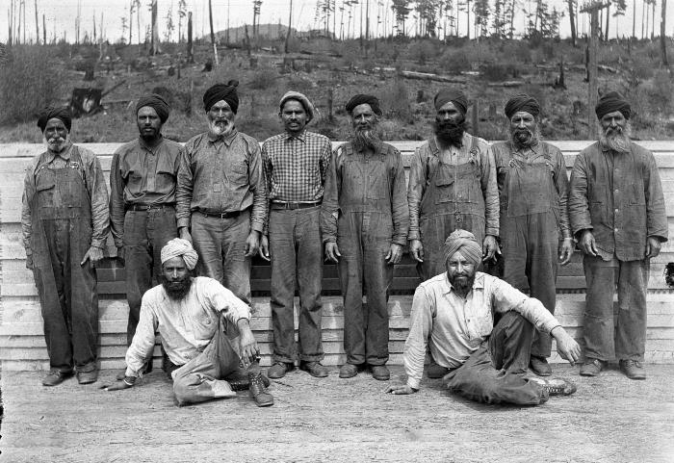 | [Group photo of Sikh lumber mill workers at the Hillcrest Lumber Company, Sahtlam, BC] (2021_08_01_032) | Group photo of Sikh lumber mill workers at the Hillcrest Lumber Company, Sahtlam, BC.
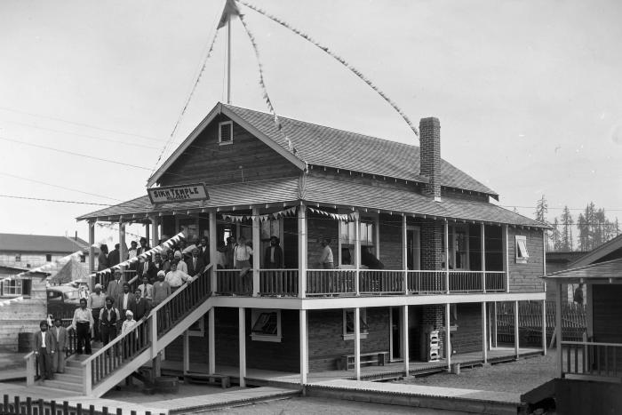 | [Group photo of Sikh men at the Hillcrest Sikh Temple] (2021_08_01_022) | Group photo of Sikh men standing in front of the Hillcrest Sikh Temple.
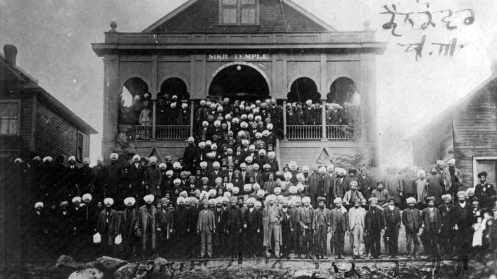 | [Group photo of Sikh men at the Second Avenue Gurdwara, Vancouver] (2021_08_01_036) | Group photo of Sikh men at the Second Avenue Gurdwara, Vancouver.
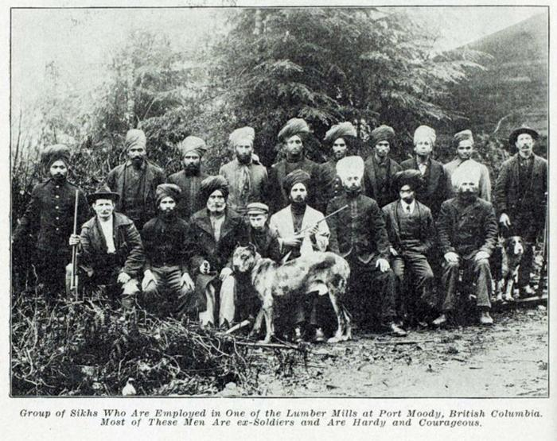 | [Group photo of Sikh men employed at a lumber mill in Port Moody, BC] (2021_08_01_010) | Group photo of Sikh men employed at a lumber mill in Port Moody, BC.
 | [Group photo of Sikh sawmill workers] (2021_08_01_044) | Group photo of Sikh sawmill workers.
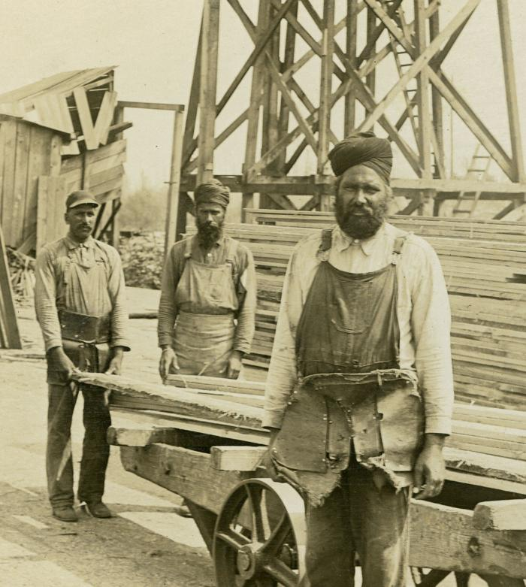 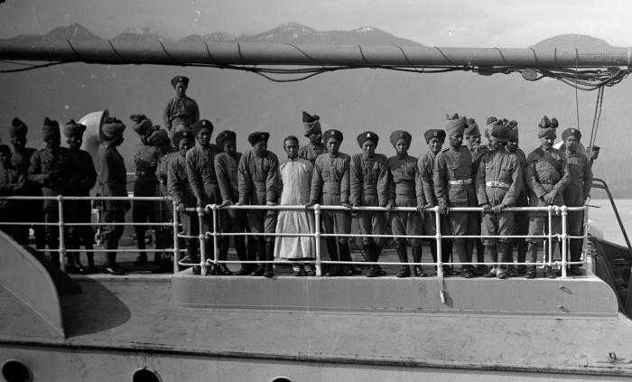 | [Group photo of soldiers in Vancouver harbour en route to or from London for Edward VII’s coronation] (2021_08_01_035) | Group photo of soldiers in Vancouver harbour en route to or from London for Edward VII’s coronation.
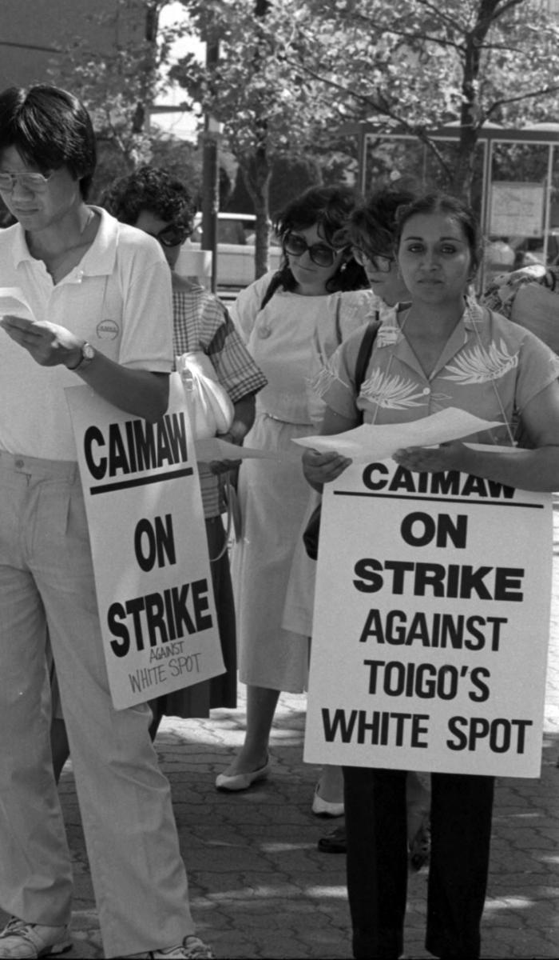
 | [Group photo of South Asian hospitality union members during strike against Toigo's White Spot] (2021_08_01_081) | Group photo of South Asian hospitality union members during strike against Toigo's White Spot. Many South Asian women became members of unions in the hospitality industry, working in hotels and restaurants such as White Spot.
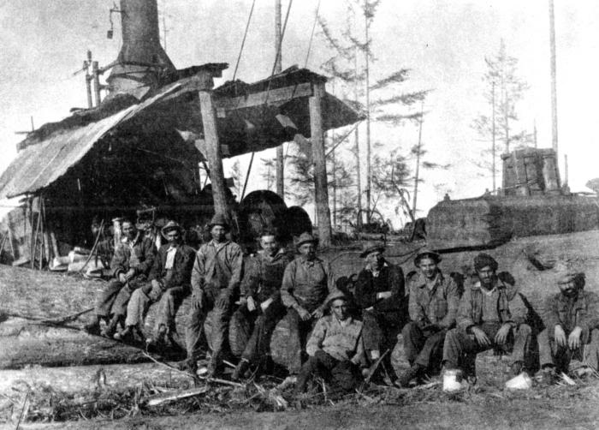 | [Group photo of the "donkey" crew on Hill 60, Kapoor Lumber Company, Sooke Lake] (2021_08_01_049) | Group photo of the "donkey" crew on Hill 60, Kapoor Lumber Company, Sooke Lake. South Asian-owned Kapoor Lumber Company at Sooke Lake was notorious for paying lower wages to its Asian workers. For this reason it was a target for union organizing in the 1940s
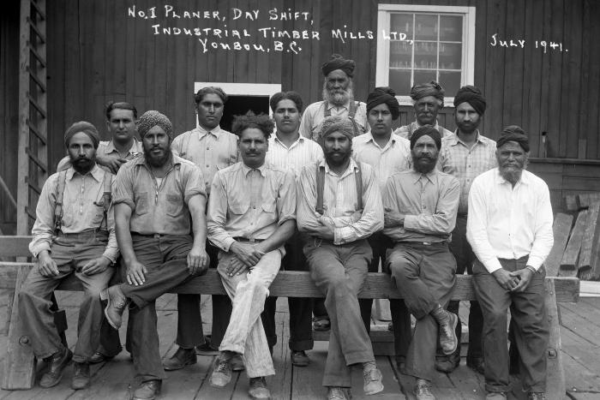 | [Group photo of timber mill labourers at Industrial Timber Mills Ltd, Youbou, BC] (2021_08_01_001) | Group photo of labourers at Industrial Timber Mills Ltd. (now B.C. Forest Products), Youbou, BC during a day shift. Back Row: Sandager S. Chahl; Harbent S. Sandhu; Rasham S. Atwal; Hazura S. Singh; Sham S. Uppal; Rajmal S. Johal; Hansraj S. Bahala. Front Row: Buran S. Gill; Swarn S. Sihota; Charn S. Attwal; Hardit S. Gill; Santa S. Gill; Gurbux S.Singh.
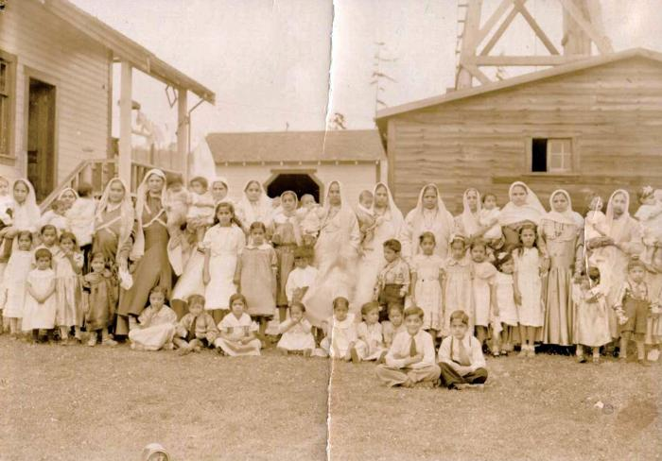 | [Group photo of women and children in Paldi, BC] (2021_08_01_077) | Group photo of women and children in Paldi, BC. The community consisted entirely of workers and families at the Mayo Lumber Company.
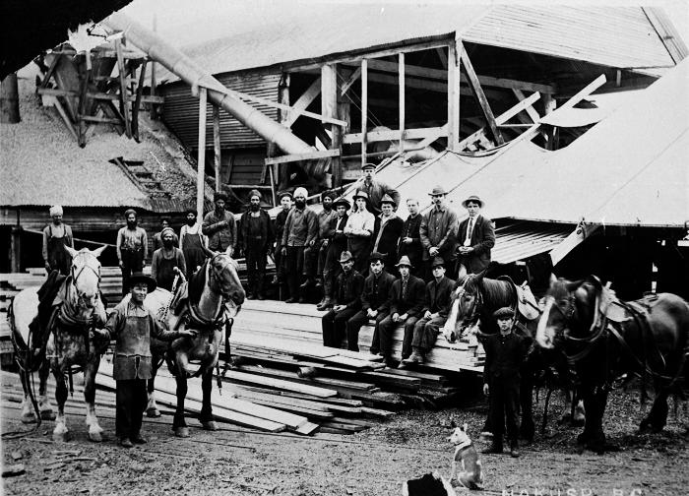 | [Group photo of workers at Carlson mill, Nakusp, BC] (2021_08_01_013) | Group photo of workers at Carlson mill, Nakusp, BC.
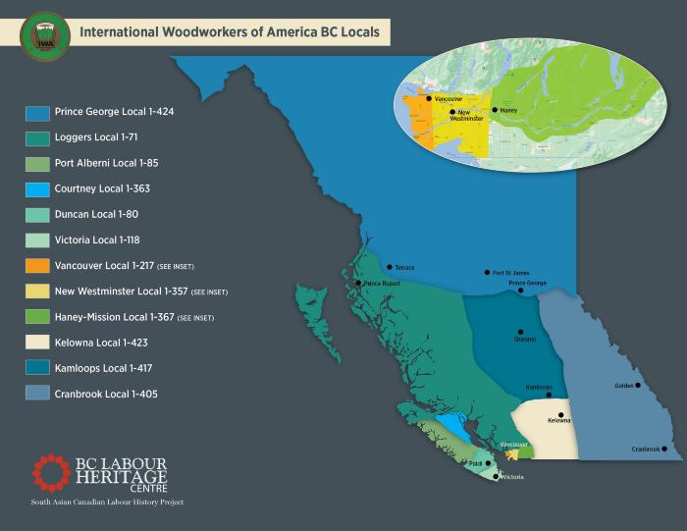 | [International Woodworkers of America BC Locals map] (2021_08_01_065) | International Woodworkers of America BC Locals map by the BC Labour Heritage Centre.
 | [International Woodworkers of America promotional label] (2021_08_01_053) | International Woodworkers of America promotional label.
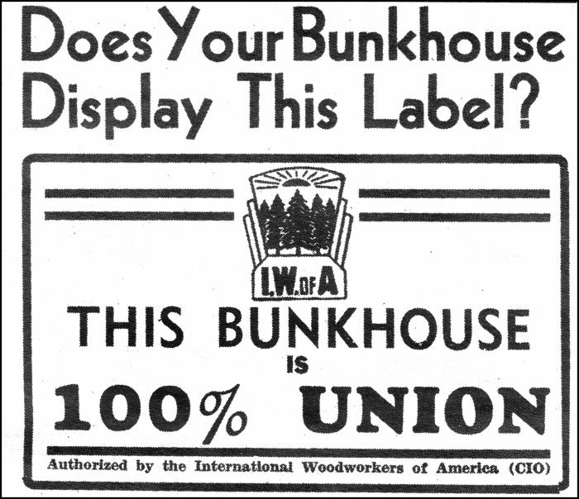 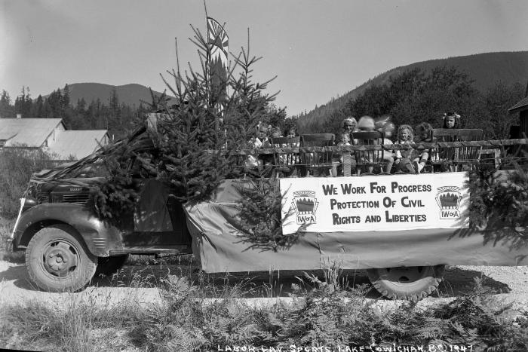 | [Labour Day Sports, Lake Cowichan, BC, 1947] (2021_08_01_057) | Labour Day Sports, Lake Cowichan, BC.
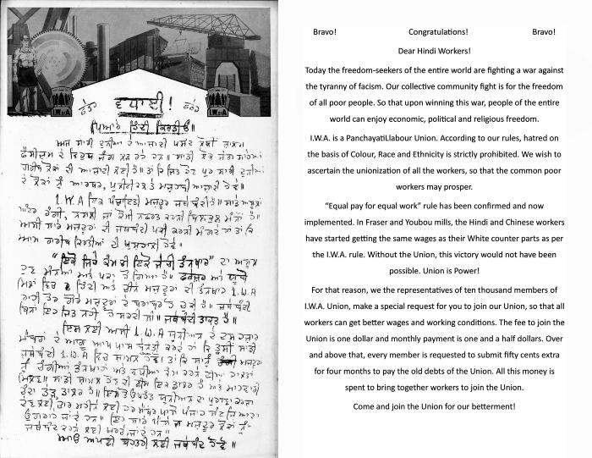 | [Letter addressed to Hindi workers by International Woodworkers of America] (2021_08_01_054) | Letter addressed to Hindi workers by International Woodworkers of America [I.W.A.].
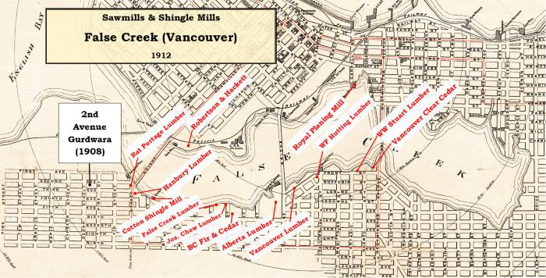 | [Map of sawmills & shingle mills at False Creek, Vancouver, BC] (2021_08_01_021) | Map of sawmills & shingle mills, and the 2nd Avenue Gurdwara at False Creek, Vancouver, BC.
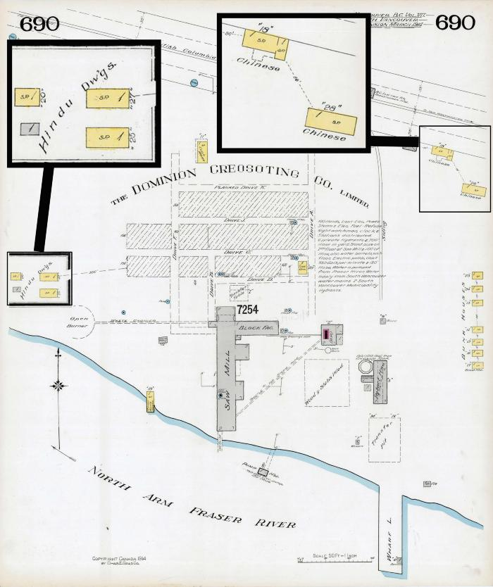
 | [Map of the Dominion Creosoting and Lumber Company Limited] (2021_08_01_027) | Map of the Dominion Creosoting and Lumber Company Limited at the bank of Fraser River.
 | [Mewa Singh's funeral procession with maps in the background] (2021_08_01_024) | Map of Canadian Western Lumber Co. Ltd. and Fraser Mills Sash, Door and Shingle Co. Ltd. and a photograph of Mewa Singh's funeral procession in 1915.
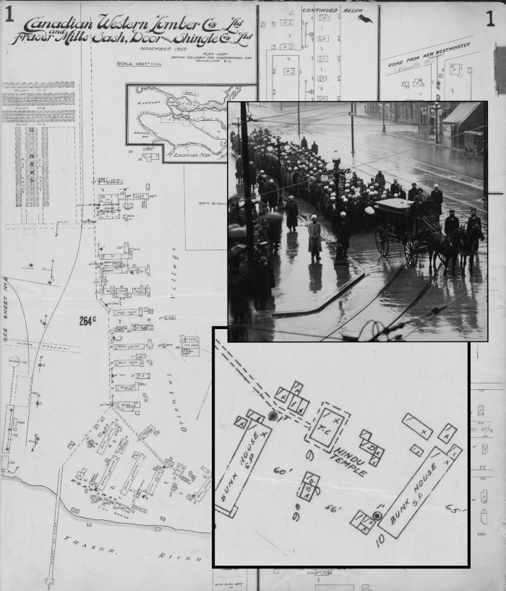 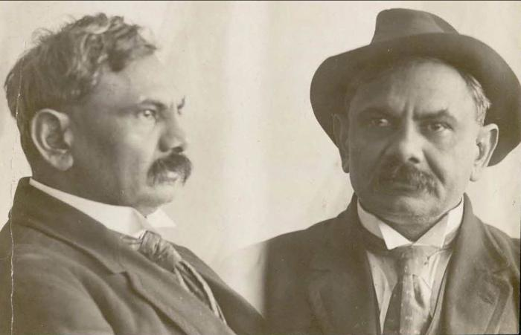 | [Mugshot of Husain Rahim] (2021_08_01_041) | Mugshot of Husain Rahim.
 | [Newspaper clipping from Pacific Tribune titled, Rally urges labour action on racism] (2021_08_01_110) | Newspaper clipping from Pacific Tribune titled, Rally urges labour action on racism.
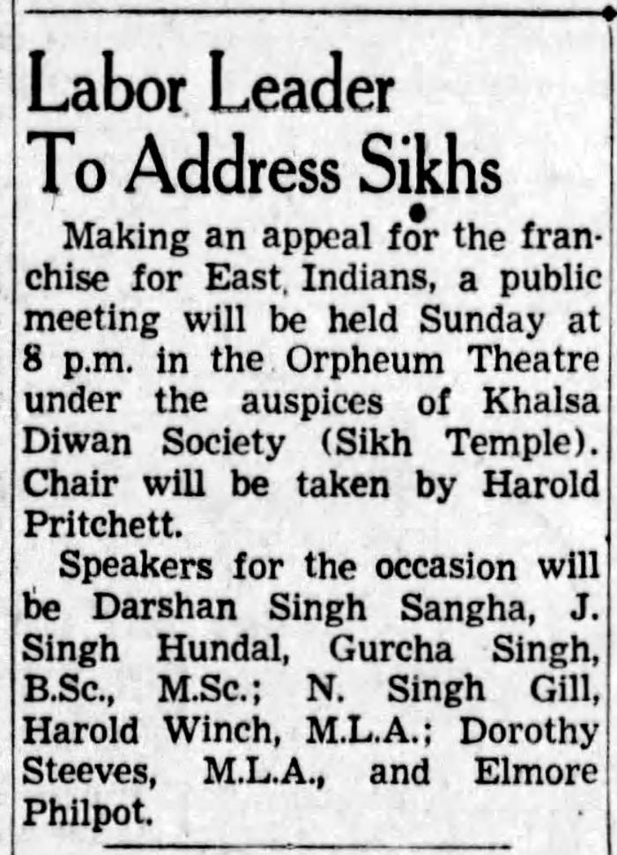
 | [Newspaper clipping titled, "Labour leader to address Sikhs"] (2021_08_01_060) | Newspaper clipping titled, "Labour leader to address Sikhs," published on The Province, January 12 1943, 5.
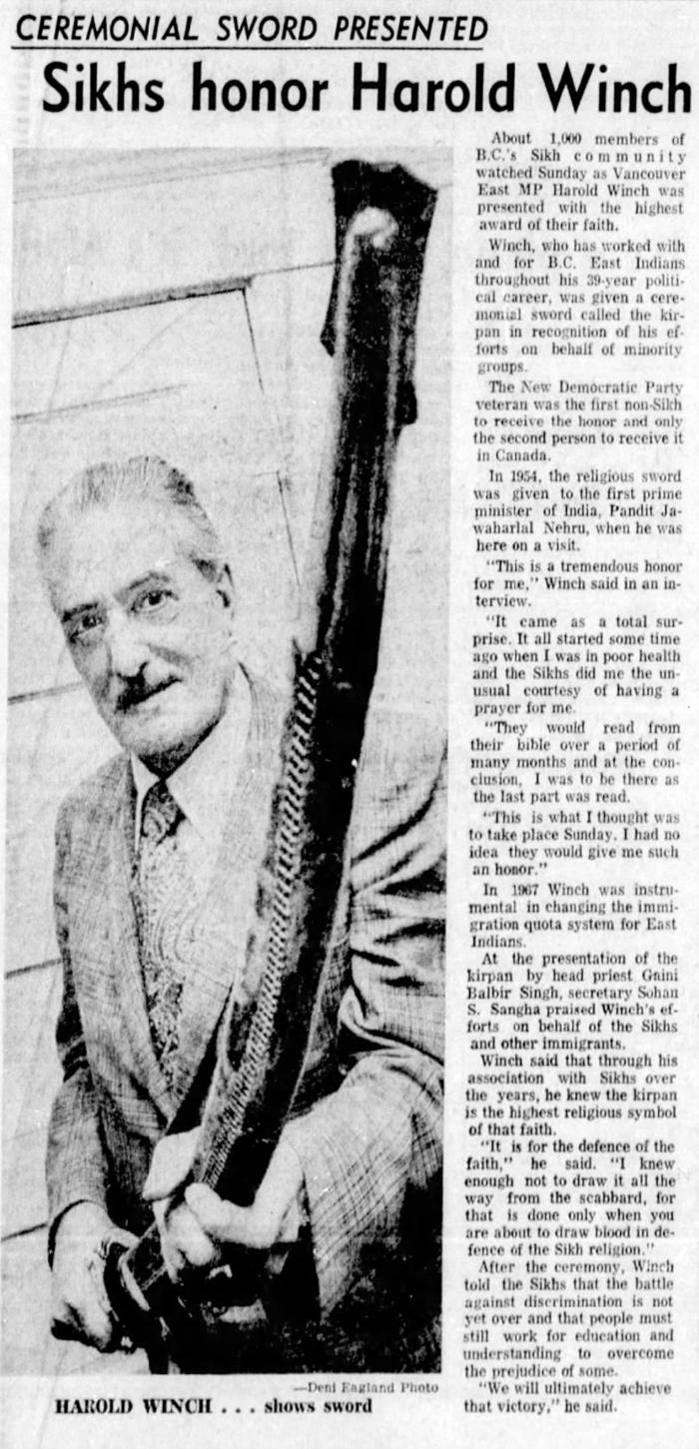
 | [Newspaper clipping titled, Sikh honor Harold Winch"] (2021_08_01_052) | Newspaper clipping titled, Sikh honor Harold Winch." Harold Winch was given a ceremonial sword called the kirpan in recognition of his efforts to help South Asians during his political career.
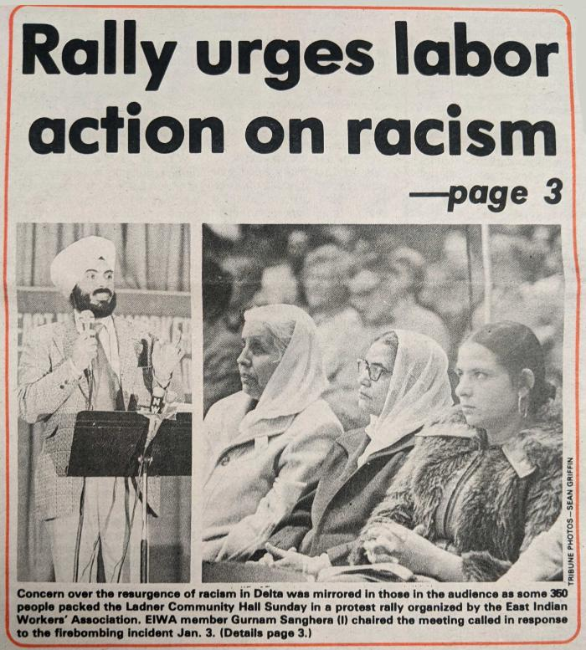 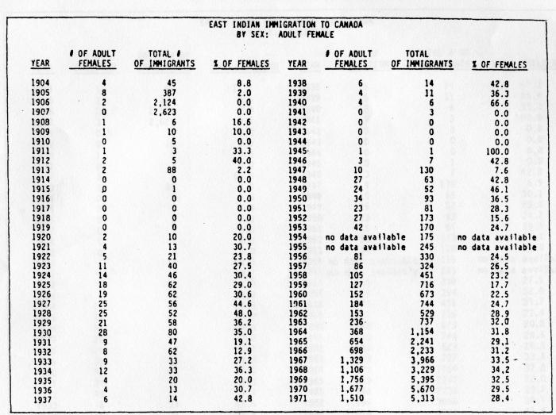 | [Numerical record of South Asian immigration to Canada] (2021_08_01_073) | Numerical record of South Asian immigration to Canada. Racist immigration restrictions meant women did not begin arriving in significant numbers until the late 1950s. James G. Chadney, "East Indian immigration to Canada by sex: Adult Female", The Sikhs of Vancouver. AMS Press, 1984, 189. Reprinted in Sarjeet Singh, 1991, 138.

 | [Partial list of 72 unions and MLAs who supported the franchise for South Asian Canadians in 1947] (2021_08_01_061) | Partial list of 72 unions and MLAs who supported the franchise for South Asian Canadians in 1947.
 | [Photo of 1943 Lake Cowichan Dominion Day parade] (2021_08_01_055) | Photo of 1943 Lake Cowichan Dominion Day parade. The entire membership of the IWA got behind South Asian demands for equality at work. In this photo from the 1943 Lake Cowichan Dominion Day parade, children of union members held a banner promoting “Equal Pay For Equal Work For All” — a key union demand that was achieved in the 1943 and 1946 agreements.
 | [Photo of a bunkhouse and cookhouse, Youbou, BC] (2021_08_01_026) | Photo of a bunkhouse and cookhouse, Youbou, BC for the South Asian labourers.

 | [Photo of a series of Canadian Farmworkers Union buttons] (2021_08_01_104) | Photo of a series of Canadian Farmworkers Union buttons. The rising sun button was the new CFU logo designed by President Raj Chouhan and unveiled at the first convention.
 | [Photo of a trailer with posters of Canadian Farmworkers Union, Fraser Valley, BC] (2021_08_01_097) | Photo of a trailer with posters of Canadian Farmworkers Union, Fraser Valley, BC.
 | [Photo of Canadian Farmworkers Union (CFU) members during a union protest] (2021_08_01_103) | Photo of Canadian Farmworkers Union (CFU) members during a union protest. Sarwan Boal was savagely beaten on his way home from a banquet celebrating the union’s first certification at Jensen Mushroom Farm in July.
 | [Photo of Canadian Farmworkers Union representatives at the 1983 Solidarity Rally at Empire Stadium] (2021_08_01_112) | Photo of Canadian Farmworkers Union representatives at the 1983 Solidarity Rally at Empire Stadium.
 | [Photo of Columbia River lumber mill, Golden, BC] (2021_08_01_015) | Photo of Columbia River Lumber lumber mill in Golden, BC, 1910-1920.
 | [Photo of damaged Japanese owned store during Vancouver riot of 1907 - 130 Powell Street] (2021_08_01_008) | Photo of damaged Japanese owned store during Vancouver riot of 1907 - 130 Powell Street.
 | [Photo of Darshan Singh Sangha with members of the BC District Council of the IWA in Vancouver] (2021_08_01_058) | Photo of Darshan Singh Sangha with members of the BC District Council of the IWA in Vancouver.
 | [Photo of farmworkers' cabins in the Fraser Valley, BC] (2021_08_01_087) | Photo of farmworkers' cabins in the Fraser Valley, BC.
 | [Photo of Farm Workers’ Organizing Committee meeting in the Fraser Valley, BC] (2021_08_01_089) | Photo of Farm Workers’ Organizing Committee (FWOC) meeting in the Fraser Valley, BC. The main objective for the FWOC was to expose the conditions of farmwork for seasonal workers in the Fraser Valley. The approach was to work with farmworkers, to lobby the government and to undertake public education.
 | [Photo of Farm Workers’ Organizing Committee rally] (2021_08_01_088) | Photo of Farm Workers’ Organizing Committee rally.
 | [Photo of farmworkers protesting for justice] (2021_08_01_085) | Photo of farmworkers protesting for justice and demanding their own union.
 | [Photo of Granthi at Ocean Falls Sikh Temple] (2021_08_01_023) | Photo of Granthi [head priest] at the Ocean Falls Sikh Temple.

 | [Photo of Indian immigrants near the Canadian Pacific Railway wharf in Victoria, BC] (2021_08_01_004) | Photo of Indian immigrants near the Canadian Pacific Railway (CPR) wharf in Victoria, BC.
 | [Photo of International Woodworkers of America (IWA) members at the final membership meeting of Local 1-217] (2021_08_01_116) | Photo of International Woodworkers of America (IWA) members at the final membership meeting of Local 1-217.

 | [Photo of IWA members during a protest] (2021_08_01_074) | Photo of IWA members during a protest.
 | [Photo of Jinny Sims speaking at the 2005 teachers' strike] (2021_08_01_076) | Photo of BC Teachers’ Federation President, Jinny Sims, speaking to supporters at one of the many rallies held during the 2005 teachers’ strike.
 | [Photo of Kartar Singh riding a horse cart] (2021_08_01_028) | Photo of Kartar Singh riding a horse cart with wood.
 | [Photo of living and cooking quarters at Tod Inlet] (2021_08_01_018) | Photo of living and cooking quarters at Tod Inlet, which were racially segregated and crude. Cardboard was used for insulation and flour sacks as blankets. The 1911 Census recorded 63 men living in the “Hindu Camp” and 239 in the "Chinese Camp".
  | [Photo of lumber miill workers at the Fraser Mills] (2021_08_01_046) | Photo of lumber miill workers at the Fraser Mills. Fraser Mills (Canadian Western Lumber Company) was a vast lumber plant on the north shore of the Fraser River, in what was then the Francophone community of Maillardville – now a suburb of Coquitlam.
 | [Photo of new immigrants of South Asian origin near the Canadian Pacific Railway wharf in Victoria, BC] (2021_08_01_003) | Photo of new immigrants of South Asian origin near the Canadian Pacific Railway (CPR) wharf in Victoria, British Columbia making bricks.
 | [Photo of Ocean Falls on BC's central coast] (2021_08_01_011) | Photo of Ocean Falls on BC's central coast, which was a remote community where South Asians worked in sawmills.
 | [Photo of Operation Solidarity button] (2021_08_01_115) | Photo of Operation Solidarity button.
  | [Photo of protestors at the International Longshore and Warehouse Union rally] (2021_08_01_118) | Photo of protestors at the International Longshore and Warehouse Union rally at the Portside Park.
 | [Photo of protestors of BC Organization to Fight Racism outside of the office of Social Credit Premier, Bill Vander Zalm, MLA] (2021_08_01_108) | Photo of protestors of BC Organization to Fight Racism outside of the office of Social Credit Premier, Bill Vander Zalm, MLA.
 | [Photo of Raj Chouhan and Charan Gill] (2021_08_01_090) | Photo of Raj Chouhan (at microphone) and Charan Gill (seated).

 | [Photo of Raj Chouhan and Judy Cavanaugh] (2021_08_01_092) | Photo of CFU organizers, Raj Chouhan and Judy Cavanaugh.
 | [Photo of Raj Chouhan speaking as a delegate at the BC Federation of Labour Convention] (2021_08_01_106) | Photo of Raj Chouhan, President of Canadian Farmworkers Union, speaking as a delegate at the BC Federation of Labour Convention.
 | [Photo of Ranjit Singh and delegates at the IWA District Council No. 1 Convention in Vancouver] (2021_08_01_072) | Photo of Ranjit Singh and delegates at the IWA District Council No. 1 Convention in Vancouver. Ranjit Singh, seated at right, received an enormous ovation from delegates when he contrasted the Canadian and Indian labour movements.
 | [Photo of sawmills on False Creek, Vancouver] (2021_08_01_020) | The Vancouver Gurdwara on 2nd Avenue was located close to the sawmills that lined False Creek.
 | [Photo of sawmill workers at Seymour Lumber Company in North Vancouver] (2021_08_01_120) | Photo of sawmill workers at Seymour Lumber Company in North Vancouver.
 | [Photo of South Asian drivers at Yellow Cab one-day strike] (2021_08_01_117) | Photo of South Asian drivers at Yellow Cab one-day strike. Indo-Canadian drivers at Yellow Cab stage a one-day strike in protest over racist comments from a supervisor, reflecting a long-standing practice of racism at the cab company. The drivers, members of the Ad Hoc Committee of Lower Mainland East Indian Taxi Drivers and Owners, were supported on the picket line by BC unions.
 | [Photo of South Asian immigrants at CPR Pier, Vancouver] (2021_08_01_030) | Photo of South Asian immigrants at CPR Pier, Vancouver.
  | [Photo of South Asian, Japanese and Caucasian workers at Seymour Lumber Company in North Vancouver] (2021_08_01_121) | Photo of South Asian, Japanese and Caucasian workers at Seymour Lumber Company in North Vancouver.
 | [Photo of South Asians fleeing the violence in Bellingham] (2021_08_01_009) | Photo of South Asians fleeing the violence in Bellingham and heading north to Canada.
 | [Photo of South Asian strawberry pickers in the Fraser Valley, BC] (2021_08_01_086) | Photo of South Asian strawberry pickers in the Fraser Valley, BC.
 | [Photo of South Asian truckers and independent owner-operators at the protest convoy] (2021_08_01_119) | Photo of South Asian truckers and independent owner-operators at the protest convoy from Abbotsford to Surrey in a campaign to stop trucking companies from whipsawing drivers to push wage rates down.

 | [Photo of Tara Singh Bains with two unidentified individuals] (2021_08_01_069) | Photo of Tara Singh Bains with two unidentified individuals.
 | [Photo of the arrests during the free speech demonstration, Vancouver, BC] (2021_08_01_039) | Photo of the arrests during the free speech demonstration, Vancouver, BC.
 | [Photo of The Hospital Employees' Union bargaining committee at the Windermere Lodge] (2021_08_01_082) | Windermere Unit members turned up at Trizec Corp. head office in downtown Vancouver in April to demonstrate against the corporation’s racist practices. The workers were protesting the higher wages being paid to white non-union people at the Vancouver health care facility during the strike.
 | [Photo of the International Woodworkers of America delegation to the B.C. Legislature] (2021_08_01_059) | Photo of the International Woodworkers of America (I.W.A) delegation to the B.C Legislature in Victoria to demand voting rights for South Asians. The delegation was sponsored by the I.W.A in 1943. The delegation includes Didar S. Bains, Naranjan S. Sidhu, Naginder S. Gill (Secretary of the Khalsa Diwan Society), Garib S. Lehli, Phangan S. Gill, Sir Harold Holland, Harold Pritchett, Mohinder S. Sangha, Darshan S. Sangha, Arjan S. Rhandhawa, H. S. Garcha, and "Tikka" S. Bains.
 | [Photo of unidentified farmworkers during protest in Abbotsford, BC] (2021_08_01_093) | Photo of unidentified farm workers during protest in Abbotsford, BC.
 | [Photo of unidentified individuals from the Vancouver Sath Theatre in Fraser Valley, BC] (2021_08_01_101) | Photo of unidentified individuals from the Vancouver Sath Theatre. Vancouver Sath Theatre Collective performed two plays ‘A Crop of Poison’ and ‘Picket Line’ (both written by Sadhu Binning and Sukhwant Hundal) for the CFU cultural programme called Picket Line Tour. Over 1,000 people attended four venues in the Fraser Valley. ‘A Crop of Poison' (Jahar di Fasal) is about farmworkers and the health and safety of pesticide use.
 | [Photo of unidentified women in discussion] (2021_08_01_098) | Photo of unidentified women in discussion.
 | [Photo of unidentified women processing pickled herring in Richmond, BC] (2021_08_01_083) | Photo of unidentified women processing pickled herring in Richmond, BC.
 | [Photo of United Fishermen and Allied Workers Union shoreworkers strike] (2021_08_01_079) | Photo of United Fishermen and Allied Workers Union shoreworkers strike.
 | [Photo of United Fishermen and Allied Workers Union (UFAWU) members at the union meeting in Steveston] (2021_08_01_084) | Photo of United Fishermen and Allied Workers Union (UFAWU) members at the union meeting in Steveston.
 | [Photo of women farmworkers protesting for better working conditions] (2021_08_01_094) | Photo of women farmworkers protesting for better working conditions.
 | [Photo of workers at Kapoor Lumber Company, Sooke Lake] (2021_08_01_050) | Group photo of workers at Kapoor Lumber Company, Sooke Lake.

 | [Photos of Jim Kinnaird, Mike Kramer, and Gerry Stoney addressing a union meeting] (2021_08_01_091) | Photos of Jim Kinnaird, Mike Kramer, and Gerry Stoney addressing a union meeting. Jim Kinnaird, BC Federation of Labour President, Mike Kramer, BC Federation of Labour Secretary- Treasurer and Gerry Stoney (bottom left photo), President of IWA Local 1-357 (New Westminster) addressed a union meeting. Stoney was the key connection between the CFU and the BC labour movement.
  | [Portrait of a Sikh millworker at the Fraser Mills] (2021_08_01_048) | Portrait of a Sikh millworker at the Fraser Mills. Fraser Mills (Canadian Western Lumber Company) was a vast lumber plant on the north shore of the Fraser River, in what was then the Francophone community of Maillardville – now a suburb of Coquitlam.

 | [Portrait of Darshan Singh Sangha] (2021_08_01_056) | Portrait of Darshan Singh Sangha.
 | [Portrait of Raj Chouhan stands in front of vandalized storefront office window] (2021_08_01_102) | Portrait of Farm Workers Organizing Committee President, Raj Chouhan, stands in front of vandalized storefront office window.

 | [Portrait of Surjit Brar] (2021_08_01_080) | Portrait of Surjit Brar, member of Hospital Employees' Union.

 | [Poster by Canadian Farmworkers Union inviting volunteer tutors to teach English to farmworkers] (2021_08_01_099) | Poster by Canadian Farmworkers Union inviting volunteer tutors to teach English to farmworkers.
 | [Preparing wedding geat, Sikh Temple, Paldi, 1955] (2021_08_01_075) | Preparing wedding geat, Sikh Temple, Paldi in 1955.
 | [Province of BC annual report regarding the Sawmills West of Cascades] (2021_08_01_033) | Province of BC annual report regarding the Sawmills West of Cascades.

 | [Public meeting invitation, Canadian Farmworkers Union] (2021_08_01_113) | Public meeting invitation, Canadian Farmworkers Union.

 | [Public meeting invitation in Punjabi language, Canadian Farmworkers Union] (2021_08_01_114) | Public meeting invitation in Punjabi language, Canadian Farmworkers Union.

 | [Racist advertisement against Asians] (2021_08_01_006) | Racist advertisement against Asians printed by BC’s labour newspaper, The British Columbia Federationist, September 11, 1914, 4.

 | [Seaman labour reports illustration] (2021_08_01_063) | Seaman labour reports illustration.
 | [Short video produced for the BC Labour Heritage Centre by WorkSafe BC] (2021_08_04_018) | This video, produced for the BC Labour Heritage Centre by WorkSafe BC, shares the history of the Canadian Farmworkers Union and the major role it played in improving working conditions in British Columbia's agriculture industry.
 | [Signatures of shareholders of Guru Nanak Mining and Trust Company] (2021_08_01_012) | Signatures of shareholders of Guru Nanak Mining and Trust Company.
 | [Sixth Census of Canada, 1921] (2021_08_01_016) | Statistical data from the Sixth Census of Canada, 1921. Item depicts 20 men living in a “Lodging House owned by the Lumber Company for Hindoo crew” at the Columbia River Lumber Company in Golden, BC. The 12-year-old son of one of the workers is identified as a student. The earliest arrived in Canada in 1906.
 | [Statistical data of South Asian immigration to Canada between fiscal years 1904-1907] (2021_08_01_002) | Statistical data of South Asian immigration to Canada between fiscal years 1904-1907. The data shows that incoming immigrants rose from 45 in 1904 to 2,623 in 1907.

 | [The One Big Union flyer] (2021_08_01_045) | The One Big Union flyer.

 | The story at a glance, The BC Lumberworker (2021_08_01_066) | The story at a glance published by the BC Lumberworker.
 | [This is a racisim-free zone sticker, BC Federation of Labour] (2021_08_01_107) | This is a racisim-free zone sticker, BC Federation of Labour.

 | Victories, Canadian Farmworkers Union (2021_08_01_105) | Victories, Canadian Farmworkers Union. CFU’s short summary of activities for six months in 1982.
  | [Video interview of Harinder Mahil conducted by Dr. Anushay Malik] (2021_08_04_019) | In this clip activist Harinder Mahil recalls racist conditions South Asian Canadians faced on farms and in the wider community This motivated the formation of the BC Organization to Fight Racism. This clip is from the second of two full-length interviews conducted with Harinder by Dr. Anushay Malik on behalf of the BC Labour Heritage Centre's "Union Zindabad!" Project, 2021.
 | [Video interview of Joginder Singh Sunner conducted by Dr. Anushay Malik, Part 1] (2021_08_03_007) | Joginder Sunner came to Canada in 1983. He has worked at sawmills in the Vancouver area since the mid-1980s; first in non-union operations and then in unionized mills. He became active in the International Woodworkers of America, Local 1-217 as a committee member and then as a job steward. He is a member of the Executive Board of United Steelworkers Local 1-1937. He has previously served as General-Secretary on the Executive of the Khalsa Diwan Society. This is a full-length audio-only interview and the first of two conducted by Dr. Anushay Malik with Sunner on behalf of the BC Labour Heritage Centre's "Union Zindabad!" Project, 2021.
 | [Video interview of Moe Sihota conducted by Dr. Anushay Malik] (2021_08_04_021) | Moe Sihota was MLA and Labour Minister under the BCNDP government, the first South Asian Canadian to hold such a position. He describes the importance of the pensions won by the International Woodworkers of America (IWA) to the union's South Asian members. This clip is from the second of two videos conducted with Moe by Dr. Anushay Malik on behalf of the BC Labour Heritage Centre's "Union Zindabad!" Project, 2021.
 | [Video interview of Paul Binning conducted by Dr. Anushay Malik] (2021_08_04_015) | Paul Binning was an activist who helped connect arts, culture and labour activism. He was one of the first professional Bhangra dancers in BC, teaching many Canadian-born youth through his Richmond based dance troupe, the Punjab Cultural Association. In this clip, he describes how despite its strong historic working-class associations, not everyone in the community appreciated Bhangra’s role as a labour organizing tool. He defended what he called “revolutionary Bhangra”. The images depicting performances at CFU events are used with permission of Craig Berggold. The bhangra music heard in the background is archival sound from an actual CFU conference, recorded by and used with permission of Gary Marcuse (file held at the Royal BC Museum). This clip is from a full-length interview conducted by Dr. Anushay Malik on behalf of the BC Labour Heritage Centre's "Union Zindabad!" Project, 2021.
 | [Video interview of Paul Gill conducted by Dr. Anushay Malik] (2021_08_04_020) | Paul Gill, son of Charan Gill and a CFU activist, recalls how the Solidarity movement of 1983 helped to build lasting connections between the Canadian Farmworkers' Union and organized labour unions such as UFCW. This clip is from a full-length interview conducted by Dr. Anushay Malik on behalf of the BC Labour Heritage Centre's "Union Zindabad!" Project, 2021.
 | [Video interview of Raj Chouhan conducted by Dr. Anushay Malik] (2021_08_04_016) | Founding Canadian Farmworkers' Union (CFU) organizer Raj Chouhan recalled incidents of threats and physical violence from farmers while organizing with the union. He describes an incident in which he was on a picket line alone and assaulted; police were called and he was scared he would be implicated as the perpetrator rather than the victim. Stuart Rush, activist and legal volunteer for the CFU, happened to pass by and intervene. This clip is from a full-length interview conducted by Dr. Anushay Malik on behalf of the BC Labour Heritage Centre's "Union Zindabad!" Project, 2021.
 | [Video interview of Sarwan Boal conducted by Dr. Anushay Malik] (2021_08_04_017) | Founding CFU organizer Sarwan Boal recalled incidents of threats and physical violence from farmers while organizing with the union. There were multiple times he was threatened at gunpoint when trying to approach farmworkers. This clip is from a full-length interview conducted by Dr. Anushay Malik on behalf of the BC Labour Heritage Centre's "Union Zindabad!" Project, 2021.
 | [Video interview of Sewak Singh Dhaliwal conducted by Dr. Anushay Malik] (2021_08_04_022) | Sewak Singh Dhaliwal was born in Canada. His father Giani Harnam Singh was one of the first 100 South Asians to immigrate to BC in 1906. Dhaliwal was the first South Asian member of the Teamsters Union in BC when he joined in 1960. In this audio interview clip, he recalls his early experiences in trucking. Archival documents and personal photos are included with permission of Sewak Singh Dhaliwal. This clip is from a full-length interview conducted by Dr. Anushay Malik on behalf of the BC Labour Heritage Centre's "Union Zindabad!" Project, 2021.
 | [Video interview with Bikram Berar conducted by Dr. Anushay Malik] (2021_08_03_001) | Bikram grew up in Cowichan Valley, where his father Jaswant Singh Berar connected South Asian lumber workers with the International Woodworkers of America Local 1-80 (Duncan). Berar Road in Lake Cowichan bears the family name. This is a full-length interview conducted by Dr. Anushay Malik on behalf of the BC Labour Heritage Centre's "Union Zindabad!" Project, 2021.
 | [Video interview with Bikram Berar conducted by Dr. Anushay Malik] (2021_08_04_001) | Bikram (Vic) Berar recalled being asked to help sell wood fuel as a kid on Vancouver Island. This clip is from a full-length interview conducted by Dr. Anushay Malik on behalf of the BC Labour Heritage Centre's "Union Zindabad!" Project, 2021.
 | [Video interview with Bikram Berar conducted by Dr. Anushay Malik] (2021_08_04_002) | Bikram (Vic) Berar recalled the significance to enfranchisement to his family, noting that his grandfather lived his entire life in Canada without the right to vote. His father emphasized the importance of voting to Vic and he tries to pass the same lesson down to his children. This clip is from a full-length interview conducted by Dr. Anushay Malik on behalf of the BC Labour Heritage Centre's "Union Zindabad!" Project, 2021.
 | [Video interview with Bikram Berar conducted by Dr. Anushay Malik] (2021_08_04_005) | Bikram (Vic) Berar says the IWA is "in our DNA" (referring to his family) because he remembers the struggles and victories of his grandfather and father before him. Though he is not in the industry anymore, he says "The IWA will never leave me". This clip is from a full-length interview conducted by Dr. Anushay Malik on behalf of the BC Labour Heritage Centre's "Union Zindabad!" Project, 2021.
 | [Video interview with Boxie Singh Dosangh conducted by Dr. Anushay Malik] (2021_08_04_003) | Dosanjh was part of one of five South Asian families that lived in Fraser Mills and recalls what conditions were like for his family.
 | [Video interview with Harinder Mahil conducted by Dr. Anushay Malik, Part 1] (2021_08_03_002) | Harinder Mahil became the editor of the union newspaper The Chipper. Mahil played a very important role in the formation of the Canadian Farmworkers Union and the BC Organization to Fight Racism. From 1992 to 2002 he held senior positions in the BC Council of Human Rights, the Human Rights Council, and in the BC Human Rights Commission and went on to work for the Professional Institute of the Public Service of Canada. This is the first of two full-length interview conducted by Dr. Anushay Malik with Mahil on behalf of the BC Labour Heritage Centre's "Union Zindabad!" Project, 2021.
 | [Video interview with Harinder Mahil conducted by Dr. Anushay Malik, Part 2] (2021_08_03_003) | Harinder Mahil became the editor of the union newspaper The Chipper. Mahil played a very important role in the formation of the Canadian Farmworkers Union and the BC Organization to Fight Racism. From 1992 to 2002 he held senior positions in the BC Council of Human Rights, the Human Rights Council, and in the BC Human Rights Commission and went on to work for the Professional Institute of the Public Service of Canada. This is the first of two full-length interview conducted by Dr. Anushay Malik with Mahil on behalf of the BC Labour Heritage Centre's "Union Zindabad!" Project, 2021.
 | [Video interview with Harinder Mahil conducted by Dr. Anushay Malik] (2021_08_04_013) | The origins of the Canadian Farmworkers Union can be traced to the Vancouver chapter of the Indian People’s Association of North America (IPANA). Its earliest members included Harinder Mahil, Raj Chouhan and Chin Banerjee. These men were already friends who recognized that farmworkers in British Columbia were being exploited. In this clip activist Harinder Mahil recalls that an IPANA meeting in 1979, Chouhan and Mahil agreed to attempt to organize the farmworkers. Both had personally experienced the working conditions on farms and both had connections to the labour movement. This clip is from the second of two full-length interviews conducted with Harinder by Dr. Anushay Malik on behalf of the BC Labour Heritage Centre's "Union Zindabad!" Project, 2021.
 | [Video interview with Harji Sangha conducted by Dr. Anushay Malik] (2021_08_03_004) | Harji Sangra became involved in the Canadian Farmworkers Union in the 1980s when she was a university student. She was very involved in teaching English to women farmworkers. Sangra also worked as an organizer for the union and participated in writing and performing plays for the Farmworkers movement promoting the union and social justice issues. This is a full-length interview conducted by Dr. Anushay Malik on behalf of the BC Labour Heritage Centre's "Union Zindabad!" Project, 2021.
 | [Video interview with Harji Sangra conducted by Dr. Anushay Malik] (2021_08_04_012) | Harji Sangra, who worked for the Canadian Farmworkers' Union (CFU), recalls doing farmwork with her mother as a child during summers. Her father proudly worked in a union sawmill. Harji's mother was injured along with several other farmworkers and struggled to receive disability benefits. This clip is from a full-length interview conducted by Dr. Anushay Malik on behalf of the BC Labour Heritage Centre's "Union Zindabad!" Project, 2021.
 | [Video interview with Harry Bains conducted by Dr. Anushay Malik] (2021_08_03_005) | Harry Bains came to Canada in 1971 and worked in sawmills in Vancouver. After experiencing a racist incident at work Bains became active in his union the International Woodworkers of America, Local 1-217. Over time he became a Vice President of the Local union. He was elected as an MLA in 2005 and in 2017 became Minister of Labour for the Province of BC. This is a full-length interview conducted by Dr. Anushay Malik on behalf of the BC Labour Heritage Centre's "Union Zindabad!" Project, 2021.
 | [Video interview with Harry Bains conducted by Dr. Anushay Malik] (2021_08_04_004) | Harry Bains describes Darshan Singh’s impact on the IWA and its South Asian members. Bains serves as a Member of the BC Legislative Assembly (MLA) and Labour Minister for the BC NDP Government. He was previously an executive member of the International Woodworkers of America (IWA). This clip is from a full-length interview conducted by Dr. Anushay Malik on behalf of the BC Labour Heritage Centre's "Union Zindabad!" Project, 2021.
 | [Video interview with Harry Bains conducted by Dr. Anushay Malik] (2021_08_04_008) | When asked to describe his greatest accomplishment during his union career, Harry Bains discussed how he received the most satisfaction from helping his fellow union members, particularly those who faced exploitation. He recalls situations where female members were afraid to discuss sexual harassment and he felt proud to gain their trust enough to help them. This clip is from a full-length interview conducted by Dr. Anushay Malik on behalf of the BC Labour Heritage Centre's "Union Zindabad!" Project, 2021.
 | [Video interview with Jinny Sims conducted by Dr. Anushay Malik] (2021_08_03_006) | Jinny Sims arrived in Montreal in 1975 from England where she was educated as a teacher. Two years later she and her family moved to Nanaimo where she taught high school. She became active the local teachers’ union and was involved in the union’s first bargaining for maternity leave. In 2004 she was elected President of the BC Teachers’ Federation, the first South Asian woman to hold the highest position in a BC union. This is a full-length interview conducted by Dr. Anushay Malik on behalf of the BC Labour Heritage Centre's "Union Zindabad!" Project, 2021.
 | [Video interview with Joginder Singh Sunner conducted by Dr. Anushay Malik, Part 2] (2021_08_03_008) | Joginder Sunner came to Canada in 1983. He has worked at sawmills in the Vancouver area since the mid-1980s; first in non-union operations and then in unionized mills. He became active in the International Woodworkers of America, Local 1-217 as a committee member and then as a job steward. He is a member of the Executive Board of United Steelworkers Local 1-1937. He has previously served as General-Secretary on the Executive of the Khalsa Diwan Society. This is the second of two full-length interviews conducted by Dr. Anushay Malik with Sunner on behalf of the BC Labour Heritage Centre's "Union Zindabad!" Project, 2021.
 | [Video interview with Joginder Sunner conducted by Dr. Anushay Malik] (2021_08_04_007) | Joginder Sunner, IWA executive, describes how in his experience, a government job was considered valuable overseas in India and Pakistan; but here, workers will proudly state, "I have a union job" seeing the value. This clip is from the second of two full-length interviews with Joginder Sunner conducted by Dr. Anushay Malik on behalf of the BC Labour Heritage Centre's "Union Zindabad!" Project, 2021.
 | [Video interview with Moe Sihota conducted by Dr. Anushay Malik] (2021_08_03_010) | Munmohan Singh “Moe” Sihota was born in Duncan. His family instilled in him a deep respect for unions and politics. Sihota worked in sawmills during the summer while attending university. He is the first South Asian to be elected to public office in Canada and has held numerous cabinet positions in NDP governments in BC. This is the second of two full-length interviews conducted by Dr. Anushay Malik with Sihota on behalf of the BC Labour Heritage Centre's "Union Zindabad!" Project, 2021.
 | [Video interview with Nina Dhillon conducted by Dr. Anushay Malik] (2021_08_03_011) | Nina Dhillon came to Canada from England with her family when she was 14. After marriage she worked in several low-skilled jobs, eventually training as a cook. She began working at a long-term care home and became involved in union organizing activities. She currently is a full-time staff representative with the Hospital Employees’ Union. This is a full-length interview conducted by Dr. Anushay Malik on behalf of the BC Labour Heritage Centre's "Union Zindabad!" Project, 2021.
 | [Video interview with Nina Dhillon conducted by Dr. Anushay Malik] (2021_08_04_010) | Though initially not a union supporter, Nina Dhillon eventually helped to organize the union at her work and was subsequently hired by the Hospital Employees Union (HEU) to organize and assist other workers. She was the first South Asian woman at the union and she describes this experience. This clip is from a full-length interview conducted by Dr. Anushay Malik on behalf of the BC Labour Heritage Centre's "Union Zindabad!" Project, 2021.
 | [Video interview with Paul Binning conducted by Dr. Anushay Malik] (2021_08_03_012) | Paul Binning accompanied his parents who worked in the Fraser Valley farms and became exposed to the organizing work of the Canadian Farmworkers Union. He and others became involved in cultural shows as a way to attract farmworkers to the union. The shows toured British Columbia, introducing bhangra to far-flung communities where South Asians settled. This is a full-length interview conducted by Dr. Anushay Malik on behalf of the BC Labour Heritage Centre's "Union Zindabad!" Project, 2021.
 | [Video interview with Raj Chouhan conducted by Dr. Anushay Malik] (2021_08_03_014) | Immigrating to Canada in 1973, Raj Chouhan has worked to improve the lives of everyday people. He was the founding president of the Canadian Farmworkers’ Union and served as the director of bargaining for the Hospital Employees Union for 18 years. Raj Chouhan is also a founding member of the BC Organization to Fight Racism. Elected MLA in 2005, Chouhan became BC’s first South Asian Speaker of the Legislative Assembly in 2020. This is a full-length interview conducted by Dr. Anushay Malik on behalf of the BC Labour Heritage Centre's "Union Zindabad!" Project, 2021.
 | [Video interview with Sadhu Binning conducted by Dr. Anushay Malik] (2021_08_03_015) | Sadhu Binning came to Canada in 1967. Initially taking employment as a farmworker and lumber worker, Binning began working at the Post Office. During the years of Farmworkers Union organizing, Binning became involved on the cultural and literary aspects of the movement and was a founder of the organization Vancouver Sath.This is a full-length interview conducted by Dr. Anushay Malik on behalf of the BC Labour Heritage Centre's "Union Zindabad!" Project, 2021.
 | [Video interview with Sadhu Binning conducted by Dr. Anushay Malik] (2021_08_04_006) | Sadhu Binning recalls how woodworkers would discuss the union together in mill bunkhouses and cookhouses. He talks about the racism faced by South Asian workers, who were the last to be hired and the first to be fired. Seeing such clear discrimination helped to build a strong appreciation for the IWA as an avenue for fighting back. This clip is from a full-length interview conducted by Dr. Anushay Malik on behalf of the BC Labour Heritage Centre's "Union Zindabad!" Project, 2021.
 | [Video interview with Sarwan Boal conducted by Dr. Anushay Malik] (2021_08_03_016) | Sarwan Boal immigrated to Canada in 1970, and became Treasurer and organizer with the Canadian Farmworkers Union. He was present for all the major actions during that period, including strikes and protests. In one instance he was assaulted and injured. He continues to work to improve health and safety conditions for farmworkers. This is a full-length interview conducted by Dr. Anushay Malik on behalf of the BC Labour Heritage Centre's "Union Zindabad!" Project, 2021.
 | [Video interview with Sewak Singh Dhaliwal conducted by Dr. Anushay Malik] (2021_08_03_017) | Sewak Dhaliwal was born in Canada, though his father was one of the first 100 South Asians to immigrate to BC in 1906. The family lived for a time in Paldi, before relocating to the Fraser Valley where the family became involved in the aggregate hauling business. Dhaliwal became the first South Asian member of the Teamsters Union in 1960. An advocate for road safety for truckers, Dhaliwal also led the Teamsters to establish a rate scale for union owner/operators. This is a full-length interview conducted by Dr. Anushay Malik on behalf of the BC Labour Heritage Centre's "Union Zindabad!" Project, 2021.
 | [Video interview with Sucha Deepak conducted by Dr. Anushay Malik] (2021_08_03_018) | Sucha Deepak arrived in Canada in 1970 and worked at sawmills in Quesnel and Fort St James. He was elected by union members as plant chairman and later elected as union Business Agent and Safety Director for IWA Local 1-424. He lives in Prince George. This is a full-length interview conducted by Dr. Anushay Malik on behalf of the BC Labour Heritage Centre's "Union Zindabad!" Project, 2021.
 | [Video interview with Sucha Deepak conducted by Dr. Anushay Malik] (2021_08_04_009) | Sucha Deepak explains that the IWA successfully negotiated improved leave provisions at the sawmill in Fort St James in northern BC. It allowed South Asian workers, based upon seniority, enough time to travel to India for marriages. This achievement was later expanded to the collective agreements in all operations around BC. This clip is from a full-length interview conducted by Dr. Anushay Malik on behalf of the BC Labour Heritage Centre's "Union Zindabad!" Project, 2021.

 | White Canada Crusade [pamphlet] (2021_08_01_005) | Aims and objects of the White Canada Crusade by W. R. Page-Wilson and Associates.

 | Who We Are by Kartar Singh Sarabha (2021_08_01_037) | Text written by Kartar Singh Sarabha.

