Results
Image | Object | Description | Date
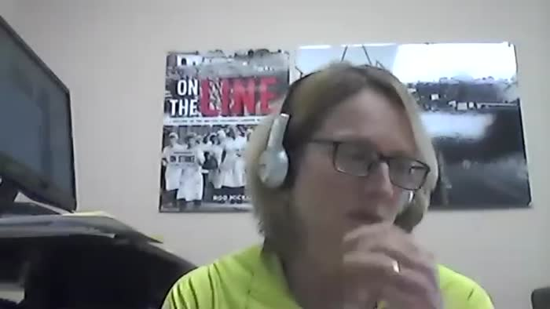 | [Video interview with Bikram Berar conducted by Dr. Anushay Malik] (2021_08_03_001) | Bikram grew up in Cowichan Valley, where his father Jaswant Singh Berar connected South Asian lumber workers with the International Woodworkers of America Local 1-80 (Duncan). Berar Road in Lake Cowichan bears the family name. This is a full-length interview conducted by Dr. Anushay Malik on behalf of the BC Labour Heritage Centre's "Union Zindabad!" Project, 2021.
 | [Video interview with Harinder Mahil conducted by Dr. Anushay Malik, Part 1] (2021_08_03_002) | Harinder Mahil became the editor of the union newspaper The Chipper. Mahil played a very important role in the formation of the Canadian Farmworkers Union and the BC Organization to Fight Racism. From 1992 to 2002 he held senior positions in the BC Council of Human Rights, the Human Rights Council, and in the BC Human Rights Commission and went on to work for the Professional Institute of the Public Service of Canada. This is the first of two full-length interview conducted by Dr. Anushay Malik with Mahil on behalf of the BC Labour Heritage Centre's "Union Zindabad!" Project, 2021.
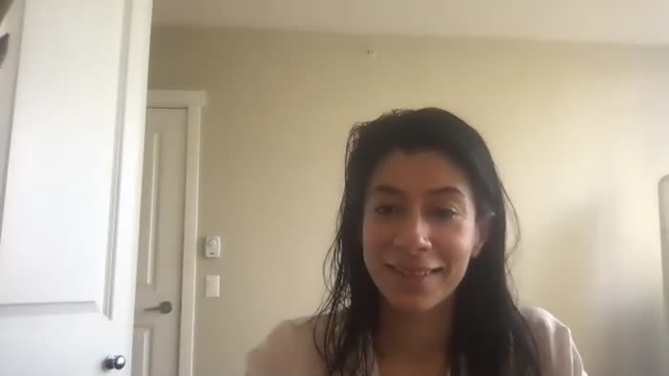 | [Video interview with Harinder Mahil conducted by Dr. Anushay Malik, Part 2] (2021_08_03_003) | Harinder Mahil became the editor of the union newspaper The Chipper. Mahil played a very important role in the formation of the Canadian Farmworkers Union and the BC Organization to Fight Racism. From 1992 to 2002 he held senior positions in the BC Council of Human Rights, the Human Rights Council, and in the BC Human Rights Commission and went on to work for the Professional Institute of the Public Service of Canada. This is the first of two full-length interview conducted by Dr. Anushay Malik with Mahil on behalf of the BC Labour Heritage Centre's "Union Zindabad!" Project, 2021.
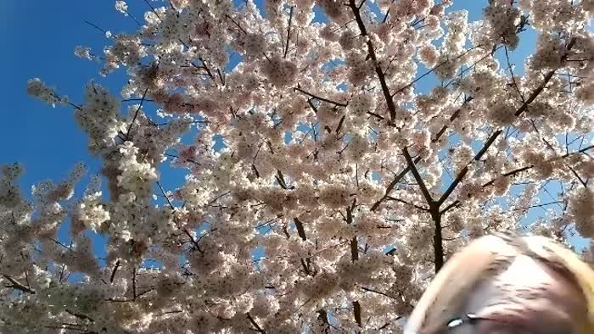 | [Video interview with Harji Sangha conducted by Dr. Anushay Malik] (2021_08_03_004) | Harji Sangra became involved in the Canadian Farmworkers Union in the 1980s when she was a university student. She was very involved in teaching English to women farmworkers. Sangra also worked as an organizer for the union and participated in writing and performing plays for the Farmworkers movement promoting the union and social justice issues. This is a full-length interview conducted by Dr. Anushay Malik on behalf of the BC Labour Heritage Centre's "Union Zindabad!" Project, 2021.
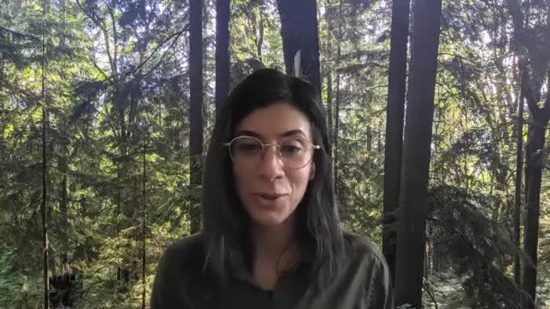 | [Video interview with Harry Bains conducted by Dr. Anushay Malik] (2021_08_03_005) | Harry Bains came to Canada in 1971 and worked in sawmills in Vancouver. After experiencing a racist incident at work Bains became active in his union the International Woodworkers of America, Local 1-217. Over time he became a Vice President of the Local union. He was elected as an MLA in 2005 and in 2017 became Minister of Labour for the Province of BC. This is a full-length interview conducted by Dr. Anushay Malik on behalf of the BC Labour Heritage Centre's "Union Zindabad!" Project, 2021.
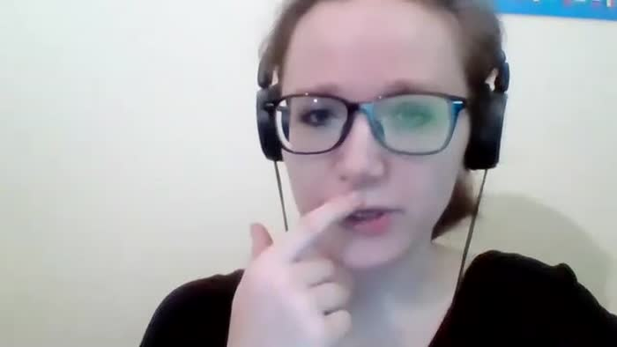 | [Video interview with Jinny Sims conducted by Dr. Anushay Malik] (2021_08_03_006) | Jinny Sims arrived in Montreal in 1975 from England where she was educated as a teacher. Two years later she and her family moved to Nanaimo where she taught high school. She became active the local teachers’ union and was involved in the union’s first bargaining for maternity leave. In 2004 she was elected President of the BC Teachers’ Federation, the first South Asian woman to hold the highest position in a BC union. This is a full-length interview conducted by Dr. Anushay Malik on behalf of the BC Labour Heritage Centre's "Union Zindabad!" Project, 2021.
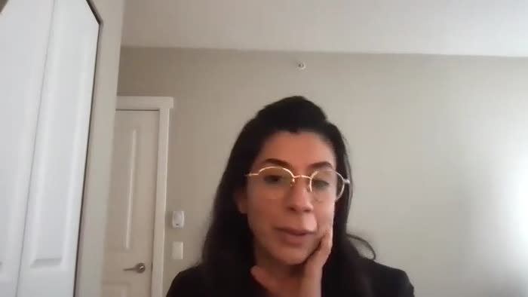 | [Video interview of Joginder Singh Sunner conducted by Dr. Anushay Malik, Part 1] (2021_08_03_007) | Joginder Sunner came to Canada in 1983. He has worked at sawmills in the Vancouver area since the mid-1980s; first in non-union operations and then in unionized mills. He became active in the International Woodworkers of America, Local 1-217 as a committee member and then as a job steward. He is a member of the Executive Board of United Steelworkers Local 1-1937. He has previously served as General-Secretary on the Executive of the Khalsa Diwan Society. This is a full-length audio-only interview and the first of two conducted by Dr. Anushay Malik with Sunner on behalf of the BC Labour Heritage Centre's "Union Zindabad!" Project, 2021.
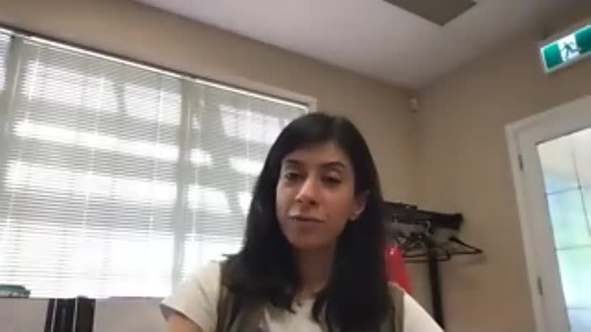 | [Video interview with Joginder Singh Sunner conducted by Dr. Anushay Malik, Part 2] (2021_08_03_008) | Joginder Sunner came to Canada in 1983. He has worked at sawmills in the Vancouver area since the mid-1980s; first in non-union operations and then in unionized mills. He became active in the International Woodworkers of America, Local 1-217 as a committee member and then as a job steward. He is a member of the Executive Board of United Steelworkers Local 1-1937. He has previously served as General-Secretary on the Executive of the Khalsa Diwan Society. This is the second of two full-length interviews conducted by Dr. Anushay Malik with Sunner on behalf of the BC Labour Heritage Centre's "Union Zindabad!" Project, 2021.
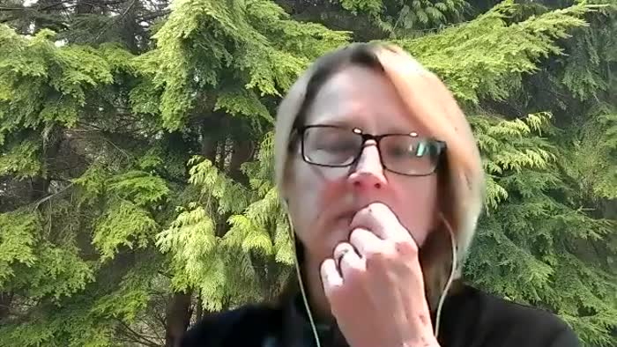 | [Video interview with Moe Sihota conducted by Dr. Anushay Malik] (2021_08_03_010) | Munmohan Singh “Moe” Sihota was born in Duncan. His family instilled in him a deep respect for unions and politics. Sihota worked in sawmills during the summer while attending university. He is the first South Asian to be elected to public office in Canada and has held numerous cabinet positions in NDP governments in BC. This is the second of two full-length interviews conducted by Dr. Anushay Malik with Sihota on behalf of the BC Labour Heritage Centre's "Union Zindabad!" Project, 2021.
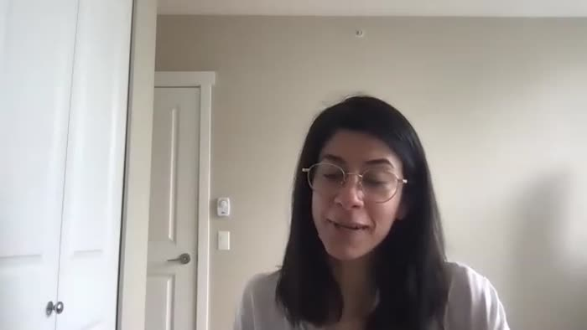 | [Video interview with Nina Dhillon conducted by Dr. Anushay Malik] (2021_08_03_011) | Nina Dhillon came to Canada from England with her family when she was 14. After marriage she worked in several low-skilled jobs, eventually training as a cook. She began working at a long-term care home and became involved in union organizing activities. She currently is a full-time staff representative with the Hospital Employees’ Union. This is a full-length interview conducted by Dr. Anushay Malik on behalf of the BC Labour Heritage Centre's "Union Zindabad!" Project, 2021.
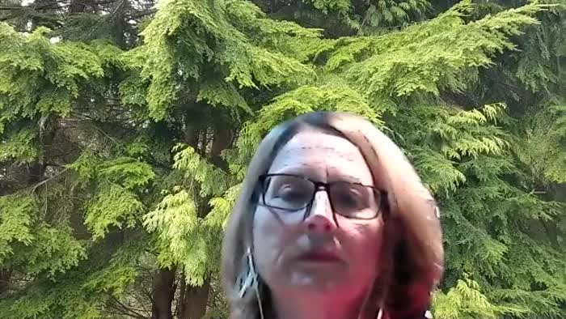 | [Video interview with Paul Binning conducted by Dr. Anushay Malik] (2021_08_03_012) | Paul Binning accompanied his parents who worked in the Fraser Valley farms and became exposed to the organizing work of the Canadian Farmworkers Union. He and others became involved in cultural shows as a way to attract farmworkers to the union. The shows toured British Columbia, introducing bhangra to far-flung communities where South Asians settled. This is a full-length interview conducted by Dr. Anushay Malik on behalf of the BC Labour Heritage Centre's "Union Zindabad!" Project, 2021.
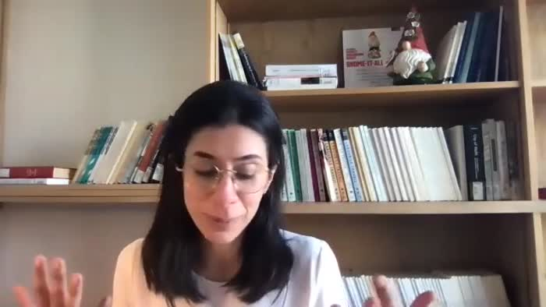 | [Video interview with Raj Chouhan conducted by Dr. Anushay Malik] (2021_08_03_014) | Immigrating to Canada in 1973, Raj Chouhan has worked to improve the lives of everyday people. He was the founding president of the Canadian Farmworkers’ Union and served as the director of bargaining for the Hospital Employees Union for 18 years. Raj Chouhan is also a founding member of the BC Organization to Fight Racism. Elected MLA in 2005, Chouhan became BC’s first South Asian Speaker of the Legislative Assembly in 2020. This is a full-length interview conducted by Dr. Anushay Malik on behalf of the BC Labour Heritage Centre's "Union Zindabad!" Project, 2021.
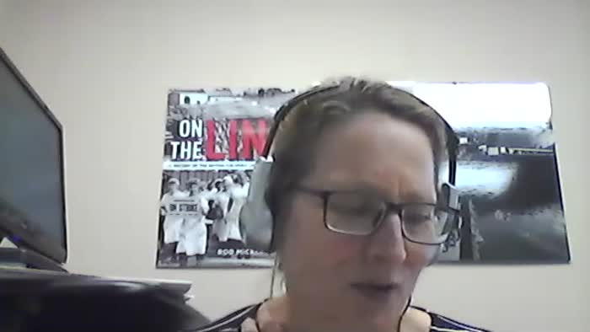 | [Video interview with Sadhu Binning conducted by Dr. Anushay Malik] (2021_08_03_015) | Sadhu Binning came to Canada in 1967. Initially taking employment as a farmworker and lumber worker, Binning began working at the Post Office. During the years of Farmworkers Union organizing, Binning became involved on the cultural and literary aspects of the movement and was a founder of the organization Vancouver Sath.This is a full-length interview conducted by Dr. Anushay Malik on behalf of the BC Labour Heritage Centre's "Union Zindabad!" Project, 2021.
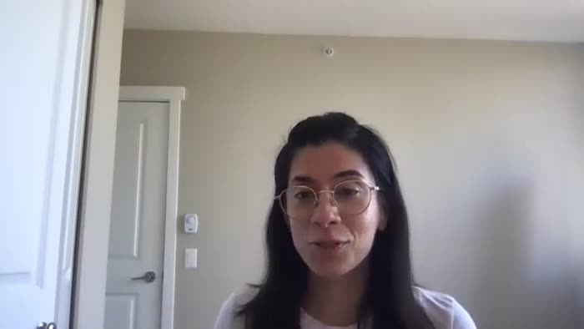 | [Video interview with Sarwan Boal conducted by Dr. Anushay Malik] (2021_08_03_016) | Sarwan Boal immigrated to Canada in 1970, and became Treasurer and organizer with the Canadian Farmworkers Union. He was present for all the major actions during that period, including strikes and protests. In one instance he was assaulted and injured. He continues to work to improve health and safety conditions for farmworkers. This is a full-length interview conducted by Dr. Anushay Malik on behalf of the BC Labour Heritage Centre's "Union Zindabad!" Project, 2021.
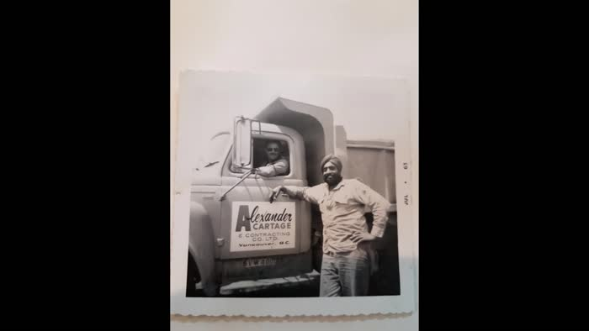 | [Video interview with Sewak Singh Dhaliwal conducted by Dr. Anushay Malik] (2021_08_03_017) | Sewak Dhaliwal was born in Canada, though his father was one of the first 100 South Asians to immigrate to BC in 1906. The family lived for a time in Paldi, before relocating to the Fraser Valley where the family became involved in the aggregate hauling business. Dhaliwal became the first South Asian member of the Teamsters Union in 1960. An advocate for road safety for truckers, Dhaliwal also led the Teamsters to establish a rate scale for union owner/operators. This is a full-length interview conducted by Dr. Anushay Malik on behalf of the BC Labour Heritage Centre's "Union Zindabad!" Project, 2021.
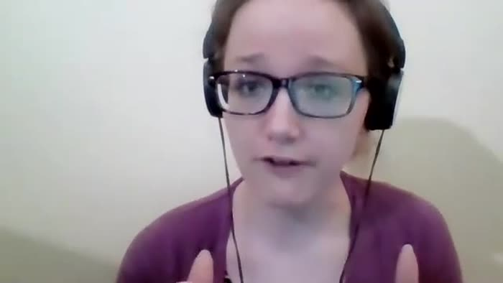 | [Video interview with Sucha Deepak conducted by Dr. Anushay Malik] (2021_08_03_018) | Sucha Deepak arrived in Canada in 1970 and worked at sawmills in Quesnel and Fort St James. He was elected by union members as plant chairman and later elected as union Business Agent and Safety Director for IWA Local 1-424. He lives in Prince George. This is a full-length interview conducted by Dr. Anushay Malik on behalf of the BC Labour Heritage Centre's "Union Zindabad!" Project, 2021.

