Results
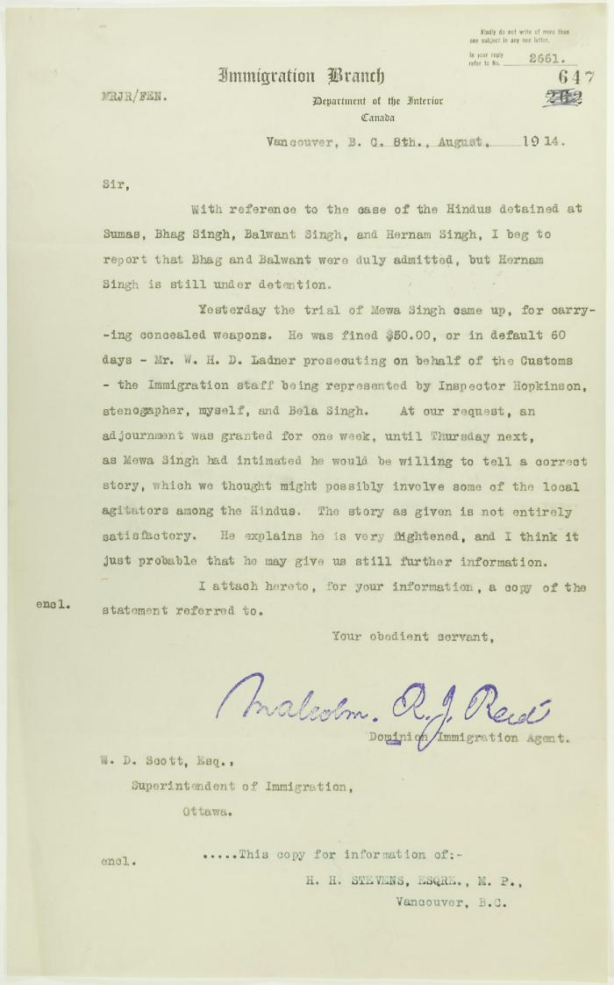
Image | Object | Description | Date
 | Copy of letter from Reid to W. D. Scott re Hindus detained at Sumas, and enclosing a statement by Mewa Singh (2021_07_10771) | Page 647

