Results
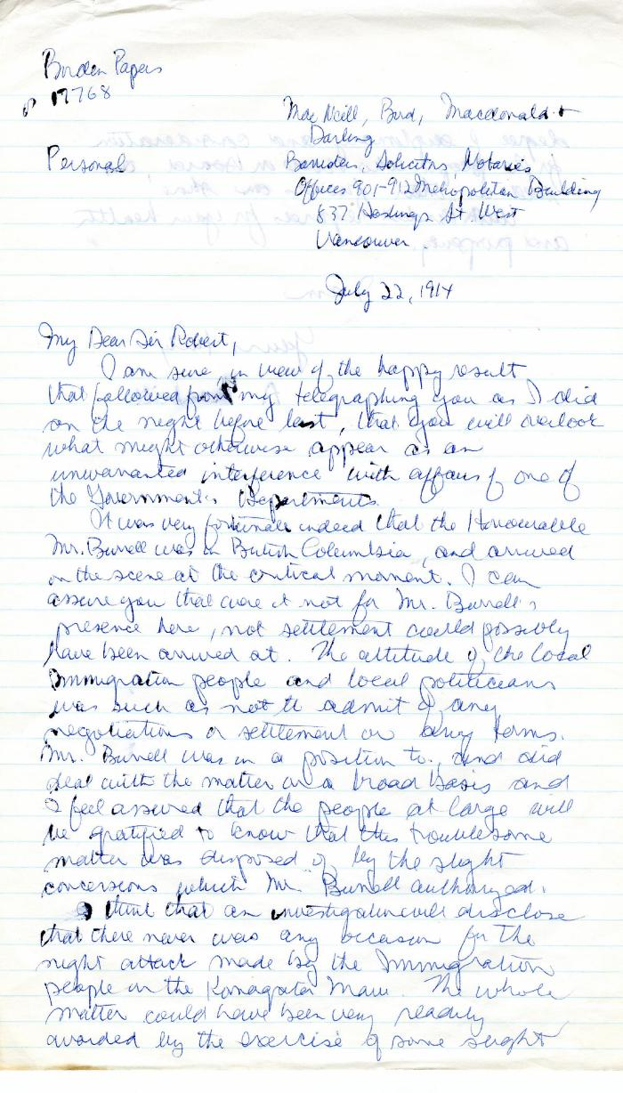
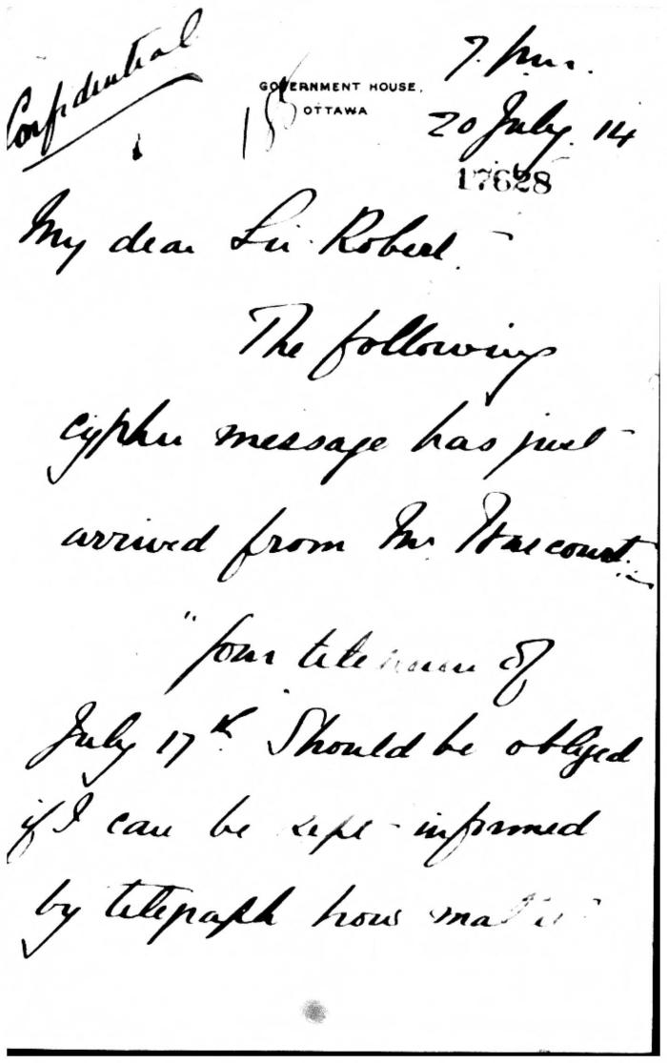
Image | Object | Description | Date
 | [A. MacNeill, lawyer, MacNeill Bird Macdonald & Darling, to Robert L. Borden, Prime Minister] (2021_07_4972) | Library and Archives Canada. Borden Papers, 17768. Handwritten transcript
 | [Arthur F. Sladen to Sir Robert Borden] (2021_07_5272) | Library and Archives Canada. Borden Papers, 17628
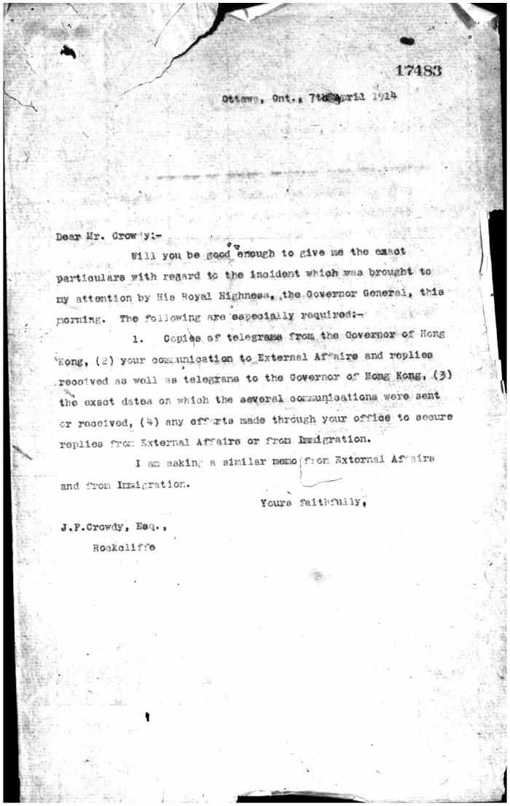
 | [Borden] to J. F. Crowdy (2021_07_10539) | Library and Archives Canada. Borden Papers, 17483
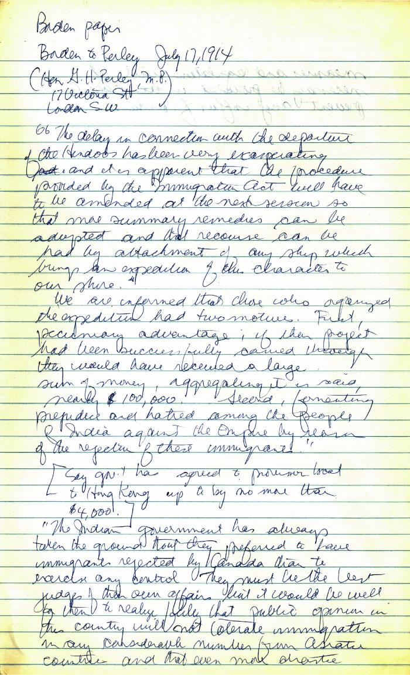
 | [Borden to Perley] (2021_07_5235) | Library and Archives Canada. Borden Papers. Handwritten transcript
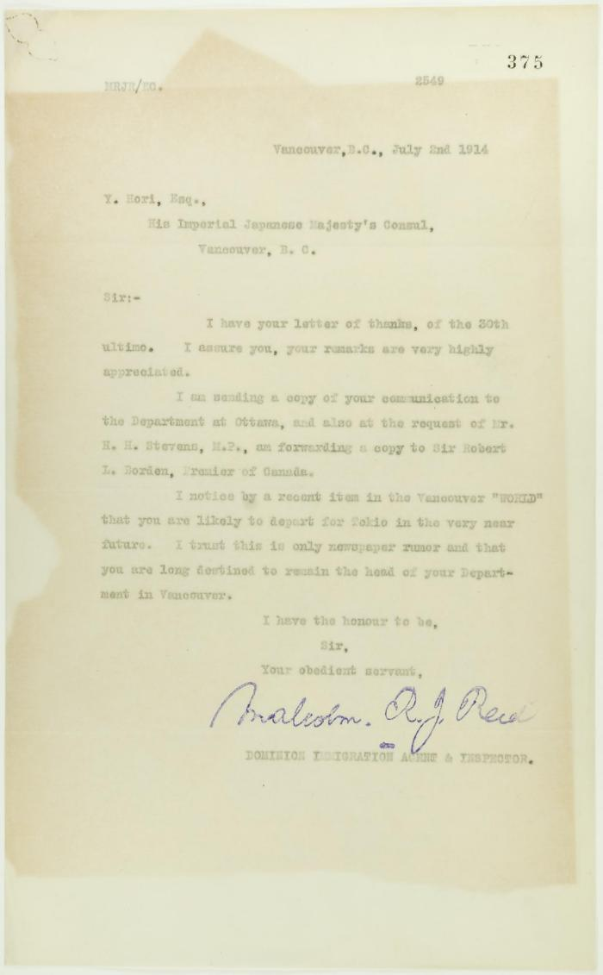
 | Copy of letter from Reid to Y. Hori, acknowledging words of appreciation (2021_07_10726) | Page 375
 | Copy of telegram from Martin Burrell to Stevens (2021_07_10760) | Page 541
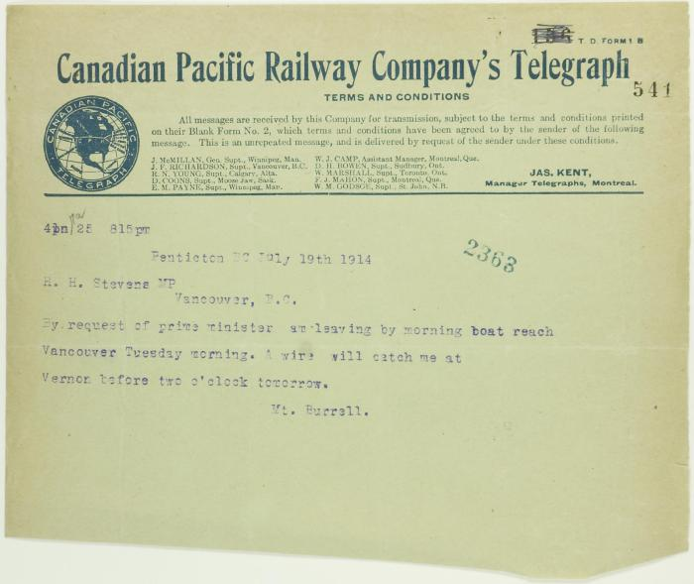 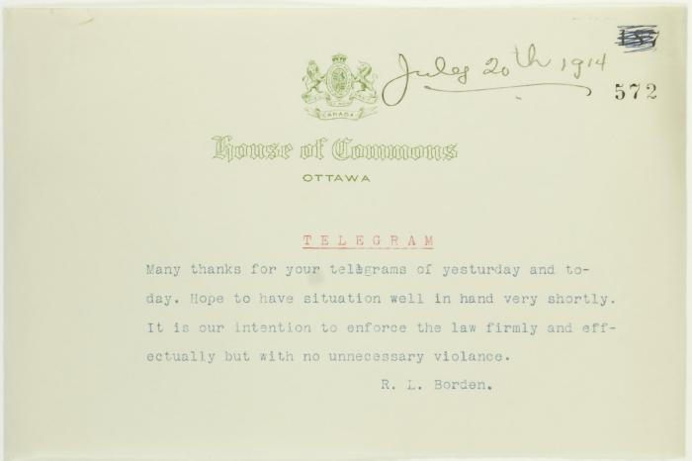 | Copy of telegram from R. L. Borden, acknowledging receipt of telegrams from Stevens (2021_07_10759) | Page 572
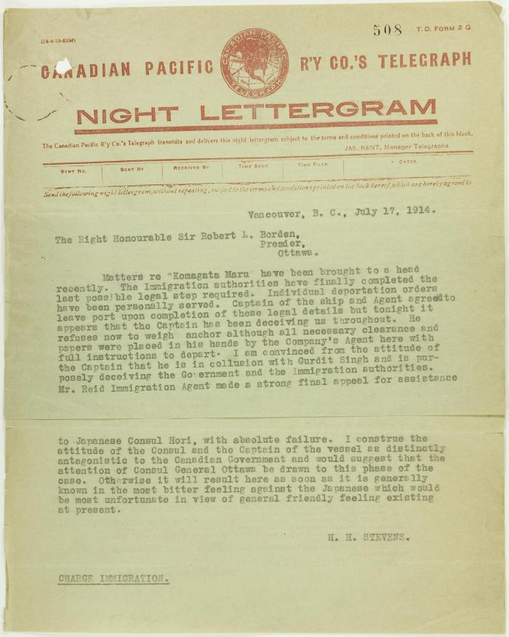
 | Copy of telegram from Stevens to R. L. Borden re departure of ship and antagonism of the Japanese consul (2021_07_10742) | Page 508
 | Copy of telegram from Stevens to R. L. Borden re final arrangements for Maru. Page 1-3 (2021_07_1682) | Page 591-593
 | Copy of telegram from Stevens to R. L. Borden re skirmishes (2021_07_1043) | Page 543-544
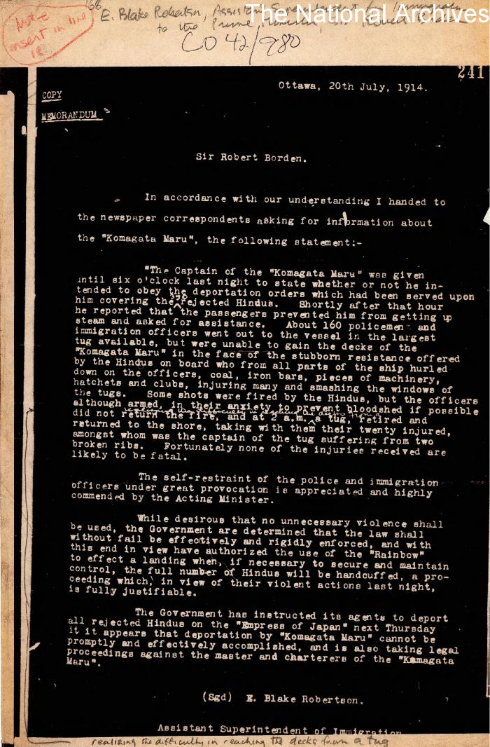
 | [E. Blake Robertson, Assistant Superintendent of Immigration, to Sir Robert Borden, Prime Minister, re Komagata Maru] (2021_07_10339) | The National Archives, United Kingdom. CO 42/980
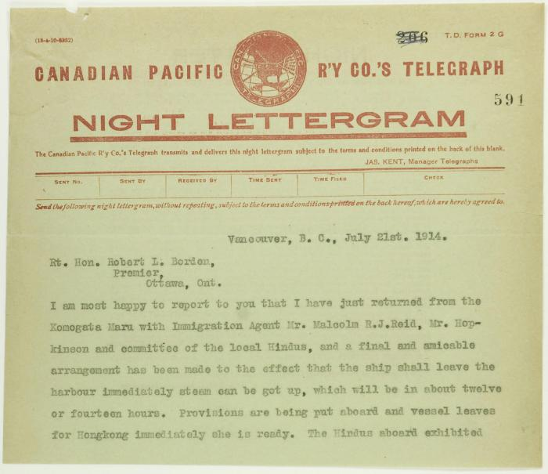 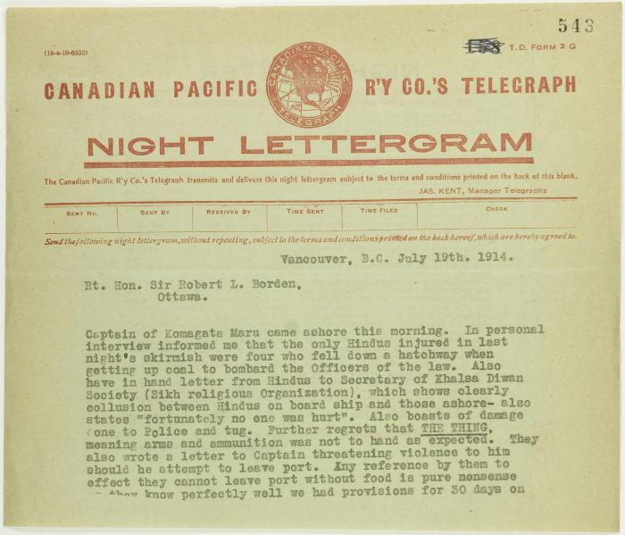 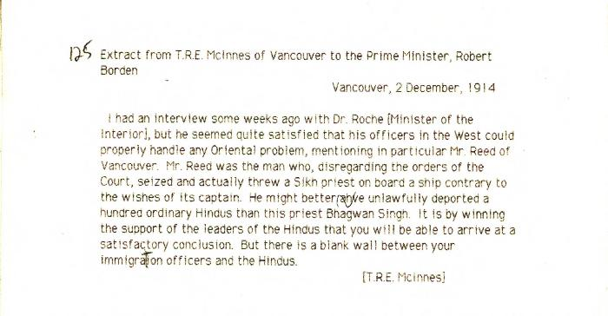 | [Extract from Thomas R. E. McInnes, Vancouver, to Robert Borden, Prime Minister, re need for Immigration Department to work with Hindu leaders] (2021_07_10350) | Library and Archives Canada. Borden Papers
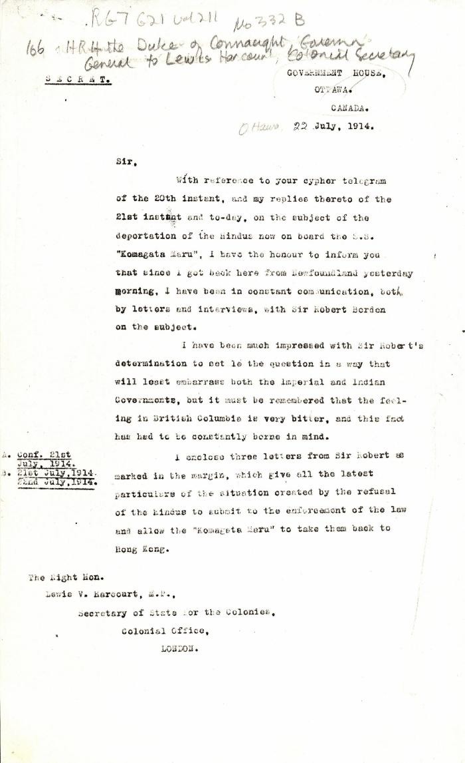
 | [Governor General, H. R. H. Prince Arthur, Duke of Connaught, to Lewis Harcourt, Secretary of State for the Colonies] (2021_07_4737) | Library and Archives Canada. RG7-G-21, File 332 B
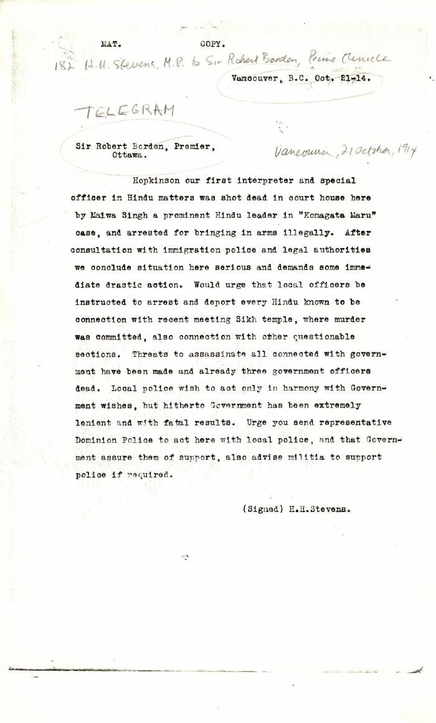
 | [H. H. Stevens, MP, Vancouver, to Robert Borden, Prime Minister, re murder of W. C. Hopkinson. Copy] (2021_07_10344) | Library and Archives Canada. RG76, Vol. 388, File 536999, pt. 1
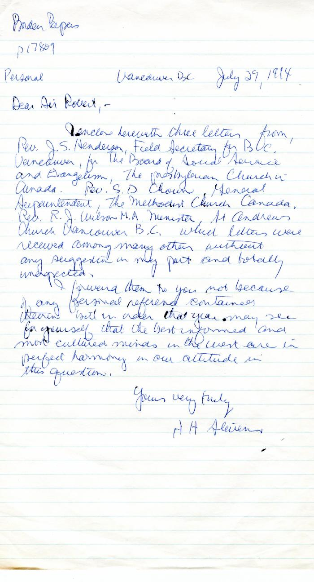
 | [H. H. Stevens, MP, Vancouver, to Robert Borden, Prime Minister] (2021_07_10383) | Library and Archives Canada. Borden Papers, 17809
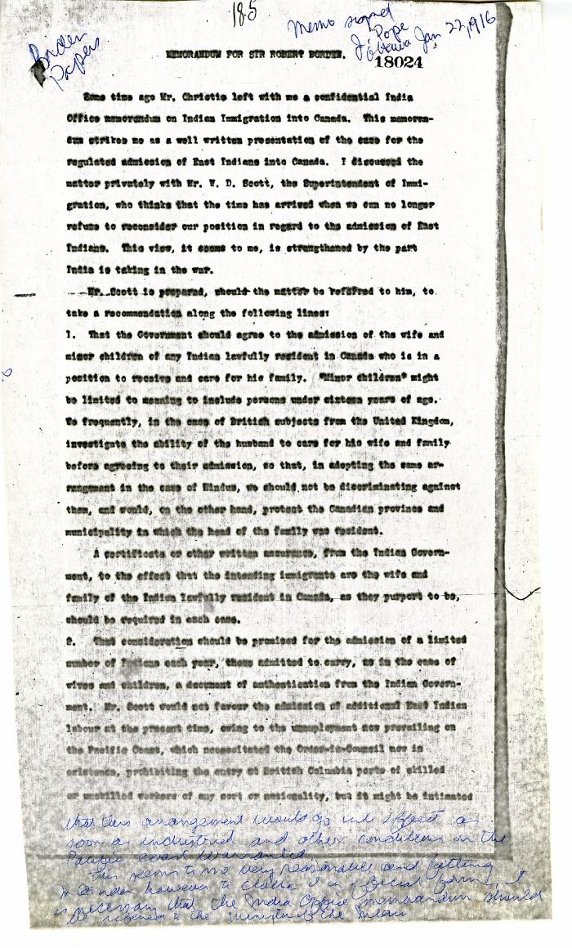
 | [Joseph Pope, Under-Secretary of State for External Affairs, Memorandum for Sir Robert L. Borden, Prime Minister] (2021_07_10385) | Library and Archives Canada. Borden Papers, 18024
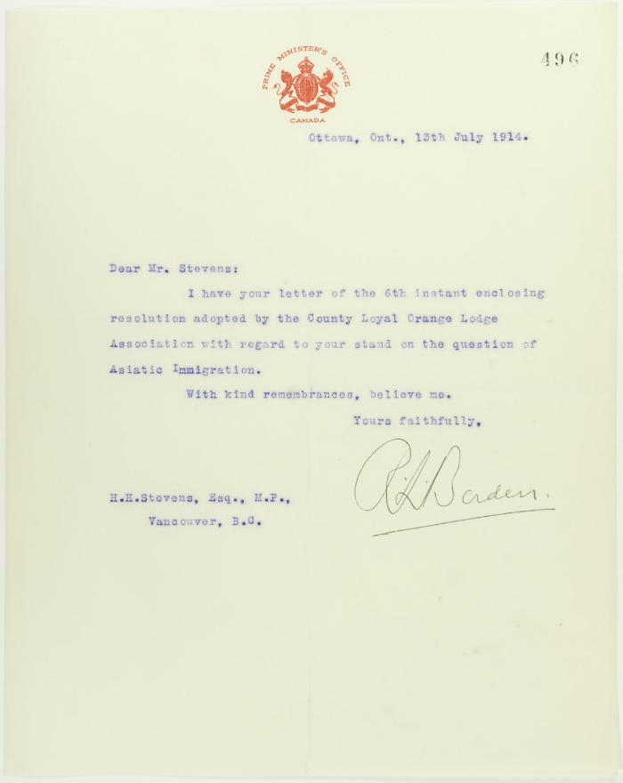
 | Letter from R. L. Borden to Stevens, acknowledging communication (2021_07_10735) | Page 496
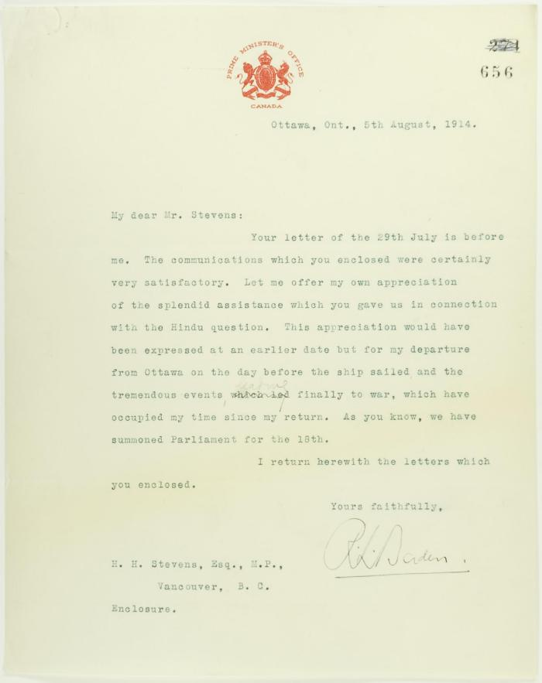
 | Letter from R. L. Borden to Stevens, in appreciation of his assistance in connection with the Hindu question (2021_07_10773) | Page 656
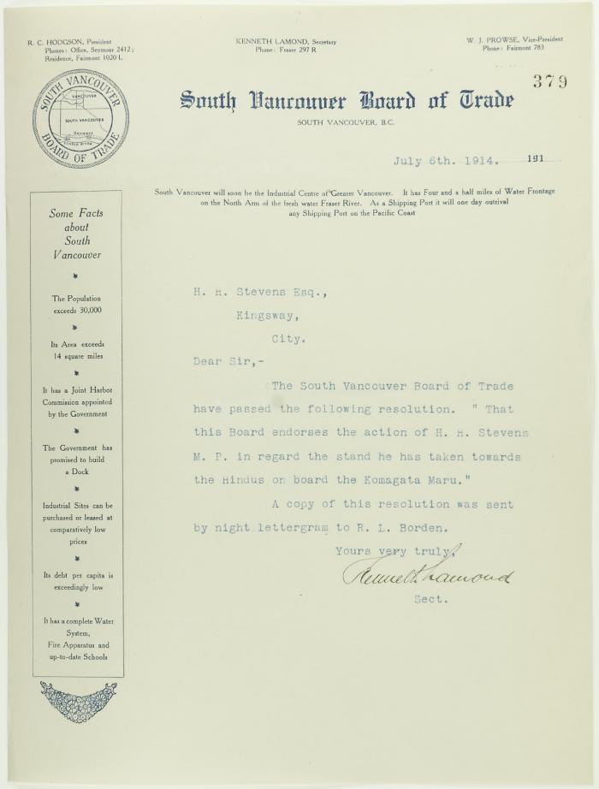
 | Letter from South Vancouver Board of Trade to Stevens re endorsement of stand towards Komagatu Maru (2021_07_10714) | Page 379
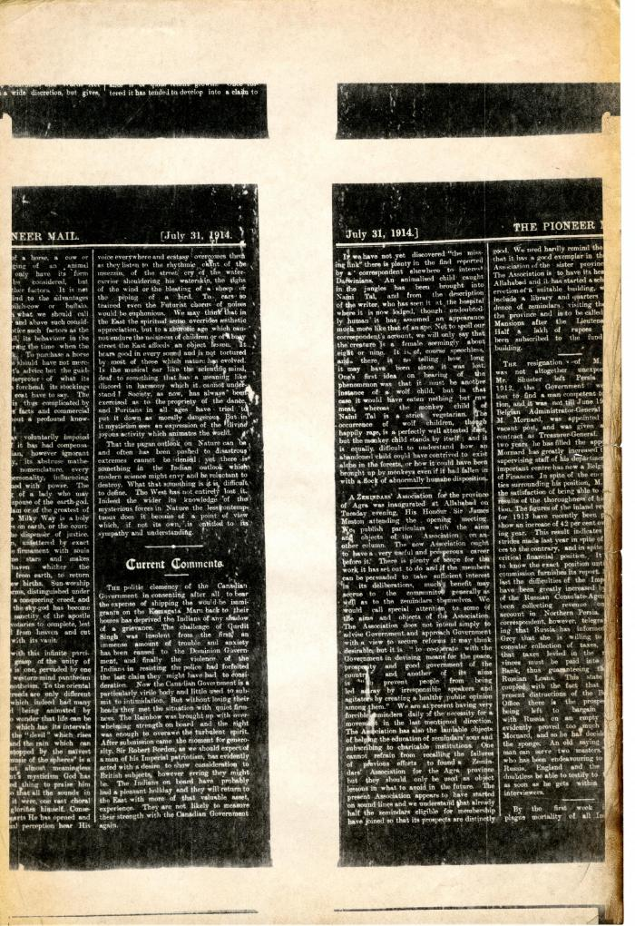
 | Newsclipping - Pioneer Mail: Current comments (2021_07_10441)
 | Newsclipping - Vancouver Daily Province: Planned to shanghai Hindus aboard Empress. Page 1 (2021_07_10493)
 | Newsclipping - Vancouver News-Advertiser: Hindus' case is before Premier. Page 1 (2021_07_10500)
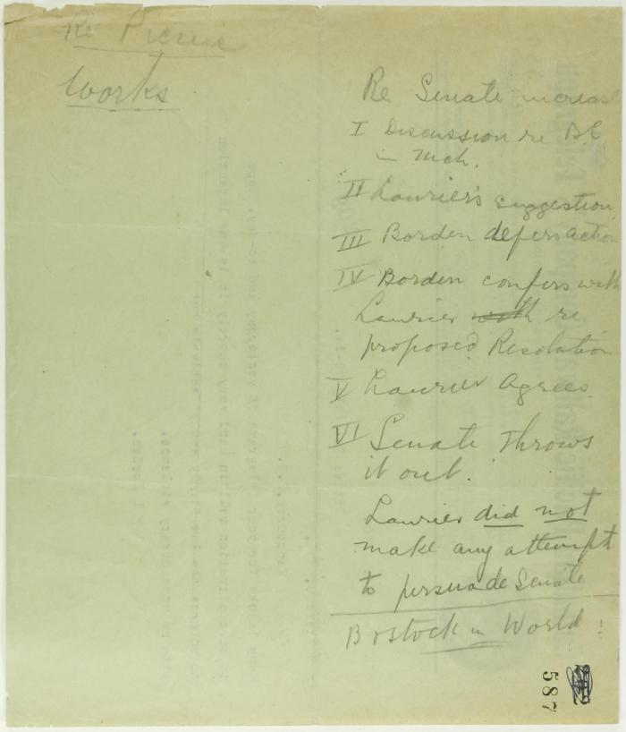
 | Pencilled notes re increase in Senate (2021_07_10762) | Page 587
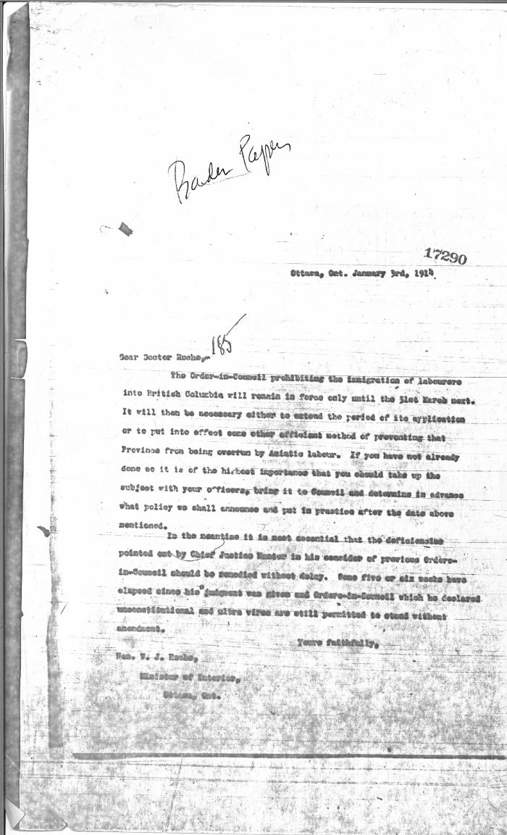
 | [Robert L. Borden, Prime Minister, to Dr. William James Roche, Minister of the Interior, re limitations on Asian immigration] (2021_07_10324) | Library and Archives Canada. Borden Papers, 17290
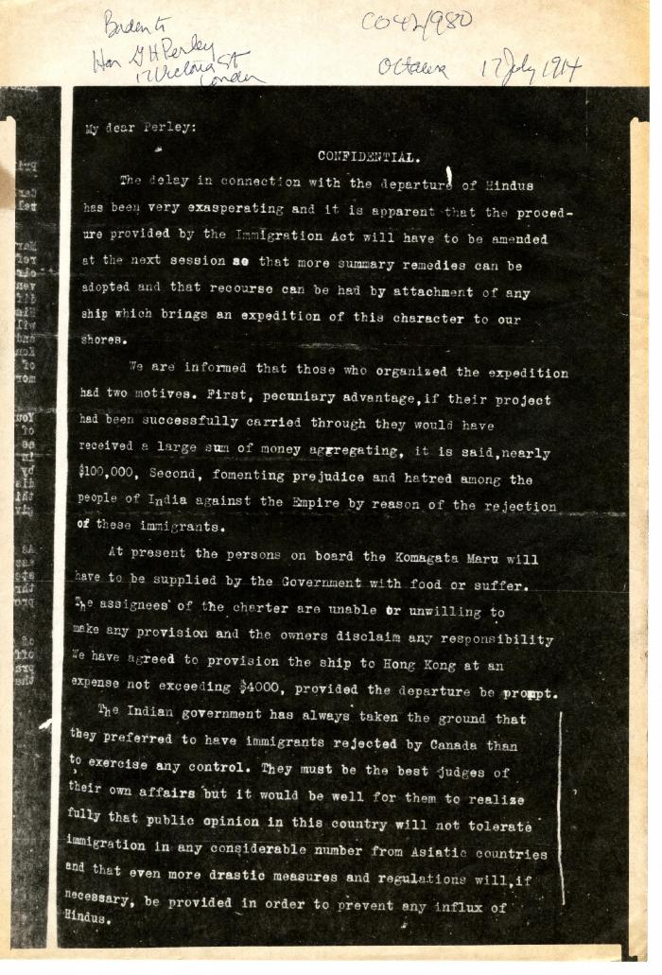
 | [Robert L. Borden, Prime Minister, to G. H. Perley, London] (2021_07_10380) | The National Archives, United Kingdom. CO 42/980
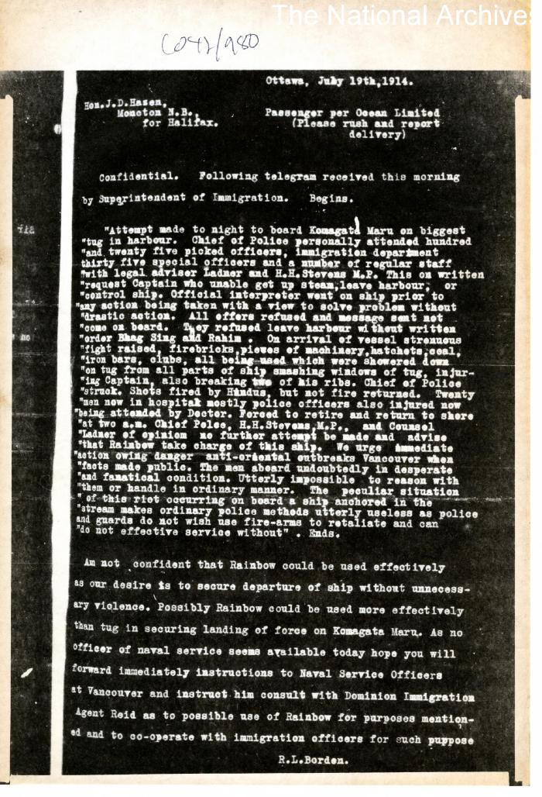
 | [Robert L. Borden, Prime Minister, to J. D. Hazen] (2021_07_10381) | The National Archives, United Kingdom. CO 42/980
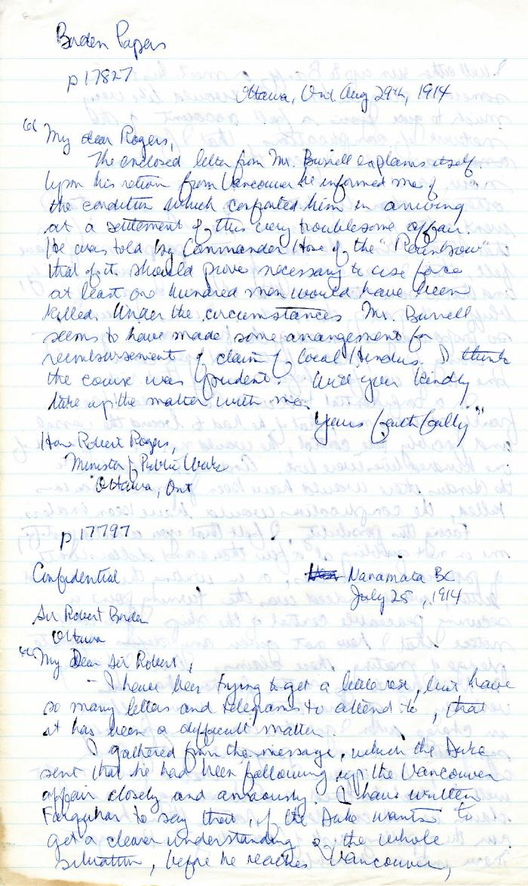
 | [Robert L. Borden, Prime Minister, to Robert Rogers, Minister of Public Works, enclosing Martin W. Burrell, Minister of Agriculture, to Borden, 25 July 1914] (2021_07_4991) | Library and Archives Canada. Borden Papers 17827 and 17797. Handwritten transcript
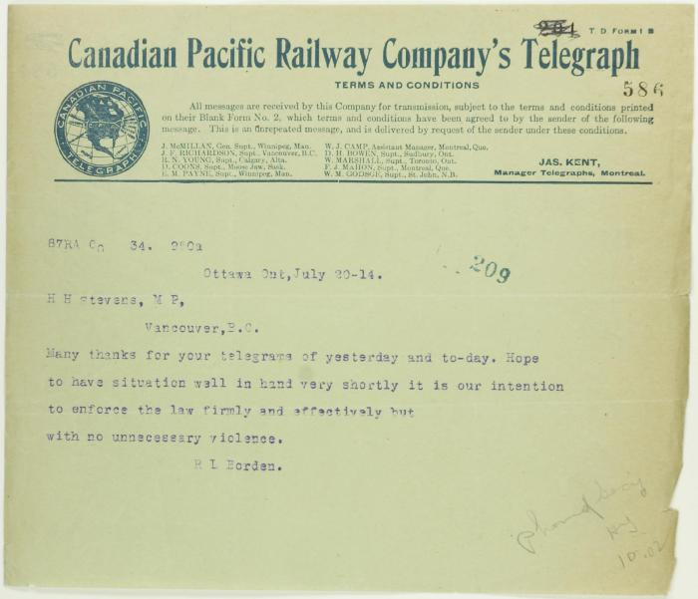
 | [Telegram from Borden to Stevens] See p. 572 (2021_07_10761) | Page 586
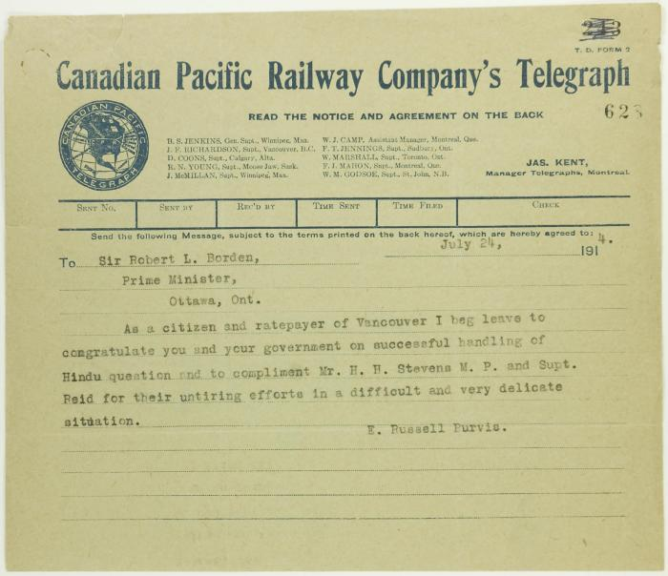
 | Telegram from E. Russell Purvis, Vancouver, to R. L. Borden commending action re Maru (2021_07_10766) | Page 628
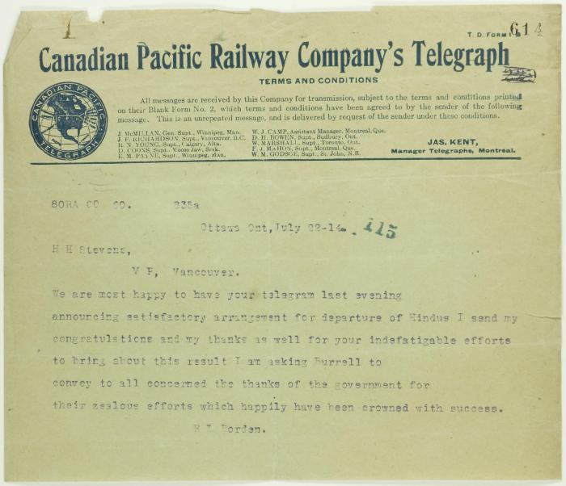
 | Telegram from R. L. Borden to Stevens re successful conclusion of Maru affair (2021_07_10764) | Page 614
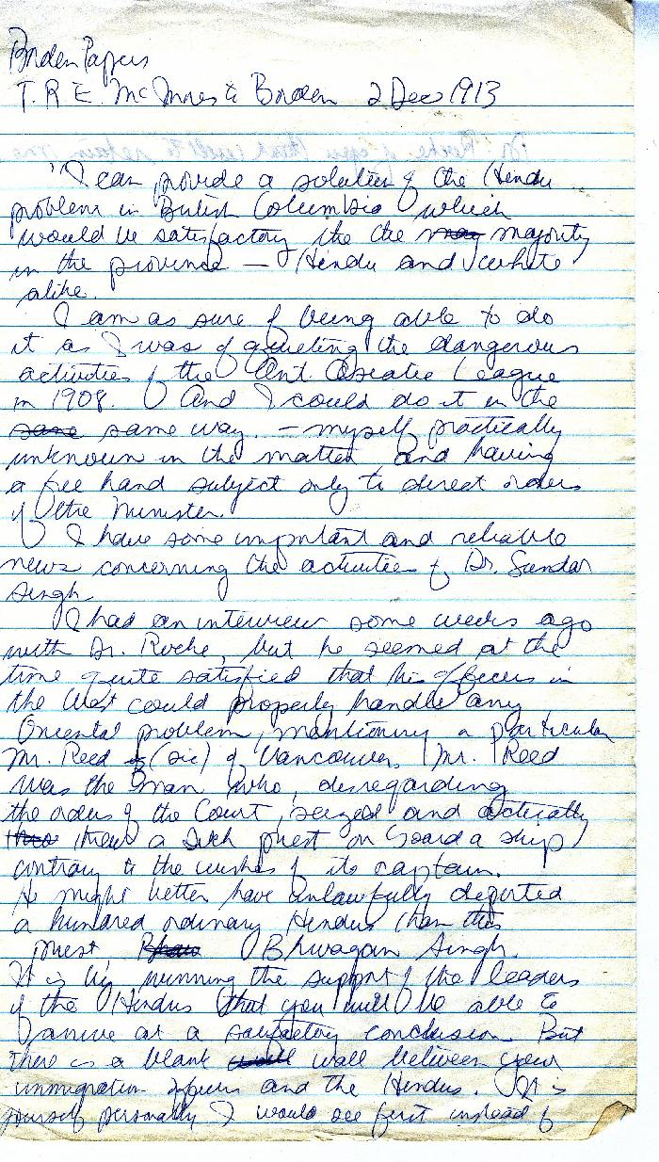
 | [Thomas R. E. McInnes to Robert L. Borden, Prime Minister] (2021_07_10377) | Library and Archives Canada. Borden Papers 17197
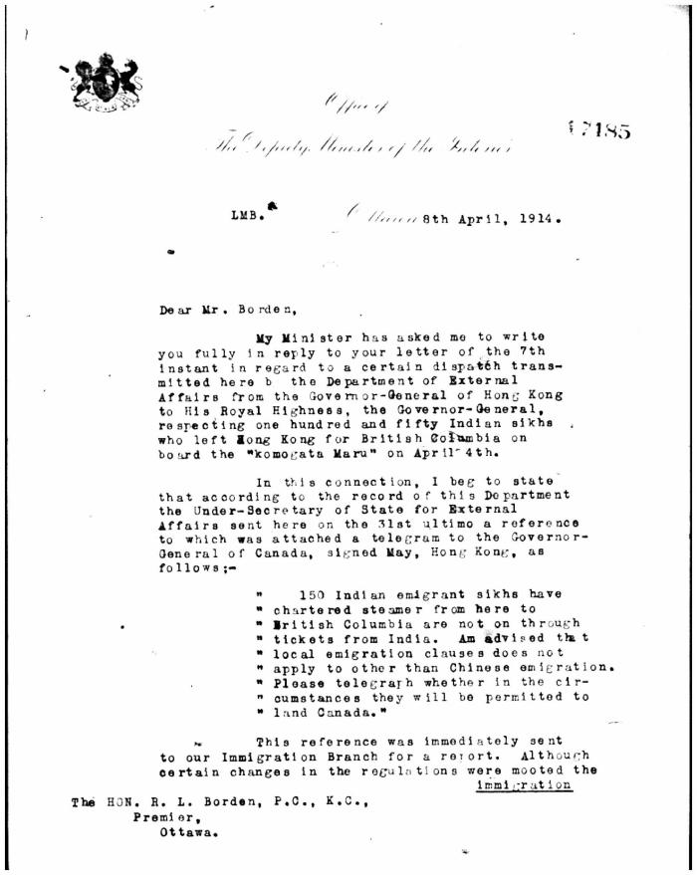
 | [W. W. Cory to Borden] (2021_07_5387) | Library and Archives Canada. Borden Papers, 17485-17487

