Results
Image | Object | Description | Date
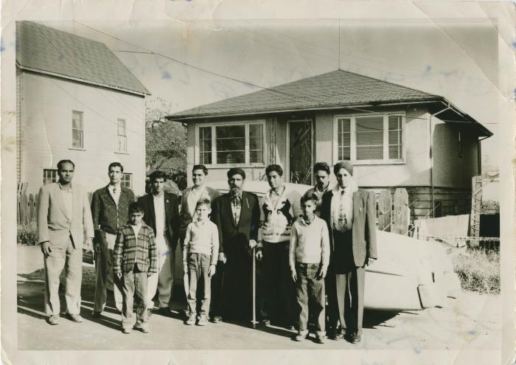 | Lashkar, Donie, Bicker, Deep, Roger DuBois, Terry, Jarnail Sidhu, Santa Singh (2021_04_04_001) | Image of a group of men and boys standing in the street in a residential area. From left to right: Lashkar Singh, Donie Singh, Bicker, Deep Singh, [unidentified], Roger DuBois, Santa Singh, Jarnail Singh, Terry, [unidentified], [unidentified].

