Results


Image | Object | Description | Date
 | [Correspondence re recent incidents (see pp. 381-385)] Page 1-3 (2021_07_320) | Page 386-406
 | Copy of letter from Reid to W. D. Scott re final arrangements for ship's departure. Page 1-2 (2021_07_1016) | Page 530-531

 | Copy of address to the Secretary of the Sikh Temple, Vancouver, unsigned. Page 1-6 (2021_07_1216) | Page 550-555
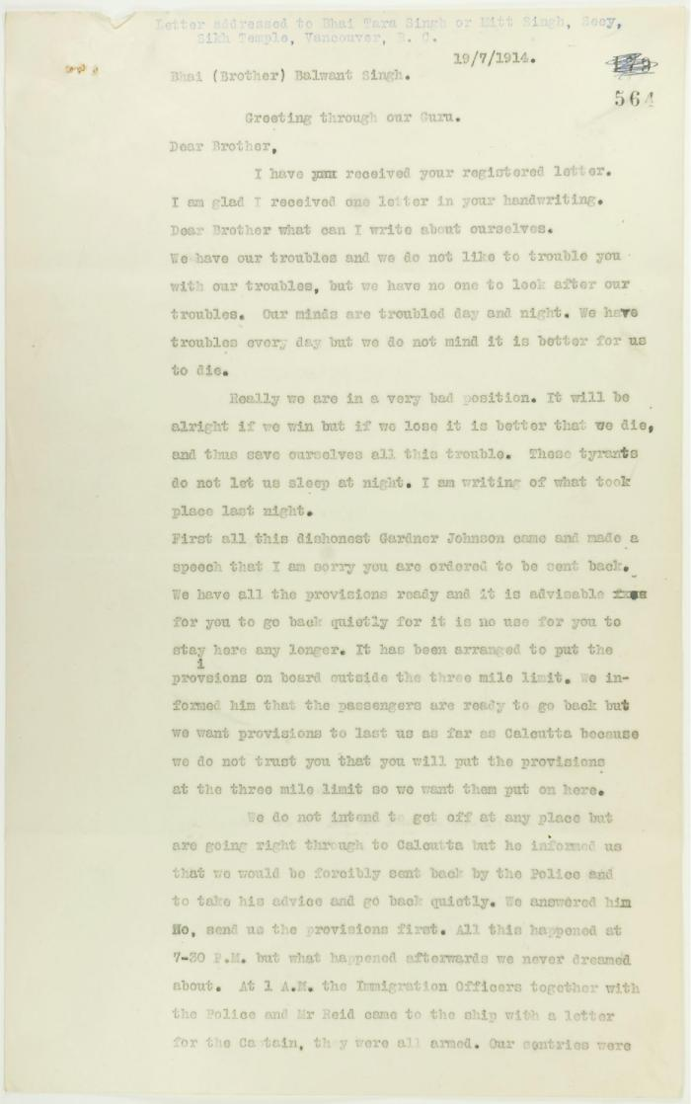
 | Copy of letter, unsigned, to Balwant Singh, Secretary, Sikh Temple, describing conditions on board the Maru. Page 1-6 (2021_07_1366) | Page 564-569

 | Copy of letter from Reid to W. D. Scott re wires received and sent regarding final arrangements. Page 1-8 (2021_07_1540) | Page 573-580
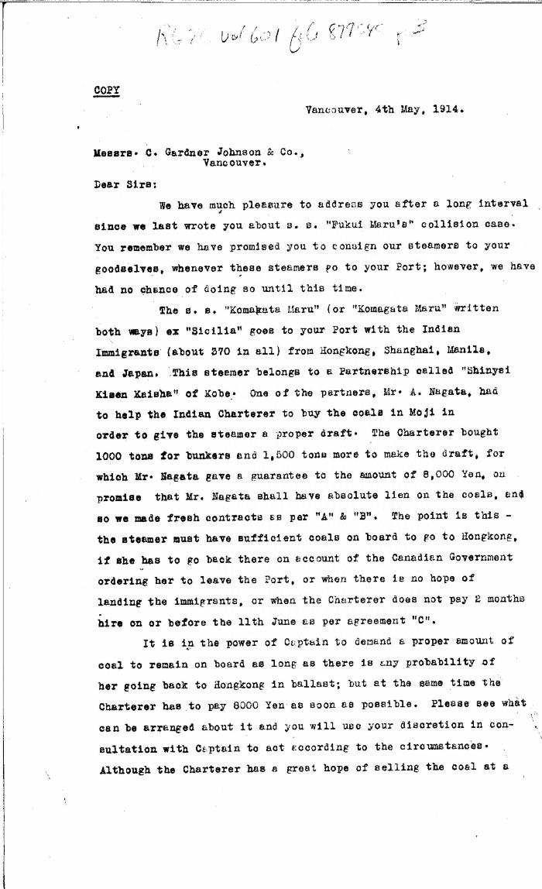
 | [Y. Sato & Co. to Charles Gardner Johnson & Co., Shipping Agent, Vancouver. Copy] (2021_07_4591) | Library and Archives Canada. RG76, Vol. 601, File 879545, pt. 3
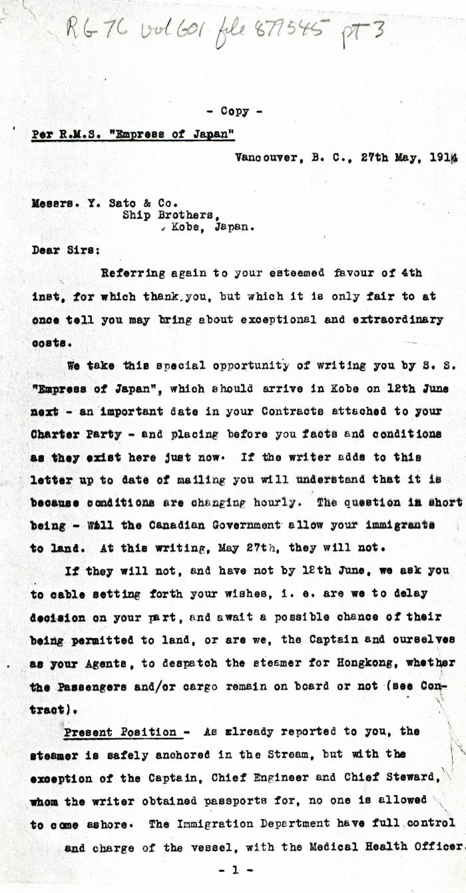
 | [Charles Gardner Johnson, Shipping Agent, Vancouver, to Y. Sato & Co., Kobe, Japan. Copy] (2021_07_4607) | Library and Archives Canada. RG76, Vol. 601, File 877545, pt. 3

 | [Malcolm R. J. Reid, Dominion Immigration Agent, to William D. Scott, Superintendent of Immigration. Original] (2021_07_4714) | Library and Archives Canada. RG76, Vol. 601, File 879545, pt. 4
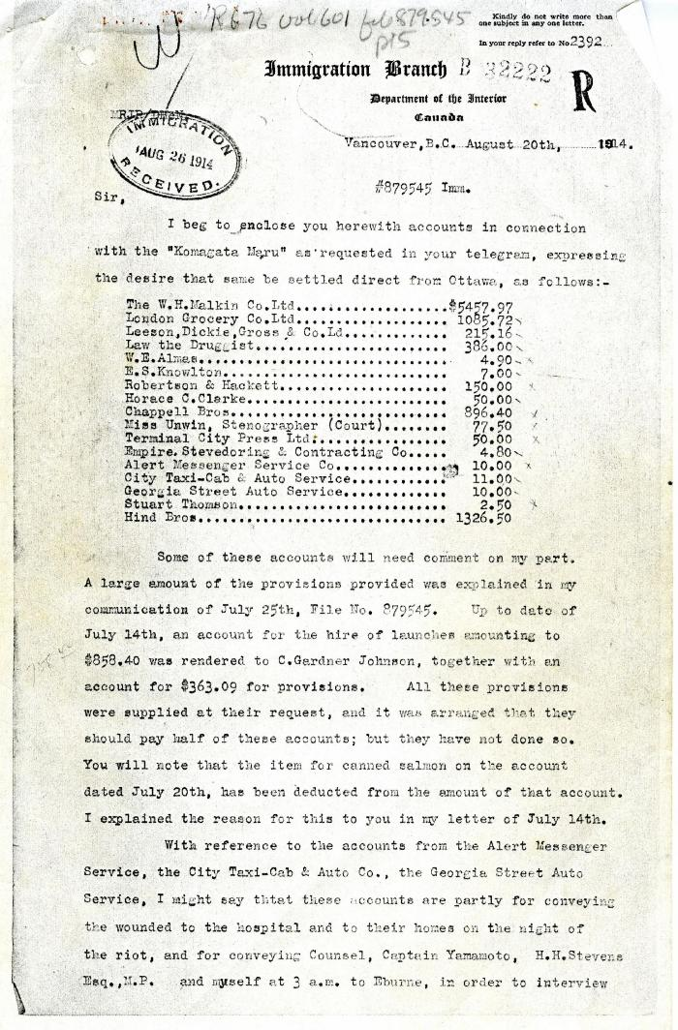
 | [Malcolm R. J. Reid, Dominion Immigration Agent and Inspector, to William D. Scott, Superintendent of Immigration] (2021_07_4987) | Library and Archives Canada. RG76, Vol. 601, File 879545, pt. 5
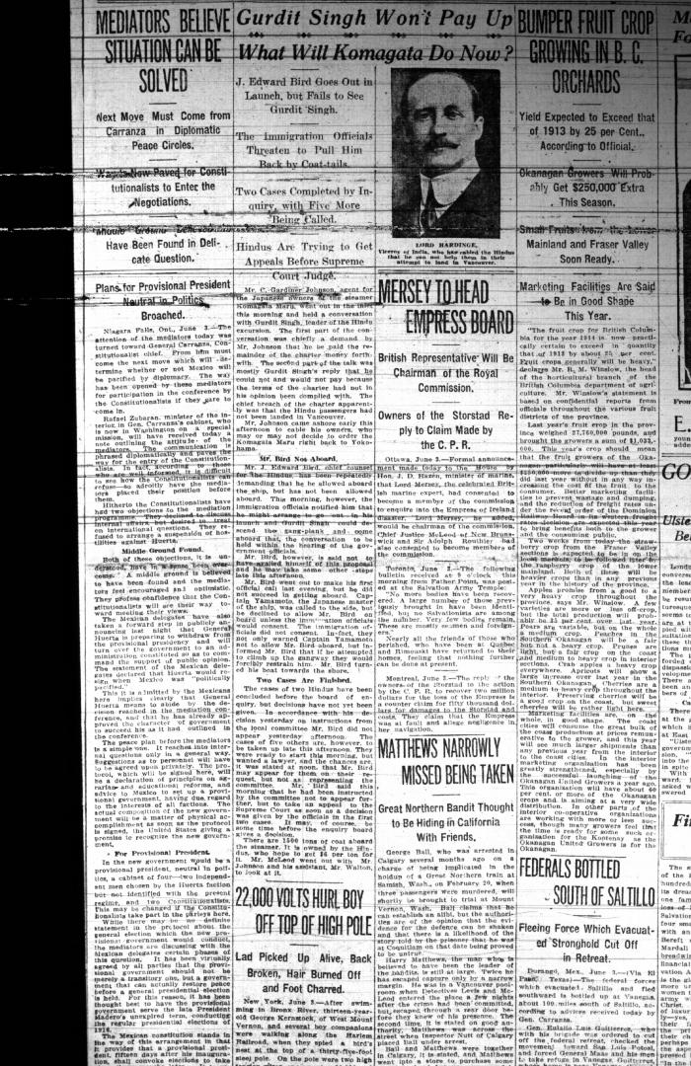
 | Newsclipping - Vancouver Daily Province: Gurdit Singh won't pay up: what will Komagata do now? Page 1 (2021_07_10479)
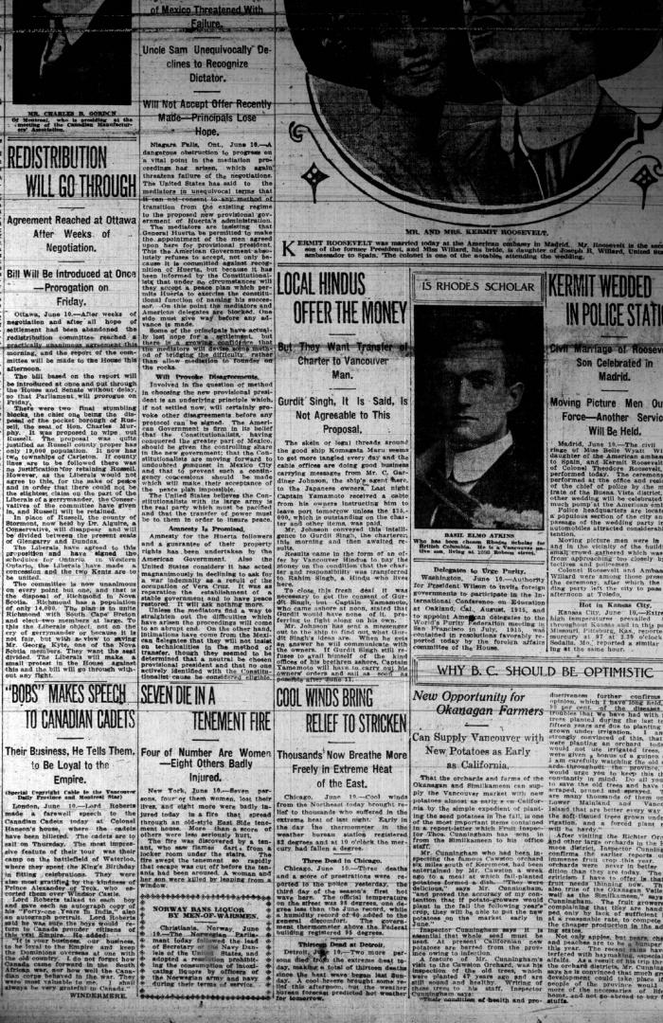
 | Newsclipping - Vancouver Daily Province: Local Hindus offer the money. Page 1 (2021_07_10483)
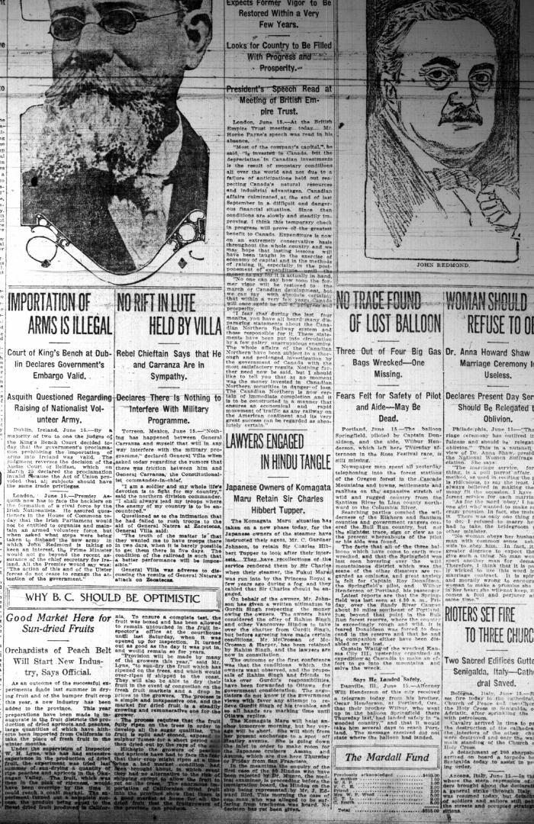
 | Newsclipping - Vancouver Daily Province: Lawyers engaged in Hindu tangle. Page 1 (2021_07_10484)
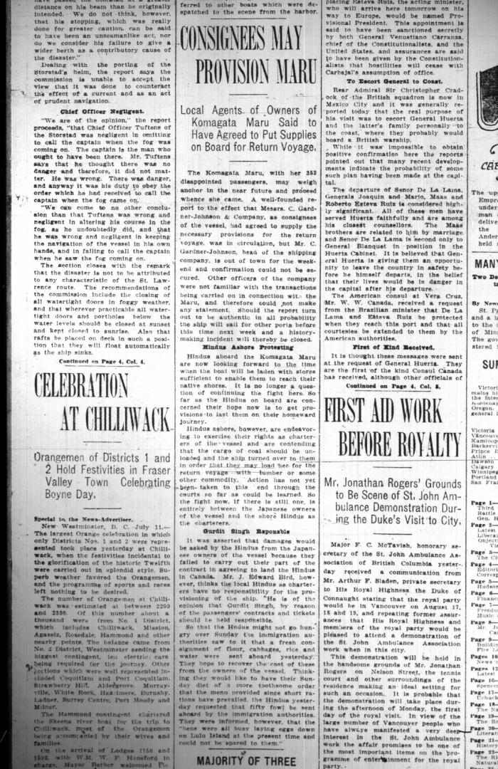
 | Newsclipping - Vancouver News-Advertiser: Consignees may provision Maru. Page 1 (2021_07_10501)
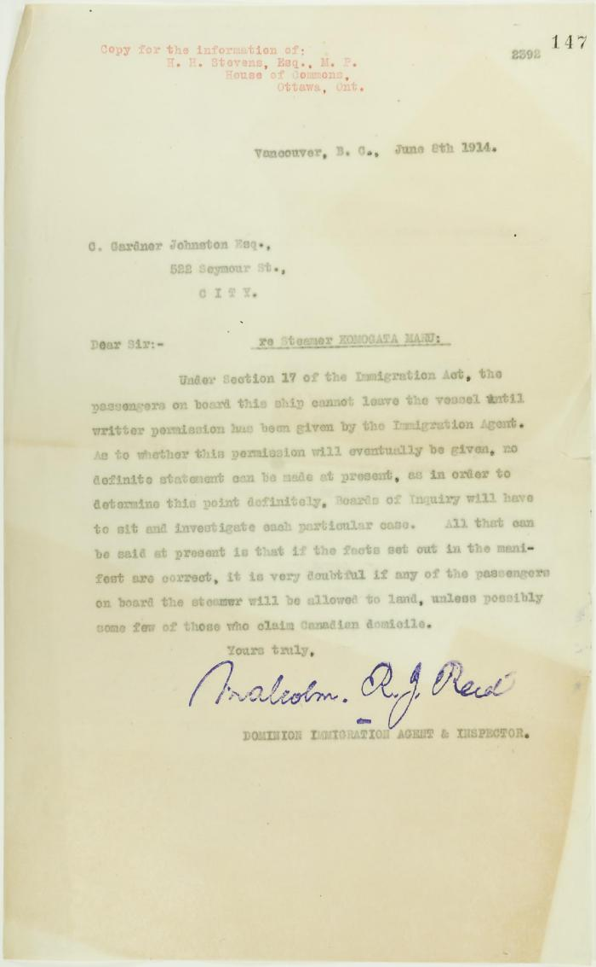
 | Copy of letter from Malcolm Reid to C. Gardner Johnston re possibility of Hindus being permitted to land (2021_07_10674) | Page 147

 | Copy of letter from Reid to W. D. Scott re transfer of charter from Gurdit Singh to two local Hindus (2021_07_10689) | Page 171
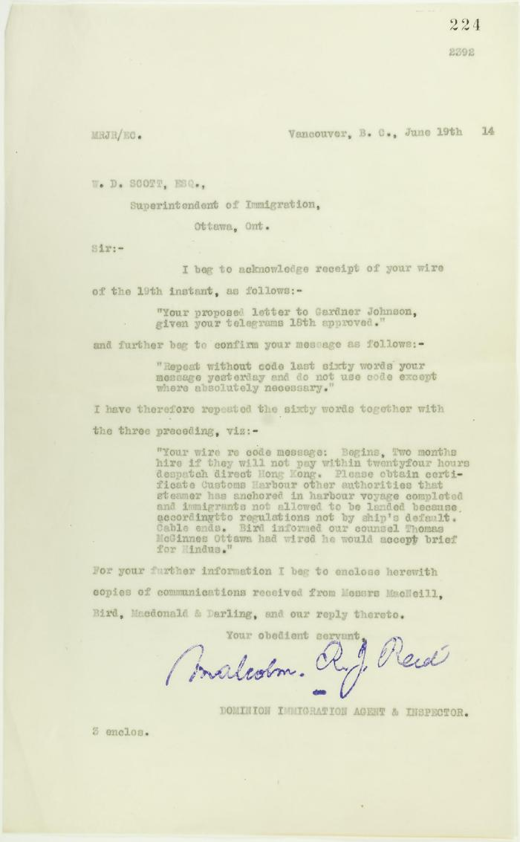
 | Copy of letter from Reid to W. D. Scott re wires sent (2021_07_10694) | Page 224

 | Copy of letter from Reid to W. D. Scott re work of Boards of Enquiry and re responsibility to provision the ship (2021_07_10695) | Page 166

 | Copy of letter from Reid to Daljit Singh re supply of fresh water and re telegram (see p. 358) (2021_07_10704) | Page 359
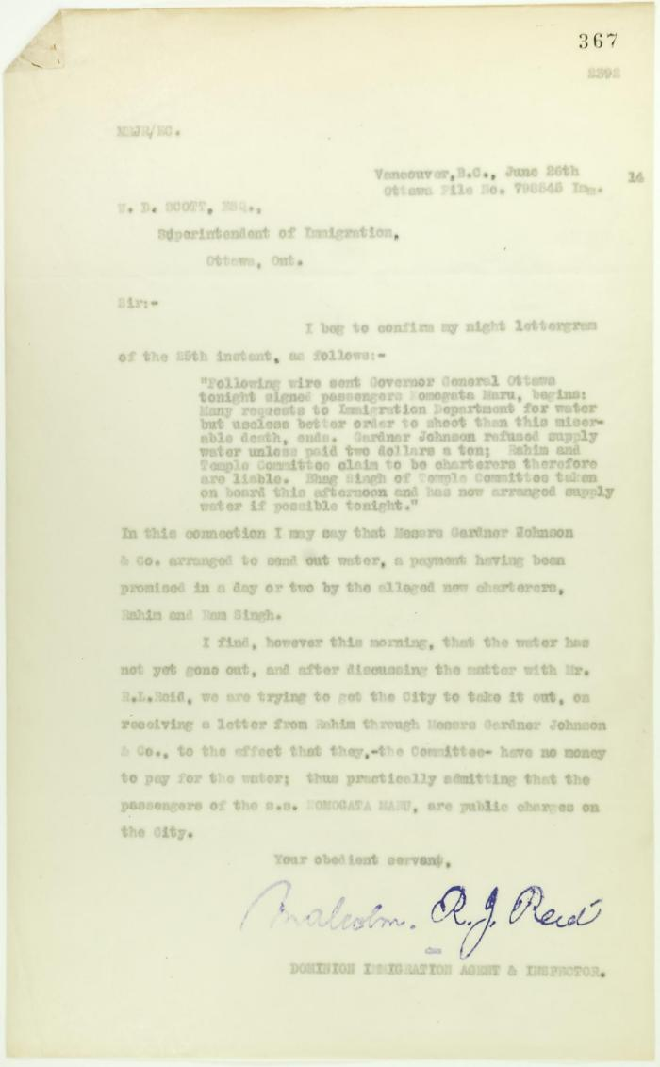
 | Copy of letter from Reid to W. D. Scott re provision of water (2021_07_10709) | Page 367
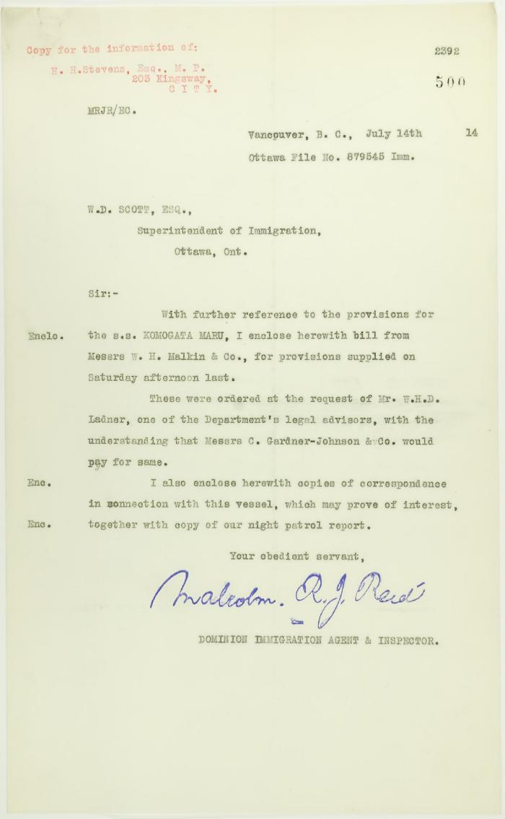
 | Copy of letter from Reid to W. D. Scott re provisions (2021_07_10736) | Page 500
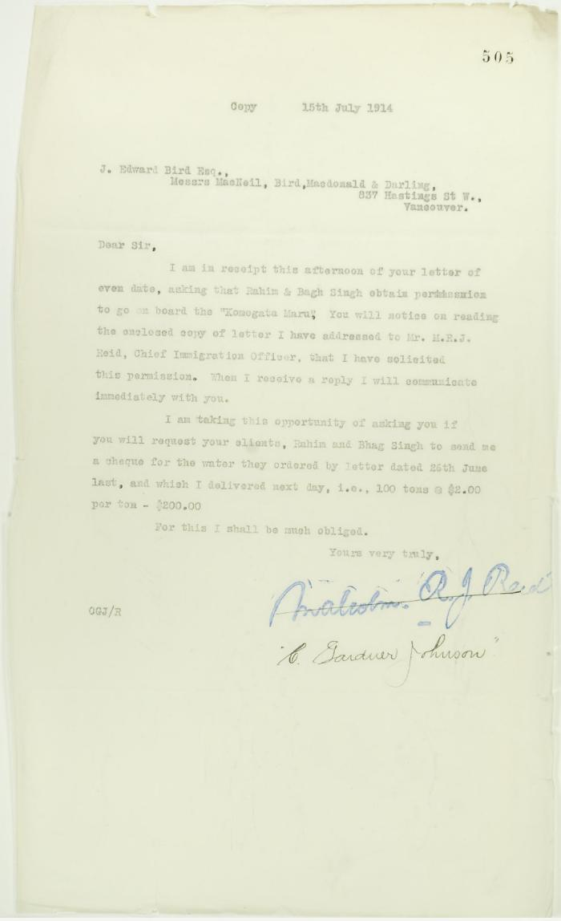
 | Copy of letter from C. Gardner Johnson to J. E. Bird re provisioning (2021_07_10739) | Page 505
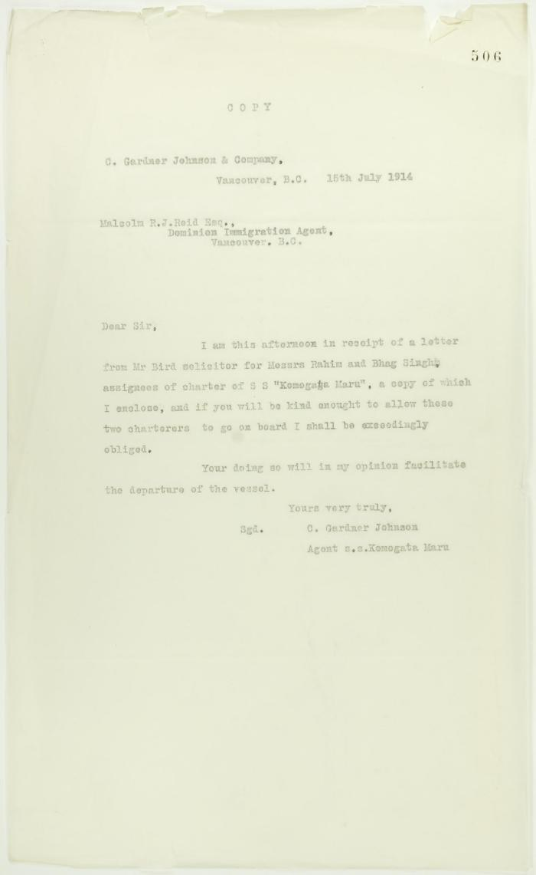
 | Copy of letter from C. Gardner Johnson to Reid (see p. 505) (2021_07_10740) | Page 506

 | Copy of letter from J. E. Bird to C. Gardner Johnson re preparation for departure of ship (2021_07_10741) | Page 507
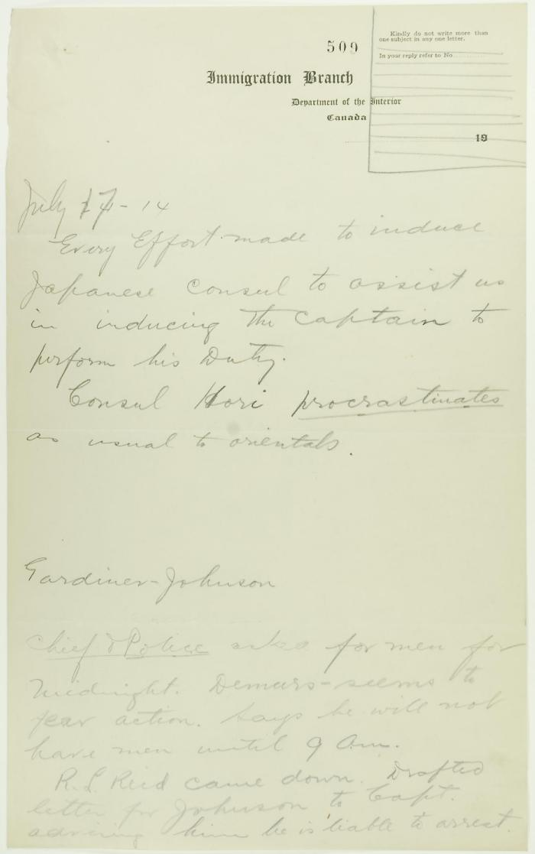
 | Draft of notes re Y. A. Hori and police on standby (2021_07_10743) | Page 509
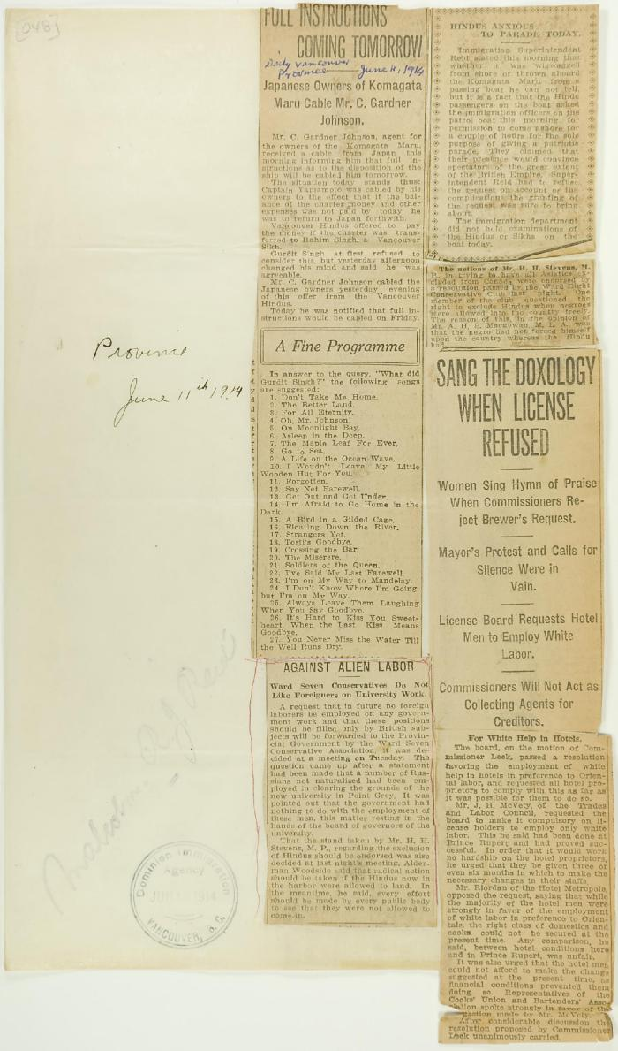
 | Newsclippings - Vancouver Daily Province: Full instructions coming tomorrow; Against alien labor; Sang the doxology when license refused (2021_07_10784)
 | Newsclipping - Two attempts to get the five marooned Hindus back on the Komagata Maru (2021_07_10795)

 | The Voyage of the Komagata Maru: The Sikh Challenge to Canada's Colour Bar (2021_07_10930) | Hugh Johnston provided the first thoroughly researched study of the Komagata Maru event, basing his analysis on official accounts from both Canadian and Indian sources, as well as on the reminiscences of the only passenger still alive at the time the book was written. This book is still the landmark text on the Komagata Maru and diligently outlines the life for Indians at the turn of the 20th century, the reasons for chartering the Komagata Maru, revolutionary movements in North America, the riot at Budge Budge and the lives of many of the key players after the events of the Komagata Maru.

