Results
Image | Object | Description | Date
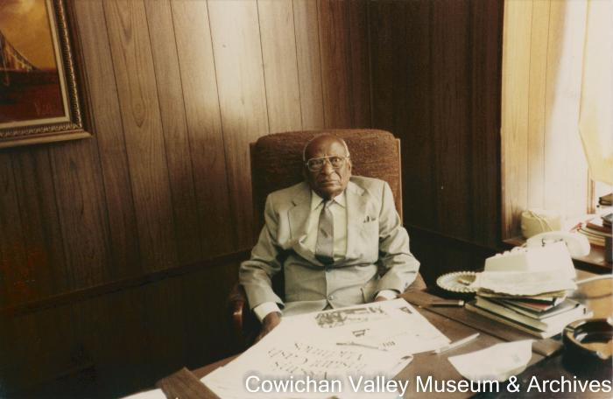 | Dr. Pandia (2020_06_11_074) | Image of Dr. Pandia working at a desk.
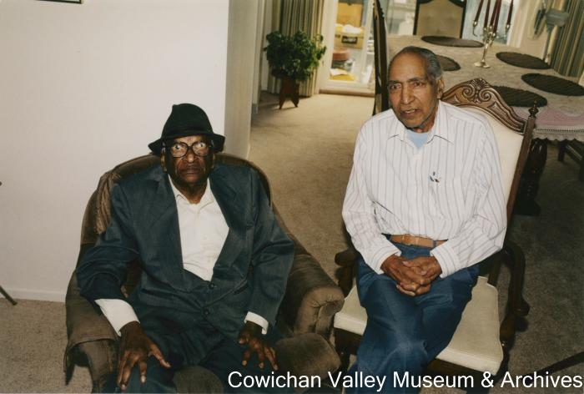 | Dr. Pandia and Karm Singh (2020_06_11_075) | Image of Dr. Pandia and Karm Singh posing for a photo while sitting.
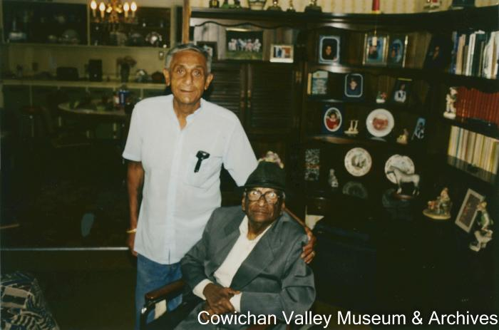 | Rajindi Mayo with Dr. Pandia (2020_06_11_076) | Image of Dr. Pandia and Rajindi Mayo posing for a photo.
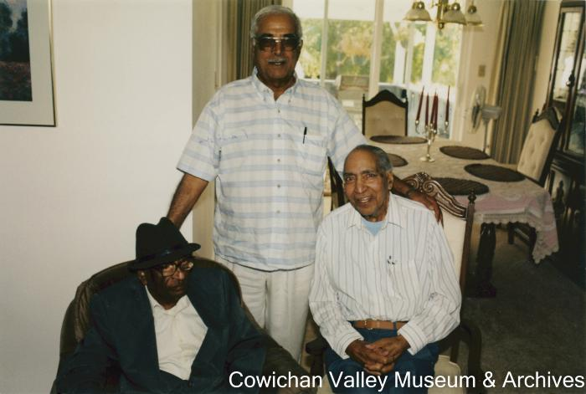 | Sobu Singh, Dr. Pandia and Karm singh [sic.] came to our home after Rajindi's from Mayo (2020_06_11_077) | Image of Dr. Pandia, Sobu Singh, and Karm Singh posing for a photograph.
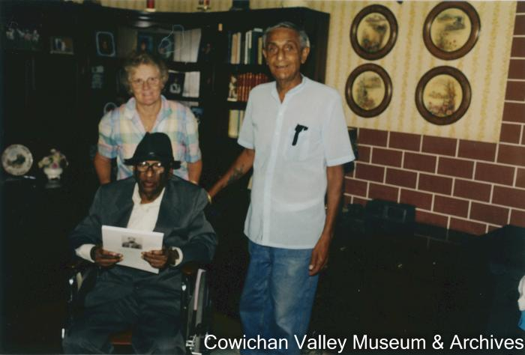 | Dr. Pandia, Rajindi and Joan Mayo (2020_06_11_078) | Image of Dr. Panida, Rajindi Mayo and Joan Mayo posing for a photograph.
 | Komagata Maru 75th Anniversary [buttons] (2021_07_1722) | Provided by Dr. Kanwal Neel.
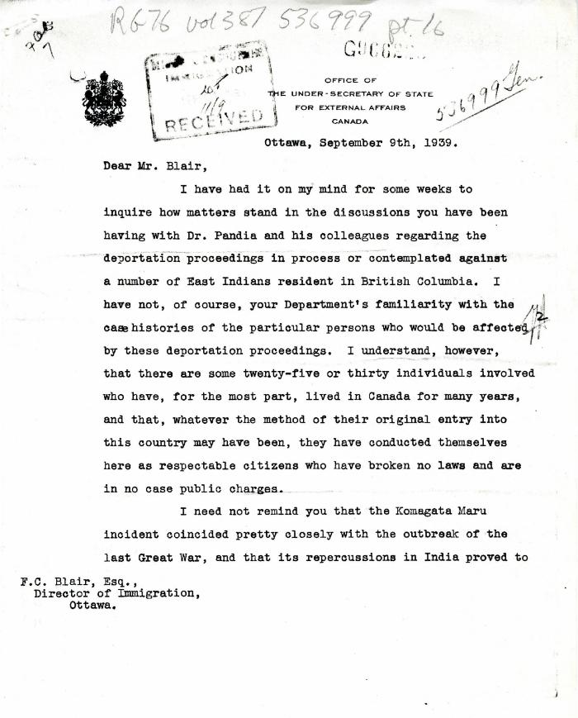
 | [O. D. Skelton, Under-Secretary of State for External Affairs, to F. C. Blair, Director of Immigration] (2021_07_5043) | Library and Archives Canada. RG76, Vol. 387, File 536999, pt. 16
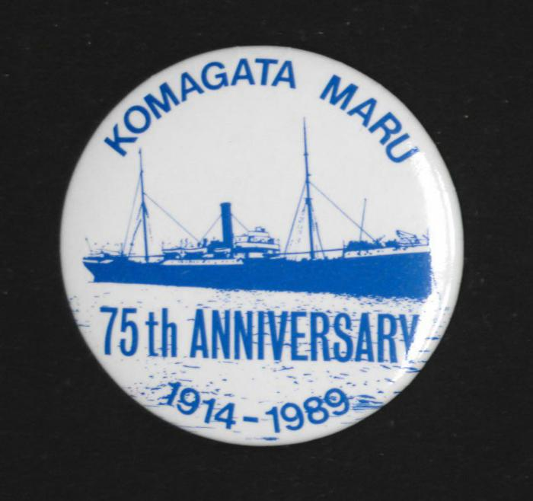 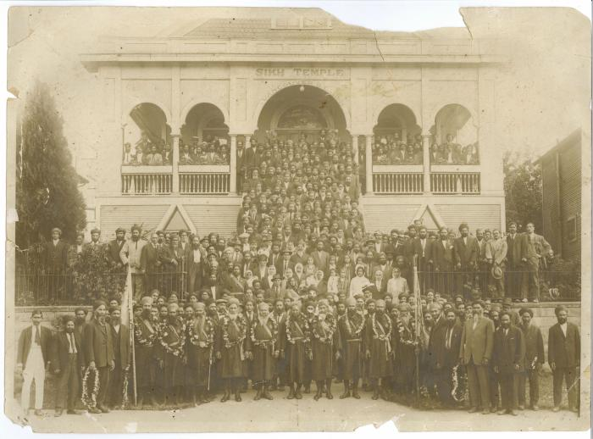 | [Group in front of 2nd Avenue Temple, Vancouver, with men in military dress] (2021_07_10277)
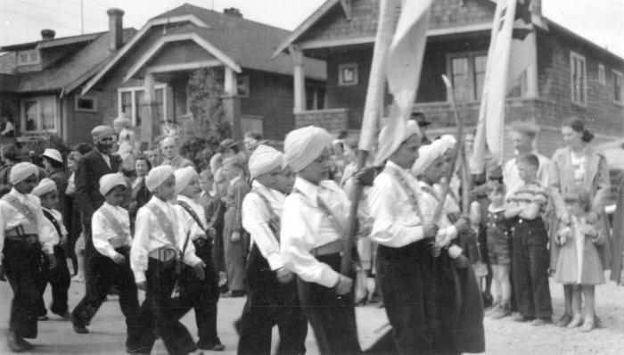 | Group of Indian Sikh children in a parade (2021_07_10545) | City of Vancouver Archives. Item number CVA 300-24
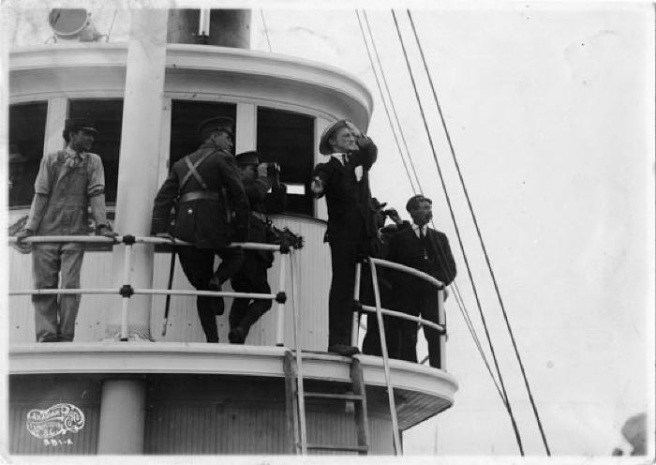 | Military on board the Sea Lion tugboat (2021_07_10552) | Man sending a semaphore. Vancouver Public Library. Accession number 125
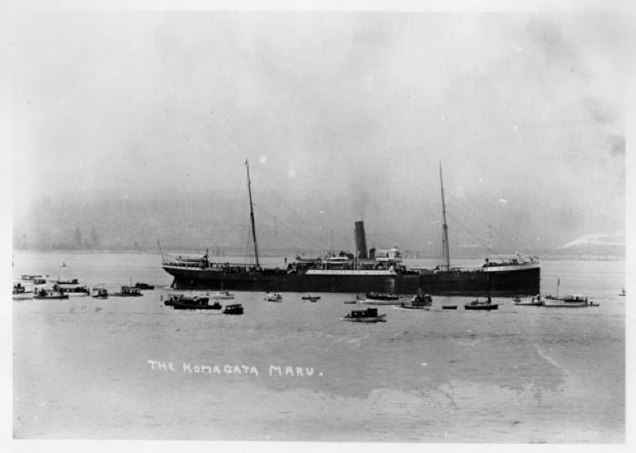 | Komagata Maru incident (2021_07_10564) | May 23 to July 23, 1914. Komagata Maru surrounded by smaller vessels. Vancouver Public Library. Accession number 6225B
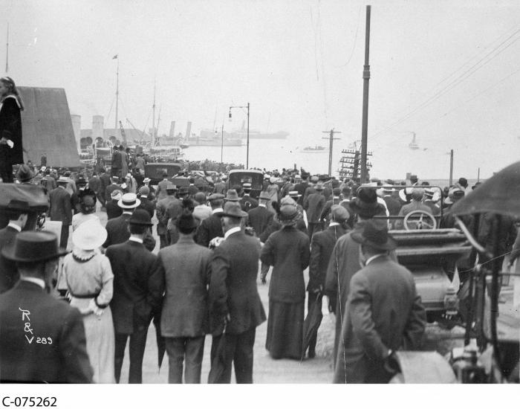 | Crowds gathered to watch Sikhs on board the "Komatagamaru"[sic], Vancouver, BC (2021_07_10589) | Library and Archives Canada. C-075262
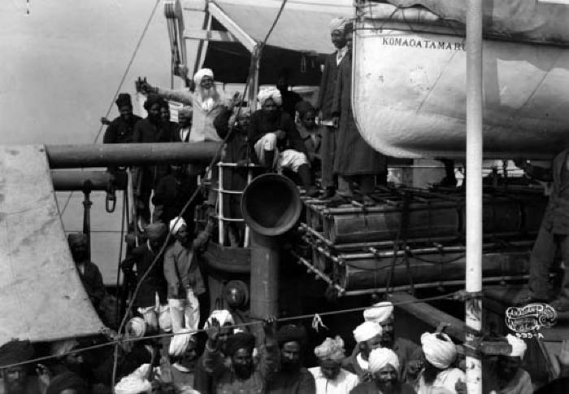 | Komagata Maru incident [Gurdit Singh on board] (2021_07_10595) | Vancouver Public Library. Accession number 136
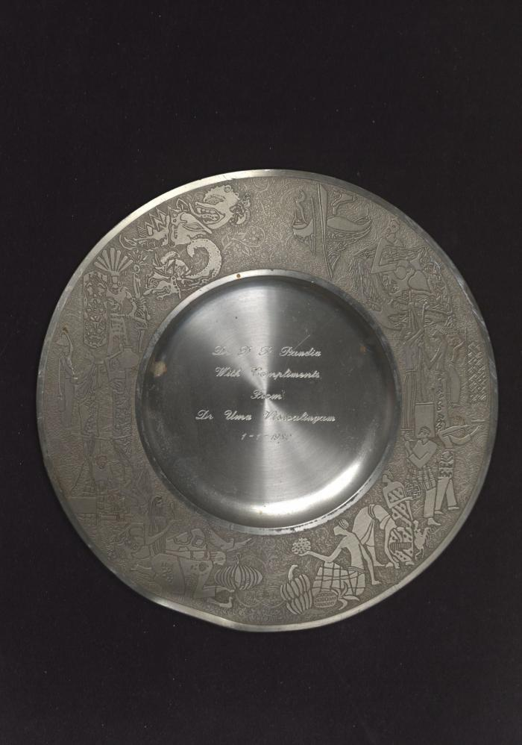
 | Dr. D. P. Pandia With Compliments From Dr. Uma Viswalingam [decorative plate] (2021_07_10607)
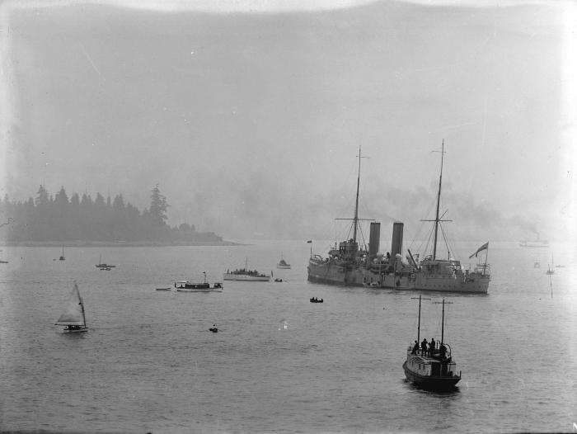 | [H.M.S. 'Rainbow' in Vancouver harbour to watch over the 'Komagata Maru'] (2021_07_10622) | City of Vancouver Archives. Item number LGN 1032
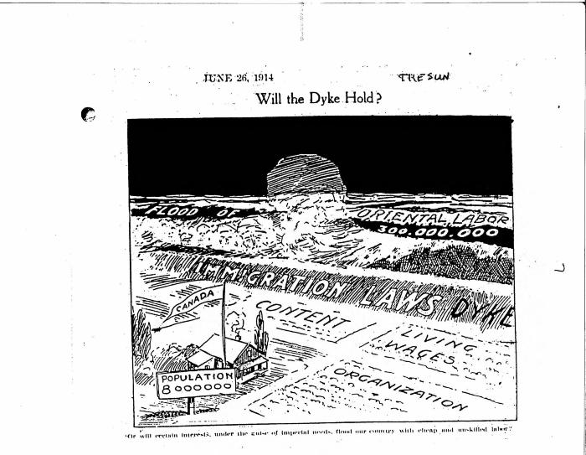 | Will the dyke hold? (2021_07_10821)
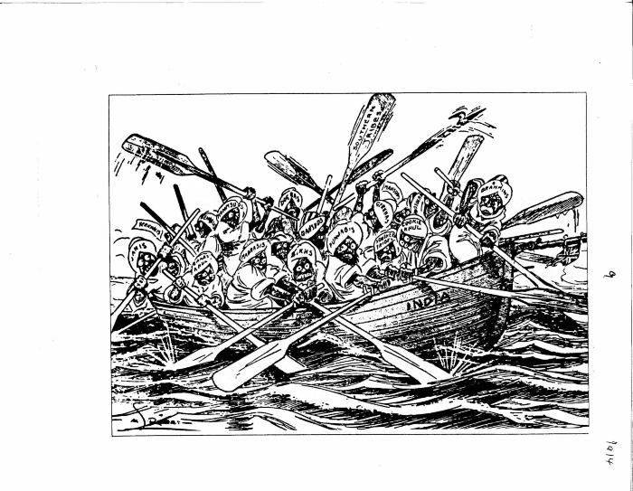 | [India] (2021_07_10823)
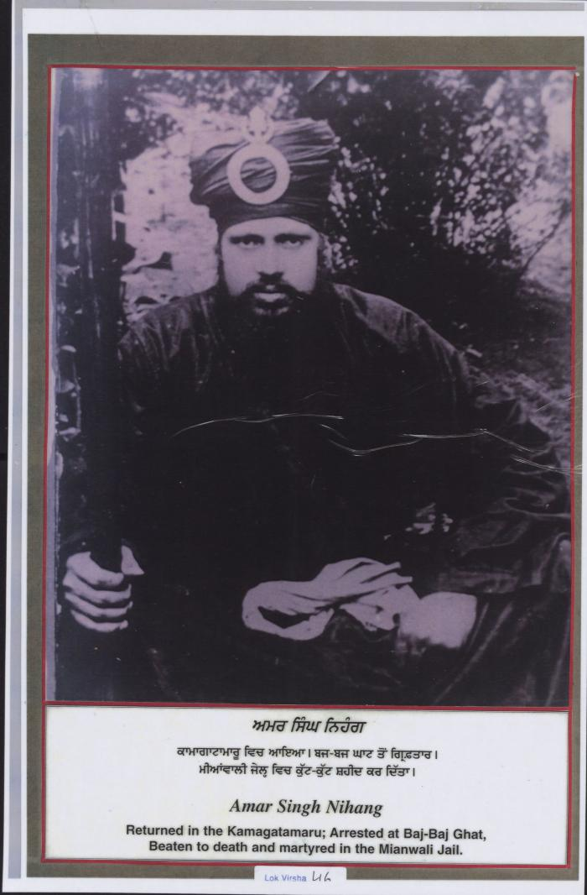
 | Amar Singh Nihang (2021_07_10831) | Provided by Kalwant Singh Nadeem Parmar.
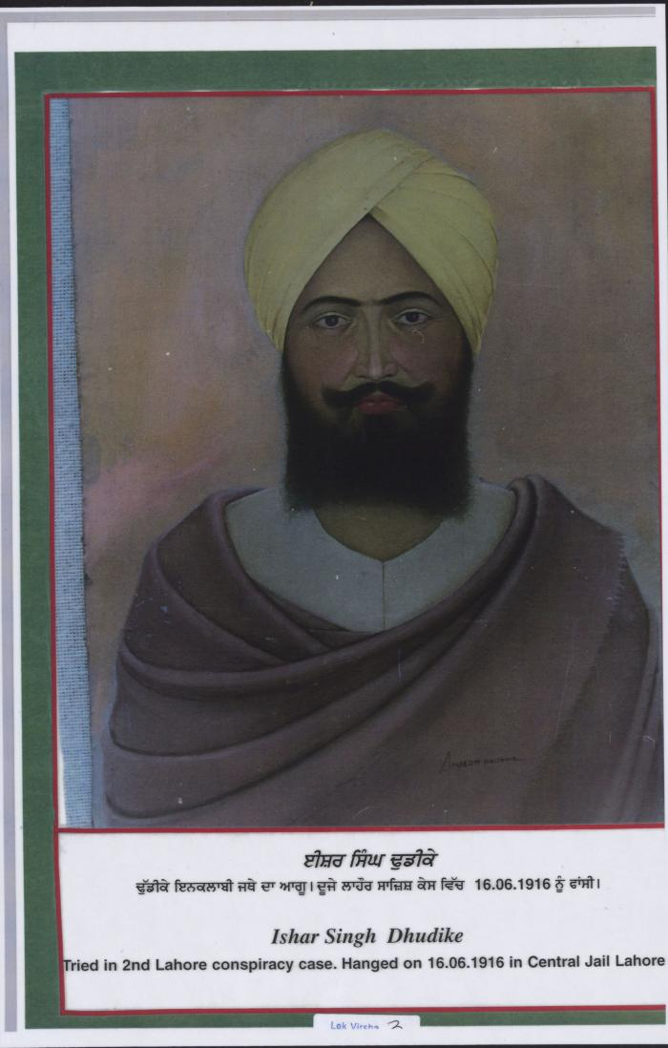
 | Ishar Singh Dhudike (2021_07_10833) | Provided by Kalwant Singh Nadeem Parmar.
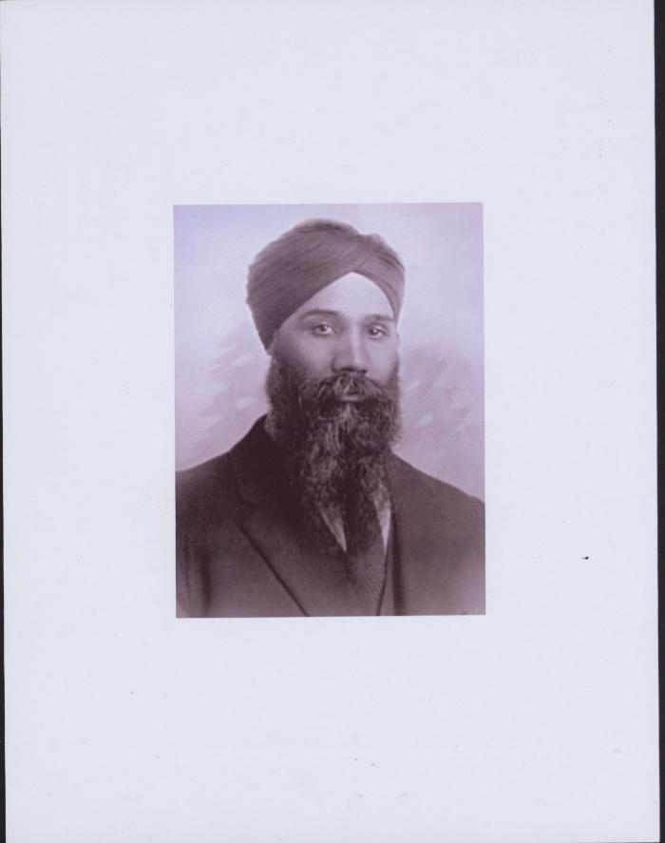
 | [Munsha Singh] (2021_07_10834) | Provided by Kalwant Singh Nadeem Parmar.

