Results
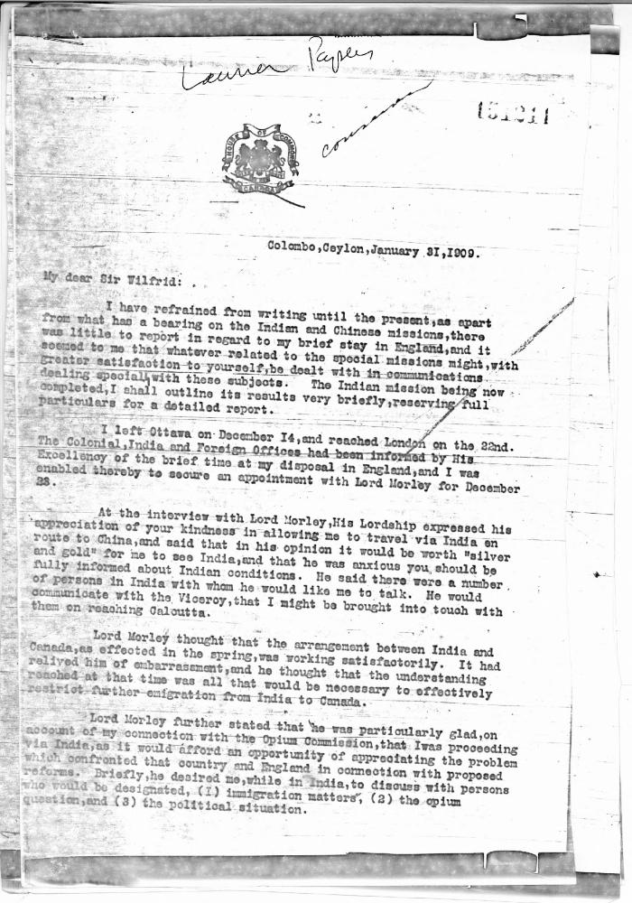
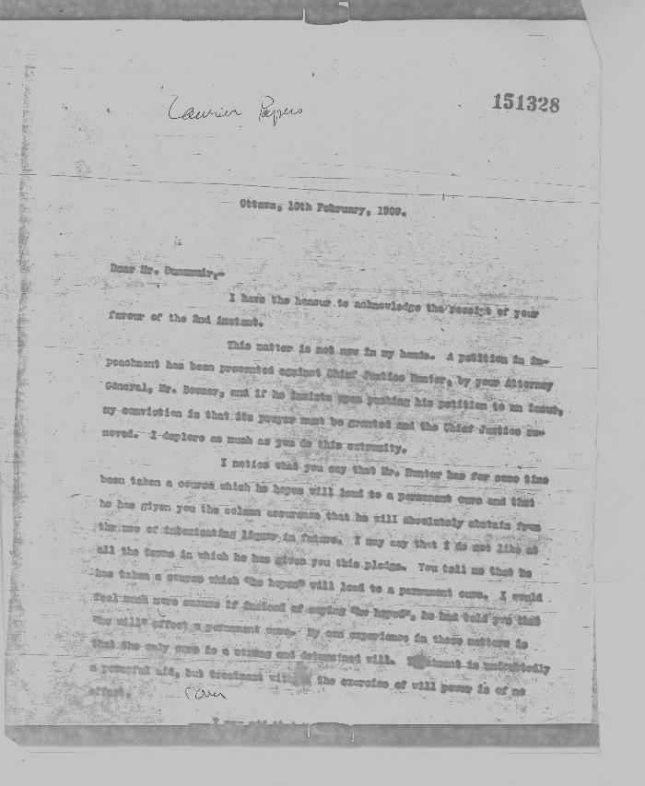
Image | Object | Description | Date
 | [W. L. Mackenzie King, Minister of Labour, to Sir Wilfrid Laurier, Prime Minister, Colombo, Ceylon] (2021_07_4893) | Library and Archives Canada. Laurier Papers 151211-151215
 | [Sir Wilfrid Laurier, Prime Minister, to James Dunsmuir, Lieutenant Governor of British Columbia] (2021_07_4896) | Library and Archives Canada. Laurier Papers 151328. Part handwritten transcription
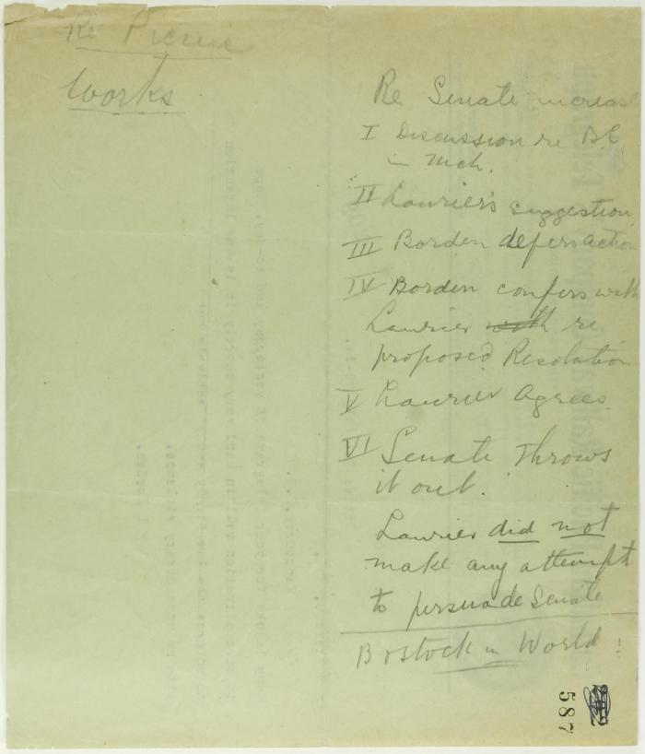
 | Pencilled notes re increase in Senate (2021_07_10762) | Page 587

