Results
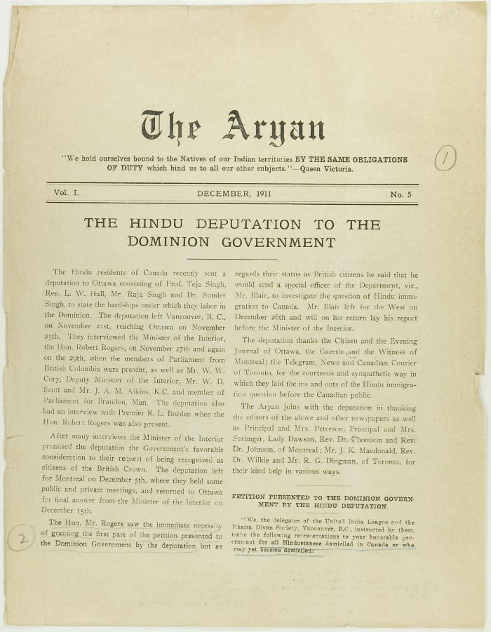
Image | Object | Description | Date
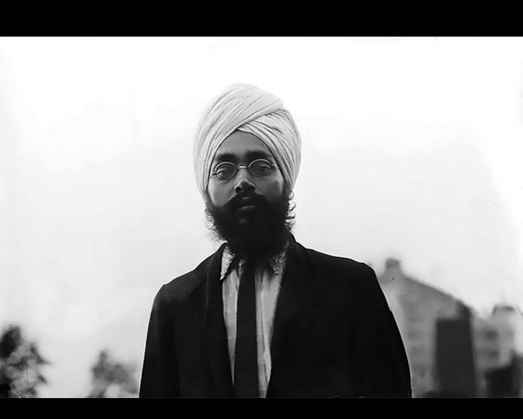 | Teja Singh (2021_05_042) | Image of Teja Singh.
 | The Aryan Vol. 1 No. 5 Page 1-8 (2021_07_3263) | Page 019-026
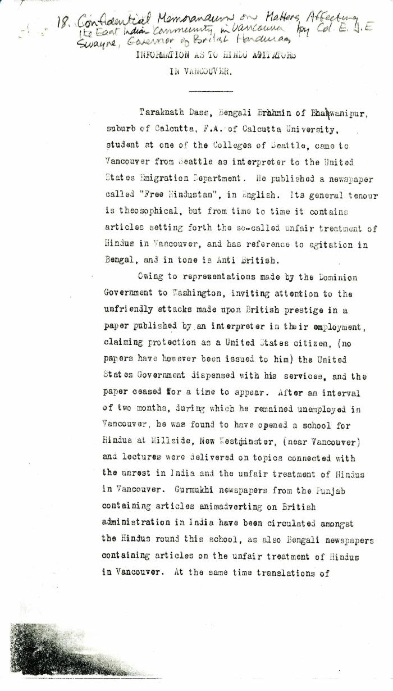
 | Information as to Hindu Agitators in Vancouver [Confidential Memorandum on Matters Affecting the East Indian Community in Vancouver by Colonel Eric J. E. Swayne, Governor of British Honduras. Original] (2021_07_4244) | Library and Archives Canada. RG7-G-21, Vol. 200, File 332, vol. 3 (b)
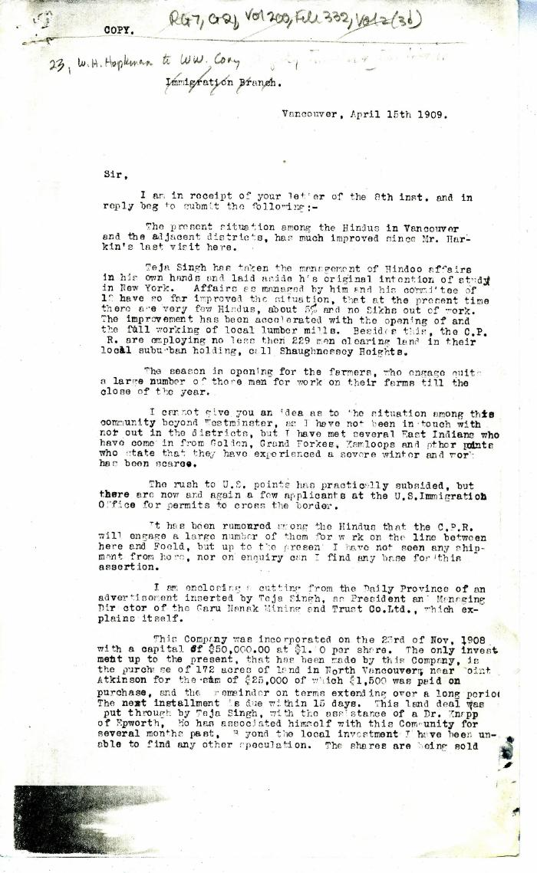
 | [William C. Hopkinson, Immigration Inspector, to William W. Cory, Deputy Minister of the Interior] (2021_07_4250) | Library and Archives Canada. RG7-G-21, Vol. 200, File 332, vol. 2 (3b)
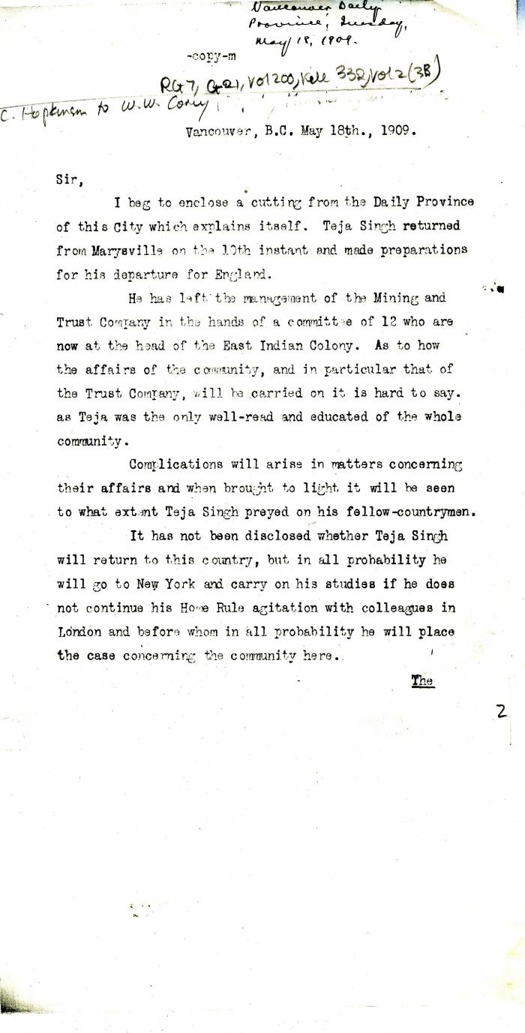
 | [William C. Hopkinson, Immigration Inspector, to William W. Cory, Deputy Minister of the Interior] (2021_07_4253) | Library and Archives Canada. RG7-G-21, Vol. 200, File 332, vol. 2 (3b)
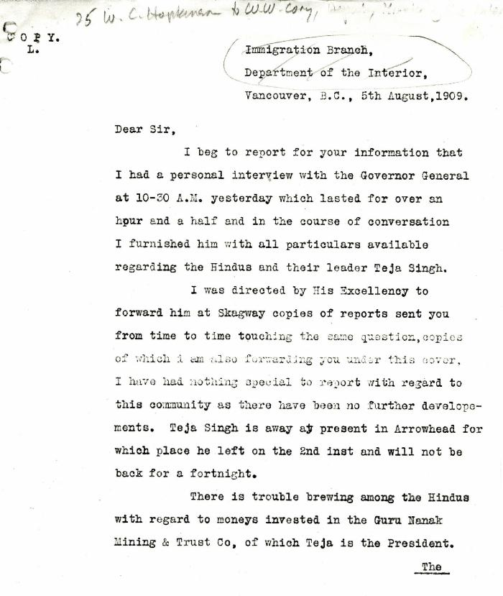
 | [William C. Hopkinson, Immigration Inspector, to William W. Cory, Deputy Minister of the Interior. Copy] (2021_07_4256) | Library and Archives Canada. RG7-G-21, Vol. 200, File 332, vol. 2 (3b)
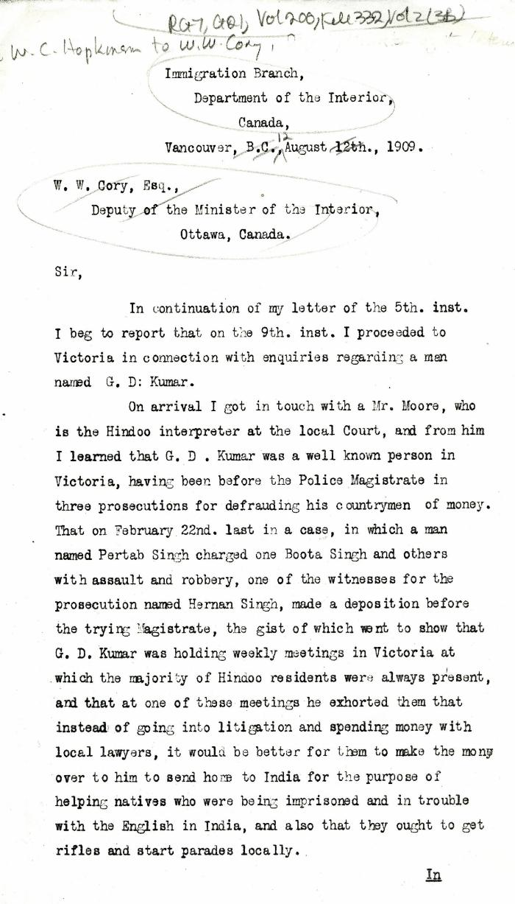
 | [William C. Hopkinson, Immigration Inspector, to William W. Cory, Deputy Minister of the Interior] (2021_07_4262) | Library and Archives Canada. RG7-G-21, Vol. 200, File 332, vol. 2 (3b)
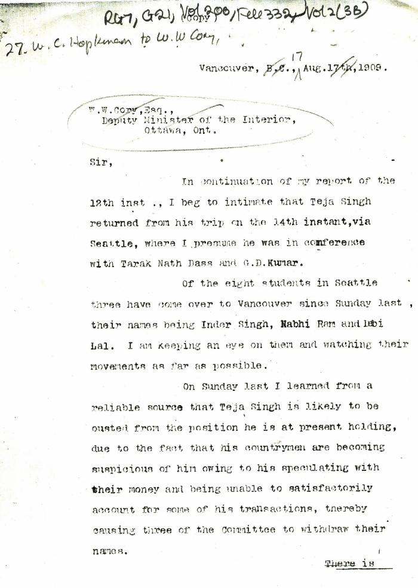
 | [William C. Hopkinson, Immigration Inspector, to William W. Cory, Deputy Minister of the Interior] (2021_07_4265) | Library and Archives Canada. RG7-G-21, Vol. 200, File 332, vol. 2 (3b)
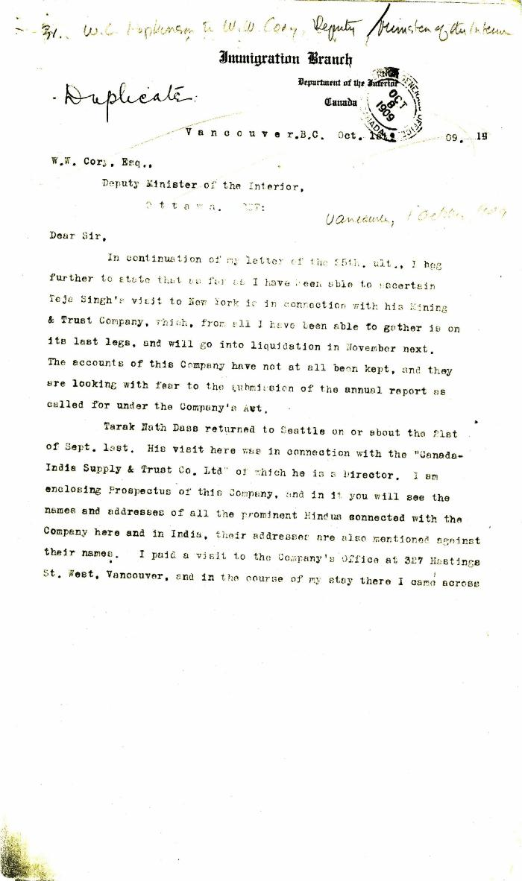
 | [William C. Hopkinson, Immigration Inspector, to William W. Cory, Deputy Minister of the Interior] (2021_07_4272) | Library and Archives Canada. RG7-G-21, Vol. 200, File 332, vol. 2 (3b)
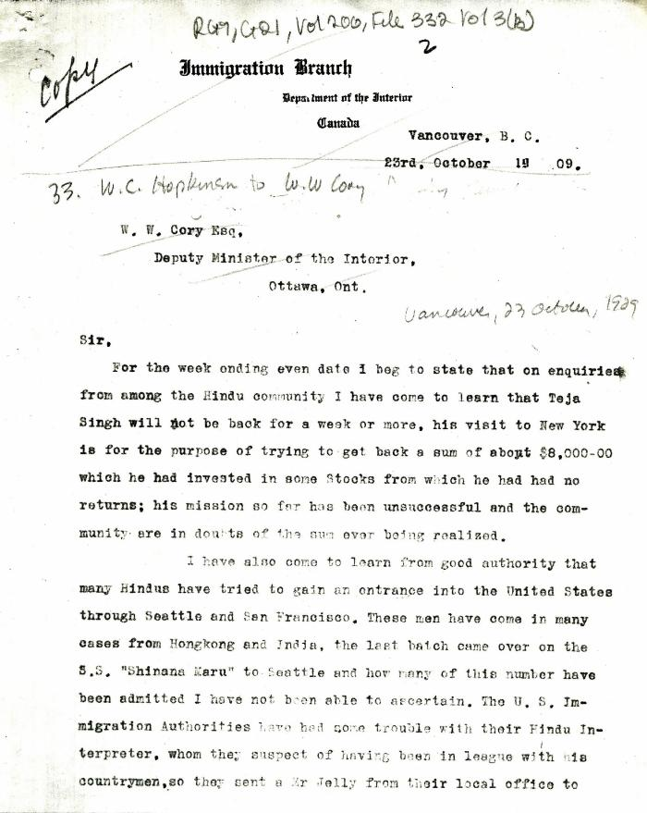
 | [William C. Hopkinson, Immigration Inspector, to William W. Cory, Deputy Minister of the Interior. Copy] (2021_07_4275) | Library and Archives Canada. RG7-G-21, Vol. 200, File 332, vol. 3 (3b)
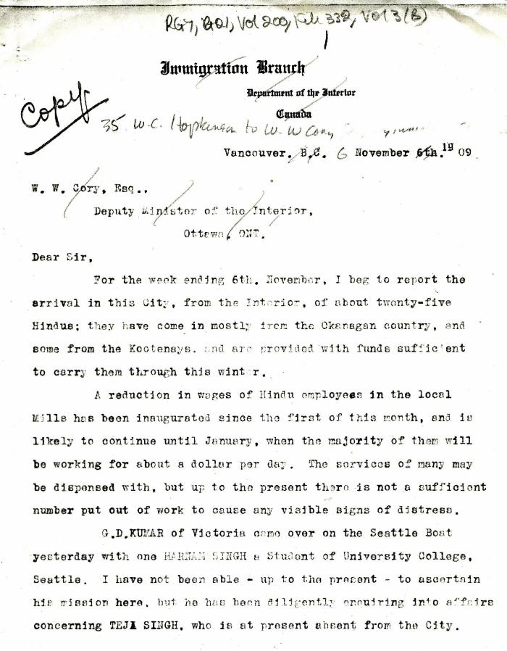
 | [William C. Hopkinson, Immigration Inspector, to William W. Cory, Deputy Minister of the Interior. Copy] (2021_07_4278) | Library and Archives Canada. RG7-G-21, Vol. 200, File 332, vol. 2 (3b)
 | [William C. Hopkinson, Immigration Inspector, to William W. Cory, Deputy Minister of the Interior. Copy] (2021_07_4282) | Library and Archives Canada. RG7-G-21, Vol. 200, File 332, vol. 2 (3b)
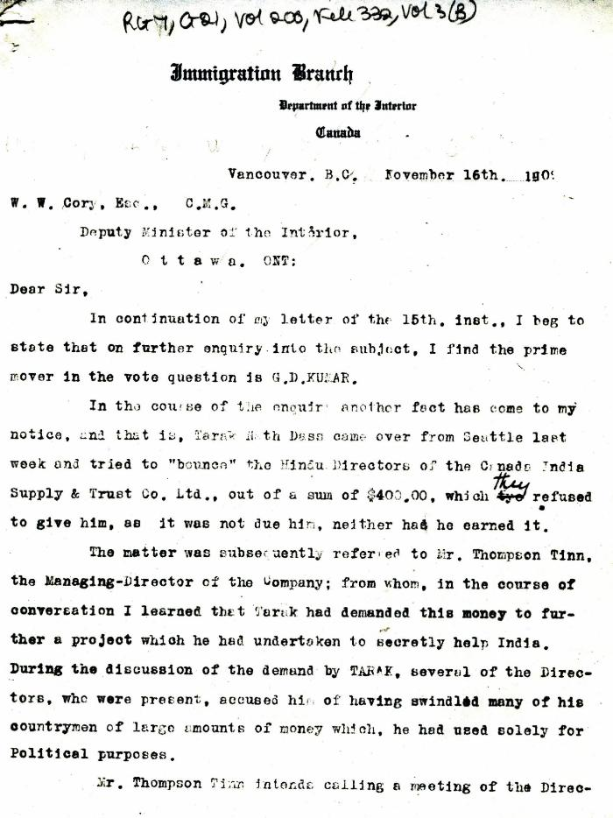
 | [William C. Hopkinson, Immigration Inspector, to William W. Cory, Deputy Minister of the Interior] (2021_07_4285) | Library and Archives Canada. RG7-G-21, Vol. 200, File 332, vol. 3 (b)
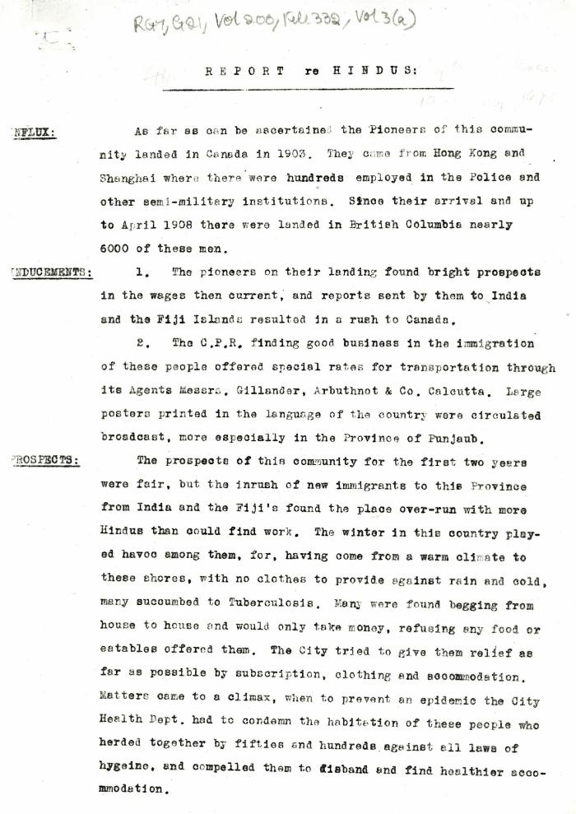
 | Report re Hindus [William C. Hopkinson, Immigration Inspector] (2021_07_4305) | Library and Archives Canada. RG7-G-21, Vol. 200, File 332, vol. 3 (a)
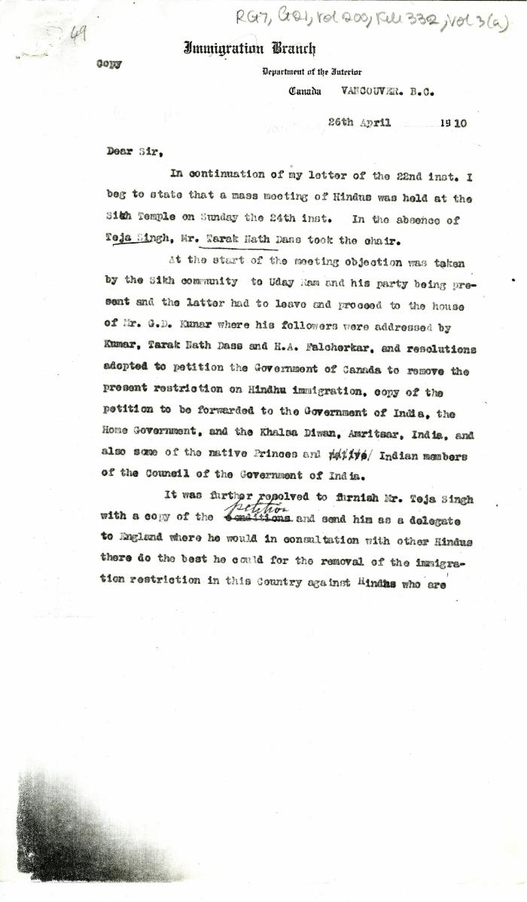
 | [William C. Hopkinson, Immigration Inspector, to William W. Cory, Deputy Minister of the Interior. Copy] (2021_07_4320) | Library and Archives Canada. RG7-G-21, Vol. 200, File 332, vol. 3 (a)
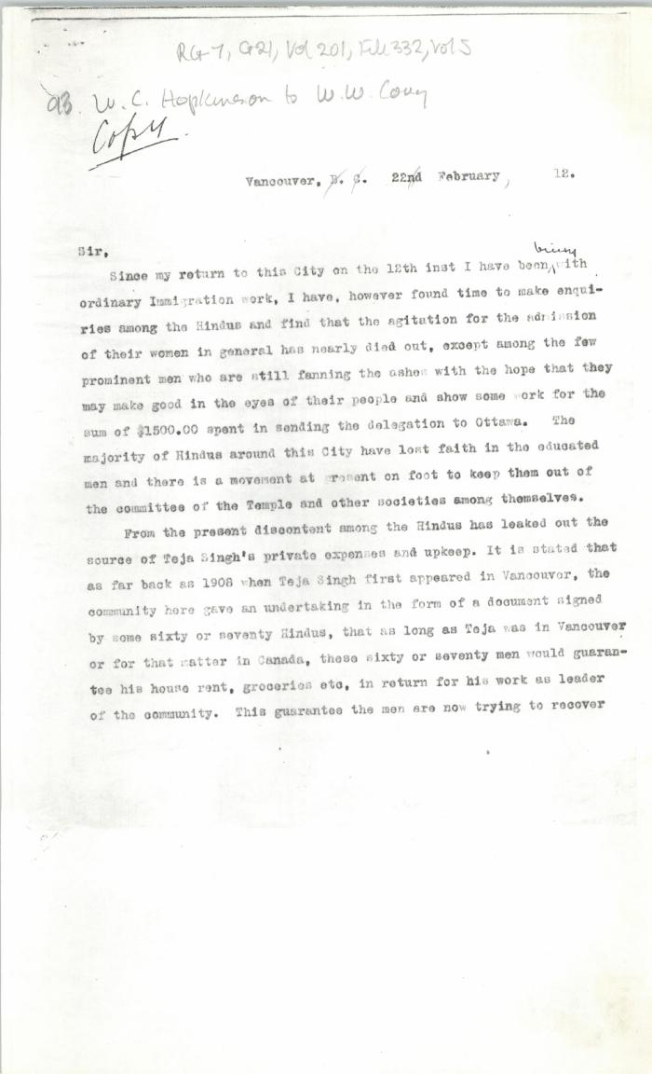
 | [William C. Hopkinson, Immigration Inspector, to William W. Cory, Deputy Minister of the Interior. Copy] (2021_07_4451) | Library and Archives Canada. RG7-G-21, Vol. 201, File 332, vol. 5
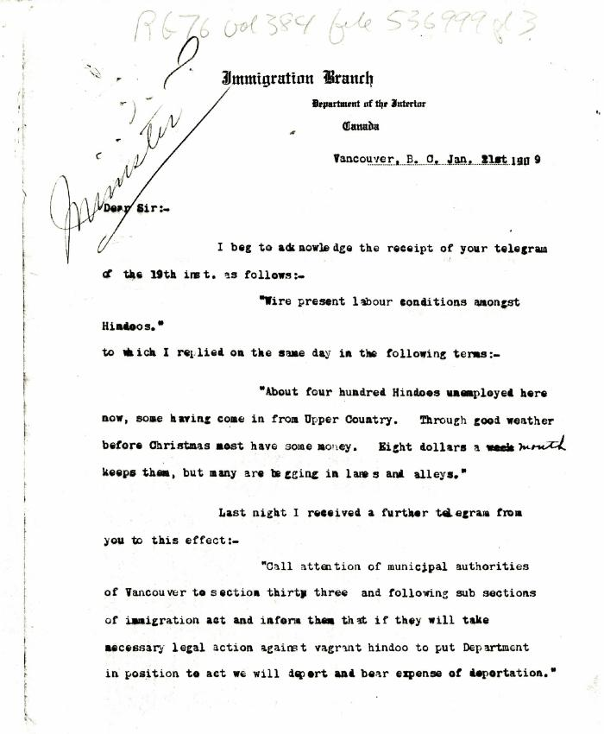
 | [J. H. MacGill, Immigration Agent, to William W. Cory, Deputy Minister of the Interior. Copy] (2021_07_4884) | Library and Archives Canada. RG76, Vol. 384, File 536999, pt. 3
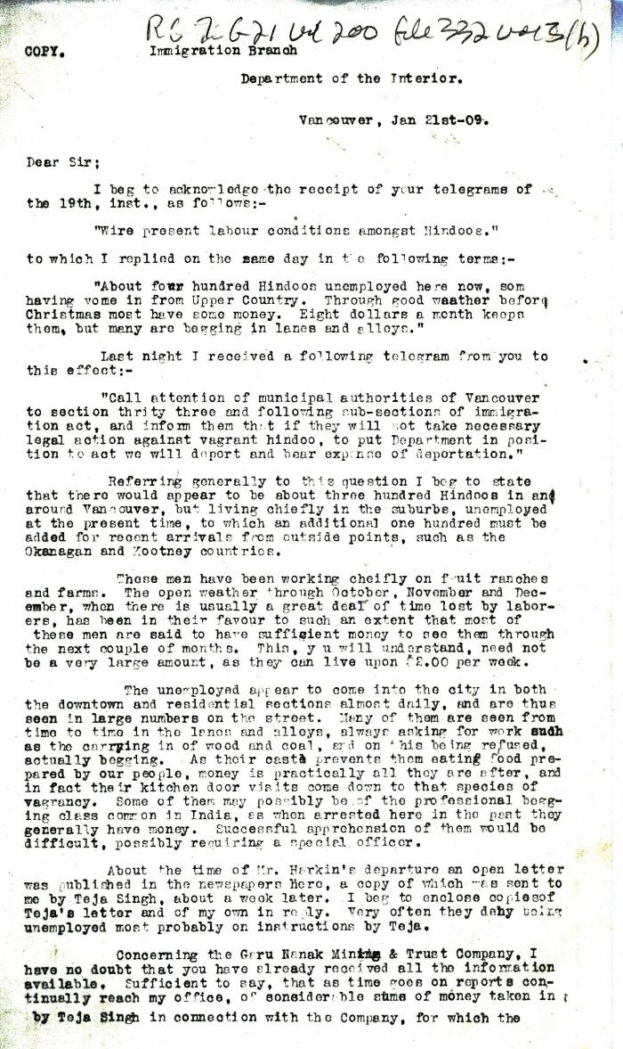
 | [J. H. MacGill, Immigration Agent, to William W. Cory, Deputy Minister of the Interior. Copy] (2021_07_4887) | Library and Archives Canada. RG7-G-21, Vol. 200, File 332, vol. 3 (h)
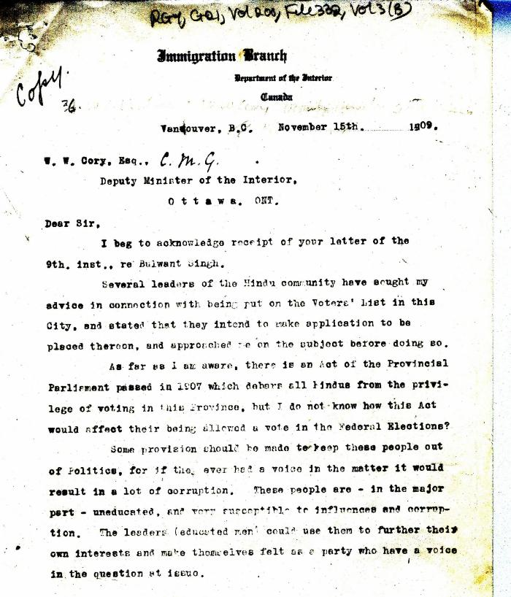 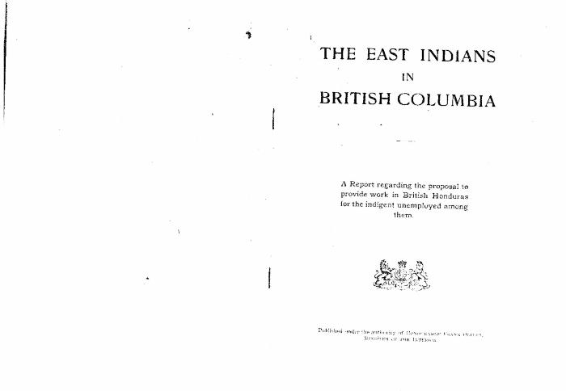 | The East Indians in British Columbia: A report regarding the proposal to provide work in British Honduras for the indigent unemployed among them (2021_07_5256) | Library and Archives Canada. RG25 A2, Vol. 200, File 121-6 to 124-21
 | [William C. Hopkinson, Immigration Inspector, to William W. Cory, Deputy Minister of the Interior. Copy] (2021_07_5282) | Library and Archives Canada. RG7-G-21, Vol. 200, File 332, vol. 2 (3b)
 | Newsclipping - Vancouver Daily Province: Bribes were offered to Hindus to go to Honduras (2021_07_5393)
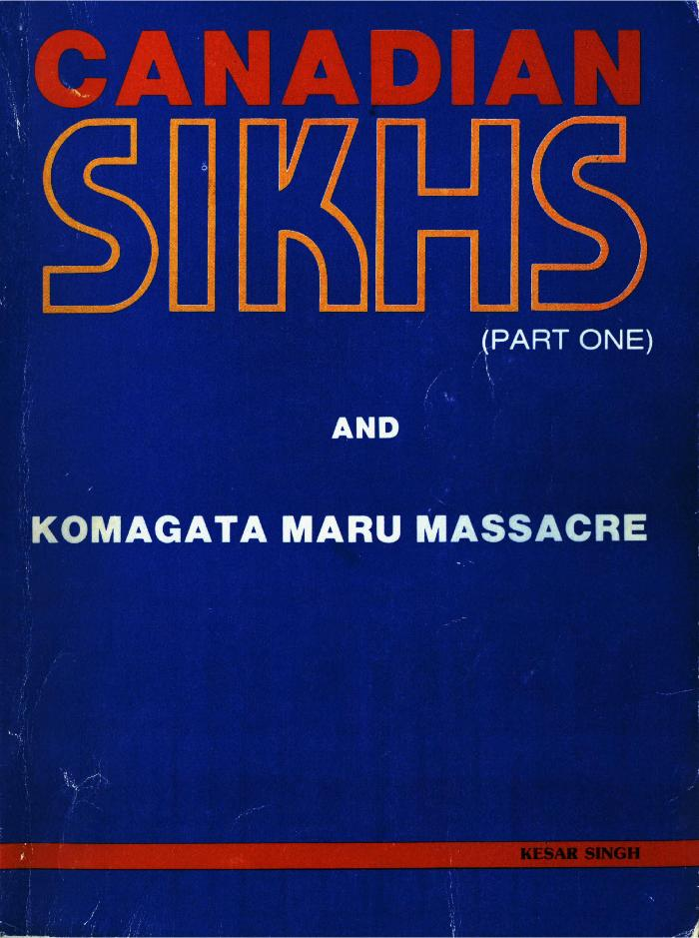
 | Canadian Sikhs (Part One) and Komagata Maru Massacre (2021_07_6295)
 | Becoming Canadians: Pioneer Sikhs In Their Own Words (2021_07_7183)
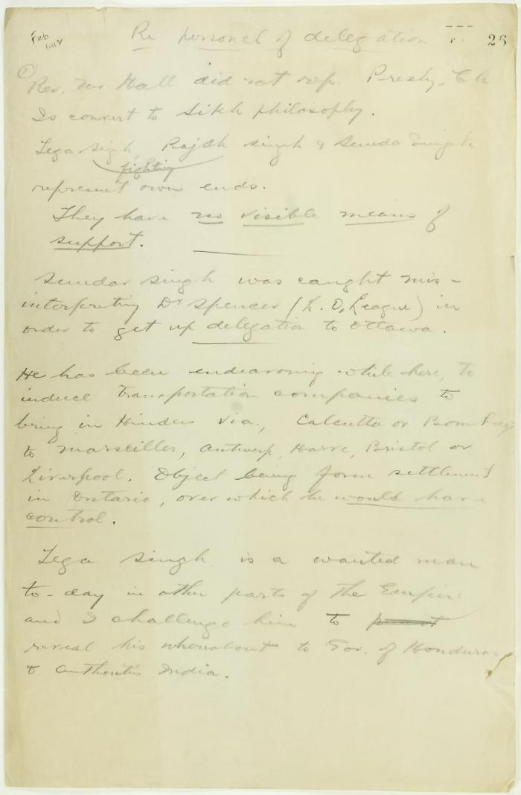
 | Draft of report re delegation personnel (2021_07_9292) | Page 26-27
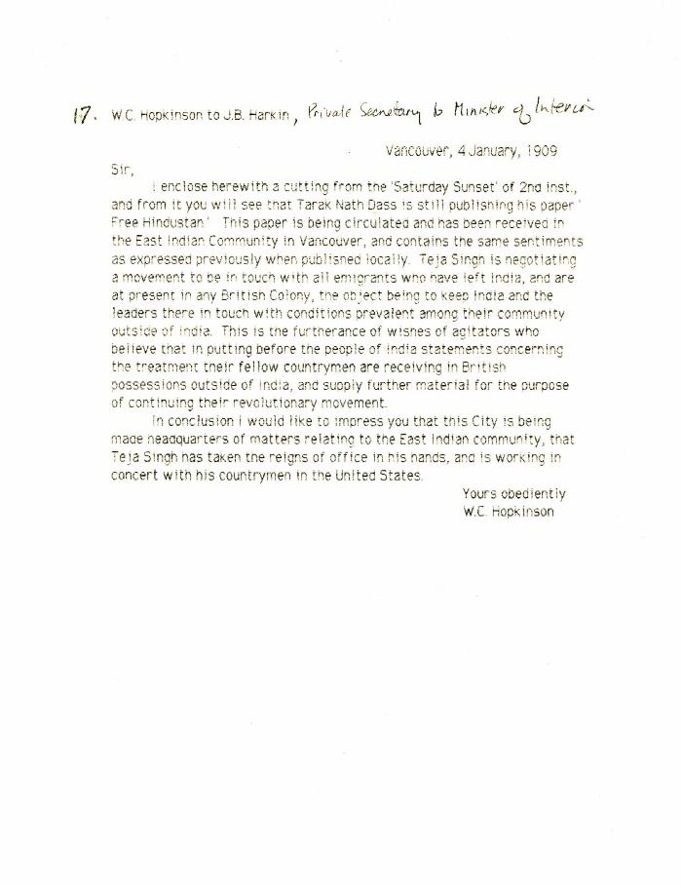
 | [William C. Hopkinson, Immigration Inspector, to James B. Harkin, Private Secretary to Minister of the Interior, re Indian agitators keeping leaders in India in contact with emigrants] (2021_07_10297)
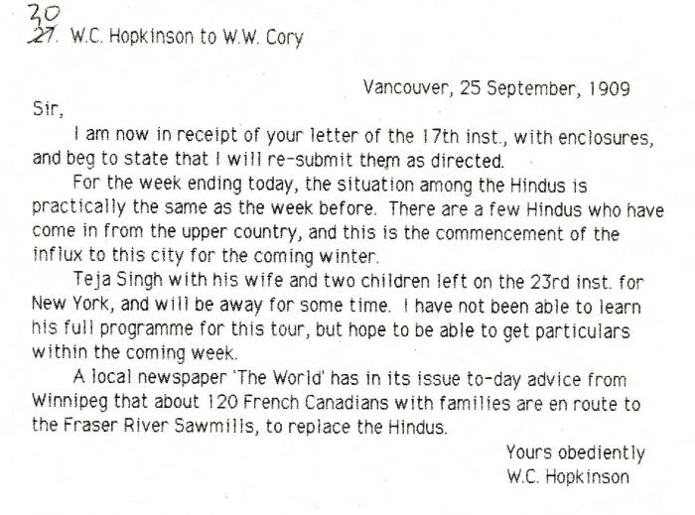 | [William C. Hopkinson, Immigration Inspector, to William W. Cory, Deputy Minister of the Interior, re Hindu community in Vancouver] (2021_07_10299) | Library and Archives Canada. RG7-G-21, Vol. 200, File 332, vol. 2
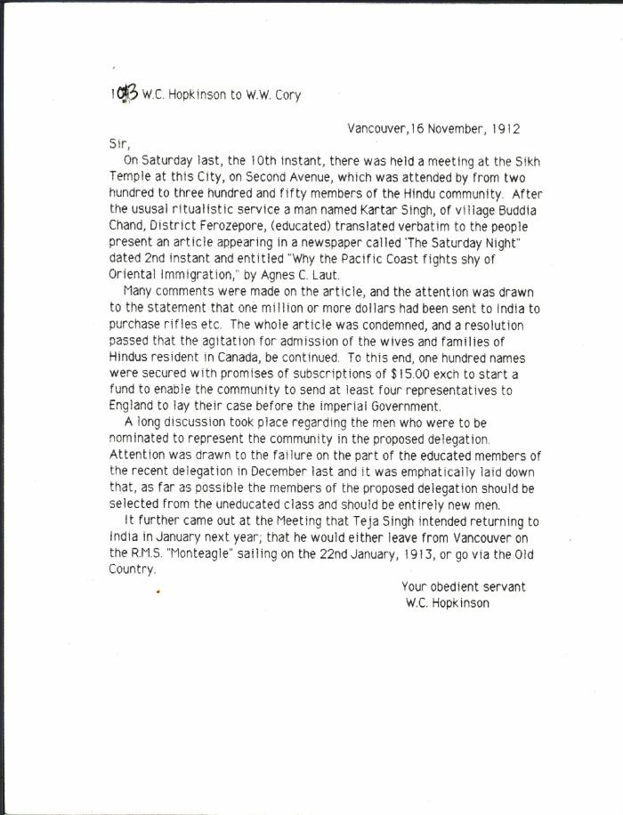
 | [William C. Hopkinson, Immigration Inspector, to William W. Cory, Deputy Minister of the Interior, re Hindu community meeting to agitate for admission of wives and families] (2021_07_10312) | Library and Archives Canada. RG7-G-21, Vol. 202, File 332, vol. 6 (a)
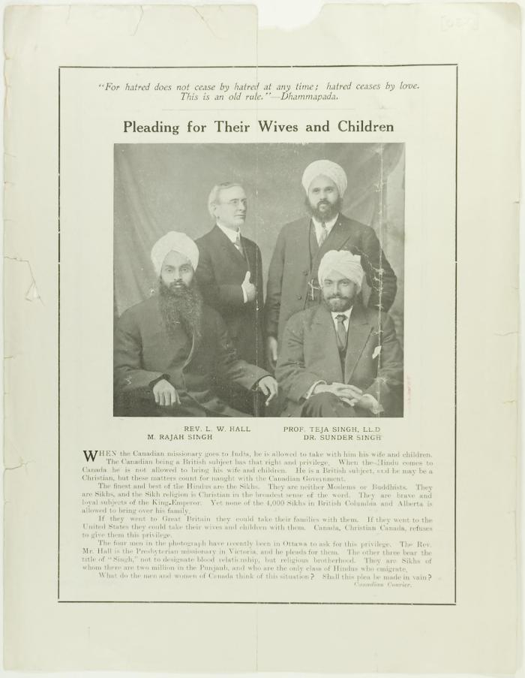
 | Newsclipping - Pleading for their wives and children (2021_07_10802)

