Results
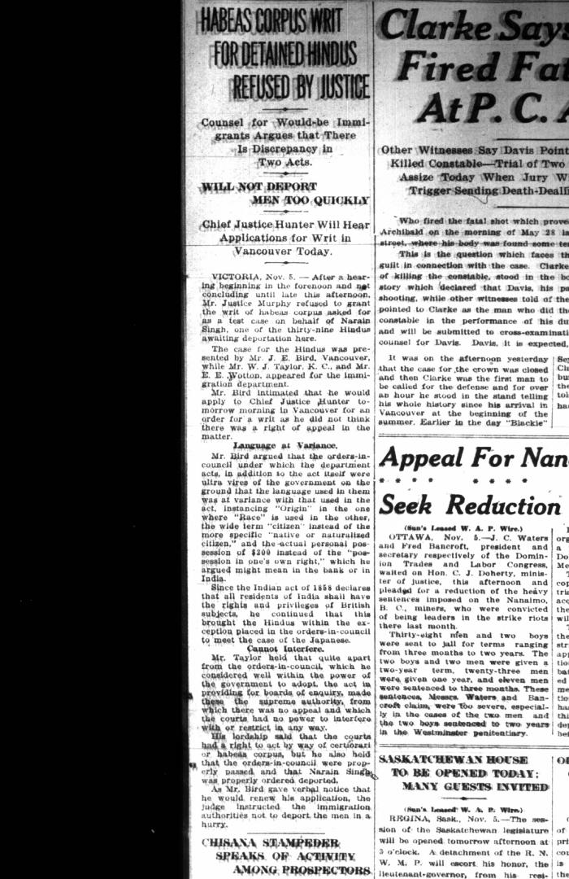
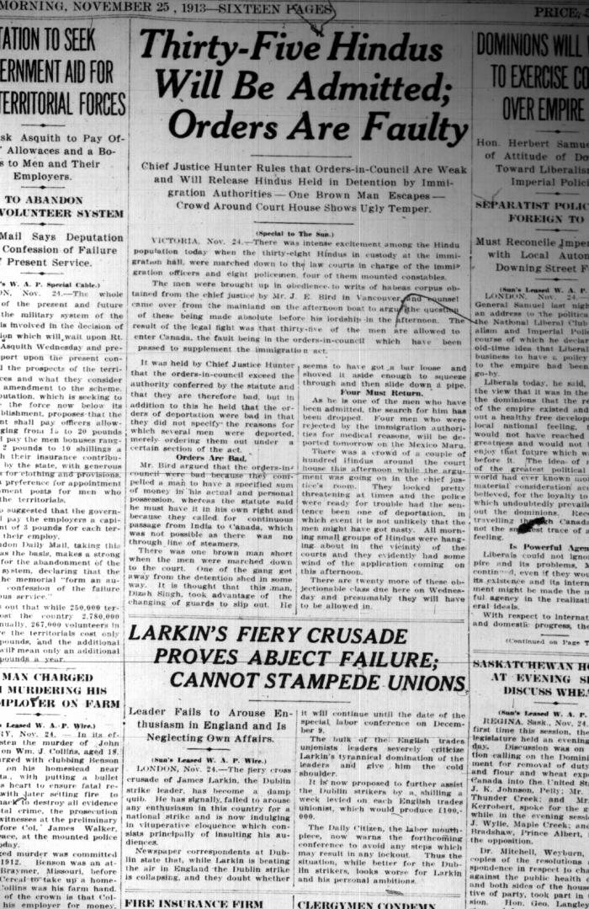
Image | Object | Description | Date
 | Newsclipping - Vancouver Sun: Habeas Corpus writ for detained Hindus refused by Justice. Page 1 (2021_07_10505)
 | Newsclipping - Vancouver Sun: Thirty-five Hindus will be admitted: orders are faulty. Page 1 (2021_07_10506)
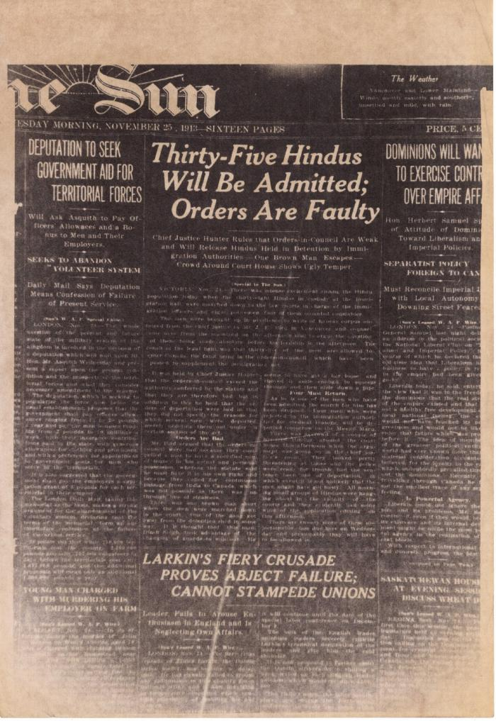
 | Newsclipping - Vancouver Sun: Thirty-five Hindus will be admitted: orders are faulty (2021_07_10527)

