Results

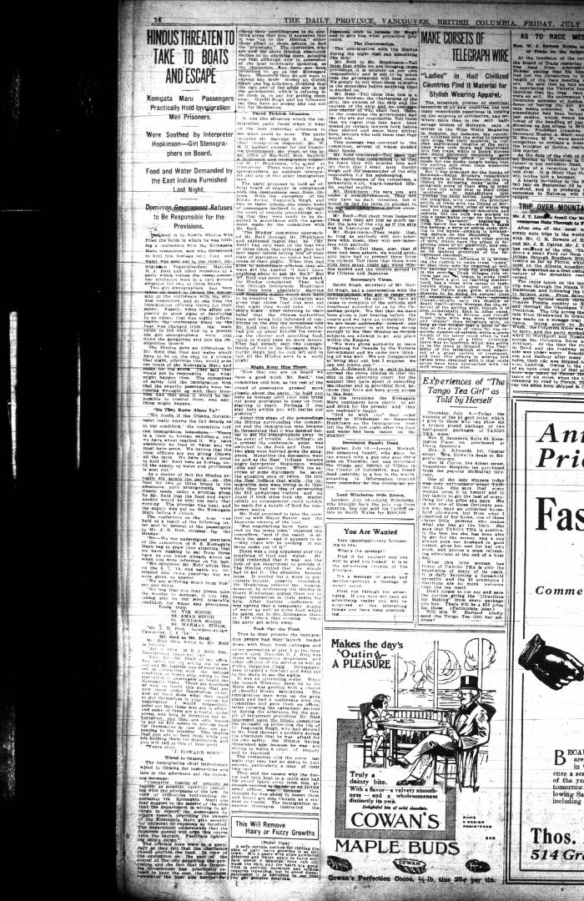
Image | Object | Description | Date
 | Copy of letter from Reid to W. D. Scott re last details preceding departure. Page 1-5 (2021_07_1949) | Page 615-619
 | Newsclipping - Vancouver Daily Province: Hindus threaten to take to boats and escape (2021_07_10497)

