Results
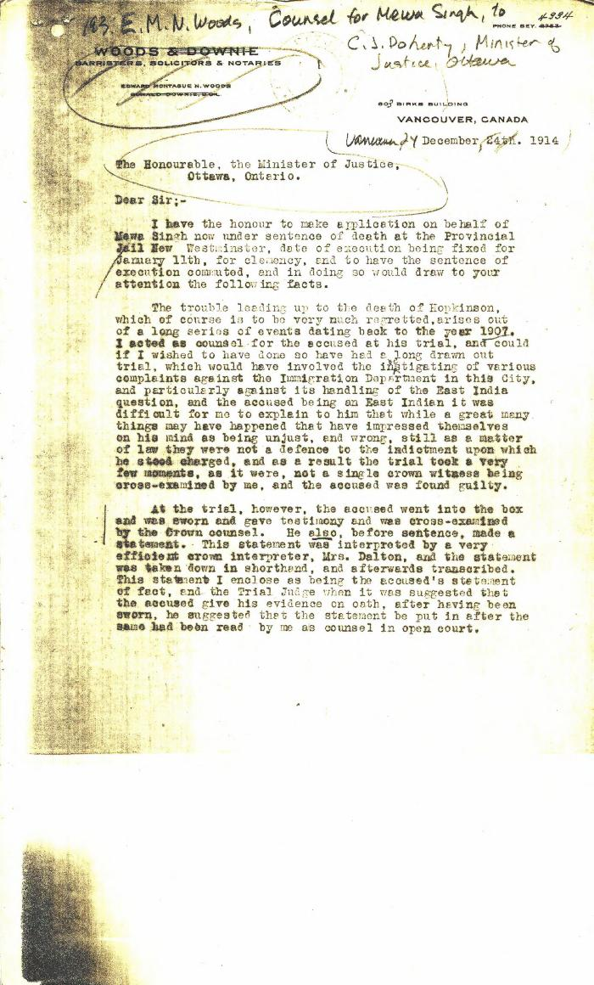
Image | Object | Description | Date
 | [E. M. N. Woods, lawyer, Woods & Downie, counsel for Mewa Singh, to Charles J. Doherty, Minister of Justice] (2021_07_4807) | Library and Archives Canada. RG13, Vol. 1467

