Results
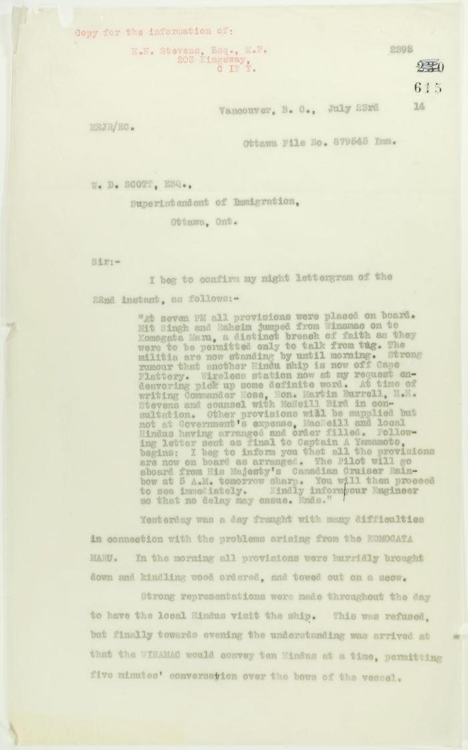
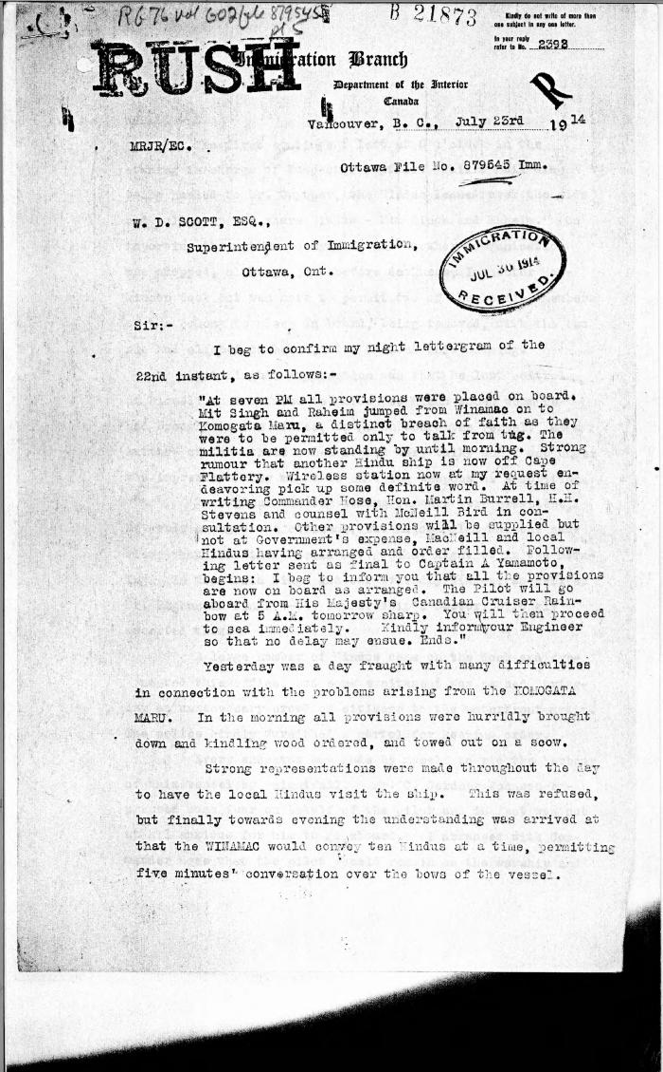
Image | Object | Description | Date
 | Copy of letter from Reid to W. D. Scott re last details preceding departure. Page 1-5 (2021_07_1949) | Page 615-619
 | [Malcolm R. J. Reid, Dominion Immigration Agent, to William D. Scott, Superintendent of Immigration. Original] (2021_07_4746) | Library and Archives Canada. RG76, Vol. 601, File 879545, pt. 5
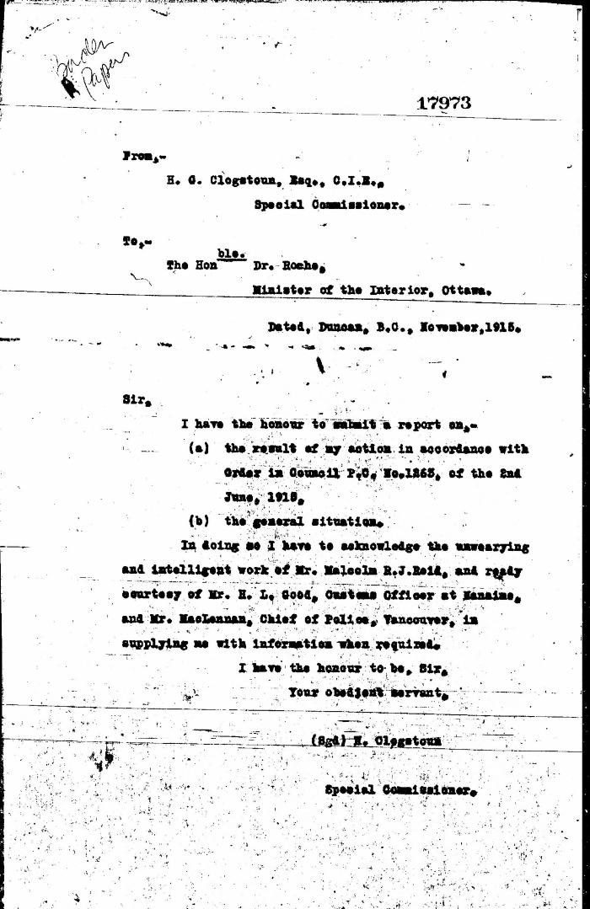
 | [Herbert C. Clogstoun, Special Commissioner. Report to Dr. William J. Roche, Minister of the Interior, on Mission to Vancouver re PC 1265 of 2 June, 1915, with respect to Komagata Maru] (2021_07_5377) | Library and Archives Canada. Borden Papers, 17838-17869, 17973-17978
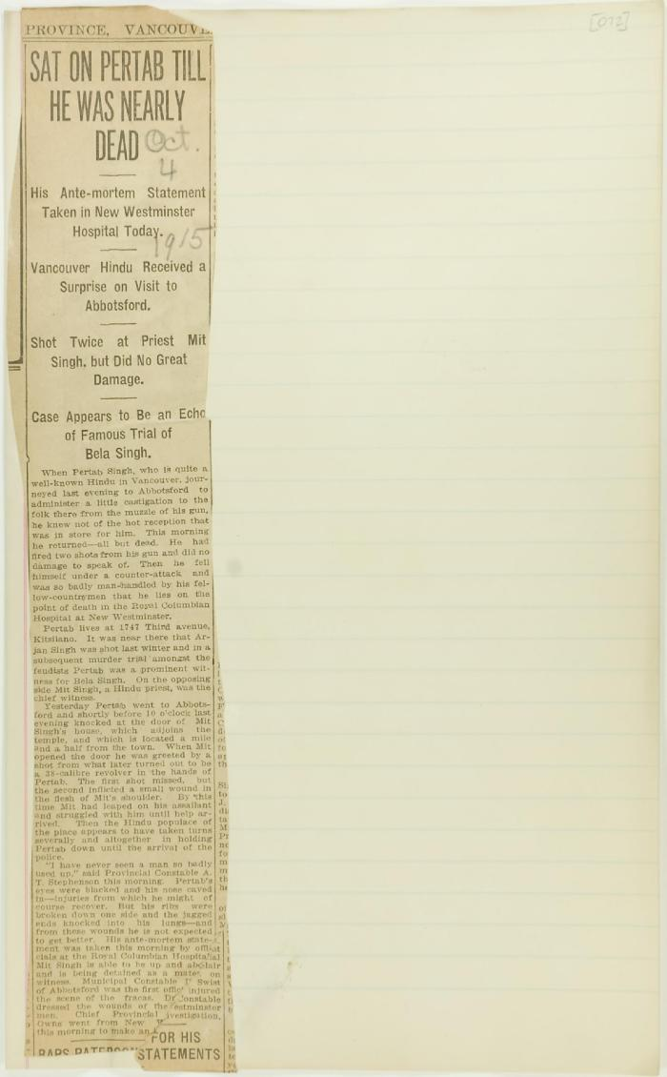
 | Newsclipping - Sat on Pertab till he was nearly dead (2021_07_10812)
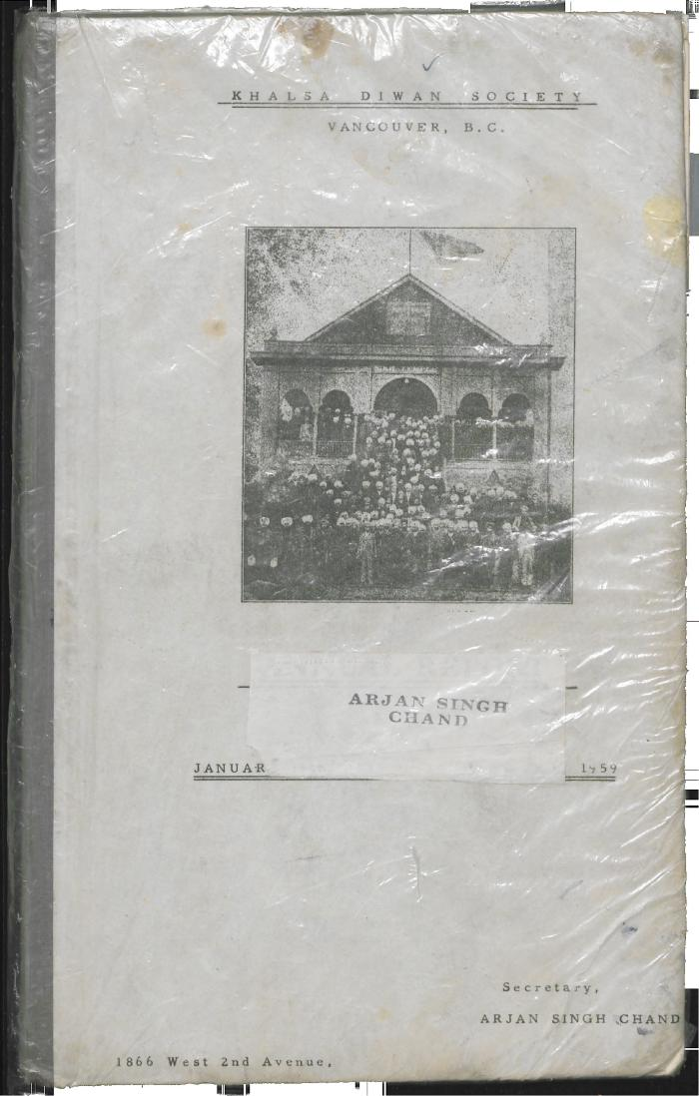
 | Khalsa Diwan Society [Diary], Vancouver, B.C. [: Volume 1 - English translation] (2021_07_10918) | The diary, volume one of two volumes, contains information on the activities of the Vancouver Khalsa Diwan Society between 1906 and 1924, as recorded by Secretary Arjan Singh Brar (Chand).

