Results
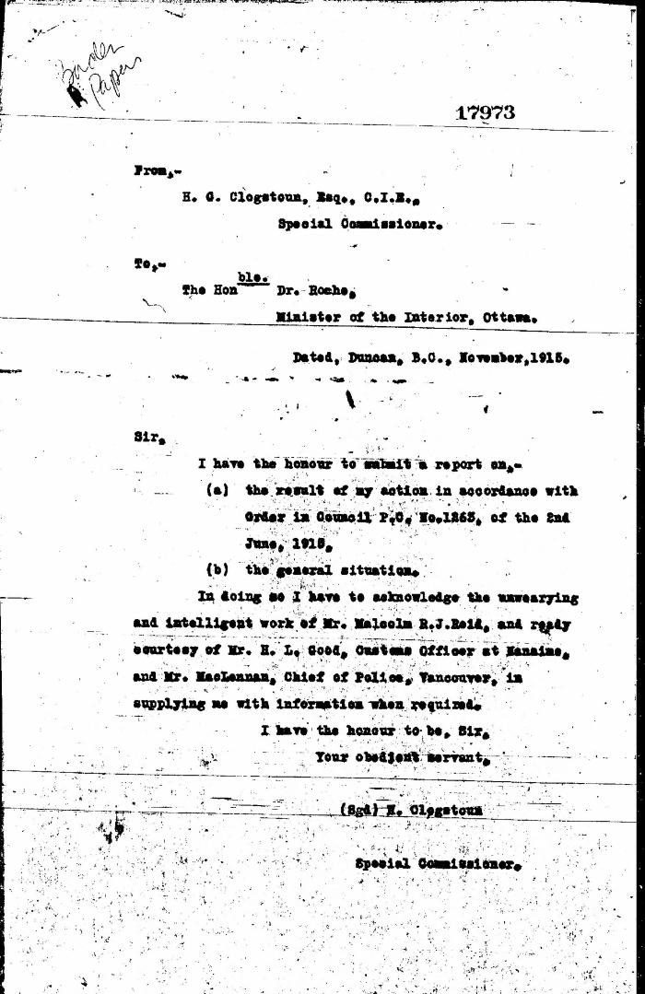
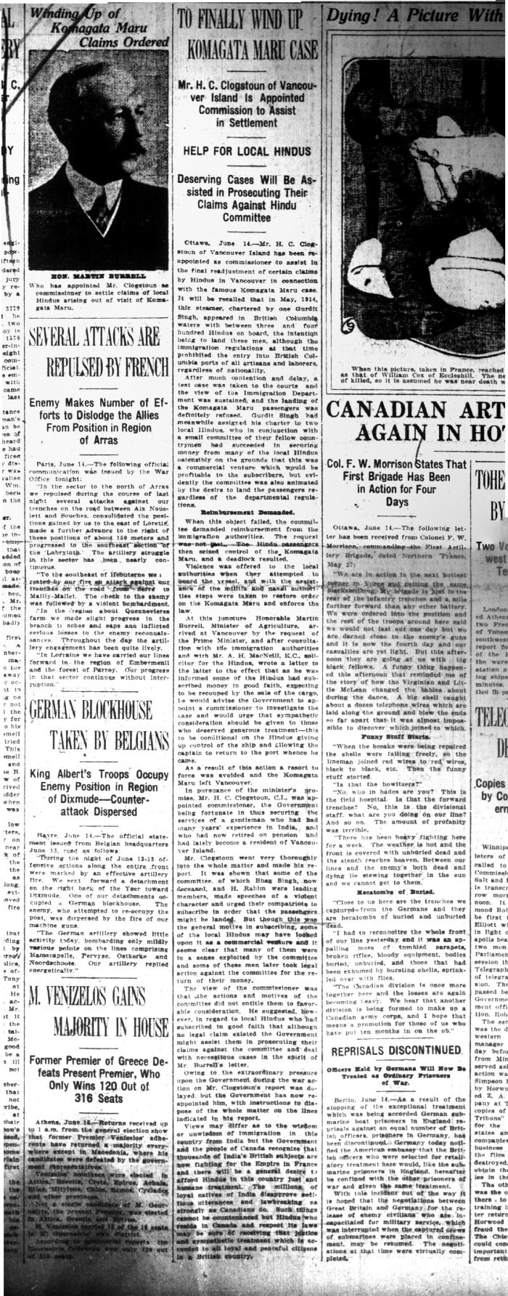
Image | Object | Description | Date
 | [Herbert C. Clogstoun, Special Commissioner. Report to Dr. William J. Roche, Minister of the Interior, on Mission to Vancouver re PC 1265 of 2 June, 1915, with respect to Komagata Maru] (2021_07_5377) | Library and Archives Canada. Borden Papers, 17838-17869, 17973-17978
 | Newsclipping - Vancouver News-Advertiser: To finally wind up Komagata Maru case. Page 1 (2021_07_10472)

