Results
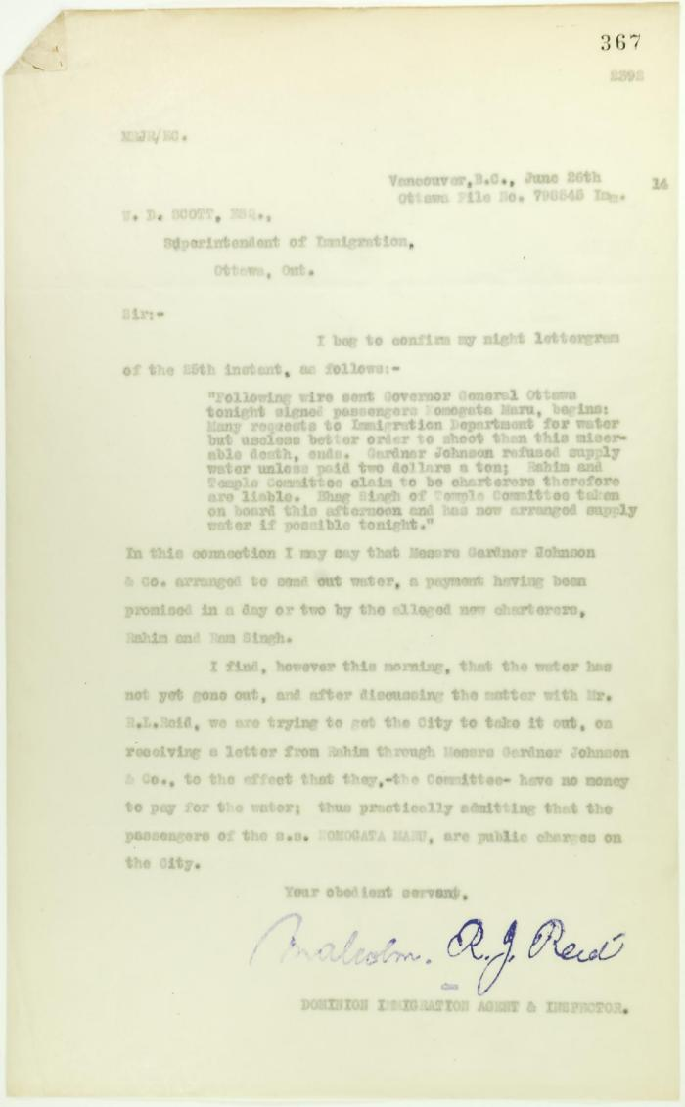

Image | Object | Description | Date
 | Copy of letter from Reid to W. D. Scott re provision of water (2021_07_10709) | Page 367
 | Newsclippings - Serious charge against Hindus; Charge of murder laid against Hindu; Hindu sues bank, queer story told; Three more Hindus (2021_07_10803)

