Results
Image | Object | Description | Date
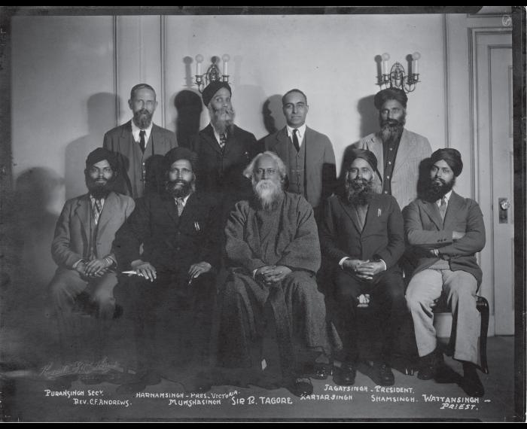 | [Khalsa Diwan organizers] (2021_05_048) | Photograph includes Puran Singh, Rev. C. F. Andrews, Harnam Singh, Munsha Singh, Sir R. Tagore, Kartar Singh, Jagat Singh, Sham Singh, and Wattan Singh.

