Results
Image | Object | Description | Date
 | [Account statement from the Canadian Bank of Commerce to Mayo Singh] (2020_05_01_06_156) | Account statement from the Canadian Bank of Commerce to Mayo Singh.
 | [Account statement from the Canadian Bank of Commerce to Mayo Singh] (2020_05_01_06_157) | Account statement from the Canadian Bank of Commerce to Mayo Singh.
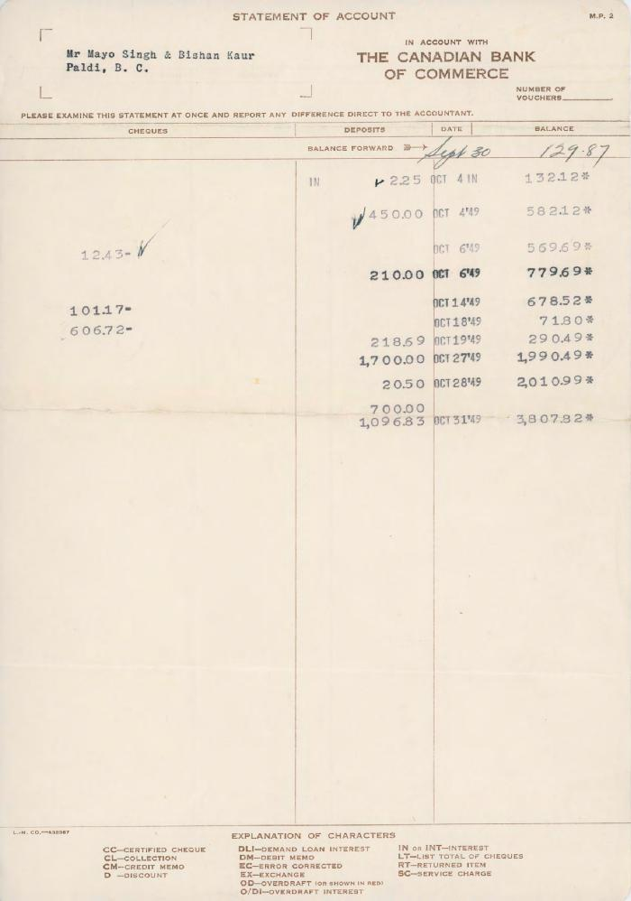
 | [Account statement from the Canadian Bank of Commerce to Mayo Singh and Bishan Kaur] (2020_05_01_06_188) | Account statement from the Canadian Bank of Commerce to Mayo Singh and Bishan Kaur.
 | [Advisory note from the Canadian Bank of Commerce to Puran Singh] (2020_05_01_06_158) | Advisory note from the Canadian Bank of COmmerce to Puran Singh Dial regarding the balance of $480.30 in favour of Mayo Singh.
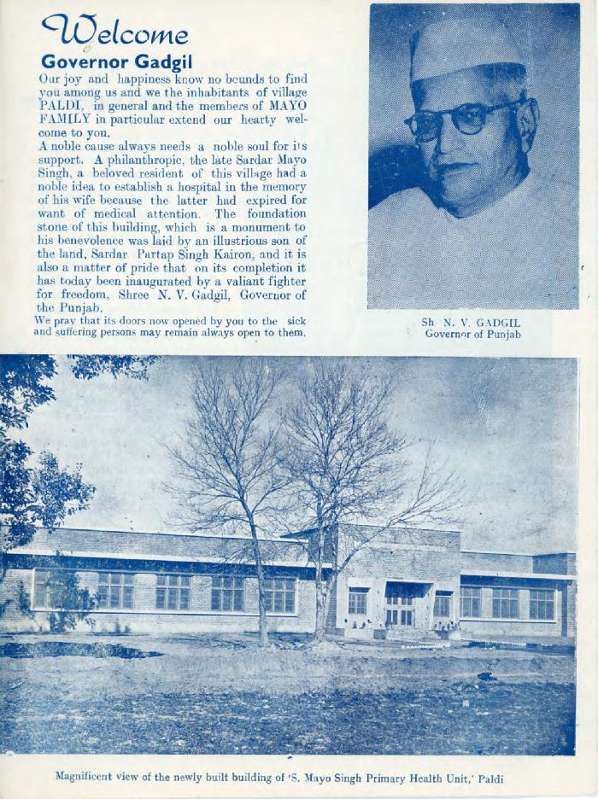
 | [Article welcoming Governor N. V. Gadgil of Punjab] (2020_05_01_14_001) | Article welcoming Governor N. V. Gadgil to the village of Paldi upon the opening of the S. Mayo Singh Primary Health Unit. Photographs of Governor N. V. Gadgil and the S. Mayo Singh Primary Health Unit are included. Also includes a biography of Mayo Singh and his family.
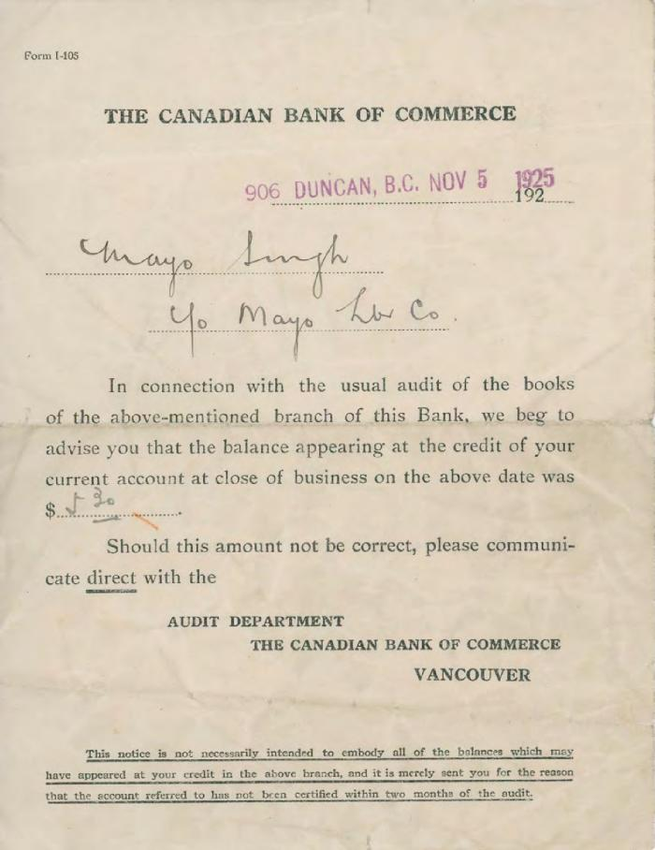
 | [Audit notice from the Canadian Bank of Commerce to Mayo Singh] (2020_05_01_06_082) | Audit notice from the Canadian Bank of Commerce to Mayo Singh.
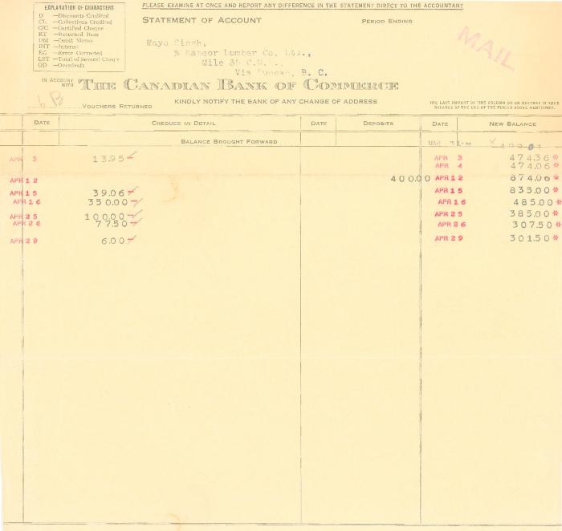 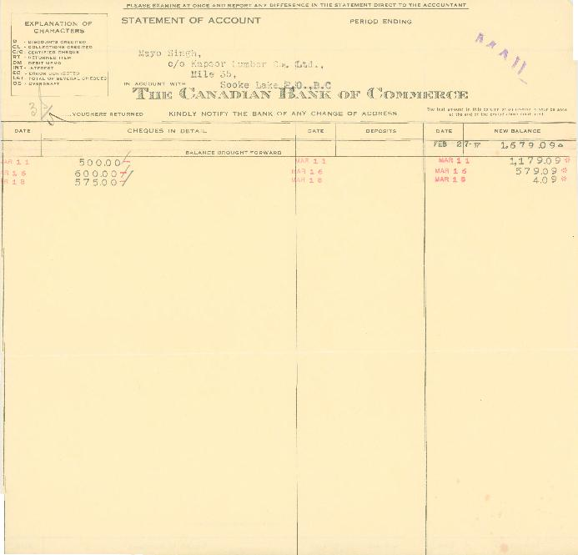 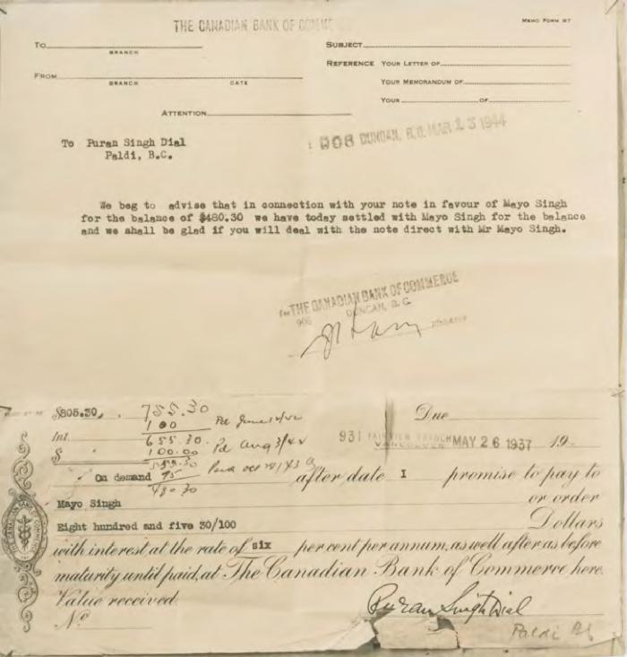 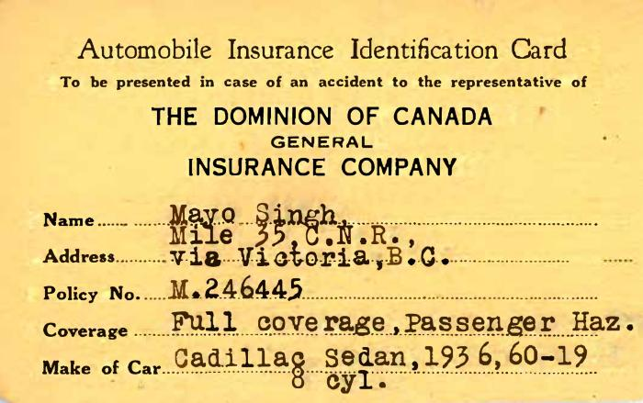 | [Automobile Insurance Identification Card of Mayo Singh] (2020_05_01_04_028) | Automobile Insurance Identification Card of Mayo Singh issued by the Dominion of Canada, General Insurance Company.
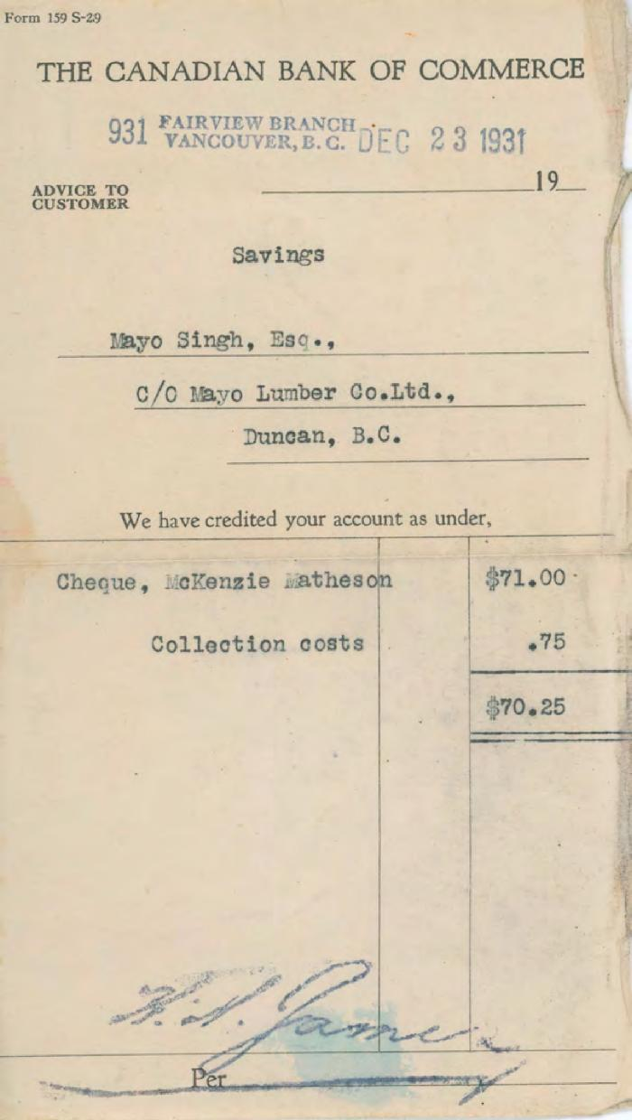
 | [Bank receipt from the Canadian Bank of Commerce to Mayo Singh] (2020_05_01_06_103) | Bank receipt from the Canadian Bank of Commerce to Mayo Singh regarding the savings account.
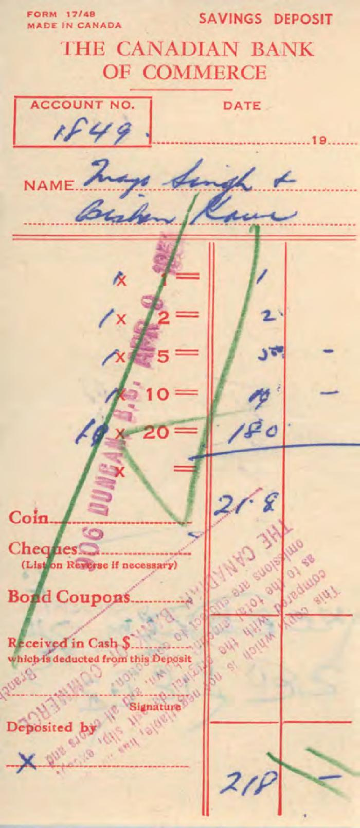
 | [Bank receipt from the Canadian Bank of Commerce to Mayo Singh and Bishan Kaur] (2020_05_01_06_230) | Bank receipts from the Canadian Bank of Commerce to Mayo Singh and Bishan Kaur.
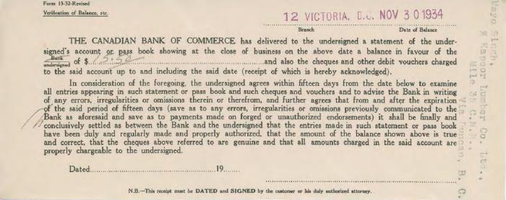 | [Bank statement from the Canadian Bank of Commerce to Mayo Singh] (2020_05_01_06_126) | Bank statement from the Canadian Bank of Commerce to Mayo Singh with a bank balance of $15.50.
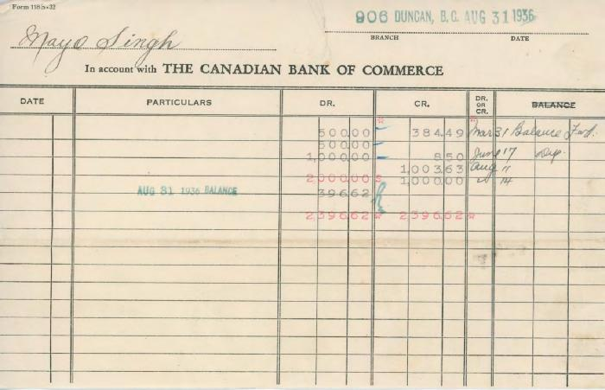 | [Bank statement from the Canadian Bank of Commerce to Mayo Singh] (2020_05_01_06_148) | Bank statement from the Canadian Bank of Commerce to Mayo Singh with a total amount of $2,396.62.
 | [Bank statement from the Canadian Bank of Commerce to Mayo Singh] (2020_05_01_06_155) | Bank statement from the Canadian Bank of Commerce to Mayo Singh.
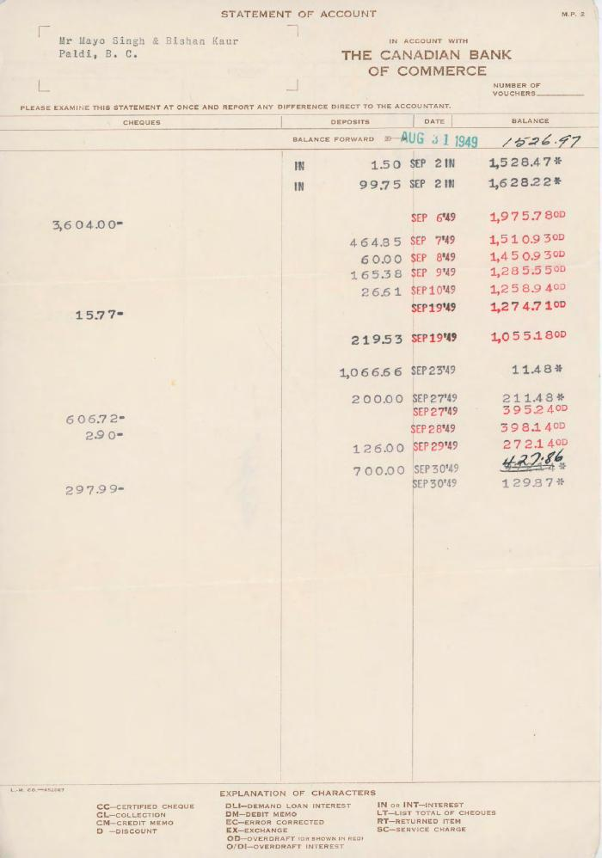
 | [Bank statement from the Canadian Bank of Commerce to Mayo Singh and Bishan Kaur] (2020_05_01_06_187) | Bank statement from the Canadian Bank of Commerce to Mayo Singh and Bishan Kaur.
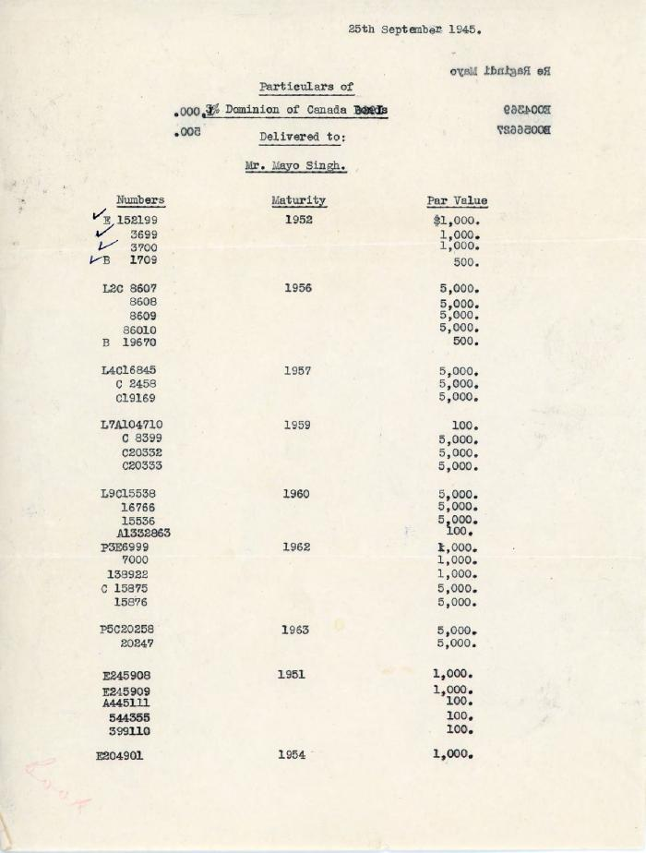
 | [Bond particulars for Mayo Singh from Dominion of Canada Bonds] (2020_05_01_11_025) | Particulars of Mayo Singh's Dominion of Canada bonds. Bond numbers are listed chronologically by their maturity dates. Each bond number's value is also listed.
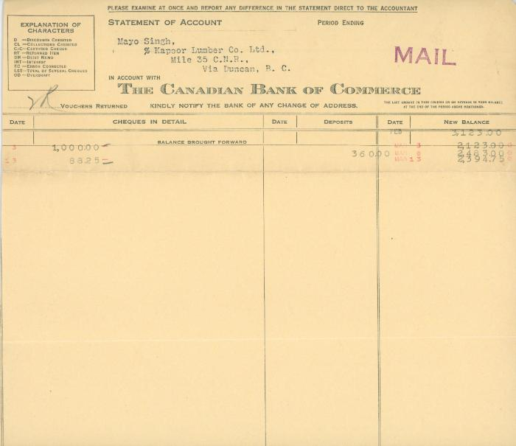 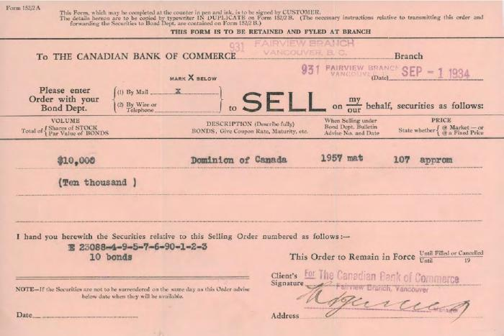 | [Bond receipt from the Canadian Bank of Commerce to Mayo Singh] (2020_05_01_06_127) | Bond receipt from the Canadian Bank of Commerce to Mayo Singh for the amount of $10,000 of Dominion of Canada coupons.
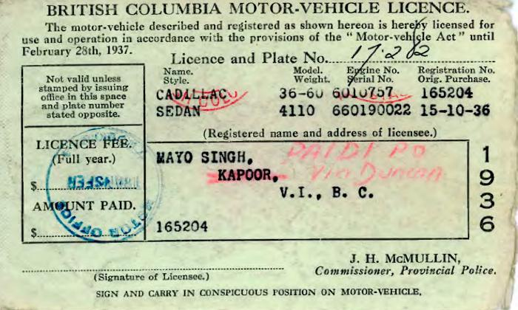 | [British Columbia Motor Vehicle Licence of Mayo Singh and Kapoor] (2020_05_01_04_025) | British Columbia Motor Vehicle Licence of Mayo Singh and Kapoor.
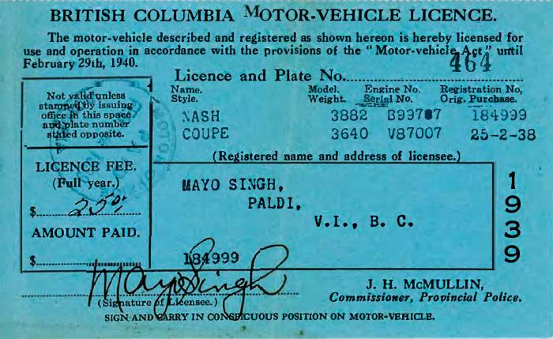 | [British Columbia Motor Vehicle Licence of Mayo Singh] (2020_05_01_04_032) | British Columbia Motor Vehicle Licence of Mayo Singh.
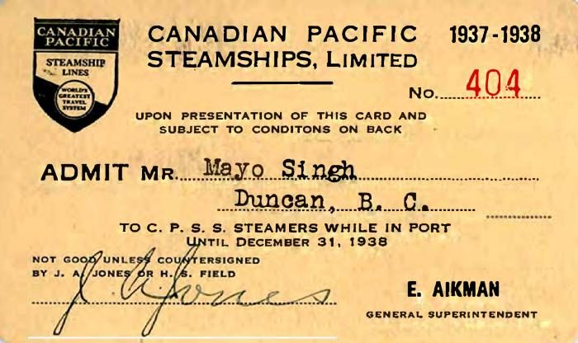 | [Canadian Pacific Steamships pass of Mayo Singh] (2020_05_01_04_027) | Canadian Pacific Steamships pass of Mayo Singh.
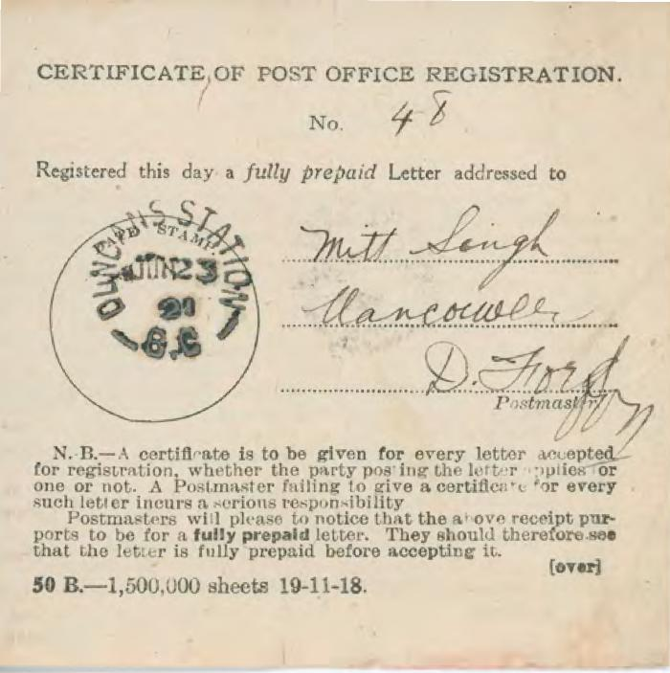
 | [Certificate of Post Office Registration addressed to Mitt Singh] (2020_05_01_06_046) | Certificate of post office registration number 48 addressed to Mitt Singh.
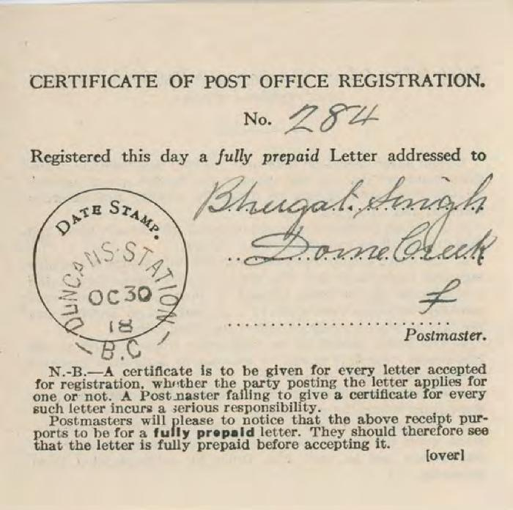
 | [Certificate of Post Office Registration addressed to Bhugat Singh] (2020_05_01_06_047) | Certificate of post office registration number 284 addressed to Bhugat Singh.
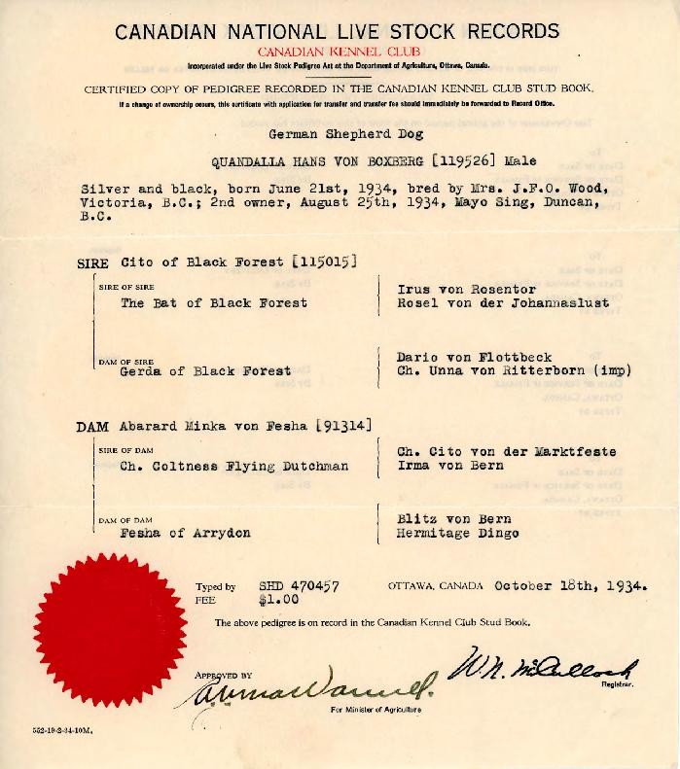
 | [Certified copy of the record of Quandalla Hans Von Boxberg in the Canadian National Live Stock Records] (2020_05_01_04_006) | Certified copy of pedigree recorded in the Canadian National Live Stock Records for Quandalla Hans Von Boxberg, a German Shepherd dog, bred by Mrs. J. F. O. Wood in Victoria, B.C. and owned by Mayo Singh.
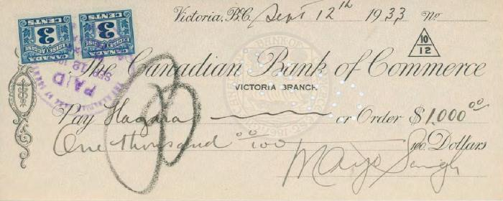 | [Cheque for Hugara signed by Mayo Singh] (2020_05_01_06_114) | Cheque for Hugara signed by Mayo Singh for the amount of $1,000.
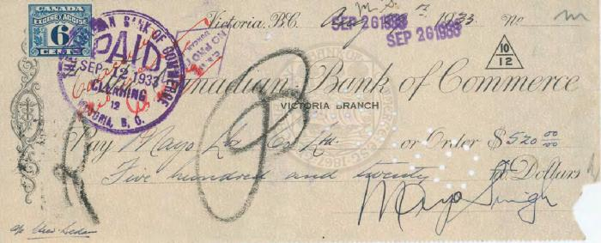 | [Cheque for Mayo Lumber Company Ltd. signed by Mayo Singh] (2020_05_01_06_115) | Cheque for Mayo Lumber Company Ltd. signed by Mayo Singh.
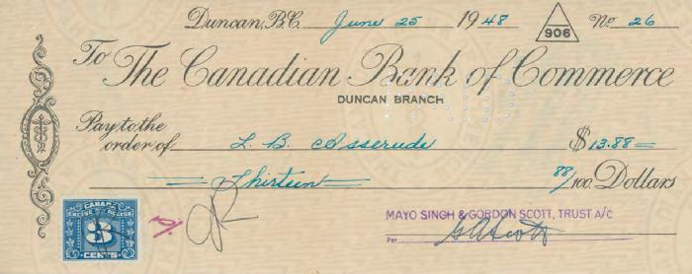 | [Cheque from Mayo Singh and Gordon Scott Trust to L. B. Asserude] (2020_05_01_06_163) | Cheque from Mayo Singh to Mayo Singh and Gordon Scott to L. B. Asserude.
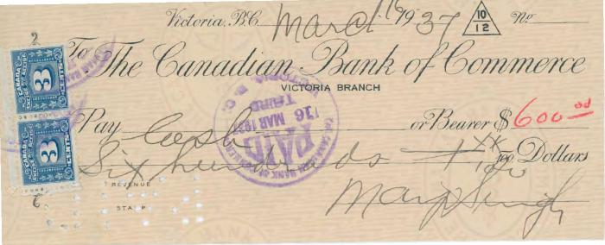 | [Cheque from Mayo Singh to [?]] (2020_05_01_06_150) | Cheque from Mayo Singh to an unidentified individual for the amount of $600.
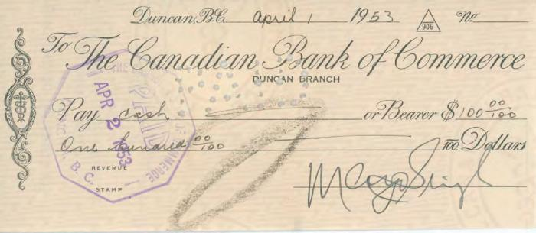 | [Cheque from Mayo Singh to [?]] (2020_05_01_06_190) | Cheque from Mayo Singh to an unidentified individual through the Canadian Bank of Commerce for $100.
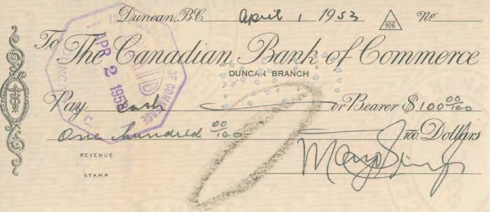 | [Cheque from Mayo Singh to [?]] (2020_05_01_06_191) | Cheque from Mayo Singh to an unidentified individual through the Canadian Bank of Commerce for $100.
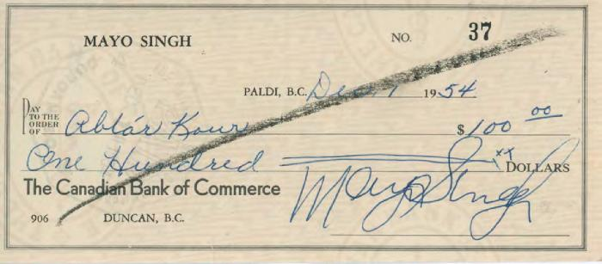 | [Cheque from Mayo Singh to Abtar Kaur] (2020_05_01_06_202) | Cheque from Mayo Singh to Abtar Kaur through the Canadian Bank of Commerce for the amount of $100.
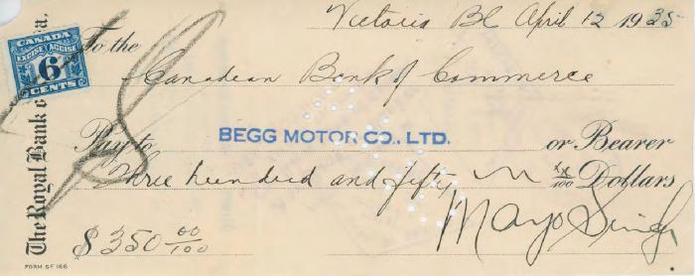 | [Cheque from Mayo Singh to Begg Motor Co. Ltd.] (2020_05_01_06_132) | Cheque from Mayo Singh to Begg Motor Co. Ltd. for the amount of $350.
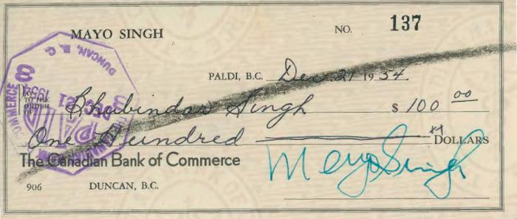 | [Cheque from Mayo Singh to Bhubinder Singh] (2020_05_01_06_205) | Cheque from Mayo Singh to Bhubinder Singh through the Canadian Bank of Commerce for the amount of $100.
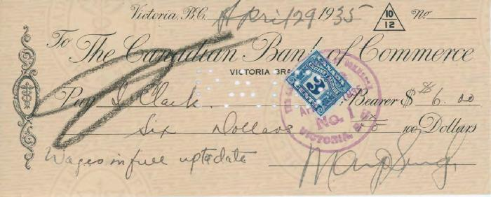 | [Cheque from Mayo Singh to Clark] (2020_05_01_06_136) | Cheque from Mayo Singh to Clark for the amount of $6.
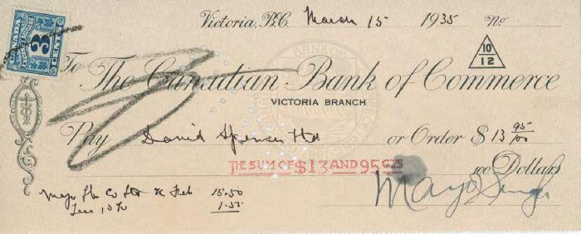 | [Cheque from Mayo Singh to David Spencer] (2020_05_01_06_131) | Cheque from Mayo Singh to David Spencer for the amount of $13.95.
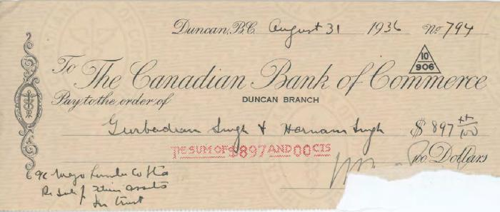 | [Cheque from Mayo Singh to Gurbadan Singh and Harnam Singh] (2020_05_01_06_147) | Cheque from Mayo Singh to Gurbadan Singh and Harnam Singh for the amount of $897.
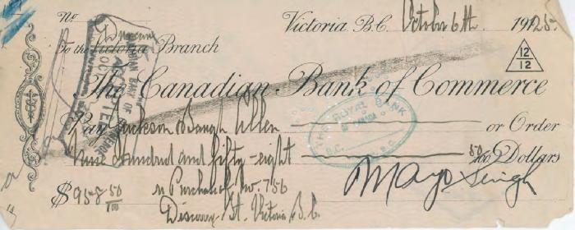 | [Cheque from Mayo Singh to Jackson Singh] (2020_05_01_06_081) | Cheque from Mayo Singh to Jackson Singh in the sum of $958.
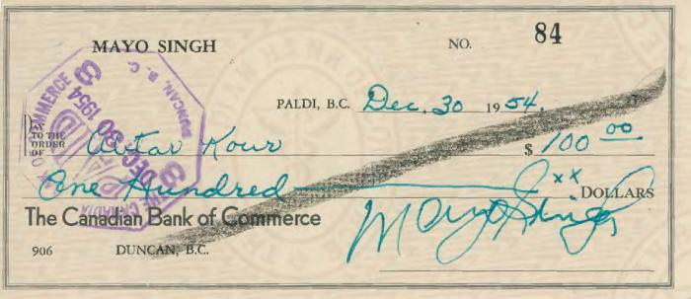 | [Cheque from Mayo Singh to Jogindar Kaur and Rajinder Singh Mayo] (2020_05_01_06_199) | Cheque from Mayo Singh to Jogindar Kaur and Rajinder Singh Mayo through the Canadian Bank of Commerce for the amount of $36,000.00.
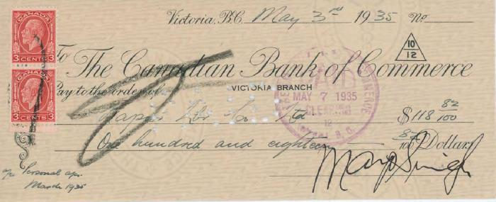 | [Cheque from Mayo Singh to Kapoor Lumber Co. Ltd.] (2020_05_01_06_138) | Cheque from Mayo Singh to Kapoor Lumber Co. Limited for the amount of $118.82.
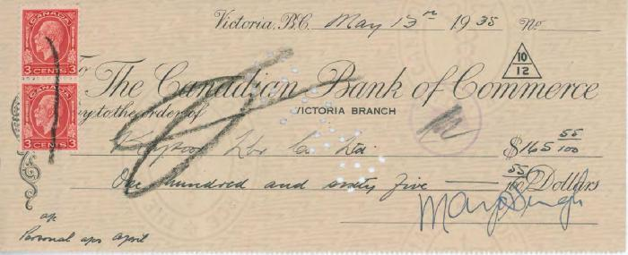 | [Cheque from Mayo Singh to Kapoor Lumber Co. Ltd.] (2020_05_01_06_139) | Cheque from Mayo Singh to Kapoor Lumber Co. Limited for the amount of $165.55.
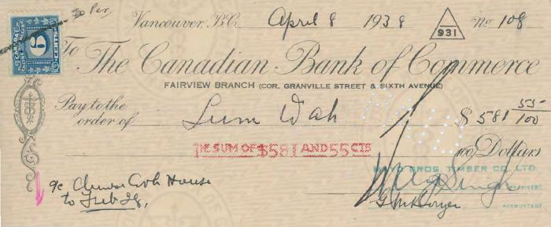 | [Cheque from Mayo Singh to Lum Wah] (2020_05_01_06_153) | Cheque from Mayo Singh to Lum Wah for the amount of $581.55.
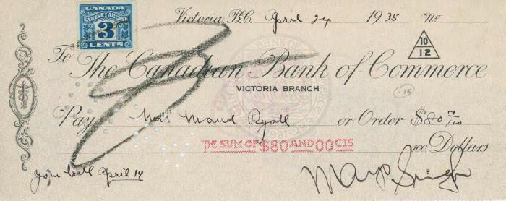 | [Cheque from Mayo Singh to Maud Ryall] (2020_05_01_06_133) | Cheque from Mayo Singh to Maud Ryall for the amount of $80.
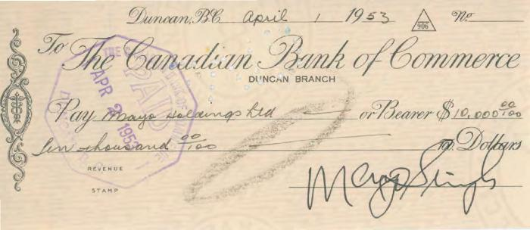 | [Cheque from Mayo Singh to Mayo Holdings Limited] (2020_05_01_06_189) | Cheque from Mayo Singh to Mayo Holdings Limited through the Canadian Bank of Commerce for $10,000.
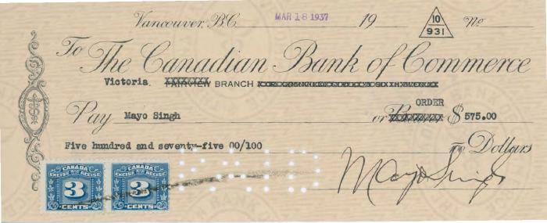 | [Cheque from Mayo Singh to Mayo Singh] (2020_05_01_06_151) | Cheque from Mayo Singh to Mayo Singh for the amount of $575.
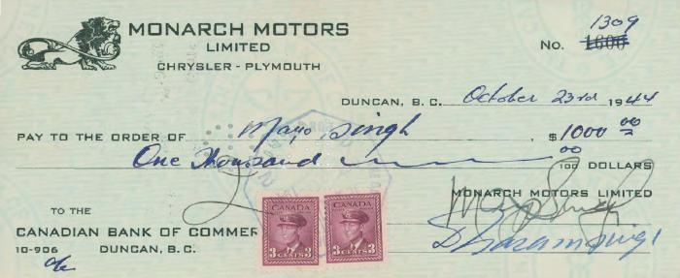 | [Cheque from Mayo Singh to Mayo Singh] (2020_05_01_06_162) | Cheque from Mayo Singh to Mayo Singh through Monarch Motors Limited.
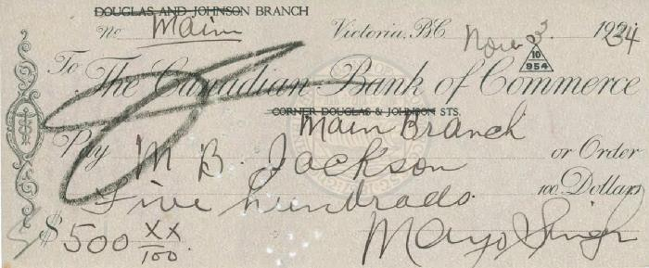 | [Cheque from Mayo Singh to M. B. Jackson] (2020_05_01_06_125) | Cheque from Mayo Singh to M. B. Jackson for the amount of $500.
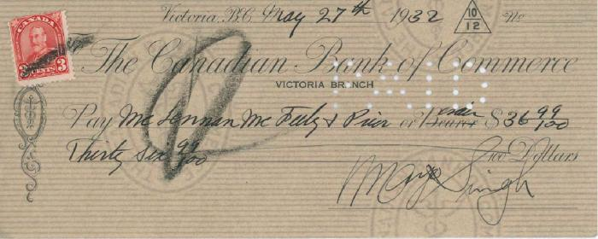 | [Cheque from Mayo Singh to Mc Lennan] (2020_05_01_06_107) | Cheque from Mayo Singh to Mc Lennan for the amount of $36.99.
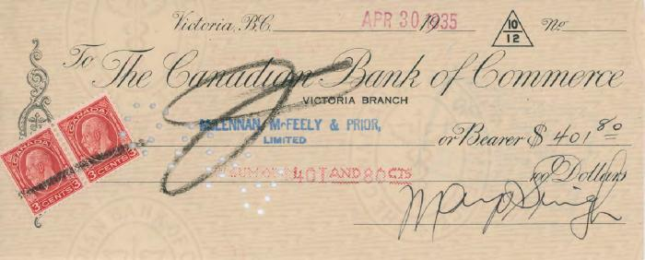 | [Cheque from Mayo Singh to McLennan McFeely & Prior Limited] (2020_05_01_06_137) | Cheque from Mayo Singh to McLennan, McFeely & Prior, Limited for the amount of $401.80.
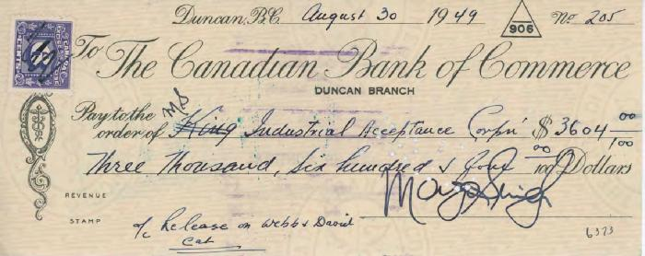 | [Cheque from Mayo Singh to Ms Industrial Acceptance Corp] (2020_05_01_06_166) | Cheque from Mayo Singh to Ms Industrial Acceptance Corp through the Canadian Bank of Commerce.
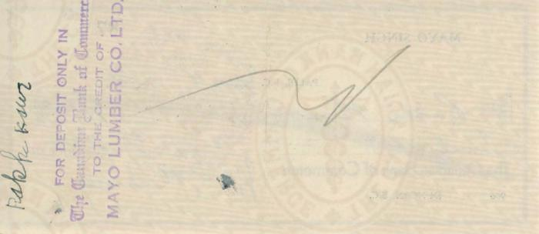 | [Cheque from Mayo Singh to Rakhi Kaur] (2020_05_01_06_197) | Cheque from Mayo Singh to Rakhi Kaur through the Canadian Bank of Commerce for the amount of $12.40.
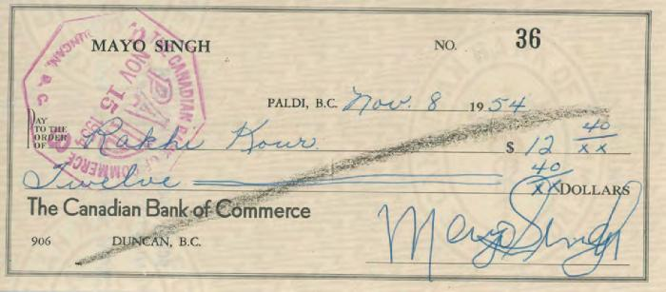 | [Cheque from Mayo Singh to Rakhi Kaur] (2020_05_01_06_201) | Cheque from Mayo Singh to Rakhi Kaur through the Canadian Bank of Commerce for the amount of $12.46.
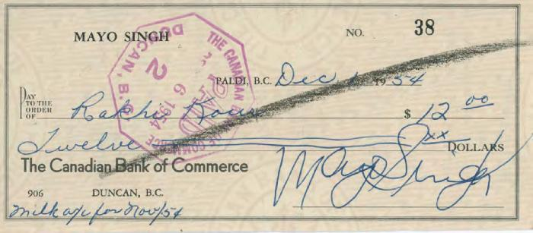 | [Cheque from Mayo Singh to Rakhi Kaur] (2020_05_01_06_203) | Cheque from Mayo Singh to Rakhi Kaur through the Canadian Bank of Commerce for the amount of $12.
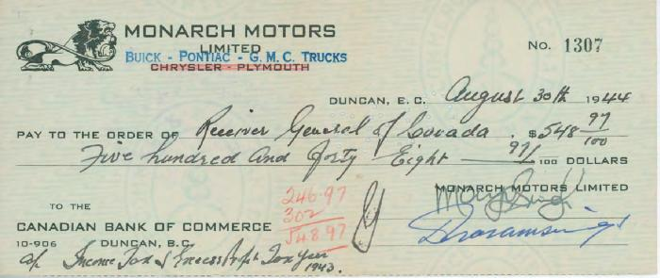 | [Cheque from Mayo Singh to Receiver General of Louvada] (2020_05_01_06_161) | Cheque from Mayo Singh to Receiver General of Louvada through Receiver General of Louvada.
 | [Cheque from Mayo Singh to R. T. Campbell] (2020_05_01_06_134) | Cheque from Mayo Singh to R. T. Campbell for the amount of $75.
 | [Cheque from Mayo Singh to Sunny Brar Dairies Limited] (2020_05_01_06_196) | Cheque from Mayo Singh to Sunny Brar Dairies Limited through the Canadian Bank of Commerce for the amount of $24.76.
 | [Cheque from Mayo Singh to Sunny Brar Dairies Limited] (2020_05_01_06_198) | Cheque from Mayo Singh to Rakhi Kaur through the Canadian Bank of Commerce for the amount of $29.56.
 | [Cheque from Mayo Singh to Sunny Brar Dairies Limited] (2020_05_01_06_200) | Cheque from Mayo Singh to Sunny Brar Dairies Limited through the Canadian Bank of Commerce for the amount of $20.97.
 | [Cheque from Mayo Singh to Sunny Brar Dairies Limited] (2020_05_01_06_204) | Cheque from Mayo Singh to Sunny Brar Dairies Limited through the Canadian Bank of Commerce for the amount of $15.49.
 | [Cheque from Mayo Singh to Sunny Brar Dairy Limited] (2020_05_01_06_192) | Cheque from Mayo Singh to Sunny Brar Dairy Limited through the Canadian Bank of Commerce for the amount of $37.58.
 | [Cheque from Mayo Singh to Sunny Brar Dairy Limited] (2020_05_01_06_193) | Cheque from Mayo Singh to Sunny Brar Dairy Limited through the Canadian Bank of Commerce for the amount of $29.50.
 | [Cheque from Mayo Singh to Sunny Brar Dairy Limited] (2020_05_01_06_194) | Cheque from Mayo Singh to Sunny Brar Dairy Limited through the Canadian Bank of Commerce for the amount of $21.87.
 | [Cheque from Mayo Singh to Sunny Brar Diaries Limited] (2020_05_01_06_167) | Cheque from Mayo Singh to Sunny Brar Diaries Limited through the Canadian Bank of Commerce.
 | [Cheque from Mayo Singh to the King's Daughter's Hospital] (2020_05_01_06_135) | Cheque from Mayo Singh to the King's Daughter's Hospital for the amount of $107.
 | [Cheque from Mayo Singh to the Motor House Ltd.] (2020_05_01_06_140) | Cheque from Mayo Singh to the Motor House Ltd. for the amount of $350.
 | [Cheque from Mayo Singh to Tyee Machinery Co. Limited] (2020_05_01_06_146) | Cheque from Mayo Singh to Tyee Machinery Co. Limited for the amount of $700.
 | [Cheque from Mayo Singh to Waldie Motors Limited] (2020_05_01_06_160) | Cheque from Mayo Singh to Waldie Motors Limited through Monarch Motors Limited and the Canadian Bank of Commerce.
 | [Cheque from Mayo Singh to Workmen's Compensation Board] (2020_05_01_06_159) | Cheque from Mayo Singh to Workmen's Compensation Board through Monarch Motors Limited.
 | [Cheque of $200 for M. Ishida signed by Mayo Singh] (2020_05_01_06_101) | Cheque in the sum of $200 for M. Ishida signed by Mayo Singh.
 | [Collector's Notice of Taxes for 1927] (2020_05_01_05_006) | Collector's notice of taxes for Mayo Singh for the year 1927. The total amount payable is 21.58 dollars.
 | [Complimentary ticket for the seventy-second annual fall fair organised by the Cowichan Agricultural Society] (2020_05_01_04_018) | Complimentary ticket sent to Mayo Singh inviting him for the seventy-second annual fall fair organised by the Cowichan Agricultural Society.
 | [Contract note from the Canadian Bank of Commerce to G. T. Clarkson and R. E. Weldon] (2020_05_01_06_118) | Contract note from the Canadian Bank of Commerce to G. T. Clarkson and R. E. Weldon regarding Dominion of Canada bonds.
 | [Debit note from the Canadian Bank of Commerce] (2020_05_01_06_104) | Debit note from the Canadian Bank of Commerce to Mayo Singh.

 | [Declaration of articles acquired abroad form completed by Mayo Singh] (2020_05_01_04_012) | Canada Customs' declaration of articles acquired abroad form completed by Mayo Singh.

 | [Department of National Revenue's notice of assessment regarding the estate of Mayo Singh] (2020_05_01_04_014) | Computation showing residue of estate of Mayo Singh available for distribution based on notice of assessment by the Department of National Revenue dated June 12, 1959.
 | [Descriptive handwritten list of equipment to be delivered to Kapoor Lumber Company Ltd.] (2020_05_01_11_007) | Descriptive handwritten list of equipment to be delivered to Kapoor Lumber Company Ltd. Total price of equipment is $2090.00.
 | [Draft from John [?] to Mayo Singh] (2020_05_01_06_113) | Draft from John [?] to Mayo Singh.

 | [Duncan Station receipt from Mayo Singh to Arjan Singh] (2020_05_01_06_056) | Duncan Station receipt from Mayo Singh to Arjan Singh in the sum of 20 cents.

 | [Duplicate letter from S. N. Reid, Dominion Immigration Agent, to Mayo Singh] (2020_05_01_07_009) | Duplicate letter from S. N. Reid, Dominion Immigration Agent, to Mayo Singh regarding the permission to bring his two sons named Bishen Singh and Shanker Singh to Canada.
 | [Envelope from Kapoor Lumber Co. Ltd. to Mayo Singh] (2020_05_01_05_015) | Envelope from Kapoor Lumber Co. Ltd. to Mayo Singh.
 | Family group : Mrs. Mayo holding child, Hill 60 in background (2020_06_07_172) | Image of the Mayo family in front of Hill 60. Bishan Kaur is holding a child.

 | [Fate draws families together] (2020_06_07_01_021) | Newspaper clipping titled "Fate draws families together" from page 34 of The Cowichan News Leader, October 16, 1986, written by Joan Mayo. This article highlights the friendship of two families created by fate.
 | [Form of debit for Mayo Singh] (2020_05_01_06_176) | Form of debit for Mayo Singh through the Canadian Bank of Commerce for the amount of $506.72.
 | [Form of debit for Mayo Singh] (2020_05_01_06_177) | Form of debit for Mayo Singh through the Canadian Bank of Commerce for the amount of $297.99.
 | [Form of debit for Mayo Singh] (2020_05_01_06_182) | Form of debit for Mayo Singh from the Canadian Bank of Commerce.
 | [Form of debit for Mayo Singh] (2020_05_01_06_183) | Form of debit for Mayo Singh from the Canadian Bank of Commerce of a value of $2.90.
 | [Form of debit from Mayo Singh to Mayo Singh] (2020_05_01_06_246) | Form of debit for Mayo Singh through the Canadian Bank of Commerce for the amount of $50.00.
 | [Form of debit from Mayo Singh to Mayo Singh] (2020_05_01_06_247) | Form of debit for Mayo Singh through the Canadian Bank of Commerce for the amount of $1,815.94.
 | [Form of debit from Mayo Singh to Mayo Singh] (2020_05_01_06_248) | Form of debit for Mayo Singh through the Canadian Bank of Commerce for the amount of $550.
 | [Form of debit from Mayo Singh to Mayo Singh] (2020_05_01_06_249) | Form of debit for Mayo Singh through the Canadian Bank of Commerce for the amount of $66.39.
 | [Form of debit from Mayo Singh to Monarch Motors Limited] (2020_05_01_06_207) | Form of debit from Mayo Singh to Monarch Motors Limited through the Canadian Bank of Commerce.
 | [Form of debit from the Canadian Bank of Commerce to Mayo Singh] (2020_05_01_06_208) | Form of debit from the Canadian Bank of Commerce to Mayo Singh regarding the transfer of INR 1,380 to Punjab National Bank Limited in Mahilpur.

 | [Green savings account booklet from The Royal Bank of Canada in Victoria, B.C.] (2020_05_01_13_003) | Green savings account booklet from The Royal Bank of Canadai n Victoria, B.C. Includes record of deposits and withdrawals from 1925 to 1935.

 | [Green savings account booklet of Mayo Singh from The Royal Bank of Canada in Victoria, B.C.] (2020_05_01_13_004) | Green savings account booklet of Mayo Singh from The Royal Bank of Canada in Victoria, B.C. Includes record of deposits and withdrawals from 1931 to 1937.

 | [Handwritten list of furniture to be shipped to Kapoor Lumber Co.] (2020_05_01_11_003) | Handwritten list of furniture to be delivered to Kapoor Lumber Co. Prices are listed for each item, totalling $75.00.
 | [Handwritten note to Mayo Singh and Kapoor Singh from S. Cowan] (2020_05_01_11_012) | Handwritten note from S. Cowan to Mayo Singh and Kapoor Singh seeking approval to close the books for 1934. Also includes manufacturing, profit, and loss accounts compiled for Mayo Singh and Kapoor Singh.

 | [Immigrants given vote] (2020_06_07_01_036) | Newspaper clipping titled "Immigrants given vote" from page 22 of The Cowichan News Leader, March 12, 1987, written by Joan Mayo. In this article, Joan shares her conversation with a local real estate agent Karm Singh about how East Indians were given the right to vote.

 | [Immigration Identification Card of Mayo Singh] (2020_05_01_04_001) | Immigration Identificaton Card of Mayo Singh to be shown to the examining officer at the port of arrrival in Canada, stamped at Sidney Airport, B. C.
 | [Immigration Identification Card of Mayo Singh] (2020_05_01_07_012) | Immigration Identification Card of Mayo Singh for the third calss on R. M. S. Antonia.

 | [Insurance policy of Ah Lee with the Quebec Fire Assurance Company] (2020_05_01_04_009) | Insurance policy of Ah Lee (Wah Lee) with the Quebec Fire Assurance Company concerning a one story frame building with shingle roof in Esquimalt District, B. C.

 | [Invoice from The Government of the Province of British Columbia, Forest Branch re: the Cowichan Lake timber land] (2020_05_01_05_003) | Invoice from The Government of the Province of British Columbia, Forest Branch re: the Cowichan Lake timber land.

 | [Itemized list of materials to be loaded into train cars to be delivered to Kapoor Lumber Co. Ltd.] (2020_05_01_11_002) | Itemized list of materials to be loaded into train cards in Blanchard, Washington, arranged by Mayo Singh, to be delivered to Kapoor Lumber Co. Ltd. Total price is $4000.00, with $2000.00 payable from the Treasurer of the Star Machinery co.

 | [Letter from A. C. Baker, Canadian Bank of Commerce, to Mayo Singh] (2020_05_01_06_250) | Letter from the Canadian Bank of Commerce to Mayo Singh regarding the receipt of Canada coupons amounting to $8,952.00.

 | [Letter from A. E. Robinson to Mayo Singh] (2020_05_01_07_031) | Letter from A. E. Robinson to Mayo Singh regarding the telegrams passed between their office and the San Francisco office branch.

 | [Letter from Assistant Director, Department of Immigration and Colonization, to Messrs. Thos. Cook & Son] (2020_05_01_07_013) | Letter from Assistant Director, Department of Immigration and Colonization, to Messrs. Thos. Cook & Son regarding the permission for Mr. Singh and party to sail from Southampton to Duncan, B. C. by the R. M. S. Antonia.

 | [Letter from Assistant Director, Department of Immigration and Colonization, to Messrs. Thos. Cook & Son] (2020_05_01_07_037) | Framed letter from Assistant Director, Department of Immigration and Colonization, to Messrs. Thos. Cook & Son regarding the permission for Mr. Singh and party to sail from Southampton to Duncan, B. C. by the R. M. S. Antonia.

 | [Letter from Bhai Singh Saina to the Royal Bank of Canada] (2020_05_01_06_059) | Letter from Bhai Singh Saina from the Mayo Lumber Company to the Royal Bank of Canada.

 | [Letter from B. W. W. Cocks to Mayo Singh] (2020_05_01_06_185) | Letter from the Manager, B. W. W. Cocks from the Canadian Bank of Commerce to Mayo Singh regarding the passbook that covers new account name, Mayo Investments Holding Company Ltd.

 | [Letter from [?], Deputy Minister to the Mayor of Duncan, B. C.?] (2020_05_01_07_023) | Letter from [?], Deputy Minister to the Mayor of Duncan, B. C.? regarding the case of Ganda Singh.

 | [Letter from D. N. McDonell, A/District Superintendent, Department of Mines and Resources to Mayo Bros. Timber Co. Ltd.] (2020_05_01_01_029) | Letter from D. N. McDonell, A/District Superintendent, Immiigration Branch, Department of Mines and Resources to Mayo Bros. Timber Co. Ltd. regarding Mayo Singh's passport and travel permissions.

 | [Letter from Dominion Immigration Agent to Mayo Singh] (2020_05_01_07_036) | Framed letter from Dominion Immigration Agent to Mayo Singh regarding Bishen Singh and Shanker Singh.

 | [Letter from G. A. Scott, Summit Logging & Lumber Company Limited to C. E. Blaney, Jr. Capital Travel Service] (2020_05_01_08_024) | Letter from G. A. Scott, Summit Logging & Lumber Company Limited to C. E. Blaney, Jr. Capital Travel Service describing the enclosure of letters from Mayo Lumber Co. Ltd. and Summit Logging & Lumber Co. Ltd., and two bank passbooks. Includes five letters of support related to Karnail's application.

 | [Letter from G. A. Scott to Canadian Immigration] (2020_05_01_08_025) | Letter from Summit Logging & Lumber Company Co. Ltd. to Canadian Immigration regarding Mayo Singh's purchase of the mill and change of company name to Summit Logging & Lumber Company Limited in 1946. It also notes Jogindar Kaur's experience and position at Mayo Lumber Co. (1943) Ltd. and at Summit Logging & Lumber Co. Ltd. as well as her Canadian citizenship, hoping this information will incur favourable consideration.

 | [Letter from G. A. Scott to Canadian Immigration] (2020_05_01_08_028) | Letter from Summit Logging & Lumber Company Co. Ltd. to Canadian Immigration regarding Mayo Singh's purchase of the mill and change of company name to Summit Logging & Lumber Company Limited in 1946. It also notes Jogindar Kaur's experience and position at Mayo Lumber Co. (1943) Ltd. and at Summit Logging & Lumber Co. Ltd. as well as her Canadian citizenship, hoping this information will incur favourable consideration.

 | [Letter from Harry. G. Johnston, Barrister & Solicitor, to W. H. James, Manager at The Canadian Bank of Commerce] (2020_05_01_01_027) | Letter from Harry. G. Johnston, Barrister & Solicitor, to W. H. James, Manager, The Canadian Bank of Commerce regarding a promissory note to Mayo Singh.

 | [Letter from [?], House of Commons, Canada to Harry [?]] (2020_05_01_01_024) | Letter from [?], House of Commons, Canada to Harry[?] introducing Mayo Singh.

 | [Letter from H. T. Reed, Manager, Bank of Montreal to Mayo Singh] (2020_05_01_06_096) | Letter from H. T. Reed, Manager, Bank of Montreal to Mayo Singh regarding a transfer.

 | [Letter from J. A. Byers to Karnail Singh] (2020_05_01_08_051) | Letter from J. A. Byers to Karnail Singh including a copy of his account and fees due for services rendered over his immigration case. He notes he had already forwarded the account to Mayo Singh, but as Mayo had stated he had nothing to do with the matter, Mr. Byers is sending it to Karnail requesting his attention to the matter.

 | [Letter from J. A. Byers to Mayo Singh] (2020_05_01_08_056b) | Letter from J. A. Byers to Mayo Singh postponing their meeting due to business in Port Alberni, Nanaimo, and Victoria. He invites Mayo to Victoria.

 | [Letter from J. A. Byers to Mayo Singh and Karnail Singh] (2020_05_01_08_056c) | Letter from J. A. Byers to Mayo Singh and Karnail Singh with intentions to send Mayo a more detailed account of the services rendered by his firm. He includes that there are requisite particulars required by the Legal Professions act.

 | [Letter from J. A. Cunningham, Fernridge Lumber Company Limited, to Mayo Singh] (2020_05_01_04_002) | Letter from J. A. Cunningham, Fernridge Lumber Company Limited, to Mayo Singh regarding the lease of Rosedale Mill. Includes detailed statements of all claims for wages against the estate.

 | [Letter from J. Dorman to Mayo Singh as bearer of letter] (2020_05_01_08_029) | Letter from J. Dorman to whom it may concern that Mayo Singh is a well known resident of Paldi and a Canadian citizen.

 | [Letter from J. H. McMullin, Commissioner, B. C. Police to S. Cowan Kapoor Lumber Company] (2020_05_01_01_025) | Letter from J. H. McMullin, Commissioner, B.C. Police to S. Cowan, Kapoor Lumber Company regarding a weapon permit for Mayo Singh.

 | [Letter from J. Islay Mutter, E. G. Sanford, A. B. Thorp, A. Peterson and David Ford to the Minister of immigration] (2020_05_01_07_022) | Letter from J. Islay Mutter, E. G. Sanford, A. B. Thorp, A. Peterson and David Ford to the Minister of immigration regarding the request for Ganda Singh to be allowed to stay in Canada as a resident and to continue in the business with the Mayo Lumber Company Limited.

 | [Letter from John H. Wade to Rajindi S. Mayo] (2020_05_01_14_007) | Letter from John H. Wade, president of the Board of Trustees of the Queen Alexandra Solarium for Crippled Children, to Rajindi S. Mayo thanking him for his and his family's generosity in supporting the solarium. He also regrets to inform him that their arrangement cannot continue due to a pending merger.

 | [Letter from John S. Holdstock to Rajindi S. Mayo] (2020_05_01_14_008) | Letter from John S. Holdstock, administrator at Queen Alexandra Solarium for Crippled Children, to R. S. Mayo thanking him for his suggestions regarding the wording for the plaque commemorating the Mayo family's generosity.

 | [Letter from Kapoor Lumber Co. Ltd. to L. C. Lytton] (2020_05_01_11_016) | Copy of letter from Kapoor Lumber Co. Ltd. to Mr. L. C. Lytton noting the enclosure of two cheques: one from Kapoor Lumber Co., one from Summit Lumber Co. Ltd., intended for the purchase of Bloch 36 Malahat and other acreage.

 | [Letter from Mayo Singh to Ganda Singh] (2020_05_01_07_005) | Letter from Mayo Singh to Ganda Singh regarding his arrival in London with his family along with the information about Naranjan.

 | [Letter from M. B. Jackson to Mayo Singh] (2020_05_01_07_020) | Letter from M. B. Jackson, Barrister & Solicitor, to Mayo Singh regarding Nicholson Street taxes, Banta Singh bonds, and Mrs. Byron.

 | [Letter from N. R. Craig, Secretary-Treasurer to Mayo Singh] (2020_05_01_02_011) | Letter from N. R. Craig, Secretary-Treasurer, The King's Daughters' Hospital, to Mayo Singh thanking him for providing the dinner at the hospital on Sunday.

 | [Letter from Rajindi S. Mayo to John. S. Holdstock] (2020_05_01_14_009) | Letter from R. S. Mayo to John S. Holdstock approving the wording for the plaque to commemorate Mayo Singh's generosity. He does suggest that they omit a word which humbles the message conveyed on the plaque.

 | [Letter from R. S. Ross to Mayo Singh] (2020_05_01_06_180) | Letter from the manager of the Canadian Bank of Commerce, R. S. Ross to Mayo Singh regarding the sales $13,000 D/C 3/54 bonds and replacement of them with $13,000.

 | [Letter from S.A.S. Khalsa High School to Mr. Mindi S. Mayo Singh and Mrs. Mindi S. Mayo Singh ] (2020_05_01_14_003) | Letter from the S.A.S. Khalsa High School in Paldi, Hoshiarpur to Mr. Mindi S. Mayo Singh and Mrs. Mindi S. Mayo Singh welcoming them to India. The writer thanks them for Mayo Singh's donations and generosity and assures the school is considered the top most institution with Ilaqa. The writer goes on to ask the addressees for a contribution to their fundraiser wherein they need to raise one Lac to secure a two Lac grant from the government.

 | [Letter from S. N. Reid, Dominion Immigration Agent, to Mayo Singh] (2020_05_01_07_008) | Letter from S. N. Reid, Dominion Immigration Agent, to Mayo Singh regarding the permission to bring his two sons named Bishen Singh and Shanker Singh to Canada.

 | [Letter from the Canadian Bank of Commerce in New Westminster, B.C to Mayo Singh] (2020_05_01_06_057) | Letter from the Canadian Bank of Commerce in New Westminster, B.C to Mayo Singh enclosing his pass book.
 | [Letter from the Canadian Bank of Commerce to Mayo Singh] (2020_05_01_06_129) | Letter and envelope from the Canadian Bank of Commerce to Mayo Singh.
 | [Letter from the Canadian Bank of Commerce to Mayo Singh] (2020_05_01_06_142) | Letter from the Canadian Bank of Commerce to Mayo Singh regarding the hold of cheque.
 | [Letter from the Canadian Bank of Commerce to Mayo Singh] (2020_05_01_06_173) | Letter from the Canadian Bank of Commerce to Mayo Singh regarding the credit deposited to the savings account of Mayo Singh.
 | [Letter from the Canadian Bank of Commerce to Mayo Singh] (2020_05_01_06_174) | Letter from the Canadian Bank of Commerce to Mayo Singh regarding the credit deposited to the current account.
 | [Letter from the Canadian Bank of Commerce to Mayo Singh] (2020_05_01_06_186) | Letter from the Canadian Bank of Commerce to Mayo Singh.
 | [Letter from the Canadian Bank of Commerce to Mayo Singh] (2020_05_01_06_235) | Letter of advice from the Canadian Bank of Commerce to Mayo Singh regarding the amount of $300 credited to C/A account.

 | [Letter from the National Bank of India Limited to Mayo Singh] (2020_05_01_06_089) | Letter from the National Bank of India Limited to Mayo Singh.

 | [Letter from [?] to R. W. Mayhew] (2020_05_01_07_019) | Letter from [?] to R. W. Mayhew regarding Ganda Singh and Dharam Singh.

 | [Letter from [?] to the Department of Immigration and Colonization] (2020_05_01_07_016) | Letter from [?] to the Department of Immigration and Colonization regarding Bishen Singh and Shanker Singh.

 | [Letter from West Coast Collieries Ltd. to John Hunt regarding land at Boat Harbour] (2020_05_01_01_021) | Letter from West Coast Collieries Ltd. to John Hunt (General Manager, Western Fuel Corp. of Canada Ltd.) regarding land at Boat Harbour.

 | [Letter from Williams, Harvey and Davie to Oscar Harder regarding conveyances and transfers - Mayo Singh to Jindo Mayo] (2020_05_01_02_001) | Letter from Williams, Harvey and Davie (Barristers, Solicitors and Notaries Public) to Oscar Harder regarding conveyances of Duncan real estate, Victoria real estate, Garibaldi timber licenses, and a Bill of Sale covering logging equipment at Garibaldi. Includes a white envelope with a blue 5c Canada stamp.

 | [Letter from W. J. F. Ross, Assistant Manager, Securities Department, to The Liquidators of the Home Bank of Canada] (2020_05_01_01_007) | Letter from W. J. F. Ross, Assistant Manager, Securities Department, to The Liquidators of the Home Bank of Canada regarding security bonds of Mayo Singh and Bishan Kore.

 | [Letter from W. T. Cook, Pro Manager, The Canadian Bank of Commerce, to Mayo Singh] (2020_05_01_06_117) | Letter from W. T. Cook, Pro Manager, The Canadian Bank of Commerce, to Mayo Singh.

 | [Letter from W. T. Cook to Mayo Singh] (2020_05_01_06_128) | Letter from W. T. Cook to Mayo Singh regarding the cheque of $500 from Chu Sing Hor.

 | [Letter of advice from the Canadian Bank of Commerce to Mayo Singh, Duncan] (2020_05_01_06_070) | Letter of advice from the Canadian Bank of Commerce to Mayo Singh, Duncan.

 | [Letter of advice from the Canadian Bank of Commerce to Mayo Singh] (2020_05_01_06_108) | Letter of advice from the Canadian Bank of Commerce to Mayo Singh regarding the lodging of 10 bonds for $1,000 each.

 | [Letter of advice from the Canadian Bank of Commerce to Mayo Singh] (2020_05_01_06_119) | Letter of advice from the Canadian Bank of Commerce to Mayo Singh regarding the deposit of a sum of $33.75 dominion of Canada coupons.

 | [Letter of advice from the Canadian Bank of Commerce to Mayo Singh] (2020_05_01_06_120) | Letter of advice from the Canadian Bank of Commerce to Mayo Singh regarding the deposit of a sum of $10,000 dominion of Canada bonds.

 | [Letter of advice from the Canadian Bank of Commerce to Mayo Singh] (2020_05_01_06_121) | Letter of advice from the Canadian Bank of Commerce to Mayo Singh regarding the deposit of a sum of $4,500 dominion of Canada bonds.
 | [Letter of advice from the Canadian Bank of Commerce to Mayo Singh] (2020_05_01_06_236) | Letter of advice from the Canadian Bank of Commerce to Mayo Singh regarding the amount of $300 credited to C/A account.
 | [Letter of advice from the Canadian Bank of Commerce to Mayo Singh] (2020_05_01_06_237) | Letter of advice from the Canadian Bank of Commerce to Mayo Singh regarding the amount of $300 credited to C/A account.
 | [Letter of advice from the Canadian Bank of Commerce to Mayo Singh] (2020_05_01_06_238) | Letter of advice from the Canadian Bank of Commerce to Mayo Singh regarding the amount of $300 credited to C/A account.
 | [Letter of advice from the Canadian Bank of Commerce to Mayo Singh] (2020_05_01_06_239) | Letter of advice from the Canadian Bank of Commerce to Mayo Singh regarding the amount of $300 credited to C/A account.
 | [Letter of advice from the Canadian Bank of Commerce to Mayo Singh] (2020_05_01_06_240) | Letter of advice from the Canadian Bank of Commerce to Mayo Singh regarding the amount of $300 credited to C/A account.
 | [Letter of advice from the Canadian Bank of Commerce to Mayo Singh] (2020_05_01_06_241) | Letter of advice from the Canadian Bank of Commerce to Mayo Singh regarding the amount of $300 credited to C/A account.
 | [Letter of advice from the Canadian Bank of Commerce to Mayo Singh] (2020_05_01_06_242) | Letter of advice from the Canadian Bank of Commerce to Mayo Singh regarding the amount of $300 credited to C/A account.
 | [Letter of advice from the Canadian Bank of Commerce to Mayo Singh] (2020_05_01_06_243) | Letter of advice from the Canadian Bank of Commerce to Mayo Singh regarding the amount of $239 credited to C/A account.
 | [Letter of advice from the Canadian Bank of Commerce to Mayo Singh] (2020_05_01_06_244) | Letter of advice from the Canadian Bank of Commerce to Mayo Singh regarding the amount of $300 credited to C/A account.
 | [Letter of advice from the Canadian Bank of Commerce to Mayo Singh] (2020_05_01_06_245) | Letter of advice from the Canadian Bank of Commerce to Mayo Singh regarding the amount of $300 credited to C/A account.
 | [Letter of a promise from [?] to the Peoples Bank of Northern India Limited] (2020_05_01_06_088) | Letter of a promise from [?] to the Peoples Bank of Northern India Limited.

 | [List of securities lodged with the Canadian Bank of Commerce for Mayo Singh] (2020_05_01_06_181) | List of securities lodged with the Canadian Bank of Commerce for Mayo Singh.

 | [Mayo family portrait] (2020_06_07_229) | Image of Mayo Singh, Bishan Kour, and their children. Rajindi is sitting on Bishan's knee and Jindo is seated on the chair on the right. This picture was taken in honour of Mayo's 25th year in Canada.
 | [Mayo, Kapoor, and Doman Singh] (2020_06_07_140) | Image of Mayo Singh (left), Doman Singh (center), and Kapoor Singh Sidhu (right) standing in a forest.
 | [Mayo Lumber Company monthly payroll book, 1915 - 1917] (2023_13_02_02_001) | Front and back covers of the Mayo Lumber Company monthly payroll book. Cover is dark brown with mould and water damage. Letters on the front cover is faded and reads," Monthy Time Book". Spine is dark red and damaged with missing parts.

 | [Mayo Singh] (2020_06_01_022) | Portrait of Mayo Singh.
  | [Mayo Singh and Bishan Kour] (2020_06_11_013) | Image of Mayo Singh and Bishan Kour posing for a photo.
 | [Mayo Singh and unidentified group] (2020_06_15_006) | Image of Mayo Singh (second from the right) talking to two unidentifed men on his left. The man on the right is wearing dress blues.
 | Mayo Singh & Kapoor Singh Siddoo [sic] (2021_05_041) | Image of Mayo Singh (right), Doman Singh (center) and Kapoor Singh Sidhu (left) standing in a forest.

 | Mayo Singh Manhas & family (2021_05_043) | Image of Mayo Singh Manhas (back), his wife Bishan Kour (left), and their children.

 | [Mayo Singh's account booklet of The Canadian Bank of Commerce] (2020_05_01_13_009) | Mayo Singh's account booklet of The Canadian Bank of Commerce. Includes record of deposits and withdrawals from 1919 to 1925.
 | [Mayo Singh's account statement from the Canadian Bank of Commerce] (2020_05_01_06_071) | Mayo Singh's account statement from the Canadian Bank of Commerce.
 | [Mayo Singh's account statement from the Canadian Bank of Commerce] (2020_05_01_06_097) | Mayo Singh's account statement from the Canadian Bank of Commerce.
  | [Mayo Singh's account statement from the Canadian Bank of Commerce] (2020_05_01_06_116) | Mayo Singh's account statement from the Canadian Bank of Commerce.
 | [Mayo Singh's account statement from the National Bank of India Limited] (2020_05_01_06_084) | Mayo Singh's account statement from the National Bank of India Limited.
 | [Memo from Kapoor Lumber Company Limited to Mayo Singh] (2020_05_01_11_017) | Memo from Kapoor Lumber Company Limited to Mayo Singh noting locomotive freight charges to Mile 71. It also indicates a difference of $108.00 in total paid.
 | [Memorandum from the Peoples Bank of Northern India Ltd. to Mayo Singh] (2020_05_01_06_086) | Memorandum from the Peoples Bank of Northern India Ltd. to Mayo Singh.
 | [Memorandum from the Peoples Bank of Northern India Ltd. to Mayo Singh] (2020_05_01_06_087) | Memorandum from the Peoples Bank of Northern India Ltd. to Mayo Singh.
 | [Money order from Partap Singh to Mayo Singh] (2020_05_01_06_154) | Money order from Partap Singh to Mayo Singh.

 | [Municipal assessment on land and improvements re: Mayo Singh's property] (2020_05_01_05_002) | Municipal assessment on land and improvements regarding Mayo Singh's property.

 | [Newspaper clipping announcing The Mayo Singh-Joginder Kour Mayo Saroya Memorial Bursary] (2020_05_01_14_006) | Newspaper article announcing the Mayo Singh-Joginder Kour Mayo Saroya Memorial Bursary, a $250 bursary, to be awarded to a student of the UVIC School of Nursing each year for the next ten years. A photograph of Mayo Singh is included. Below, another article about North Cowichan and the Economic Development Commission begins. A printed drawing of a bridge and fish is included.
 | [On demand draft for Mayo Singh] (2020_05_01_06_100) | On demand draft for Mayo Singh in the sum of $150.
 | Paldi, India hospital (2020_06_15_019) | Image of the primary health unit named after Mayo Singh in Paldi, India.

 | Parks Canada on the commemoration of the history of ethnocultural communities in British Columbia workshop (2020_06_16_006) | Proposal submitted to Parks Canada to have Mayo Singh and the Paldi Gurdwara recognized as historically significant.
 | [Particulars of Dominion of Canada bonds for Mayo Singh] (2020_05_01_06_256) | Particulars of Dominion of Canada bonds owned and held by Mayo Singh in the sum of $316,200.
 | [Permit to install fuel-oil burner and oil-burning equipment] (2020_05_01_04_033) | Permit to install fuel-oil burner and oil-burning equipment purchased by Mayo Singh.

 | [Policyholder's receipt book issued by the Continental Casualty Company] (2020_05_01_05_041) | Policyholder's receipt book issued by the Continental Casualty Company to Mayo Singh.

 | [Postal money from Mayo Singh to the Secretary, High School] (2020_05_01_06_061) | Postal money order receipt from Mayo Singh to the Secretary, High School.

 | [Postal money order from Mayo Singh to Mitt Singh] (2020_05_01_06_060) | Postal money order receipt from Mayo Singh to Mitt Singh.
 | [Promissory note for Mayo Singh] (2020_05_01_06_149) | Promissory note for Mayo Singh to pay $160 at the Royal Bank of Canada.
 | [Promissory note from Hayda to Mayo Singh] (2020_05_01_06_168) | Promissory note from Hayda to Mayo Singh to pay $100.00 through the Canadian Bank of Commerce.
 | [Promissory note from [?] to Mayo Singh] (2020_05_01_06_122) | Promissory note from [?] to Mayo Singh.
 | [Promissory note from [?] to Mayo Singh] (2020_05_01_06_123) | Promissory note from [?] to Mayo Singh.
 | [Promissory note from [?] to Mayo Singh] (2020_05_01_06_130) | Promissory note from an unidentified individual to Mayo Singh.
 | [Purchaser's receipt from the Canadian Bank of Commerce in favour of Punjab National Bank Limited] (2020_05_01_06_085) | Purchaser's receipt from the Canadian Bank of Commerce in favour of Punjab National Bank Limited in the sum of INR 4,495.

 | [Purchaser's receipt from the Canadian Bank of Commerce to [?]] (2020_05_01_06_252) | Purchaser's receipt from the Canadian Bank of Commerce to an unidentified individual for the amount of INR 1,000.

 | [Rajindi and his family posing for a family photo] (2020_06_11_119) | Image of Rajindi Mayo as a child posing for a family photo with his family.
  | [Receipt for Kapoor Lumber Co from Ryan-Wilson Co. Ltd.] (2020_05_01_11_014) | Receipt from Ryan-Wison Co. Ltd. to Kapoor Lumber Co. for payment of $8.69.
 | [Receipt for Mayo Singh from J. H. Smith, Ltd] (2020_05_01_10_002) | Receipt from J. H. Smith, Ltd., The People's Store, for payment of $14.64 received from Mayo Singh.
 | [Receipt from B.C. Electric Railway Co. Ltd. to Mayo Singh] (2020_05_01_05_011) | Receipt from B.C. Electric Railway Co. Ltd. to Mayo Singh.

 | [Receipt from Cowichan Merchants Limited to Mayo Singh] (2020_05_01_05_024) | Receipt from Cowican Merchants Limited to Mayo Singh.

 | [Receipt from Cowichan Merchants Limited to Mayo Singh] (2020_05_01_05_025) | Receipt from Cowican Merchants Limited to Mayo Singh.

 | [Receipt from Cowichan Merchants Limited to Mayo Singh] (2020_05_01_05_026) | Receipt from Cowican Merchants Limited to Mayo Singh.

 | [Receipt from Cowichan Merchants Limited to Mayo Singh] (2020_05_01_05_028) | Receipt from Cowican Merchants Limited to Mayo Singh.

 | [Receipt from Cowichan Merchants Limited to Mayo Singh] (2020_05_01_05_032) | Receipt from Cowican Merchants Limited to Mayo Singh.

 | [Receipt from J. W. Ruggles to Mayo Singh] (2020_05_01_06_143) | Receipt from the Manager, J. W. Ruggles at the Canadian Bank of Commerce to Mayo Singh.

 | [Receipt from Mayo Singh to Jogindar Kaur] (2020_05_01_06_184) | Receipt from Mayo Singh to Jogindar Kaur for bonds of a value of $10,000.

 | [Receipt from Mayo Singh to Punjab National Bank] (2020_05_01_06_251) | Receipt from Mayo Singh through the Canadian Bank of Commerce to Punjab National Bank in Mahilpur.

 | [Receipt from Mayo Singh to Shanker Singh] (2020_05_01_06_254) | Receipt from Mayo Singh to Shanker Singh (son of Gurdiv Singh) through the Canadian Bank of Commerce regarding the amount of payment of INR 500.

 | [Receipt from Mayo Singh to Subadar Major Kishan Singh] (2020_05_01_06_253) | Receipt from Mayo Singh to Subadar Major Kishan Singh through the Canadian Bank of Commerce regarding the amount of payment of INR 500.
  | [Receipt from M. L. Marsh to Mayo Singh] (2020_05_01_05_020) | Receipt from M. L. Marsh to Mayo Singh in the amount of $20.
 | [Receipt from Mrs. Thompson to Mayo Singh] (2020_05_01_05_013) | Receipt from Mrs. Thompson to Mayo Singh regarding room rentals for a three nights stay.
 | [Receipt from the Canadian Bank of Commerce to [?]] (2020_05_01_06_175) | Receipt from the Canadian Bank of Commerce to an unidentified individual.

 | [Receipt from the Canadian Bank of Commerce to Mayo Singh] (2020_05_01_06_178) | Receipt from the Canadian Bank of Commerce to Mayo Singh for the receival of an amount of $324 for a purchase of War Savings Certificate(s).

 | [Receipt from The Motor House (Victoria) Limited] (2020_05_01_04_016) | Receipt from The Motor House (Victoria) Limited to Mayo Singh.

 | [Receipt from the Punjab & Sind Bank Ltd. to Mayo Singh] (2020_05_01_06_078) | Receipt from the Punjab and Sind Bank Ltd. to Mayo Singh regarding the remittance in the sum of INR 14,100.

 | [Receipt from the Royal Bank of Canada to Mayo Singh] (2020_05_01_06_152) | Receipt from the Royal Bank of Canada to Mayo Singh.

 | [Receipt of credit from the Canadian Bank of Commerce to Mayo Singh] (2020_05_01_06_209) | Receipt of credit from the Canadian Bank of Commerce to Mayo Singh.

 | [Receipt of credit from the Canadian Bank of Commerce to Mayo Singh] (2020_05_01_06_210) | Receipt of credit from the Canadian Bank of Commerce to Mayo Singh.

 | [Receipt of credit from the Canadian Bank of Commerce to Mayo Singh and Bishan Kaur] (2020_05_01_06_211) | Receipt of credit from the Canadian Bank of Commerce to Mayo Singh and Bishan Kaur.

 | [Receipt of credit from the Canadian Bank of Commerce to Mayo Singh] (2020_05_01_06_212) | Receipt of credit from the Canadian Bank of Commerce to Mayo Singh.

 | [Receipt of credit from the Canadian Bank of Commerce to Mayo Singh] (2020_05_01_06_213) | Receipt of credit from the Canadian Bank of Commerce to Mayo Singh.

 | [Receipt of credit from the Canadian Bank of Commerce to Mayo Singh] (2020_05_01_06_214) | Receipt of credit from the Canadian Bank of Commerce to Mayo Singh.

 | [Receipt of credit from the Canadian Bank of Commerce to Mayo Singh] (2020_05_01_06_215) | Receipt of credit from the Canadian Bank of Commerce to Mayo Singh.

 | [Receipt of credit from the Canadian Bank of Commerce to Mayo Singh] (2020_05_01_06_216) | Receipt of credit from the Canadian Bank of Commerce to Mayo Singh.

 | [Receipt of credit from the Canadian Bank of Commerce to Mayo Singh] (2020_05_01_06_217) | Receipt of credit from the Canadian Bank of Commerce to Mayo Singh.

 | [Receipt of credit from the Canadian Bank of Commerce to Mayo Singh] (2020_05_01_06_218) | Receipt of credit from the Canadian Bank of Commerce to Mayo Singh.

 | [Receipt of credit from the Canadian Bank of Commerce to Mayo Singh] (2020_05_01_06_219) | Receipt of credit from the Canadian Bank of Commerce to Mayo Singh.

 | [Receipt of credit from the Canadian Bank of Commerce to Mayo Singh] (2020_05_01_06_220) | Receipt of credit from the Canadian Bank of Commerce to Mayo Singh.

 | [Receipt of credit from the Canadian Bank of Commerce to Mayo Singh] (2020_05_01_06_221) | Receipt of credit from the Canadian Bank of Commerce to Mayo Singh.

 | [Receipt of credit from the Canadian Bank of Commerce to Mayo Singh] (2020_05_01_06_222) | Receipt of credit from the Canadian Bank of Commerce to Mayo Singh.

 | [Receipt of credit from the Canadian Bank of Commerce to Mayo Singh] (2020_05_01_06_223) | Receipt of credit from the Canadian Bank of Commerce to Mayo Singh.

 | [Receipt of credit from the Canadian Bank of Commerce to Mayo Singh] (2020_05_01_06_224) | Receipt of credit from the Canadian Bank of Commerce to Mayo Singh.

 | [Receipt of credit from the Canadian Bank of Commerce to Mayo Singh] (2020_05_01_06_225) | Receipt of credit from the Canadian Bank of Commerce to Mayo Singh.

 | [Receipt of credit from the Canadian Bank of Commerce to Mayo Singh] (2020_05_01_06_226) | Receipt of credit from the Canadian Bank of Commerce to Mayo Singh.
 | [Receipt of debit from Mayo Singh's account] (2020_05_01_06_145) | Receipt of debit from Mayo Singh's bank account.
 | [Receipt of donation by Mayo Singh to The King's Daughters' Hospital] (2020_05_01_02_010) | Receipt issued by The King's Daughters' Hospital for the donation of $19.75 by Mayo Singh.
 | [Receipt to Mayo Singh in the sum of $150] (2020_05_01_06_055) | Receipt from Mayo Singh of $150 as a trust fund to be given back two months from the date given next- September 21, 1917. The amount is received by Sohan Lal.
 | [Resident ordinary firearms license of Mayo Singh] (2020_05_01_04_022) | Resident ordinary firearms license for Mayo Singh.
 | [Sadarni Bishan Kaur Hall plaque] (2020_06_15_012) | Image of a plaque above the entrance to Bishan Kaur Hall, which was built by Mayo Singh in honour of his wife.

 | [Safety deposit box receipt from the Canadian Bank of Commerce to Mayo Singh] (2020_05_01_06_058) | Safety deposit receipt from the Canadian Bank of Commerce to Mayo Singh in the sum of $3.
 | [Safety deposit from Mayo Singh to Manager J. W. Ruggles] (2020_05_01_06_141) | Safety deposit from Mayo Singh to the Manager, J. W. Ruggles, the Canadian Bank of Commerce.

 | [Savings bank deposit from the Canadian Bank of Commerce to Mayo Singh] (2020_05_01_06_144) | Savings bank deposit receipt from the Canadian Bank of Commerce to Mayo Singh.

 | [Short handwritten account for Mayo Singh] (2020_05_01_11_013) | Short handwritten personal account for Mayo Singh for March 1935

 | [Statement of monies paid out by Mayo Singh] (2020_05_01_11_011) | Statement of monies paid out by Mayo Singh. Details of losses, interest, and rebates on bonds, and refunds to Mayo Lumber Company included.
 | [Telegram from J. Islay Mutter to the Deputy Minister of Immigration and Colonization] (2020_05_01_07_025) | Telegraph from J. Islay Mutter to the Deputy Minister of Immigration and Colonization regarding the case of Ganda Singh.
 | [The Canadian Bank of Commerce cheque signed by Mayo Singh] (2020_05_01_06_093) | The Canadian Bank of Commerce cheque signed by Mayo Singh in the sum of $50.

 | The Japanese at Paldi (2020_06_07_228) | This document contains a newspaper article from The Island written by Edith Belton. The contents focus on Okada, and their historical uncovering of the town of Paldi, B.C. and the close ties between Japanese and South Asian settlers around the time of the second World War.

