Results
Image | Object | Description | Date
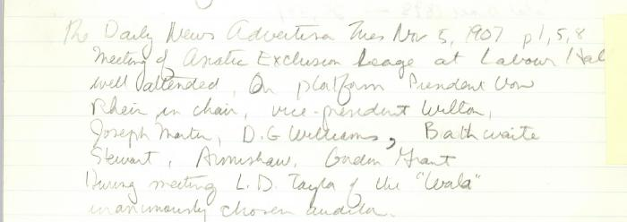 | Newsclipping - Vancouver News-Advertiser: Meeting of Asiatic Exclusion League at Labour Hall (2021_07_10416)
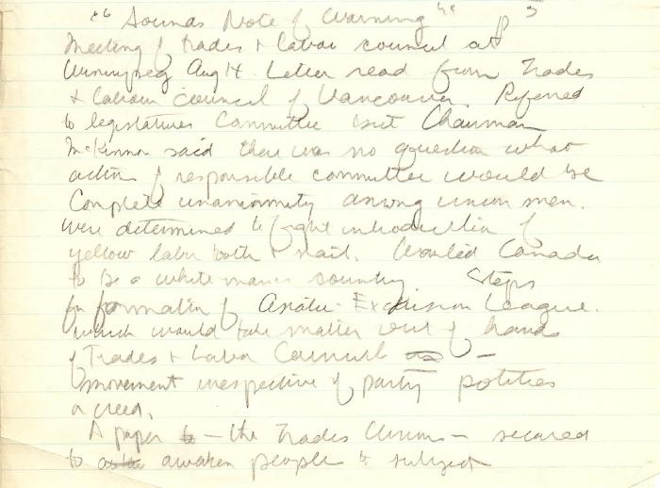 | Newsclipping - Vancouver News-Advertiser: Sounds note of warning (2021_07_10394)
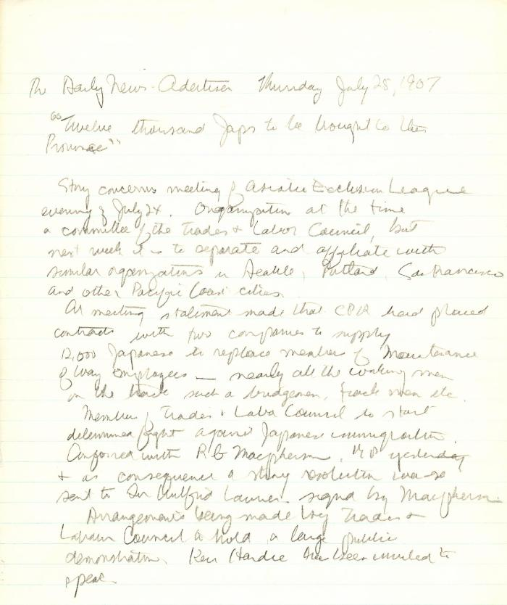
 | Newsclipping - Vancouver News-Advertiser: Twelve thousand Japs to be brought to this province (2021_07_10389)

 | Canadian Sikhs (Part One) and Komagata Maru Massacre (2021_07_6295)
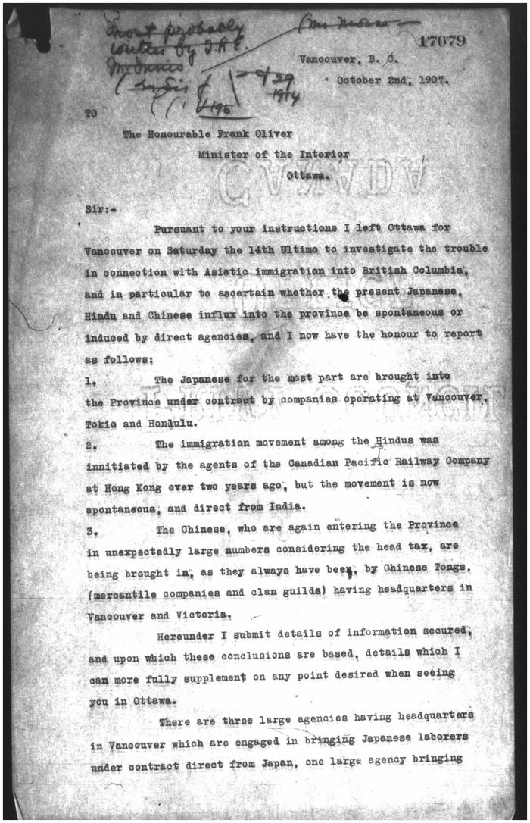
 | [Thomas R. E. McInnes to Frank Oliver, Minister of the Interior] (2021_07_5313) | Library and Archives Canada. Borden Papers

